DDM
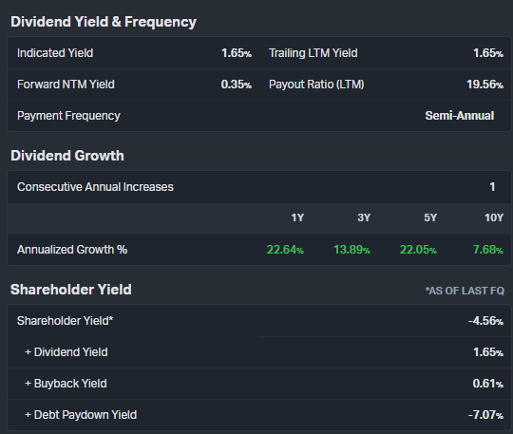
Year | Discount Factor | Dividends | Discounted Dividends | Assumptions |  |  | 2024-03-08
1 | 0.94 | 4.48 | 4.22 | Dividend | 4.48
2 | 0.89 | 4.82 | 4.28 | Dividend Growth Rate | 8% | koyfin 10yr annualized
3 | 0.84 | 5.19 | 4.34 | Perpetual Growth Rate | 2% | inflation target
4 | 0.79 | 5.59 | 4.41 | Cost of Equity | 6%
5 | 0.74 | 6.02 | 4.47
6 | 0.70 | 6.49 | 4.53 | Terminal Value | 214.31
7 | 0.66 | 6.98 | 4.60 | Model Price | 163.04
8 | 0.62 | 7.52 | 4.67 | Current | 242.82
9 | 0.58 | 8.10 | 4.73 | Difference | -33%
10 | 0.55 | 8.72 | 4.80
10 | 0.55 | 214.31 | 117.99

