Detections
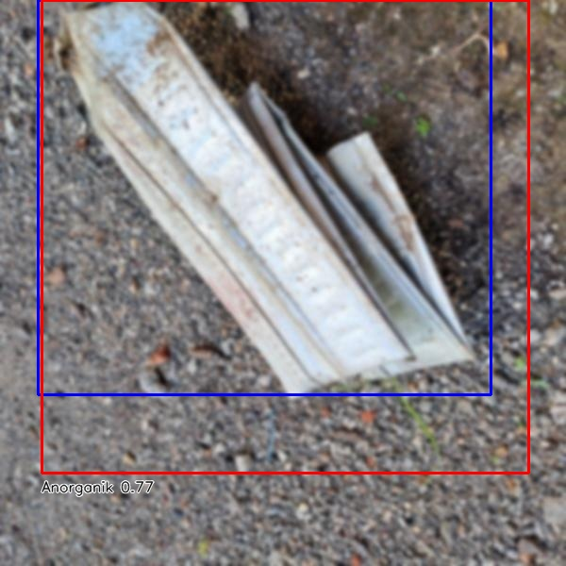
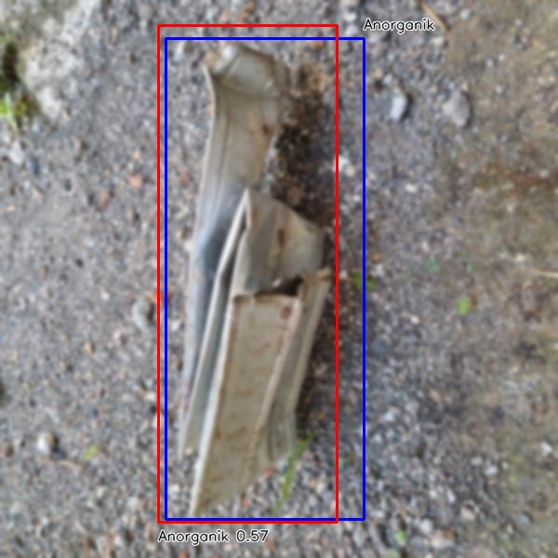
No | Image Name | Real Class | Detection Class | Verdict | Confidence | IoU | Inference Time | Modified Image | Normal | Jumlah Deteksi | Jumlah Sebenernya | Akurasi
1 | baja-13-_jpg.rf.e5e1965fe503c883d034aa3f34cb9989.jpg | Anorganik | Anorganik | TP | 0.76588875055 | 0.76324754767 | 878.06034088 | result_gaussian\modified_baja-13-_jpg.rf.e5e1965fe503c883d034aa3f34cb9989.jpg | Organik | 23 | 24 | 95.833333333
2 | baja-17-_jpg.rf.c506919685069299485fd5280bbc6adc.jpg | Anorganik | Anorganik | TP | 0.56872087717 | 0.81574485539 | 51.995754242 | result_gaussian\modified_baja-17-_jpg.rf.c506919685069299485fd5280bbc6adc.jpg | Anorganik | 29 | 32 | 90.625
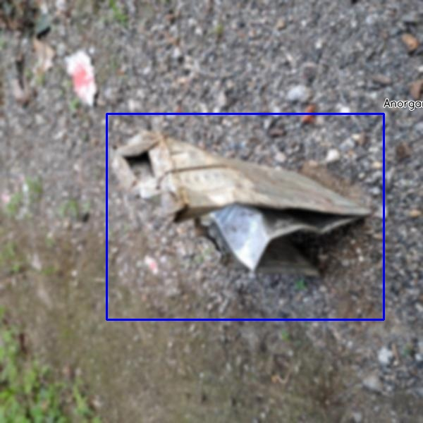
3 | baja-36-_jpg.rf.462b30a0837ca4ce356f13d93ae5dd5c.jpg | Anorganik | null | FN | 0 | 0 | 52.204847336 | result_gaussian\modified_baja-36-_jpg.rf.462b30a0837ca4ce356f13d93ae5dd5c.jpg
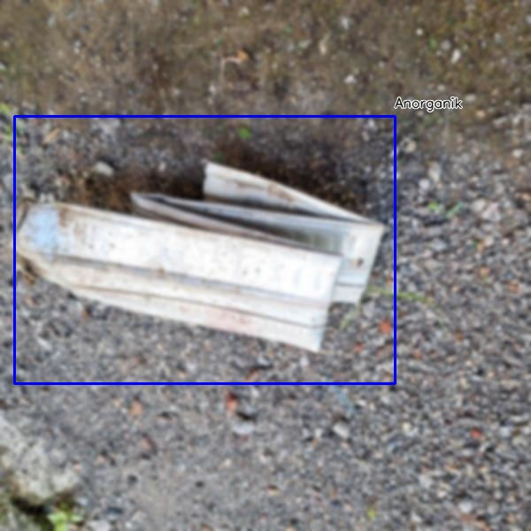
4 | baja-5-_jpg.rf.658add4e60cf0923882c8f9b2a693dfe.jpg | Anorganik | null | FN | 0 | 0 | 51.576852798 | result_gaussian\modified_baja-5-_jpg.rf.658add4e60cf0923882c8f9b2a693dfe.jpg
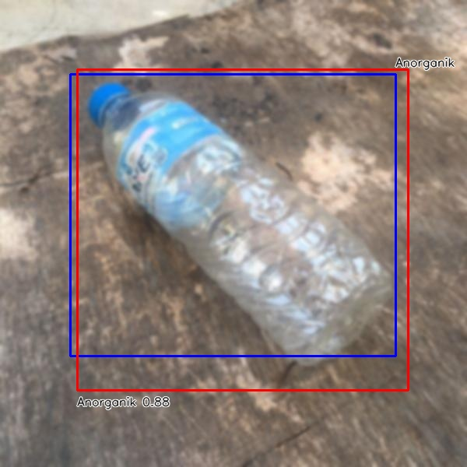
5 | botol_minum-10-_jpg.rf.401c90506914871688d05a137b547201.jpg | Anorganik | Anorganik | TP | 0.87753552198 | 0.82936273367 | 53.860425949 | result_gaussian\modified_botol_minum-10-_jpg.rf.401c90506914871688d05a137b547201.jpg
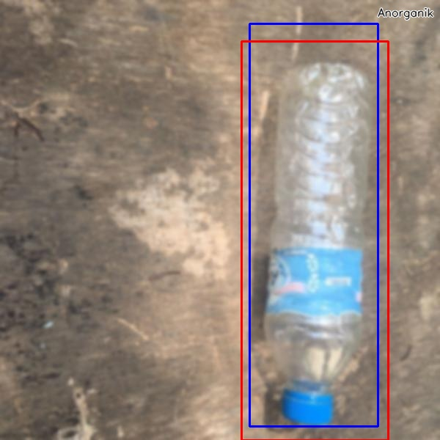
6 | botol_minum-16-_jpg.rf.ec386defa3200de973fe25ef6c9a48cb.jpg | Anorganik | Anorganik | TP | 0.64626586437 | 0.81230109181 | 46.216011047 | result_gaussian\modified_botol_minum-16-_jpg.rf.ec386defa3200de973fe25ef6c9a48cb.jpg
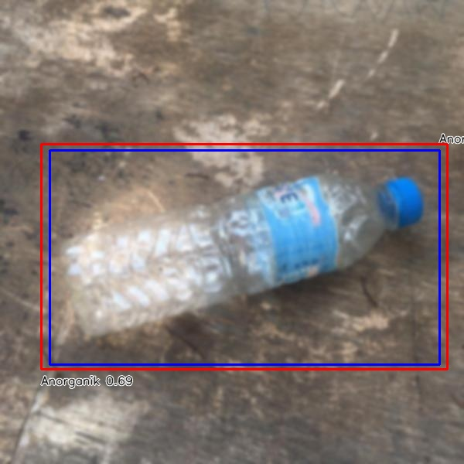
7 | botol_minum-2-_jpg.rf.5b01854fd541b99f0796aad4d05a8510.jpg | Anorganik | Anorganik | TP | 0.69235563278 | 0.91633959626 | 48.232555389 | result_gaussian\modified_botol_minum-2-_jpg.rf.5b01854fd541b99f0796aad4d05a8510.jpg
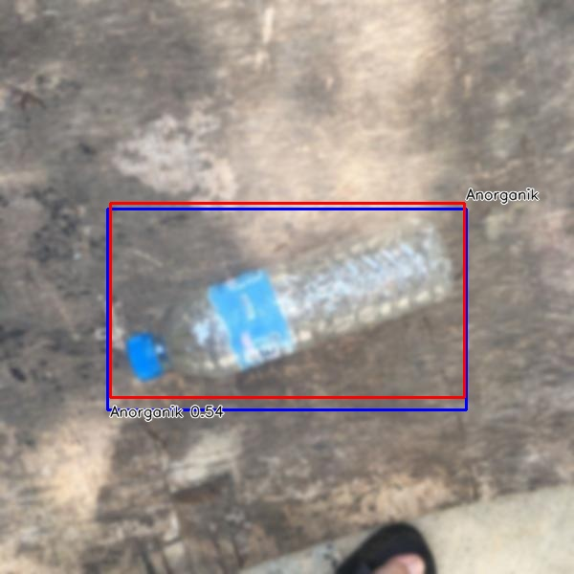
8 | botol_minum-22-_jpg.rf.54eacb91576617a2621a74a31446df33.jpg | Anorganik | Anorganik | TP | 0.53900915384 | 0.90561299855 | 46.541213989 | result_gaussian\modified_botol_minum-22-_jpg.rf.54eacb91576617a2621a74a31446df33.jpg
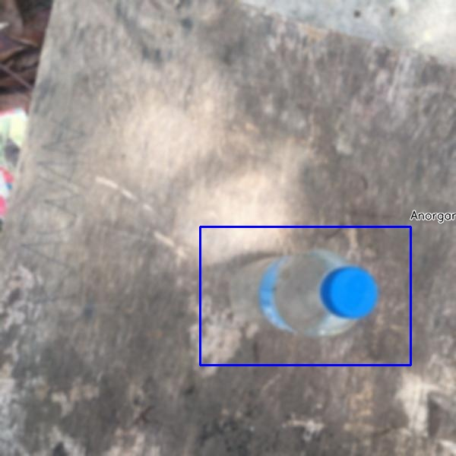
9 | botol_minum-32-_jpg.rf.fa939cab1b8421489bb40ab4131ff2b9.jpg | Anorganik | null | FN | 0 | 0 | 43.29252243 | result_gaussian\modified_botol_minum-32-_jpg.rf.fa939cab1b8421489bb40ab4131ff2b9.jpg
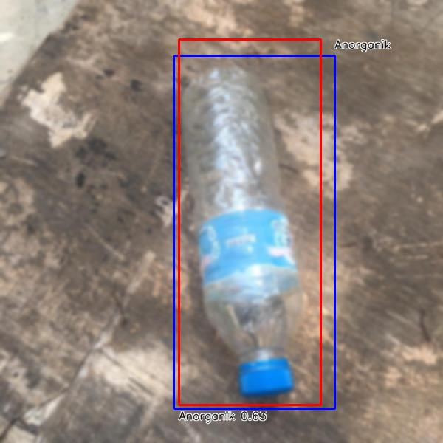
10 | botol_minum-4-_jpg.rf.9453ef84106c71be311ef9190253c553.jpg | Anorganik | Anorganik | TP | 0.6307079792 | 0.83756791905 | 46.137332916 | result_gaussian\modified_botol_minum-4-_jpg.rf.9453ef84106c71be311ef9190253c553.jpg
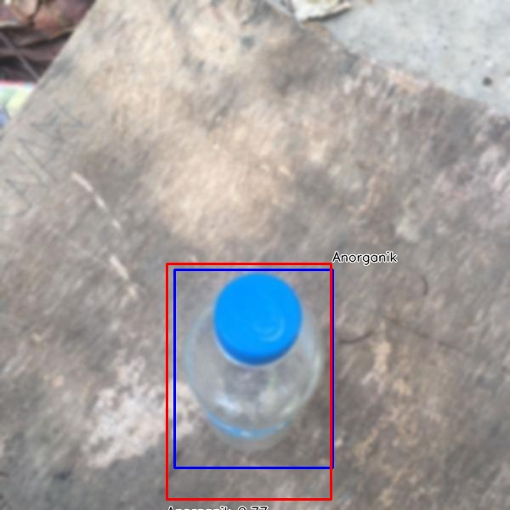
11 | botol_minum-42-_jpg.rf.070e7c0c0d2bbc039fce9640e3f77516.jpg | Anorganik | Anorganik | TP | 0.77484369278 | 0.79934604158 | 46.646356583 | result_gaussian\modified_botol_minum-42-_jpg.rf.070e7c0c0d2bbc039fce9640e3f77516.jpg
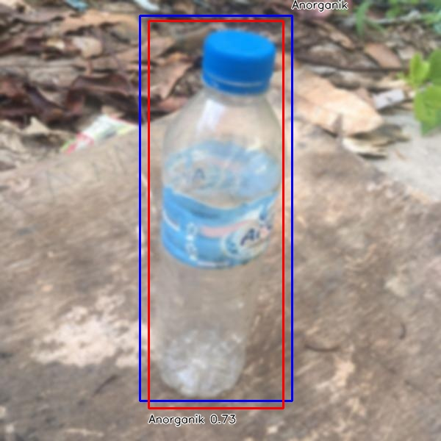
12 | botol_minum-43-_jpg.rf.54ae5408aa904f6d9479c6de03705c4d.jpg | Anorganik | Anorganik | TP | 0.7325040102 | 0.85813659487 | 45.299768448 | result_gaussian\modified_botol_minum-43-_jpg.rf.54ae5408aa904f6d9479c6de03705c4d.jpg
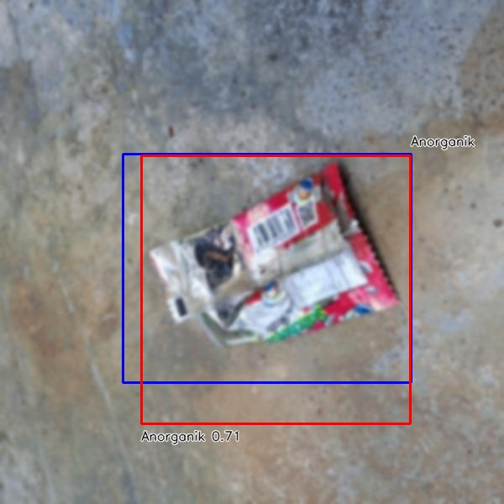
13 | bungkus_makanan-21-_jpg.rf.ca6a0422ee296b1d6c8732d4bcaf5b93.jpg | Anorganik | Anorganik | TP | 0.71195173264 | 0.78906900917 | 45.148849487 | result_gaussian\modified_bungkus_makanan-21-_jpg.rf.ca6a0422ee296b1d6c8732d4bcaf5b93.jpg
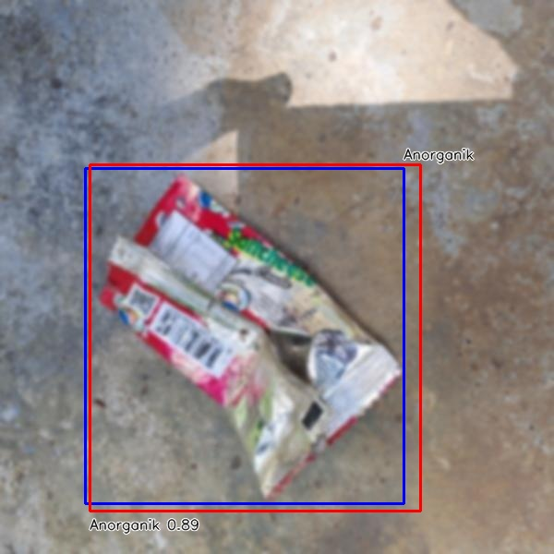
14 | bungkus_makanan-26-_jpg.rf.4257ca34920271a7fdef686a1fae51e1.jpg | Anorganik | Anorganik | TP | 0.88731110096 | 0.90573584014 | 44.230699539 | result_gaussian\modified_bungkus_makanan-26-_jpg.rf.4257ca34920271a7fdef686a1fae51e1.jpg
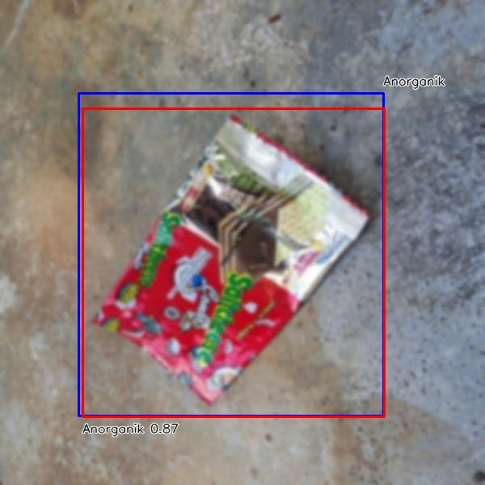
15 | bungkus_makanan-33-_jpg.rf.336d58f8939041679907dd4a6407a8f4.jpg | Anorganik | Anorganik | TP | 0.87200963497 | 0.93020910615 | 43.938398361 | result_gaussian\modified_bungkus_makanan-33-_jpg.rf.336d58f8939041679907dd4a6407a8f4.jpg
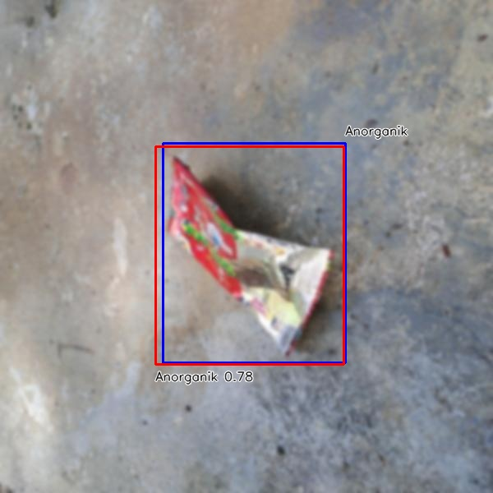
16 | bungkus_makanan-36-_jpg.rf.25bb5240ca7ffefa6018712313b1ecd7.jpg | Anorganik | Anorganik | TP | 0.78434455395 | 0.93109325759 | 44.317483902 | result_gaussian\modified_bungkus_makanan-36-_jpg.rf.25bb5240ca7ffefa6018712313b1ecd7.jpg
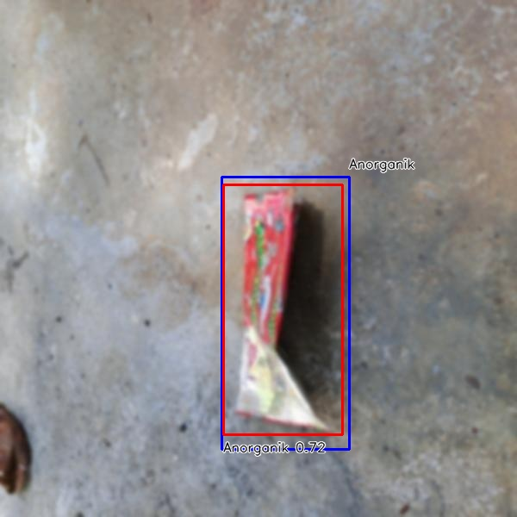
17 | bungkus_makanan-39-_jpg.rf.cfc5013cc12ce2d5d8cc0facb1bb01b1.jpg | Anorganik | Anorganik | TP | 0.7220736146 | 0.85192953742 | 45.207738876 | result_gaussian\modified_bungkus_makanan-39-_jpg.rf.cfc5013cc12ce2d5d8cc0facb1bb01b1.jpg
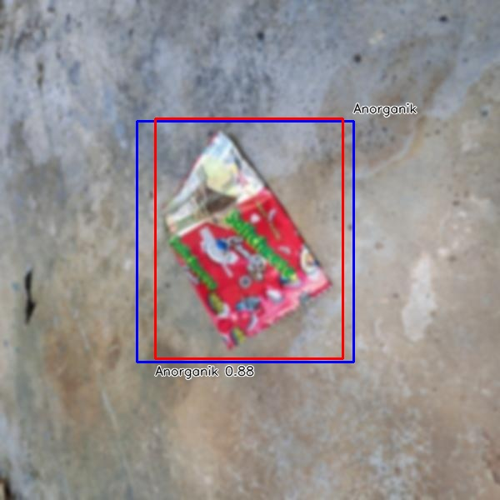
18 | bungkus_makanan-42-_jpg.rf.0ce301764e0cbdcf69209695b76c8a79.jpg | Anorganik | Anorganik | TP | 0.88363808393 | 0.85025017998 | 44.358491898 | result_gaussian\modified_bungkus_makanan-42-_jpg.rf.0ce301764e0cbdcf69209695b76c8a79.jpg
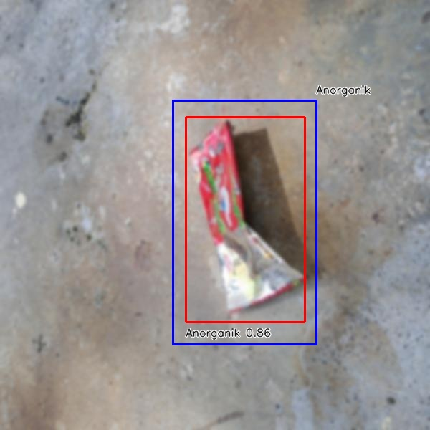
19 | bungkus_makanan-46-_jpg.rf.8afffde96424aed29b866c44d0456aea.jpg | Anorganik | Anorganik | TP | 0.85889071226 | 0.69956189595 | 44.223070145 | result_gaussian\modified_bungkus_makanan-46-_jpg.rf.8afffde96424aed29b866c44d0456aea.jpg
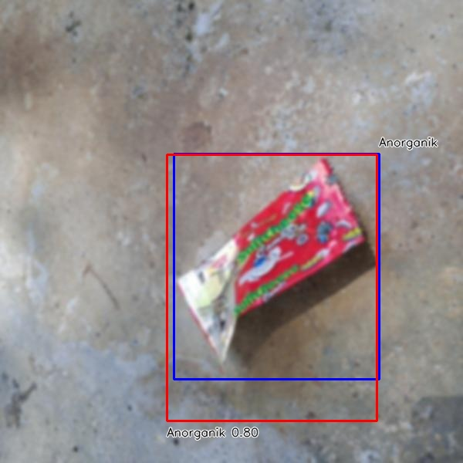
20 | bungkus_makanan-50-_jpg.rf.2fbd0f2dc9a7a0eeef8fdfbd5951a47b.jpg | Anorganik | Anorganik | TP | 0.80323135853 | 0.80538712459 | 46.017169952 | result_gaussian\modified_bungkus_makanan-50-_jpg.rf.2fbd0f2dc9a7a0eeef8fdfbd5951a47b.jpg
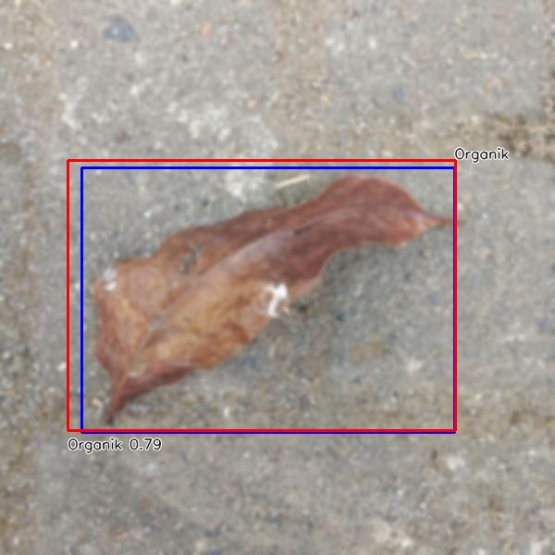
21 | daun-17-_jpg.rf.7ad731daa59dd95af283c1e8d207cf19.jpg | Organik | Organik | TP | 0.7913158536 | 0.93448921799 | 44.204473495 | result_gaussian\modified_daun-17-_jpg.rf.7ad731daa59dd95af283c1e8d207cf19.jpg
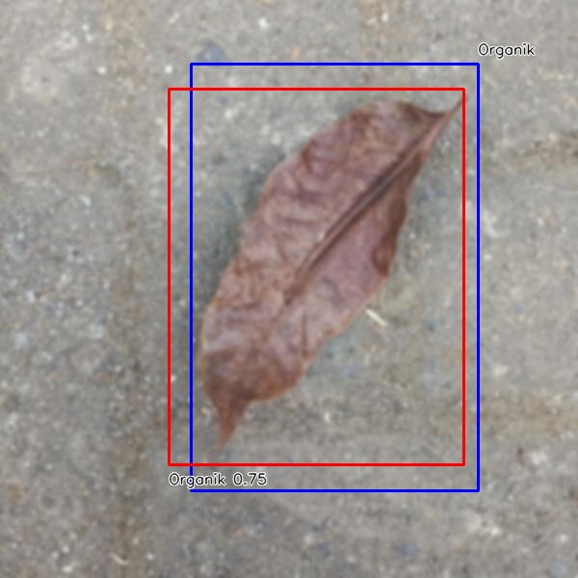
22 | daun-37-_jpg.rf.03f0768569e1e30186dfd0559c65d5a2.jpg | Organik | Organik | TP | 0.74863111973 | 0.7853124597 | 45.666217804 | result_gaussian\modified_daun-37-_jpg.rf.03f0768569e1e30186dfd0559c65d5a2.jpg
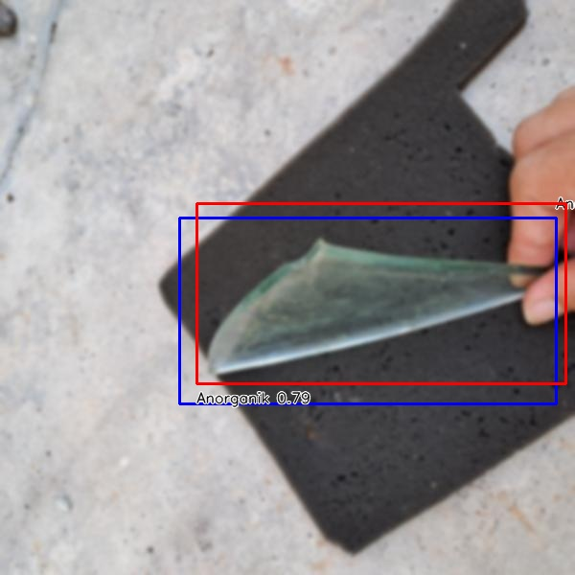
23 | kaca-1-_jpg.rf.fd9cf8612016d0862bcd3f1e870d3523.jpg | Anorganik | Anorganik | TP | 0.79156666994 | 0.77605610346 | 44.152259827 | result_gaussian\modified_kaca-1-_jpg.rf.fd9cf8612016d0862bcd3f1e870d3523.jpg
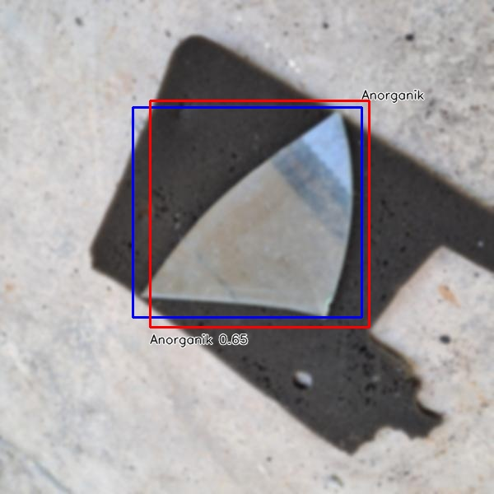
24 | kaca-18-_jpg.rf.601c9b13691b52d7cb78aaff18cd4c62.jpg | Anorganik | Anorganik | TP | 0.65094655752 | 0.83112548216 | 44.441461563 | result_gaussian\modified_kaca-18-_jpg.rf.601c9b13691b52d7cb78aaff18cd4c62.jpg
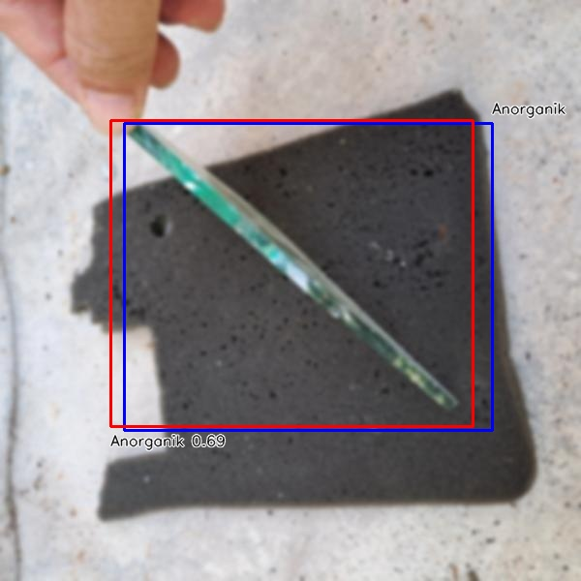
25 | kaca-24-_jpg.rf.ec9725876ea7f7fd8dacccc481cd83c9.jpg | Anorganik | Anorganik | TP | 0.68687993288 | 0.90136202042 | 45.806407928 | result_gaussian\modified_kaca-24-_jpg.rf.ec9725876ea7f7fd8dacccc481cd83c9.jpg
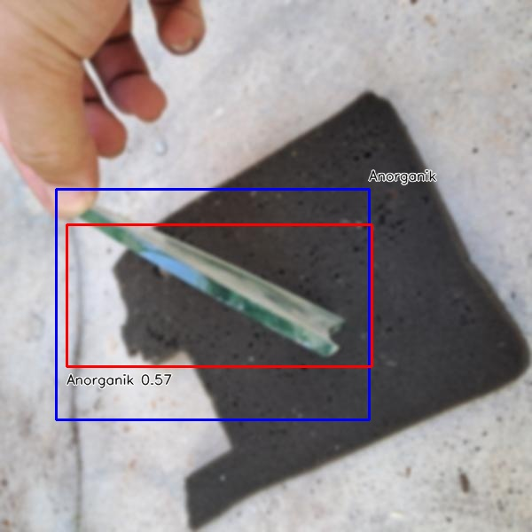
26 | kaca-28-_jpg.rf.75174595f75b737e1ea32db15c91f83d.jpg | Anorganik | Anorganik | TP | 0.57079100609 | 0.58718408363 | 44.137954712 | result_gaussian\modified_kaca-28-_jpg.rf.75174595f75b737e1ea32db15c91f83d.jpg
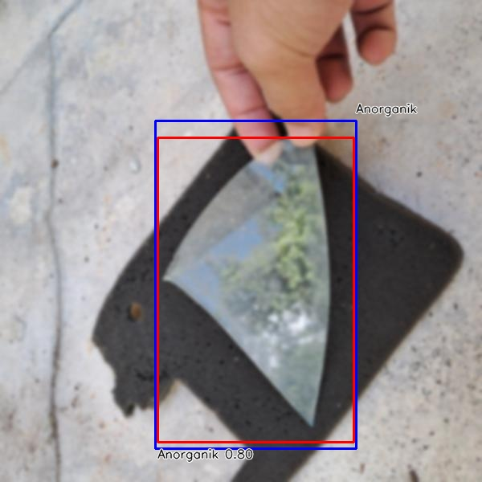
27 | kaca-35-_jpg.rf.cac93f310664fec3f933769ec39524c6.jpg | Anorganik | Anorganik | TP | 0.79721015692 | 0.90770648547 | 48.132896423 | result_gaussian\modified_kaca-35-_jpg.rf.cac93f310664fec3f933769ec39524c6.jpg
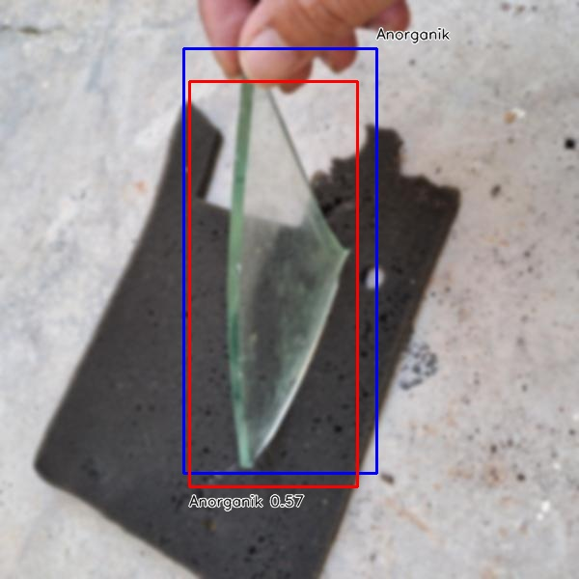
28 | kaca-46-_jpg.rf.6549c4a03f72aac1fb2390daf415ec57.jpg | Anorganik | Anorganik | TP | 0.57252651453 | 0.77981004903 | 45.104503632 | result_gaussian\modified_kaca-46-_jpg.rf.6549c4a03f72aac1fb2390daf415ec57.jpg
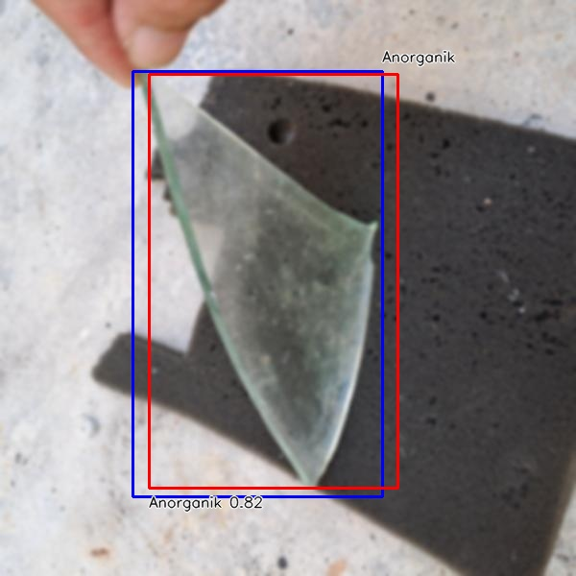
29 | kaca-9-_jpg.rf.fe8f53d7db8f75ac114e9b109051908b.jpg | Anorganik | Anorganik | TP | 0.81727916002 | 0.85750155249 | 44.824838638 | result_gaussian\modified_kaca-9-_jpg.rf.fe8f53d7db8f75ac114e9b109051908b.jpg
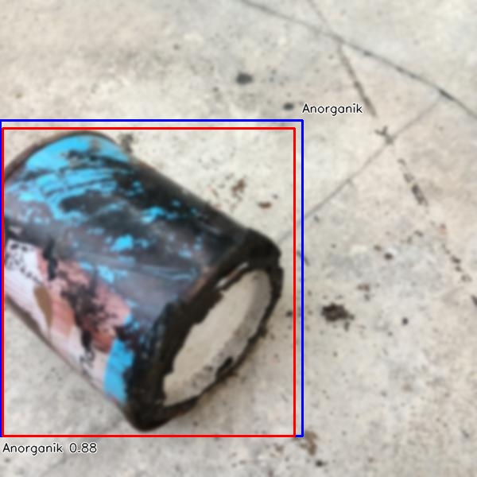
30 | kaleng-10-_jpg.rf.4ef37c3159375a100a5688c990296037.jpg | Anorganik | Anorganik | TP | 0.87820720673 | 0.94081995511 | 46.215057373 | result_gaussian\modified_kaleng-10-_jpg.rf.4ef37c3159375a100a5688c990296037.jpg
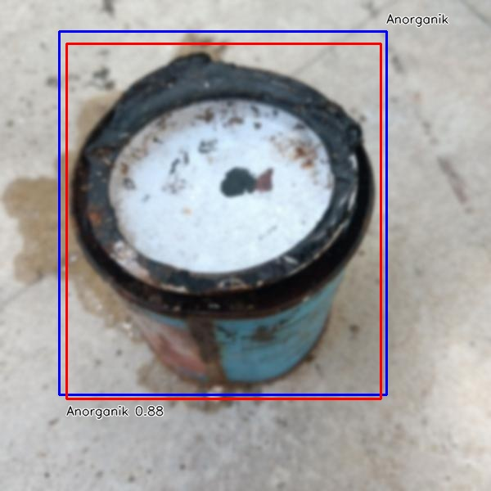
31 | kaleng-30-_jpg.rf.98e0a826f591a70955f4972dd9d93ed6.jpg | Anorganik | Anorganik | TP | 0.8780926466 | 0.91790645352 | 43.096065521 | result_gaussian\modified_kaleng-30-_jpg.rf.98e0a826f591a70955f4972dd9d93ed6.jpg
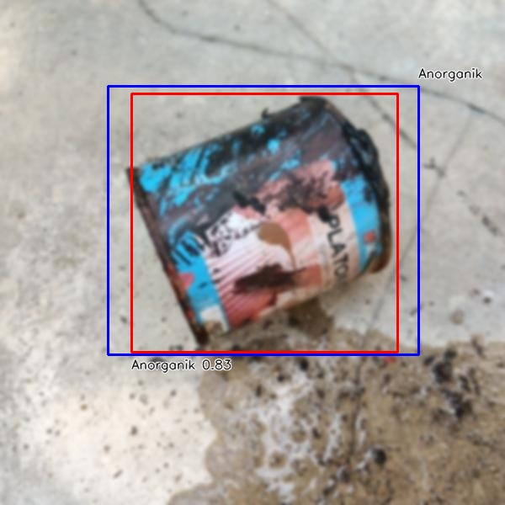
32 | kaleng-37-_jpg.rf.d4168b175b16abf5abc8d1ba4e793d80.jpg | Anorganik | Anorganik | TP | 0.83056998253 | 0.82432103189 | 43.584346771 | result_gaussian\modified_kaleng-37-_jpg.rf.d4168b175b16abf5abc8d1ba4e793d80.jpg
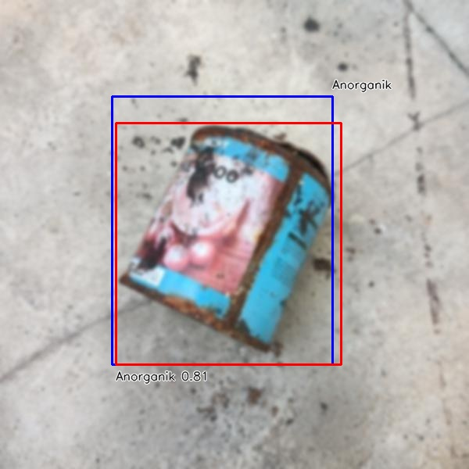
33 | kaleng-6-_jpg.rf.8627f930b117d4bc2148a1306108d154.jpg | Anorganik | Anorganik | TP | 0.8109613061 | 0.84785894089 | 45.737743378 | result_gaussian\modified_kaleng-6-_jpg.rf.8627f930b117d4bc2148a1306108d154.jpg
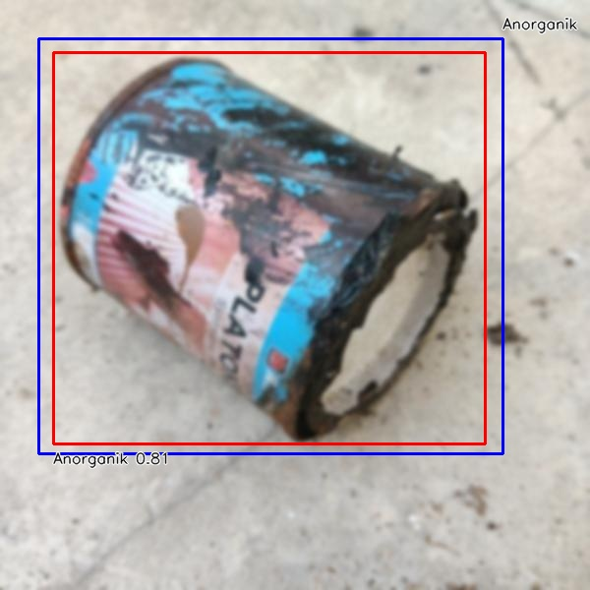
34 | kaleng-9-_jpg.rf.ec5cba7ffdf05f1aabf1a0740bcf0a3f.jpg | Anorganik | Anorganik | TP | 0.80786913633 | 0.87631519479 | 44.30437088 | result_gaussian\modified_kaleng-9-_jpg.rf.ec5cba7ffdf05f1aabf1a0740bcf0a3f.jpg
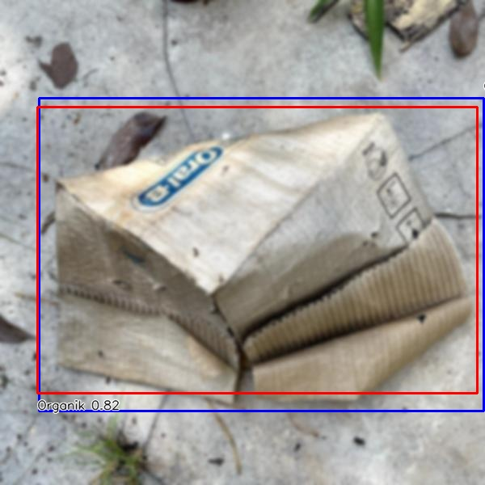
35 | kardus-13-_jpg.rf.7675e51373e0f3e562e3d5ab50a3c5ec.jpg | Organik | Organik | TP | 0.82139211893 | 0.89987714311 | 43.858528137 | result_gaussian\modified_kardus-13-_jpg.rf.7675e51373e0f3e562e3d5ab50a3c5ec.jpg
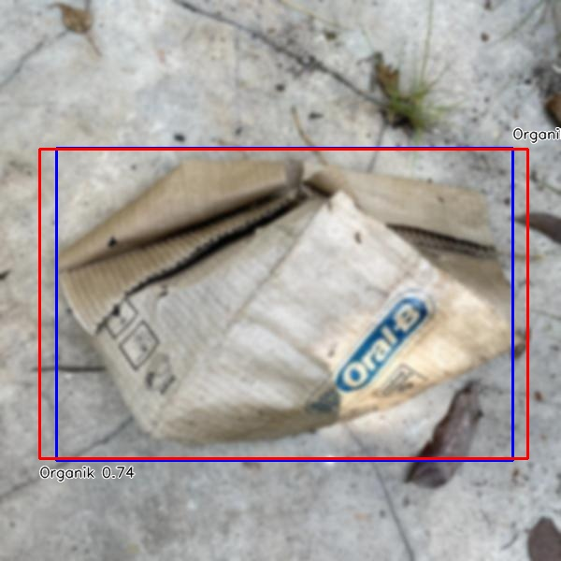
36 | kardus-16-_jpg.rf.cdbd32f0fa9c4a5c95115fa31b32affd.jpg | Organik | Organik | TP | 0.73710918427 | 0.92648927323 | 43.229341507 | result_gaussian\modified_kardus-16-_jpg.rf.cdbd32f0fa9c4a5c95115fa31b32affd.jpg
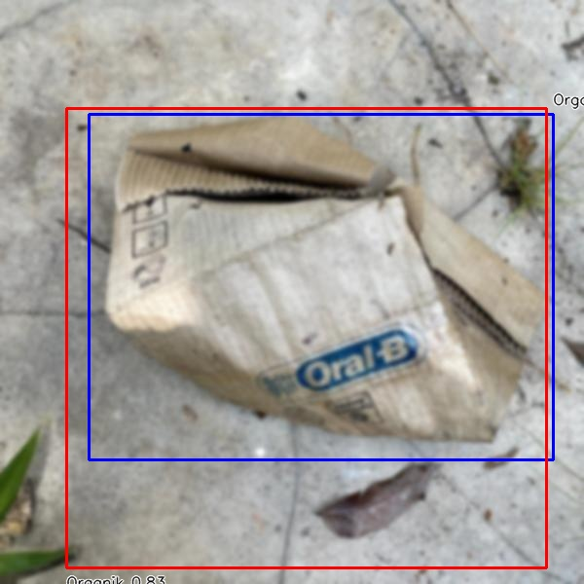
37 | kardus-17-_jpg.rf.3012df302af4ef67ec62fb87ad207e0c.jpg | Organik | Organik | TP | 0.83165305853 | 0.71084745757 | 44.082641602 | result_gaussian\modified_kardus-17-_jpg.rf.3012df302af4ef67ec62fb87ad207e0c.jpg
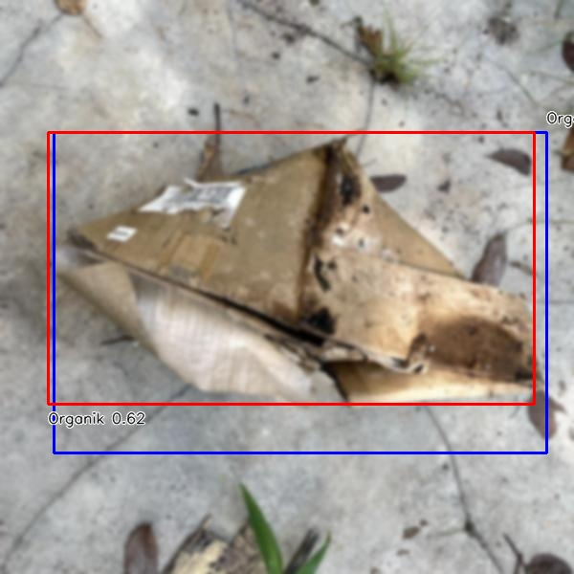
38 | kardus-22-_jpg.rf.4a8b3315d28ad00f7e160575d7775c9b.jpg | Organik | Organik | TP | 0.6204341054 | 0.82058558629 | 43.513059616 | result_gaussian\modified_kardus-22-_jpg.rf.4a8b3315d28ad00f7e160575d7775c9b.jpg
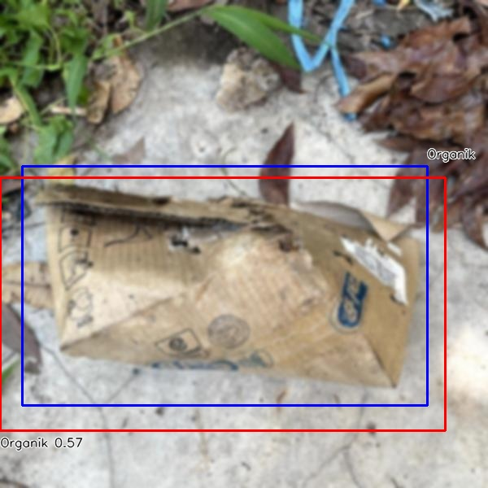
39 | kardus-27-_jpg.rf.20ab9cc3b32386a92e43791907d72de5.jpg | Organik | Organik | TP | 0.56636577845 | 0.78265049581 | 44.087171555 | result_gaussian\modified_kardus-27-_jpg.rf.20ab9cc3b32386a92e43791907d72de5.jpg
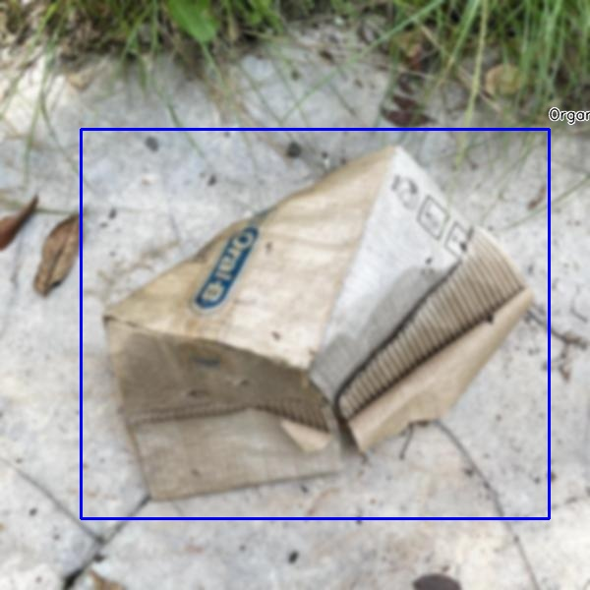
40 | kardus-6-_jpg.rf.74e9138a70ce099d922925441b53a977.jpg | Organik | null | FN | 0 | 0 | 43.028354645 | result_gaussian\modified_kardus-6-_jpg.rf.74e9138a70ce099d922925441b53a977.jpg
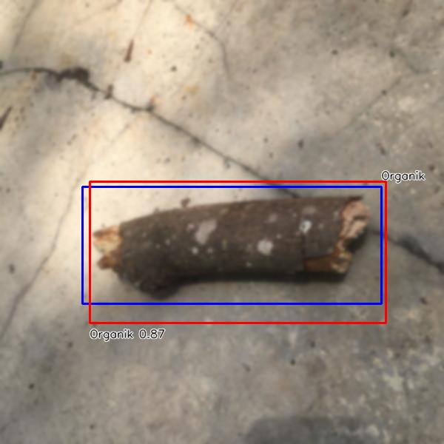
41 | kayu-35-_jpg.rf.1e9f95f031b1d62467757155c3bc5652.jpg | Organik | Organik | TP | 0.86982166767 | 0.79660935817 | 44.034957886 | result_gaussian\modified_kayu-35-_jpg.rf.1e9f95f031b1d62467757155c3bc5652.jpg
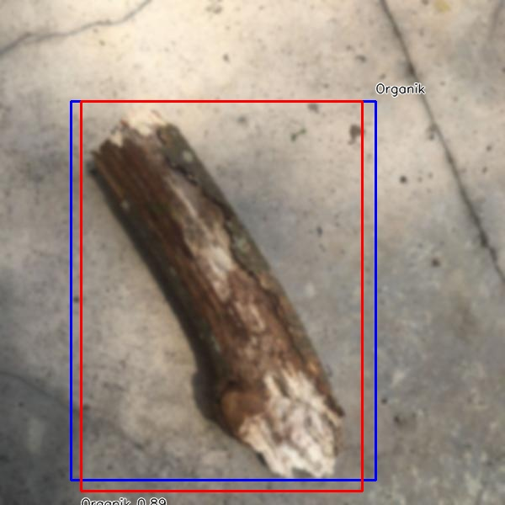
42 | kayu-39-_jpg.rf.202fb4f52c43ae9e59798f0c5858e094.jpg | Organik | Organik | TP | 0.88947731256 | 0.89759568595 | 46.315431595 | result_gaussian\modified_kayu-39-_jpg.rf.202fb4f52c43ae9e59798f0c5858e094.jpg
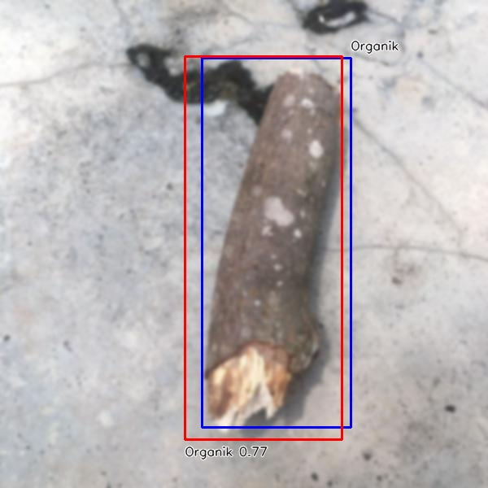
43 | kayu-5-_jpg.rf.075cd6542a3f0d43573a0e99fd78d2b9.jpg | Organik | Organik | TP | 0.77185124159 | 0.81786869747 | 43.508291245 | result_gaussian\modified_kayu-5-_jpg.rf.075cd6542a3f0d43573a0e99fd78d2b9.jpg
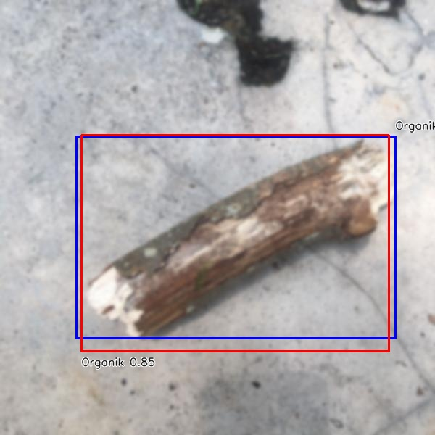
44 | kayu-9-_jpg.rf.3d29b73a7542a0fefbd3ffeb85d5a038.jpg | Organik | Organik | TP | 0.85253244638 | 0.89906637388 | 45.40514946 | result_gaussian\modified_kayu-9-_jpg.rf.3d29b73a7542a0fefbd3ffeb85d5a038.jpg
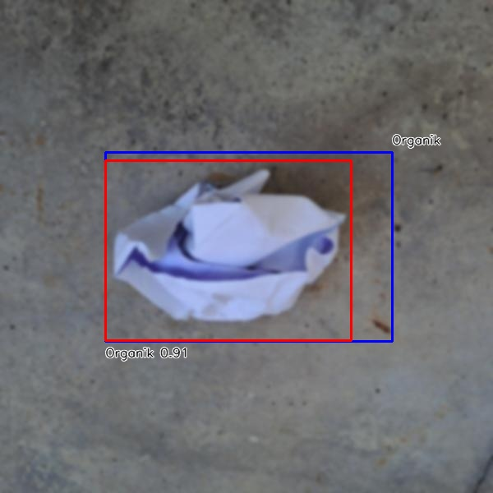
45 | kertas-13-_jpg.rf.8d1e1725bfbc6ffc98eb8f7e844928a2.jpg | Organik | Organik | TP | 0.90863960981 | 0.81448786133 | 43.797969818 | result_gaussian\modified_kertas-13-_jpg.rf.8d1e1725bfbc6ffc98eb8f7e844928a2.jpg
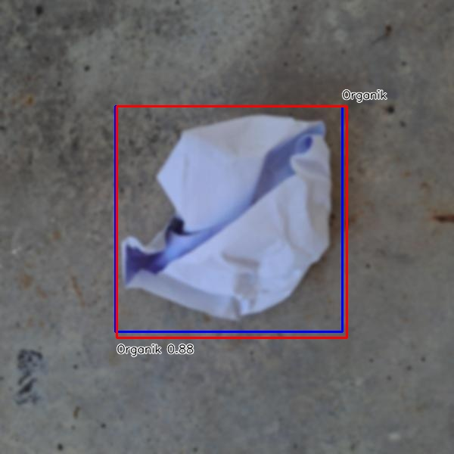
46 | kertas-16-_jpg.rf.c8f821372ad5f68f4355391c9f3bed1e.jpg | Organik | Organik | TP | 0.87557965517 | 0.94264107449 | 44.901847839 | result_gaussian\modified_kertas-16-_jpg.rf.c8f821372ad5f68f4355391c9f3bed1e.jpg
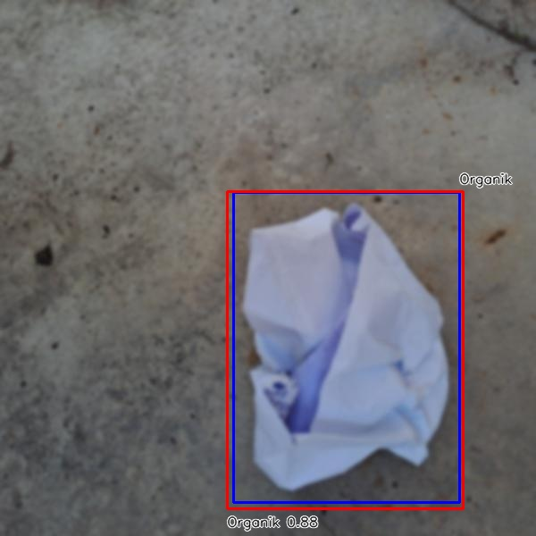
47 | kertas-19-_jpg.rf.2d096f75c04020134c1214c1a9c76e10.jpg | Organik | Organik | TP | 0.88076812029 | 0.93729659975 | 44.864416122 | result_gaussian\modified_kertas-19-_jpg.rf.2d096f75c04020134c1214c1a9c76e10.jpg
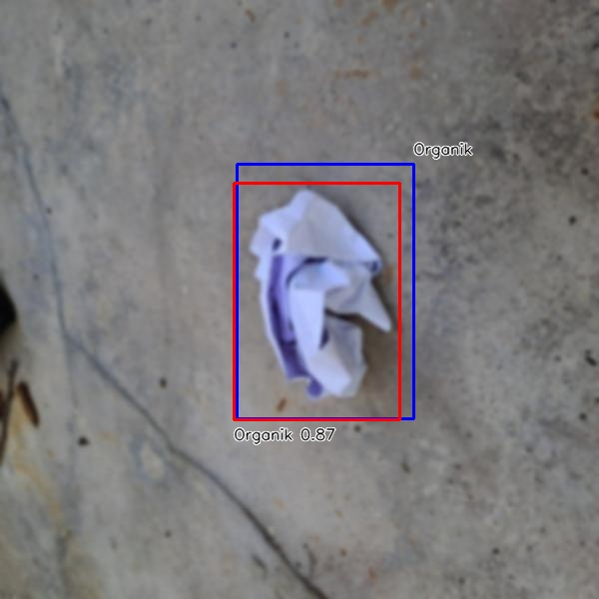
48 | kertas-3-_jpg.rf.75066f2a2011cab016feeefcd17fac31.jpg | Organik | Organik | TP | 0.86739856005 | 0.84202405039 | 44.720411301 | result_gaussian\modified_kertas-3-_jpg.rf.75066f2a2011cab016feeefcd17fac31.jpg
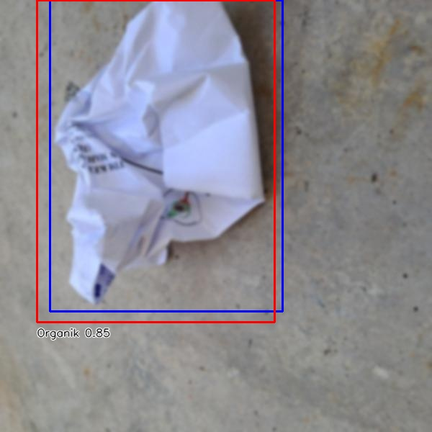
49 | kertas-41-_jpg.rf.4704888e01bf8ff2766a3c00b23ed8dd.jpg | Organik | Organik | TP | 0.84699040651 | 0.88576549395 | 45.367002487 | result_gaussian\modified_kertas-41-_jpg.rf.4704888e01bf8ff2766a3c00b23ed8dd.jpg
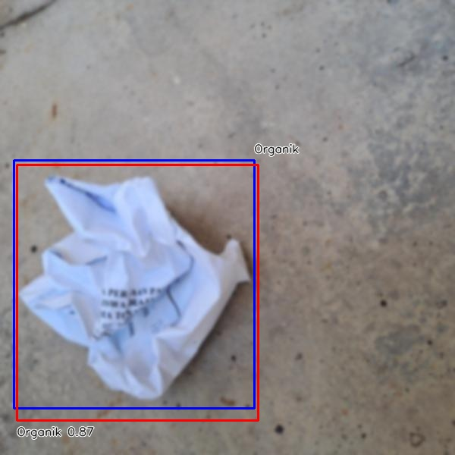
50 | kertas-43-_jpg.rf.024c344703cb707bf95f5f18e5d1251e.jpg | Organik | Organik | TP | 0.87277090549 | 0.9058529212 | 44.301271439 | result_gaussian\modified_kertas-43-_jpg.rf.024c344703cb707bf95f5f18e5d1251e.jpg

51 | tissue-16-_jpg.rf.f3aa7f11c2d1beab251da651526a8dc8.jpg | Organik | Organik | TP | 0.87544322014 | 0.95442631211 | 45.840024948 | result_gaussian\modified_tissue-16-_jpg.rf.f3aa7f11c2d1beab251da651526a8dc8.jpg

52 | tissue-22-_jpg.rf.0d952f08460b04f2a0d24b91c31e4170.jpg | Organik | Organik | TP | 0.86717009544 | 0.85788728101 | 45.204162598 | result_gaussian\modified_tissue-22-_jpg.rf.0d952f08460b04f2a0d24b91c31e4170.jpg

53 | tissue-30-_jpg.rf.4a5afcad7bda18e24b9ba2af5719bf8e.jpg | Organik | Organik | TP | 0.85266768932 | 0.90886921406 | 45.835494995 | result_gaussian\modified_tissue-30-_jpg.rf.4a5afcad7bda18e24b9ba2af5719bf8e.jpg

54 | tissue-31-_jpg.rf.4913e0597603c56537e272ea574002b2.jpg | Organik | Organik | TP | 0.76171576977 | 0.78398407346 | 43.09797287 | result_gaussian\modified_tissue-31-_jpg.rf.4913e0597603c56537e272ea574002b2.jpg

55 | tissue-42-_jpg.rf.0d5ce59c48d9f9bb8539479d4b93e009.jpg | Organik | Organik | TP | 0.88732206821 | 0.69780346847 | 43.103933334 | result_gaussian\modified_tissue-42-_jpg.rf.0d5ce59c48d9f9bb8539479d4b93e009.jpg

56 | tissue-45-_jpg.rf.20c7fb802313ccd27014b81d019b0a0a.jpg | Organik | Organik | TP | 0.87202894688 | 0.86484330477 | 43.998241425 | result_gaussian\modified_tissue-45-_jpg.rf.20c7fb802313ccd27014b81d019b0a0a.jpg

