Sheet1
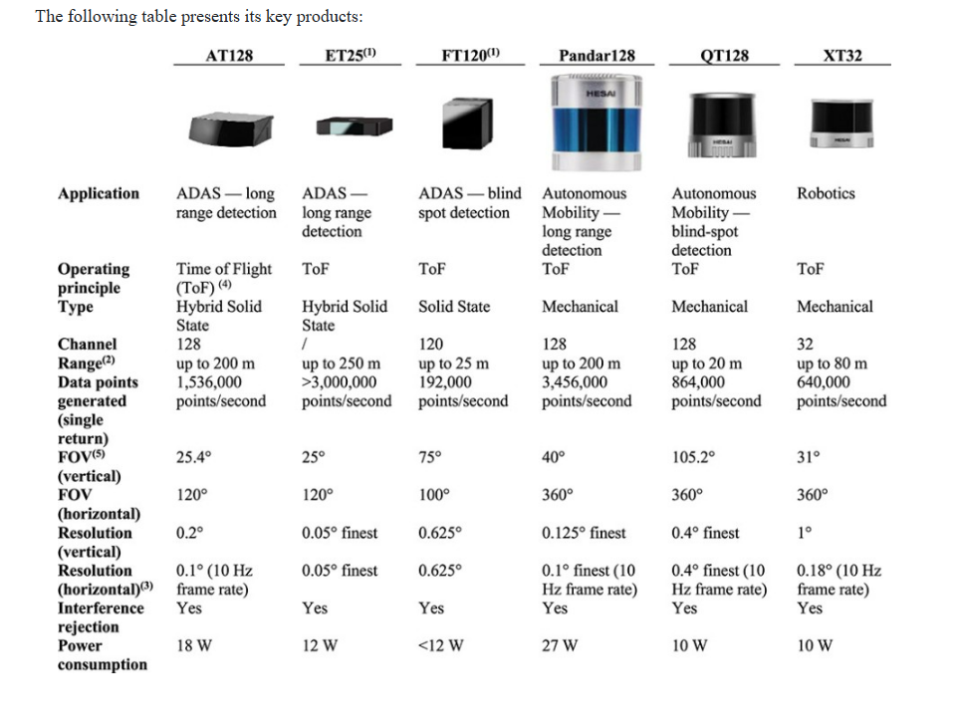
 | 2021 | 2022 | 2023 | 2024 | 2025 | 2026 | 2027
Disclosures:
Transfers to HESAI Hong Kong | 472.70 | - | 50.00
Transfers to HESAI Shanghai | 332.10 | - | -
Transfers to HESAI subsidiaries | 3.00 | 8.20 | 18.30
Transfers to HESAI subsidiaries for service fees and purchasing payments | 0.80 | 1.40 | 8.30
Transfers to HESAI Shanghai for purchasing materials or finished goods | 1.80 | 0.50 | -
(Oxigraf) Transfers to HESAI subsidiaries for purchasing materials or finished goods | 1.30 | - | 0.10

