Sheet1
 | 2022 | 2023 | 2024 | 2025 |  |  |  | 2026 |  |  |  |  | 2022 | 2023 | 2024 | 2025
Revenue | 932,472.00 | 740,840.00 | 673,759.00 |  |  |  |  |  |  |  |  | Shares Outstanding | 29,286.00 | 28,908.00 | 29,616.00 | 28,500.00
COGS | 681,923.00 | 491,588.00 | 477,832.00 |  |  |  |  |  |  |  |  | Price | 40.00 | 20.00 | 14.00 | 26.00
 |  |  |  |  |  |  |  |  |  |  |  |  | 1,171,440.00 | 578,160.00 | 414,624.00 | 741,000.00
Research and Development | 88,443.00 | 83,295.00 | 81,082.00
Sales and Marketing | 139,675.00 | 127,778.00 | 123,694.00 |  |  |  |  |  |  |  |  | LT Debt | 52,959.00 | 47,299.00 | 39,081.00 | 39,081.00
General and Administrative | 56,316.00 | 66,243.00 | 63,468.00 |  |  |  |  |  |  |  |  | Cash and Cash Equivalents | 146,500.00 | 176,717.00 | 286,444.00 | 176,717.00
Litigation | 20.00 | 178.00 | (89,012.00)
Restructuring | 4,577.00 | 3,962.00 | 4,479.00 |  |  |  |  |  |  |  |  | Current Assets | 834,291.00 | 747,979.00 | 758,029.00 | 758,029.00
Goodwill Impairment | 44,442.00 | 1,071.00 | - |  |  |  |  |  |  |  |  | Net | 781,332.00 | 700,680.00 | 718,948.00 | 718,948.00
Intangibles Impairment | - | - | - |  |  |  |  |  |  |  |  | Current Liabilities | 345,971.00 | 264,348.00 | 270,083.00 | 270,083.00

Operating Expense | 333,473.00 | 282,527.00 | 183,711.00 | - | - | - | - | - | - | - | - | Capital Expenditure | 6,357.00 | 6,519.00 | 9,219.00 | 9,219.00
 |  |  |  |  |  |  |  |  |  |  |  | Depreciation and Amortization | 10,070.00 | 7,161.00 | 6,514.00 | 6,514.00
Income from Operations | (82,924.00) | (33,275.00) | 12,216.00 |  |  |  |  |  |  |  |  |  | 435,361.00 | 436,332.00 | 448,865.00 | 448,865.00
 |  |  |  |  |  |  |  |  |  |  |  | Change in NWC |  | 971.00 | 12,533.00 | -
Net Profit | 12,363.00 | (104,767.00) | (68,987.00)
 |  |  |  |  |  |  |  |  |  |  |  | FCFF | 16,076.00 | (105,096.00) | (84,225.00) | (2,705.00)
Revenue | 100.00% | 100.00% | 100.00%
COGS | 73.13% | 66.36% | 70.92% |  |  |  |  |  |  |  |  | Net Debt |  | - | - | -
 | 0.00% | 0.00% | 0.00% |  |  |  |  |  |  |  |  | Real Net Debt |  | (129,418.00) | (247,363.00) | (137,636.00)
Research and Development | 9.48% | 11.24% | 12.03% |  |  |  |  |  |  |  |  |  |  | 578,160.00 | 414,624.00 | 741,000.00
Sales and Marketing | 14.98% | 17.25% | 18.36%
General and Administrative | 6.04% | 8.94% | 9.42% |  |  |  |  |  |  |  |  | EV |  | -18.18% | -20.31% | -0.37%
Litigation | 0.00% | 0.02% | -13.21%
Restructuring | 0.49% | 0.53% | 0.66%
Goodwill Impairment | 4.77% | 0.14% | 0.00%
Intangibles Impairment | 0.00% | 0.00% | 0.00%

Operating Expense | 35.76% | 38.14% | 27.27%

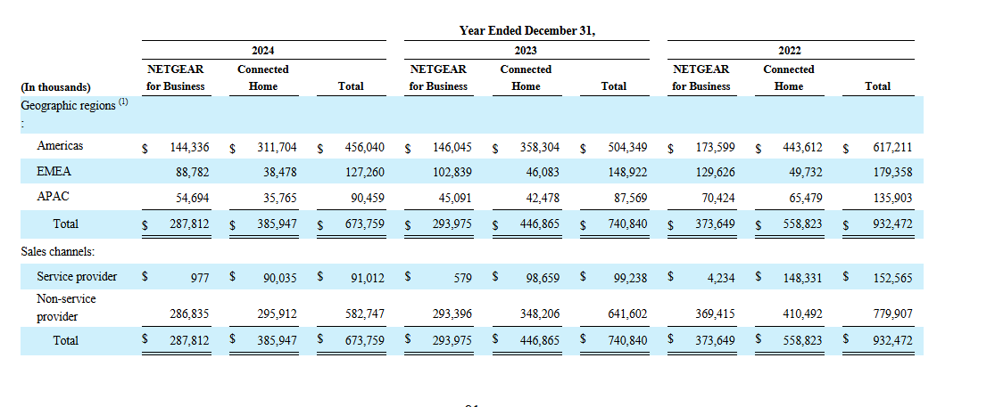
Income from Operations | -8.89% | -4.49% | 1.81%

Net Profit | 1.33% | -14.14% | -10.24%

Revenue |  | -20.55% | -9.05%
COGS |  | -27.91% | -2.80%

Research and Development |  | -5.82% | -2.66%
Sales and Marketing |  | -8.52% | -3.20%
General and Administrative |  | 17.63% | -4.19%
Litigation |  | 790.00% | -50106.74%
Restructuring |  | -13.44% | 13.05%
Goodwill Impairment |  | -97.59% | -100.00%
Intangibles Impairment |  | 0.00% | 0.00%
 |  | 0.00% | 0.00%
Operating Expense |  | -15.28% | -34.98%

Income from Operations |  | -59.87% | -136.71%

Net Profit |  | -947.42% | -34.15%

Revenue |  |  | -27.74%
COGS |  |  | -29.93%

Research and Development |  |  | -8.32%
Sales and Marketing |  |  | -11.44%
General and Administrative |  |  | 12.70%
Litigation |  |  | -445160.00%
Restructuring |  |  | -2.14%
Goodwill Impairment |  |  | -100.00%
Intangibles Impairment |  |  | 0.00%

Operating Expense |  |  | -44.91%

Income from Operations |  |  | -114.73%

Net Profit |  |  | -658.01%

