Freerun Timer
 | Freerun Timer

 | <Verification scenario 1>
 |  |  | Board start -> 2 periodic tasks running in parallel: LD4 LED toggling every 100 ms; LD5 LED toggling every 500 ms

Confirm-Point 3:
Check status LD5 LED
Confirm-Point 4:
Check timer elapsed
Starting Code
"Verification Scenario 1"
Confirm-Point 1:
1a. Check status LD4 LED 1b. Check status LD5 LED
Confirm-Point 2:
Check status LD4 LED

`
 | ● | Confirm Value:

 |  | Confirm-Point |  |  |  | Confirmation Timing |  | Expect |  |  | Test result (After) |  | Confirm
 |  | 1a |  |  |  | After board started |  | LD4 LED on |  |  |  |  | -
 |  | 1b |  |  |  | After board started |  | LD5 LED on |  |  |  |  | -
 |  | 2 |  |  |  | After 2s |  | LD4 LED off |  |  |  |  | -
 |  | 3 |  |  |  | After 5s |  | LD5 LED off |  |  |  |  | -
 |  | 4 |  |  |  | After LD5 LED off |  | Via debug graph |  |  |  |  | -

 | ● | View-Point/Technical Foundation: |  |  |  | `

 |  | STM32F4DISCOVERY kit - User manual (UM1472 Rev 8)
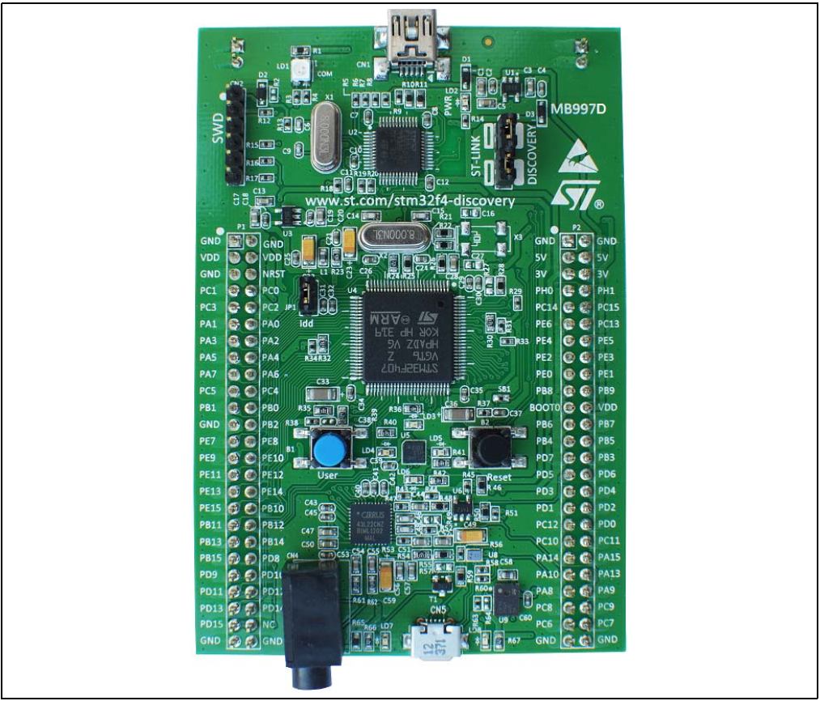
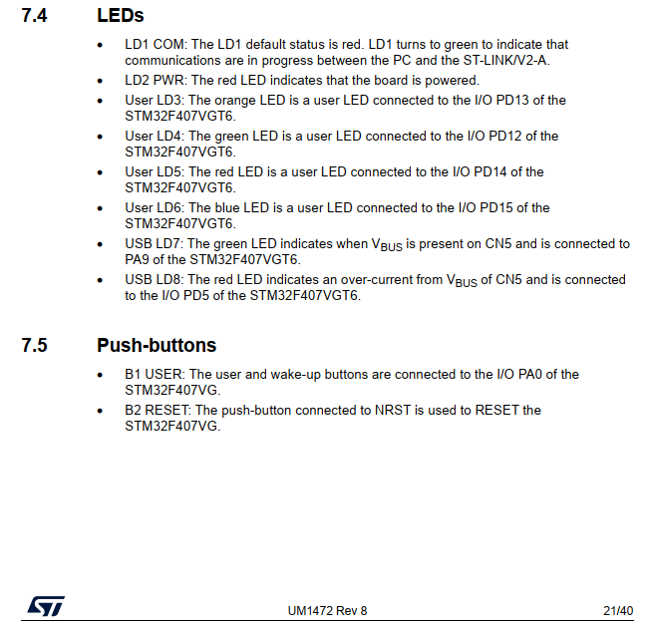

 |  | STM32F40xxx block diagram - Bus matrix
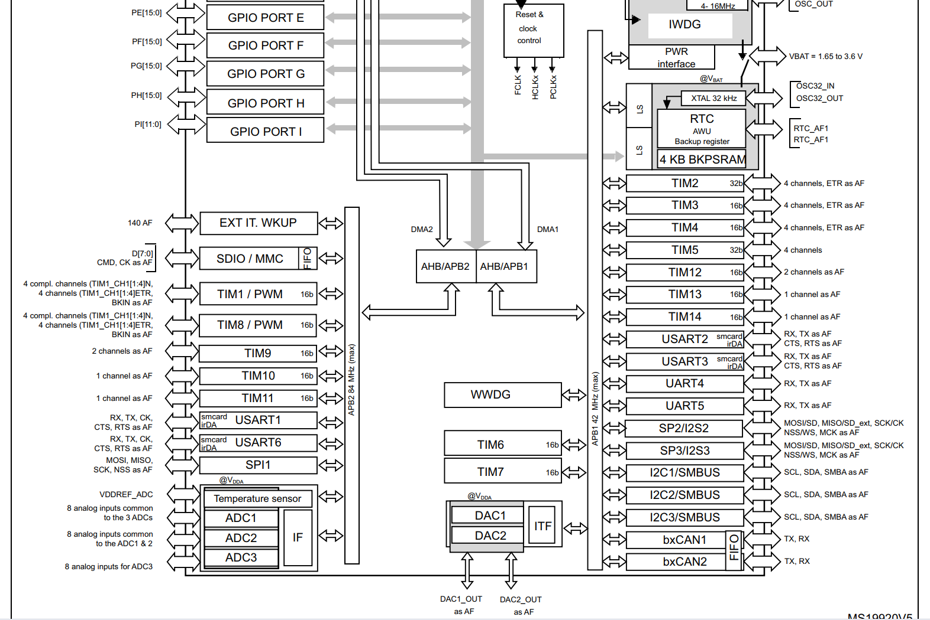

$$TIM2: is on APB1 bus$$

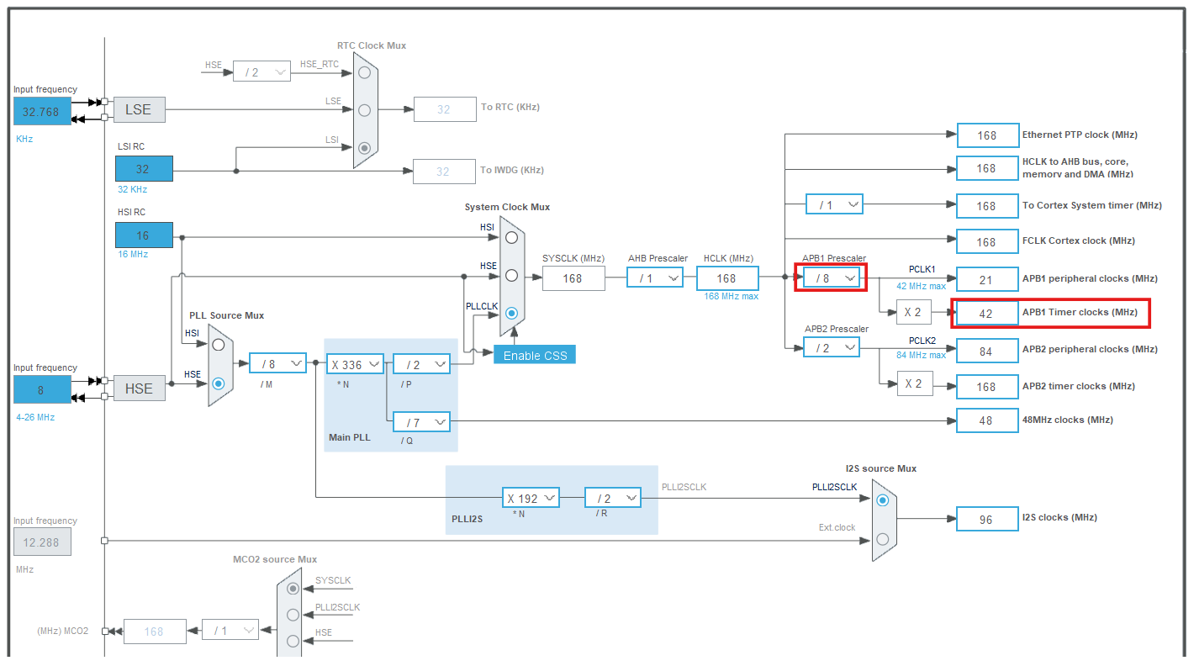
 |  | STM32 IDE - Clock Configuration
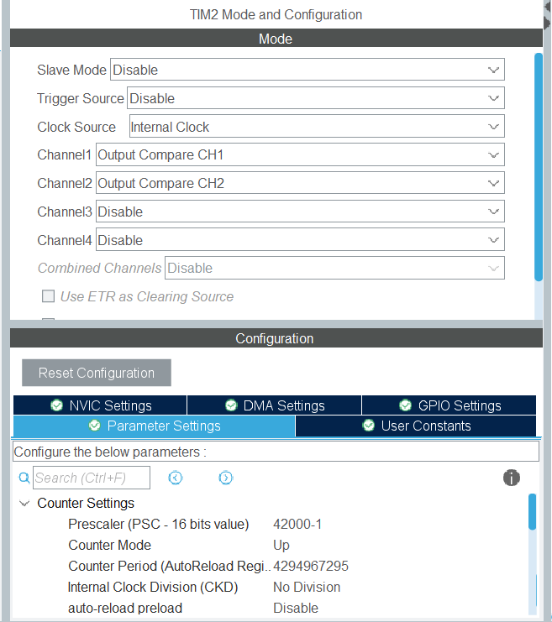

$$f_{TIM2}=\frac{f_{APB1 Timer}}{PSC+1}= \frac{42 MHz}{42,000}= 1000 Hz$$

 |  |  |  |  |  |  |  |  |  | 1 ms tick

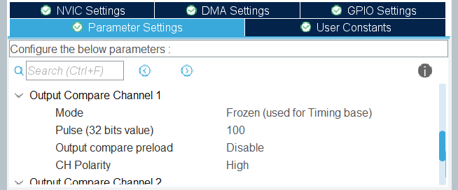

2000
$$t_{period1}=Pulse ∗ \frac{1}{f_{TIM2}}=2 s$$

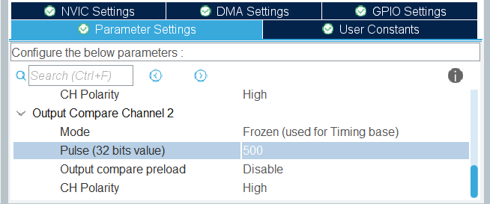

$$t_{period2}=Pulse ∗ \frac{1}{f_{TIM2}}=5 s$$
5000

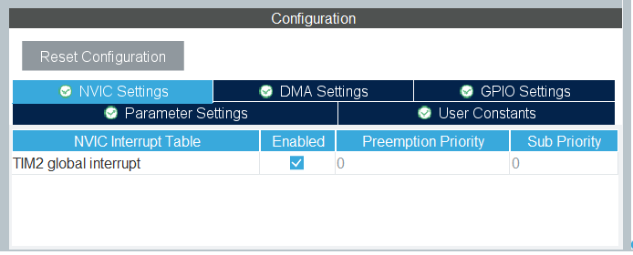

$$Trigger an interrupt every period$$

 | ● | Verication Code:

 |  | ▪ | Source Code:
 |  |  | Src/F407G-FREETIM-001.zip

 |  | ▪ | Guide to debug:
 |  |  | ◦ | Break-Point:
 |  |  |  | N/A

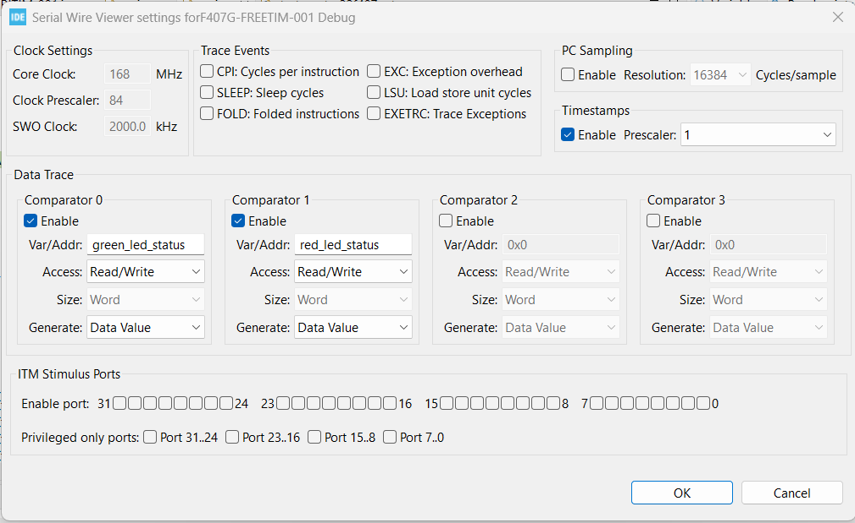
 |  |  | ◦ | Enable and settings for: "SWV" and "SWV Data Trace Timeline Graph" debug
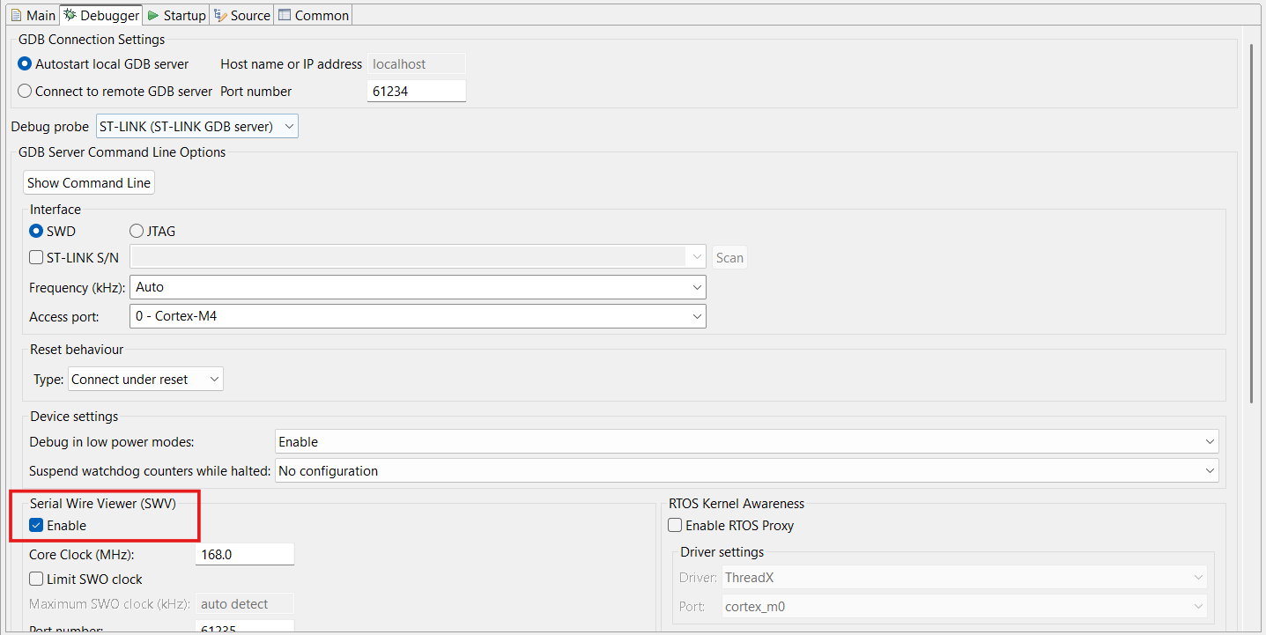

 |  | ▪ | Step-by-Step:
 |  |  | ◦ | Step 1: | Build, upload and start code of "Verification Scenario 1", set debug settings according to Guideline.
 |  |  | ◦ | Step 2: | Then, check status of LD4 & LD5 LEDs.
 |  |  | ◦ | Step 3: | After 2 s, check status of LD4.
 |  |  | ◦ | Step 4: | After 5 s, check status of LD5.
 |  |  | ◦ | Step 5: | Check value of 'green_led_status' and 'red_led_status' in "SWV Data Trace Timeline Graph" window.

 | ● | Result - Verication scenario 1:

 |  | ▪ | LD4 and LD5 are on
 |  |  | Evidence 1:
 |  |  | <Refer target hardware>

 |  | ▪ | LD4 off after 2 s
 |  |  | Evidence 2:
 |  |  | <Refer target hardware>

 |  | ▪ | LD5 off after 5 s
 |  |  | Evidence 3:
 |  |  | <Refer target hardware>

 |  | ▪ | The green_led_status changed in 2 s following status of LD4 LED
 |  |  | Evidence 4:

 |  | ▪ | The red_led_status changed in 5 s following status of LD5 LED
 |  |  | Evidence 5:

 |  | ▪ | Conclusion for Verification Scenario 1

 |  |  | Confirm-Point |  |  |  | Confirmation Timing |  | Expect |  |  | Test result (After) |  | Confirm
 |  |  | 1a |  |  |  | After board started |  | LD4 LED on |  |  | LD4 LED on |  | OK
 |  |  | 1b |  |  |  | After board started |  | LD5 LED on |  |  | LD5 LED on |  | OK
 |  |  | 2 |  |  |  | After 2s |  | LD4 LED off |  |  | LD4 LED off |  | OK
 |  |  | 3 |  |  |  | After 5s |  | LD5 LED off |  |  | LD5 LED off |  | OK
 |  |  | 4 |  |  |  | After LD5 LED off |  | Via debug graph |  |  | Via debug graph |  | OK

Periodic Timer
 | Periodic Timer

 | <Verification scenario 1>
 |  |  | Board start -> 2 periodic tasks running in parallel: LD4 LED toggling every 100 ms; LD5 LED toggling every 500 ms

Confirm-Point 3:
3a. Check status LD4 LED 3b. Check status LD5 LED
Starting Code
"Verification Scenario 1"
Confirm-Point 1:
Check "heartbeat" frequency
Confirm-Point 2:
Check "warning_status" frequency

`
 | ● | Confirm Value:

 |  | Confirm-Point |  |  |  | Confirmation Timing |  | Expect |  |  | Test result (After) |  | Confirm
 |  | 1 |  |  |  | After board started |  | 100 ms |  |  |  |  | -
 |  | 2 |  |  |  | After board started |  | 500 ms |  |  |  |  | -
 |  | 3a |  |  |  | After board started |  | LD4 LED blinking |  |  |  |  | -
 |  | 3b |  |  |  | After board started |  | LD5 LED blinking |  |  |  |  | -

 | ● | View-Point/Technical Foundation: |  |  |  | `

 |  | STM32F4DISCOVERY kit - User manual (UM1472 Rev 8)

 |  | STM32F40xxx block diagram - Bus matrix

$$TIM2: is on APB1 bus$$

 |  | STM32 IDE - Clock Configuration

$$f_{TIM2}=\frac{f_{APB1 Timer}}{PSC+1}= \frac{42 MHz}{42,000}= 1000 Hz$$

 |  |  |  |  |  |  |  |  |  | 1 ms tick

$$t_{period1}=Pulse ∗ \frac{1}{f_{TIM2}}=0.1 s=100 ms$$

$$t_{period2}=Pulse ∗ \frac{1}{f_{TIM2}}=0.5 s=500 ms$$

$$Trigger an interrupt every period$$

 | ● | Verication Code:

 |  | ▪ | Source Code:
 |  |  | Src/F407G-PERITIM-001.zip

 |  | ▪ | Guide to debug:
 |  |  | ◦ | Break-Point:
 |  |  |  | N/A

 |  |  | ◦ | Enable and settings for: "SWV" and "SWV Data Trace Timeline Graph" debug
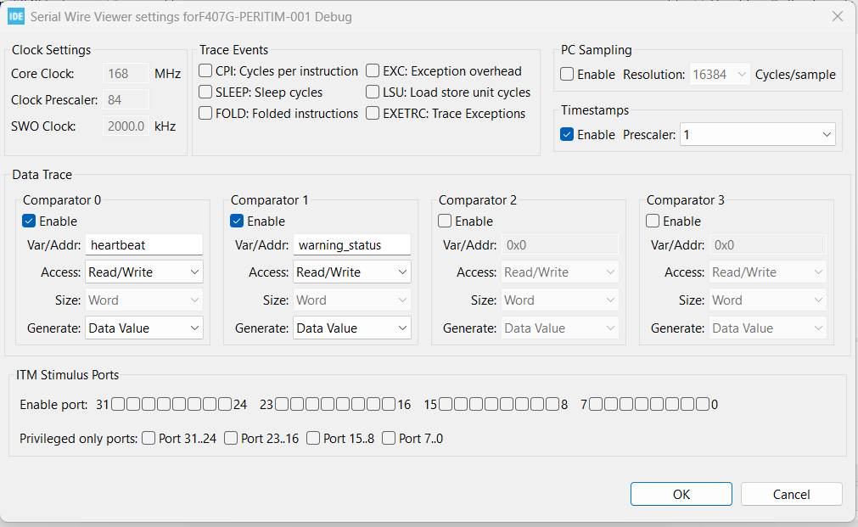

 |  | ▪ | Step-by-Step:
 |  |  | ◦ | Step 1: | Build, upload and start code of "Verification Scenario 1", set debug settings according to Guideline.
 |  |  | ◦ | Step 2: | Check value of 'heartbeat' and 'warning_status' in "SWV Data Trace Timeline Graph" window.
 |  |  | ◦ | Step 3: | Then, check status of LD4 & LD5 LEDs.

 | ● | Result - Verication scenario 1:

 |  | ▪ | The heartbeat value togging every 100 ms following status of LD4 LED
 |  |  | Evidence 1:


 |  |  | Result shows by Logic Analyzer tool:

 |  | ▪ | The warning_status value togging every 500 ms following status of LD5 LED
 |  |  | Evidence 2:

 |  |  | Result shows by Logic Analyzer tool:

 |  | ▪ | LD4 toggling every 100 ms
 |  |  | Evidence 3:
 |  |  | <Refer target hardware>

 |  | ▪ | LD5 toggling every 500 ms
 |  |  | Evidence 4:
 |  |  | <Refer target hardware>

 |  | ▪ | Conclusion for Verification Scenario 1

 |  |  | Confirm-Point |  |  |  | Confirmation Timing |  | Expect |  |  | Test result (After) |  | Confirm
 |  |  | 1 |  |  |  | After board started |  | 100 ms |  |  | 100 ms |  | OK
 |  |  | 2 |  |  |  | After board started |  | 500 ms |  |  | 500 ms |  | OK
 |  |  | 3a |  |  |  | After board started |  | LD4 LED blinking |  |  | LD4 LED blinking |  | OK
 |  |  | 3b |  |  |  | After board started |  | LD5 LED blinking |  |  | LD5 LED blinking |  | OK

