Overview
Independent watchdog (IWDG)

<Verification scenarios overview>
Confirm-Point 5:
Check status 4 User LEDs

Scenario 1 (IWDG-1):
Refresh IWDG 1 time before timeout
Scenario 2 (IWDG-2):
Refresh IWDG after timeout

Refresh allowed
IWDG interval
Refresh not allowed
time
IWDG timeout
previous refresh

IWDG-1
 | Independent watchdog (IWDG)

 | <Verification scenario 1>
 |  |  | Set IWDG timeout to 600 ms -> Board start -> 4 User LEDs on -> Refresh IWDG every 500 ms -> B1 button pressed (simulates SW failure) -> IWDG reset -> 4 User LEDs blinking (off then on)

Starting Code
"Verification Scenario 1"
At Break-Point 1:
"main()" function
Confirm-Point 1:
Check "wdg_reset_occurred" value
Confirm-Point 2:
Check status 4 User LEDs
Confirm-Point 3:
IWDG refreshed
Press B1 button
At Break-Point 1:
"main()" function
Confirm-Point 4:
Check "wdg_reset_occurred" value
Confirm-Point 5:
Check status 4 User LEDs

`
 | ● | Confirm Value:

 |  | Confirm-Point |  |  |  | Confirmation Timing |  | Expect |  |  | Test result (After) |  | Confirm
 |  | 1 |  |  |  | At Break-Point 1 |  | 0 |  |  |  |  | -
 |  | 2 |  |  |  | After Break-Point 1 |  | 4 User LEDs on |  |  |  |  | -
 |  | 3 |  |  |  | After Break-Point 1 |  | Refresh period 500 ms |  |  |  |  | -
 |  | 4 |  |  |  | After B1 pressed & At Break-Point 1 |  | 1 |  |  |  |  | -
 |  | 5 |  |  |  | After Break-Point 1 |  | 4 User LEDs blinking |  |  |  |  | -

 | ● | View-Point/Technical Foundation: |  |  |  | `

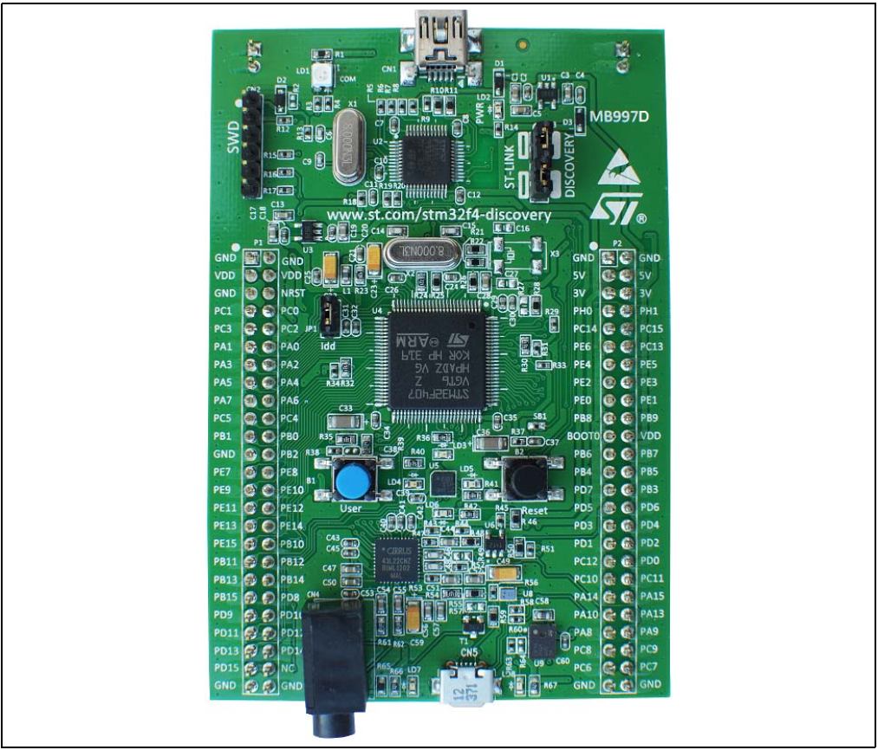
 |  | STM32F4DISCOVERY kit - User manual (UM1472 Rev 8)
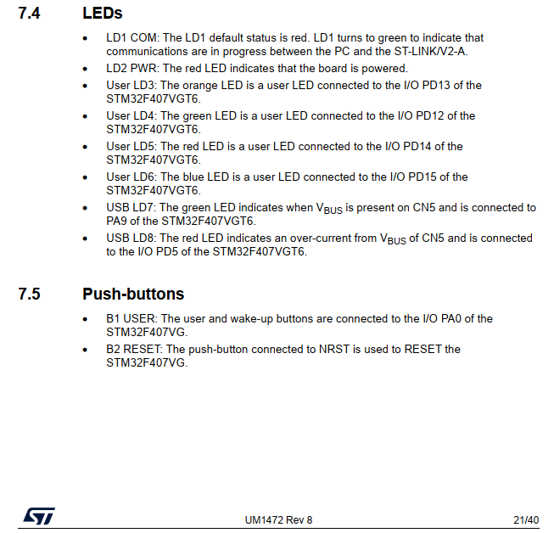

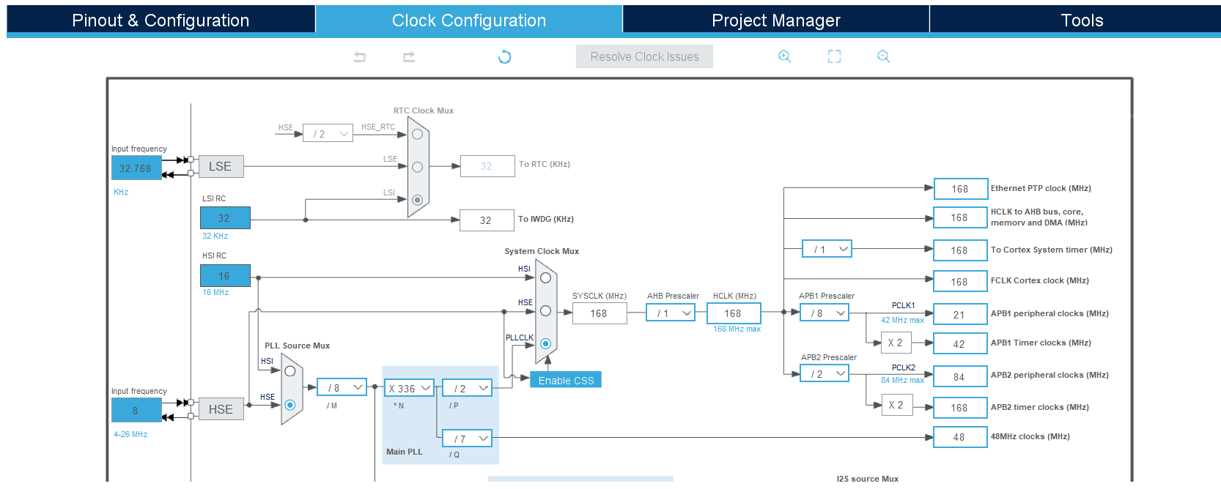
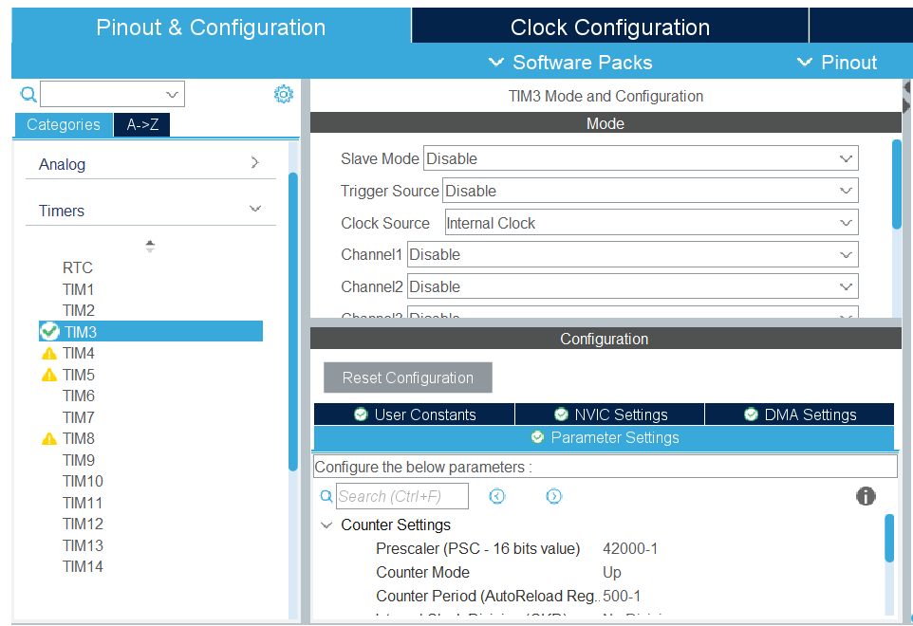
 |  | STM32 IDE - Clock Configuration

$$t_{LSI}=\frac{1}{\left(LSI RC∗1,000 Hz\right)}=0.03125 ms$$
$$TIM3 period=\frac{\left(Counter Period+1\right)}{\left(APB1 Timer clocks∗1,000,000 Hz\right) /\left(Prescaler+1\right)}=0.5 s=500 ms$$

 |  | STM32 IDE - IWDG Configuration |  |  |  |  |  |  |  |  |  |  |  |  | Reference: | IDWG
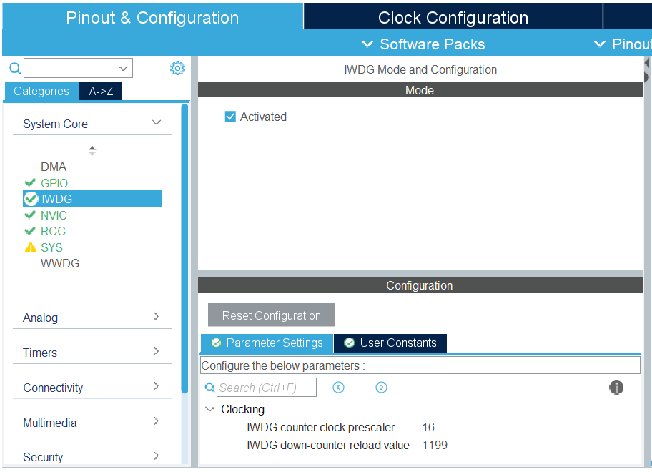
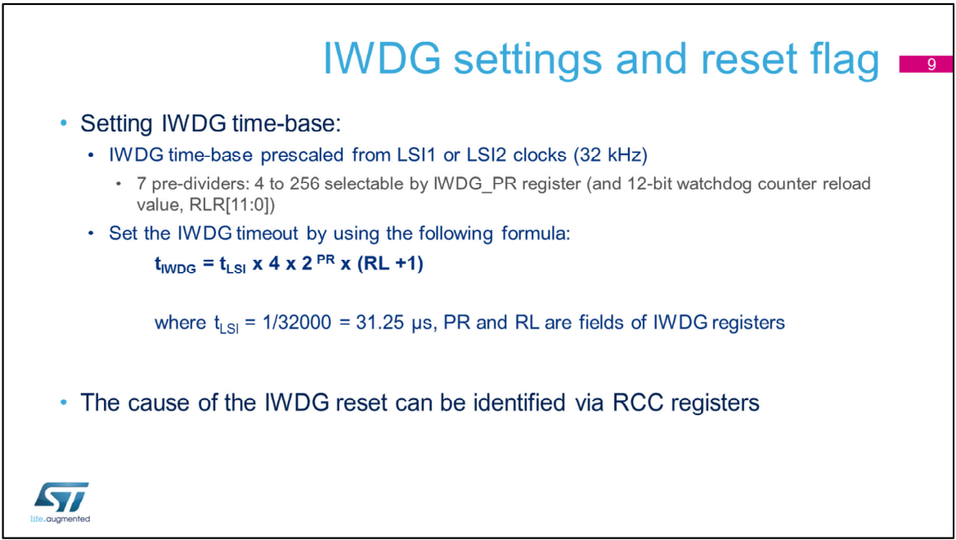
$$IWDG timeout=t_{IWDG}=600 ms$$
$$RL=\frac{t_{IWDG}}{t_{LSI} ∗4{ ∗2}^{PR}} −1=1199$$

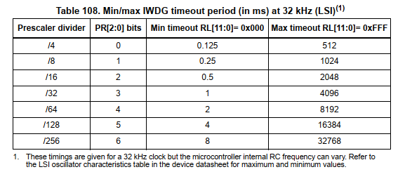

$$PR=2$$

 |  |  |  |  |  |  |  |  |  | Expected setting:

 | ● | Verication Code:

 |  | ▪ | Source Code:
 |  |  | Src/Independent-Watchdog(IWDG)/F407G-IWDG-001.zip

 |  | ▪ | Guide to adding Break-Point:
 |  |  | ◦ | Capture Source Code at Break-Point 1:
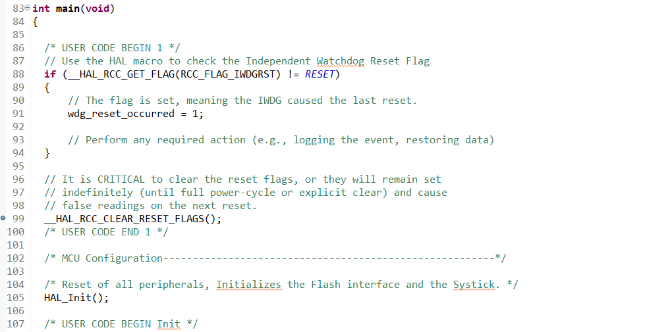

 |  |  | ◦ | Enable and settings for: "SWV" and "SWV Data Trace Timeline Graph" debug
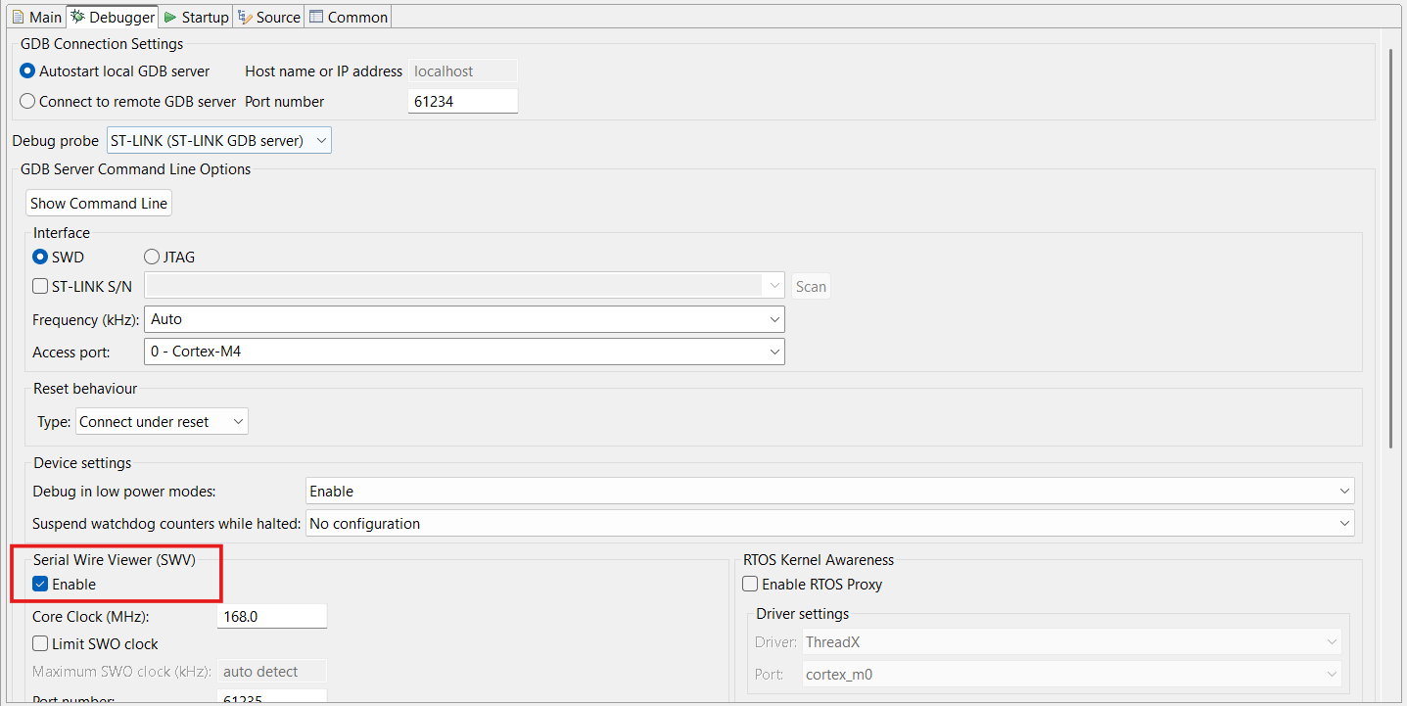
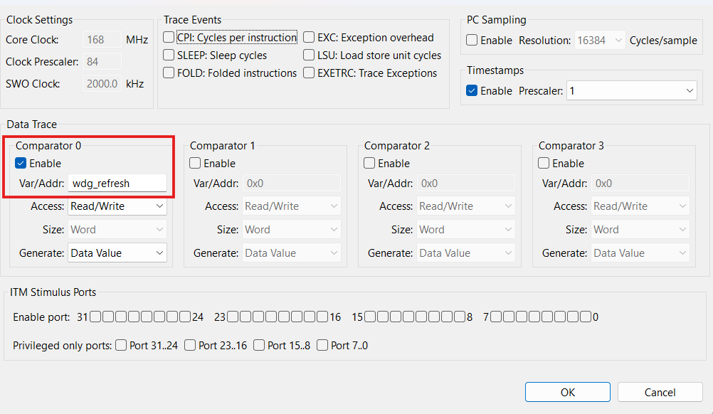

 |  | ▪ | Step-by-Step:
 |  |  | ◦ | Step 1: | Build, upload and start code "Verification Scenario 1", set Break-Points according to Guideline.
 |  |  | ◦ | Step 2: | Check status of 4 User LEDs. → Wait until they're on.
 |  |  | ◦ | Step 3: | Let 4 User LEDs keeping on in a while
 |  |  | ◦ | Step 4: | Then, press B1 button. → IWDG reset happen.
 |  |  | ◦ | Step 5: | Check status of 4 User LEDs. → They're blinking (off then on).

 | ● | Result - Verication scenario 1:

 |  | ▪ | The 'wdg_reset_occurred' value is 0. No IWDG reset happen.
 |  |  | Evidence 1:
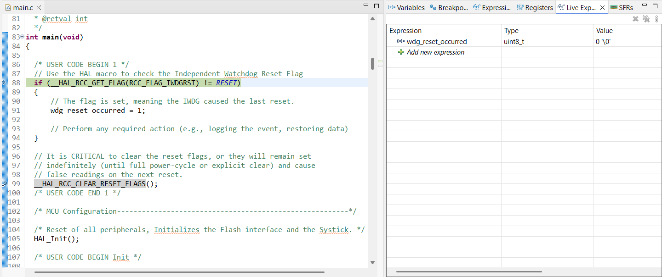

 |  | ▪ | 4 User LEDs are on
 |  |  | Evidence 2:
 |  |  | <Refer target hardware>

 |  | ▪ | The IWDG has been refreshed/feed every 500 ms < its timeout 600 ms.
 |  |  | Evidence 3:

 |  | ▪ | The 'wdg_reset_occurred' value is 1. The IWDG reset happen.
 |  |  | Evidence 4:
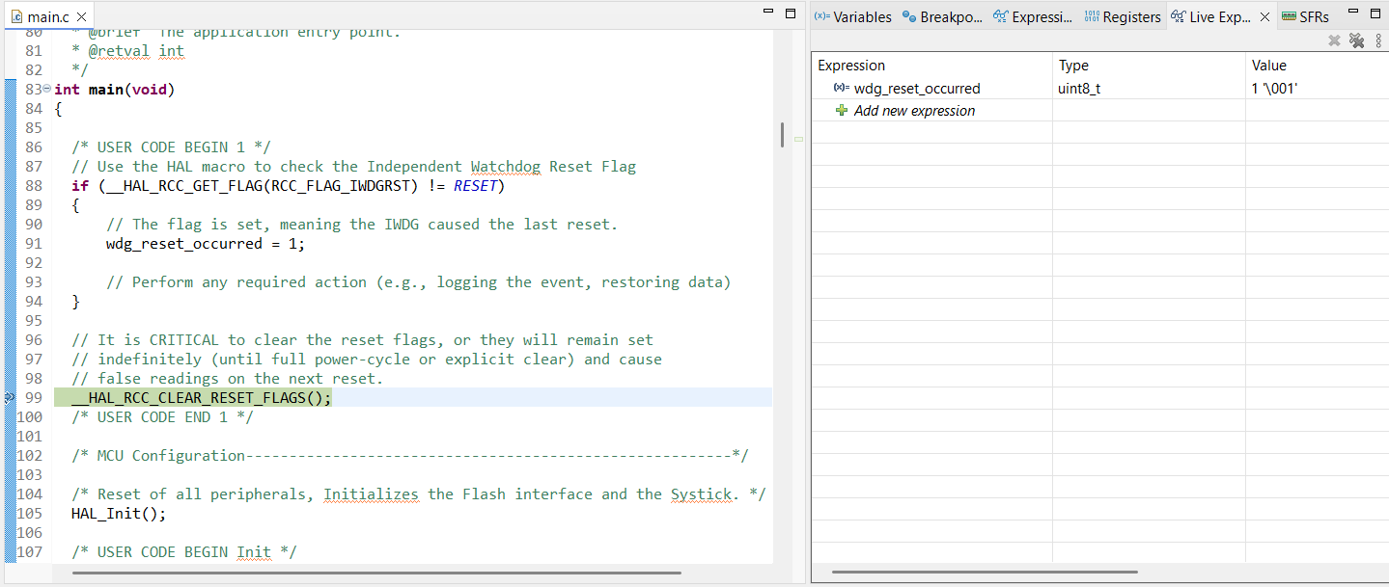

 |  |  | At this point, we can check the RCC clock control & status register (RCC_CSR) to identify the value which related with watchdog reset.
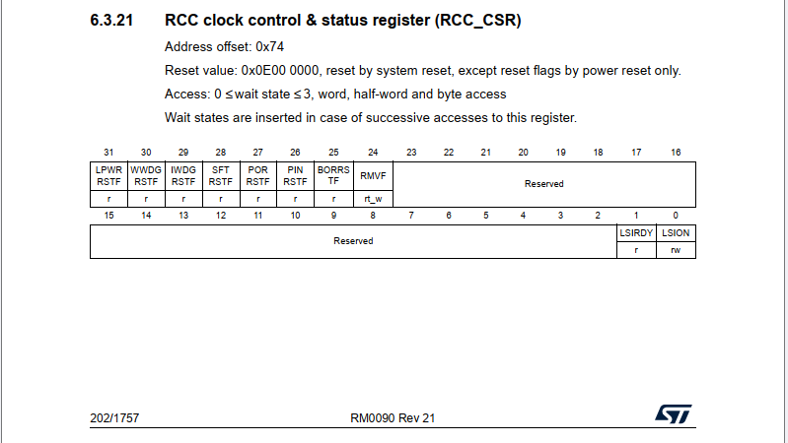
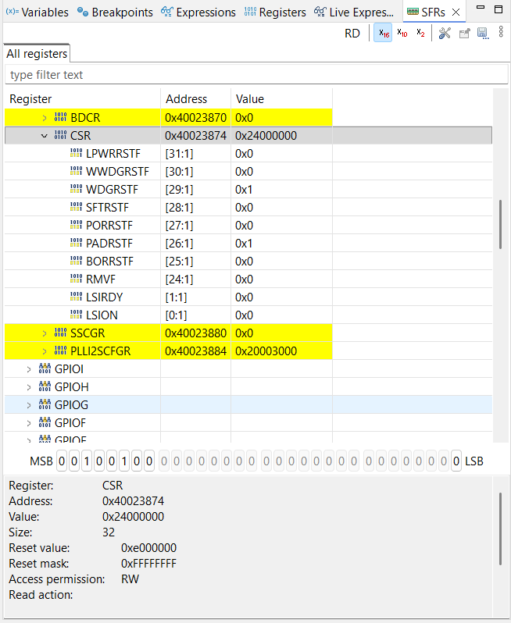

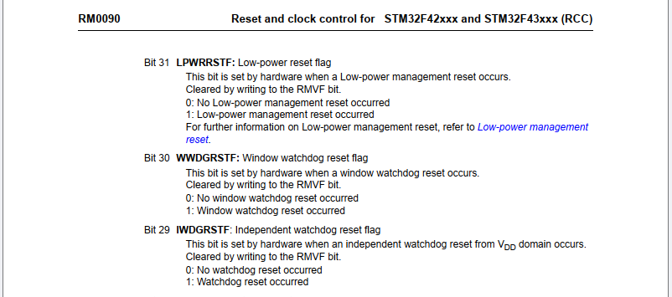

 |  | ▪ | 4 User LEDs blinking (off then on)
 |  |  | Evidence 5:
 |  |  | <Refer target hardware>

 |  | ▪ | Conclusion for Verification Scenario 1
 |  |  | With this scenario 4 User LEDs will remain ON as the watchdog refreshes before timeout.
 |  |  | When the system resets due to watchdog, the execution will starts from the beginning and they will act as LEDs blinking.

 |  |  | Confirm-Point |  |  |  | Confirmation Timing |  | Expect |  |  | Test result (After) |  | Confirm
 |  |  | 1 |  |  |  | At Break-Point 1 |  | 0 |  |  | 0 |  | OK
 |  |  | 2 |  |  |  | After Break-Point 1 |  | 4 User LEDs on |  |  | 4 User LEDs on |  | OK
 |  |  | 3 |  |  |  | After Break-Point 1 |  | Refresh period 500 ms |  |  | Refresh period 500 ms |  | OK
 |  |  | 4 |  |  |  | After B1 pressed & At Break-Point 1 |  | 1 |  |  | 1 |  | OK
 |  |  | 5 |  |  |  | After Break-Point 1 |  | 4 User LEDs blinking |  |  | 4 User LEDs blinking |  | OK

IWDG-2
 | Independent watchdog (IWDG)

 | <Verification scenario 2>
 |  |  | Set IWDG timeout to 600 ms -> Board start -> 4 User LEDs on -> Refresh IWDG after 650 ms -> IWDG reset -> 4 User LEDs blinking (off then on)

Starting Code
"Verification Scenario 1"
At Break-Point 1:
"main()" function
Confirm-Point 1:
Check "wdg_reset_occurred" value
At Break-Point 2:
"main()" function
Confirm-Point 2:
Check status 4 User LEDs
At Break-Point 1:
"main()" function
Confirm-Point 3:
Check "wdg_reset_occurred" value
Disable all break-points
Confirm-Point 4:
Check status 4 User LEDs

`
 | ● | Confirm Value:

 |  | Confirm-Point |  |  |  | Confirmation Timing |  | Expect |  |  | Test result (After) |  | Confirm
 |  | 1 |  |  |  | At Break-Point 1 |  | 0 |  |  |  |  | -
 |  | 2 |  |  |  | At Break-Point 2 |  | 4 User LEDs on |  |  |  |  | -
 |  | 3 |  |  |  | At Break-Point 1 |  | 1 |  |  |  |  | -
 |  | 4 |  |  |  | After Break-Point 1 |  | 4 User LEDs blinking |  |  |  |  | -

 | ● | View-Point/Technical Foundation: |  |  |  | `

 |  | STM32F4DISCOVERY kit - User manual (UM1472 Rev 8)

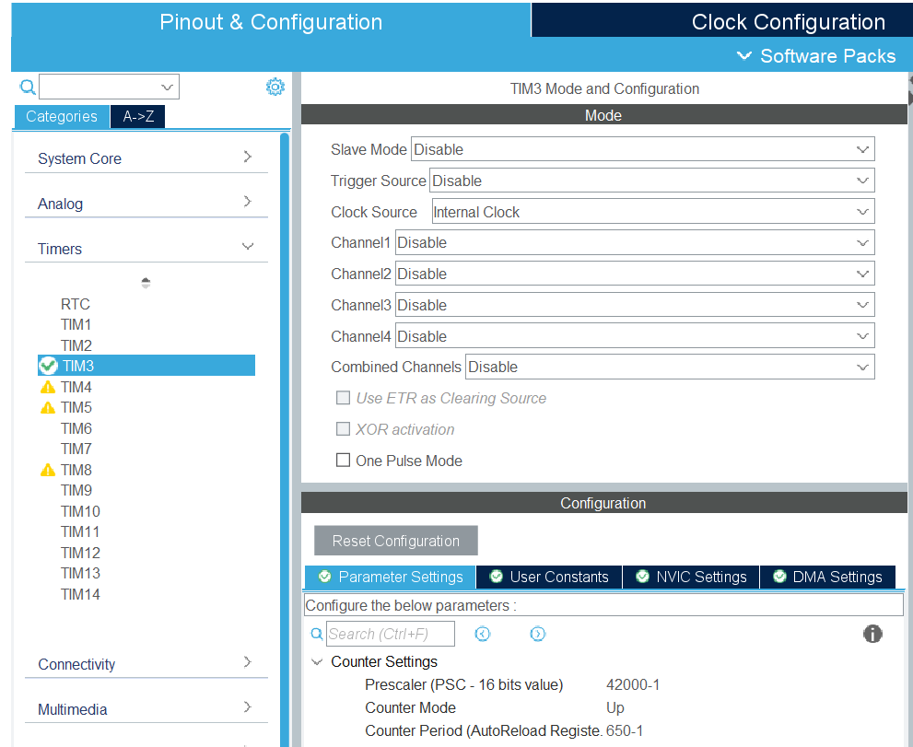
 |  | STM32 IDE - Clock Configuration

$$t_{LSI}=\frac{1}{\left(LSI RC∗1,000 Hz\right)}=0.03125 ms$$
$$TIM3 period=\frac{\left(Counter Period+1\right)}{\left(APB1 Timer clocks∗1,000,000 Hz\right) /\left(Prescaler+1\right)}=0.5 s=500 ms$$

 |  | STM32 IDE - IWDG Configuration |  |  |  |  |  |  |  |  |  |  |  |  | Reference: | IDWG
$$IWDG timeout=t_{IWDG}=600 ms$$
$$RL=\frac{t_{IWDG}}{t_{LSI} ∗4{ ∗2}^{PR}} −1=1199$$

$$PR=2$$

 |  |  |  |  |  |  |  |  |  | Expected setting:

 | ● | Verication Code:

 |  | ▪ | Source Code:
 |  |  | Src/Independent-Watchdog(IWDG)/F407G-IWDG-002.zip

 |  | ▪ | Guide to adding Break-Point:
 |  |  | ◦ | Capture Source Code at Break-Point 1:

 |  |  | ◦ | Capture Source Code at Break-Point 2:
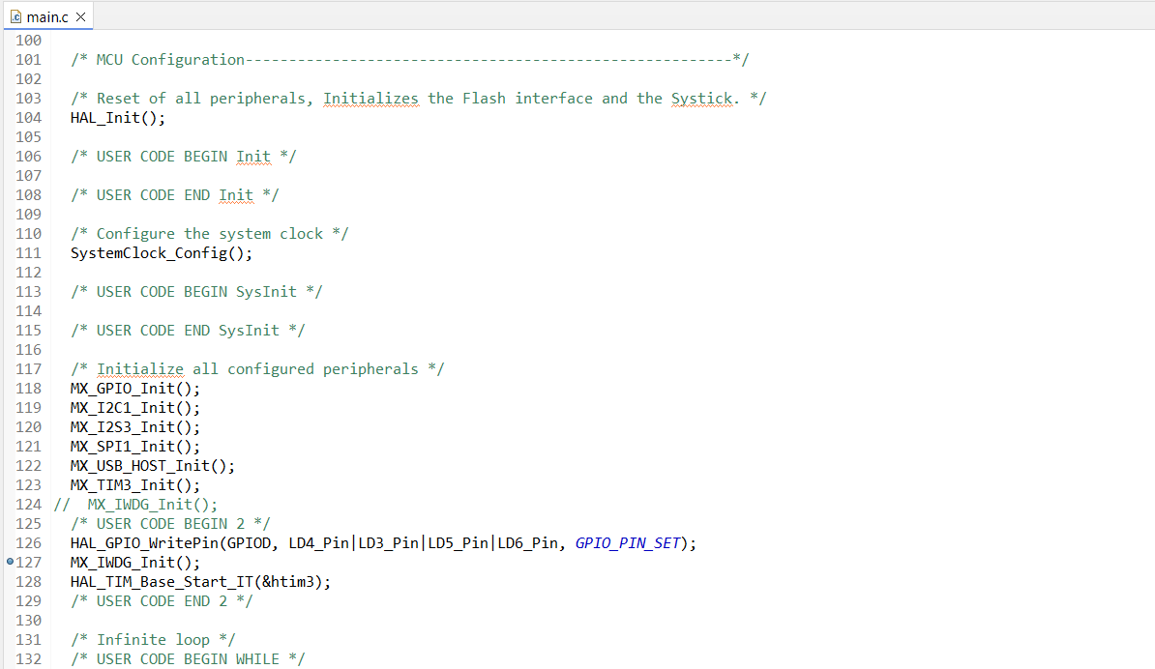

 |  | ▪ | Step-by-Step:
 |  |  | ◦ | Step 1: | Build, upload and start code "Verification scenario 2", set Break-Points according to Guideline.
 |  |  | ◦ | Step 2: | Check status of 4 User LEDs. → Wait until they're on.
 |  |  | ◦ | Step 3: | Wait for IWDG reset happen.
 |  |  | ◦ | Step 4: | Check status of 4 User LEDs. → They're blinking (off then on).

 | ● | Result - Verication scenario 2:

 |  | ▪ | The 'wdg_reset_occurred' value is 0. No IWDG reset happen.
 |  |  | Evidence 1:

 |  | ▪ | 4 User LEDs are on
 |  |  | Evidence 2:
 |  |  | <Refer target hardware>

 |  | ▪ | The 'wdg_reset_occurred' value is 1. The IWDG reset happen.
 |  |  | Evidence 3:

 |  |  | In this case, by using oscilloscope/logic analyzer, we can check the value of NRST pin, which is internally connected to the output of the internal reset circuitry.
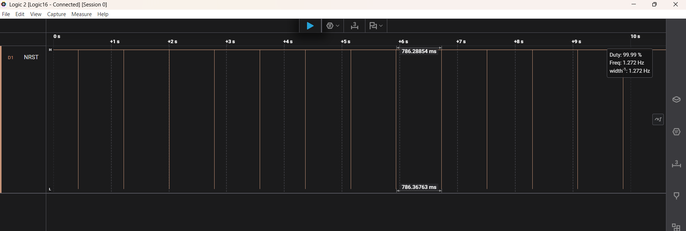

 |  | ▪ | 4 User LEDs blinking (off then on)
 |  |  | Evidence 4:
 |  |  | <Refer target hardware>

 |  | ▪ | Conclusion for Verification scenario 2
 |  |  | With this scenario 4 User LEDs will act as LEDs blinking because the watchdog didn't refresh before timeout.
 |  |  | The system resets repeatedly due to watchdog.

 |  |  | Confirm-Point |  |  |  | Confirmation Timing |  | Expect |  |  | Test result (After) |  | Confirm
 |  |  | 1 |  |  |  | At Break-Point 1 |  | 0 |  |  | 0 |  | OK
 |  |  | 2 |  |  |  | At Break-Point 2 |  | 4 User LEDs on |  |  | 4 User LEDs on |  | OK
 |  |  | 3 |  |  |  | At Break-Point 1 |  | 1 |  |  | 1 |  | OK
 |  |  | 4 |  |  |  | After Break-Point 1 |  | 4 User LEDs blinking |  |  | 4 User LEDs blinking |  | OK

