Overview
Window watchdog (WWDG)

<Verification scenarios overview>
Confirm-Point 5:
Check status 4 User LEDs
Scenario 2:
Refresh WWDG within window (included Early Wakeup Interrupt)
Scenario 1:
Refresh WWDG early
Scenario 3:
Refresh WWDG late

window start
window end
previous refresh
WWDG timeout
WWDG interval
Refresh not allowed
Refresh allowed
Refresh not allowed

time
delay
window

WWDG-1
 | Window watchdog (WWDG)

 | <Verification scenario 1>
 |  |  | Setting WWDG -> Board start -> LD4 LED on -> Refresh WWDG every 14 ms (earlier than window) -> WWDG reset -> LD4 blinking (off then on)

Starting Code
"Verification Scenario 1"
At Break-Point 1:
"main()" function
Confirm-Point 1:
Check "wdg_reset_occurred" value
At Break-Point 2:
"main()" function
Confirm-Point 2:
Check status LD4 LED
At Break-Point 1:
"main()" function
Confirm-Point 3:
Check "wdg_reset_occurred" value
Disable all break-points
Confirm-Point 4:
Check status LD4 LED

`
 | ● | View-Point/Technical Foundation: |  |  |  | `

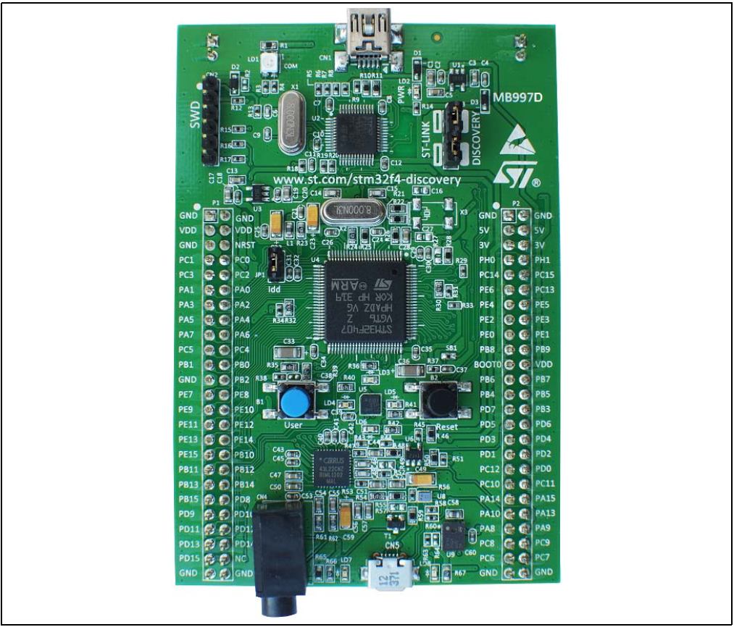
 |  | STM32F4DISCOVERY kit - User manual (UM1472 Rev 8)
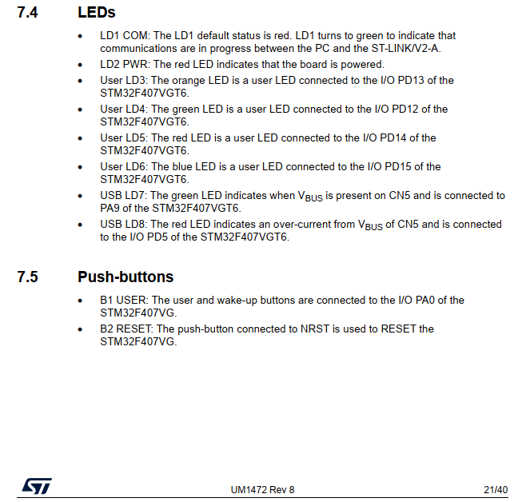

 |  | STM32 IDE - Clock Configuration
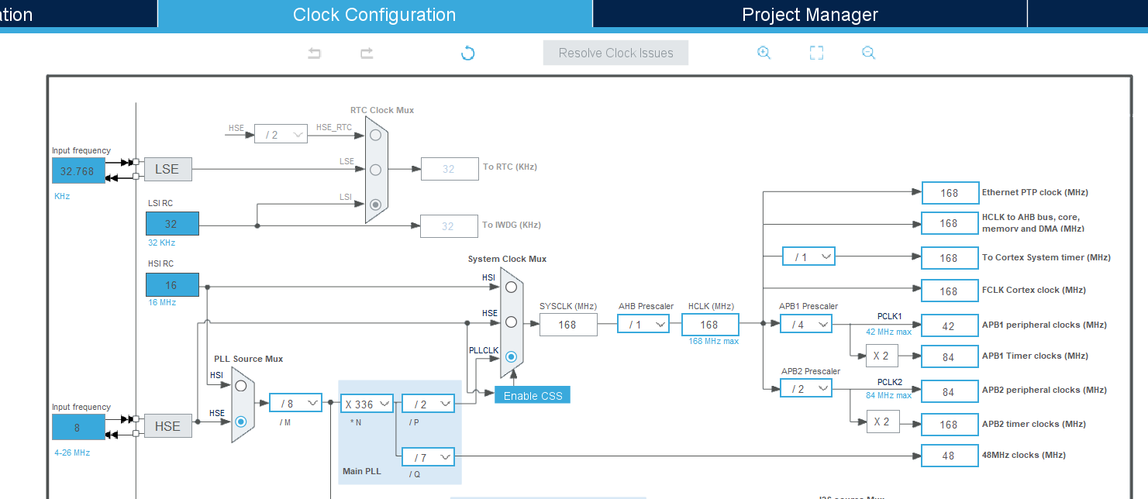

$$f_{PCLK1}=42,000,0000 Hz$$

$$t_{PCLK1}=\frac{1000}{f_{PCLK1}} ms$$

 |  | STM32 IDE - WWDG Configuration
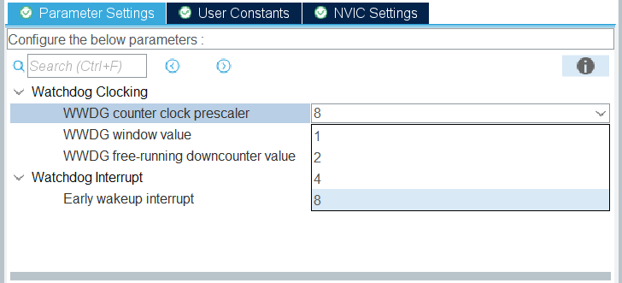
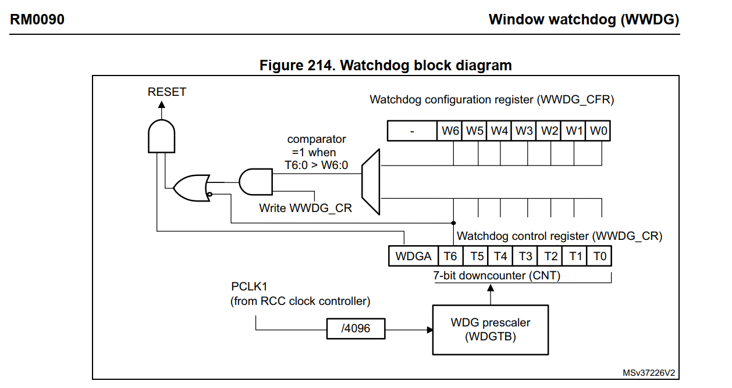
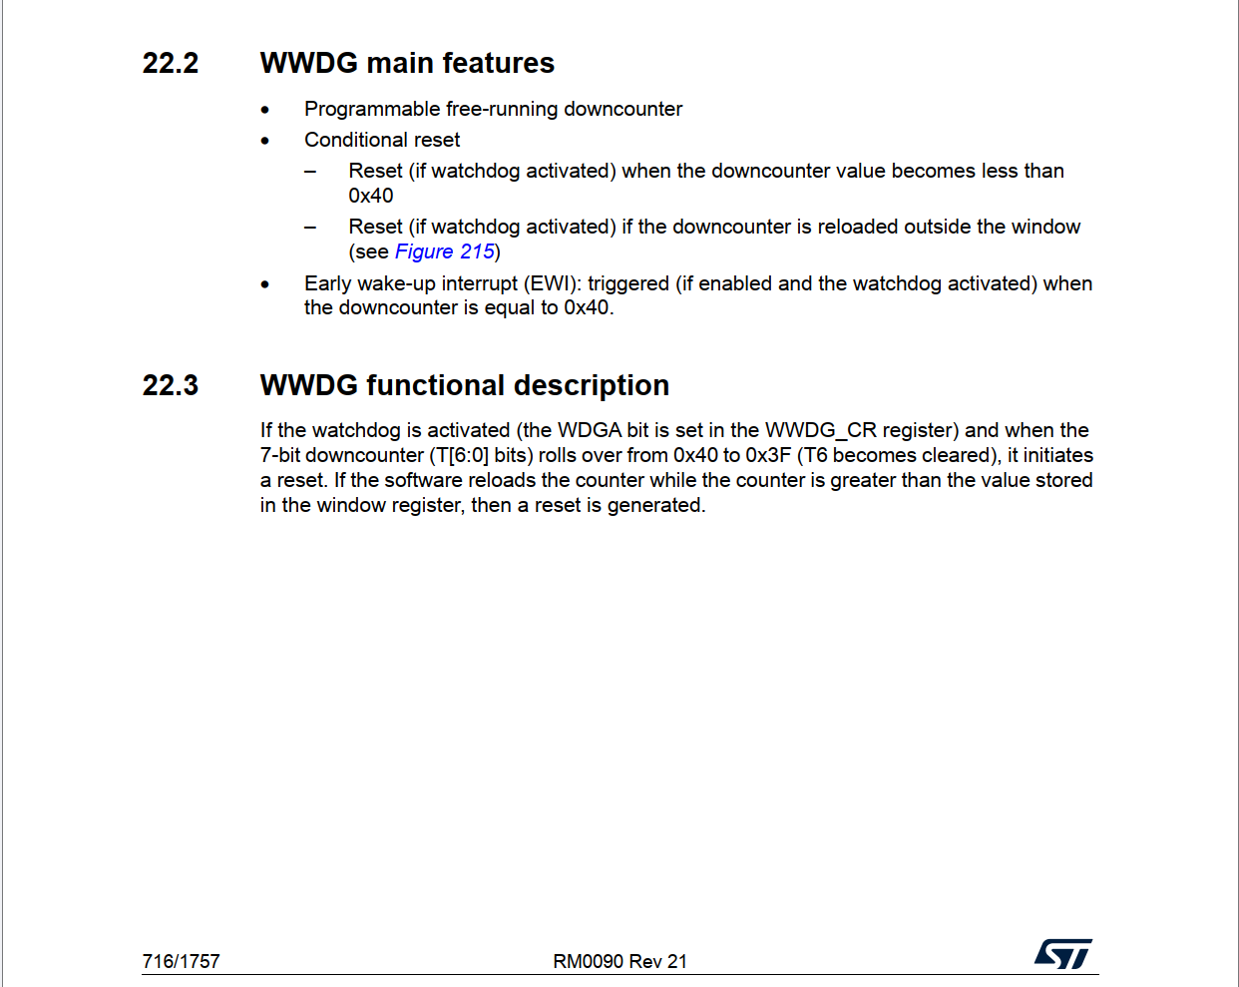

$$PSC=8$$

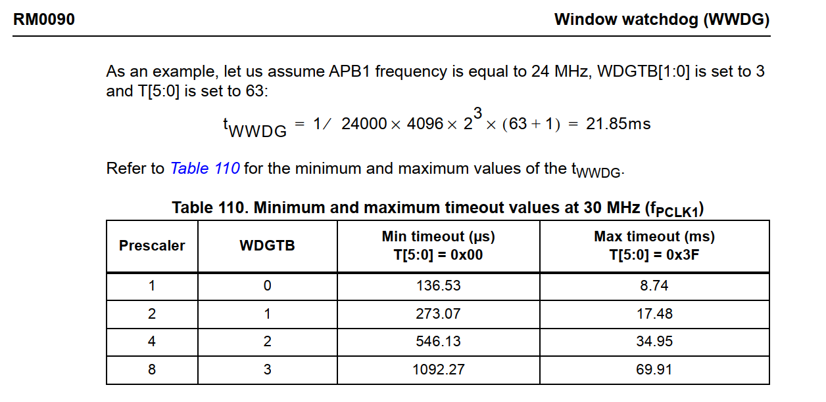
$$f_{WWDG}=\frac{f_{PCLK1}}{4096 ∗PSC}  1281.25 Hz$$

 |  |  |  |  |  |  |  |  |  |  |  |  |  | WWDG clock frequency

$$t_{Max }= \frac{N_{Counter }−0x40}{f_{WWDG}}= \frac{102 −64}{1281.15 Hz} 29.66 ms$$
$$WDGTB[1:0]=3$$
$$WWDG timeout \left(ms\right)  0.78 \sim 49.93$$
$$WWDG window \left(ms\right)=14.83 \sim 29.66$$
 |  |  |  |  |  |  |  |  |  |  | Expected setting
 |  |  |  |  |  |  |  |  |  |  |  |  |  |  | The longest time before a guaranteed system reset occurs (count down from NCounter to the reset threshold 0x40)

$$t_{Min }= \frac{N_{Counter }−N_{Window }}{f_{WWDG}}= \frac{102 −83}{1281.15 Hz} 14.83 ms$$

 |  |  |  |  |  |  |  |  |  |  |  |  |  |  | The shortest time the application must wait before it is allowed to refresh the watchdog (count down from NCounter to NWindow)
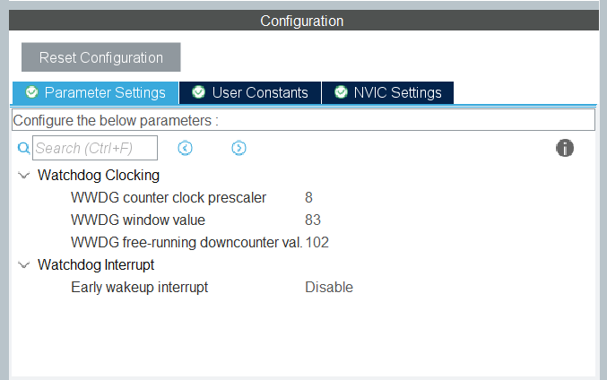

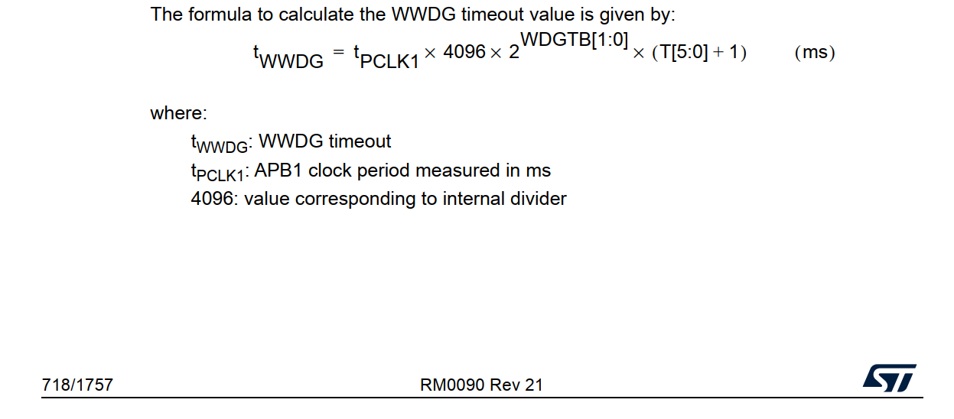

$$N_{Window }=83$$

$$N_{Counter }=102$$

 |  | STM32 IDE - Configure Timer to refresh watchdog
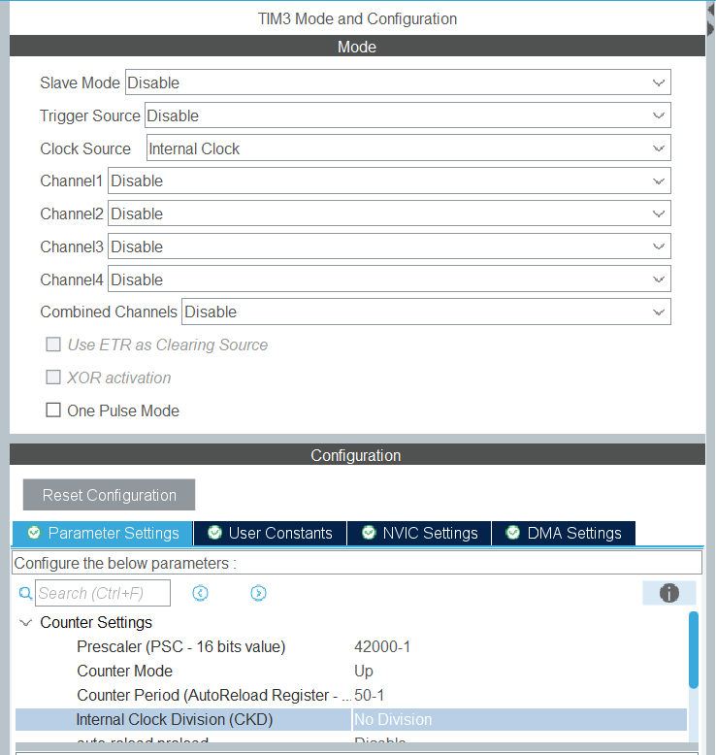

$$TIM3 period=\frac{\left(Counter Period+1\right)}{\left(APB1 Timer clocks∗1,000,000 Hz\right) /\left(Prescaler+1\right)}=14 ms$$

 |  |  |  |  |  |  |  |  |  | The time that the application refresh the watchdog

28-1

 | ● | Confirm Value:

 |  | Confirm-Point |  |  |  | Confirmation Timing |  | Expect |  |  | Test result (After) |  | Confirm
 |  | 1 |  |  |  | At Break-Point 1 |  | 0 |  |  | 0 |  | -
 |  | 2 |  |  |  | At Break-Point 2 |  | 4 User LEDs on |  |  | 4 User LEDs on |  | -
 |  | 3 |  |  |  | At Break-Point 1 |  | 1 |  |  | 1 |  | -
 |  | 4 |  |  |  | After Break-Point 1 |  | LD4 LED blinking |  |  | LD4 LED blinking |  | -

 | ● | Verication Code:

 |  | ▪ | Source Code:
 |  |  | Src/Window-Watchdog(WWDG)/F407G-WWDG-001.zip

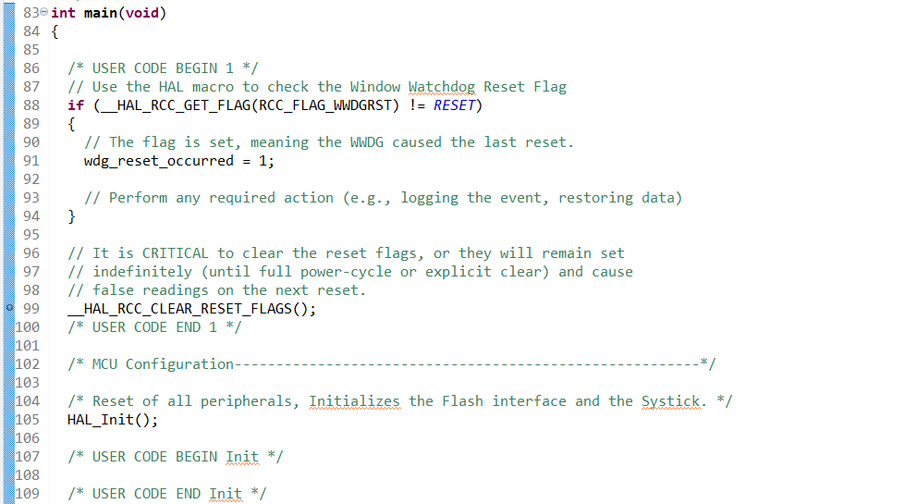
 |  | ▪ | Guide to adding Break-Point:
 |  |  | ◦ | Capture Source Code at Break-Point 1:

 |  |  | ◦ | Capture Source Code at Break-Point 2:
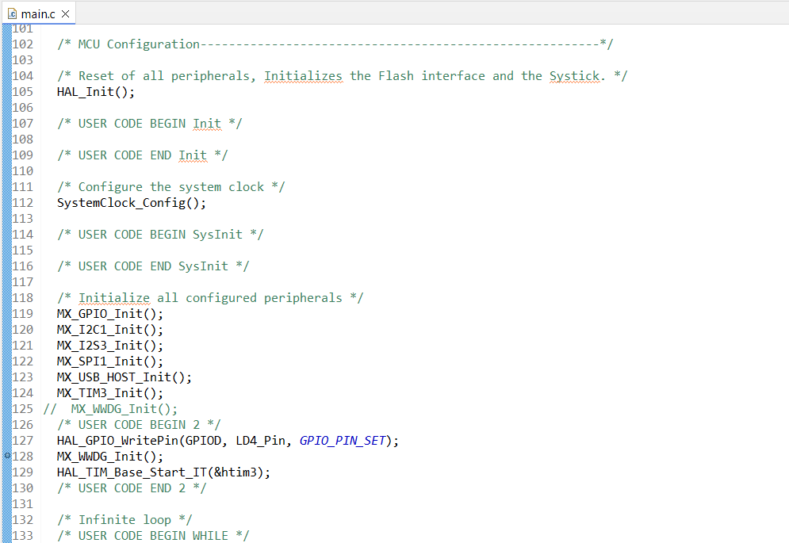

 |  | ▪ | Step-by-Step:
 |  |  | ◦ | Step 1: | Build, upload and start code "Verification scenario 1", set Break-Points according to Guideline.
 |  |  | ◦ | Step 2: | Check status of LD4 LED. → Wait until it's on.
 |  |  | ◦ | Step 3: | Wait for WWDG reset happen.
 |  |  | ◦ | Step 4: | Check status of LD4 LED. → It's blinking (off then on).

 | ● | Result - Verication scenario 1:

 |  | ▪ | The 'wdg_reset_occurred' value is 0. No WWDG reset happen.
 |  |  | Evidence 1:
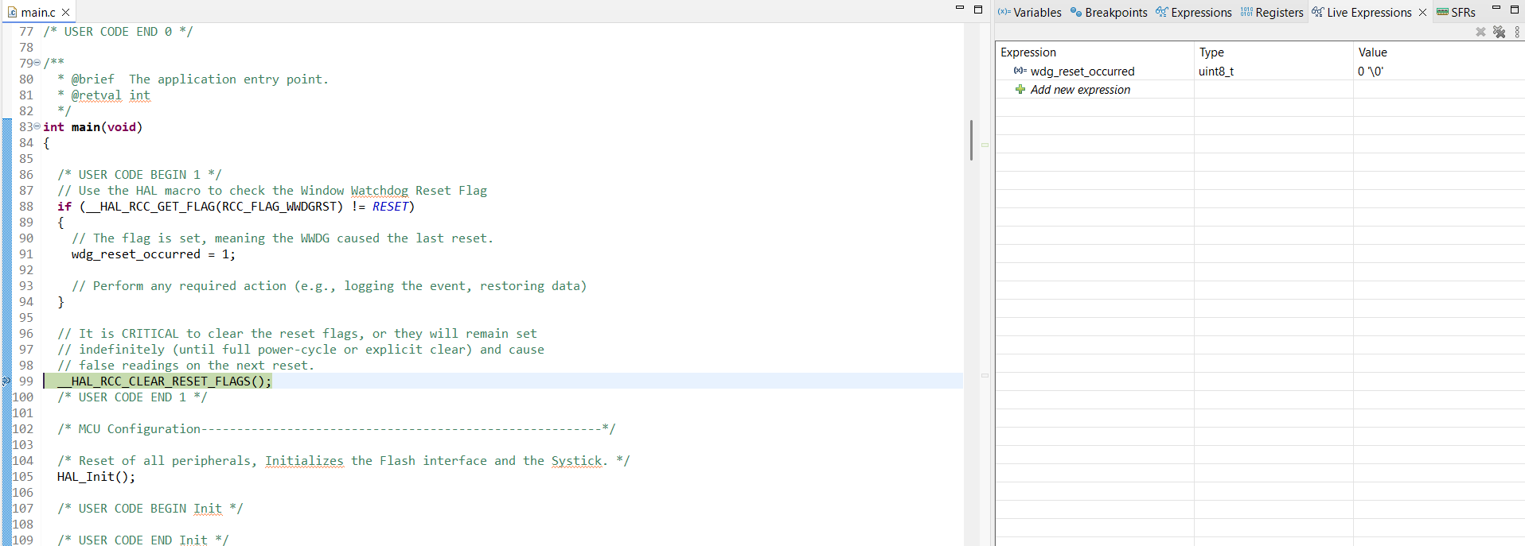

 |  | ▪ | LD4 LED are on
 |  |  | Evidence 2:
 |  |  | <Refer target hardware>

 |  | ▪ | The 'wdg_reset_occurred' value is 1. The WWDG reset happen.
 |  |  | Evidence 3:
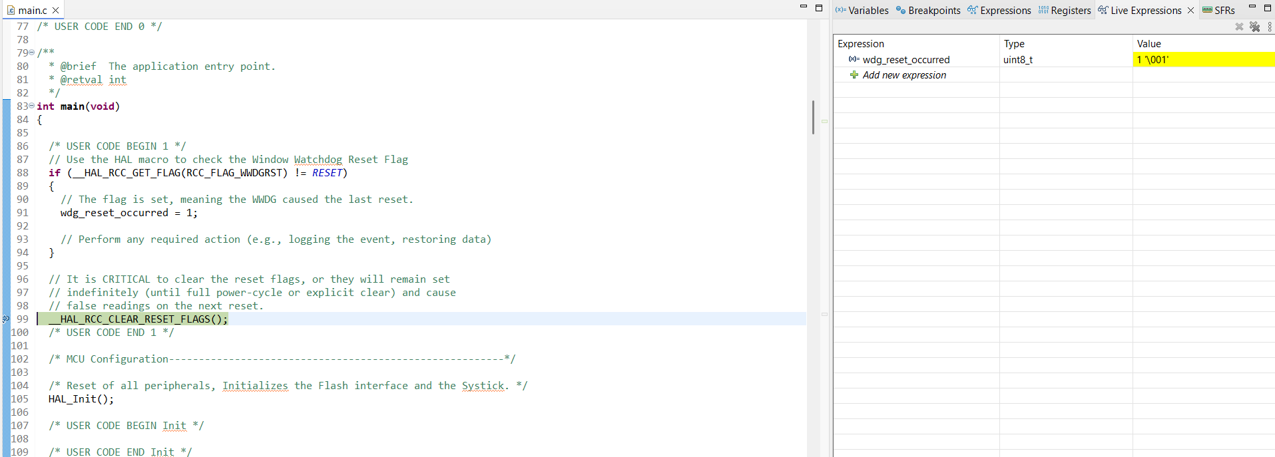

 |  | ▪ | LD4 LED blinking (off then on)
 |  |  | Evidence 4:
 |  |  | <Refer target hardware>

 |  | ▪ | Conclusion for Verification scenario 1
 |  |  | With this scenario LD4 LED will act as LED blinking because the watchdog was refreshed earlier then window.
 |  |  | The system resets repeatedly due to watchdog.

 |  |  | Confirm-Point |  |  |  | Confirmation Timing |  | Expect |  |  | Test result (After) |  | Confirm
 |  |  | 1 |  |  |  | At Break-Point 1 |  | 0 |  |  | 0 |  | OK
 |  |  | 2 |  |  |  | At Break-Point 2 |  | 4 User LEDs on |  |  | 4 User LEDs on |  | OK
 |  |  | 3 |  |  |  | At Break-Point 1 |  | 1 |  |  | 1 |  | OK
 |  |  | 4 |  |  |  | After Break-Point 1 |  | LD4 LED blinking |  |  | LD4 LED blinking |  | OK

WWDG-2
 | Window watchdog (WWDG)

 | <Verification scenario 2>
 |  |  | Setting WWDG -> Board start -> LD4 LED on -> Refresh WWDG every 25 ms (within window) -> B1 button pressed (simulates SW failure) -> WWDG reset -> LD4 off; LD5 blinking (on then off as EWI simulate) -> LD4 on

Starting Code
"Verification Scenario 1"
At Break-Point 1:
"main()" function
Confirm-Point 1:
Check "wdg_reset_occurred" value
Confirm-Point 2:
Check status LD4 LED
Confirm-Point 3:
WWDG refreshed
Press B1 button
At Break-Point 1:
"main()" function
Confirm-Point 4:
Check "wdg_reset_occurred" value
Confirm-Point 5:
5a. Check status LD5 LED
5b. Check status LD4 LED
Confirm-Point 6:
Check status LD4 LED

`
 | ● | View-Point/Technical Foundation: |  |  |  | `

 |  | STM32F4DISCOVERY kit - User manual (UM1472 Rev 8)

 |  | STM32 IDE - Clock Configuration

$$f_{PCLK1}=42,000,0000 Hz$$

$$t_{PCLK1}=\frac{1000}{f_{PCLK1}} ms$$

 |  | STM32 IDE - WWDG Configuration

$$PSC=8$$

$$f_{WWDG}=\frac{f_{PCLK1}}{4096 ∗PSC}  1281.25 Hz$$

 |  |  |  |  |  |  |  |  |  |  |  |  |  | WWDG clock frequency

$$t_{Max }= \frac{N_{Counter }−0x40}{f_{WWDG}}= \frac{102 −64}{1281.15 Hz} 29.66 ms$$
$$WDGTB[1:0]=3$$
$$WWDG timeout \left(ms\right)  0.78 \sim 49.93$$
$$WWDG window \left(ms\right)=14.83 \sim 29.66$$
 |  |  |  |  |  |  |  |  |  |  | Expected setting
 |  |  |  |  |  |  |  |  |  |  |  |  |  |  | The longest time before a guaranteed system reset occurs (count down from NCounter to the reset threshold 0x40)

$$t_{Min }= \frac{N_{Counter }−N_{Window }}{f_{WWDG}}= \frac{102 −83}{1281.15 Hz} 14.83 ms$$

 |  |  |  |  |  |  |  |  |  |  |  |  |  |  | The shortest time the application must wait before it is allowed to refresh the watchdog (count down from NCounter to NWindow)

$$N_{Window }=83$$

$$N_{Counter }=102$$

 |  | STM32 IDE - Watchdog interrupt configuration
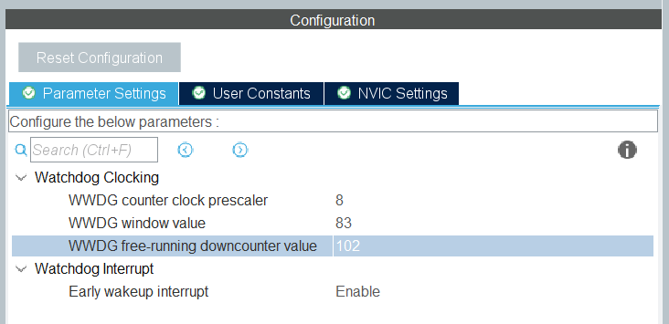
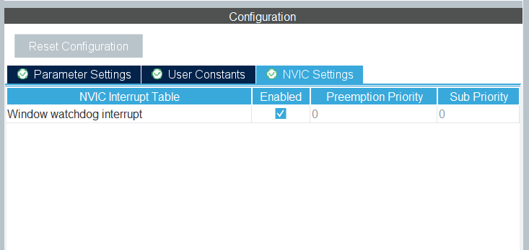

 |  | STM32 IDE - Configure Timer to refresh watchdog

$$TIM3 period=\frac{\left(Counter Period+1\right)}{\left(APB1 Timer clocks∗1,000,000 Hz\right) /\left(Prescaler+1\right)}=0.025 s=25 ms$$

 |  |  |  |  |  |  |  |  |  | The time that the application refresh the watchdog

 | ● | Confirm Value:

 |  | Confirm-Point |  |  |  | Confirmation Timing |  | Expect |  |  | Test result (After) |  | Confirm
 |  | 1 |  |  |  | At Break-Point 1 |  | 0 |  |  |  |  | -
 |  | 2 |  |  |  | After Break-Point 1 |  | LD4 LED on |  |  |  |  | -
 |  | 3 |  |  |  | After Break-Point 1 |  | Refresh period 25 ms |  |  |  |  | -
 |  | 4 |  |  |  | After B1 pressed & At Break-Point 1 |  | 1 |  |  |  |  | -
 |  | 5a |  |  |  | At Break-Point 1 |  | LD5 LED blinking (on then off) |  |  |  |  | -
 |  | 5b |  |  |  | At Break-Point 1 |  | LD4 LED off |  |  |  |  | -
 |  | 6 |  |  |  | After Break-Point 1 |  | LD4 LED on |  |  |  |  | -

 | ● | Verication Code:

 |  | ▪ | Source Code:
 |  |  | Src/Window-Watchdog(WWDG)/F407G-WWDG-002.zip

 |  | ▪ | Guide to adding Break-Point:
 |  |  | ◦ | Capture Source Code at Break-Point 1:

 |  |  | ◦ | Enable and settings for: "SWV" and "SWV Data Trace Timeline Graph" debug
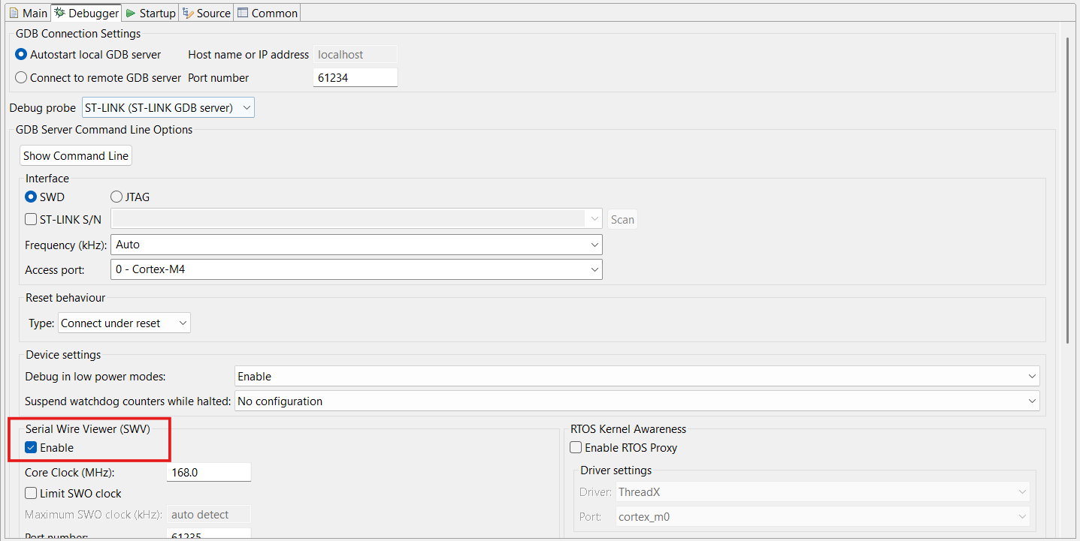
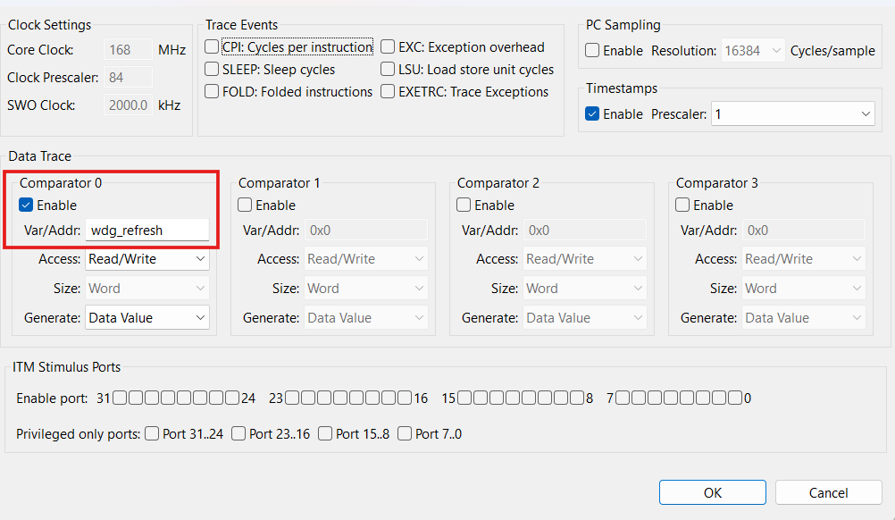

 |  | ▪ | Step-by-Step:
 |  |  | ◦ | Step 1: | Build, upload and start code "Verification scenario 2", set Break-Points according to Guideline.
 |  |  | ◦ | Step 2: | Check status of LD4 LED. → Wait until it's on.
 |  |  | ◦ | Step 3: | Let LD4 LED keeping on in a while
 |  |  | ◦ | Step 4: | Then, press B1 button. → WWDG reset happen.
 |  |  | ◦ | Step 5: | Check status of LD5 LED. → It's blinking (off then on).
 |  |  | ◦ | Step 6: | Check status of LD4 LED. → It's blinking (off then on).

 | ● | Result - Verication scenario 2:

 |  | ▪ | The 'wdg_reset_occurred' value is 0. No WWDG reset happen.
 |  |  | Evidence 1:

 |  | ▪ | LD4 LED are on
 |  |  | Evidence 2:
 |  |  | <Refer target hardware>

 |  | ▪ | The WWDG has been refreshed/feed every 25 ms (within the WWDG window).
 |  |  | Evidence 3:

 |  | ▪ | The 'wdg_reset_occurred' value is 1. The WWDG reset happen.
 |  |  | Evidence 4:

 |  |  | At this point, we can check the RCC clock control & status register (RCC_CSR) to identify the value which related with watchdog reset.
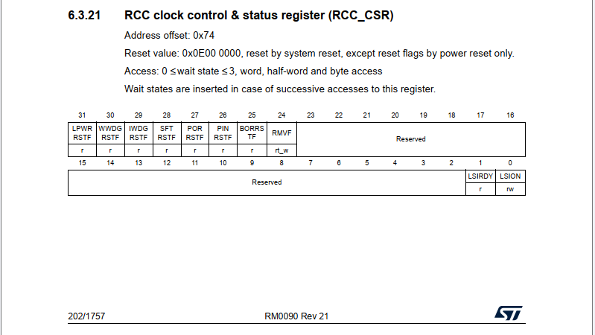
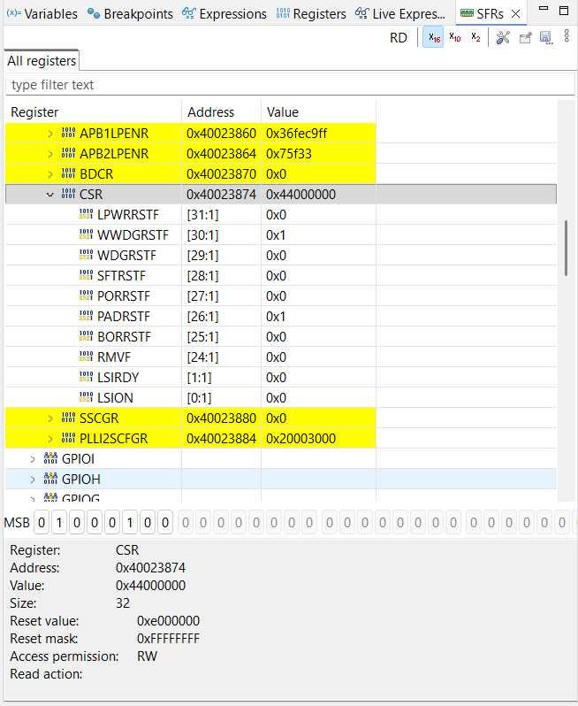

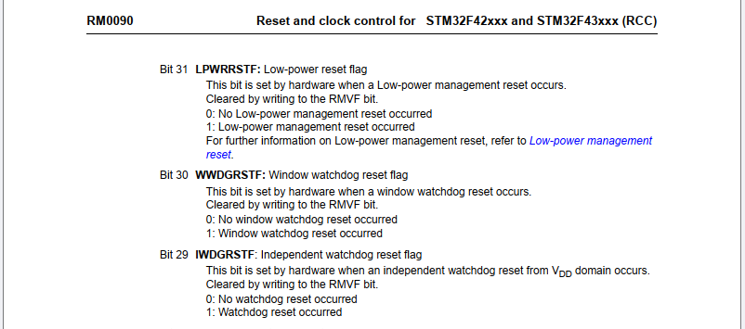

 |  | ▪ | LD5 LED blinking (on then off); LD4 LED off
 |  |  | Evidence 5:
 |  |  | <Refer target hardware>

 |  | ▪ | LD4 LED on
 |  |  | Evidence 6:
 |  |  | <Refer target hardware>

 |  | ▪ | Conclusion for Verification scenario 2
 |  |  | With this scenario LD4 LED will remain ON as the watchdog refreshes within WWDG window.
 |  |  | When the system resets due to watchdog, LD5 blinking as WEI simulation. Then, the application will starts from the beginning and LD4 is on.

 |  |  | Confirm-Point |  |  |  | Confirmation Timing |  | Expect |  |  | Test result (After) |  | Confirm
 |  |  | 1 |  |  |  | At Break-Point 1 |  | 0 |  |  | 0 |  | OK
 |  |  | 2 |  |  |  | After Break-Point 1 |  | LD4 LED on |  |  | LD4 LED on |  | OK
 |  |  | 3 |  |  |  | After Break-Point 1 |  | Refresh period 25 ms |  |  | Refresh period 25 ms |  | OK
 |  |  | 4 |  |  |  | After B1 pressed & At Break-Point 1 |  | 1 |  |  | 1 |  | OK
 |  |  | 5a |  |  |  | At Break-Point 1 |  | LD5 LED blinking (on then off) |  |  | LD5 LED blinking (on then off) |  | OK
 |  |  | 5b |  |  |  | At Break-Point 1 |  | LD4 LED off |  |  | LD4 LED off |  | OK
 |  |  | 6 |  |  |  | After Break-Point 1 |  | LD4 LED on |  |  | LD4 LED on |  | OK

WWDG-3
 | Window watchdog (WWDG)

 | <Verification scenario 3>
 |  |  | Setting WWDG -> Board start -> LD4 LED on -> Refresh WWDG every 30 ms (later than window) -> WWDG reset -> LD4 blinking (off then on)

Starting Code
"Verification Scenario 1"
At Break-Point 1:
"main()" function
Confirm-Point 1:
Check "wdg_reset_occurred" value
At Break-Point 2:
"main()" function
Confirm-Point 2:
Check status LD4 LED
At Break-Point 1:
"main()" function
Confirm-Point 3:
Check "wdg_reset_occurred" value
Disable all break-points
Confirm-Point 4:
Check status LD4 LED

`
 | ● | View-Point/Technical Foundation: |  |  |  | `

 |  | STM32F4DISCOVERY kit - User manual (UM1472 Rev 8)

 |  | STM32 IDE - Clock Configuration

$$f_{PCLK1}=42,000,0000 Hz$$

$$t_{PCLK1}=\frac{1000}{f_{PCLK1}} ms$$

 |  | STM32 IDE - WWDG Configuration

$$PSC=8$$

$$f_{WWDG}=\frac{f_{PCLK1}}{4096 ∗PSC}  1281.25 Hz$$

 |  |  |  |  |  |  |  |  |  |  |  |  |  | WWDG clock frequency

$$t_{Max }= \frac{N_{Counter }−0x40}{f_{WWDG}}= \frac{102 −64}{1281.15 Hz} 29.66 ms$$
$$WDGTB[1:0]=3$$
$$WWDG timeout \left(ms\right)  0.78 \sim 49.93$$
$$WWDG window \left(ms\right)=14.83 \sim 29.66$$
 |  |  |  |  |  |  |  |  |  |  | Expected setting
 |  |  |  |  |  |  |  |  |  |  |  |  |  |  | The longest time before a guaranteed system reset occurs (count down from NCounter to the reset threshold 0x40)

$$t_{Min }= \frac{N_{Counter }−N_{Window }}{f_{WWDG}}= \frac{102 −83}{1281.15 Hz} 14.83 ms$$

 |  |  |  |  |  |  |  |  |  |  |  |  |  |  | The shortest time the application must wait before it is allowed to refresh the watchdog (count down from NCounter to NWindow)

$$N_{Window }=83$$

$$N_{Counter }=102$$

 |  | STM32 IDE - Configure Timer to refresh watchdog

$$TIM3 period=\frac{\left(Counter Period+1\right)}{\left(APB1 Timer clocks∗1,000,000 Hz\right) /\left(Prescaler+1\right)}=30 ms$$

 |  |  |  |  |  |  |  |  |  | The time that the application refresh the watchdog

60-1

 | ● | Confirm Value:

 |  | Confirm-Point |  |  |  | Confirmation Timing |  | Expect |  |  | Test result (After) |  | Confirm
 |  | 1 |  |  |  | At Break-Point 1 |  | 0 |  |  | 0 |  | -
 |  | 2 |  |  |  | At Break-Point 2 |  | 4 User LEDs on |  |  | 4 User LEDs on |  | -
 |  | 3 |  |  |  | At Break-Point 1 |  | 1 |  |  | 1 |  | -
 |  | 4 |  |  |  | After Break-Point 1 |  | LD4 LED blinking |  |  | LD4 LED blinking |  | -

 | ● | Verication Code:

 |  | ▪ | Source Code:
 |  |  | Src/Window-Watchdog(WWDG)/F407G-WWDG-003.zip

 |  | ▪ | Guide to adding Break-Point:
 |  |  | ◦ | Capture Source Code at Break-Point 1:

 |  |  | ◦ | Capture Source Code at Break-Point 2:

 |  | ▪ | Step-by-Step:
 |  |  | ◦ | Step 1: | Build, upload and start code "Verification scenario 3", set Break-Points according to Guideline.
 |  |  | ◦ | Step 2: | Check status of LD4 LED. → Wait until it's on.
 |  |  | ◦ | Step 3: | Wait for WWDG reset happen.
 |  |  | ◦ | Step 4: | Check status of LD4 LED. → It's blinking (off then on).

 | ● | Result - Verication scenario 3:

 |  | ▪ | The 'wdg_reset_occurred' value is 0. No WWDG reset happen.
 |  |  | Evidence 1:

 |  | ▪ | LD4 LED are on
 |  |  | Evidence 2:
 |  |  | <Refer target hardware>

 |  | ▪ | The 'wdg_reset_occurred' value is 1. The WWDG reset happen.
 |  |  | Evidence 3:

 |  | ▪ | LD4 LED blinking (off then on)
 |  |  | Evidence 4:
 |  |  | <Refer target hardware>

 |  | ▪ | Conclusion for Verification scenario 3
 |  |  | With this scenario LD4 LED will act as LED blinking because the watchdog was refreshed earlier then window.
 |  |  | The system resets repeatedly due to watchdog.

 |  |  | Confirm-Point |  |  |  | Confirmation Timing |  | Expect |  |  | Test result (After) |  | Confirm
 |  |  | 1 |  |  |  | At Break-Point 1 |  | 0 |  |  | 0 |  | OK
 |  |  | 2 |  |  |  | At Break-Point 2 |  | 4 User LEDs on |  |  | 4 User LEDs on |  | OK
 |  |  | 3 |  |  |  | At Break-Point 1 |  | 1 |  |  | 1 |  | OK
 |  |  | 4 |  |  |  | After Break-Point 1 |  | LD4 LED blinking |  |  | LD4 LED blinking |  | OK

