IPC
IPC

● | Introduction
 |  | This code example demonstrates the use of the inter-processor communication (IPC) driver to implement a message pipe in the MCU.

● | Requirements
 |  | ModusToolbox™ v3.5 or later (tested with v3.5)
 |  |  | https://www.infineon.com/modustoolbox
 |  | Board support package (BSP) minimum required version: 1.0.0
 |  | Programming language: C
 |  | Associated parts: TRAVEO™ T2G family Cluster series, TRAVEO™ T2G family body high CYT4BF series
 |  |  | https://www.infineon.com/cms/en/product/microcontroller/32-bit-traveo-t2g-arm-cortex-microcontroller/32-bit-traveo-t2g-arm-cortex-for-cluster/
 |  |  | https://www.infineon.com/products/microcontroller/32-bit-traveo-t2g-arm-cortex/for-body/t2g-cyt4bf

● | Supported kits
 |  | TRAVEO™ T2G Body high Lite Kit (KIT_T2G-B-H_LITE)
 |  |  | https://www.infineon.com/evaluation-board/KIT-T2G-B-H-LITE

● | Hardware setup
 |  | This example uses the board's default configuration. See the kit user guide to ensure that the board is configured correctly.

● | Software setup
 |  | See the ModusToolbox™ tools package installation guide for information about installing and configuring the tools package.
 |  |  | https://www.infineon.com/ModusToolboxInstallguide
 |  | This example requires no additional software or tools.

● | Design and implementation

 |  | Resources and settings
 |  |  | In this code example, CM0+ CPU is the primary CPU, which is responsible for initializing the system.
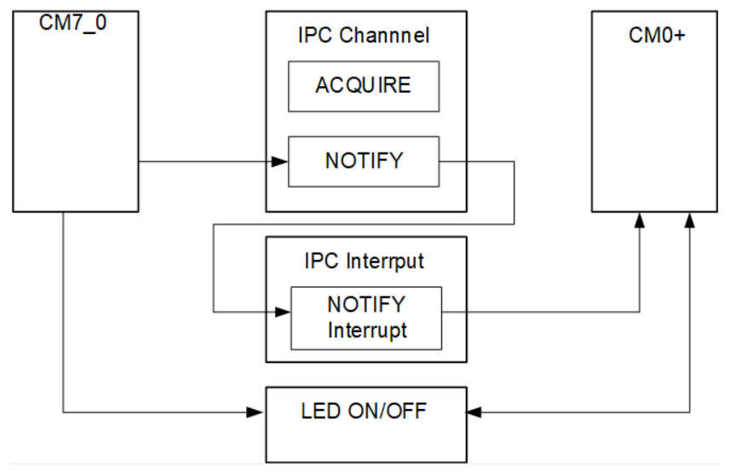

 |  |  |  | - | CM7_0 core initializes the peripheral cybsp_init().
 |  |  |  | - | After CM7_0 completes the peripheral initialization, force releases the lock state through Cy_IPC_Drv_LockRelease function, and then waits for the CM0+ IPC server to start.
 |  |  |  | - | CM7_0 generates a notify interrupt which occurs in the CM0+.
 |  |  |  | - | CM0+ initiates the LED ON/OFF operation, returning from the interrupt routine.

 |  |  | Application resources
 |  |  |  | Resource |  | Alias/object | Purpose
 |  |  |  | GPIO |  | CYBSP_USER_LED1 | User LED to display the visual output

 |  | Folder structure
 |  |  | This application has a different folder structure because it contains the firmware for CM7_0/CM7_1 and CM0+ applications as follows:
 |  |  |  | |-- proj_cm0p/ # CM0+ application folder
 |  |  |  | |-- main.c
 |  |  |  | |-- Makefile
 |  |  |  | |-- deps/ # All dependencies for CM0+
 |  |  |  | |-- proj_cm7_0/ # CM7_0 application folder
 |  |  |  | |-- main.c
 |  |  |  | |-- Makefile
 |  |  |  | |-- deps/ # All dependencies for CM7_0
 |  |  |  | |-- proj_cm7_1/ # CM7_1 application folder
 |  |  |  | |-- main.c
 |  |  |  | |-- Makefile
 |  |  |  | |-- deps/ # All dependencies for CM7_1
 |  |  |  | |-- common.mk
 |  |  |  | |-- common_app.mk
 |  |  |  | |-- Makefile

● | Operation
 | 1 | Connect the board to your PC using the provided USB cable through the KitProg3 USB connector.
 | 2 | Open a terminal program and select the KitProg3 COM port. Set the serial port parameters to 8N1 and 115200 baud.
 | 3 | Program the board using Using Eclipse IDE:
 |  | i. | Select the application project in the Project Explorer.
 |  | ii. | In the Quick Panel, scroll down, and click <Application Name> Program (KitProg3_MiniProg4).
 | 4 | After programming, the application starts automatically. Confirm that the user LED is blinking.

● | Debugging
 |  | You can debug the example to step through the code in Eclipse IDE
 |  |  | Use the <Application Name> Debug (KitProg3_MiniProg4) configuration in the Quick Panel. For details, see the "Program and debug" section in the Eclipse IDE for ModusToolbox™ user guide.
 |  |  | https://www.infineon.com/MTBEclipseIDEUserGuide

