Login Screen_MockUP
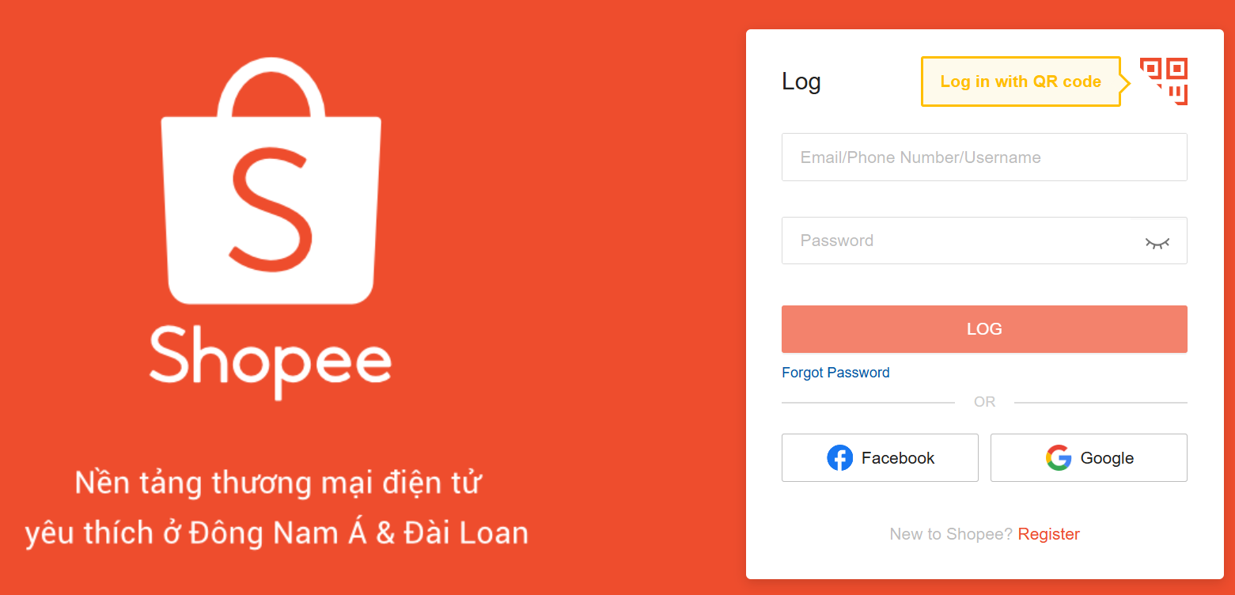

Test_Cases
Create Test Cases for Login Page in Excel Sheet

Test Scenario | Verification of Sign In Process Shopee |  | Tester | Binh Bui |  | Date | 2025-07-15

ID | Test Case | Pre-condition | Test Steps | Test Data | Expected Output | Post-condition | Actual Output | Status | Comments
Phone number login
TC_001 | Verification of Login Page with Valid phone number and Password | Phone number and Password need to match for Log In | a. Type correct Phone number or Email Address b. Type correct Password c. Press on the Log In button | a. Valid phone number b. Valid Password c. Button clicked | Log In Successful | The home Dashboard is visible | Log In Successful | Pass | 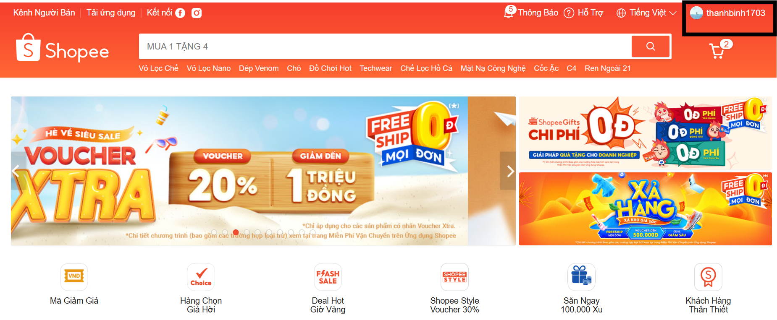
TC_002 | Verification of Login Page with Valid phone number and invalid Password | Phone number and Password need to match for Log In | a. Type correct Phone number or Email Address b. Type correct Password c. Press on the Log In button | a. Valid phone number b. Invalid Password c. Button clicked | Error: Incorrect login account or password. Please press "Forgotten?" to reset the new password. | Same Log In page appears | As expected | Pass | 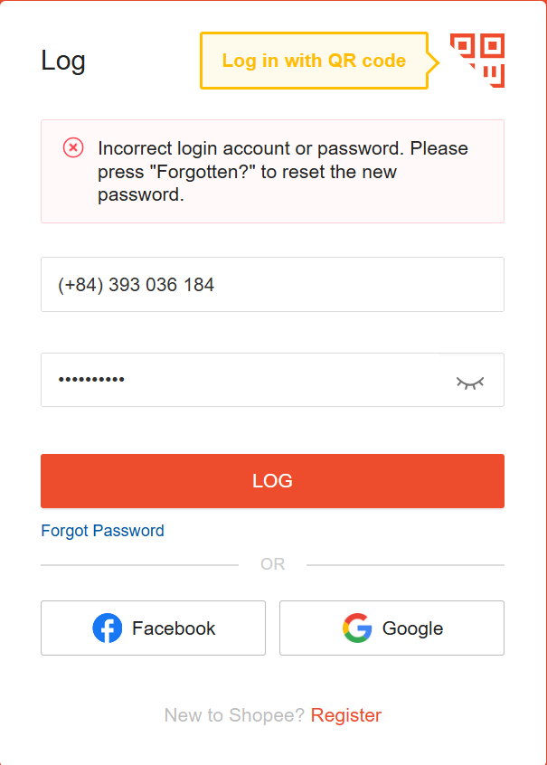 -
TC_003 | Verification of Login Page with Invalid phone number and Valid Password | Phone number and Password need to match for Log In | a. Type correct Phone number or Email Address b. Type correct Password c. Press on the Log In button | a. Invalid phone number b. Valid Password c. Button clicked | Error: Your account name or Password is incorrect, please try again | Same Log In page appears | As expected | Pass | 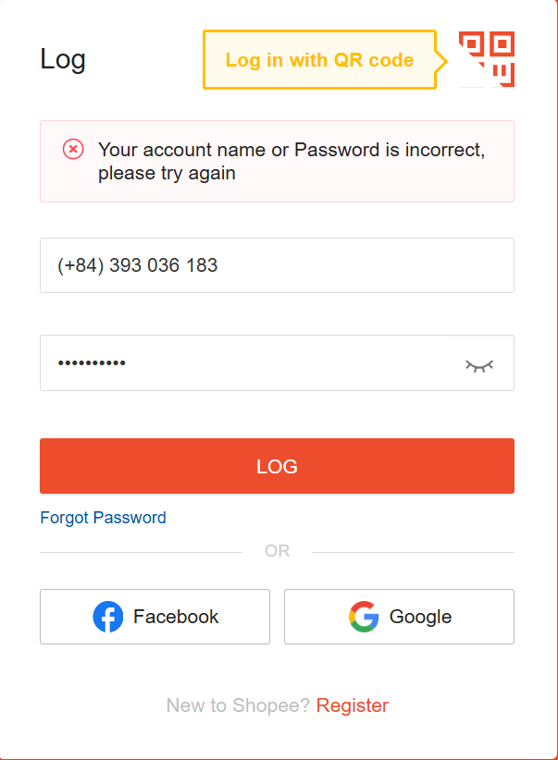 -
TC_004 | Verification of Login Page with Invalid phone number and Invalid Password | Phone number and Password need to match for Log In | a. Type correct Phone number or Email Address b. Type correct Password c. Press on the Log In button | a. Invalid phone number b. Invalid Password c. Button clicked | Error: Your account name or Password is incorrect, please try again | Same Log In page appears | As expected | Pass
TC_005 | Verification of Login Page with blank phone number and valid Password | Phone number and Password need to match for Log In | a. Type correct Phone number or Email Address b. Type correct Password c. Press on the Log In button | a. Fill phone number b. Blank Password c. Button clicked | Error message: "Please fill in this field." and the login buttun can't be clicked | Same Log In page appears | As expected | Pass | 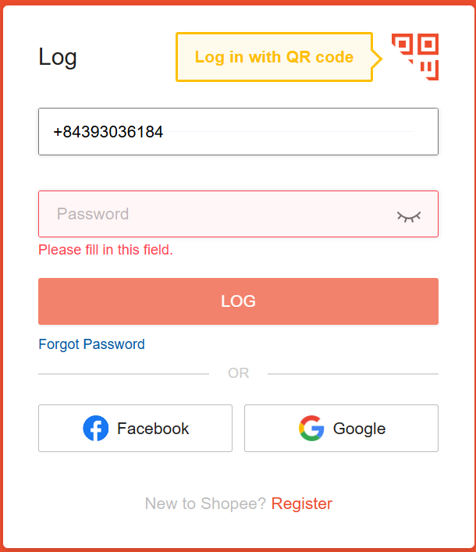
TC_006 | Verification of Login Page with phone number and blank Password | Phone number and Password need to match for Log In | a. Type correct Phone number or Email Address b. Type correct Password c. Press on the Log In button | a. Type phone number b. Blank Password c. Button clicked | Error message: "Please fill in this field." and the login buttun can't be clicked | Same Log In page appears | As expected | Pass | 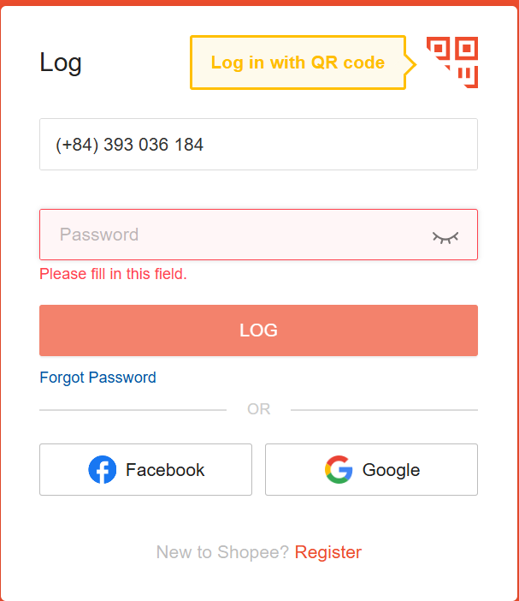
TC_007 | Verification of Login Page with blank phone number and blank Password | Phone number and Password need to match for Log In | a. Type correct Phone number or Email Address b. Type correct Password c. Press on the Log In button | a. Blank phone number b. Blank Password c. Button clicked | Error message: "Please fill in this field." and the login buttun can't be clicked | Same Log In page appears | As expected | Pass | 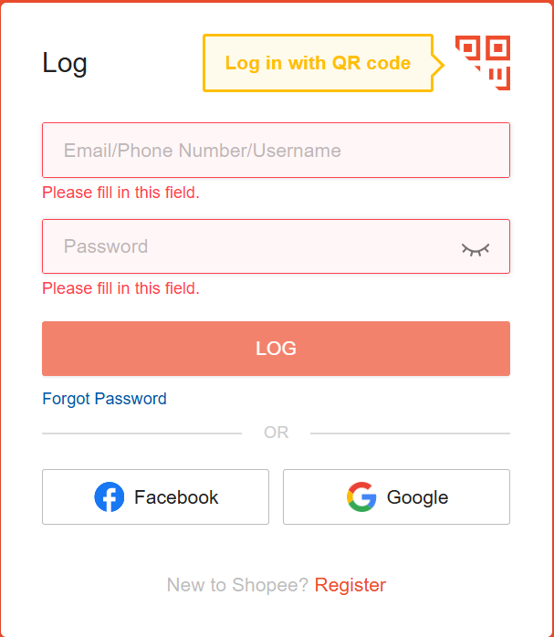
Email address login
TC_008 | Verification of Login Page with Valid Email Address and valid Password | Email address and Password need to match for Log In | a. Type correct Phone number or Email Address b. Type correct Password c. Press on the Log In button | a. Valid Email b. Valid Password c. Button clicked | Log In Successful | The home Dashboard is visible | Log In Successful | Pass
TC_009 | Verification of Login Page with Valid Email Address and Invalid Password | Email address and Password need to match for Log In | a. Type correct Phone number or Email Address b. Type correct Password c. Press on the Log In button | a. Valid Email b. Invalid Password c. Button clicked | Error: Incorrect login account or password. Please press "Forgotten?" to reset the new password. | Same Log In page appears | As expected | Pass | 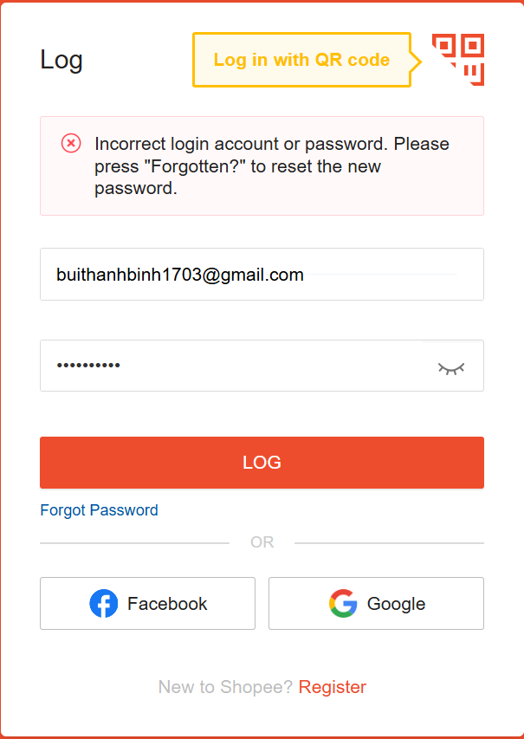
TC_010 | Verification of Login Page with Invalid Email Address and Valid Password | Email address and Password need to match for Log In | a. Type correct Phone number or Email Address b. Type correct Password c. Press on the Log In button | a. Invalid Email b. Valid Password c. Button clicked | Error: Your account name or Password is incorrect, please try again | Same Log In page appears | As expected | Pass | 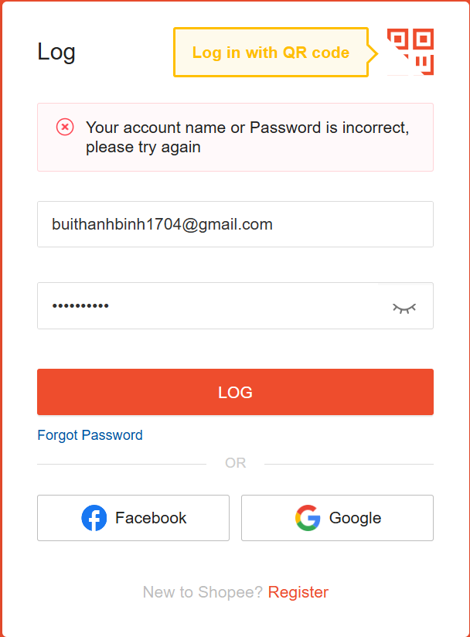
TC_011 | Verification of Login Page with Invalid Email Address and Invalid Password | Email address and Password need to match for Log In | a. Type correct Username or Email Address b. Type correct Password c. Press on the Log In button | a. Invalid Email b. Invalid Password c. Button clicked | Error: Your account name or Password is incorrect, please try again | Same Log In page appears | As expected | Pass
TC_012 | Verification of Login Page with Blank Email Address and valid Password | Email address and Password need to match for Log In | a. Leave blank Email Address b. Type correct Password c. Press on the Log In button | a. Blank Email b. Valid Password c. Button clicked | Error: Your account name or Password is incorrect, please try again | Same Log In page appears | As expected | Pass | 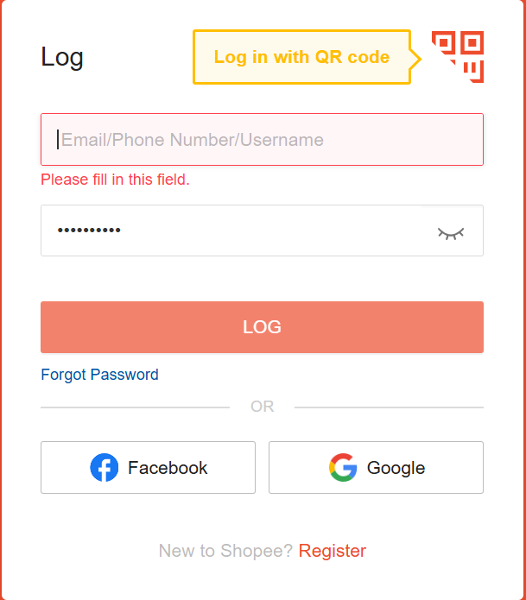
TC_013 | Verification of Login Page with valid Email Address and blank Password | Email address and Password need to match for Log In | a. Type Email Address b. Blank Password c. Press on the Log In button | a. Valid Email b. Blank Password c. Button clicked | Error message: "Please fill in this field." and the login buttun can't be clicked | Same Log In page appears | As expected | Pass | 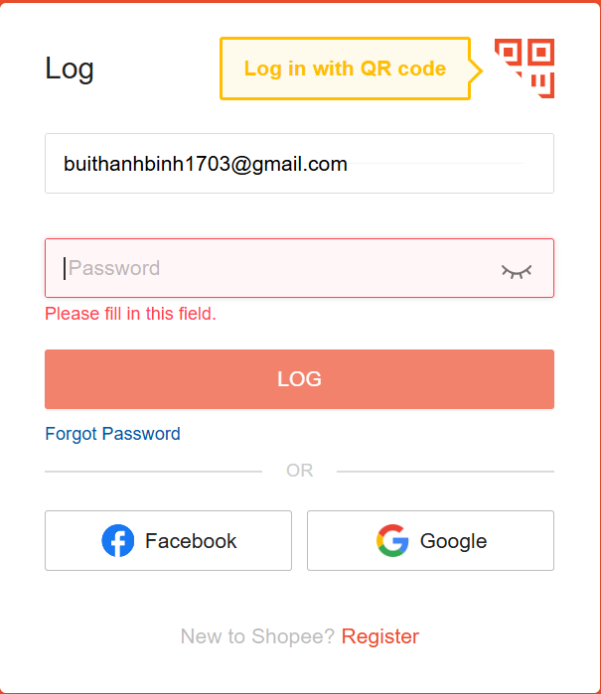
TC_014 | Verification of Login Page with Blank Email Address and Blank Password | Email address and Password need to match for Log In | a. Leave blank Email Address b. Blank Password c. Press on the Log In button | a. Blank Email b. Blank Password c. Button clicked | Error message: "Please fill in this field." and the login buttun can't be clicked | Same Log In page appears | As expected | Pass | 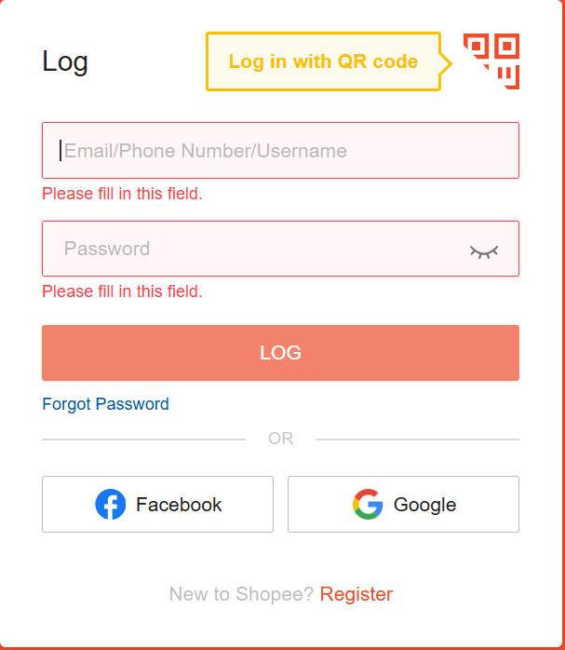
TC_015 | Verification of Login Page with Valid Username and Password | Username and Password need to match for Log In | a. Type correct Username or Email Address b. Type correct Password c. Press on the Log In button | a. Valid Username b. Valid Password c. Button clicked | Log In Successful | WordPress Dashboard is visible | Log In button not working | - | -
TC_016 | Verification of Login Page with Valid Email Address and Valid Password | Username and Password need to match for Log In | a. Type correct Username or Email Address b. Type correct Password c. Press on the Log In button | a. Valid Username b. Valid Password c. Button can't be clicked | Log In Successful | WordPress Dashboard is visible | Log In button not working | - | -
TC_017 | Verification of ENTER key as alternative to Sign In Button | Username and Password need to match for Log In | a. Type correct Username or Email Address b. Type correct Password c. Press on ENTER button | a. Valid Username b. Valid Password c. ENTER button pressed | Log In Successful | WordPress Dashboard is visible | ENTER button working as intended | - | -
TC_018 | Verification of Remember Me Button | Username and Password need to match for Log In | a. Type correct Username or Email Address b. Type correct Password c. Select Remember Me Checkbox d. Press on Log In Button | a. Valid Username b. Valid Password c. Log In button pressed | Log In Successful | WordPress Dashboard is visible | As expected | Pass | -
TC_019 | Verification of CAPTCHA Button | Username and Password need to match for Log In | a. Type correct Username or Email Address b. Type correct Password c. Press on Log In Button | a. Invalid Username 3 times b. Invalid Password 3 times c. Log In button pressed 3 times | CAPTCHA shown after 2 incorrect attempts | CAPTCHA is visible | As expected | Pass | 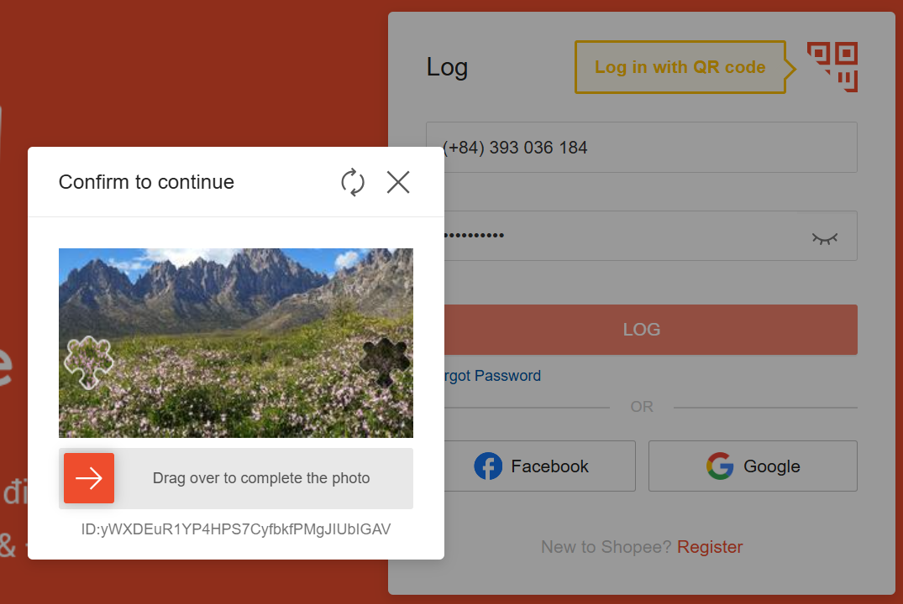
TC_020 | Verification of Sign Up Button | 1. Internet Browser 2. Functional Internet 3. Site Web Address Entered | 1. Type website address in the web browser 2. Press Enter 3. Click on Sign Up from the Log In Page | Website address | Sign Up page is shown | Sign Up successful | As expected | Pass | -

