Spike
https://www.youtube.com/watch?v=PA7PGWphW8M
Service | Command | Meaning
amc | service amc start | start/stop/restart amc (aerospike management console)
asadm | info | Admin> info Node Node Ip Build Cluster Cluster Cluster Principal Client Uptime . Id . . Size Key Integrity . Conns . 10.0.0.101:3000 BB90A09E3270008 10.0.0.101:3000 E-3.11.0.2 3 F0322B636B7B0FE9 True BB9AF1F8D270008 5 51:49:48 10.0.0.103:3000 BB9235677270008 10.0.0.103:3000 E-3.11.0.2 3 F0322B636B7B0FE9 True BB9AF1F8D270008 10 51:49:36 10.0.0.100:3000 *BB9AF1F8D270008 10.0.0.100:3000 E-3.11.0.2 3 F0322B636B7B0FE9 True BB9AF1F8D270008 10 03:05:39 Number of rows: 3
asadm | info namespace | Admin> info namespace Namespace Node Avail% Evictions Master Replica Repl Stop Pending Disk Disk HWM Mem Mem HWM Stop . . . . (Objects,Tombstones) (Objects,Tombstones) Factor Writes Migrates Used Used% Disk% Used Used% Mem% Writes% . . . . . . . . (tx%,rx%) . . . . . . . test 10.0.0.100:3000 N/E 0.000 (0.000 ,0.000 ) (0.000 ,0.000 ) 2 false (0,0) N/E N/E 50 0.000 B 0 60 90 test 10.0.0.103:3000 N/E 0.000 (0.000 ,0.000 ) (0.000 ,0.000 ) 2 false (0,0) N/E N/E 50 0.000 B 0 60 90 test 10.0.0.101:3000 N/E 0.000 (0.000 ,0.000 ) (0.000 ,0.000 ) 2 false (0,0) N/E N/E 50 0.000 B 0 60 90 test 0.000 (0.000 ,0.000 ) (0.000 ,0.000 ) (0,0) 0.000 B 0.000 B Number of rows: 4 | to know the cluster migrations state. One of the way is to look at the migration-related statistics Pending Migrates (tx%,rx%) on all the nodes
asadm | show statistics like migrate | Admin> show statistics like migrate NODE : 10.0.0.100:3000 10.0.0.103:3000 10.0.0.101:3000 migrate_allowed : true true true migrate_partitions_remaining: 0 0 0 | "migrate_partitions_remaining" statistic shows 0 for each node
asadm | asinfo -v 'tip-clear:host-port-list=<hostname>:3002' | $ asadm Admin+> asinfo -v 'tip-clear:host-port-list=10.0.0.100:3002' 10.0.0.101:3000 (10.0.0.101) returned: ok 10.0.0.103:3000 (10.0.0.103) returned: ok | to clear the configured hostname tip list from mesh-mode heartbeat list to prevent the remaining nodes from continuously trying to send heartbeats to the removed node. Run all the remaining nodes in the cluster
asadm | asinfo -v 'dump-hb:verbose=true' | $ asadm Admin+> asinfo -v 'dump-hb:verbose=true' | to log the heart-beat dump in the log file located at /../aerospike.log
asadm | asinfo -v 'services-alumni-reset' | $ asadm Admin+> asinfo -v 'services-alumni-reset' 10.0.0.101:3000 (10.0.0.101) returned: ok 10.0.0.103:3000 (10.0.0.103) returned: ok | The alumni list is used by some tools to refer to all nodes in a cluster. This command should be run on all the remaining nodes in the cluster
 | show latencies | Admin+> show latencies \~\~\~\~\~\~\~\~\~\~\~Latency (2021-05-27 01:12:04 UTC)\~\~\~\~\~\~\~\~\~\~ Namespace|Histogram| Node|ops/sec|>1ms|>8ms|>64ms test |read |aero-cluster1_1:3000| 9.3| 0.0| 0.0| 0.0 test |read |aero-cluster1_2:3000| 0.0| 0.0| 0.0| 0.0 test |read |aero-cluster1_3:3000| 7.5| 0.0| 0.0| 0.0 test |read |aero-cluster1_4:3000| 8.4| 0.0| 0.0| 0.0 | | | 25.2| 0.0| 0.0| 0.0 test |write |aero-cluster1_1:3000| 2.0| 0.0| 0.0| 0.0 test |write |aero-cluster1_2:3000| 0.0| 0.0| 0.0| 0.0 test |write |aero-cluster1_3:3000| 3.2| 0.0| 0.0| 0.0 test |write |aero-cluster1_4:3000| 4.5| 0.0| 0.0| 0.0 | | | 9.9| 0.0| 0.0| 0.0 Number of rows: 8
 | manage recluster | Admin+> manage recluster Successfully started recluster | command is used to force the cluster to advance and rebalance
 | info set | 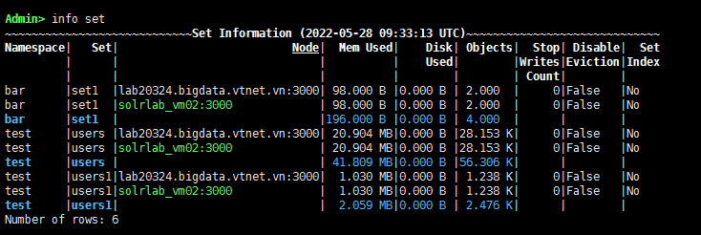
 | show statistics namespace like obje | 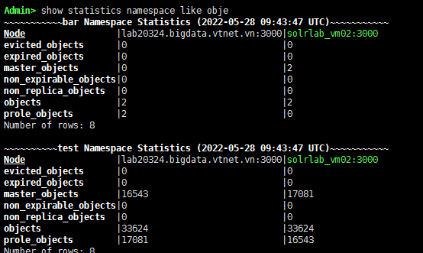
 | show pmap
 | health -v
 |  | When Aerospike loads, it will use the storage engine you defined last.

 |  | {app} must configure non-zero 'nsup-period' or 'allow-ttl-without-nsup' true if 'default-ttl' is non-zero
 |  | CRITICAL (drv_ssd): (drv_ssd.c:2216) /u01/aerospike/data/app.dat: not an Aerospike device but not erased - check config or erase device
 |  | Jun 01 2022 01:52:59 GMT: INFO (drv_ssd): (drv_ssd.c:1900) {app} /u01/aerospike/data/app.dat: used-bytes 0 free-wblocks 30712 write-q 0 write (0,0.0) defrag-q 0 defrag-read (0,0.0) defrag-write (0,0.0)
 |  | Jun 01 2022 01:54:30 GMT: INFO (info): (ticker.c:477) {test} migrations: complete Jun 01 2022 01:54:30 GMT: INFO (info): (ticker.c:495) {test} memory-usage: total-bytes 0 index-bytes 0 set-index-bytes 0 sindex-bytes 0 data-bytes 0 used-pct 0.00 Jun 01 2022 01:54:30 GMT: INFO (info): (ticker.c:418) {app} objects: all 0 master 0 prole 0 non-replica 0 Jun 01 2022 01:54:30 GMT: INFO (info): (ticker.c:477) {app} migrations: complete Jun 01 2022 01:54:30 GMT: INFO (info): (ticker.c:495) {app} memory-usage: total-bytes 0 index-bytes 0 set-index-bytes 0 sindex-bytes 0 data-bytes 0 used-pct 0.00 Jun 01 2022 01:54:30 GMT: INFO (info): (ticker.c:554) {app} device-usage: used-bytes 0 avail-pct 99 Jun 01 2022 01:54:33 GMT: INFO (clustering): (clustering.c:6273) join request timed out for principal bb99a76d23e16fa Jun 01 2022 01:54:33 GMT: INFO (clustering): (clustering.c:5989) sent cluster join request to bb99a76d23e16fa Jun 01 2022 01:54:37 GMT: INFO (clustering): (clustering.c:5795) applied new cluster key 8fbb33d0fb78 Jun 01 2022 01:54:37 GMT: INFO (clustering): (clustering.c:5797) applied new succession list bb9dba2a63e16fa bb99a76d23e16fa bb957f2e03e16fa Jun 01 2022 01:54:37 GMT: INFO (clustering): (clustering.c:5799) applied cluster size 3 Jun 01 2022 01:54:37 GMT: INFO (clustering): (clustering.c:7291) already part of a cluster - ignoring join reject from node bb99a76d23e16fa Jun 01 2022 01:54:37 GMT: INFO (exchange): (exchange.c:2347) data exchange started with cluster key 8fbb33d0fb78 Jun 01 2022 01:54:39 GMT: INFO (drv_ssd): (drv_ssd.c:1900) {app} /u01/aerospike/data/app.dat: used-bytes 0 free-wblocks 30712 write-q 0 write (0,0.0) defrag-q 0 defrag-read (0,0.0) defrag-write (0,0.0) Jun 01 2022 01:54:40 GMT: INFO (info): (ticker.c:164) NODE-ID bb9dba2a63e16fa CLUSTER-SIZE 0 Jun 01 2022 01:54:40 GMT: INFO (info): (ticker.c:244) cluster-clock: skew-ms 0

 |  | Khai báo namespace ở server nào chỉ có giá trị nội tại server đấy. Server thứ 3 khai báo thêm 1 namespace app -> chỉ có server thứ 3 có namespace app, các server khác không có
 | asbench -d --latency --percentiles | For example: hdr: write 2022-06-02T02:10:49Z 10, 125530, 410, 41599, 867, 1100, 1870, 8847, 30879 for write, second 10, total write 125530, min latency: 410 micro second, max latency: 41599 micro second, 50% percentile: 1100 (mean 1100 is the middle of all sample, 50% sample below 1100 and 50% above 1100 ), 90% percentile: 1870, 99% percentile: 8847, 99.99% percentile: 30879
 | nsup | The NSUP or namespace supervisor sub-system is an internal process within Aerospike that takes care of removing records when their time to live has elapsed, a process called expiration or, when certain thresholds are met, before the TTL has elapsed, a process called eviction.
 | allow-ttl-without-nsup | On systems where nsup-period is set to 0 as normal, allow-ttl-without-nsup should not be used to allow records with TTL to be written

Mongo
mongodb-enterprise-server-5.0.9-1.el7.x86_64.rpm | Core mongo | mongod is the primary daemon process for the MongoDB system. It handles data requests, manages data access, and performs background management operations
openssl11-libs-1.1.1k-3.el7.x86_64.rpm
mongodb-mongosh-shared-openssl11-1.5.0.x86_64.rpm
mongodb-database-tools-rhel70-x86_64-100.5.3 | Mongo tool | 