Summary
Version 5.11 |  | TECHNICAL ASSESSMENT
 |  | MSALFPO2_MisuiSumitomoAioiLife_Flax_PoC2_TA1

 |  | Product | Flax | Project type | POC
 |  | Risk Rate | #REF!

 |  | Acc | Estimation | Duration (months) | 3
 |  | Number of fields | 1 | Average target pages/ file | 1
 |  | Acc by field | 80% | Required training data (file) | 600
 |  | Acc by char | 80% | Required testing data (file) | 600
 |  | Speed per page (fullflow including system) | #REF! | Total required data (file) | 1200
 |  | Speed per page (AI flow) | #REF! | Total required data (target page) | 1200

 |  | Work-days | #REF! | Tech Assessment Team
 |  | Postion | Effort (Man day) | Name | Position | https://cinnamon-ai.atlassian.net/browse/TA-764
 |  | DM Senior | #REF! | Satosy | DM | https://cinnamon-ai.atlassian.net/wiki/spaces/TA/pages/2576122763/MSALFPO2+MisuiSumitomoAioiLife+Flax+BRD
 |  | DM Pre-Senior | #REF! | Ray | PM | https://cinnamon.slack.com/archives/CBG643NSF/p1669796209700109
 |  | SE(JP) Senior/Pre-Senior | #REF! | Jason | AIR | Final Acc report of another project Sumitomolife https://cinnamon-ai.atlassian.net/wiki/spaces/GXCTG/pages/1745355810?atlOrigin=eyJpIjoiMmIzYjY1YmMyYzI4NDhhMWE5OWE0NDJiNDIwMmE2ZDMiLCJwIjoiY29uZmx1ZW5jZS1jaGF0cy1pbnQifQ
 |  | AI(JP) Senior | #REF! |  | SE Backend
 |  | PM Senior/Pre-Senior | #REF! | Jason | AIE
 |  | AI Senior | #REF! |  | SE Frontend
 |  | AI Pre-Senior | #REF! |  | UI/UX Designer
 |  | AID Senior/Pre-Senior | #REF! |  | DevOps
 |  | AID-JP Senior/Pre-Senior | #REF! |  | QAS
 |  | SE Backend Senior | #REF! | Julie | QAL
 |  | SE Backend Pre-Senior | #REF!
 |  | SE Frontend Senior | #REF!
 |  | SE Frontend Pre-Senior | #REF!
 |  | UI/UX Designer Pre-Senior | #REF!
 |  | SE DevSecOps Senior | #REF!
 |  | SE DevSecOps Pre-senior | #REF!
 |  | QAS Senior/Pre-Senior | #REF!
 |  | QAL Senior/Pre-Senior | #REF!

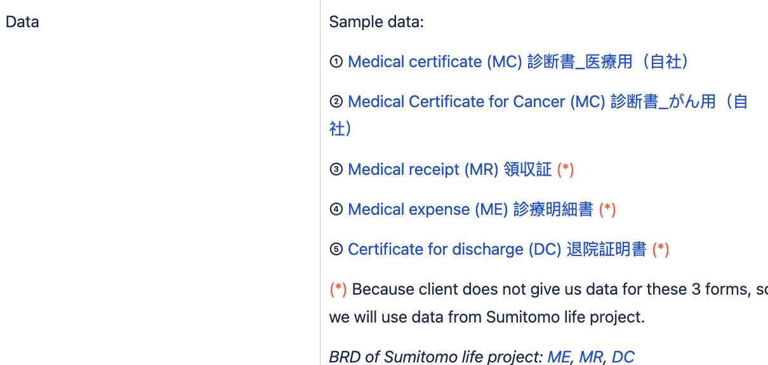
 | Group |  | Description |  | Mitigation
 | Data |  | no real data -> this TA uses data of other projects (sumitomolife) Form MR/ME: Keyword of 2 field No.19/99 have never appeared in the previous projects with the same form
 | AI module |  | no classification by AI which mean input data is classified by form type already. Other module, please refer AI sheet
 | Human resource |  | high workload on both QAL (to label 1200 files) and AI (to cover 4 form type)
 | System |  | n/a
 | Report Schedule |  | 1st report - Week8 Final reprot - Week12

