Promedios anuales de pasajeros
Indice de Oportunidad Ideal Promedio
ISO3 | Year | Promedio_Pasajeros_Internacionales | Promedio_Pasajeros_Nacionales |  | Mes | Nombre | IOI Promedio
ALB | 2010 |  |  | Promedios anuales de pasajeros aéreos | 1 | Enero | 13.21
ALB | 2011 |  |  |  | 2 | Febrero | 9.17
ALB | 2012 |  |  | Resultante contiene promedios anuales de pasajeros aéreos calculados a partir de datos mensuales, organizados por país y año para el período 2010-2019. Aplica una interpolación lineal para los valores que faltan agrupados por país y, finalmente, calcula los promedios anuales de pasajeros. | 3 | Marzo | 11.23
ALB | 2013 |  |  |  | 4 | Abril | 20.86
ALB | 2014 |  |  |  | 5 | Mayo | 13.47
ALB | 2015 |  |  |  | 6 | Junio | 6.92
ALB | 2016 |  |  |  | 7 | Julio | 2.63
ALB | 2017 |  |  |  | 8 | Agosto | 2.51
ARE | 2014 |  |  |  | 9 | Septiembre | 6.18
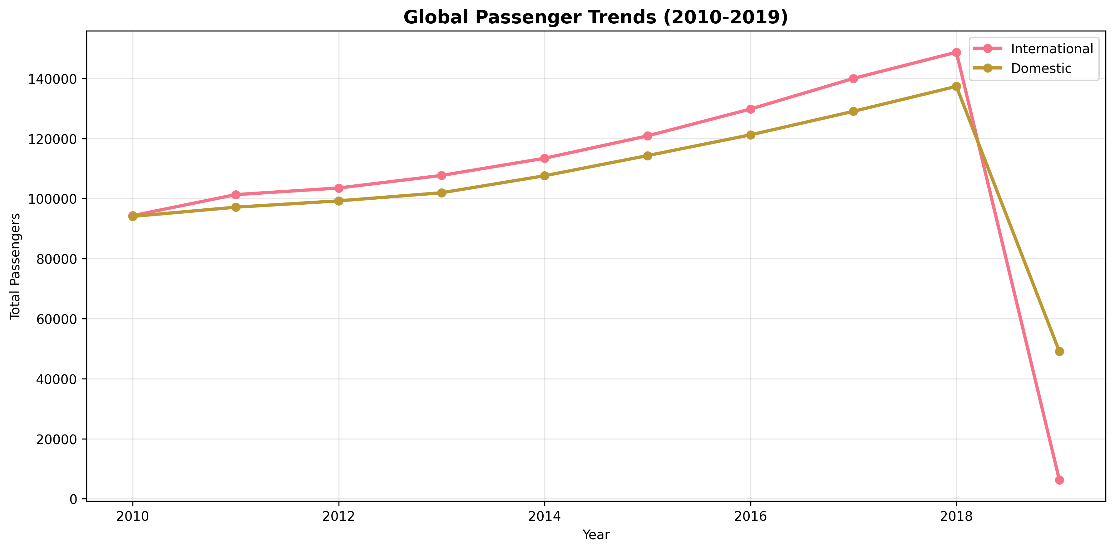
ARE | 2015 |  |  |  | 10 | Octubre | 8.26
ARE | 2016 |  |  |  | 11 | Noviembre | 11.48
ARE | 2017 |  |  |  | 12 | Diciembre | 12.71
ARG | 2017
ARM | 2011
ARM | 2012
ARM | 2013
ARM | 2014
ARM | 2015
ARM | 2016
ARM | 2017
AUS | 2010 | 2232.5833333 | 4412.8333333
AUS | 2011 | 2346.1666667 | 4453.8333333
AUS | 2012 | 2467.5 | 4637.6666667
AUS | 2013 | 2611.9166667 | 4728.8333333
AUS | 2014 | 2761.1666667 | 4747.1666667
AUS | 2015 | 2905.5833333 | 4759.5833333
AUS | 2016 | 3134.8333333 | 4883
AUS | 2017 | 3301.25 | 4962.5
AUS | 2018 | 3464.6666667 | 5049.8333333
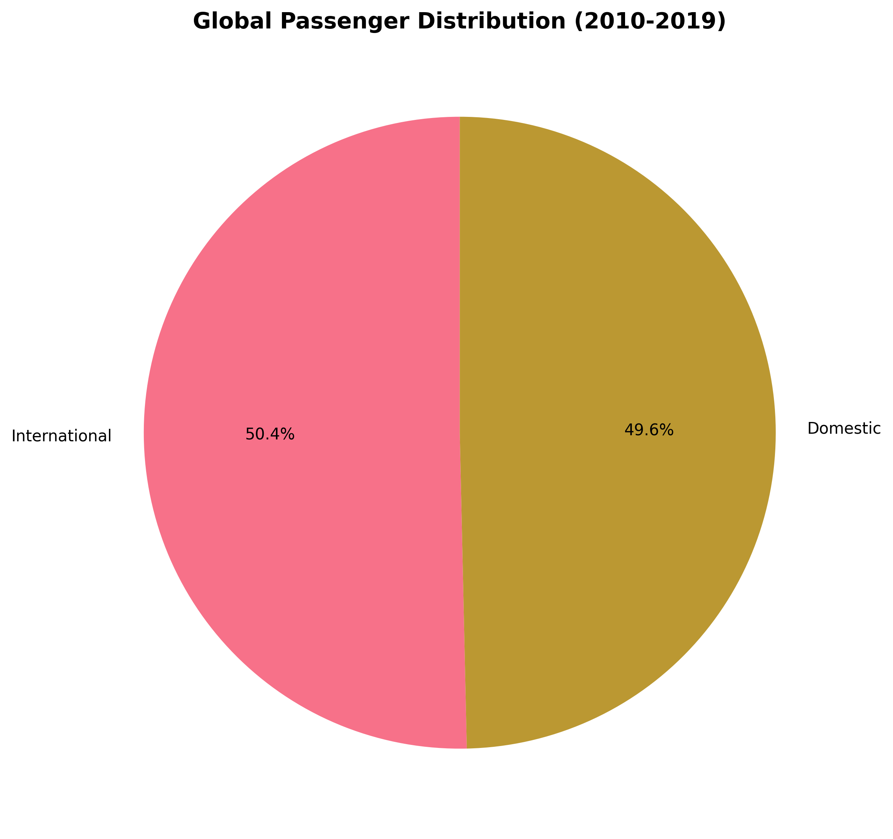
AUT | 2010 | 1897.52825 | 63.509666667
AUT | 2011 | 2039.4963333 | 55.304666667
AUT | 2012 | 2110.94175 | 52.889666667
AUT | 2013 | 2094.0365833 | 51.77375
AUT | 2014 | 2149.9734167 | 48.249583333
AUT | 2015 | 2185.3664167 | 44.134166667
AUT | 2016 | 2222.57775 | 42.548166667
AUT | 2017 | 2316.3109167 | 44.295666667
AUT | 2018 | 2546.1033333 | 48.76475
BEL | 2010 | 1886.1913333 | 5.289
BEL | 2011 | 2087.63 | 4.26125
BEL | 2012 | 2156.11225 | 3.8473333333
BEL | 2013 | 2195.5726667 | 3.5879166667
BEL | 2014 | 2394.67175 | 3.34975
BEL | 2015 | 2577.57225 | 2.3311666667
BEL | 2016 | 2508.675 | 0.97766666667
BEL | 2017 | 2770.8869167 | 0.82083333333
BEL | 2018 | 2874.79275 | 0.73175
BGR | 2010 | 498.78408333 | 15.326166667
BGR | 2011 | 537.21975 | 17.114166667
BGR | 2012 | 551.14325 | 17.115333333
BGR | 2013 | 574.65666667 | 15.284333333
BGR | 2014 | 612.69925 | 14.0255
BGR | 2015 | 620.635 | 13.61075
BGR | 2016 | 763.36433333 | 13.65375
BGR | 2017 | 901.01766667 | 23.369916667
BGR | 2018 | 985.19183333 | 26.284333333
BHR | 2014
BHR | 2015
BHR | 2016
BHR | 2017
BIH | 2010
BIH | 2011
BIH | 2012
BIH | 2013
BIH | 2014
BIH | 2015
BIH | 2016
BIH | 2017
BLR | 2010
BLR | 2011
BLR | 2017
BRA | 2010
BRA | 2011
BRA | 2012
BRA | 2013
BRA | 2014
BRA | 2015
BRA | 2016
BRA | 2017
BRB | 2015
BRB | 2016
BRB | 2017
CAN | 2010
CAN | 2011
CAN | 2012
CAN | 2013
CAN | 2014
CAN | 2015
CAN | 2016
CAN | 2017
CAN | 2018
CHE | 2010 | 3078.0340833 | 56.629166667
CHE | 2011 | 3397.2064167 | 56.11425
CHE | 2012 | 3550.263 | 52.744166667
CHE | 2013 | 3634.7715 | 50.025833333
CHE | 2014 | 3793.1235 | 50.828666667
CHE | 2015 | 3947.07475 | 55.123166667
CHE | 2016 | 4147.0960833 | 61.694916667
CHE | 2017 | 4402.83325 | 60.912
CHE | 2018 | 4618.3008333 | 59.994916667
CHL | 2010
CHL | 2011
CHL | 2012
CHL | 2013
CHL | 2014
CHN | 2010 | 1606.75 | 20385.5
CHN | 2011 | 1765 | 22032.5
CHN | 2012 | 1946.6666667 | 23971.666667
CHN | 2013 | 2212.5 | 26531.666667
CHN | 2014 | 2629.1666667 | 29195.833333
CHN | 2015 | 3504.1666667 | 31950.25
CHN | 2016 | 4302 | 35525.416667
CHN | 2017 | 4618.75 | 40485.25
CHN | 2018 | 5302.6666667 | 44716.416667
CHN | 2019 | 6318.8333333 | 49082.416667
COL | 2010
COL | 2011
COL | 2012
COL | 2013
COL | 2014
COL | 2015
COL | 2016
CRI | 2016
CRI | 2017
CYM | 2015
CYM | 2016
CYP | 2010 | 578.9665 | 0.095136363636
CYP | 2011 | 599.17983333 | 0.046333333333
CYP | 2012 | 610.68691667 | 0.0063026315789
CYP | 2013 | 584.28641667 | 0.0027894736842
CYP | 2014 | 610.71175 | 0.0046353722143
CYP | 2015 | 632.56558333 | 0.0039054054054
CYP | 2016 | 746.81808333 | 0.0029324324324
CYP | 2017 | 853.24233333 | 0.0024263513514
CYP | 2018 | 910.59166667 | 0.0014666666667
CZE | 2010 | 1003.07375 | 17.125083333
CZE | 2011 | 1044.0459167 | 10.165083333
CZE | 2012 | 970.98258333 | 7.54675
CZE | 2013 | 984.07058333 | 6.91375
CZE | 2014 | 999.25041667 | 7.4056666667
CZE | 2015 | 1047.0206667 | 8.9796666667
CZE | 2016 | 1132.477 | 6.8865
CZE | 2017 | 1348.1706667 | 5.6255
CZE | 2018 | 1481.3683333 | 5.1500833333
DEU | 2010 | 11830.530667 | 2013.7054167
DEU | 2011 | 12574.80775 | 2034.86525
DEU | 2012 | 12924.145167 | 1958.44675
DEU | 2013 | 13180.389667 | 1884.876
DEU | 2014 | 13638.054833 | 1899.0963333
DEU | 2015 | 14231.626333 | 1929.7428333
DEU | 2016 | 14742.69575 | 1981.2453333
DEU | 2017 | 15713.035417 | 1986.0765
DEU | 2018 | 16566.368417 | 1968.8283333
DNK | 2010 | 1827.5005 | 200.40383333
DNK | 2011 | 1953.243 | 197.4815
DNK | 2012 | 2050.6783333 | 160.42708333
DNK | 2013 | 2130.2675833 | 158.0415
DNK | 2014 | 2254.3233333 | 163.66083333
DNK | 2015 | 2347.08775 | 160.871
DNK | 2016 | 2562.6270833 | 167.63475
DNK | 2017 | 2609.206 | 162.56183333
DNK | 2018 | 2729.5445833 | 162.217
DOM | 2010
DOM | 2011
DOM | 2012
DOM | 2013
DOM | 2014
DOM | 2015
DOM | 2016
ECU | 2010
ECU | 2011
ECU | 2012
EGY | 2014
EGY | 2015
EGY | 2016
EGY | 2017
ESP | 2010 | 9596.6506667 | 3185.6005
ESP | 2011 | 10598.892167 | 3163.877
ESP | 2012 | 10546.517 | 2767.75475
ESP | 2013 | 10761.040917 | 2383.2901667
ESP | 2014 | 11345.653083 | 2433.87875
ESP | 2015 | 11980.949167 | 2573.4260833
ESP | 2016 | 13369.78325 | 2786.2198333
ESP | 2017 | 14471.469417 | 3013.8713333
ESP | 2018 | 15046.186667 | 3338.0990833
EST | 2010 | 113.034 | 2.0545
EST | 2011 | 156.55025 | 2.4138333333
EST | 2012 | 181.44516667 | 2.0904166667
EST | 2013 | 161.61341667 | 1.6003333333
EST | 2014 | 166.93133333 | 1.3858333333
EST | 2015 | 178.45158333 | 1.6299166667
EST | 2016 | 183.13566667 | 1.4798333333
EST | 2017 | 217.55175 | 2.0436666667
EST | 2018 | 247.312 | 2.3153333333
FIN | 2010 | 997.53166667 | 187.52133333
FIN | 2011 | 1135.0293333 | 229.50383333
FIN | 2012 | 1144.8029167 | 226.765
FIN | 2013 | 1177.157 | 203.29225
FIN | 2014 | 1221.3114167 | 209.68283333
FIN | 2015 | 1240.0091667 | 216.59466667
FIN | 2016 | 1284.2561667 | 224.07333333
FIN | 2017 | 1441.35675 | 229.88883333
FIN | 2018 | 1598.4888333 | 249.30533333
FRA | 2010 | 7730.80025 | 2160.6336667
FRA | 2011 | 8206.9346667 | 2294.1700833
FRA | 2012 | 8480.65 | 2333.0551667
FRA | 2013 | 8678.2398333 | 2385.3330833
FRA | 2014 | 9036.6435 | 2326.74575
FRA | 2015 | 9391.7884167 | 2347.1756667
FRA | 2016 | 9692.7221667 | 2413.9946667
FRA | 2017 | 10339.37175 | 2502.002
FRA | 2018 | 10913.005917 | 2586.259
FRO | 2015
FRO | 2016
FRO | 2017
GBR | 2010 | 14325.416 | 1748.5618333
GBR | 2011 | 15051.21525 | 1743.5141667
GBR | 2012 | 15190.6025 | 1731.64875
GBR | 2013 | 15762.540917 | 1776.54075
GBR | 2014 | 16513.329667 | 1821.8471667
GBR | 2015 | 17453.467417 | 1902.4023333
GBR | 2016 | 18815.99425 | 1923.0785
GBR | 2017 | 20101.0215 | 1951.433
GBR | 2018 | 20710.7815 | 1971.7314167
GEO | 2010
GEO | 2011
GEO | 2012
GEO | 2013
GEO | 2014
GEO | 2015
GEO | 2016
GEO | 2017
GIB | 2010
GIB | 2011
GIB | 2012
GIB | 2013
GIB | 2014
GIB | 2015
GIB | 2016
GIB | 2017
GLP | 2010
GLP | 2011
GLP | 2012
GLP | 2013
GLP | 2014
GLP | 2015
GLP | 2016
GLP | 2017
GRC | 2010 | 2183.7661667 | 531.9065
GRC | 2011 | 2334.9855 | 479.24275
GRC | 2012 | 2230.2814167 | 443.24658333
GRC | 2013 | 2402.1524167 | 433.17541667
GRC | 2014 | 2737.5564167 | 522.263
GRC | 2015 | 2884.533 | 623.5005
GRC | 2016 | 3113.9325 | 681.34841667
GRC | 2017 | 3486.31575 | 694.57825
GRC | 2018 | 3808.7716667 | 712.79716667
GTM | 2014
GTM | 2015
GTM | 2016
GTM | 2017
HKG | 2014
HKG | 2015
HKG | 2016
HKG | 2017
HRV | 2010 | 353.7295 | 36.055
HRV | 2011 | 374.8715 | 40.898166667
HRV | 2012 | 413.48558333 | 38.400416667
HRV | 2013 | 440.07283333 | 36.79775
HRV | 2014 | 472.96558333 | 38.7675
HRV | 2015 | 508.74666667 | 38.894833333
HRV | 2016 | 582.30083333 | 40.654416667
HRV | 2017 | 693.037 | 43.884083333
HRV | 2018 | 766.90066667 | 44.0405
HUN | 2010 | 681.20916667
HUN | 2011 | 740.37683333 | 0.29847826087
HUN | 2012 | 702.48691667 | 0.239
HUN | 2013 | 703.41708333 | 0.16617753623
HUN | 2014 | 754.55741667 | 0.15625
HUN | 2015 | 852.36266667 | 0.086571428571
HUN | 2016 | 971.68091667 | 0.024803571429
HUN | 2017 | 1112.4994167 | 0.0057708333333
HUN | 2018 | 1264.7038333 | 0.0070208333333
IND | 2014
IND | 2015
IND | 2016
IND | 2017
IRL | 2010 | 1894.5161667 | 30.001333333
IRL | 2011 | 1937.41475 | 9.4926666667
IRL | 2012 | 1961.7024167 | 4.4716666667
IRL | 2013 | 2045.5465833 | 4.75675
IRL | 2014 | 2187.4340833 | 5.13475
IRL | 2015 | 2456.1556667 | 5.9293333333
IRL | 2016 | 2709.4934167 | 6.8156666667
IRL | 2017 | 2848.732 | 7.2489166667
IRL | 2018 | 3020.5173333 | 8.2330833333
ISL | 2010 | 169.69633333
ISL | 2011 | 205.24116667
ISL | 2012 | 228.39091667
ISL | 2013 | 266.6055
ISL | 2014 | 321.1345
ISL | 2015 | 403.94066667
ISL | 2016 | 566.81783333
ISL | 2017 | 692.79416667 | 0.6505
ISL | 2018 | 816.82008333 | 30.37875
ISR | 2014
ISR | 2015
ISR | 2016
ISR | 2017
ITA | 2010 | 6593.7539167 | 2494.9921667
ITA | 2011 | 7024.8989167 | 2660.6566667
ITA | 2012 | 7141.0915 | 2528.0241667
ITA | 2013 | 7237.9659167 | 2368.0279167
ITA | 2014 | 7665.7135 | 2431.3354167
ITA | 2015 | 8167.3811667 | 2471.38725
ITA | 2016 | 8683.8210833 | 2522.6606667
ITA | 2017 | 9432.1426667 | 2593.3844167
ITA | 2018 | 10104.120667 | 2681.8753333
JAM | 2016
JAM | 2017
JPN | 2014
JPN | 2015
JPN | 2016
JPN | 2017
KHM | 2014
KHM | 2015
KHM | 2016
KHM | 2017
KOR | 2014
KOR | 2015
KOR | 2016
KOR | 2017
KOS | 2010
KOS | 2011
KOS | 2012
KOS | 2013
KOS | 2014
KOS | 2015
KOS | 2016
KOS | 2017
LCA | 2015
LCA | 2016
LCA | 2017
LTU | 2010 | 190.21783333 | 0.031125
LTU | 2011 | 224.33041667 | 0.0038333333333
LTU | 2012 | 263.87641667 | 0.0175
LTU | 2013 | 290.18416667 | 0.014458333333
LTU | 2014 | 316.48883333 | 0.051958333333
LTU | 2015 | 352.25383333 | 0.034833333333
LTU | 2016 | 398.93183333 | 0.038708333333
LTU | 2017 | 437.17316667 | 0.0091666666667
LTU | 2018 | 521.14991667 | 0.049375
LUX | 2010 | 134.39783333 | 0.10304166667
LUX | 2011 | 153.01783333 | 0.10545833333
LUX | 2012 | 157.7645 | 0.093375
LUX | 2013 | 180.64858333 | 0.13179166667
LUX | 2014 | 202.77966667 | 0.068791666667
LUX | 2015 | 220.89916667 | 0.11375
LUX | 2016 | 248.63083333 | 0.080416666667
LUX | 2017 | 296.13591667 | 0.11154166667
LUX | 2018 | 332.33725 | 0.10020833333
LVA | 2010 | 387.967 | 0.0365
LVA | 2011 | 424.8285 | 0.051833333333
LVA | 2012 | 396.18316667 | 0.05325
LVA | 2013 | 398.49825 | 0.033541666667
LVA | 2014 | 400.17808333 | 0.043916666667
LVA | 2015 | 428.80683333 | 0.053958333333
LVA | 2016 | 448.59883333 | 0.082208333333
LVA | 2017 | 505.95991667 | 0.54879166667
LVA | 2018 | 585.53866667 | 0.88475
MAC | 2014
MAC | 2015
MAC | 2016
MAC | 2017
MAR | 2010
MAR | 2011
MAR | 2012
MAR | 2013
MAR | 2014
MDA | 2010
MDA | 2011
MDA | 2012
MDA | 2013
MDA | 2014
MDA | 2015
MDA | 2016
MDA | 2017
MEX | 2010
MEX | 2011
MEX | 2012
MEX | 2013
MEX | 2014
MEX | 2015
MEX | 2016
MEX | 2017
MKD | 2011
MKD | 2012
MKD | 2013
MKD | 2014
MKD | 2015
MKD | 2016
MKD | 2017
MLT | 2010 | 274.46158333 | 0.023352272727
MLT | 2011 | 292.22483333 | 0.041348484848
MLT | 2012 | 304.1605 | 0.106875
MLT | 2013 | 335.95983333 | 0.20736666667
MLT | 2014 | 357.50233333 | 0.045675
MLT | 2015 | 384.9415 | 0.12708333333
MLT | 2016 | 423.34166667 | 0.27030392157
MLT | 2017 | 500.64366667 | 0.088529411765
MLT | 2018 | 567.12141667 | 0.079583333333
MNE | 2011
MNE | 2012
MNE | 2013
MNE | 2014
MNE | 2015
MNE | 2016
MNE | 2017
MTQ | 2010
MTQ | 2011
MTQ | 2012
MTQ | 2013
MTQ | 2014
MTQ | 2015
MYS | 2014
MYS | 2015
MYS | 2016
MYS | 2017
NGA | 2014 | 387.91175 | 890.067
NGA | 2015 | 362.27308333 | 841.43858333
NGA | 2016 | 355.08241667 | 914.30066667
NGA | 2017 | 338.05975 | 865.28766667
NGA | 2018 | 369.89991667 | 1065.9699167
NLD | 2010 | 4051.2710833 | 0.30216666667
NLD | 2011 | 4491.2013333 | 0.073
NLD | 2012 | 4639.8628333 | 0.15458333333
NLD | 2013 | 4839.6721667 | 0.11054166667
NLD | 2014 | 5080.1910833 | 0.059166666667
NLD | 2015 | 5380.77725 | 0.13425
NLD | 2016 | 5859.6965 | 0.13641666667
NLD | 2017 | 6353.1811667 | 0.1775
NLD | 2018 | 6636.7890833 | 0.2155
NOR | 2010 | 1380.107 | 1079.76375
NOR | 2011 | 1523.9515 | 1176.342
NOR | 2012 | 1650.7148333 | 1231.9705833
NOR | 2013 | 1806.1896667 | 1251.0073333
NOR | 2014 | 1865.7525 | 1267.8470833
NOR | 2015 | 1869.8904167 | 1255.3639167
NOR | 2016 | 1878.7664167 | 1265.19575
NOR | 2017 | 1929.0535833 | 1299.26125
NOR | 2018 | 2008.4846667 | 1327.3574167
NZL | 2014
NZL | 2015
NZL | 2016
NZL | 2017
OMN | 2014
OMN | 2015
OMN | 2016
OMN | 2017
PAN | 2010
PAN | 2011
PAN | 2012
PAN | 2013
PAN | 2014
PAN | 2015
PAN | 2016
PAN | 2017
PER | 2010
PER | 2011
PER | 2012
PER | 2013
PER | 2014
PER | 2015
PER | 2016
PER | 2017
PHL | 2014
PHL | 2015
PHL | 2016
PHL | 2017
POL | 2010 | 1453.3553333 | 78.570916667
POL | 2011 | 1626.348 | 93.291333333
POL | 2012 | 1668.4406667 | 148.28975
POL | 2013 | 1838.0789167 | 101.46141667
POL | 2014 | 2019.6868333 | 123.18166667
POL | 2015 | 2276.6490833 | 132.30416667
POL | 2016 | 2536.0504167 | 152.84475
POL | 2017 | 2956.04825 | 184.34075
POL | 2018 | 3487.15725 | 159.13725
PRT | 2010 | 1893.43825 | 251.18675
PRT | 2011 | 2056.6944167 | 241.6145
PRT | 2012 | 2114.5479167 | 234.30658333
PRT | 2013 | 2238.0225 | 236.48966667
PRT | 2014 | 2466.5308333 | 246.85425
PRT | 2015 | 2695.2869167 | 305.19758333
PRT | 2016 | 3038.18575 | 372.65125
PRT | 2017 | 3559.82675 | 412.928
PRT | 2018 | 3820.704 | 430.83583333
PRY | 2010
PRY | 2011
PRY | 2012
PRY | 2013
PRY | 2014
PRY | 2015
PRY | 2016
PRY | 2017
ROU | 2010 | 675.2825 | 62.129916667
ROU | 2011 | 745.94308333 | 61.344916667
ROU | 2012 | 751.4925 | 54.693
ROU | 2013 | 787.58758333 | 47.156833333
ROU | 2014 | 867.12383333 | 41.833416667
ROU | 2015 | 1006.21325 | 42.179333333
ROU | 2016 | 1188.1965833 | 74.613333333
ROU | 2017 | 1380.44675 | 114.11775
ROU | 2018 | 1491.4625833 | 118.32558333
RUS | 2010
RUS | 2011
RUS | 2012
RUS | 2013
RUS | 2014
RUS | 2015
RUS | 2016
RUS | 2017
SGP | 2014
SGP | 2015
SGP | 2016
SGP | 2017
SLV | 2010
SLV | 2011
SLV | 2012
SLV | 2013
SLV | 2014
SLV | 2015
SLV | 2016
SLV | 2017
SRB | 2010
SRB | 2011
SRB | 2012
SRB | 2013
SRB | 2014
SRB | 2015
SRB | 2016
SRB | 2017
SVK | 2010 | 153.29908333 | 3.52125
SVK | 2011 | 147.83775 | 2.8445
SVK | 2012 | 127.79416667 | 2.47225
SVK | 2013 | 128.11925 | 1.6431666667
SVK | 2014 | 137.425 | 1.8491666667
SVK | 2015 | 160.1725 | 1.7988333333
SVK | 2016 | 177.78008333 | 2.075
SVK | 2017 | 198.20408333 | 2.0168333333
SVK | 2018 | 231.1175 | 1.7236666667
SVN | 2010 | 115.18816667 | 0.0539
SVN | 2011 | 113.22275 | 0.067435849057
SVN | 2012 | 97.323083333 | 0.084056603774
SVN | 2013 | 105.4805 | 0.099
SVN | 2014 | 108.92733333 | 0.11394339623
SVN | 2015 | 119.65591667 | 0.12826415094
SVN | 2016 | 117.01266667 | 0.132
SVN | 2017 | 140.17775 | 0.132
SVN | 2018 | 150.88058333 | 0.132
SWE | 2010 | 1710.531 | 510.03266667
SWE | 2011 | 1900.2001667 | 577.48708333
SWE | 2012 | 1944.3959167 | 584.8415
SWE | 2013 | 2031.6308333 | 588.63791667
SWE | 2014 | 2117.5251667 | 612.97841667
SWE | 2015 | 2213.7009167 | 620.571
SWE | 2016 | 2354.246 | 641.8005
SWE | 2017 | 2549.7369167 | 654.9475
SWE | 2018 | 2608.7564167 | 636.66825
THA | 2010 | 2985.8619167 | 1799.56175
THA | 2011 | 3509.2338333 | 2015.8216667
THA | 2012 | 3693.1590833 | 2266.9495833
THA | 2013 | 4522.0480833 | 2655.8654167
THA | 2014 | 4266.2908333 | 3031.4119167
THA | 2015 | 5111.4216667 | 3787.7378333
THA | 2016 | 5672.2250833 | 4321.4414167
THA | 2017 | 6044.995 | 4721.62175
THA | 2018 | 6707.4609167 | 4919.07975
TUR | 2010
TUR | 2011
TUR | 2012
TUR | 2013
TUR | 2014
TUR | 2015
TUR | 2016
TUR | 2017
TWN | 2014
TWN | 2015
TWN | 2016
TWN | 2017
UKR | 2010
UKR | 2011
UKR | 2012
UKR | 2013
UKR | 2014
UKR | 2015
UKR | 2016
UKR | 2017
URY | 2010
URY | 2011
URY | 2012
USA | 2010 | 7825.5 | 52720
USA | 2011 | 7984.75 | 53464.583333
USA | 2012 | 8139.75 | 53761.75
USA | 2013 | 8357.3333333 | 54020.75
USA | 2014 | 8552.6666667 | 55457.333333
USA | 2015 | 8760.4166667 | 58204.5
USA | 2016 | 8875.75 | 60187.75
USA | 2017 | 9139.25 | 62018
USA | 2018 | 9431.75 | 65026.083333
ZAF | 2014
ZAF | 2015
ZAF | 2016
ZAF | 2017

Clasificacion de PIB
ISO3,Year,Categoria,PIB
AUS,2010,Mixto,1148838233480.7195
AUS,2011,Mixto,1398610616772.9673
AUS,2012,Mixto,1547532281116.3977
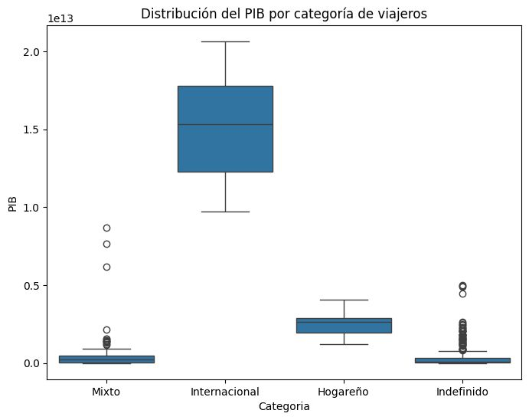
AUS,2013,Mixto,1577123329410.8835
AUS,2014,Mixto,1468265356427.763
AUS,2015,Mixto,1351296372254.314
AUS,2016,Mixto,1206836962281.8408
AUS,2017,Mixto,1325582658156.5354
AUS,2018,Mixto,1427809041019.4402
AUT,2010,Mixto,389827789217.6341
AUT,2011,Mixto,428954737064.05725
AUT,2012,Mixto,406750487603.5899
AUT,2013,Mixto,426580502769.4165
AUT,2014,Mixto,438556021078.0341
AUT,2015,Mixto,379546097300.6326
AUT,2016,Mixto,393687359770.2733
AUT,2017,Mixto,414926138132.6913
AUT,2018,Mixto,452582294972.7754
BEL,2010,Mixto,481556503720.0009
BEL,2011,Mixto,527196649048.6392
BEL,2012,Mixto,498414364944.96106
BEL,2013,Mixto,524097026598.5505
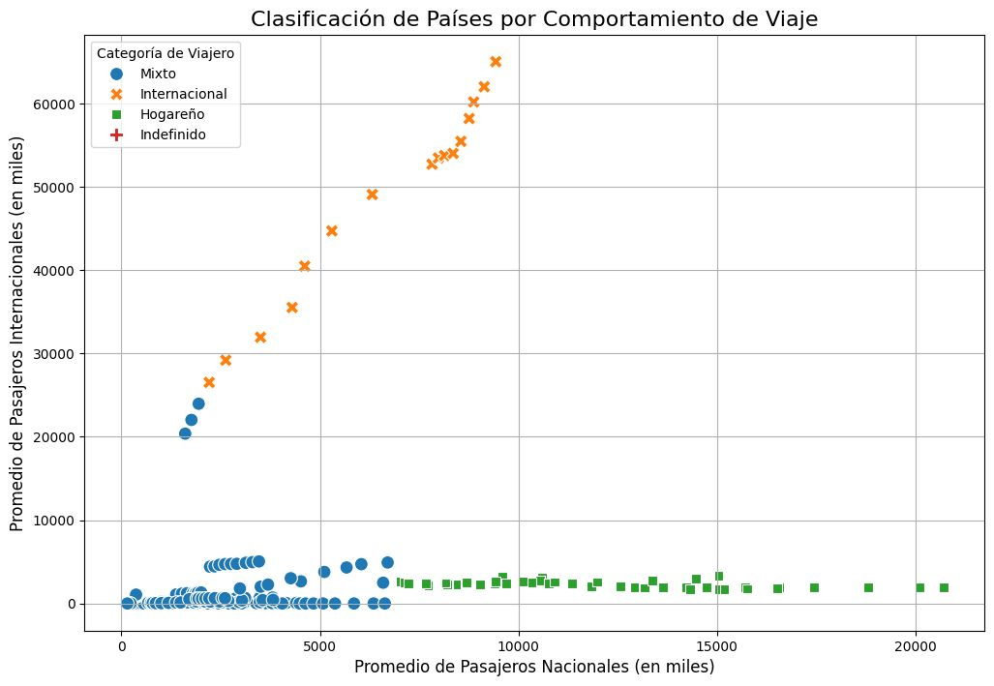
BEL,2014,Mixto,537987419164.3511
BEL,2015,Mixto,461044767544.531
BEL,2016,Mixto,474271566739.7288
BEL,2017,Mixto,500908767351.5303
BEL,2018,Mixto,542638913427.9212
BGR,2010,Mixto,50689051382.43607
BGR,2011,Mixto,57681293006.97212
BGR,2012,Mixto,54297052002.23383
BGR,2013,Mixto,55819262374.903885
BGR,2014,Mixto,57080897012.10772
BGR,2015,Mixto,50765918159.14758
BGR,2016,Mixto,53929397039.21061
BGR,2017,Mixto,59167647387.60604
BGR,2018,Mixto,66251582035.941154
CHE,2010,Mixto,598851027947.7208
CHE,2011,Mixto,715888126682.3959
CHE,2012,Mixto,686420221557.9899
CHE,2013,Mixto,706234937370.9675
CHE,2014,Mixto,726537809429.5236
CHE,2015,Mixto,694118186379.6278
CHE,2016,Mixto,687895460902.7133
CHE,2017,Mixto,695200834102.0453
CHE,2018,Mixto,725568717468.0009
CHN,2010,Mixto,6192564874453.29
CHN,2011,Mixto,7671757207851.289
CHN,2012,Mixto,8673664713189.244
CHN,2013,Internacional,9743124247267.244
CHN,2014,Internacional,10674533168257.36
CHN,2015,Internacional,11280814787468.914
CHN,2016,Internacional,11456024084961.98
CHN,2017,Internacional,12537559062282.92
CHN,2018,Internacional,14147765772963.76
CHN,2019,Internacional,14560167101283.44
CYP,2010,Mixto,25799940077.607452
CYP,2011,Mixto,27641547909.70109
CYP,2012,Mixto,25047436974.68195
CYP,2013,Mixto,23959712860.83313
CYP,2014,Mixto,23225918259.98236
CYP,2015,Mixto,19909278416.857506
CYP,2016,Mixto,21046462280.59786
CYP,2017,Mixto,22946570628.7576
CYP,2018,Mixto,25754001367.544785
CZE,2010,Mixto,211168667286.26968
CZE,2011,Mixto,231429378717.31192
CZE,2012,Mixto,210363223087.72824
CZE,2013,Mixto,213024360541.11865
CZE,2014,Mixto,210911285077.68277
CZE,2015,Mixto,189107698561.9188
CZE,2016,Mixto,198160659303.93896
CZE,2017,Mixto,221563575696.2173
CZE,2018,Mixto,251992360762.236
DEU,2010,Hogareño,3468154343000.007
DEU,2011,Hogareño,3824828563521.408
DEU,2012,Hogareño,3597896500945.3135
DEU,2013,Hogareño,3808086291482.364
DEU,2014,Hogareño,3965800686309.79
DEU,2015,Hogareño,3423568450957.0293
DEU,2016,Hogareño,3537784107980.553
DEU,2017,Hogareño,3763092263752.948
DEU,2018,Hogareño,4052008447223.5264
DNK,2010,Mixto,322345594075.47015
DNK,2011,Mixto,344315595263.17456
DNK,2012,Mixto,326792574244.9627
DNK,2013,Mixto,344631016965.12024
DNK,2014,Mixto,352832602064.45154
DNK,2015,Mixto,301758922337.6373
DNK,2016,Mixto,312181849372.233
DNK,2017,Mixto,331610593961.98785
DNK,2018,Mixto,355293374912.39276
ESP,2010,Hogareño,1427989078916.6694
ESP,2011,Hogareño,1487568659241.248
ESP,2012,Hogareño,1330994811670.3127
ESP,2013,Hogareño,1362186923157.651
ESP,2014,Hogareño,1380244561361.956
ESP,2015,Hogareño,1206164777553.1245
ESP,2016,Hogareño,1243015667917.1238
ESP,2017,Hogareño,1321754088818.826
ESP,2018,Hogareño,1431642809327.058
EST,2010,Mixto,19524355419.03797
EST,2011,Mixto,23303915794.756855
EST,2012,Mixto,23237406116.39883
EST,2013,Mixto,25451032780.757328
EST,2014,Mixto,27055689003.003822
EST,2015,Mixto,23311847750.93944
EST,2016,Mixto,24561027787.789555
EST,2017,Mixto,27469461919.11887
EST,2018,Mixto,31222632740.72468
FIN,2010,Mixto,249429613683.3338
FIN,2011,Mixto,275126915515.56476
FIN,2012,Mixto,257443384492.9688
FIN,2013,Mixto,270268036626.27527
FIN,2014,Mixto,273478528954.901
FIN,2015,Mixto,233210733506.24988
FIN,2016,Mixto,238777818792.60757
FIN,2017,Mixto,253846138440.00043
FIN,2018,Mixto,273869255596.07825
FRA,2010,Hogareño,2646230027988.3384
FRA,2011,Hogareño,2870408553990.278
FRA,2012,Hogareño,2683007095787.227
FRA,2013,Hogareño,2816077607875.2627
FRA,2014,Hogareño,2861236112552.4214
FRA,2015,Hogareño,2442483452642.4985
FRA,2016,Hogareño,2470407619777.1265
FRA,2017,Hogareño,2588868323334.7104
FRA,2018,Hogareño,2781576320884.39
GBR,2010,Hogareño,2485482596184.7095
GBR,2011,Hogareño,2663805834828.0723
GBR,2012,Hogareño,2707089726614.636
GBR,2013,Hogareño,2784853502534.292
GBR,2014,Hogareño,3064708247921.4277
GBR,2015,Hogareño,2927911140916.731
GBR,2016,Hogareño,2689106566899.611
GBR,2017,Hogareño,2680148052335.299
GBR,2018,Hogareño,2871340347581.7856
GRC,2010,Mixto,296417644404.0339
GRC,2011,Mixto,283228079776.04144
GRC,2012,Mixto,238841140018.23288
GRC,2013,Mixto,236556279640.70535
GRC,2014,Mixto,233911581521.06232
GRC,2015,Mixto,194567373678.09912
GRC,2016,Mixto,193097239005.87012
GRC,2017,Mixto,200381103984.298
GRC,2018,Mixto,213298873494.3936
HRV,2010,Mixto,58981738868.75296
HRV,2011,Mixto,62903737379.78343
HRV,2012,Mixto,57551963753.2104
HRV,2013,Mixto,59852401272.32039
HRV,2014,Mixto,59612144078.413345
HRV,2015,Mixto,51005200669.69412
HRV,2016,Mixto,52654855638.1057
HRV,2017,Mixto,56186190437.99587
HRV,2018,Mixto,61668130122.58781
HUN,2011,Mixto,141712804953.86835
HUN,2012,Mixto,128470269689.95816
HUN,2013,Mixto,135646053778.58244
HUN,2014,Mixto,141128696412.3213
HUN,2015,Mixto,125244126623.28946
HUN,2016,Mixto,128983560865.29254
HUN,2017,Mixto,143335098991.86218
HUN,2018,Mixto,161184691013.83466
IRL,2010,Mixto,221985621537.50043
IRL,2011,Mixto,241337364609.73785
IRL,2012,Mixto,227270922957.327
IRL,2013,Mixto,243301556084.98892
IRL,2014,Mixto,266787238499.03003
IRL,2015,Mixto,302391428540.03467
IRL,2016,Mixto,305733136180.907
IRL,2017,Mixto,348532394023.5947
IRL,2018,Mixto,395461216460.4177
ISL,2017,Mixto,24728285177.460316
ISL,2018,Mixto,26260850582.06868
ITA,2010,Mixto,2144936254535.004
ITA,2011,Hogareño,2306974020278.215
ITA,2012,Hogareño,2097929495121.68
ITA,2013,Hogareño,2153225581941.457
ITA,2014,Hogareño,2173255507985.8352
ITA,2015,Hogareño,1845428048839.1008
ITA,2016,Hogareño,1887111188176.931
ITA,2017,Hogareño,1970720904584.7092
ITA,2018,Hogareño,2099435266458.665
LTU,2010,Mixto,36638128534.06432
LTU,2011,Mixto,43186501862.790695
LTU,2012,Mixto,42709372066.862656
LTU,2013,Mixto,46303660422.043365
LTU,2014,Mixto,48306546656.92814
LTU,2015,Mixto,41540954817.20389
LTU,2016,Mixto,42970749245.03357
LTU,2017,Mixto,47756764508.44596
LTU,2018,Mixto,54261795148.53722
LUX,2010,Mixto,56213985987.41678
LUX,2011,Mixto,61696281326.245255
LUX,2012,Mixto,59776383527.36017
LUX,2013,Mixto,65203276466.976265
LUX,2014,Mixto,68804811897.64447
LUX,2015,Mixto,60071584216.13747
LUX,2016,Mixto,62216885435.94879
LUX,2017,Mixto,65712180342.98364
LUX,2018,Mixto,71085623495.11446
LVA,2010,Mixto,23468324572.33428
LVA,2011,Mixto,26575547900.824738
LVA,2012,Mixto,27116149948.668335
LVA,2013,Mixto,29152128167.84381
LVA,2014,Mixto,30277203767.405777
LVA,2015,Mixto,26344565876.89022
LVA,2016,Mixto,27117105059.507458
LVA,2017,Mixto,29391059767.425938
LVA,2018,Mixto,33247935477.357624
MLT,2010,Mixto,9097044182.15877
MLT,2011,Mixto,9789361705.089266
MLT,2012,Mixto,9609532105.589088
MLT,2013,Mixto,10796782633.52569
MLT,2014,Mixto,11888032861.804
MLT,2015,Mixto,11340795032.93036
MLT,2016,Mixto,12025782885.277184
MLT,2017,Mixto,14161366732.715322
MLT,2018,Mixto,16153779511.155882
NGA,2014,Mixto,574183763411.5076
NGA,2015,Mixto,493026682800.6295
NGA,2016,Mixto,404649125252.15955
NGA,2017,Mixto,375745731053.4268
NGA,2018,Mixto,421739251509.0796
NLD,2010,Mixto,852464982433.335
NLD,2011,Mixto,913140741332.6866
NLD,2012,Mixto,845689017065.6252
NLD,2013,Mixto,883951539006.6692
NLD,2014,Mixto,901556501756.4674
NLD,2015,Mixto,775743675302.734
NLD,2016,Mixto,797163949289.8853
NLD,2017,Mixto,848233537845.8838
NLD,2018,Mixto,929733599796.862
NOR,2010,Mixto,431052143940.4382
NOR,2011,Mixto,501360549669.4038
NOR,2012,Mixto,512777309840.997
NOR,2013,Mixto,526014468085.1064
NOR,2014,Mixto,501736471832.84814
NOR,2015,Mixto,388159512245.53046
NOR,2016,Mixto,370956547619.0476
NOR,2017,Mixto,401745275035.26074
NOR,2018,Mixto,439788625883.7995
POL,2010,Mixto,478111630683.5141
POL,2011,Mixto,527848543023.4693
POL,2012,Mixto,498148649702.66
POL,2013,Mixto,518179836405.3601
POL,2014,Mixto,542134167178.6268
POL,2015,Mixto,480054118583.3665
POL,2016,Mixto,473259623976.26245
POL,2017,Mixto,528356723263.0732
POL,2018,Mixto,594616632477.0186
PRT,2010,Mixto,238443864993.21713
PRT,2011,Mixto,245426767676.00244
PRT,2012,Mixto,216536676771.97272
PRT,2013,Mixto,226677408291.74533
PRT,2014,Mixto,230078616299.6753
PRT,2015,Mixto,199038523119.63937
PRT,2016,Mixto,206305431241.63824
PRT,2017,Mixto,220862990767.2286
PRT,2018,Mixto,242092894542.88766
ROU,2010,Mixto,170064350671.8273
ROU,2011,Mixto,192623977894.17337
ROU,2012,Mixto,179117323107.08725
ROU,2013,Mixto,189798603751.23535
ROU,2014,Mixto,199722319675.74103
ROU,2015,Mixto,177885131240.31528
ROU,2016,Mixto,185290759248.84393
ROU,2017,Mixto,210147385855.41937
ROU,2018,Mixto,243468683030.3401
SVK,2010,Mixto,91112160800.76685
SVK,2011,Mixto,99705104723.43404
SVK,2012,Mixto,94724394278.05196
SVK,2013,Mixto,99134277850.34184
SVK,2014,Mixto,101713075598.86238
SVK,2015,Mixto,89178548717.33238
SVK,2016,Mixto,90347173228.63564
SVK,2017,Mixto,95978130734.97664
SVK,2018,Mixto,106611673364.8368
SVN,2010,Mixto,47793117240.90009
SVN,2011,Mixto,51199194599.30944
SVN,2012,Mixto,46167053954.33673
SVN,2013,Mixto,47867056858.88915
SVN,2014,Mixto,49514466379.605705
SVN,2015,Mixto,42709468274.81365
SVN,2016,Mixto,44290685824.0682
SVN,2017,Mixto,48153200134.66126
SVN,2018,Mixto,53689067639.91761
SWE,2010,Mixto,492753255885.71826
SWE,2011,Mixto,570541353128.7235
SWE,2012,Mixto,549742183874.3553
SWE,2013,Mixto,584128116410.29
SWE,2014,Mixto,577730245154.1624
SWE,2015,Mixto,501698263620.6632
SWE,2016,Mixto,514218206628.3252
SWE,2017,Mixto,536083940228.68365
SWE,2018,Mixto,551312498430.1636
THA,2010,Mixto,341104766329.1696
THA,2011,Mixto,370818739623.62195
THA,2012,Mixto,397558325278.5791
THA,2013,Mixto,420333654592.54706
THA,2014,Mixto,407339040197.6513
THA,2015,Mixto,401296238228.0839
THA,2016,Mixto,413366349747.5081
THA,2017,Mixto,456356813536.7637
THA,2018,Mixto,506754208404.4847
USA,2010,Internacional,15048971000000.0
USA,2011,Internacional,15599732000000.0
USA,2012,Internacional,16253970000000.0
USA,2013,Internacional,16880683000000.0
USA,2014,Internacional,17608138000000.0
USA,2015,Internacional,18295019000000.0
USA,2016,Internacional,18804913000000.0
USA,2017,Internacional,19612102000000.0
USA,2018,Internacional,20656516000000.0
ALB,2010,Indefinido,12086545641.299042
ALB,2011,Indefinido,12973755874.536465
ALB,2012,Indefinido,12246499747.971436
ALB,2013,Indefinido,12796985886.147848
ALB,2014,Indefinido,13296322588.168371
ALB,2015,Indefinido,11470171826.95748
ALB,2016,Indefinido,11988668784.662786
ALB,2017,Indefinido,13258268435.604792
ARE,2014,Indefinido,414105366752.8931
ARE,2015,Indefinido,370275469571.1368
ARE,2016,Indefinido,369255326235.5344
ARE,2017,Indefinido,390516804029.95233
ARG,2017,Indefinido,643628393281.364
ARM,2011,Indefinido,10142111824.583546
ARM,2012,Indefinido,10619320682.947445
ARM,2013,Indefinido,11121464437.04153
ARM,2014,Indefinido,11609513246.795769
ARM,2015,Indefinido,10553337518.414
ARM,2016,Indefinido,10546136235.521862
ARM,2017,Indefinido,11527458709.015797
BHR,2014,Indefinido,34772526595.74468
BHR,2015,Indefinido,32523297872.340424
BHR,2016,Indefinido,33884680851.06383
BHR,2017,Indefinido,37204813829.78723
BIH,2010,Indefinido,17176315803.729836
BIH,2011,Indefinido,18644233537.109337
BIH,2012,Indefinido,17226735995.690475
BIH,2013,Indefinido,18179108530.526096
BIH,2014,Indefinido,18558733564.4692
BIH,2015,Indefinido,16404348871.443705
BIH,2016,Indefinido,17116926327.624697
BIH,2017,Indefinido,18326373366.110527
BLR,2010,Indefinido,57231904542.87547
BLR,2011,Indefinido,61762382327.93193
BLR,2017,Indefinido,54725405751.15585
BRA,2010,Indefinido,2208837745100.547
BRA,2011,Indefinido,2616156223917.687
BRA,2012,Indefinido,2465227802806.762
BRA,2013,Indefinido,2472819535557.2056
BRA,2014,Indefinido,2456043727198.8545
BRA,2015,Indefinido,1802212206814.504
BRA,2016,Indefinido,1795693482853.0127
BRA,2017,Indefinido,2063514977365.6548
BRB,2015,Indefinido,5288057750.0
BRB,2016,Indefinido,5330761500.0
BRB,2017,Indefinido,5517340450.0
CAN,2010,Indefinido,1617343367486.2583
CAN,2011,Indefinido,1793326630174.5186
CAN,2012,Indefinido,1828366481521.5952
CAN,2013,Indefinido,1846597421834.9832
CAN,2014,Indefinido,1805749878439.9412
CAN,2015,Indefinido,1556508816217.14
CAN,2016,Indefinido,1527994741907.425
CAN,2017,Indefinido,1649265644244.095
CAN,2018,Indefinido,1725329192783.024
CHL,2010,Indefinido,217051209238.53412
CHL,2011,Indefinido,251382573893.86972
CHL,2012,Indefinido,267024782486.8547
CHL,2013,Indefinido,277395018842.4165
CHL,2014,Indefinido,259560978224.3589
COL,2010,Indefinido,286498534094.96326
COL,2011,Indefinido,334966134804.887
COL,2012,Indefinido,370691143018.0392
COL,2013,Indefinido,382093697077.68494
COL,2014,Indefinido,381240864422.4066
COL,2015,Indefinido,293492370193.1661
COL,2016,Indefinido,282720100286.22815
CRI,2016,Indefinido,58847019609.74302
CRI,2017,Indefinido,60516044656.52976
CYM,2015,Indefinido,4708167232.668931
CYM,2016,Indefinido,4909322237.288949
DOM,2010,Indefinido,53801053352.5005
DOM,2011,Indefinido,57948261615.957016
DOM,2012,Indefinido,60561635555.63829
DOM,2013,Indefinido,62555417414.58201
DOM,2014,Indefinido,67014329099.55489
DOM,2015,Indefinido,70966782572.4386
DOM,2016,Indefinido,75552902635.70749
ECU,2010,Indefinido,68151329000.0
ECU,2011,Indefinido,78986648000.0
ECU,2012,Indefinido,87735048000.0
EGY,2014,Indefinido,305595408895.26544
EGY,2015,Indefinido,329366576819.407
EGY,2016,Indefinido,332441717791.411
EGY,2017,Indefinido,248362771739.13043
FRO,2015,Indefinido,2573905971.054594
FRO,2016,Indefinido,2813278868.782085
FRO,2017,Indefinido,2980057377.879666
GEO,2010,Indefinido,12426907967.157818
GEO,2011,Indefinido,15475290469.286894
GEO,2012,Indefinido,16894392033.225578
GEO,2013,Indefinido,17517660143.685932
GEO,2014,Indefinido,17966015109.304302
GEO,2015,Indefinido,15223796148.83962
GEO,2016,Indefinido,15444548901.963682
GEO,2017,Indefinido,16473125375.068438
GIB,2010,Indefinido,
GIB,2011,Indefinido,
GIB,2012,Indefinido,
GIB,2013,Indefinido,
GIB,2014,Indefinido,
GIB,2015,Indefinido,
GIB,2016,Indefinido,
GIB,2017,Indefinido,
GLP,2010,Indefinido,
GLP,2011,Indefinido,
GLP,2012,Indefinido,
GLP,2013,Indefinido,
GLP,2014,Indefinido,
GLP,2015,Indefinido,
GLP,2016,Indefinido,
GLP,2017,Indefinido,
GTM,2014,Indefinido,57852152955.038994
GTM,2015,Indefinido,62186064757.9334
GTM,2016,Indefinido,66053403363.73841
GTM,2017,Indefinido,71653754107.10403
HKG,2014,Indefinido,291459995978.8927
HKG,2015,Indefinido,309385622601.3481
HKG,2016,Indefinido,320860317562.5624
HKG,2017,Indefinido,341273289534.46594
HUN,2010,Indefinido,131898737241.16628
IND,2014,Indefinido,2039126479154.5168
IND,2015,Indefinido,2103588360044.9392
IND,2016,Indefinido,2294796885663.163
IND,2017,Indefinido,2651474262755.452
ISL,2010,Indefinido,13751161917.739773
ISL,2011,Indefinido,15221622925.931889
ISL,2012,Indefinido,14751508133.544275
ISL,2013,Indefinido,16125060515.31174
ISL,2014,Indefinido,17867662177.89113
ISL,2015,Indefinido,17517210519.091156
ISL,2016,Indefinido,20793168030.952427
ISR,2014,Indefinido,315017088116.7157
ISR,2015,Indefinido,303469434072.2956
ISR,2016,Indefinido,321940971558.01636
ISR,2017,Indefinido,358451839052.99084
JAM,2016,Indefinido,14077096676.621284
JAM,2017,Indefinido,14808985132.772173
JPN,2014,Indefinido,4896994405353.292
JPN,2015,Indefinido,4444930651964.18
JPN,2016,Indefinido,5003677627544.24
JPN,2017,Indefinido,4930837369151.422
KHM,2014,Indefinido,22041463967.90093
KHM,2015,Indefinido,24174170369.07381
KHM,2016,Indefinido,26556545153.3573
KHM,2017,Indefinido,29355665909.790527
KOR,2014,Indefinido,1484488526271.7983
KOR,2015,Indefinido,1466038936206.4275
KOR,2016,Indefinido,1499679823909.6116
KOR,2017,Indefinido,1623074183501.9038
KOS,2010,Indefinido,
KOS,2011,Indefinido,
KOS,2012,Indefinido,
KOS,2013,Indefinido,
KOS,2014,Indefinido,
KOS,2015,Indefinido,
KOS,2016,Indefinido,
KOS,2017,Indefinido,
LCA,2015,Indefinido,1807640740.7407403
LCA,2016,Indefinido,1868544444.4444444
LCA,2017,Indefinido,1998503703.7037036
MAC,2014,Indefinido,54902831793.50177
MAC,2015,Indefinido,45048190598.32485
MAC,2016,Indefinido,45070808688.96109
MAC,2017,Indefinido,50383871120.87327
MAR,2010,Indefinido,100865329473.43983
MAR,2011,Indefinido,110080631332.37537
MAR,2012,Indefinido,106937392311.12907
MAR,2013,Indefinido,115739287305.0801
MAR,2014,Indefinido,119130841411.6636
MDA,2010,Indefinido,6974982369.601547
MDA,2011,Indefinido,8414352020.494416
MDA,2012,Indefinido,8709138634.82921
MDA,2013,Indefinido,9496717875.519316
MDA,2014,Indefinido,9402090137.742302
MDA,2015,Indefinido,7797667196.730872
MDA,2016,Indefinido,7980917075.774796
MDA,2017,Indefinido,9514404016.209494
MEX,2010,Indefinido,1105424238572.815
MEX,2011,Indefinido,1229013703577.7458
MEX,2012,Indefinido,1255110424665.9202
MEX,2013,Indefinido,1327436290439.2676
MEX,2014,Indefinido,1364507717764.5957
MEX,2015,Indefinido,1213294467779.9788
MEX,2016,Indefinido,1112233497452.6975
MEX,2017,Indefinido,1190721475906.0
MKD,2011,Indefinido,10494626767.64451
MKD,2012,Indefinido,9745261300.577885
MKD,2013,Indefinido,10817702346.067411
MKD,2014,Indefinido,11362265252.777998
MKD,2015,Indefinido,10064519962.565548
MKD,2016,Indefinido,10672467073.287252
MKD,2017,Indefinido,11307067069.66582
MNE,2011,Indefinido,4544428421.495127
MNE,2012,Indefinido,4087526241.812683
MNE,2013,Indefinido,4465772400.37453
MNE,2014,Indefinido,4593853290.963004
MNE,2015,Indefinido,4054730077.577178
MNE,2016,Indefinido,4376930578.323949
MNE,2017,Indefinido,4856599480.79882
MTQ,2010,Indefinido,
MTQ,2011,Indefinido,
MTQ,2012,Indefinido,
MTQ,2013,Indefinido,
MTQ,2014,Indefinido,
MTQ,2015,Indefinido,
MYS,2014,Indefinido,338066095097.2544
MYS,2015,Indefinido,301355266964.9473
MYS,2016,Indefinido,301256033870.33356
MYS,2017,Indefinido,319109094160.3431
NZL,2014,Indefinido,201518402787.3799
NZL,2015,Indefinido,178224167087.9897
NZL,2016,Indefinido,189100085275.23016
NZL,2017,Indefinido,206745969246.07333
OMN,2014,Indefinido,92699089726.91808
OMN,2015,Indefinido,78710793237.97139
OMN,2016,Indefinido,75128738621.58647
OMN,2017,Indefinido,80856697009.10272
PAN,2010,Indefinido,30231009500.0
PAN,2011,Indefinido,35687738300.0
PAN,2012,Indefinido,41595439700.0
PAN,2013,Indefinido,46949496500.0
PAN,2014,Indefinido,51427104900.0
PAN,2015,Indefinido,55767806100.0
PAN,2016,Indefinido,59760858700.0
PAN,2017,Indefinido,64327688800.0
PER,2010,Indefinido,147527631520.7292
PER,2011,Indefinido,171761737046.58508
PER,2012,Indefinido,192650021648.5832
PER,2013,Indefinido,201175543571.3918
PER,2014,Indefinido,200786250582.94272
PER,2015,Indefinido,189802976285.61893
PER,2016,Indefinido,191898104390.37863
PER,2017,Indefinido,211007984080.91055
PHL,2014,Indefinido,297483555338.0443
PHL,2015,Indefinido,306445871242.32245
PHL,2016,Indefinido,318627003016.73126
PHL,2017,Indefinido,328480736802.7598
PRY,2010,Indefinido,27260886405.226337
PRY,2011,Indefinido,33756238766.500004
PRY,2012,Indefinido,33271921136.314976
PRY,2013,Indefinido,38501122141.424126
PRY,2014,Indefinido,40377929295.64187
PRY,2015,Indefinido,36211447840.09714
PRY,2016,Indefinido,36089700222.946144
PRY,2017,Indefinido,38997129473.55579
RUS,2010,Indefinido,1524916715223.946
RUS,2011,Indefinido,2045922753398.036
RUS,2012,Indefinido,2208293553878.4243
RUS,2013,Indefinido,2292470078346.2236
RUS,2014,Indefinido,2059241589895.015
RUS,2015,Indefinido,1363482182197.705
RUS,2016,Indefinido,1276786350881.137
RUS,2017,Indefinido,1574199360089.0022
SGP,2014,Indefinido,314863580758.45465
SGP,2015,Indefinido,307998545269.39795
SGP,2016,Indefinido,319646468521.49695
SGP,2017,Indefinido,343673334902.32996
SLV,2010,Indefinido,18447920000.0
SLV,2011,Indefinido,20283780000.0
SLV,2012,Indefinido,21386150000.0
SLV,2013,Indefinido,21990960000.0
SLV,2014,Indefinido,22593470000.0
SLV,2015,Indefinido,23438240000.0
SLV,2016,Indefinido,24191430000.0
SLV,2017,Indefinido,24979190000.0
SRB,2010,Indefinido,43536629233.14237
SRB,2011,Indefinido,51251098408.09236
SRB,2012,Indefinido,45103269969.41118
SRB,2013,Indefinido,50455529604.06957
SRB,2014,Indefinido,49114321280.34665
SRB,2015,Indefinido,41297410634.9586
SRB,2016,Indefinido,42225495909.56332
SRB,2017,Indefinido,45972834713.80773
TUR,2010,Indefinido,776967266305.5303
TUR,2011,Indefinido,838785289694.35
TUR,2012,Indefinido,880555885492.2687
TUR,2013,Indefinido,957799120008.3204
TUR,2014,Indefinido,938934609296.9656
TUR,2015,Indefinido,864313810469.0094
TUR,2016,Indefinido,869682881593.0414
TUR,2017,Indefinido,858988492853.742
TWN,2014,Indefinido,
TWN,2015,Indefinido,
TWN,2016,Indefinido,
TWN,2017,Indefinido,
UKR,2010,Indefinido,141209170427.2334
UKR,2011,Indefinido,169333835201.5541
UKR,2012,Indefinido,182591753827.9488
UKR,2013,Indefinido,190498811460.02753
UKR,2014,Indefinido,133503871861.7233
UKR,2015,Indefinido,91030967789.07176
UKR,2016,Indefinido,93355869403.92232
UKR,2017,Indefinido,112090505081.73862
URY,2010,Indefinido,41950361211.95806
URY,2011,Indefinido,50342406067.07767
URY,2012,Indefinido,54232266358.781075
ZAF,2014,Indefinido,381198869776.10565
ZAF,2015,Indefinido,346709790458.56305
ZAF,2016,Indefinido,323585509674.4806
ZAF,2017,Indefinido,381448814653.4564
,,,

