总结
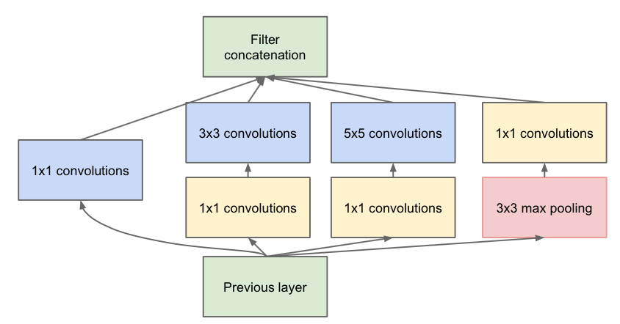
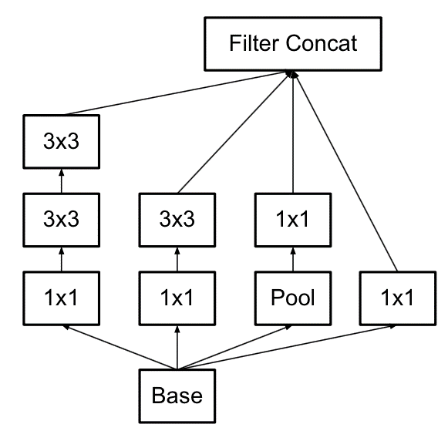
CNN发展历史 | LeNet | 1998
 | AlexNet | 2012
 | VGG | 2014
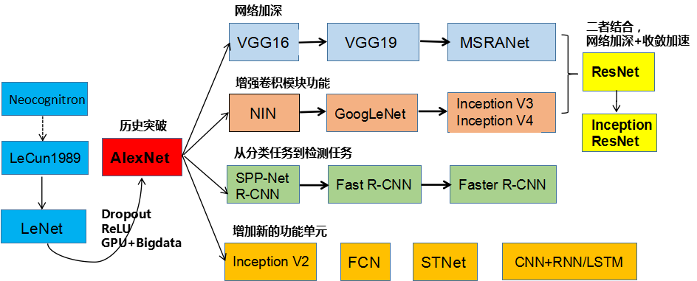
 | GoogleNet | 2014
 | ResNet | 2015

引入1*1卷积 | Inception V1
 | Inception V2
 | Inception V3
 | Inception V4

AlexNet
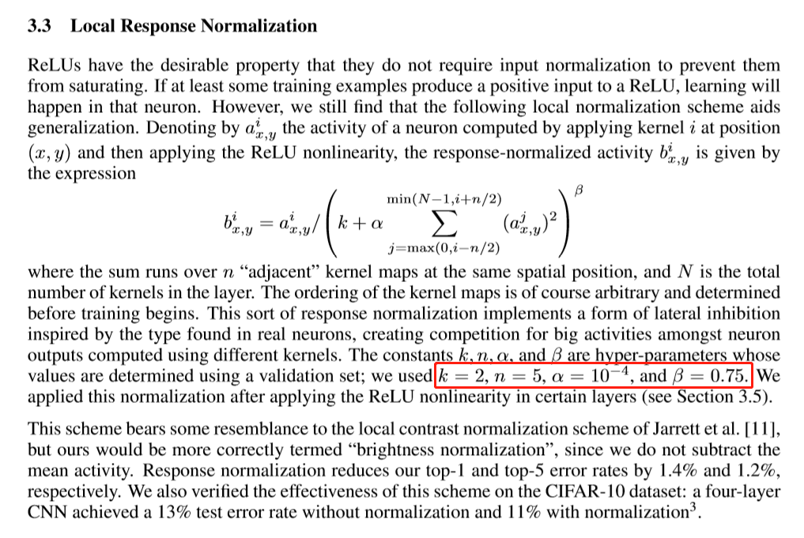
 | H*W
图 |  |  | 训练集
 |  |  | 测试集
训练阶段 |  |  |  |  |  |  |  |  |  |  | 测试阶段

Name | Tpye | Kernel | pad | str | num_output | InpRes | OutRes | bottom | top | include_phase | Name | Tpye | Kernel | pad | str | Ch I/O | InpRes | OutRes | bottom | top
data | Data | crop_size = 227 |  |  | LMDB |  |  |  | data、label | TRAIN
data | Data |  |  |  |  |  |  |  | data、label | TEST | data | Input |  |  |  |  |  | 100*1*28*28 |  | data
conv1 + relu1 | Convolution + ReLU | 11 |  | 4 | 96 |  |  | data | conv1
norm1 | LRN | local_size：5、alpha：0.0001、beta：0.75 |  |  |  |  |  | conv1 | norm1
pool1 | Pooling | 3 |  | 2 | MAX |  |  | norm1 | pool1
conv2 + relu2 | Convolution + ReLU | 5 | 2 |  | 256 | group = 2 |  | pool1 | conv2
norm2 | LRN | local_size：5、alpha：0.0001、beta：0.75 |  |  |  |  |  | conv2 | norm2
pool2 | Pooling | 3 |  | 2 | MAX |  |  | norm2 | pool2
conv3 + relu3 | Convolution + ReLU | 3 | 1 |  | 384 |  |  | pool2 | conv3
conv4 + relu4 | Convolution + ReLU | 3 | 1 |  | 384 | group = 2 |  | conv3 | conv4
conv5 + relu5 | Convolution + ReLU | 3 | 1 |  | 256 | group = 2 |  | conv4 | conv5
pool5 | Pooling | 3 |  | 2 | MAX |  |  | conv5 | pool5
fc6 + relu6 | InnerProduct + ReLU |  |  |  | 4096 |  |  | pool5 | fc6
drop6 | Dropout |  |  |  |  |  |  | fc6 | fc6
fc7 + relu7 | InnerProduct + ReLU |  |  |  | 4096 |  |  | fc6 | fc7
drop7 | Dropout |  |  |  |  |  |  | fc7 | fc7
fc8 | InnerProduct |  |  |  | 1000 |  |  | fc7 | fc8
accuracy | Accuracy |  |  |  |  |  |  | fc8、label | accuracy | TEST
loss | SoftmaxWithLoss |  |  |  |  |  |  | fc8、label | loss

局部响应归一化（Local Response Normalization、LRN）：一般在激活、池化函数后使用。对局部神经元的活动创建竞争机制，使其中响应比较大的值变得相对更大，并抑制其它反馈较小的神经元，增强了模型的泛化能力。（有论文说这个层没有用！！！）

Dropout层（解决过拟合）：随机删掉网络中一半的隐藏神经元，输入输出神经元保持不变（https://zhuanlan.zhihu.com/p/23178423）

VGG-16
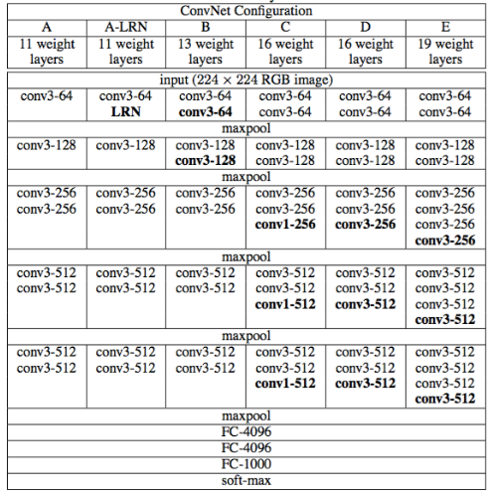
原始数据 | H*W
图 |  |  | 训练集
 |  |  | 测试集
训练阶段 |  |  |  |  |  |  |  |  |  |  | 测试阶段

Name | Tpye | Kernel | pad | str | num_output | InpRes | OutRes | bottom | top | include_phase | Name | Tpye | Kernel | pad | str | Ch I/O | InpRes | OutRes | bottom | top
data | Data | crop_size = 224、mean_value = BGR |  |  | LEVELDB |  |  |  | data、label | TRAIN
data | Data |  |  |  |  |  |  |  | data、label | TEST | data | Input |  |  |  |  |  | 100*1*28*28 |  | data
conv1_1 + relu1_1 | Convolution + ReLU | 3 | 1 |  | 64 |  |  | data | conv1_1
conv1_2 + relu1_2 | Convolution + ReLU | 3 | 1 |  | 64 |  |  | conv1_1 | conv1_2
pool1 | Pooling | 2 |  | 2 | MAX |  |  | conv1_2 | pool1
conv2_1 + relu2_1 | Convolution + ReLU | 3 | 1 |  | 128 |  |  | pool1 | conv2_1
conv2_2 + relu2_2 | Convolution + ReLU | 3 | 1 |  | 128 |  |  | conv2_1 | conv2_2
pool2 | Pooling | 2 |  | 2 | MAX |  |  | conv2_2 | pool2
conv3_1 + relu3_1 | Convolution + ReLU | 3 | 1 |  | 256 |  |  | pool2 | conv3_1
conv3_2 + relu3_2 | Convolution + ReLU | 3 | 1 |  | 256 |  |  | conv3_1 | conv3_2
conv3_3 + relu3_3 | Convolution + ReLU | 3 | 1 |  | 256 |  |  | conv3_2 | conv3_3
pool3 | Pooling | 2 |  | 2 | MAX |  |  | conv3_3 | pool3
conv4_1 + relu4_1 | Convolution + ReLU | 3 | 1 |  | 512 |  |  | pool3 | conv4_1
conv4_2 + relu4_2 | Convolution + ReLU | 3 | 1 |  | 512 |  |  | conv4_1 | conv4_2
conv4_3 + relu4_3 | Convolution + ReLU | 3 | 1 |  | 512 |  |  | conv4_2 | conv4_3
pool4 | Pooling | 2 |  | 2 | MAX |  |  | conv4_3 | pool4
conv5_1 + relu5_1 | Convolution + ReLU | 3 | 1 |  | 512 |  |  | pool4 | conv5_1
conv5_2 + relu5_2 | Convolution + ReLU | 3 | 1 |  | 512 |  |  | conv5_1 | conv5_2
conv5_3 + relu5_3 | Convolution + ReLU | 3 | 1 |  | 512 |  |  | conv5_2 | conv5_3
pool5 | Pooling | 2 |  | 2 | MAX |  |  | conv5_3 | pool5
fc6 + relu6 | InnerProduct + ReLU |  |  |  | 4096 |  |  | pool5 | fc6
drop6 | Dropout |  |  |  |  |  |  | fc6 | fc6
fc7 + relu7 | InnerProduct + ReLU |  |  |  | 4096 |  |  | fc6 | fc7
drop7 | Dropout |  |  |  |  |  |  | fc7 | fc7
fc8 | InnerProduct |  |  |  | 1000 |  |  | fc7 | fc8
accuracy_at_1 | Accuracy |  |  |  |  |  |  | fc8、label | accuracy_at_1 | TEST
accuracy_at_5 | Accuracy |  |  |  |  |  |  | fc8、label | accuracy_at_5 | TEST
loss | SoftmaxWithLoss |  |  |  |  |  |  | fc8、label | loss

16 = 13个卷积层 + 3个全连接层

Dropout层（解决过拟合）：随机删掉网络中一半的隐藏神经元，输入输出神经元保持不变（https://zhuanlan.zhihu.com/p/23178423）

