Marker Locations
Body Part | Marker | Other Name | Motus Abbreviation | Anatomical Location
Back | Withers |  | B1 | Highest spot of the spinous processes of the first few thoracic vertebrae
Back | Thoracic |  | B2 | Dorsal spinous process of the last thoracic vertebrae (T13)
Back | Tail Head |  | B3 | Sacrococcygeal Joint
Forelimb | Elbow Joint |  | E | 2 cm above the lateral tuberosity of the radius
Forelimb | Carpal Joint | Shoulder | S | Lateral side of the center of the carpus at the same height as the accessory carpal bone
Forelimb | Fore Fetlock Joint |  | FF | On the condyle on the distal end of the metacarpal bone at the same height as the sesamoid bone
Forelimb | Fore Coffin Joint | Front Hoof | FH | Craniolateral hoof wall, 2 cm from interdigital cleft below the coronary band
Hindlimb | Stifle Joint | Knee | K | 2 cm above the head of the fibula
Hindlimb | Hock Joint |  | H | On the flat spot of the talus
Hindlimb | Hind Fetlock Joint |  | BF | On the condyle on the distal end of the metacarpal bone at the same height as the sesamoid bone
Hindlimb | Hind Coffin Joint | Back Hoof | BH | Craniolateral hoof wall, 2 cm from interdigital cleft below the coronary band
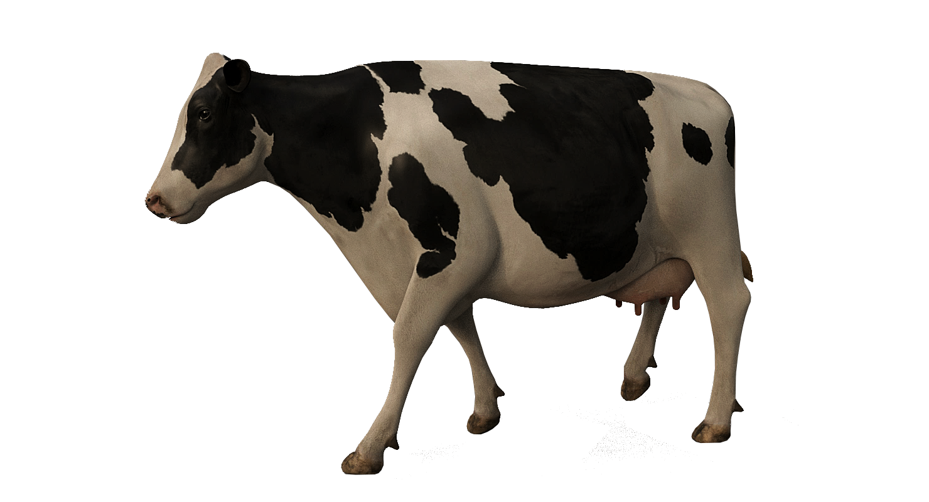
Withers
Thoracic
Tail head
Elbow
Carpal
Fore Fetlock
Fore coffin
Stifle
Hock
Hind fetlock
Hind coffin

