1053
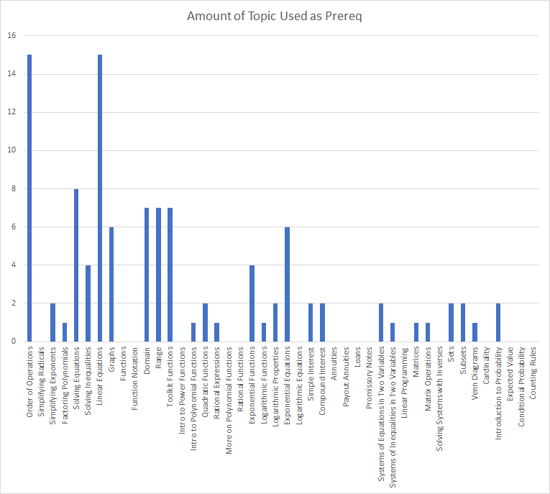
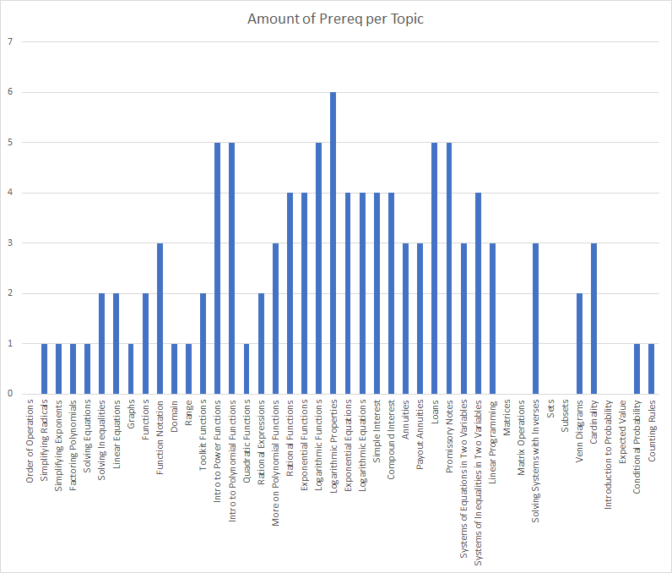
 | -> "is a prerequsite for" ↓ | Order of Operations | Simplifying Radicals | Simplifying Exponents | Factoring Polynomials | Solving Equations | Solving Inequalities | Linear Equations | Graphs | Functions | Function Notation | Domain | Range | Toolkit Functions | Intro to Power Functions | Intro to Polynomial Functions | Quadratic Functions | Rational Expressions | More on Polynomial Functions | Rational Functions | Exponential Functions | Logarithmic Functions | Logarithmic Properties | Exponential Equations | Logarithmic Equations | Simple Interest | Compound Interest | Annuities | Payout Annuities | Loans | Promissory Notes | Systems of Inequalities in Two Variables | Systems of Equations in Two Variables | Linear Programming | Matrices | Matrix Operations | Solving Systems with Inverses | Sets | Subsets | Venn Diagrams | Cardinality | Introduction to Probability | Expected Value | Conditional Probability | Counting Rules | Amount of Prereq per Topic
 |  | 1 | 2 | 32 | 3 | 4 | 4 | 5 | 6 | 9 | 10 | 11 | 12 | 13 | 14 | 15 | 16 | 33 | 19 | 20 | 28 | 29 | 30 | 34 | 35 | 36 | 37 | 38 | 39 | 40 | 41 | 7 | 42 | 43 | 44 | 45 | 46 | 47 | 48 | 49 | 50 | 51 | 52 | 53 | 54
1 | Order of Operations |  |  |  |  |  |  |  |  |  |  |  |  |  |  |  |  |  |  |  |  |  |  |  |  |  |  |  |  |  |  |  |  |  |  |  |  |  |  |  |  |  |  |  |  | 0
2 | Simplifying Radicals | 1 |  |  |  |  |  |  |  |  |  |  |  |  |  |  |  |  |  |  |  |  |  |  |  |  |  |  |  |  |  |  |  |  |  |  |  |  |  |  |  |  |  |  |  | 1
32 | Simplifying Exponents | 1 |  |  |  |  |  |  |  |  |  |  |  |  |  |  |  |  |  |  |  |  |  |  |  |  |  |  |  |  |  |  |  |  |  |  |  |  |  |  |  |  |  |  |  | 1
3 | Factoring Polynomials | 1 |  |  |  |  |  |  |  |  |  |  |  |  |  |  |  |  |  |  |  |  |  |  |  |  |  |  |  |  |  |  |  |  |  |  |  |  |  |  |  |  |  |  |  | 1
4 | Solving Equations | 1 |  |  |  |  |  |  |  |  |  |  |  |  |  |  |  |  |  |  |  |  |  |  |  |  |  |  |  |  |  |  |  |  |  |  |  |  |  |  |  |  |  |  |  | 1
4 | Solving Inequalities | 1 |  |  |  | 1 |  |  |  |  |  |  |  |  |  |  |  |  |  |  |  |  |  |  |  |  |  |  |  |  |  |  |  |  |  |  |  |  |  |  |  |  |  |  |  | 2
5 | Linear Equations | 1 |  |  |  | 1 |  |  |  |  |  |  |  |  |  |  |  |  |  |  |  |  |  |  |  |  |  |  |  |  |  |  |  |  |  |  |  |  |  |  |  |  |  |  |  | 2
6 | Graphs |  |  |  |  |  |  | 1 |  |  |  |  |  |  |  |  |  |  |  |  |  |  |  |  |  |  |  |  |  |  |  |  |  |  |  |  |  |  |  |  |  |  |  |  |  | 1
9 | Functions |  |  |  |  | 1 |  | 1 |  |  |  |  |  |  |  |  |  |  |  |  |  |  |  |  |  |  |  |  |  |  |  |  |  |  |  |  |  |  |  |  |  |  |  |  |  | 2
10 | Function Notation |  |  |  |  | 1 |  | 1 | 1 |  |  |  |  |  |  |  |  |  |  |  |  |  |  |  |  |  |  |  |  |  |  |  |  |  |  |  |  |  |  |  |  |  |  |  |  | 3
11 | Domain |  |  |  |  |  | 1 |  |  |  |  |  |  |  |  |  |  |  |  |  |  |  |  |  |  |  |  |  |  |  |  |  |  |  |  |  |  |  |  |  |  |  |  |  |  | 1
12 | Range |  |  |  |  |  | 1 |  |  |  |  |  |  |  |  |  |  |  |  |  |  |  |  |  |  |  |  |  |  |  |  |  |  |  |  |  |  |  |  |  |  |  |  |  |  | 1
13 | Toolkit Functions |  |  |  |  |  | 1 |  | 1 |  |  |  |  |  |  |  |  |  |  |  |  |  |  |  |  |  |  |  |  |  |  |  |  |  |  |  |  |  |  |  |  |  |  |  |  | 2
14 | Intro to Power Functions |  |  |  |  | 1 |  |  | 1 |  |  | 1 | 1 | 1 |  |  |  |  |  |  |  |  |  |  |  |  |  |  |  |  |  |  |  |  |  |  |  |  |  |  |  |  |  |  |  | 5
15 | Intro to Polynomial Functions |  |  |  |  | 1 |  |  | 1 |  |  | 1 | 1 | 1 |  |  |  |  |  |  |  |  |  |  |  |  |  |  |  |  |  |  |  |  |  |  |  |  |  |  |  |  |  |  |  | 5
16 | Quadratic Functions |  |  |  |  |  |  |  |  |  |  |  |  |  |  | 1 |  |  |  |  |  |  |  |  |  |  |  |  |  |  |  |  |  |  |  |  |  |  |  |  |  |  |  |  |  | 1
33 | Rational Expressions |  |  | 1 | 1 |  |  |  |  |  |  |  |  |  |  |  |  |  |  |  |  |  |  |  |  |  |  |  |  |  |  |  |  |  |  |  |  |  |  |  |  |  |  |  |  | 2
19 | More on Polynomial Functions |  |  |  |  |  |  |  |  |  |  | 1 | 1 | 1 |  |  |  |  |  |  |  |  |  |  |  |  |  |  |  |  |  |  |  |  |  |  |  |  |  |  |  |  |  |  |  | 3
20 | Rational Functions |  |  |  |  |  |  |  |  |  |  | 1 | 1 | 1 |  |  |  | 1 |  |  |  |  |  |  |  |  |  |  |  |  |  |  |  |  |  |  |  |  |  |  |  |  |  |  |  | 4
28 | Exponential Functions |  |  | 1 |  |  |  |  |  |  |  | 1 | 1 | 1 |  |  |  |  |  |  |  |  |  |  |  |  |  |  |  |  |  |  |  |  |  |  |  |  |  |  |  |  |  |  |  | 4
29 | Logarithmic Functions |  |  |  |  |  |  | 1 |  |  |  | 1 | 1 | 1 |  |  |  |  |  |  | 1 |  |  |  |  |  |  |  |  |  |  |  |  |  |  |  |  |  |  |  |  |  |  |  |  | 5
30 | Logarithmic Properties |  |  |  |  |  |  | 1 |  |  |  | 1 | 1 | 1 |  |  |  |  |  |  | 1 | 1 |  |  |  |  |  |  |  |  |  |  |  |  |  |  |  |  |  |  |  |  |  |  |  | 6
34 | Exponential Equations |  |  |  |  | 1 |  | 1 |  |  |  |  |  |  |  |  | 1 |  |  |  |  |  | 1 |  |  |  |  |  |  |  |  |  |  |  |  |  |  |  |  |  |  |  |  |  |  | 4
35 | Logarithmic Equations |  |  |  |  | 1 |  | 1 |  |  |  |  |  |  |  |  | 1 |  |  |  |  |  | 1 |  |  |  |  |  |  |  |  |  |  |  |  |  |  |  |  |  |  |  |  |  |  | 4
36 | Simple Interest | 1 |  |  |  |  |  | 1 |  |  |  |  |  |  |  |  |  |  |  |  | 1 |  |  | 1 |  |  |  |  |  |  |  |  |  |  |  |  |  |  |  |  |  |  |  |  |  | 4
37 | Compound Interest | 1 |  |  |  |  |  | 1 |  |  |  |  |  |  |  |  |  |  |  |  | 1 |  |  | 1 |  |  |  |  |  |  |  |  |  |  |  |  |  |  |  |  |  |  |  |  |  | 4
38 | Annuities | 1 |  |  |  |  |  | 1 |  |  |  |  |  |  |  |  |  |  |  |  |  |  |  | 1 |  |  |  |  |  |  |  |  |  |  |  |  |  |  |  |  |  |  |  |  |  | 3
39 | Payout Annuities | 1 |  |  |  |  |  | 1 |  |  |  |  |  |  |  |  |  |  |  |  |  |  |  | 1 |  |  |  |  |  |  |  |  |  |  |  |  |  |  |  |  |  |  |  |  |  | 3
40 | Loans | 1 |  |  |  |  |  | 1 |  |  |  |  |  |  |  |  |  |  |  |  |  |  |  | 1 |  | 1 | 1 |  |  |  |  |  |  |  |  |  |  |  |  |  |  |  |  |  |  | 5
41 | Promissory Notes | 1 |  |  |  |  |  | 1 |  |  |  |  |  |  |  |  |  |  |  |  |  |  |  | 1 |  | 1 | 1 |  |  |  |  |  |  |  |  |  |  |  |  |  |  |  |  |  |  | 5
7 | Systems of Equations in Two Variables | 1 |  |  |  |  |  | 1 | 1 |  |  |  |  |  |  |  |  |  |  |  |  |  |  |  |  |  |  |  |  |  |  |  |  |  |  |  |  |  |  |  |  |  |  |  |  | 3
42 | Systems of Inequalities in Two Variables | 1 |  |  |  |  | 1 | 1 | 1 |  |  |  |  |  |  |  |  |  |  |  |  |  |  |  |  |  |  |  |  |  |  |  |  |  |  |  |  |  |  |  |  |  |  |  |  | 4
43 | Linear Programming | 1 |  |  |  |  |  |  |  |  |  |  |  |  |  |  |  |  |  |  |  |  |  |  |  |  |  |  |  |  |  | 1 | 1 |  |  |  |  |  |  |  |  |  |  |  |  | 3
44 | Matrices |  |  |  |  |  |  |  |  |  |  |  |  |  |  |  |  |  |  |  |  |  |  |  |  |  |  |  |  |  |  |  |  |  |  |  |  |  |  |  |  |  |  |  |  | 0
45 | Matrix Operations |  |  |  |  |  |  |  |  |  |  |  |  |  |  |  |  |  |  |  |  |  |  |  |  |  |  |  |  |  |  |  |  |  |  |  |  |  |  |  |  |  |  |  |  | 0
46 | Solving Systems with Inverses |  |  |  |  |  |  |  |  |  |  |  |  |  |  |  |  |  |  |  |  |  |  |  |  |  |  |  |  |  |  | 1 |  |  | 1 | 1 |  |  |  |  |  |  |  |  |  | 3
47 | Sets |  |  |  |  |  |  |  |  |  |  |  |  |  |  |  |  |  |  |  |  |  |  |  |  |  |  |  |  |  |  |  |  |  |  |  |  |  |  |  |  |  |  |  |  | 0
48 | Subsets |  |  |  |  |  |  |  |  |  |  |  |  |  |  |  |  |  |  |  |  |  |  |  |  |  |  |  |  |  |  |  |  |  |  |  |  |  |  |  |  |  |  |  |  | 0
49 | Venn Diagrams |  |  |  |  |  |  |  |  |  |  |  |  |  |  |  |  |  |  |  |  |  |  |  |  |  |  |  |  |  |  |  |  |  |  |  |  | 1 | 1 |  |  |  |  |  |  | 2
50 | Cardinality |  |  |  |  |  |  |  |  |  |  |  |  |  |  |  |  |  |  |  |  |  |  |  |  |  |  |  |  |  |  |  |  |  |  |  |  | 1 | 1 | 1 |  |  |  |  |  | 3
51 | Introduction to Probability |  |  |  |  |  |  |  |  |  |  |  |  |  |  |  |  |  |  |  |  |  |  |  |  |  |  |  |  |  |  |  |  |  |  |  |  |  |  |  |  |  |  |  |  | 0
52 | Expected Value |  |  |  |  |  |  |  |  |  |  |  |  |  |  |  |  |  |  |  |  |  |  |  |  |  |  |  |  |  |  |  |  |  |  |  |  |  |  |  |  |  |  |  |  | 0
53 | Conditional Probability |  |  |  |  |  |  |  |  |  |  |  |  |  |  |  |  |  |  |  |  |  |  |  |  |  |  |  |  |  |  |  |  |  |  |  |  |  |  |  |  | 1 |  |  |  | 1
54 | Counting Rules |  |  |  |  |  |  |  |  |  |  |  |  |  |  |  |  |  |  |  |  |  |  |  |  |  |  |  |  |  |  |  |  |  |  |  |  |  |  |  |  | 1 |  |  |  | 1
 | Amount of Topic Used as Prereq | 15 | 0 | 2 | 1 | 8 | 4 | 15 | 6 | 0 | 0 | 7 | 7 | 7 | 0 | 1 | 2 | 1 | 0 | 0 | 4 | 1 | 2 | 6 | 0 | 2 | 2 | 0 | 0 | 0 | 0 | 2 | 1 | 0 | 1 | 1 | 0 | 2 | 2 | 1 | 0 | 2 | 0 | 0 | 0

3013
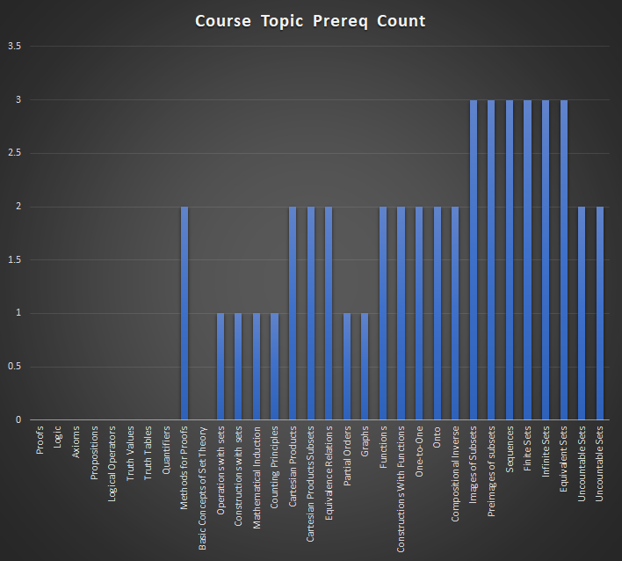
down is prereque for top |  | Proofs | Logic | Axioms | Propositions | Logical Operators | Truth Values | Truth Tables | Quantifiers | Methods for Proofs | Basic Concepts of Set Theory | Operations with sets | Constructions with sets | Mathematical Induction | Counting Principles | Cartesian Products | Cartesian Products Subsets | Equivalence Relations | Partial Orders | Graphs | Functions | Constructions With Functions | One-to-One | Onto | Compositional Inverse | Images of Subsets | Preimages of subsets | Sequences | Finite Sets | Infinite Sets | Equivalent Sets | Uncountable Sets | Count of Topic Used as Prereq
 |  | 234 | 235 | 236 | 237 | 238 | 239 | 240 | 241 | 242 | 243 | 244 | 245 | 246 | 247 | 248 | 249 | 250 | 251 | 252 | 253 | 254 | 255 | 256 | 257 | 258 | 259 | 260 | 261 | 262 | 263 | 264
MAT 1093
Functions and their graphs |  |  |  |  |  |  |  |  |  |  |  |  |  |  |  |  |  |  |  |  | 1 | 1 |  |  |  |  |  |  |  |  |  |  | 2
One to one functions |  |  |  |  |  |  |  |  |  |  |  |  |  |  |  |  |  |  |  |  |  |  |  |  |  |  |  |  |  |  |  |  | 0
Inverse Functions |  |  |  |  |  |  |  |  |  |  |  |  |  |  |  |  |  |  |  |  |  |  |  |  |  |  |  |  |  |  |  |  | 0
Angles and their measure |  |  |  |  |  |  |  |  |  |  |  |  |  |  |  |  |  |  |  |  |  |  |  |  |  |  |  |  |  |  |  |  | 0
Trig. Functions: Unit Circle Approach |  |  |  |  |  |  |  |  |  |  |  |  |  |  |  |  |  |  |  |  |  |  |  |  |  |  |  |  |  |  |  |  | 0
Properties of the Trig. Functions |  |  |  |  |  |  |  |  |  |  |  |  |  |  |  |  |  |  |  |  |  |  |  |  |  |  |  |  |  |  |  |  | 0
Graphs of Sine and Cosine Functions |  |  |  |  |  |  |  |  |  |  |  |  |  |  |  |  |  |  |  |  |  |  |  |  |  |  |  |  |  |  |  |  | 0
Graphs of Tangent, Cotangent, cosecant and secant functions |  |  |  |  |  |  |  |  |  |  |  |  |  |  |  |  |  |  |  |  |  |  |  |  |  |  |  |  |  |  |  |  | 0
Phase Shift and Applications |  |  |  |  |  |  |  |  |  |  |  |  |  |  |  |  |  |  |  |  |  |  |  |  |  |  |  |  |  |  |  |  | 0
Inverse sine, cosine, and tangent functions |  |  |  |  |  |  |  |  |  |  |  |  |  |  |  |  |  |  |  |  |  |  |  |  |  |  |  |  |  |  |  |  | 0
Inverse Secant, cosecant and cotangent functions |  |  |  |  |  |  |  |  |  |  |  |  |  |  |  |  |  |  |  |  |  |  |  |  |  |  |  |  |  |  |  |  | 0
Trigonometric Equations with a single trig functions |  |  |  |  |  |  |  |  |  |  |  |  |  |  |  |  |  |  |  |  |  |  |  |  |  |  |  |  |  |  |  |  | 0
Trigonometric Equations |  |  |  |  |  |  |  |  |  |  |  |  |  |  |  |  |  |  |  |  |  |  |  |  |  |  |  |  |  |  |  |  | 0
Trigonometric Identities |  |  |  |  |  |  |  |  |  |  |  |  |  |  |  |  |  |  |  |  |  |  |  |  |  |  |  |  |  |  |  |  | 0
Sum and Difference Formulas |  |  |  |  |  |  |  |  |  |  |  |  |  |  |  |  |  |  |  |  |  |  |  |  |  |  |  |  |  |  |  |  | 0
Double-angle formulas |  |  |  |  |  |  |  |  |  |  |  |  |  |  |  |  |  |  |  |  |  |  |  |  |  |  |  |  |  |  |  |  | 0
Half Angle formulas |  |  |  |  |  |  |  |  |  |  |  |  |  |  |  |  |  |  |  |  |  |  |  |  |  |  |  |  |  |  |  |  | 0
Product-to-sum and sum-to-product formulas |  |  |  |  |  |  |  |  |  |  |  |  |  |  |  |  |  |  |  |  |  |  |  |  |  |  |  |  |  |  |  |  | 0
Right angle definition of the Trigonometric functions |  |  |  |  |  |  |  |  |  |  |  |  |  |  |  |  |  |  |  |  |  |  |  |  |  |  |  |  |  |  |  |  | 0
The law of Sines |  |  |  |  |  |  |  |  |  |  |  |  |  |  |  |  |  |  |  |  |  |  |  |  |  |  |  |  |  |  |  |  | 0
The law of Cosines |  |  |  |  |  |  |  |  |  |  |  |  |  |  |  |  |  |  |  |  |  |  |  |  |  |  |  |  |  |  |  |  | 0
Area of a Triangle |  |  |  |  |  |  |  |  |  |  |  |  |  |  |  |  |  |  |  |  |  |  |  |  |  |  |  |  |  |  |  |  | 0
Polar Coordinates |  |  |  |  |  |  |  |  |  |  |  |  |  |  |  |  |  |  |  |  |  |  |  |  |  |  |  |  |  |  |  |  | 0
Polar Equations and Graphs |  |  |  |  |  |  |  |  |  |  |  |  |  |  |  |  |  |  |  |  |  |  |  |  |  |  |  |  |  |  |  |  | 0
The complex Plane |  |  |  |  |  |  |  |  |  |  |  |  |  |  |  |  |  |  |  |  |  |  |  |  |  |  |  |  |  |  |  |  | 0
DeMoivere's Theorem |  |  |  |  |  |  |  |  |  |  |  |  |  |  |  |  |  |  |  |  |  |  |  |  |  |  |  |  |  |  |  |  | 0
Exponential Functions |  |  |  |  |  |  |  |  |  |  |  |  |  |  |  |  |  |  |  |  |  |  |  |  |  |  |  |  |  |  |  |  | 0
Logarithmic Functions |  |  |  |  |  |  |  |  |  |  |  |  |  |  |  |  |  |  |  |  |  |  |  |  |  |  |  |  |  |  |  |  | 0
Properties of Logarithims |  |  |  |  |  |  |  |  |  |  |  |  |  |  |  |  |  |  |  |  |  |  |  |  |  |  |  |  |  |  |  |  | 0
Logarithmic and Exponential Equations |  |  |  |  |  |  |  |  |  |  |  |  |  |  |  |  |  |  |  |  |  |  |  |  |  |  |  |  |  |  |  |  | 0
Exponential Growth and Decay models |  |  |  |  |  |  |  |  |  |  |  |  |  |  |  |  |  |  |  |  |  |  |  |  |  |  |  |  |  |  |  |  | 0
Newton’s law of Cooling |  |  |  |  |  |  |  |  |  |  |  |  |  |  |  |  |  |  |  |  |  |  |  |  |  |  |  |  |  |  |  |  | 0
Logistic growth and decay |  |  |  |  |  |  |  |  |  |  |  |  |  |  |  |  |  |  |  |  |  |  |  |  |  |  |  |  |  |  |  |  | 0
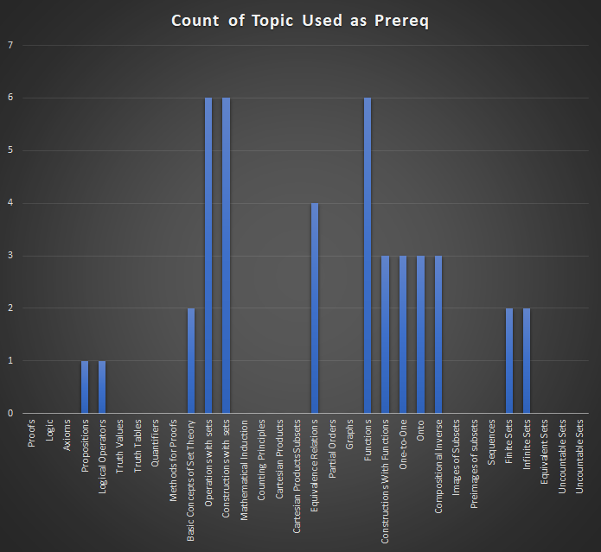
MAT 3013
Proofs | 234 |  |  |  |  |  |  |  |  |  |  |  |  |  |  |  |  |  |  |  |  |  |  |  |  |  |  |  |  |  |  |  | 0
Logic | 235 |  |  |  |  |  |  |  |  |  |  |  |  |  |  |  |  |  |  |  |  |  |  |  |  |  |  |  |  |  |  |  | 0
Axioms | 236 |  |  |  |  |  |  |  |  |  |  |  |  |  |  |  |  |  |  |  |  |  |  |  |  |  |  |  |  |  |  |  | 0
Propositions | 237 |  |  |  |  |  |  |  |  | 1 |  |  |  |  |  |  |  |  |  |  |  |  |  |  |  |  |  |  |  |  |  |  | 1
Logical Operators | 238 |  |  |  |  |  |  |  |  | 1 |  |  |  |  |  |  |  |  |  |  |  |  |  |  |  |  |  |  |  |  |  |  | 1
Truth Values | 239 |  |  |  |  |  |  |  |  |  |  |  |  |  |  |  |  |  |  |  |  |  |  |  |  |  |  |  |  |  |  |  | 0
Truth Tables | 240 |  |  |  |  |  |  |  |  |  |  |  |  |  |  |  |  |  |  |  |  |  |  |  |  |  |  |  |  |  |  |  | 0
Quantifiers | 241 |  |  |  |  |  |  |  |  |  |  |  |  |  |  |  |  |  |  |  |  |  |  |  |  |  |  |  |  |  |  |  | 0
Methods for Proofs | 242 |  |  |  |  |  |  |  |  |  |  |  |  |  |  |  |  |  |  |  |  |  |  |  |  |  |  |  |  |  |  |  | 0
Basic Concepts of Set Theory | 243 |  |  |  |  |  |  |  |  |  |  | 1 | 1 |  |  |  |  |  |  |  |  |  |  |  |  |  |  |  |  |  |  |  | 2
Operations with sets | 244 |  |  |  |  |  |  |  |  |  |  |  |  |  |  | 1 | 1 | 1 |  |  |  |  |  |  |  |  |  |  | 1 | 1 | 1 |  | 6
Constructions with sets | 245 |  |  |  |  |  |  |  |  |  |  |  |  |  |  | 1 | 1 | 1 |  |  |  |  |  |  |  |  |  |  | 1 | 1 | 1 |  | 6
Mathematical Induction | 246 |  |  |  |  |  |  |  |  |  |  |  |  |  |  |  |  |  |  |  |  |  |  |  |  |  |  |  |  |  |  |  | 0
Counting Principles | 247 |  |  |  |  |  |  |  |  |  |  |  |  |  |  |  |  |  |  |  |  |  |  |  |  |  |  |  |  |  |  |  | 0
Cartesian Products | 248 |  |  |  |  |  |  |  |  |  |  |  |  |  |  |  |  |  |  |  |  |  |  |  |  |  |  |  |  |  |  |  | 0
Cartesian Products Subsets | 249 |  |  |  |  |  |  |  |  |  |  |  |  |  |  |  |  |  |  |  |  |  |  |  |  |  |  |  |  |  |  |  | 0
Equivalence Relations | 250 |  |  |  |  |  |  |  |  |  |  |  |  |  |  |  |  |  | 1 | 1 | 1 | 1 |  |  |  |  |  |  |  |  |  |  | 4
Partial Orders | 251 |  |  |  |  |  |  |  |  |  |  |  |  |  |  |  |  |  |  |  |  |  |  |  |  |  |  |  |  |  |  |  | 0
Graphs | 252 |  |  |  |  |  |  |  |  |  |  |  |  |  |  |  |  |  |  |  |  |  |  |  |  |  |  |  |  |  |  |  | 0
Functions | 253 |  |  |  |  |  |  |  |  |  |  |  |  |  |  |  |  |  |  |  |  |  | 1 | 1 | 1 |  |  |  | 1 | 1 | 1 |  | 6
Constructions With Functions | 254 |  |  |  |  |  |  |  |  |  |  |  |  |  |  |  |  |  |  |  |  |  | 1 | 1 | 1 |  |  |  |  |  |  |  | 3
One-to-One | 255 |  |  |  |  |  |  |  |  |  |  |  |  |  |  |  |  |  |  |  |  |  |  |  |  | 1 | 1 | 1 |  |  |  |  | 3
Onto | 256 |  |  |  |  |  |  |  |  |  |  |  |  |  |  |  |  |  |  |  |  |  |  |  |  | 1 | 1 | 1 |  |  |  |  | 3
Compositional Inverse | 257 |  |  |  |  |  |  |  |  |  |  |  |  |  |  |  |  |  |  |  |  |  |  |  |  | 1 | 1 | 1 |  |  |  |  | 3
Images of Subsets | 258 |  |  |  |  |  |  |  |  |  |  |  |  |  |  |  |  |  |  |  |  |  |  |  |  |  |  |  |  |  |  |  | 0
Preimages of subsets | 259 |  |  |  |  |  |  |  |  |  |  |  |  |  |  |  |  |  |  |  |  |  |  |  |  |  |  |  |  |  |  |  | 0
Sequences | 260 |  |  |  |  |  |  |  |  |  |  |  |  |  |  |  |  |  |  |  |  |  |  |  |  |  |  |  |  |  |  |  | 0
Finite Sets | 261 |  |  |  |  |  |  |  |  |  |  |  |  |  |  |  |  |  |  |  |  |  |  |  |  |  |  |  |  |  |  | 1 | 1
Infinite Sets | 262 |  |  |  |  |  |  |  |  |  |  |  |  |  |  |  |  |  |  |  |  |  |  |  |  |  |  |  |  |  |  | 1 | 1
Equivalent Sets | 263 |  |  |  |  |  |  |  |  |  |  |  |  |  |  |  |  |  |  |  |  |  |  |  |  |  |  |  |  |  |  |  | 0
Uncountable Sets | 264 |  |  |  |  |  |  |  |  |  |  |  |  |  |  |  |  |  |  |  |  |  |  |  |  |  |  |  |  |  |  |  | 0
Unknown Course
Natural Numbers |  |  |  |  |  |  |  |  |  |  |  |  |  | 1 | 1 |  |  |  |  |  |  |  |  |  |  |  |  |  |  |  |  |  | 2
Course Topic Prereq Count |  | 0 | 0 | 0 | 0 | 0 | 0 | 0 | 0 | 2 | 0 | 1 | 1 | 1 | 1 | 2 | 2 | 2 | 1 | 1 | 2 | 2 | 2 | 2 | 2 | 3 | 3 | 3 | 3 | 3 | 3 | 2

1133
 |  | Applications of Linear Functions | Quadratic Functions and Applications | Limits | One-Sided Limits and Limits at Infinity | Rates of Change | Tangent Lines | The Derivative as a Function | Techniques for Finding Derivatives | Derivatives of Products and Quotients | The Chain Rule | Derivatives of Exponential Functions | Derivatives of Logarithmic Functions | Local Extrema | The Second Derivative | Optimization Applications | Implicit Differentiation | Related Rates | Elasticity of Demand | Antiderivatives | Integration by Substitution | Definite Integral | The Fundamental Theorem of Calculus | Applications of Integrals | Differential Equations | Multivariable Functions | Partial Derivatives | Count of Topic Used as Prereq
 |  | 356 | 357 | 358 | 359 | 360 | 361 | 362 | 363 | 364 | 365 | 366 | 367 | 368 | 369 | 370 | 371 | 372 | 373 | 374 | 375 | 376 | 377 | 378 | 379 | 380 | 381
MAT 1053
Order of Operations | 1 |  |  |  |  |  |  |  |  |  |  |  |  |  |  |  |  |  |  |  |  |  |  |  |  |  |  | 0
Simplifying Radicals | 2 |  |  |  |  |  |  |  |  |  |  |  |  | 1 |  |  |  |  |  |  |  |  |  |  |  |  |  | 1
Simplifying Exponents | 32 |  |  |  |  |  |  |  |  |  |  |  |  |  |  |  |  |  |  |  |  |  |  |  |  |  |  | 0
Factoring Polynomials | 3 |  |  |  |  |  |  |  |  |  |  |  |  |  |  |  |  |  |  |  |  |  |  |  |  |  |  | 0
Solving Equations | 4 |  |  |  |  |  |  |  |  |  |  |  |  |  |  |  |  |  |  |  |  |  |  |  |  |  |  | 0
Solving Inequalities | 4 |  |  |  |  |  |  |  |  |  |  |  |  |  |  |  |  |  |  |  |  |  |  |  |  |  |  | 0
Linear Equations | 5 |  |  |  |  | 1 |  |  |  |  |  |  |  |  |  |  |  |  |  |  |  |  |  |  |  |  |  | 1
Graphs | 6 |  |  |  |  | 1 |  |  |  |  |  |  |  |  |  |  |  |  |  |  |  | 1 |  |  |  | 1 |  | 3
Functions | 9 |  |  |  |  |  |  |  |  |  | 1 |  |  |  |  |  |  |  |  |  |  |  |  |  |  |  |  | 1
Function Notation | 10 |  |  |  |  | 1 |  |  |  |  | 1 |  |  |  |  |  |  |  |  |  |  |  |  |  |  |  |  | 2
Domain | 11 |  |  |  |  |  |  |  |  |  |  |  |  | 1 |  |  |  |  |  |  |  |  |  |  |  | 1 |  | 2
Range | 12 |  |  |  |  |  |  |  |  |  |  |  |  | 1 |  |  |  |  |  |  |  |  |  |  |  | 1 |  | 2
Toolkit Functions | 13 |  |  |  |  |  |  |  |  |  |  |  |  |  |  |  |  |  |  |  |  |  |  |  |  |  |  | 0
Intro to Power Functions | 14 |  |  |  |  |  |  |  |  |  |  |  |  |  |  |  |  |  |  |  |  |  |  |  |  |  |  | 0
Intro to Polynomial Functions | 15 |  |  |  |  |  |  |  |  |  |  |  |  |  |  |  |  |  |  |  |  |  |  |  |  |  |  | 0
Quadratic Functions | 16 |  |  |  |  |  |  |  |  |  |  |  |  |  |  |  |  |  |  |  |  |  |  |  |  |  |  | 0
Rational Expressions | 33 |  |  |  |  |  |  |  |  |  |  |  |  |  |  |  |  |  |  |  |  |  |  |  |  |  |  | 0
More on Polynomial Functions | 19 |  |  |  |  |  |  |  |  |  |  |  |  |  |  |  |  |  |  |  |  |  |  |  |  |  |  | 0
Rational Functions | 20 |  |  |  |  |  |  |  |  |  |  |  |  |  |  |  |  |  |  |  |  |  |  |  |  |  |  | 0
Exponential Functions | 28 |  |  |  |  |  |  |  |  |  |  | 1 |  |  |  |  |  |  |  |  |  |  |  |  |  |  |  | 1
Logarithmic Functions | 29 |  |  |  |  |  |  |  |  |  |  |  | 1 |  |  |  |  |  |  |  |  |  |  |  |  |  |  | 1
Logarithmic Properties | 30 |  |  |  |  |  |  |  |  |  |  |  |  |  |  |  |  |  |  |  |  |  |  |  |  |  |  | 0
Exponential Equations | 34 |  |  |  |  |  |  |  |  |  |  |  |  |  |  |  |  |  |  |  |  |  |  |  |  |  |  | 0
Logarithmic Equations | 35 |  |  |  |  |  |  |  |  |  |  |  |  |  |  |  |  |  |  |  |  |  |  |  |  |  |  | 0
Simple Interest | 36 |  |  |  |  |  |  |  |  |  |  |  |  |  |  |  |  |  |  |  |  |  |  |  |  |  |  | 0
Compound Interest | 37 |  |  |  |  |  |  |  |  |  |  |  |  |  |  |  |  |  |  |  |  |  |  |  |  |  |  | 0
Annuities | 38 |  |  |  |  |  |  |  |  |  |  |  |  |  |  |  |  |  |  |  |  |  |  |  |  |  |  | 0
Payout Annuities | 39 |  |  |  |  |  |  |  |  |  |  |  |  |  |  |  |  |  |  |  |  |  |  |  |  |  |  | 0
Loans | 40 |  |  |  |  |  |  |  |  |  |  |  |  |  |  |  |  |  |  |  |  |  |  |  |  |  |  | 0
Promissory Notes | 41 |  |  |  |  |  |  |  |  |  |  |  |  |  |  |  |  |  |  |  |  |  |  |  |  |  |  | 0
Systems of Equations in Two Variables | 7 |  |  |  |  |  |  |  |  |  |  |  |  |  |  |  |  |  |  |  |  |  |  |  |  |  |  | 0
Systems of Inequalities in Two Variables | 42 |  |  |  |  |  |  |  |  |  |  |  |  |  |  |  |  |  |  |  |  |  |  |  |  |  |  | 0
Linear Programming | 43 |  |  |  |  |  |  |  |  |  |  |  |  |  |  |  |  |  |  |  |  |  |  |  |  |  |  | 0
Matrices | 44 |  |  |  |  |  |  |  |  |  |  |  |  |  |  |  |  |  |  |  |  |  |  |  |  |  |  | 0
Matrix Operations | 45 |  |  |  |  |  |  |  |  |  |  |  |  |  |  |  |  |  |  |  |  |  |  |  |  |  |  | 0
Solving Systems with Inverses | 46 |  |  |  |  |  |  |  |  |  |  |  |  |  |  |  |  |  |  |  |  |  |  |  |  |  |  | 0
Sets | 47 |  |  |  |  |  |  |  |  |  |  |  |  |  |  |  |  |  |  |  |  |  |  |  |  |  |  | 0
Subsets | 48 |  |  |  |  |  |  |  |  |  |  |  |  |  |  |  |  |  |  |  |  |  |  |  |  |  |  | 0
Venn Diagrams | 49 |  |  |  |  |  |  |  |  |  |  |  |  |  |  |  |  |  |  |  |  |  |  |  |  |  |  | 0
Cardinality | 50 |  |  |  |  |  |  |  |  |  |  |  |  |  |  |  |  |  |  |  |  |  |  |  |  |  |  | 0
Introduction to Probability | 51 |  |  |  |  |  |  |  |  |  |  |  |  |  |  |  |  |  |  |  |  |  |  |  |  |  |  | 0
Expected Value | 52 |  |  |  |  |  |  |  |  |  |  |  |  |  |  |  |  |  |  |  |  |  |  |  |  |  |  | 0
Conditional Probability | 53 |  |  |  |  |  |  |  |  |  |  |  |  |  |  |  |  |  |  |  |  |  |  |  |  |  |  | 0
Counting Rules | 54 |  |  |  |  |  |  |  |  |  |  |  |  |  |  |  |  |  |  |  |  |  |  |  |  |  |  | 0
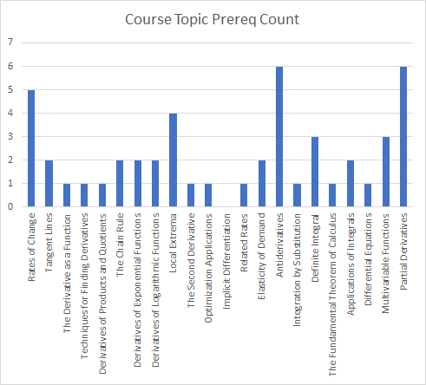
Count of Topic Used as Prereq
MAT 1133
Applications of Linear Functions | 356
Quadratic Functions and Applications | 357
Limits | 358 |  |  |  |  |  | 1
One-Sided Limits and Limits at Infinity | 359
Rates of Change | 360 |  |  |  |  |  | 1 |  |  |  |  |  |  |  |  |  |  |  |  |  |  |  |  |  |  |  |  | 1
Tangent Lines | 361 |  |  |  |  |  |  | 1 |  |  |  |  |  |  |  |  |  |  |  |  |  |  |  |  |  |  |  | 1
The Derivative as a Function | 362 |  |  |  |  |  |  |  | 1 |  |  | 1 | 1 | 1 |  |  |  |  |  |  |  |  |  |  |  |  |  | 4
Techniques for Finding Derivatives | 363 |  |  |  |  |  |  |  |  | 1 |  |  |  | 1 |  |  |  |  |  | 1 |  |  |  |  |  |  | 1 | 4
Derivatives of Products and Quotients | 364 |  |  |  |  |  |  |  |  |  |  |  |  | 1 |  |  |  |  |  | 1 |  |  |  |  |  |  | 1 | 3
The Chain Rule | 365 |  |  |  |  |  |  |  |  |  |  |  |  | 1 |  |  |  |  |  | 1 |  |  |  |  |  |  | 1 | 3
Derivatives of Exponential Functions | 366 |  |  |  |  |  |  |  |  |  |  |  |  | 1 |  |  |  |  |  | 1 |  |  |  |  |  |  | 1 | 3
Derivatives of Logarithmic Functions | 367 |  |  |  |  |  |  |  |  |  |  |  |  | 1 |  |  |  |  |  | 1 |  |  |  |  |  |  | 1 | 3
Local Extrema | 368 |  |  |  |  |  |  |  |  |  |  |  |  |  | 1 |  |  |  |  |  |  |  |  |  |  |  |  | 1
The Second Derivative | 369 |  |  |  |  |  |  |  |  |  |  |  |  |  |  | 1 |  |  |  |  |  |  |  |  |  |  |  | 1
Optimization Applications | 370 |  |  |  |  |  |  |  |  |  |  |  |  |  |  |  |  |  |  |  |  |  |  |  |  |  |  | 0
Implicit Differentiation | 371 |  |  |  |  |  |  |  |  |  |  |  |  |  |  |  |  | 1 |  |  |  |  |  |  |  |  |  | 1
Related Rates | 372 |  |  |  |  |  |  |  |  |  |  |  |  |  |  |  |  |  | 1 |  |  |  |  |  |  |  |  | 1
Elasticity of Demand | 373 |  |  |  |  |  |  |  |  |  |  |  |  |  |  |  |  |  |  |  |  |  |  | 1 |  |  |  | 1
Antiderivatives | 374 |  |  |  |  |  |  |  |  |  |  |  |  |  |  |  |  |  |  |  | 1 | 1 |  |  | 1 |  |  | 3
Integration by Substitution | 375 |  |  |  |  |  |  |  |  |  |  |  |  |  |  |  |  |  |  |  |  |  |  |  |  |  |  | 0
Definite Integral | 376 |  |  |  |  |  |  |  |  |  |  |  |  |  |  |  |  |  |  |  |  |  | 1 | 1 |  |  |  | 2
The Fundamental Theorem of Calculus | 377 |  |  |  |  |  |  |  |  |  |  |  |  |  |  |  |  |  |  |  |  |  |  |  |  |  |  | 0
Applications of Integrals | 378 |  |  |  |  |  |  |  |  |  |  |  |  |  |  |  |  |  |  |  |  |  |  |  |  |  |  | 0
Differential Equations | 379 |  |  |  |  |  |  |  |  |  |  |  |  |  |  |  |  |  |  |  |  |  |  |  |  |  |  | 0
Multivariable Functions | 380 |  |  |  |  |  |  |  |  |  |  |  |  |  |  |  |  |  |  |  |  |  |  |  |  |  |  | 0
Partial Derivatives | 381 |  |  |  |  |  |  |  |  |  |  |  |  |  |  |  |  |  |  |  |  |  |  |  |  |  |  | 0
Unknown Course
Demand Curves |  |  |  |  |  |  |  |  |  |  |  |  |  |  |  |  |  |  | 1 |  |  |  |  |  |  |  |  | 1
Marginal Analysis |  |  |  |  |  |  |  |  |  |  |  |  |  |  |  |  |  |  |  |  |  |  |  |  |  |  | 1 | 1
Course Topic Prereq Count |  |  |  |  |  | 3 | 2 | 1 | 1 | 1 | 2 | 2 | 2 | 9 | 1 | 1 | 0 | 1 | 2 | 5 | 1 | 2 | 1 | 2 | 1 | 3 | 6

3613 A
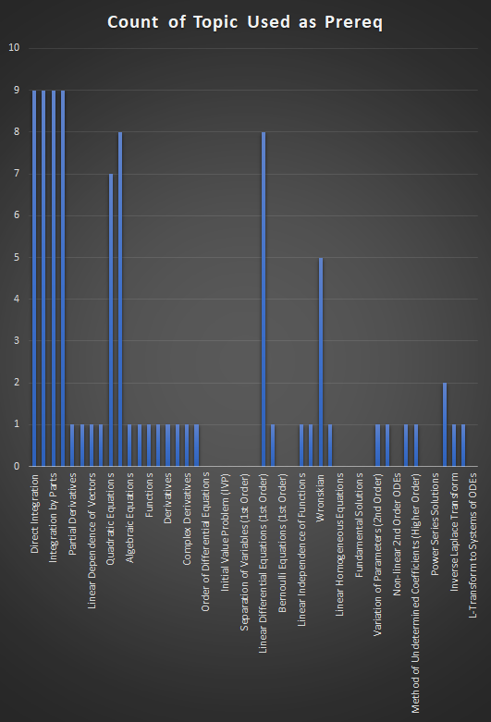
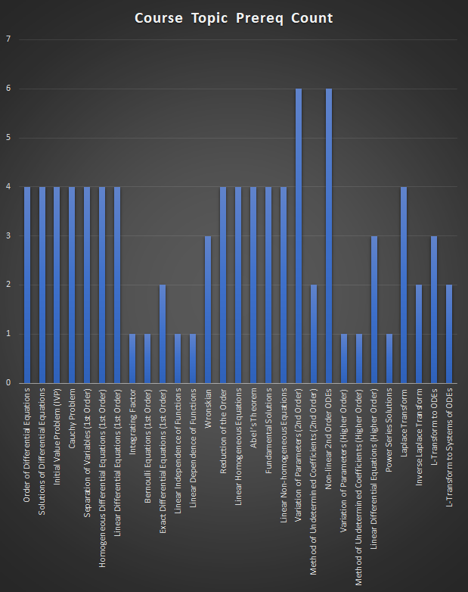
Mat 3613 | Direct Integration | Integration by Substitutions | Integration by Parts | Partial Fractions | Partial Derivatives | Linear Independence of Vectors | Linear Dependence of Vectors | Determinant | Quadratic Equations | Systems of Linear Equations | Algebraic Equations | Power Series Induction | Functions | Continuity | Derivatives | Improper Integrals | Complex Derivatives | Linear Equations | Order of Differential Equations | Solutions of Differential Equations | Initial Value Problem (IVP) | Cauchy Problem | Separation of Variables (1st Order) | Homogeneous Differential Equations (1st Order) | Linear Differential Equations (1st Order) | Integrating Factor | Bernoulli Equations (1st Order) | Exact Differential Equations (1st Order) | Linear Independence of Functions | Linear Dependence of Functions | Wronskian | Reduction of the Order | Linear Homogeneous Equations | Abel’s Theorem | Fundamental Solutions | Linear Non-homogeneous Equations | Variation of Parameters (2nd Order) | Method of Undetermined Coefficients (2nd Order) | Non-linear 2nd Order ODEs | Variation of Parameters (Higher Order) | Method of Undetermined Coefficients (Higher Order) | Linear Differential Equations (Higher Order) | Power Series Solutions | Laplace Transform | Inverse Laplace Transform | L-Transform to ODEs | L-Transform to Systems of ODEs | Course Topic Prereq Count
Order of Differential Equations | 1 | 1 | 1 | 1 |  |  |  |  |  |  |  |  |  |  |  |  |  |  |  |  |  |  |  |  |  |  |  |  |  |  |  |  |  |  |  |  |  |  |  |  |  |  |  |  |  |  |  | 4
Solutions of Differential Equations | 1 | 1 | 1 | 1 |  |  |  |  |  |  |  |  |  |  |  |  |  |  |  |  |  |  |  |  |  |  |  |  |  |  |  |  |  |  |  |  |  |  |  |  |  |  |  |  |  |  |  | 4
Initial Value Problem (IVP) | 1 | 1 | 1 | 1 |  |  |  |  |  |  |  |  |  |  |  |  |  |  |  |  |  |  |  |  |  |  |  |  |  |  |  |  |  |  |  |  |  |  |  |  |  |  |  |  |  |  |  | 4
Cauchy Problem | 1 | 1 | 1 | 1 |  |  |  |  |  |  |  |  |  |  |  |  |  |  |  |  |  |  |  |  |  |  |  |  |  |  |  |  |  |  |  |  |  |  |  |  |  |  |  |  |  |  |  | 4
Separation of Variables (1st Order) | 1 | 1 | 1 | 1 |  |  |  |  |  |  |  |  |  |  |  |  |  |  |  |  |  |  |  |  |  |  |  |  |  |  |  |  |  |  |  |  |  |  |  |  |  |  |  |  |  |  |  | 4
Homogeneous Differential Equations (1st Order) | 1 | 1 | 1 | 1 |  |  |  |  |  |  |  |  |  |  |  |  |  |  |  |  |  |  |  |  |  |  |  |  |  |  |  |  |  |  |  |  |  |  |  |  |  |  |  |  |  |  |  | 4
Linear Differential Equations (1st Order) | 1 | 1 | 1 | 1 |  |  |  |  |  |  |  |  |  |  |  |  |  |  |  |  |  |  |  |  |  |  |  |  |  |  |  |  |  |  |  |  |  |  |  |  |  |  |  |  |  |  |  | 4
Integrating Factor |  |  |  |  |  |  |  |  |  |  |  |  |  |  |  |  |  |  |  |  |  |  |  |  | 1 |  |  |  |  |  |  |  |  |  |  |  |  |  |  |  |  |  |  |  |  |  |  | 1
Bernoulli Equations (1st Order) |  |  |  |  |  |  |  |  |  |  |  |  |  |  |  |  |  |  |  |  |  |  |  |  | 1 |  |  |  |  |  |  |  |  |  |  |  |  |  |  |  |  |  |  |  |  |  |  | 1
Exact Differential Equations (1st Order) |  |  |  |  | 1 |  |  |  |  |  |  |  |  |  |  |  |  |  |  |  |  |  |  |  |  | 1 |  |  |  |  |  |  |  |  |  |  |  |  |  |  |  |  |  |  |  |  |  | 2
Linear Independence of Functions |  |  |  |  |  | 1 |  |  |  |  |  |  |  |  |  |  |  |  |  |  |  |  |  |  |  |  |  |  |  |  |  |  |  |  |  |  |  |  |  |  |  |  |  |  |  |  |  | 1
Linear Dependence of Functions |  |  |  |  |  |  | 1 |  |  |  |  |  |  |  |  |  |  |  |  |  |  |  |  |  |  |  |  |  |  |  |  |  |  |  |  |  |  |  |  |  |  |  |  |  |  |  |  | 1
Wronskian |  |  |  |  |  |  |  | 1 |  |  |  |  |  |  |  |  |  |  |  |  |  |  |  |  |  |  |  |  | 1 | 1 |  |  |  |  |  |  |  |  |  |  |  |  |  |  |  |  |  | 3
Reduction of the Order |  |  |  |  |  |  |  |  | 1 | 1 |  |  |  |  |  |  |  |  |  |  |  |  |  |  | 1 |  |  |  |  |  | 1 |  |  |  |  |  |  |  |  |  |  |  |  |  |  |  |  | 4
Linear Homogeneous Equations |  |  |  |  |  |  |  |  | 1 | 1 |  |  |  |  |  |  |  |  |  |  |  |  |  |  | 1 |  |  |  |  |  | 1 |  |  |  |  |  |  |  |  |  |  |  |  |  |  |  |  | 4
Abel’s Theorem |  |  |  |  |  |  |  |  | 1 | 1 |  |  |  |  |  |  |  |  |  |  |  |  |  |  | 1 |  |  |  |  |  | 1 |  |  |  |  |  |  |  |  |  |  |  |  |  |  |  |  | 4
Fundamental Solutions |  |  |  |  |  |  |  |  | 1 | 1 |  |  |  |  |  |  |  |  |  |  |  |  |  |  | 1 |  |  |  |  |  | 1 |  |  |  |  |  |  |  |  |  |  |  |  |  |  |  |  | 4
Linear Non-homogeneous Equations |  |  |  |  |  |  |  |  | 1 | 1 |  |  |  |  |  |  |  |  |  |  |  |  |  |  | 1 |  |  |  |  |  | 1 |  |  |  |  |  |  |  |  |  |  |  |  |  |  |  |  | 4
Variation of Parameters (2nd Order) | 1 | 1 | 1 | 1 |  |  |  |  | 1 | 1 |  |  |  |  |  |  |  |  |  |  |  |  |  |  |  |  |  |  |  |  |  |  |  |  |  |  |  |  |  |  |  |  |  |  |  |  |  | 6
Method of Undetermined Coefficients (2nd Order) |  |  |  |  |  |  |  |  | 1 | 1 |  |  |  |  |  |  |  |  |  |  |  |  |  |  |  |  |  |  |  |  |  |  |  |  |  |  |  |  |  |  |  |  |  |  |  |  |  | 2
Non-linear 2nd Order ODEs | 1 | 1 | 1 | 1 |  |  |  |  |  |  | 1 |  |  |  |  |  |  |  |  |  |  |  |  |  |  |  |  |  |  |  |  | 1 |  |  |  |  |  |  |  |  |  |  |  |  |  |  |  | 6
Variation of Parameters (Higher Order) |  |  |  |  |  |  |  |  |  |  |  |  |  |  |  |  |  |  |  |  |  |  |  |  |  |  |  |  |  |  |  |  |  |  |  |  | 1 |  |  |  |  |  |  |  |  |  |  | 1
Method of Undetermined Coefficients (Higher Order) |  |  |  |  |  |  |  |  |  |  |  |  |  |  |  |  |  |  |  |  |  |  |  |  |  |  |  |  |  |  |  |  |  |  |  |  |  | 1 |  |  |  |  |  |  |  |  |  | 1
Linear Differential Equations (Higher Order) |  |  |  |  |  |  |  |  |  |  |  |  |  |  |  |  |  |  |  |  |  |  |  |  | 1 |  |  |  |  |  |  |  |  |  |  |  |  |  |  | 1 | 1 |  |  |  |  |  |  | 3
Power Series Solutions |  |  |  |  |  |  |  |  |  |  |  | 1 |  |  |  |  |  |  |  |  |  |  |  |  |  |  |  |  |  |  |  |  |  |  |  |  |  |  |  |  |  |  |  |  |  |  |  | 1
Laplace Transform |  |  |  |  |  |  |  |  |  |  |  |  | 1 | 1 | 1 | 1 |  |  |  |  |  |  |  |  |  |  |  |  |  |  |  |  |  |  |  |  |  |  |  |  |  |  |  |  |  |  |  | 4
Inverse Laplace Transform |  |  |  |  |  |  |  |  |  |  |  |  |  |  |  |  | 1 |  |  |  |  |  |  |  |  |  |  |  |  |  |  |  |  |  |  |  |  |  |  |  |  |  |  | 1 |  |  |  | 2
L-Transform to ODEs |  |  |  |  |  |  |  |  |  |  |  |  |  |  |  |  |  | 1 |  |  |  |  |  |  |  |  |  |  |  |  |  |  |  |  |  |  |  |  |  |  |  |  |  | 1 | 1 |  |  | 3
L-Transform to Systems of ODEs |  |  |  |  |  |  |  |  |  | 1 |  |  |  |  |  |  |  |  |  |  |  |  |  |  |  |  |  |  |  |  |  |  |  |  |  |  |  |  |  |  |  |  |  |  |  | 1 |  | 2
Count of Topic Used as Prereq | 9 | 9 | 9 | 9 | 1 | 1 | 1 | 1 | 7 | 8 | 1 | 1 | 1 | 1 | 1 | 1 | 1 | 1 | 0 | 0 | 0 | 0 | 0 | 0 | 8 | 1 | 0 | 0 | 1 | 1 | 5 | 1 | 0 | 0 | 0 | 0 | 1 | 1 | 0 | 1 | 1 | 0 | 0 | 2 | 1 | 1 | 0

