1053
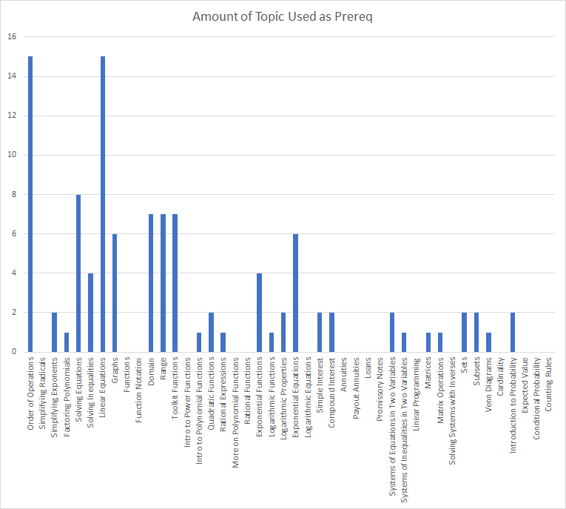
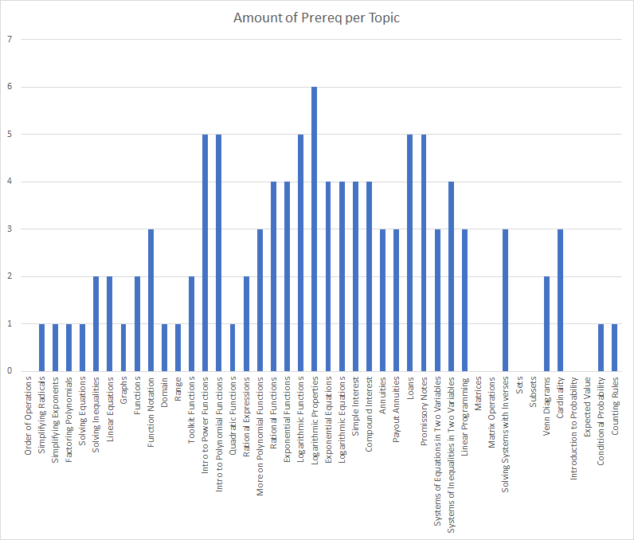
 | -> "is a prerequsite for" ↓ | Order of Operations | Simplifying Radicals | Simplifying Exponents | Factoring Polynomials | Solving Equations | Solving Inequalities | Linear Equations | Graphs | Functions | Function Notation | Domain | Range | Toolkit Functions | Intro to Power Functions | Intro to Polynomial Functions | Quadratic Functions | Rational Expressions | More on Polynomial Functions | Rational Functions | Exponential Functions | Logarithmic Functions | Logarithmic Properties | Exponential Equations | Logarithmic Equations | Simple Interest | Compound Interest | Annuities | Payout Annuities | Loans | Promissory Notes | Systems of Inequalities in Two Variables | Systems of Equations in Two Variables | Linear Programming | Matrices | Matrix Operations | Solving Systems with Inverses | Sets | Subsets | Venn Diagrams | Cardinality | Introduction to Probability | Expected Value | Conditional Probability | Counting Rules | Amount of Prereq per Topic
 |  | 0 | 1 | 31 | 2 | 3 | 3 | 4 | 5 | 8 | 9 | 10 | 11 | 12 | 13 | 14 | 15 | 32 | 18 | 19 | 27 | 28 | 29 | 33 | 34 | 35 | 36 | 37 | 38 | 39 | 40 | 6 | 41 | 42 | 44 | 45 | 46 | 47 | 48 | 49 | 50 | 51 | 52 | 53 | 54
0 | Order of Operations |  |  |  |  |  |  |  |  |  |  |  |  |  |  |  |  |  |  |  |  |  |  |  |  |  |  |  |  |  |  |  |  |  |  |  |  |  |  |  |  |  |  |  |  | 0
1 | Simplifying Radicals | 1 |  |  |  |  |  |  |  |  |  |  |  |  |  |  |  |  |  |  |  |  |  |  |  |  |  |  |  |  |  |  |  |  |  |  |  |  |  |  |  |  |  |  |  | 1
31 | Simplifying Exponents | 1 |  |  |  |  |  |  |  |  |  |  |  |  |  |  |  |  |  |  |  |  |  |  |  |  |  |  |  |  |  |  |  |  |  |  |  |  |  |  |  |  |  |  |  | 1
2 | Factoring Polynomials | 1 |  |  |  |  |  |  |  |  |  |  |  |  |  |  |  |  |  |  |  |  |  |  |  |  |  |  |  |  |  |  |  |  |  |  |  |  |  |  |  |  |  |  |  | 1
3 | Solving Equations | 1 |  |  |  |  |  |  |  |  |  |  |  |  |  |  |  |  |  |  |  |  |  |  |  |  |  |  |  |  |  |  |  |  |  |  |  |  |  |  |  |  |  |  |  | 1
3 | Solving Inequalities | 1 |  |  |  | 1 |  |  |  |  |  |  |  |  |  |  |  |  |  |  |  |  |  |  |  |  |  |  |  |  |  |  |  |  |  |  |  |  |  |  |  |  |  |  |  | 2
4 | Linear Equations | 1 |  |  |  | 1 |  |  |  |  |  |  |  |  |  |  |  |  |  |  |  |  |  |  |  |  |  |  |  |  |  |  |  |  |  |  |  |  |  |  |  |  |  |  |  | 2
5 | Graphs |  |  |  |  |  |  | 1 |  |  |  |  |  |  |  |  |  |  |  |  |  |  |  |  |  |  |  |  |  |  |  |  |  |  |  |  |  |  |  |  |  |  |  |  |  | 1
8 | Functions |  |  |  |  | 1 |  | 1 |  |  |  |  |  |  |  |  |  |  |  |  |  |  |  |  |  |  |  |  |  |  |  |  |  |  |  |  |  |  |  |  |  |  |  |  |  | 2
9 | Function Notation |  |  |  |  | 1 |  | 1 | 1 |  |  |  |  |  |  |  |  |  |  |  |  |  |  |  |  |  |  |  |  |  |  |  |  |  |  |  |  |  |  |  |  |  |  |  |  | 3
10 | Domain |  |  |  |  |  | 1 |  |  |  |  |  |  |  |  |  |  |  |  |  |  |  |  |  |  |  |  |  |  |  |  |  |  |  |  |  |  |  |  |  |  |  |  |  |  | 1
11 | Range |  |  |  |  |  | 1 |  |  |  |  |  |  |  |  |  |  |  |  |  |  |  |  |  |  |  |  |  |  |  |  |  |  |  |  |  |  |  |  |  |  |  |  |  |  | 1
12 | Toolkit Functions |  |  |  |  |  | 1 |  | 1 |  |  |  |  |  |  |  |  |  |  |  |  |  |  |  |  |  |  |  |  |  |  |  |  |  |  |  |  |  |  |  |  |  |  |  |  | 2
13 | Intro to Power Functions |  |  |  |  | 1 |  |  | 1 |  |  | 1 | 1 | 1 |  |  |  |  |  |  |  |  |  |  |  |  |  |  |  |  |  |  |  |  |  |  |  |  |  |  |  |  |  |  |  | 5
14 | Intro to Polynomial Functions |  |  |  |  | 1 |  |  | 1 |  |  | 1 | 1 | 1 |  |  |  |  |  |  |  |  |  |  |  |  |  |  |  |  |  |  |  |  |  |  |  |  |  |  |  |  |  |  |  | 5
15 | Quadratic Functions |  |  |  |  |  |  |  |  |  |  |  |  |  |  | 1 |  |  |  |  |  |  |  |  |  |  |  |  |  |  |  |  |  |  |  |  |  |  |  |  |  |  |  |  |  | 1
32 | Rational Expressions |  |  | 1 | 1 |  |  |  |  |  |  |  |  |  |  |  |  |  |  |  |  |  |  |  |  |  |  |  |  |  |  |  |  |  |  |  |  |  |  |  |  |  |  |  |  | 2
18 | More on Polynomial Functions |  |  |  |  |  |  |  |  |  |  | 1 | 1 | 1 |  |  |  |  |  |  |  |  |  |  |  |  |  |  |  |  |  |  |  |  |  |  |  |  |  |  |  |  |  |  |  | 3
19 | Rational Functions |  |  |  |  |  |  |  |  |  |  | 1 | 1 | 1 |  |  |  | 1 |  |  |  |  |  |  |  |  |  |  |  |  |  |  |  |  |  |  |  |  |  |  |  |  |  |  |  | 4
27 | Exponential Functions |  |  | 1 |  |  |  |  |  |  |  | 1 | 1 | 1 |  |  |  |  |  |  |  |  |  |  |  |  |  |  |  |  |  |  |  |  |  |  |  |  |  |  |  |  |  |  |  | 4
28 | Logarithmic Functions |  |  |  |  |  |  | 1 |  |  |  | 1 | 1 | 1 |  |  |  |  |  |  | 1 |  |  |  |  |  |  |  |  |  |  |  |  |  |  |  |  |  |  |  |  |  |  |  |  | 5
29 | Logarithmic Properties |  |  |  |  |  |  | 1 |  |  |  | 1 | 1 | 1 |  |  |  |  |  |  | 1 | 1 |  |  |  |  |  |  |  |  |  |  |  |  |  |  |  |  |  |  |  |  |  |  |  | 6
33 | Exponential Equations |  |  |  |  | 1 |  | 1 |  |  |  |  |  |  |  |  | 1 |  |  |  |  |  | 1 |  |  |  |  |  |  |  |  |  |  |  |  |  |  |  |  |  |  |  |  |  |  | 4
34 | Logarithmic Equations |  |  |  |  | 1 |  | 1 |  |  |  |  |  |  |  |  | 1 |  |  |  |  |  | 1 |  |  |  |  |  |  |  |  |  |  |  |  |  |  |  |  |  |  |  |  |  |  | 4
35 | Simple Interest | 1 |  |  |  |  |  | 1 |  |  |  |  |  |  |  |  |  |  |  |  | 1 |  |  | 1 |  |  |  |  |  |  |  |  |  |  |  |  |  |  |  |  |  |  |  |  |  | 4
36 | Compound Interest | 1 |  |  |  |  |  | 1 |  |  |  |  |  |  |  |  |  |  |  |  | 1 |  |  | 1 |  |  |  |  |  |  |  |  |  |  |  |  |  |  |  |  |  |  |  |  |  | 4
37 | Annuities | 1 |  |  |  |  |  | 1 |  |  |  |  |  |  |  |  |  |  |  |  |  |  |  | 1 |  |  |  |  |  |  |  |  |  |  |  |  |  |  |  |  |  |  |  |  |  | 3
38 | Payout Annuities | 1 |  |  |  |  |  | 1 |  |  |  |  |  |  |  |  |  |  |  |  |  |  |  | 1 |  |  |  |  |  |  |  |  |  |  |  |  |  |  |  |  |  |  |  |  |  | 3
39 | Loans | 1 |  |  |  |  |  | 1 |  |  |  |  |  |  |  |  |  |  |  |  |  |  |  | 1 |  | 1 | 1 |  |  |  |  |  |  |  |  |  |  |  |  |  |  |  |  |  |  | 5
40 | Promissory Notes | 1 |  |  |  |  |  | 1 |  |  |  |  |  |  |  |  |  |  |  |  |  |  |  | 1 |  | 1 | 1 |  |  |  |  |  |  |  |  |  |  |  |  |  |  |  |  |  |  | 5
6 | Systems of Equations in Two Variables | 1 |  |  |  |  |  | 1 | 1 |  |  |  |  |  |  |  |  |  |  |  |  |  |  |  |  |  |  |  |  |  |  |  |  |  |  |  |  |  |  |  |  |  |  |  |  | 3
41 | Systems of Inequalities in Two Variables | 1 |  |  |  |  | 1 | 1 | 1 |  |  |  |  |  |  |  |  |  |  |  |  |  |  |  |  |  |  |  |  |  |  |  |  |  |  |  |  |  |  |  |  |  |  |  |  | 4
42 | Linear Programming | 1 |  |  |  |  |  |  |  |  |  |  |  |  |  |  |  |  |  |  |  |  |  |  |  |  |  |  |  |  |  | 1 | 1 |  |  |  |  |  |  |  |  |  |  |  |  | 3
44 | Matrices |  |  |  |  |  |  |  |  |  |  |  |  |  |  |  |  |  |  |  |  |  |  |  |  |  |  |  |  |  |  |  |  |  |  |  |  |  |  |  |  |  |  |  |  | 0
45 | Matrix Operations |  |  |  |  |  |  |  |  |  |  |  |  |  |  |  |  |  |  |  |  |  |  |  |  |  |  |  |  |  |  |  |  |  |  |  |  |  |  |  |  |  |  |  |  | 0
46 | Solving Systems with Inverses |  |  |  |  |  |  |  |  |  |  |  |  |  |  |  |  |  |  |  |  |  |  |  |  |  |  |  |  |  |  | 1 |  |  | 1 | 1 |  |  |  |  |  |  |  |  |  | 3
47 | Sets |  |  |  |  |  |  |  |  |  |  |  |  |  |  |  |  |  |  |  |  |  |  |  |  |  |  |  |  |  |  |  |  |  |  |  |  |  |  |  |  |  |  |  |  | 0
48 | Subsets |  |  |  |  |  |  |  |  |  |  |  |  |  |  |  |  |  |  |  |  |  |  |  |  |  |  |  |  |  |  |  |  |  |  |  |  |  |  |  |  |  |  |  |  | 0
49 | Venn Diagrams |  |  |  |  |  |  |  |  |  |  |  |  |  |  |  |  |  |  |  |  |  |  |  |  |  |  |  |  |  |  |  |  |  |  |  |  | 1 | 1 |  |  |  |  |  |  | 2
50 | Cardinality |  |  |  |  |  |  |  |  |  |  |  |  |  |  |  |  |  |  |  |  |  |  |  |  |  |  |  |  |  |  |  |  |  |  |  |  | 1 | 1 | 1 |  |  |  |  |  | 3
51 | Introduction to Probability |  |  |  |  |  |  |  |  |  |  |  |  |  |  |  |  |  |  |  |  |  |  |  |  |  |  |  |  |  |  |  |  |  |  |  |  |  |  |  |  |  |  |  |  | 0
52 | Expected Value |  |  |  |  |  |  |  |  |  |  |  |  |  |  |  |  |  |  |  |  |  |  |  |  |  |  |  |  |  |  |  |  |  |  |  |  |  |  |  |  |  |  |  |  | 0
53 | Conditional Probability |  |  |  |  |  |  |  |  |  |  |  |  |  |  |  |  |  |  |  |  |  |  |  |  |  |  |  |  |  |  |  |  |  |  |  |  |  |  |  |  | 1 |  |  |  | 1
54 | Counting Rules |  |  |  |  |  |  |  |  |  |  |  |  |  |  |  |  |  |  |  |  |  |  |  |  |  |  |  |  |  |  |  |  |  |  |  |  |  |  |  |  | 1 |  |  |  | 1
 | Amount of Topic Used as Prereq | 15 | 0 | 2 | 1 | 8 | 4 | 15 | 6 | 0 | 0 | 7 | 7 | 7 | 0 | 1 | 2 | 1 | 0 | 0 | 4 | 1 | 2 | 6 | 0 | 2 | 2 | 0 | 0 | 0 | 0 | 2 | 1 | 0 | 1 | 1 | 0 | 2 | 2 | 1 | 0 | 2 | 0 | 0 | 0

1093
 |  | Order of Operations | Simplifying Radicals | Simplifying Exponents | Factoring Polynomials | Solving Equations | Solving Inequalities | Linear Equations | Graphs | Functions | Function Notation | Domain | Range | Toolkit Functions | Intro to Power Functions | Intro to Polynomial Functions | Quadratic Functions | Dividing Polynomials | Zeros of Polynomials | More on Polynomial Functions | Rational Functions | Graphs of Polynomials | Graphs of Rational Functions | Transformations of Functions | Composition of Functions | Inverse Functions | Exponential Functions | Logarithmic Functions | Logarithmic Properties | Exponential Equations | Logarithmic Equations | Modeling using Variation | Systems of Equations in Two Variables | Systems of Equations in Three Variables |  | Functions and their graphs | One to one functions | Inverse Functions | Angles and their measure | Trig. Functions: Unit Circle Approach | Properties of the Trig. Functions | Graphs of Sine and Cosine Functions | Graphs of Tangent, Cotangent, cosecant and secant functions | Phase Shift and Applications | Inverse sine, cosine, and tangent functions | Inverse Secant, cosecant and cotangent functions | Trigonometric Equations with a single trig functions | Trigonometric Equations | Trigonometric Identities | Sum and Difference Formulas | Double-angle Formula | Half Angle formula | Product-to-sum and sum-to-product formulas | Right angle definition of the Trigonometric functions | The law of Sines | The law of Cosines | Area of a Triangle | Polar Coordinates | The complex Plane | DeMoivere's Theorem | Exponential Functions | Logarithmic Functions | Properties of Logarithims | Logarithmic and Exponential Equations | Exponential Growth and Decay models | Newton’s law of Cooling | Logistic growth and decay
 |  | 0 | 1 | 31 | 2 | 3 | 3 | 4 | 5 | 8 | 9 | 10 | 11 | 12 | 13 | 14 | 15 | 16 | 17 | 18 | 19 | 20 | 21 | 23 | 24 | 25 | 27 | 28 | 29 | 33 | 34 | 30 | 6 | 7 |  | 95 | 96 | 97 | 98 | 99 | 100 | 101 | 102 | 103 | 104 | 105 | 106 | 107 | 108 | 109 | 110 | 111 | 112 | 113 | 114 | 115 | 116 | 117 | 119 | 120 | 27 | 28 | 29 | 121 | 122 | 123 | 124
95 | Functions and their graphs |  |  |  |  | 1 | 1 | 1 |  |  |  |  |  |  |  |  |  |  |  |  |  |  |  |  |  |  |  |  |  |  |  |  |  |  |  |  |  |  |  |  |  |  |  |  |  |  |  |  |  |  |  |  |  |  |  |  |  |  |  |  |  |  |  |  |  |  |  | 3
96 | One to one functions |  |  |  |  |  |  |  |  |  |  |  |  |  |  |  |  |  |  |  |  |  |  |  |  |  |  |  |  |  |  |  |  |  |  | 1 |  |  |  |  |  |  |  |  |  |  |  |  |  |  |  |  |  |  |  |  |  |  |  |  |  |  |  |  |  |  |  | 1
97 | Inverse Functions |  |  |  |  |  |  |  |  |  |  |  |  |  |  |  |  |  |  |  |  |  |  |  |  |  |  |  |  |  |  |  |  |  |  | 1 |  |  |  |  |  |  |  |  |  |  |  |  |  |  |  |  |  |  |  |  |  |  |  |  |  |  |  |  |  |  |  | 1
98 | Angles and their measure |  |  |  |  |  |  |  |  |  |  |  |  |  |  |  |  |  |  |  |  |  |  |  |  |  |  |  |  |  |  |  |  |  |  |  |  |  |  |  |  |  |  |  |  |  |  |  |  |  |  |  |  |  |  |  |  |  |  |  |  |  |  |  |  |  |  | 0
99 | Trig. Functions: Unit Circle Approach |  |  |  |  | 1 |  |  | 1 |  |  |  |  |  |  |  |  |  |  |  |  |  |  |  |  |  |  |  |  |  |  |  |  |  |  |  |  |  |  |  |  |  |  |  |  |  |  |  |  |  |  |  |  |  |  |  |  |  |  |  |  |  |  |  |  |  |  | 2
100 | Properties of the Trig. Functions |  |  |  |  |  |  |  |  |  |  |  |  |  |  |  |  |  |  |  |  |  |  |  |  |  |  |  |  |  |  |  |  |  |  | 1 |  |  |  |  |  |  |  |  |  |  |  |  |  |  |  |  |  |  |  |  |  |  |  |  |  |  |  |  |  |  |  | 1
101 | Graphs of Sine and Cosine Functions |  |  |  |  |  |  |  | 1 |  |  |  |  |  |  |  |  |  |  |  |  |  |  | 1 |  |  |  |  |  |  |  |  |  |  |  |  |  |  |  |  |  |  |  |  |  |  |  |  |  |  |  |  |  |  |  |  |  |  |  |  |  |  |  |  |  |  |  | 2
102 | Graphs of Tangent, Cotangent, cosecant and secant functions |  |  |  |  |  |  |  |  |  |  |  |  |  |  |  |  |  |  |  |  |  | 1 |  |  |  |  |  |  |  |  |  |  |  |  |  |  |  |  |  |  |  |  |  |  |  |  |  |  |  |  |  |  |  |  |  |  |  |  |  |  |  |  |  |  |  |  | 1
103 | Phase Shift and Applications |  |  |  |  |  |  |  |  |  |  |  |  |  |  |  |  |  |  |  |  |  |  |  |  |  |  |  |  |  |  |  |  |  |  |  |  |  |  |  |  |  |  |  |  |  |  |  |  |  |  |  |  |  |  |  |  |  |  |  |  |  |  |  |  |  |  | 0
104 | Inverse sine, cosine, and tangent functions |  |  |  |  | 1 |  |  |  |  |  |  |  |  |  |  |  |  |  |  |  |  |  |  |  |  |  |  |  |  |  |  |  |  |  |  |  | 1 |  | 1 | 1 | 1 | 1 |  |  |  |  |  |  |  |  |  |  |  |  |  |  |  |  |  |  |  |  |  |  |  |  | 6
105 | Inverse Secant, cosecant and cotangent functions |  |  |  |  |  |  |  |  |  |  |  |  |  |  |  |  |  |  |  |  |  |  |  |  |  |  |  |  |  |  |  |  |  |  |  |  | 1 |  |  | 1 |  | 1 |  |  |  |  |  |  |  |  |  |  |  |  |  |  |  |  |  |  |  |  |  |  |  |  | 3
106 | Trigonometric Equations with a single trig functions |  |  |  |  | 1 |  |  |  |  |  |  |  |  |  |  |  |  |  |  |  |  |  |  |  |  |  |  |  |  |  |  |  |  |  |  |  |  |  |  |  |  |  |  |  |  |  |  |  |  |  |  |  |  |  |  |  |  |  |  |  |  |  |  |  |  |  | 1
107 | Trigonometric Equations |  |  |  |  | 1 |  |  |  |  |  |  |  |  |  |  |  |  |  |  |  |  |  |  |  |  |  |  |  |  |  |  |  |  |  |  |  |  |  | 1 |  |  |  |  |  |  |  |  |  |  |  |  |  |  |  |  |  |  |  |  |  |  |  |  |  |  |  | 2
108 | Trigonometric Identities |  |  |  | 1 |  |  |  |  |  |  |  |  |  |  |  |  |  |  |  |  |  |  |  |  |  |  |  |  |  |  |  |  |  |  |  |  |  |  |  | 1 |  |  |  |  |  |  |  |  |  |  |  |  |  |  |  |  |  |  |  |  |  |  |  |  |  |  | 2
109 | Sum and Difference Formulas |  |  |  |  |  |  |  |  |  |  |  |  |  |  |  |  |  |  |  |  |  |  |  |  |  |  |  |  |  |  |  |  |  |  |  |  |  |  | 1 |  |  |  |  |  |  |  |  |  |  |  |  |  |  |  |  |  |  |  |  |  |  |  |  |  |  |  | 1
110 | Double-angle formulas |  |  |  |  |  |  |  |  |  |  |  |  |  |  |  |  |  |  |  |  |  |  |  |  |  |  |  |  |  |  |  |  |  |  |  |  |  | 1 |  | 1 |  |  |  |  |  |  |  |  |  |  |  |  |  |  |  |  |  |  |  |  |  |  |  |  |  |  | 2
111 | Half Angle formulas |  |  |  |  |  |  |  |  |  |  |  |  |  |  |  |  |  |  |  |  |  |  |  |  |  |  |  |  |  |  |  |  |  |  |  |  |  | 1 |  | 1 |  |  |  |  |  |  |  |  |  |  |  |  |  |  |  |  |  |  |  |  |  |  |  |  |  |  | 2
112 | Product-to-sum and sum-to-product formulas |  |  |  |  | 1 |  |  |  |  |  |  |  |  |  |  |  |  |  |  |  |  |  |  |  |  |  |  |  |  |  |  |  |  |  |  |  |  |  |  |  |  |  |  |  |  |  |  |  |  |  |  |  |  |  |  |  |  |  |  |  |  |  |  |  |  |  | 1
113 | Right angle definition of the Trigonometric functions |  |  |  |  |  |  |  |  |  |  |  |  |  |  |  |  |  |  |  |  |  |  |  |  |  |  |  |  |  |  |  |  |  |  |  |  |  |  |  |  |  |  |  |  |  |  | 1 |  |  |  |  |  |  |  |  |  |  |  |  |  |  |  |  |  |  |  | 1
114 | The law of Sines |  |  |  |  | 1 |  |  |  |  |  |  |  |  |  |  |  |  |  |  |  |  |  |  |  |  |  |  |  |  |  |  |  |  |  |  |  |  |  |  |  |  |  |  |  |  |  | 1 |  |  |  |  |  |  |  |  |  |  |  |  |  |  |  |  |  |  |  | 2
115 | The law of Cosines |  |  |  |  |  |  |  |  |  |  |  |  |  |  |  |  |  |  |  |  |  |  |  |  |  |  |  |  |  |  |  |  |  |  |  |  |  |  |  |  |  |  |  |  |  |  | 1 |  |  |  |  |  |  |  |  |  |  |  |  |  |  |  |  |  |  |  | 1
116 | Area of a Triangle |  |  |  |  |  |  |  |  |  |  |  |  |  |  |  |  |  |  |  |  |  |  |  |  |  |  |  |  |  |  |  |  |  |  |  |  |  |  |  |  |  |  |  |  |  |  |  |  |  |  |  |  |  |  |  |  |  |  |  |  |  |  |  |  |  |  | 0
117 | Polar Coordinates |  |  |  |  |  |  |  |  |  |  |  |  |  |  |  |  |  |  |  |  |  |  |  |  |  |  |  |  |  |  |  |  |  |  |  |  |  |  | 1 |  |  |  |  | 1 |  |  |  |  |  |  |  |  |  |  |  |  |  |  |  |  |  |  |  |  |  |  | 2
118 | Polar Equations and Graphs |  |  |  |  |  |  |  | 1 |  |  |  |  |  |  |  |  |  |  |  |  |  |  |  |  |  |  |  |  |  |  |  |  |  |  |  |  |  |  |  |  |  |  |  |  |  |  |  |  |  |  |  |  |  |  |  |  |  |  |  |  |  |  |  |  |  |  | 1
119 | The complex Plane |  |  |  |  |  |  |  |  |  |  |  |  |  |  |  |  |  |  |  |  |  |  |  |  |  |  |  |  |  |  |  |  |  |  |  |  |  |  | 1 |  |  |  |  |  |  |  |  |  |  |  |  |  |  |  |  |  |  |  |  |  |  |  |  |  |  |  | 1
120 | DeMoivere's Theorem |  |  |  |  |  |  |  |  |  |  |  |  |  |  |  |  |  |  |  |  |  |  |  |  |  |  |  |  |  |  |  |  |  |  |  |  |  |  | 1 |  |  |  |  |  |  |  |  |  |  |  |  |  |  |  |  |  |  |  |  |  |  |  |  |  |  |  | 1
27 | Exponential Functions |  |  |  |  | 1 |  |  | 1 |  |  |  |  |  |  |  |  |  |  |  |  |  |  | 1 |  |  | 1 |  |  | 1 |  |  |  |  |  |  |  |  |  |  |  |  |  |  |  |  |  |  |  |  |  |  |  |  |  |  |  |  |  |  |  |  |  |  |  |  |  | 5
28 | Logarithmic Functions |  |  |  |  | 1 |  |  | 1 |  |  |  |  |  |  |  |  |  |  |  |  |  |  | 1 |  |  |  | 1 | 1 |  | 1 |  |  |  |  |  |  |  |  |  |  |  |  |  |  |  |  |  |  |  |  |  |  |  |  |  |  |  |  |  |  |  |  |  |  |  |  | 6
29 | Properties of Logarithims |  |  |  |  | 1 |  |  | 1 |  |  |  |  |  |  |  |  |  |  |  |  |  |  | 1 |  |  |  | 1 | 1 |  | 1 |  |  |  |  |  |  |  |  |  |  |  |  |  |  |  |  |  |  |  |  |  |  |  |  |  |  |  |  |  |  |  |  |  |  |  |  | 6
121 | Logarithmic and Exponential Equations |  |  |  |  | 1 |  |  | 1 |  |  |  |  |  |  |  |  |  |  |  |  |  |  |  |  |  | 1 | 1 | 1 | 1 | 1 |  |  |  |  |  |  |  |  |  |  |  |  |  |  |  |  |  |  |  |  |  |  |  |  |  |  |  |  |  |  |  |  |  |  |  |  | 7
122 | Exponential Growth and Decay models |  |  |  |  |  |  |  |  |  |  |  |  |  |  |  | 1 |  |  |  |  |  |  |  |  |  | 1 | 1 | 1 |  |  |  |  |  |  |  |  |  |  |  |  |  |  |  |  |  |  |  |  |  |  |  |  |  |  |  |  |  |  |  |  |  |  |  |  |  |  | 4
123 | Newton’s law of Cooling |  |  |  |  |  |  |  |  |  |  |  |  |  |  |  | 1 |  |  |  |  |  |  |  |  |  |  |  |  |  |  |  |  |  |  |  |  |  |  |  |  |  |  |  |  |  |  |  |  |  |  |  |  |  |  |  |  |  |  |  |  |  |  |  |  |  |  | 1
124 | Logistic growth and decay |  |  |  |  |  |  |  |  |  |  |  |  |  |  |  | 1 |  |  |  |  |  |  |  |  |  |  |  |  |  |  |  |  |  |  |  |  |  |  |  |  |  |  |  |  |  |  |  |  |  |  |  |  |  |  |  |  |  |  |  |  |  |  |  |  |  |  | 1
 |  | 0 | 0 | 0 | 1 | 11 | 1 | 1 | 7 | 0 | 0 | 0 | 0 | 0 | 0 | 0 | 3 | 0 | 0 | 0 | 0 | 0 | 1 | 4 | 0 | 0 | 3 | 4 | 4 | 2 | 3 | 0 | 0 | 0 | 0 | 3 | 0 | 2 | 2 | 6 | 5 | 1 | 2 | 0 | 1 | 0 | 0 | 3 | 0 | 0 | 0 |  | 0 | 0 | 0 | 0 | 0 | 0 | 0 | 0 | 0 | 0 | 0 | 0 | 0 | 0 | 0

Order of Operations | 0
Simplifying Radicals | 0
Simplifying Exponents | 0
Factoring Polynomials | 1
Solving Equations | 11
Solving Inequalities | 1
Linear Equations | 1
Graphs | 7
Functions | 0
Function Notation | 0
Domain | 0
Range | 0
Toolkit Functions | 0
Intro to Power Functions | 0
Intro to Polynomial Functions | 0
Quadratic Functions | 3
Dividing Polynomials | 0
Zeros of Polynomials | 0
More on Polynomial Functions | 0
Rational Functions | 0
Graphs of Polynomials | 0
Graphs of Rational Functions | 1
Transformations of Functions | 4
Composition of Functions | 0
Inverse Functions | 0
Exponential Functions | 3
Logarithmic Functions | 4
Logarithmic Properties | 4
Exponential Equations | 2
Logarithmic Equations | 3
Modeling using Variation | 0
Systems of Equations in Two Variables | 0
Systems of Equations in Three Variables | 0
 | 0
Functions and their graphs | 3
One to one functions | 0
Inverse Functions | 2
Angles and their measure | 2
Trig. Functions: Unit Circle Approach | 6
Properties of the Trig. Functions | 5
Graphs of Sine and Cosine Functions | 1
Graphs of Tangent, Cotangent, cosecant and secant functions | 2
Phase Shift and Applications | 0
Inverse sine, cosine, and tangent functions | 1
Inverse Secant, cosecant and cotangent functions | 0
Trigonometric Equations with a single trig functions | 0
Trigonometric Equations | 3
Trigonometric Identities | 0
Sum and Difference Formulas | 0
Double-angle Formula | 0
...

3013
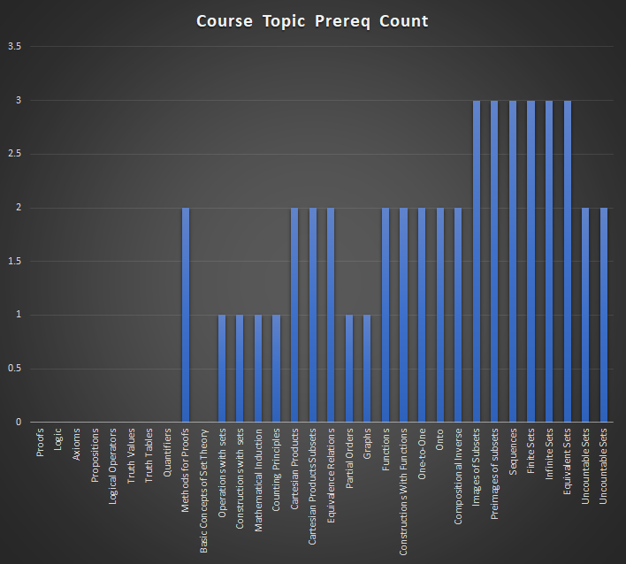
down is prereque for top |  | Proofs | Logic | Axioms | Propositions | Logical Operators | Truth Values | Truth Tables | Quantifiers | Methods for Proofs | Basic Concepts of Set Theory | Operations with sets | Constructions with sets | Mathematical Induction | Counting Principles | Cartesian Products | Cartesian Products Subsets | Equivalence Relations | Partial Orders | Graphs | Functions | Constructions With Functions | One-to-One | Onto | Compositional Inverse | Images of Subsets | Preimages of subsets | Sequences | Finite Sets | Infinite Sets | Equivalent Sets | Uncountable Sets | Count of Topic Used as Prereq
 |  | 234 | 235 | 236 | 237 | 238 | 239 | 240 | 241 | 242 | 243 | 244 | 245 | 246 | 247 | 248 | 249 | 250 | 251 | 252 | 253 | 254 | 255 | 256 | 257 | 258 | 259 | 260 | 261 | 262 | 263 | 264
MAT 1093
Functions and their graphs |  |  |  |  |  |  |  |  |  |  |  |  |  |  |  |  |  |  |  |  | 1 | 1 |  |  |  |  |  |  |  |  |  |  | 2
One to one functions |  |  |  |  |  |  |  |  |  |  |  |  |  |  |  |  |  |  |  |  |  |  |  |  |  |  |  |  |  |  |  |  | 0
Inverse Functions |  |  |  |  |  |  |  |  |  |  |  |  |  |  |  |  |  |  |  |  |  |  |  |  |  |  |  |  |  |  |  |  | 0
Angles and their measure |  |  |  |  |  |  |  |  |  |  |  |  |  |  |  |  |  |  |  |  |  |  |  |  |  |  |  |  |  |  |  |  | 0
Trig. Functions: Unit Circle Approach |  |  |  |  |  |  |  |  |  |  |  |  |  |  |  |  |  |  |  |  |  |  |  |  |  |  |  |  |  |  |  |  | 0
Properties of the Trig. Functions |  |  |  |  |  |  |  |  |  |  |  |  |  |  |  |  |  |  |  |  |  |  |  |  |  |  |  |  |  |  |  |  | 0
Graphs of Sine and Cosine Functions |  |  |  |  |  |  |  |  |  |  |  |  |  |  |  |  |  |  |  |  |  |  |  |  |  |  |  |  |  |  |  |  | 0
Graphs of Tangent, Cotangent, cosecant and secant functions |  |  |  |  |  |  |  |  |  |  |  |  |  |  |  |  |  |  |  |  |  |  |  |  |  |  |  |  |  |  |  |  | 0
Phase Shift and Applications |  |  |  |  |  |  |  |  |  |  |  |  |  |  |  |  |  |  |  |  |  |  |  |  |  |  |  |  |  |  |  |  | 0
Inverse sine, cosine, and tangent functions |  |  |  |  |  |  |  |  |  |  |  |  |  |  |  |  |  |  |  |  |  |  |  |  |  |  |  |  |  |  |  |  | 0
Inverse Secant, cosecant and cotangent functions |  |  |  |  |  |  |  |  |  |  |  |  |  |  |  |  |  |  |  |  |  |  |  |  |  |  |  |  |  |  |  |  | 0
Trigonometric Equations with a single trig functions |  |  |  |  |  |  |  |  |  |  |  |  |  |  |  |  |  |  |  |  |  |  |  |  |  |  |  |  |  |  |  |  | 0
Trigonometric Equations |  |  |  |  |  |  |  |  |  |  |  |  |  |  |  |  |  |  |  |  |  |  |  |  |  |  |  |  |  |  |  |  | 0
Trigonometric Identities |  |  |  |  |  |  |  |  |  |  |  |  |  |  |  |  |  |  |  |  |  |  |  |  |  |  |  |  |  |  |  |  | 0
Sum and Difference Formulas |  |  |  |  |  |  |  |  |  |  |  |  |  |  |  |  |  |  |  |  |  |  |  |  |  |  |  |  |  |  |  |  | 0
Double-angle formulas |  |  |  |  |  |  |  |  |  |  |  |  |  |  |  |  |  |  |  |  |  |  |  |  |  |  |  |  |  |  |  |  | 0
Half Angle formulas |  |  |  |  |  |  |  |  |  |  |  |  |  |  |  |  |  |  |  |  |  |  |  |  |  |  |  |  |  |  |  |  | 0
Product-to-sum and sum-to-product formulas |  |  |  |  |  |  |  |  |  |  |  |  |  |  |  |  |  |  |  |  |  |  |  |  |  |  |  |  |  |  |  |  | 0
Right angle definition of the Trigonometric functions |  |  |  |  |  |  |  |  |  |  |  |  |  |  |  |  |  |  |  |  |  |  |  |  |  |  |  |  |  |  |  |  | 0
The law of Sines |  |  |  |  |  |  |  |  |  |  |  |  |  |  |  |  |  |  |  |  |  |  |  |  |  |  |  |  |  |  |  |  | 0
The law of Cosines |  |  |  |  |  |  |  |  |  |  |  |  |  |  |  |  |  |  |  |  |  |  |  |  |  |  |  |  |  |  |  |  | 0
Area of a Triangle |  |  |  |  |  |  |  |  |  |  |  |  |  |  |  |  |  |  |  |  |  |  |  |  |  |  |  |  |  |  |  |  | 0
Polar Coordinates |  |  |  |  |  |  |  |  |  |  |  |  |  |  |  |  |  |  |  |  |  |  |  |  |  |  |  |  |  |  |  |  | 0
Polar Equations and Graphs |  |  |  |  |  |  |  |  |  |  |  |  |  |  |  |  |  |  |  |  |  |  |  |  |  |  |  |  |  |  |  |  | 0
The complex Plane |  |  |  |  |  |  |  |  |  |  |  |  |  |  |  |  |  |  |  |  |  |  |  |  |  |  |  |  |  |  |  |  | 0
DeMoivere's Theorem |  |  |  |  |  |  |  |  |  |  |  |  |  |  |  |  |  |  |  |  |  |  |  |  |  |  |  |  |  |  |  |  | 0
Exponential Functions |  |  |  |  |  |  |  |  |  |  |  |  |  |  |  |  |  |  |  |  |  |  |  |  |  |  |  |  |  |  |  |  | 0
Logarithmic Functions |  |  |  |  |  |  |  |  |  |  |  |  |  |  |  |  |  |  |  |  |  |  |  |  |  |  |  |  |  |  |  |  | 0
Properties of Logarithims |  |  |  |  |  |  |  |  |  |  |  |  |  |  |  |  |  |  |  |  |  |  |  |  |  |  |  |  |  |  |  |  | 0
Logarithmic and Exponential Equations |  |  |  |  |  |  |  |  |  |  |  |  |  |  |  |  |  |  |  |  |  |  |  |  |  |  |  |  |  |  |  |  | 0
Exponential Growth and Decay models |  |  |  |  |  |  |  |  |  |  |  |  |  |  |  |  |  |  |  |  |  |  |  |  |  |  |  |  |  |  |  |  | 0
Newton’s law of Cooling |  |  |  |  |  |  |  |  |  |  |  |  |  |  |  |  |  |  |  |  |  |  |  |  |  |  |  |  |  |  |  |  | 0
Logistic growth and decay |  |  |  |  |  |  |  |  |  |  |  |  |  |  |  |  |  |  |  |  |  |  |  |  |  |  |  |  |  |  |  |  | 0
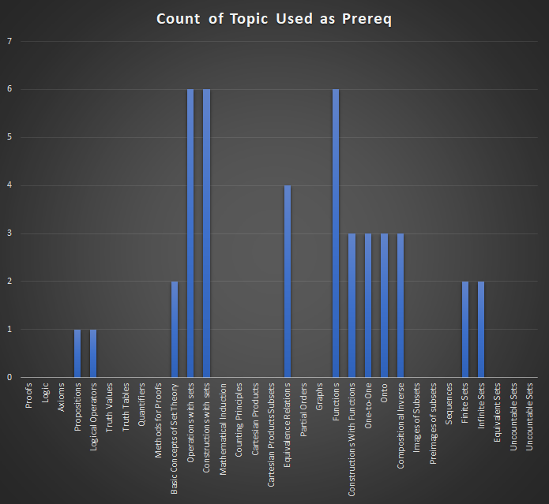
MAT 3013
Proofs | 234 |  |  |  |  |  |  |  |  |  |  |  |  |  |  |  |  |  |  |  |  |  |  |  |  |  |  |  |  |  |  |  | 0
Logic | 235 |  |  |  |  |  |  |  |  |  |  |  |  |  |  |  |  |  |  |  |  |  |  |  |  |  |  |  |  |  |  |  | 0
Axioms | 236 |  |  |  |  |  |  |  |  |  |  |  |  |  |  |  |  |  |  |  |  |  |  |  |  |  |  |  |  |  |  |  | 0
Propositions | 237 |  |  |  |  |  |  |  |  | 1 |  |  |  |  |  |  |  |  |  |  |  |  |  |  |  |  |  |  |  |  |  |  | 1
Logical Operators | 238 |  |  |  |  |  |  |  |  | 1 |  |  |  |  |  |  |  |  |  |  |  |  |  |  |  |  |  |  |  |  |  |  | 1
Truth Values | 239 |  |  |  |  |  |  |  |  |  |  |  |  |  |  |  |  |  |  |  |  |  |  |  |  |  |  |  |  |  |  |  | 0
Truth Tables | 240 |  |  |  |  |  |  |  |  |  |  |  |  |  |  |  |  |  |  |  |  |  |  |  |  |  |  |  |  |  |  |  | 0
Quantifiers | 241 |  |  |  |  |  |  |  |  |  |  |  |  |  |  |  |  |  |  |  |  |  |  |  |  |  |  |  |  |  |  |  | 0
Methods for Proofs | 242 |  |  |  |  |  |  |  |  |  |  |  |  |  |  |  |  |  |  |  |  |  |  |  |  |  |  |  |  |  |  |  | 0
Basic Concepts of Set Theory | 243 |  |  |  |  |  |  |  |  |  |  | 1 | 1 |  |  |  |  |  |  |  |  |  |  |  |  |  |  |  |  |  |  |  | 2
Operations with sets | 244 |  |  |  |  |  |  |  |  |  |  |  |  |  |  | 1 | 1 | 1 |  |  |  |  |  |  |  |  |  |  | 1 | 1 | 1 |  | 6
Constructions with sets | 245 |  |  |  |  |  |  |  |  |  |  |  |  |  |  | 1 | 1 | 1 |  |  |  |  |  |  |  |  |  |  | 1 | 1 | 1 |  | 6
Mathematical Induction | 246 |  |  |  |  |  |  |  |  |  |  |  |  |  |  |  |  |  |  |  |  |  |  |  |  |  |  |  |  |  |  |  | 0
Counting Principles | 247 |  |  |  |  |  |  |  |  |  |  |  |  |  |  |  |  |  |  |  |  |  |  |  |  |  |  |  |  |  |  |  | 0
Cartesian Products | 248 |  |  |  |  |  |  |  |  |  |  |  |  |  |  |  |  |  |  |  |  |  |  |  |  |  |  |  |  |  |  |  | 0
Cartesian Products Subsets | 249 |  |  |  |  |  |  |  |  |  |  |  |  |  |  |  |  |  |  |  |  |  |  |  |  |  |  |  |  |  |  |  | 0
Equivalence Relations | 250 |  |  |  |  |  |  |  |  |  |  |  |  |  |  |  |  |  | 1 | 1 | 1 | 1 |  |  |  |  |  |  |  |  |  |  | 4
Partial Orders | 251 |  |  |  |  |  |  |  |  |  |  |  |  |  |  |  |  |  |  |  |  |  |  |  |  |  |  |  |  |  |  |  | 0
Graphs | 252 |  |  |  |  |  |  |  |  |  |  |  |  |  |  |  |  |  |  |  |  |  |  |  |  |  |  |  |  |  |  |  | 0
Functions | 253 |  |  |  |  |  |  |  |  |  |  |  |  |  |  |  |  |  |  |  |  |  | 1 | 1 | 1 |  |  |  | 1 | 1 | 1 |  | 6
Constructions With Functions | 254 |  |  |  |  |  |  |  |  |  |  |  |  |  |  |  |  |  |  |  |  |  | 1 | 1 | 1 |  |  |  |  |  |  |  | 3
One-to-One | 255 |  |  |  |  |  |  |  |  |  |  |  |  |  |  |  |  |  |  |  |  |  |  |  |  | 1 | 1 | 1 |  |  |  |  | 3
Onto | 256 |  |  |  |  |  |  |  |  |  |  |  |  |  |  |  |  |  |  |  |  |  |  |  |  | 1 | 1 | 1 |  |  |  |  | 3
Compositional Inverse | 257 |  |  |  |  |  |  |  |  |  |  |  |  |  |  |  |  |  |  |  |  |  |  |  |  | 1 | 1 | 1 |  |  |  |  | 3
Images of Subsets | 258 |  |  |  |  |  |  |  |  |  |  |  |  |  |  |  |  |  |  |  |  |  |  |  |  |  |  |  |  |  |  |  | 0
Preimages of subsets | 259 |  |  |  |  |  |  |  |  |  |  |  |  |  |  |  |  |  |  |  |  |  |  |  |  |  |  |  |  |  |  |  | 0
Sequences | 260 |  |  |  |  |  |  |  |  |  |  |  |  |  |  |  |  |  |  |  |  |  |  |  |  |  |  |  |  |  |  |  | 0
Finite Sets | 261 |  |  |  |  |  |  |  |  |  |  |  |  |  |  |  |  |  |  |  |  |  |  |  |  |  |  |  |  |  |  | 1 | 1
Infinite Sets | 262 |  |  |  |  |  |  |  |  |  |  |  |  |  |  |  |  |  |  |  |  |  |  |  |  |  |  |  |  |  |  | 1 | 1
Equivalent Sets | 263 |  |  |  |  |  |  |  |  |  |  |  |  |  |  |  |  |  |  |  |  |  |  |  |  |  |  |  |  |  |  |  | 0
Uncountable Sets | 264 |  |  |  |  |  |  |  |  |  |  |  |  |  |  |  |  |  |  |  |  |  |  |  |  |  |  |  |  |  |  |  | 0
Unknown Course
Natural Numbers |  |  |  |  |  |  |  |  |  |  |  |  |  | 1 | 1 |  |  |  |  |  |  |  |  |  |  |  |  |  |  |  |  |  | 2
Course Topic Prereq Count |  | 0 | 0 | 0 | 0 | 0 | 0 | 0 | 0 | 2 | 0 | 1 | 1 | 1 | 1 | 2 | 2 | 2 | 1 | 1 | 2 | 2 | 2 | 2 | 2 | 3 | 3 | 3 | 3 | 3 | 3 | 2

1133
 |  | Applications of Linear Functions | Quadratic Functions and Applications | Limits | One-Sided Limits and Limits at Infinity | Rates of Change | Tangent Lines | The Derivative as a Function | Techniques for Finding Derivatives | Derivatives of Products and Quotients | The Chain Rule | Derivatives of Exponential Functions | Derivatives of Logarithmic Functions | Local Extrema | The Second Derivative | Optimization Applications | Implicit Differentiation | Related Rates | Elasticity of Demand | Antiderivatives | Integration by Substitution | Definite Integral | The Fundamental Theorem of Calculus | Applications of Integrals | Differential Equations | Multivariable Functions | Partial Derivatives | Count of Topic Used as Prereq
 |  | 356 | 357 | 358 | 359 | 360 | 361 | 362 | 363 | 364 | 365 | 366 | 367 | 368 | 369 | 370 | 371 | 372 | 373 | 374 | 375 | 376 | 377 | 378 | 379 | 380 | 381
MAT 1053
Order of Operations | 0 |  |  |  |  |  |  |  |  |  |  |  |  |  |  |  |  |  |  |  |  |  |  |  |  |  |  | 0
Simplifying Radicals | 1 |  |  |  |  |  |  |  |  |  |  |  |  | 1 |  |  |  |  |  |  |  |  |  |  |  |  |  | 1
Simplifying Exponents | 31 |  |  |  |  |  |  |  |  |  |  |  |  |  |  |  |  |  |  |  |  |  |  |  |  |  |  | 0
Factoring Polynomials | 2 |  |  |  |  |  |  |  |  |  |  |  |  |  |  |  |  |  |  |  |  |  |  |  |  |  |  | 0
Solving Equations | 3 |  |  |  |  |  |  |  |  |  |  |  |  |  |  |  |  |  |  |  |  |  |  |  |  |  |  | 0
Solving Inequalities | 3 |  |  |  |  |  |  |  |  |  |  |  |  |  |  |  |  |  |  |  |  |  |  |  |  |  |  | 0
Linear Equations | 4 |  |  |  |  | 1 |  |  |  |  |  |  |  |  |  |  |  |  |  |  |  |  |  |  |  |  |  | 1
Graphs | 5 |  |  |  |  | 1 |  |  |  |  |  |  |  |  |  |  |  |  |  |  |  | 1 |  |  |  | 1 |  | 3
Functions | 8 |  |  |  |  |  |  |  |  |  | 1 |  |  |  |  |  |  |  |  |  |  |  |  |  |  |  |  | 1
Function Notation | 9 |  |  |  |  | 1 |  |  |  |  | 1 |  |  |  |  |  |  |  |  |  |  |  |  |  |  |  |  | 2
Domain | 10 |  |  |  |  |  |  |  |  |  |  |  |  | 1 |  |  |  |  |  |  |  |  |  |  |  | 1 |  | 2
Range | 11 |  |  |  |  |  |  |  |  |  |  |  |  | 1 |  |  |  |  |  |  |  |  |  |  |  | 1 |  | 2
Toolkit Functions | 12 |  |  |  |  |  |  |  |  |  |  |  |  |  |  |  |  |  |  |  |  |  |  |  |  |  |  | 0
Intro to Power Functions | 13 |  |  |  |  |  |  |  |  |  |  |  |  |  |  |  |  |  |  |  |  |  |  |  |  |  |  | 0
Intro to Polynomial Functions | 14 |  |  |  |  |  |  |  |  |  |  |  |  |  |  |  |  |  |  |  |  |  |  |  |  |  |  | 0
Quadratic Functions | 15 |  |  |  |  |  |  |  |  |  |  |  |  |  |  |  |  |  |  |  |  |  |  |  |  |  |  | 0
Rational Expressions | 32 |  |  |  |  |  |  |  |  |  |  |  |  |  |  |  |  |  |  |  |  |  |  |  |  |  |  | 0
More on Polynomial Functions | 18 |  |  |  |  |  |  |  |  |  |  |  |  |  |  |  |  |  |  |  |  |  |  |  |  |  |  | 0
Rational Functions | 19 |  |  |  |  |  |  |  |  |  |  |  |  |  |  |  |  |  |  |  |  |  |  |  |  |  |  | 0
Exponential Functions | 27 |  |  |  |  |  |  |  |  |  |  | 1 |  |  |  |  |  |  |  |  |  |  |  |  |  |  |  | 1
Logarithmic Functions | 28 |  |  |  |  |  |  |  |  |  |  |  | 1 |  |  |  |  |  |  |  |  |  |  |  |  |  |  | 1
Logarithmic Properties | 29 |  |  |  |  |  |  |  |  |  |  |  |  |  |  |  |  |  |  |  |  |  |  |  |  |  |  | 0
Exponential Equations | 33 |  |  |  |  |  |  |  |  |  |  |  |  |  |  |  |  |  |  |  |  |  |  |  |  |  |  | 0
Logarithmic Equations | 34 |  |  |  |  |  |  |  |  |  |  |  |  |  |  |  |  |  |  |  |  |  |  |  |  |  |  | 0
Simple Interest | 35 |  |  |  |  |  |  |  |  |  |  |  |  |  |  |  |  |  |  |  |  |  |  |  |  |  |  | 0
Compound Interest | 36 |  |  |  |  |  |  |  |  |  |  |  |  |  |  |  |  |  |  |  |  |  |  |  |  |  |  | 0
Annuities | 37 |  |  |  |  |  |  |  |  |  |  |  |  |  |  |  |  |  |  |  |  |  |  |  |  |  |  | 0
Payout Annuities | 38 |  |  |  |  |  |  |  |  |  |  |  |  |  |  |  |  |  |  |  |  |  |  |  |  |  |  | 0
Loans | 39 |  |  |  |  |  |  |  |  |  |  |  |  |  |  |  |  |  |  |  |  |  |  |  |  |  |  | 0
Promissory Notes | 40 |  |  |  |  |  |  |  |  |  |  |  |  |  |  |  |  |  |  |  |  |  |  |  |  |  |  | 0
Systems of Equations in Two Variables | 6 |  |  |  |  |  |  |  |  |  |  |  |  |  |  |  |  |  |  |  |  |  |  |  |  |  |  | 0
Systems of Inequalities in Two Variables | 41 |  |  |  |  |  |  |  |  |  |  |  |  |  |  |  |  |  |  |  |  |  |  |  |  |  |  | 0
Linear Programming | 42 |  |  |  |  |  |  |  |  |  |  |  |  |  |  |  |  |  |  |  |  |  |  |  |  |  |  | 0
Matrices | 44 |  |  |  |  |  |  |  |  |  |  |  |  |  |  |  |  |  |  |  |  |  |  |  |  |  |  | 0
Matrix Operations | 45 |  |  |  |  |  |  |  |  |  |  |  |  |  |  |  |  |  |  |  |  |  |  |  |  |  |  | 0
Solving Systems with Inverses | 46 |  |  |  |  |  |  |  |  |  |  |  |  |  |  |  |  |  |  |  |  |  |  |  |  |  |  | 0
Sets | 47 |  |  |  |  |  |  |  |  |  |  |  |  |  |  |  |  |  |  |  |  |  |  |  |  |  |  | 0
Subsets | 48 |  |  |  |  |  |  |  |  |  |  |  |  |  |  |  |  |  |  |  |  |  |  |  |  |  |  | 0
Venn Diagrams | 49 |  |  |  |  |  |  |  |  |  |  |  |  |  |  |  |  |  |  |  |  |  |  |  |  |  |  | 0
Cardinality | 50 |  |  |  |  |  |  |  |  |  |  |  |  |  |  |  |  |  |  |  |  |  |  |  |  |  |  | 0
Introduction to Probability | 51 |  |  |  |  |  |  |  |  |  |  |  |  |  |  |  |  |  |  |  |  |  |  |  |  |  |  | 0
Expected Value | 52 |  |  |  |  |  |  |  |  |  |  |  |  |  |  |  |  |  |  |  |  |  |  |  |  |  |  | 0
Conditional Probability | 53 |  |  |  |  |  |  |  |  |  |  |  |  |  |  |  |  |  |  |  |  |  |  |  |  |  |  | 0
Counting Rules | 54 |  |  |  |  |  |  |  |  |  |  |  |  |  |  |  |  |  |  |  |  |  |  |  |  |  |  | 0
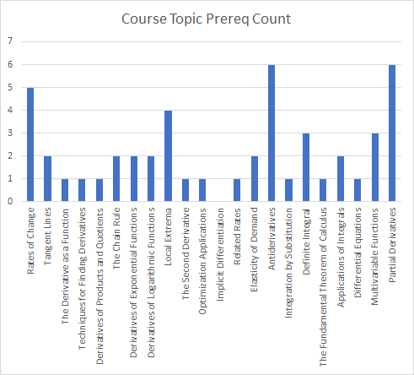
Count of Topic Used as Prereq
MAT 1133 | 0
Applications of Linear Functions | 356
Quadratic Functions and Applications | 357
Limits | 358 |  |  |  |  |  | 1
One-Sided Limits and Limits at Infinity | 359
Rates of Change | 360 |  |  |  |  |  | 1 |  |  |  |  |  |  |  |  |  |  |  |  |  |  |  |  |  |  |  |  | 1
Tangent Lines | 361 |  |  |  |  |  |  | 1 |  |  |  |  |  |  |  |  |  |  |  |  |  |  |  |  |  |  |  | 1
The Derivative as a Function | 362 |  |  |  |  |  |  |  | 1 |  |  | 1 | 1 | 1 |  |  |  |  |  |  |  |  |  |  |  |  |  | 4
Techniques for Finding Derivatives | 363 |  |  |  |  |  |  |  |  | 1 |  |  |  | 1 |  |  |  |  |  | 1 |  |  |  |  |  |  | 1 | 4
Derivatives of Products and Quotients | 364 |  |  |  |  |  |  |  |  |  |  |  |  | 1 |  |  |  |  |  | 1 |  |  |  |  |  |  | 1 | 3
The Chain Rule | 365 |  |  |  |  |  |  |  |  |  |  |  |  | 1 |  |  |  |  |  | 1 |  |  |  |  |  |  | 1 | 3
Derivatives of Exponential Functions | 366 |  |  |  |  |  |  |  |  |  |  |  |  | 1 |  |  |  |  |  | 1 |  |  |  |  |  |  | 1 | 3
Derivatives of Logarithmic Functions | 367 |  |  |  |  |  |  |  |  |  |  |  |  | 1 |  |  |  |  |  | 1 |  |  |  |  |  |  | 1 | 3
Local Extrema | 368 |  |  |  |  |  |  |  |  |  |  |  |  |  | 1 |  |  |  |  |  |  |  |  |  |  |  |  | 1
The Second Derivative | 369 |  |  |  |  |  |  |  |  |  |  |  |  |  |  | 1 |  |  |  |  |  |  |  |  |  |  |  | 1
Optimization Applications | 370 |  |  |  |  |  |  |  |  |  |  |  |  |  |  |  |  |  |  |  |  |  |  |  |  |  |  | 0
Implicit Differentiation | 371 |  |  |  |  |  |  |  |  |  |  |  |  |  |  |  |  | 1 |  |  |  |  |  |  |  |  |  | 1
Related Rates | 372 |  |  |  |  |  |  |  |  |  |  |  |  |  |  |  |  |  | 1 |  |  |  |  |  |  |  |  | 1
Elasticity of Demand | 373 |  |  |  |  |  |  |  |  |  |  |  |  |  |  |  |  |  |  |  |  |  |  | 1 |  |  |  | 1
Antiderivatives | 374 |  |  |  |  |  |  |  |  |  |  |  |  |  |  |  |  |  |  |  | 1 | 1 |  |  | 1 |  |  | 3
Integration by Substitution | 375 |  |  |  |  |  |  |  |  |  |  |  |  |  |  |  |  |  |  |  |  |  |  |  |  |  |  | 0
Definite Integral | 376 |  |  |  |  |  |  |  |  |  |  |  |  |  |  |  |  |  |  |  |  |  | 1 | 1 |  |  |  | 2
The Fundamental Theorem of Calculus | 377 |  |  |  |  |  |  |  |  |  |  |  |  |  |  |  |  |  |  |  |  |  |  |  |  |  |  | 0
Applications of Integrals | 378 |  |  |  |  |  |  |  |  |  |  |  |  |  |  |  |  |  |  |  |  |  |  |  |  |  |  | 0
Differential Equations | 379 |  |  |  |  |  |  |  |  |  |  |  |  |  |  |  |  |  |  |  |  |  |  |  |  |  |  | 0
Multivariable Functions | 380 |  |  |  |  |  |  |  |  |  |  |  |  |  |  |  |  |  |  |  |  |  |  |  |  |  |  | 0
Partial Derivatives | 381 |  |  |  |  |  |  |  |  |  |  |  |  |  |  |  |  |  |  |  |  |  |  |  |  |  |  | 0
Unknown Course | 0
Demand Curves | 0 |  |  |  |  |  |  |  |  |  |  |  |  |  |  |  |  |  | 1 |  |  |  |  |  |  |  |  | 1
Marginal Analysis | 0 |  |  |  |  |  |  |  |  |  |  |  |  |  |  |  |  |  |  |  |  |  |  |  |  |  | 1 | 1
Course Topic Prereq Count | 0 |  |  |  |  | 3 | 2 | 1 | 1 | 1 | 2 | 2 | 2 | 9 | 1 | 1 | 0 | 1 | 2 | 5 | 1 | 2 | 1 | 2 | 1 | 3 | 6

1193
 |  | MAT 1093 | Functions and their graphs | One to one functions | Inverse Functions | Angles and their measure | Trig. Functions: Unit Circle Approach | Properties of the Trig. Functions | Graphs of Sine and Cosine Functions | Graphs of Tangent, Cotangent, cosecant and secant functions | Phase Shift and Applications | Inverse sine, cosine, and tangent functions | Inverse Secant, cosecant and cotangent functions | Trigonometric Equations with a single trig functions | Trigonometric Equations | Trigonometric Identities | Sum and Difference Formulas | Double-angle formulas | Half Angle Formulas | Product-to-sum and sum-to-product formulas | Right angle definition of the Trigonometric functions | The law of Sines | The law of Cosines | Area of a Triangle | Polar Coordinates | The complex Plane | DeMoivere's Theorem | Logarithmic and Exponential Equations | MAT 1193 | Review of functions and change | Instantaneous Rate of Change | Limits | Derivative Formulas (Derivatives for powers and polynomials) | Derivative Formulas (Derivatives for trigonometric functions) | Applications | Accumulated Change & the Definite Integral | Antiderivatives | Definite Integral and the Fundamental Theorem of Calculus | Integration Applications | Substitution Method | Integration by Parts and further applications | Differential Equations (Mathematical Modeling) | Graphs of differential equations and separation of variables for solving differential equations | Exponential growth and decay & surge function
 |  |  | 95 | 96 | 97 | 98 | 99 | 100 | 101 | 102 | 103 | 104 | 105 | 106 | 107 | 108 | 109 | 110 | 111 | 112 | 113 | 114 | 115 | 116 | 117 | 119 | 120 | 121 |  | 382 | 383 | 384 | 385 | 386 | 387 | 388 | 389 | 390 | 391 | 392 | 393 | 394 | 395 | 396
Review of functions and change | 382 |  | 1 | 1 | 1 |  |  |  |  |  |  |  |  |  |  |  |  |  |  |  |  |  |  |  |  |  |  |  |  |  |  |  |  |  |  |  |  |  |  |  |  |  |  |  | 3
Instantaneous Rate of Change | 383 |  | 1 |  |  |  |  |  |  |  |  |  |  |  |  |  |  |  |  |  |  |  |  |  |  |  |  |  |  | 1 |  |  |  |  |  |  |  |  |  |  |  |  |  |  | 2
Limits | 384 |  | 1 |  |  |  |  |  |  |  |  |  |  |  |  |  |  |  |  |  |  |  |  |  |  |  |  | 1 |  | 1 |  |  |  |  |  |  |  |  |  |  |  |  |  |  | 3
Derivative Formulas (Derivatives for powers and polynomials) | 385 |  | 1 |  |  |  |  |  |  |  |  |  |  |  |  |  |  |  |  |  |  |  |  |  |  |  |  | 1 |  | 1 |  | 1 |  |  |  |  |  |  |  |  |  |  |  |  | 4
Derivative Formulas (Derivatives for trigonometric functions) | 386 |  | 1 |  |  |  | 1 | 1 |  |  |  |  |  | 1 | 1 | 1 |  |  |  |  |  |  |  |  |  |  |  |  |  | 1 |  | 1 | 1 |  |  |  |  |  |  |  |  |  |  |  | 9
Applications | 387 |  | 1 |  |  |  |  |  | 1 | 1 |  |  |  |  |  |  |  |  |  |  |  |  |  |  |  |  |  |  |  |  |  |  | 1 | 1 |  |  |  |  |  |  |  |  |  |  | 5
Accumulated Change & the Definite Integral | 388 |  | 1 |  |  |  |  |  |  |  |  |  |  |  |  |  |  |  |  |  |  |  |  |  |  |  |  |  |  | 1 | 1 |  |  |  |  |  |  |  |  |  |  |  |  |  | 3
Antiderivatives | 389 |  | 1 |  |  |  | 1 | 1 | 1 | 1 |  |  |  |  |  |  |  |  |  |  |  |  |  |  |  |  |  |  |  | 1 |  |  | 1 | 1 |  | 1 |  |  |  |  |  |  |  |  | 9
Definite Integral and the Fundamental Theorem of Calculus | 390 |  |  |  |  |  |  |  |  |  |  |  |  |  |  |  |  |  |  |  |  |  |  | 1 |  |  |  |  |  | 1 |  | 1 | 1 | 1 |  | 1 | 1 |  |  |  |  |  |  |  | 7
Integration Applications | 391 |  |  |  |  |  |  |  |  |  |  |  |  |  |  |  |  |  |  |  |  |  |  |  |  |  |  |  |  | 1 |  |  |  |  | 1 |  |  | 1 |  |  |  |  |  |  | 3
Substitution Method | 392 |  |  |  |  |  |  |  |  |  |  |  |  |  |  |  |  |  |  |  |  |  |  |  |  |  |  |  |  |  |  |  |  |  |  |  |  |  | 1 |  |  |  |  |  | 1
Integration by Parts and further applications | 393 |  |  |  |  |  |  |  |  |  |  |  |  |  |  |  |  |  |  |  |  |  |  |  |  |  |  |  |  |  |  |  |  |  |  |  |  |  | 1 | 1 |  |  |  |  | 2
Differential Equations (Mathematical Modeling) | 394 |  |  |  |  |  |  |  |  |  |  |  |  |  |  |  |  |  |  |  |  |  |  |  |  |  |  |  |  |  |  |  |  |  |  |  |  |  |  |  |  |  |  |  | 0
Graphs of differential equations and separation of variables for solving differential equations | 395 |  | 1 |  |  |  |  |  |  |  |  |  |  |  |  |  |  |  |  |  |  |  |  |  |  |  |  |  |  | 1 |  |  |  |  |  |  |  |  |  |  |  | 1 |  |  | 3
Exponential growth and decay & surge function | 396 |  | 1 |  |  |  |  |  |  |  |  |  |  |  |  |  |  |  |  |  |  |  |  |  |  |  |  | 1 |  | 1 |  |  |  |  |  |  |  |  |  |  |  | 1 | 1 |  | 5
 |  |  | 10 | 1 | 1 | 0 | 2 | 2 | 2 | 2 | 0 | 0 | 0 | 1 | 1 | 1 | 0 | 0 |  | 0 | 0 | 0 | 0 | 1 | 0 | 0 | 0 | 3 |  | 10 | 1 | 3 | 4 | 3 | 1 | 2 | 1 | 1 | 2 | 1 | 0 | 2 | 1 | 0

Functions and their graphs | 10
One to one functions | 1
Inverse Functions | 1
Angles and their measure | 0
Trig. Functions: Unit Circle Approach | 2
Properties of the Trig. Functions | 2
Graphs of Sine and Cosine Functions | 2
Graphs of Tangent, Cotangent, cosecant and secant functions | 2
Phase Shift and Applications | 0
Inverse sine, cosine, and tangent functions | 0
Inverse Secant, cosecant and cotangent functions | 0
Trigonometric Equations with a single trig functions | 1
Trigonometric Equations | 1
Trigonometric Identities | 1
Sum and Difference Formulas | 0
Double-angle formulas | 0
Half Angle Formulas
Product-to-sum and sum-to-product formulas | 0
Right angle definition of the Trigonometric functions | 0
The law of Sines | 0
The law of Cosines | 0
Area of a Triangle | 1
Polar Coordinates | 0
The complex Plane | 0
DeMoivere's Theorem | 0
Logarithmic and Exponential Equations | 3
MAT 1193
Review of functions and change | 10
Instantaneous Rate of Change | 1
Limits | 3
Derivative Formulas (Derivatives for powers and polynomials) | 4
Derivative Formulas (Derivatives for trigonometric functions) | 3
Applications | 1
Accumulated Change & the Definite Integral | 2
Antiderivatives | 1
Definite Integral and the Fundamental Theorem of Calculus | 1
Integration Applications | 2
Substitution Method | 1
Integration by Parts and further applications | 0
Differential Equations (Mathematical Modeling) | 2
Graphs of differential equations and separation of variables for solving differential equations | 1
Exponential growth and decay & surge function | 0

1023
 | -> "is a prerequsite for" ↓ | Algebraic Expressions | Exponents and Scientific Notation | Radical & Rational Exponent | Polynomials | Factoring Polynomials | Rational Expressions | Graph of equations | Linear and Rational Equations | Models and Applications | Complex Numbers | Quadratic Equations | Other Types of Equations | Linear and Absolute Value Inequalities | Basics of Functions | Basics of graphs | More on Functions and Their Graphs | Linear Functions and Slope | More on Slope | Transformation of Functions | Combinations of Functions/Composite Functions | Inverse Functions | Quadratic Functions | Polynomial Functions and Their Graphs | Dividing Polynomials | Remainder and Factor Theorem | Systems of Linear Equations in Two Variables | Systems of Inequalities | Exponential Functions | Logarithmic Functions | Properties of Logarithms | Exponential and Logarithmic Equations | Exponential Growth and Decay (Modeling Data)
 |  | 397 | 398 | 399 | 400 | 401 | 402 | 403 | 404 | 405 | 406 | 407 | 408 | 409 | 410 | 411 | 412 | 413 | 414 | 415 | 416 | 417 | 418 | 419 | 420 | 421 | 422 | 423 | 424 | 425 | 426 | 427 | 428
397 | Algebraic Expressions |  |  |  |  |  |  |  |  |  |  |  |  |  |  |  |  |  |  |  |  |  |  |  |  |  |  |  |  |  |  |  |  | 0
398 | Exponents and Scientific Notation |  |  |  |  |  |  |  |  |  |  |  |  |  |  |  |  |  |  |  |  |  |  |  |  |  |  |  |  |  |  |  |  | 0
399 | Radical & Rational Exponent |  | 1 |  |  |  |  |  |  |  |  |  |  |  |  |  |  |  |  |  |  |  |  |  |  |  |  |  |  |  |  |  |  | 1
400 | Polynomials | 1 |  |  |  |  |  |  |  |  |  |  |  |  |  |  |  |  |  |  |  |  |  |  |  |  |  |  |  |  |  |  |  | 1
401 | Factoring Polynomials |  |  |  | 1 |  |  |  |  |  |  |  |  |  |  |  |  |  |  |  |  |  |  |  |  |  |  |  |  |  |  |  |  | 1
402 | Rational Expressions | 1 |  |  |  |  |  |  |  |  |  |  |  |  |  |  |  |  |  |  |  |  |  |  |  |  |  |  |  |  |  |  |  | 1
403 | Graph of equations |  |  |  |  |  |  |  |  |  |  |  |  |  |  |  |  |  |  |  |  |  |  |  |  |  |  |  |  |  |  |  |  | 0
404 | Linear and Rational Equations | 1 |  |  |  |  |  |  |  |  |  |  |  |  |  |  |  |  |  |  |  |  |  |  |  |  |  |  |  |  |  |  |  | 1
405 | Models and Applications | 1 |  |  |  |  |  |  | 1 |  |  |  |  |  |  |  |  |  |  |  |  |  |  |  |  |  |  |  |  |  |  |  |  | 2
406 | Complex Numbers |  |  |  |  |  |  |  |  |  |  |  |  |  |  |  |  |  |  |  |  |  |  |  |  |  |  |  |  |  |  |  |  | 0
407 | Quadratic Equations | 1 |  |  |  |  |  |  |  |  |  |  |  |  |  |  |  |  |  |  |  |  |  |  |  |  |  |  |  |  |  |  |  | 1
408 | Other Types of Equations | 1 | 1 | 1 | 1 | 1 | 1 | 1 | 1 | 1 |  |  |  |  |  |  |  |  |  |  |  |  |  |  |  |  |  |  |  |  |  |  |  | 9
409 | Linear and Absolute Value Inequalities | 1 |  |  |  |  |  |  | 1 |  |  |  |  |  |  |  |  |  |  |  |  |  |  |  |  |  |  |  |  |  |  |  |  | 2
410 | Basics of Functions | 1 |  |  |  |  |  | 1 |  |  |  |  |  |  |  |  |  |  |  |  |  |  |  |  |  |  |  |  |  |  |  |  |  | 2
411 | Basics of graphs | 1 |  |  |  |  |  | 1 |  |  |  |  |  |  |  |  |  |  |  |  |  |  |  |  |  |  |  |  |  |  |  |  |  | 2
412 | More on Functions and Their Graphs | 1 |  |  |  |  |  | 1 |  |  |  |  |  |  |  |  |  |  |  |  |  |  |  |  |  |  |  |  |  |  |  |  |  | 2
413 | Linear Functions and Slope |  |  |  |  |  |  |  | 1 |  |  |  |  |  | 1 | 1 |  |  |  |  |  |  |  |  |  |  |  |  |  |  |  |  |  | 3
414 | More on Slope |  |  |  |  |  |  |  |  |  |  |  |  |  | 1 | 1 |  | 1 |  |  |  |  |  |  |  |  |  |  |  |  |  |  |  | 3
415 | Transformation of Functions |  |  |  |  |  |  | 1 |  |  |  |  |  |  |  | 1 |  |  |  |  |  |  |  |  |  |  |  |  |  |  |  |  |  | 2
416 | Combinations of Functions/Composite Functions | 1 |  |  |  |  |  | 1 |  |  |  |  |  |  |  | 1 |  |  |  |  |  |  |  |  |  |  |  |  |  |  |  |  |  | 3
417 | Inverse Functions |  |  |  |  |  |  |  |  |  |  |  |  |  | 1 | 1 |  |  |  |  |  |  |  |  |  |  |  |  |  |  |  |  |  | 2
418 | Quadratic Functions |  |  |  |  |  |  |  |  |  | 1 | 1 |  |  |  | 1 |  |  |  | 1 |  |  |  |  |  |  |  |  |  |  |  |  |  | 4
419 | Polynomial Functions and Their Graphs |  |  |  | 1 | 1 |  | 1 |  |  |  |  |  |  |  | 1 |  |  |  |  |  |  |  |  |  |  |  |  |  |  |  |  |  | 4
420 | Dividing Polynomials |  |  |  | 1 | 1 |  |  |  |  |  |  |  |  |  |  |  |  |  |  |  |  |  |  |  |  |  |  |  |  |  |  |  | 2
421 | Remainder and Factor Theorem |  |  |  | 1 | 1 |  |  |  |  |  |  |  |  |  |  |  |  |  |  |  |  |  |  |  |  |  |  |  |  |  |  |  | 2
422 | Systems of Linear Equations in Two Variables | 1 |  |  |  |  |  |  |  |  |  |  |  |  |  |  |  |  |  |  | 1 |  |  |  |  |  |  |  |  |  |  |  |  | 2
423 | Systems of Inequalities |  |  |  |  |  |  |  |  |  |  |  |  |  |  |  |  |  |  |  |  |  |  |  |  |  |  |  |  |  |  |  |  | 0
424 | Exponential Functions |  | 1 | 1 |  |  |  |  |  |  |  |  |  |  |  |  |  |  |  |  |  |  |  |  |  |  |  |  |  |  |  |  |  | 2
425 | Logarithmic Functions |  | 1 |  |  |  |  |  |  |  |  |  |  |  |  |  |  |  |  |  |  |  |  |  |  |  |  |  | 1 |  |  |  |  | 2
426 | Properties of Logarithms |  | 1 |  |  |  |  |  |  |  |  |  |  |  |  |  |  |  |  |  |  |  |  |  |  |  |  |  | 1 | 1 |  |  |  | 3
427 | Exponential and Logarithmic Equations |  | 1 | 1 |  |  |  |  |  |  |  |  |  |  |  |  |  |  |  |  |  |  |  |  |  |  |  |  | 1 | 1 |  |  |  | 4
428 | Exponential Growth and Decay (Modeling Data) |  | 1 | 1 |  |  |  |  |  |  |  |  |  |  |  |  |  |  |  |  |  |  |  |  |  |  |  |  | 1 | 1 | 1 | 1 |  | 6
 |  | 12 | 7 | 4 | 5 | 4 | 1 | 7 | 4 | 1 | 1 | 1 | 0 | 0 | 3 | 7 | 0 | 1 | 0 | 1 | 1 | 0 | 0 | 0 | 0 | 0 | 0 | 0 | 4 | 3 | 1 | 1 | 0

Algebraic Expressions | 12
Exponents and Scientific Notation | 7
Radical & Rational Exponent | 4
Polynomials | 5
Factoring Polynomials | 4
Rational Expressions | 1
Graph of equations | 7
Linear and Rational Equations | 4
Models and Applications | 1
Complex Numbers | 1
Quadratic Equations | 1
Other Types of Equations | 0
Linear and Absolute Value Inequalities | 0
Basics of Functions | 3
Basics of graphs | 7
More on Functions and Their Graphs | 0
Linear Functions and Slope | 1
More on Slope | 0
Transformation of Functions | 1
Combinations of Functions/Composite Functions | 1
Inverse Functions | 0
Quadratic Functions | 0
Polynomial Functions and Their Graphs | 0
Dividing Polynomials | 0
Remainder and Factor Theorem | 0
Systems of Linear Equations in Two Variables | 0
Systems of Inequalities | 0
Exponential Functions | 4
Logarithmic Functions | 3
Properties of Logarithms | 1
Exponential and Logarithmic Equations | 1
Exponential Growth and Decay (Modeling Data) | 0

3613 A
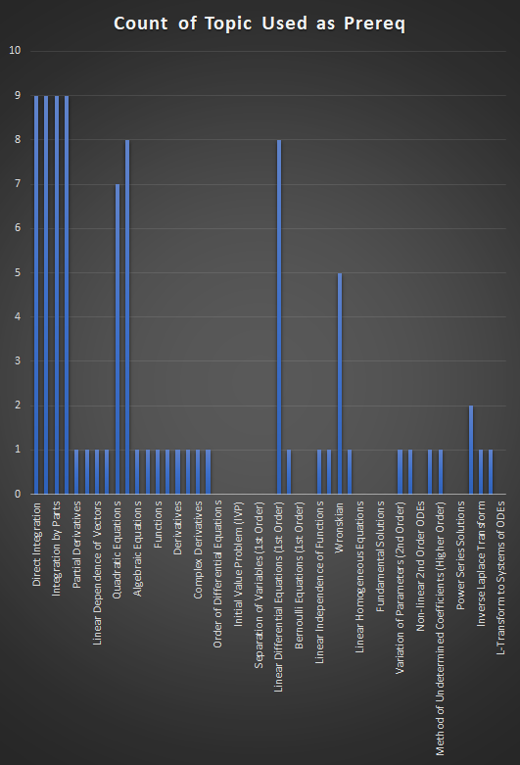
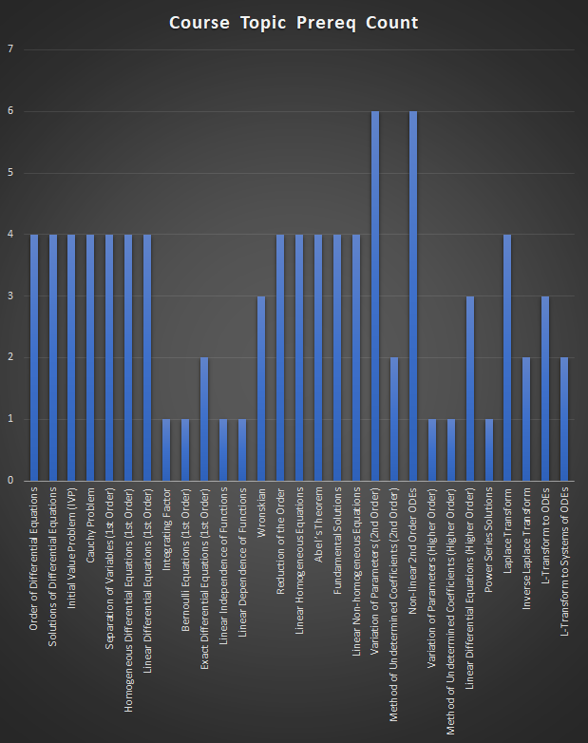
Mat 3613 | Direct Integration | Integration by Substitutions | Integration by Parts | Partial Fractions | Partial Derivatives | Linear Independence of Vectors | Linear Dependence of Vectors | Determinant | Quadratic Equations | Systems of Linear Equations | Algebraic Equations | Power Series Induction | Functions | Continuity | Derivatives | Improper Integrals | Complex Derivatives | Linear Equations | Order of Differential Equations | Solutions of Differential Equations | Initial Value Problem (IVP) | Cauchy Problem | Separation of Variables (1st Order) | Homogeneous Differential Equations (1st Order) | Linear Differential Equations (1st Order) | Integrating Factor | Bernoulli Equations (1st Order) | Exact Differential Equations (1st Order) | Linear Independence of Functions | Linear Dependence of Functions | Wronskian | Reduction of the Order | Linear Homogeneous Equations | Abel’s Theorem | Fundamental Solutions | Linear Non-homogeneous Equations | Variation of Parameters (2nd Order) | Method of Undetermined Coefficients (2nd Order) | Non-linear 2nd Order ODEs | Variation of Parameters (Higher Order) | Method of Undetermined Coefficients (Higher Order) | Linear Differential Equations (Higher Order) | Power Series Solutions | Laplace Transform | Inverse Laplace Transform | L-Transform to ODEs | L-Transform to Systems of ODEs | Course Topic Prereq Count
Order of Differential Equations | 1 | 1 | 1 | 1 |  |  |  |  |  |  |  |  |  |  |  |  |  |  |  |  |  |  |  |  |  |  |  |  |  |  |  |  |  |  |  |  |  |  |  |  |  |  |  |  |  |  |  | 4
Solutions of Differential Equations | 1 | 1 | 1 | 1 |  |  |  |  |  |  |  |  |  |  |  |  |  |  |  |  |  |  |  |  |  |  |  |  |  |  |  |  |  |  |  |  |  |  |  |  |  |  |  |  |  |  |  | 4
Initial Value Problem (IVP) | 1 | 1 | 1 | 1 |  |  |  |  |  |  |  |  |  |  |  |  |  |  |  |  |  |  |  |  |  |  |  |  |  |  |  |  |  |  |  |  |  |  |  |  |  |  |  |  |  |  |  | 4
Cauchy Problem | 1 | 1 | 1 | 1 |  |  |  |  |  |  |  |  |  |  |  |  |  |  |  |  |  |  |  |  |  |  |  |  |  |  |  |  |  |  |  |  |  |  |  |  |  |  |  |  |  |  |  | 4
Separation of Variables (1st Order) | 1 | 1 | 1 | 1 |  |  |  |  |  |  |  |  |  |  |  |  |  |  |  |  |  |  |  |  |  |  |  |  |  |  |  |  |  |  |  |  |  |  |  |  |  |  |  |  |  |  |  | 4
Homogeneous Differential Equations (1st Order) | 1 | 1 | 1 | 1 |  |  |  |  |  |  |  |  |  |  |  |  |  |  |  |  |  |  |  |  |  |  |  |  |  |  |  |  |  |  |  |  |  |  |  |  |  |  |  |  |  |  |  | 4
Linear Differential Equations (1st Order) | 1 | 1 | 1 | 1 |  |  |  |  |  |  |  |  |  |  |  |  |  |  |  |  |  |  |  |  |  |  |  |  |  |  |  |  |  |  |  |  |  |  |  |  |  |  |  |  |  |  |  | 4
Integrating Factor |  |  |  |  |  |  |  |  |  |  |  |  |  |  |  |  |  |  |  |  |  |  |  |  | 1 |  |  |  |  |  |  |  |  |  |  |  |  |  |  |  |  |  |  |  |  |  |  | 1
Bernoulli Equations (1st Order) |  |  |  |  |  |  |  |  |  |  |  |  |  |  |  |  |  |  |  |  |  |  |  |  | 1 |  |  |  |  |  |  |  |  |  |  |  |  |  |  |  |  |  |  |  |  |  |  | 1
Exact Differential Equations (1st Order) |  |  |  |  | 1 |  |  |  |  |  |  |  |  |  |  |  |  |  |  |  |  |  |  |  |  | 1 |  |  |  |  |  |  |  |  |  |  |  |  |  |  |  |  |  |  |  |  |  | 2
Linear Independence of Functions |  |  |  |  |  | 1 |  |  |  |  |  |  |  |  |  |  |  |  |  |  |  |  |  |  |  |  |  |  |  |  |  |  |  |  |  |  |  |  |  |  |  |  |  |  |  |  |  | 1
Linear Dependence of Functions |  |  |  |  |  |  | 1 |  |  |  |  |  |  |  |  |  |  |  |  |  |  |  |  |  |  |  |  |  |  |  |  |  |  |  |  |  |  |  |  |  |  |  |  |  |  |  |  | 1
Wronskian |  |  |  |  |  |  |  | 1 |  |  |  |  |  |  |  |  |  |  |  |  |  |  |  |  |  |  |  |  | 1 | 1 |  |  |  |  |  |  |  |  |  |  |  |  |  |  |  |  |  | 3
Reduction of the Order |  |  |  |  |  |  |  |  | 1 | 1 |  |  |  |  |  |  |  |  |  |  |  |  |  |  | 1 |  |  |  |  |  | 1 |  |  |  |  |  |  |  |  |  |  |  |  |  |  |  |  | 4
Linear Homogeneous Equations |  |  |  |  |  |  |  |  | 1 | 1 |  |  |  |  |  |  |  |  |  |  |  |  |  |  | 1 |  |  |  |  |  | 1 |  |  |  |  |  |  |  |  |  |  |  |  |  |  |  |  | 4
Abel’s Theorem |  |  |  |  |  |  |  |  | 1 | 1 |  |  |  |  |  |  |  |  |  |  |  |  |  |  | 1 |  |  |  |  |  | 1 |  |  |  |  |  |  |  |  |  |  |  |  |  |  |  |  | 4
Fundamental Solutions |  |  |  |  |  |  |  |  | 1 | 1 |  |  |  |  |  |  |  |  |  |  |  |  |  |  | 1 |  |  |  |  |  | 1 |  |  |  |  |  |  |  |  |  |  |  |  |  |  |  |  | 4
Linear Non-homogeneous Equations |  |  |  |  |  |  |  |  | 1 | 1 |  |  |  |  |  |  |  |  |  |  |  |  |  |  | 1 |  |  |  |  |  | 1 |  |  |  |  |  |  |  |  |  |  |  |  |  |  |  |  | 4
Variation of Parameters (2nd Order) | 1 | 1 | 1 | 1 |  |  |  |  | 1 | 1 |  |  |  |  |  |  |  |  |  |  |  |  |  |  |  |  |  |  |  |  |  |  |  |  |  |  |  |  |  |  |  |  |  |  |  |  |  | 6
Method of Undetermined Coefficients (2nd Order) |  |  |  |  |  |  |  |  | 1 | 1 |  |  |  |  |  |  |  |  |  |  |  |  |  |  |  |  |  |  |  |  |  |  |  |  |  |  |  |  |  |  |  |  |  |  |  |  |  | 2
Non-linear 2nd Order ODEs | 1 | 1 | 1 | 1 |  |  |  |  |  |  | 1 |  |  |  |  |  |  |  |  |  |  |  |  |  |  |  |  |  |  |  |  | 1 |  |  |  |  |  |  |  |  |  |  |  |  |  |  |  | 6
Variation of Parameters (Higher Order) |  |  |  |  |  |  |  |  |  |  |  |  |  |  |  |  |  |  |  |  |  |  |  |  |  |  |  |  |  |  |  |  |  |  |  |  | 1 |  |  |  |  |  |  |  |  |  |  | 1
Method of Undetermined Coefficients (Higher Order) |  |  |  |  |  |  |  |  |  |  |  |  |  |  |  |  |  |  |  |  |  |  |  |  |  |  |  |  |  |  |  |  |  |  |  |  |  | 1 |  |  |  |  |  |  |  |  |  | 1
Linear Differential Equations (Higher Order) |  |  |  |  |  |  |  |  |  |  |  |  |  |  |  |  |  |  |  |  |  |  |  |  | 1 |  |  |  |  |  |  |  |  |  |  |  |  |  |  | 1 | 1 |  |  |  |  |  |  | 3
Power Series Solutions |  |  |  |  |  |  |  |  |  |  |  | 1 |  |  |  |  |  |  |  |  |  |  |  |  |  |  |  |  |  |  |  |  |  |  |  |  |  |  |  |  |  |  |  |  |  |  |  | 1
Laplace Transform |  |  |  |  |  |  |  |  |  |  |  |  | 1 | 1 | 1 | 1 |  |  |  |  |  |  |  |  |  |  |  |  |  |  |  |  |  |  |  |  |  |  |  |  |  |  |  |  |  |  |  | 4
Inverse Laplace Transform |  |  |  |  |  |  |  |  |  |  |  |  |  |  |  |  | 1 |  |  |  |  |  |  |  |  |  |  |  |  |  |  |  |  |  |  |  |  |  |  |  |  |  |  | 1 |  |  |  | 2
L-Transform to ODEs |  |  |  |  |  |  |  |  |  |  |  |  |  |  |  |  |  | 1 |  |  |  |  |  |  |  |  |  |  |  |  |  |  |  |  |  |  |  |  |  |  |  |  |  | 1 | 1 |  |  | 3
L-Transform to Systems of ODEs |  |  |  |  |  |  |  |  |  | 1 |  |  |  |  |  |  |  |  |  |  |  |  |  |  |  |  |  |  |  |  |  |  |  |  |  |  |  |  |  |  |  |  |  |  |  | 1 |  | 2
Count of Topic Used as Prereq | 9 | 9 | 9 | 9 | 1 | 1 | 1 | 1 | 7 | 8 | 1 | 1 | 1 | 1 | 1 | 1 | 1 | 1 | 0 | 0 | 0 | 0 | 0 | 0 | 8 | 1 | 0 | 0 | 1 | 1 | 5 | 1 | 0 | 0 | 0 | 0 | 1 | 1 | 0 | 1 | 1 | 0 | 0 | 2 | 1 | 1 | 0

