AC-09 Risk Assessment
 |  |  |  |  |  |  |  |  |  |  |  |  |  | 2348070232858

Cluster | AC | Well Name | WFM Type | Well Status | Reasons | People | Asset | Community | Environment | Overal Risk | Current Mitigations in Place | General Comments | Mitigation Actions | Action Timeline | Action Party | Recommendation
Cluster JA | 9 | FOCY135 | LP | Flowing | LS: SSV, LMV, SS: SSV2, LMV2, SSSV2 | C3 | C3 | C3 | C4 | MEDIUM | 1. No wellhead cage 2. LS cannot flow naturally. 3. LS SCSSSV, SV & WV integral. 4. SS valves tested and integral (SV / FWV). 5. Xmas tree cap integral and available. | SS: Well currently flowing with 1 barrier. CITHP = 18 barg LS: Quit production. CITHP = 13 barg | Top LS/SS 1. Daily Radar surveillance from Geomatics Team 2. Visit the cluster for surveillance - FORC135 3. FORC135S bean check should be suspended till the second barrier (LMV and ScSSSV) is fixed. 4. Continue to Flow FORC135S and monitor sand production level from sampling. 5. Check the Well integrity sequence to prioritize the high risk. | LS/SS 1. Daily 2. Once every 2 days 3. 30/04/2022. 4. monthly 5. Once | LS 1. Opns - Femi / Dapiriye 2. Opns - Femi / Dapiriye 3. Ops - Femi / Dapririye 4. Ops - Femi / Dapririye 5. Chinedu | 1. Fix ScSSV & failed valves immediately.
Cluster 2 | 9 | FOCY028 | LP | Closed in | LS: SSV SSSV, SS: SV2, SSSV2, UMV2 | C3 | C3 | C3 | C4 | MEDIUM | 1. Wellhead cage. 2. LS: SSV and SSSV failed (Other WH valves passed). 3. SS: SV2, UMV2 and SSSV2 failed test. 4. Xmas tree cap integral and available. | LS:The measured CITHP is 165psig SS: The measured CITHP is 550psig. All strings closed in due to bulkline outage The well is in Estuary (Offshore). | Top LS/SS 1. Daily Radar surveillance from Geomatics Team 2. Visit the cluster for surveillance - FORC028 3. FORC028 will remain closed-in till restoration of cluster integrity. 4. Prioritize the AC-09 wells in the Well integrity securing sequence. | LS/SS 1. Daily 2. Once every 2 days 3. once 5. Once | LS 1. Opns - Femi / Dapiriye 2. Opns - Femi / Dapiriye 3. Opns - Femi / Dapiriye 4. CWI - Chinedu | Leave Closed-in
Cluster JA | 9 | FOCY134 | LP | Flowing | LS: SV SS: SV2, SSSV2, | C3 | C3 | C3 | C4 | MEDIUM | 1. No Wellhead cage. 2. CMB WIT/SIT in Nov 2021: LS:SV and SS: SV and SSSV 3 FORC134L is producing 4. Xmas tree cap integral and available. | Long string is producing; short string is closed in. Flows to Estuary | Top LS/SS 1. Daily Radar surveillance from Geomatics Team 2. Visit the cluster for surveillance - FORC134 3. FORC134S will remain closed-in (PBU well) 4. Prioritize the AC-09 wells in the Well integrity securing sequence. | LS/SS 1. Daily 2. Once every 2 days 3. once 5. Once | LS 1. Opns - Femi / Dapiriye 2. Opns - Femi / Dapiriye 3. Opns - Femi / Dapiriye 4. CWI - Chinedu | 1. Leave LS flowing. 2. Leave SS Closed-in.
Location 9 | 9 | FOCY114 | LP | Flowing | LS: SV, UMV SS: SV2, SSSV | C3 | C3 | C3 | C4 | MEDIUM | 1. No Wellhead cage. 2. Cmb WIT/SIT of Sept 21 showed failures: LS: SV and UMV failed. SS: SV and SSSV failed 3. Xmas tree cap integral and available. 4. FORC114S is producing on gaslift | Long string is closed-in; Short string is still producing. Yokri Well | Top LS/SS 1. Daily Radar surveillance from Geomatics Team 2. Visit the cluster for surveillance - FORC028 3. FORC114L will remain closed-in (Fish in hole) 4. Prioritize the AC-09 wells in the Well integrity securing sequence. | LS/SS 1. Daily 2. Once every 2 days 3. once 5. Once | LS 1. Opns - Femi / Dapiriye 2. Opns - Femi / Dapiriye 3. Opns - Femi / Dapiriye 4. CWI - Chinedu | 1. Leave LS closed-in 2. Leave SS flowing

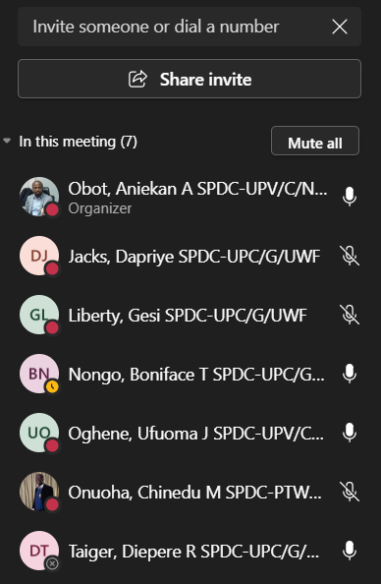

 |  |  |  |  |  |  |  | Tammy Biambo

