Sheet1
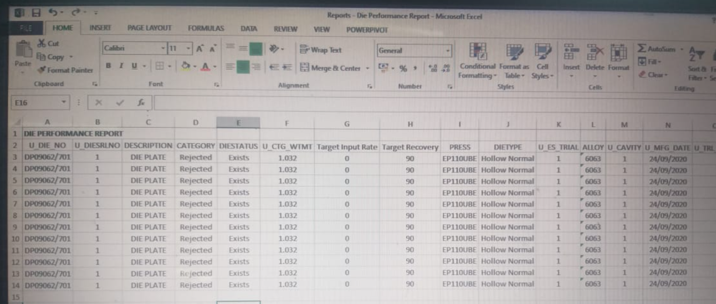
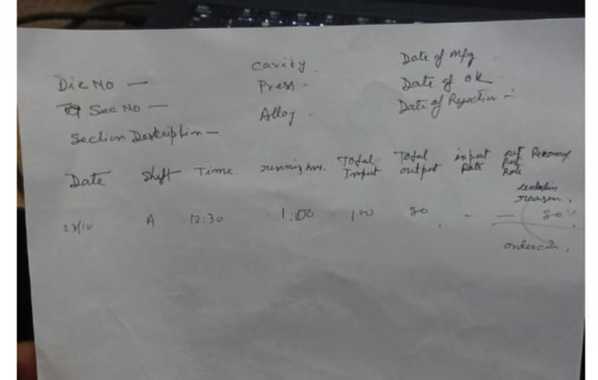
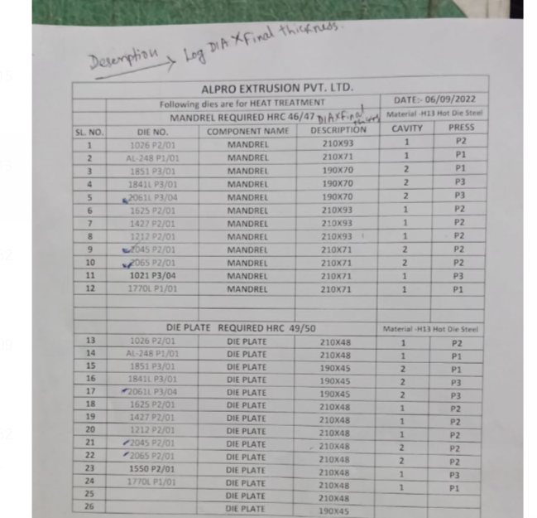
Requirement of Report

1 |  |  |  |  | Hot die Steel consumption Report |  |  |  | a) Log no wise
 |  |  |  |  |  |  |  |  | b) Date Wise
 |  |  |  |  |  |  |  |  | c) Die assembly no wise
Format
Log no | Log Received Dt. | Log Dia (mm) | Log Length (mm) | Log Grade | Vendor Name | Component No | Cut Length | Cut Weight | Date of Cutting | Cutting Operator Name | Remarks

2 |  |  |  |  | Hot Die Steel Stock Report
 |  |  |  |  |  |  |  |  | a) Log Dia wise
 |  |  |  |  |  |  |  |  | b) Vendor Name Wise
 |  |  |  |  |  |  |  |  | c) Total

Log No |  | Date of Purchase |  | Invoice No | Vendor Name | Log Dia | Available Length | Weight | Remarks

3 |  |  |  | Die Cutting Order
 |  | Date | Section No | Die No | Press | Component No | Log No | Length including Cutting Tolerance | Remarks

4 |  | Toolroom Log sheet
 |  | Name of the operator | Date | Shift | Component No | Machine no | Operation | Allocated Time | Start Time | End Time | Setting Time | Unloading time | Breakdown Time | Running Hrs | Remarks

5 |  | Heat Treatment Requisition Report
 |  | Date | Die No | Component No | Log No | Required HRC | Type of Heat Treatment

6 |  | Die No wise Manufacturing Details |  |  |  |  |  |  |  |  | a)Die No Wise
 |  |  |  |  |  |  |  |  |  |  | b) Date Wise
 |  |  |  |  |  |  |  |  |  |  | c) Operator Wise
 |  | Die No | Component No | Name of the Component | Date | Shift | Operation | Name of the Operator | M/C no | Allocated Hours | Total Hours | Remarks

7 |  | Die Trial Requisition
 |  | Date | Section No | Die No | Assembly Details | Press | Cavity | Remarks

8 |  | Monthly Die Manufacturing Details |  |  | Date wise Creation

 |  | Section No | Section Description | Type of Profile | Die No | Components | Press | Cavity | Alloy | Mfg starting date | Die Sent for trial date | Total Days Taken

9 |  | Monthly Die Made OK Details |  |  | Date wise Creation

 |  | Section No | Section Description | Type of Profile | Die No | Components | Press | Cavity | Alloy | 1 St Trial Date | Targeted No of Trial | To of Trail Taken | Date of OK | Remarks

 |  | Monthly Die Rejection Report
 |  | Section No | Section Description | Type of Profile | Die No | Components | Press | Cavity | Alloy | Total Input | Total Output | Rejection Reason | Remarks

 |  | Monthly Die Converted
 |  | Old |  |  |  |  |  |  |  |  |  | New Die No
 |  | Section No | Section Description | Type of Profile | Die No | Components | Press | Cavity | Alloy | Total Input | Total Output | Secftion | Section Description | Cavity | Press | Die No | Input | Output

