Sheet5
Overall Campaign Performance
 | Email | Print | Social Media
2023 | 320.5345454 | 601.46909087 | 212.76545455
2024 | 16893.883636 | 8521.8909088 | 15116.730909
2025 | 10300.5 | 3824.9672729 | 10409.827273
Comparison of Marketing Channels
 | Email | Print | Social Media
2023 | 57315.15152 | 107663.63636 | 38818.181821
2024 | 3041512.1212 | 1535403.0303 | 2723069.697
2025 | 1857066.6666 | 689557.57578 | 1873324.2424

Top Performing Campaigns
 | Email Newsletter | Flash Sale | Holiday Promotion | Influencer Marketing | Local Events | New Product Launch | Print Campaign | Social Media Ads | Summer Sale | Year-End Clearance
2023 |  | 12.22424242 | 48.33939394 | 47.61939394 | 103.25333333 | 30.60363636 | 45.97939394
2024 | 856.88727274 | 1229.1321212 | 1221.0490909 | 720.36303032 | 1023.9981818 | 1154.6490909 | 1177.9224242 | 960.91939392 | 1128.8969697 | 1009.8193939
2025 | 582.40606061 | 641.75636364 | 620.07272726 | 656.89818182 | 299.73333333 | 695.71151514 | 696.29818182 | 956.86060606 | 786.36303031 | 424.36969698
Customer Demographics Analysis
 | All Ages | Middle-aged Adults | Senior Adults | Young Adults
Email | 116 |  |  | 133
Print |  | 50 | 67
Social Media | 50 | 67 |  | 116

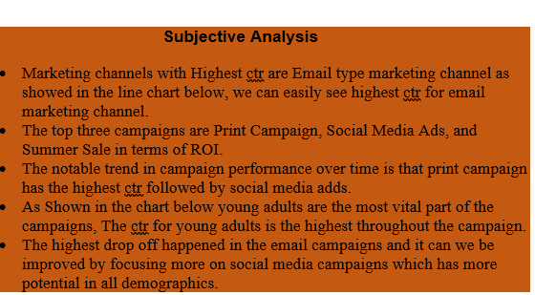

CTR and Conversion Rate
 | Sum of Click-through Rate (CTR) | Sum of Conversion Rate
Email | 27514.918182 | 7124.9787879
Print | 12948.327273 | 3347.1848485
Social Media | 25739.323636 | 6659.9624242
top-performing campaigns
 | Total
Email Newsletter | 1001866.6667
Flash Sale | 1309863.6364
Holiday Promotion | 1314806.0606
Influencer Marketing | 991703.03031
Local Events | 994224.24242
New Product Launch | 1307021.2121
Print Campaign | 1338400
Social Media Ads | 1335200
Summer Sale | 1332200
Year-End Clearance | 998445.45454

Trends in campaign performance
 | Email Newsletter | Flash Sale | Holiday Promotion | Influencer Marketing | Local Events | New Product Launch | Print Campaign | Social Media Ads | Summer Sale | Year-End Clearance
2023 |  | 35.57636364 | 200.8490909 | 177.18909091 | 411.41999997 | 119.6854545 | 190.0490909
2024 | 3290.0309092 | 4728.7781817 | 4709.3436364 | 2791.9145455 | 3979.9872726 | 4502.2436363 | 4541.9036363 | 3688.0690908 | 4392.2654544 | 3907.9690909
2025 | 2273.2290909 | 2508.3545455 | 2389.5890909 | 2537.7472727 | 1127.2800001 | 2633.9072728 | 2697.6872729 | 3727.1709092 | 3003.7745455 | 1636.5545455
Customer Demographics Influence
 | Email Newsletter | Flash Sale | Holiday Promotion | Influencer Marketing | Local Events | New Product Launch | Print Campaign | Social Media Ads | Summer Sale | Year-End Clearance
All Ages | 5563.2600001 |  | 7299.7818182 |  |  |  |  |  |  | 5544.5236364
Middle-aged Adults |  |  |  |  | 5518.6872726 |  |  | 7415.24
Senior Adults |  |  |  |  |  |  | 7429.64
Young Adults |  | 7272.7090909 |  | 5506.8509091 |  | 7255.8363636 |  |  | 7396.0399999

