reg1
SUMMARY OUTPUT

Regression Statistics
Multiple R | 0.52835361748
R Square | 0.2791575451
Adjusted R Square | 0.26413999396
Standard Error | 1.7274439209
Observations | 50

ANOVA
 | df | SS | MS | F | Significance F
Regression | 1 | 55.47 | 55.47 | 18.588752749 | 8.0193863152E-05
Residual | 48 | 143.235 | 2.9840625
Total | 49 | 198.705

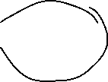
 | Coefficients | Standard Error | t Stat | P-value | Lower 95% | Upper 95% | Lower 95.0% | Upper 95.0%
Intercept | 11.6 | 0.38626820345 | 30.030947141 | 9.0331745437E-33 | 10.823355724 | 12.376644276 | 10.823355724 | 12.376644276
Gender_Dummy | 2.15 | 0.49867010638 | 4.3114675864 | 8.0193863152E-05 | 1.1473565515 | 3.1526434485 | 1.1473565515 | 3.1526434485

RESIDUAL OUTPUT

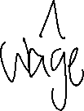

Observation | Predicted WAGE | Residuals
1 | 11.6 | -2.7
2 | 11.6 | -2.1
3 | 11.6 | -1.6
4 | 11.6 | -1.4
5 | 11.6 | -1.4
6 | 11.6 | -1.3
7 | 11.6 | -1.1
8 | 13.75 | -3.15
9 | 11.6 | -0.8
10 | 13.75 | -2.75
11 | 13.75 | -2.75
12 | 13.75 | -2.65
13 | 13.75 | -2.55
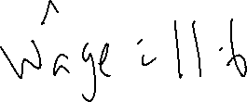
14 | 11.6 | -0.3
15 | 11.6 | -0.2
16 | 11.6 | -0.1
17 | 11.6 | -0.1
18 | 11.6 | 1.7763568394E-15
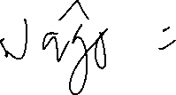
19 | 13.75 | -2.05
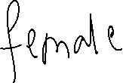
20 | 11.6 | 0.3
21 | 13.75 | -1.45
22 | 13.75 | -1.15
23 | 13.75 | -1.15
24 | 11.6 | 1
25 | 13.75 | -0.65
26 | 11.6 | 1.6
27 | 11.6 | 1.6
28 | 13.75 | -0.55
29 | 13.75 | -0.35
30 | 11.6 | 1.8
31 | 13.75 | -0.25
32 | 13.75 | 0.05
33 | 13.75 | 0.25
34 | 13.75 | 0.25
35 | 13.75 | 0.35
36 | 11.6 | 2.5
37 | 13.75 | 0.55
38 | 13.75 | 0.95
39 | 13.75 | 0.95
40 | 13.75 | 0.95
41 | 13.75 | 1.15
42 | 13.75 | 1.35
43 | 13.75 | 1.35
44 | 13.75 | 1.75
45 | 13.75 | 1.75
46 | 13.75 | 2.05
47 | 11.6 | 4.3
48 | 13.75 | 2.25
49 | 13.75 | 2.75
50 | 13.75 | 2.75

reg2
SUMMARY OUTPUT

Regression Statistics
Multiple R | 0.52835361748
R Square | 0.2791575451
Adjusted R Square | 0.26413999396
Standard Error | 1.7274439209
Observations | 50

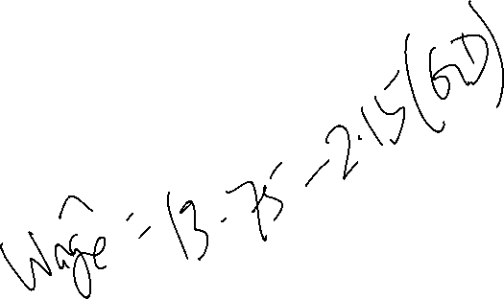
ANOVA
 | df | SS | MS | F | Significance F
Regression | 1 | 55.47 | 55.47 | 18.588752749 | 8.0193863152E-05
Residual | 48 | 143.235 | 2.9840625
Total | 49 | 198.705

 | Coefficients | Standard Error | t Stat | P-value | Lower 95% | Upper 95% | Lower 95.0% | Upper 95.0%
Intercept | 13.75 | 0.31538666744 | 43.597277309 | 2.8843200203E-40 | 13.115872604 | 14.384127396 | 13.115872604 | 14.384127396
Gender_Dummy | -2.15 | 0.49867010638 | -4.3114675864 | 8.0193863152E-05 | -3.1526434485 | -1.1473565515 | -3.1526434485 | -1.1473565515

RESIDUAL OUTPUT

Observation | Predicted WAGE | Residuals
1 | 11.6 | -2.7
2 | 11.6 | -2.1
3 | 11.6 | -1.6
4 | 11.6 | -1.4
5 | 11.6 | -1.4
6 | 11.6 | -1.3
7 | 11.6 | -1.1
8 | 13.75 | -3.15
9 | 11.6 | -0.8
10 | 13.75 | -2.75
11 | 13.75 | -2.75
12 | 13.75 | -2.65
13 | 13.75 | -2.55
14 | 11.6 | -0.3
15 | 11.6 | -0.2
16 | 11.6 | -0.1
17 | 11.6 | -0.1
18 | 11.6 | 1.7763568394E-15
19 | 13.75 | -2.05
20 | 11.6 | 0.3
21 | 13.75 | -1.45
22 | 13.75 | -1.15
23 | 13.75 | -1.15
24 | 11.6 | 1
25 | 13.75 | -0.65
26 | 11.6 | 1.6
27 | 11.6 | 1.6
28 | 13.75 | -0.55
29 | 13.75 | -0.35
30 | 11.6 | 1.8
31 | 13.75 | -0.25
32 | 13.75 | 0.05
33 | 13.75 | 0.25
34 | 13.75 | 0.25
35 | 13.75 | 0.35
36 | 11.6 | 2.5
37 | 13.75 | 0.55
38 | 13.75 | 0.95
39 | 13.75 | 0.95
40 | 13.75 | 0.95
41 | 13.75 | 1.15
42 | 13.75 | 1.35
43 | 13.75 | 1.35
44 | 13.75 | 1.75
45 | 13.75 | 1.75
46 | 13.75 | 2.05
47 | 11.6 | 4.3
48 | 13.75 | 2.25
49 | 13.75 | 2.75
50 | 13.75 | 2.75

reg3
SUMMARY OUTPUT

Regression Statistics
Multiple R | 0.85125713052
R Square | 0.72463870226
Adjusted R Square | 0.71292120023
Standard Error | 1.0789639107
Observations | 50

ANOVA
 | df | SS | MS | F | Significance F
Regression | 2 | 143.98933333 | 71.994666667 | 61.842421732 | 6.8820550807E-14
Residual | 47 | 54.715666667 | 1.1641631206
Total | 49 | 198.705

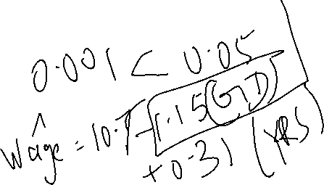
 | Coefficients | Standard Error | t Stat | P-value | Lower 95% | Upper 95% | Lower 95.0% | Upper 95.0%
Intercept | 10.714 | 0.40003352496 | 26.782755273 | 4.1130987034E-30 | 9.909236351 | 11.518763649 | 9.909236351 | 11.518763649
Gender_Dummy | -1.1533333333 | 0.33177940756 | -3.476205295 | 0.0011051334085 | -1.8207874091 | -0.48587925753 | -1.8207874091 | -0.48587925753
YEARS | 0.30666666667 | 0.035168546864 | 8.7199129339 | 2.1939863669E-11 | 0.23591667613 | 0.3774166572 | 0.23591667613 | 0.3774166572

RESIDUAL OUTPUT

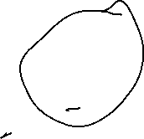
Observation | Predicted WAGE | Residuals
1 | 9.8673333333 | -0.96733333333
2 | 11.094 | -1.594
3 | 11.400666667 | -1.4006666667
4 | 9.5606666667 | 0.63933333333
5 | 11.400666667 | -1.2006666667
6 | 10.787333333 | -0.48733333333
7 | 11.400666667 | -0.90066666667
8 | 12.247333333 | -1.6473333333
9 | 10.480666667 | 0.31933333333
10 | 11.020666667 | -0.020666666667
11 | 12.860666667 | -1.8606666667
12 | 11.940666667 | -0.84066666667
13 | 11.634 | -0.434
14 | 10.174 | 1.126
15 | 12.320666667 | -0.92066666667
16 | 10.787333333 | 0.71266666667
17 | 11.707333333 | -0.20733333333
18 | 11.094 | 0.506
19 | 12.554 | -0.854
20 | 11.094 | 0.806
21 | 14.087333333 | -1.7873333333
22 | 11.634 | 0.966
23 | 12.860666667 | -0.26066666667
24 | 12.320666667 | 0.27933333333
25 | 13.474 | -0.374
26 | 11.707333333 | 1.4926666667
27 | 12.627333333 | 0.57266666667
28 | 15.314 | -2.114
29 | 13.167333333 | 0.23266666667
30 | 13.547333333 | -0.14733333333
31 | 14.394 | -0.894
32 | 15.927333333 | -2.1273333333
33 | 12.247333333 | 1.7526666667
34 | 12.860666667 | 1.1393333333
35 | 14.087333333 | 0.012666666667
36 | 14.160666667 | -0.060666666667
37 | 14.394 | -0.094
38 | 13.167333333 | 1.5326666667
39 | 14.394 | 0.306
40 | 14.700666667 | -0.00066666666667
41 | 13.780666667 | 1.1193333333
42 | 13.474 | 1.626
43 | 15.620666667 | -0.52066666667
44 | 14.087333333 | 1.4126666667
45 | 15.007333333 | 0.49266666667
46 | 14.700666667 | 1.0993333333
47 | 14.467333333 | 1.4326666667
48 | 15.314 | 0.686
49 | 15.620666667 | 0.87933333333
50 | 15.927333333 | 0.57266666667

