Model 1
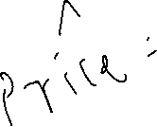
MODEL 1: PRICE vs BEDS

SUMMARY OUTPUT

Regression Statistics
Multiple R | 0.541
R Square | 0.293
Adjusted R Square | 0.292
Standard Error | 212210
Observations | 1021

ANOVA
 | df | SS | MS | F | Sig F
Regression | 1 | 1.9004636324E+13 | 1.9004636324E+13 | 422.01329095 | 9.701E-79
Residual | 1019 | 4.5888896935E+13 | 45033264902
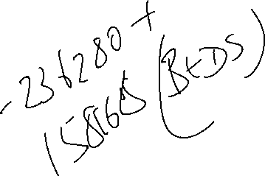
Total | 1020 | 6.4893533258E+13

 | Coeffs | Std Err | t Stat | P-value | Lower 95% | Upper 95%
Intercept | -236280 | 29437 | -8.027 | 2.75E-15 | -294045 | -178515
BEDS | 158168 | 7699 | 20.543 | 9.70E-79 | 143060 | 173277

AGE and ZIP
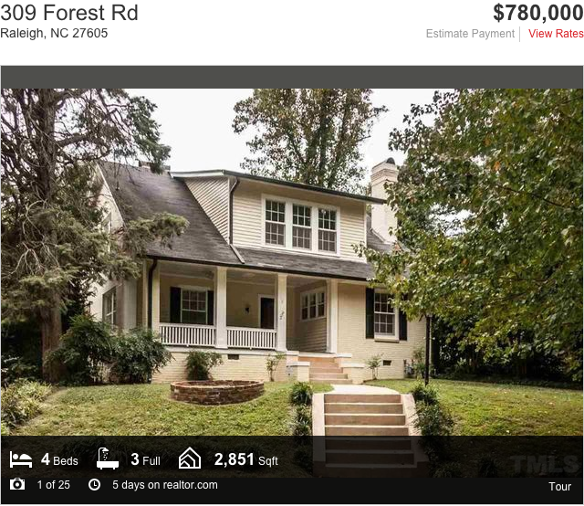
 | Values
ZIP codes | Average of AGE | Average of PRICE
27164 | 3.0 | 425000
27526 | 19.3 | 172505
27527 | 1.6 | 231039
27540 | 0.0 | 416600
27545 | 13.5 | 227925
27571 | 1.0 | 350620
27587 | 22.0 | 276200
27591 | 13.0 | 974900
27592 | 0.0 | 304333
27601 | 76.1 | 282800
27603 | 23.4 | 224910
27604 | 29.8 | 202943
27605 | 88.9 | 696663
27606 | 40.9 | 257427
27607 | 30.2 | 550625
27608 | 43.3 | 575475
27609 | 32.1 | 545437
27610 | 20.2 | 144964
27612 | 16.1 | 547089
27613 | 17.8 | 363019
27614 | 8.8 | 495054
27615 | 24.5 | 426862
27616 | 14.8 | 198336
27617 | 10.6 | 583417
27703 | 10.5 | 221200
27793 | 11.0 | 184900
Grand Total | 22.7 | 352861.6

