Gyro Orientation Survey
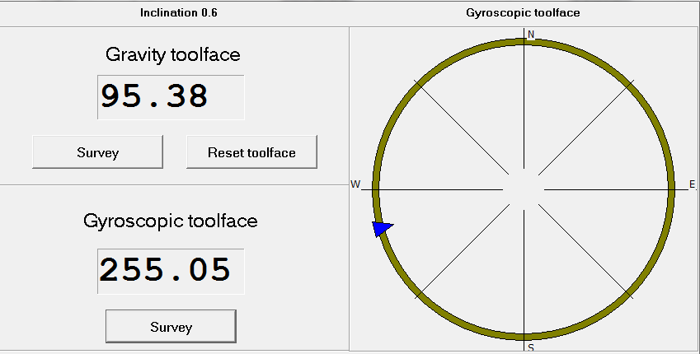
Gyro Orientation Survey
Well Information
Client |  | Well Name | Field | Country
Origin Energy |  | DM 284 | Durham Ranch | Australia
State |  | Local Coordinates Referenced To | Latitude | Longitude
Queensland |  | Well Head | 25° 57' 50.49" S. | 149° 0' 40.85" E.
Map Northing |  | Map Easting | Datum | Zone
N 7,126,752.0 m |  | E 701,378.0 m | GDA94/MGA94 | 55
Survey Information
Ref Datum |  | Ground Level | Depth Reference | Depth Above Reference
Ground Level |  | 365.00 m | ORT | 4.30 m
Survey Date |  | Survey Instrument | Survey Reference | Grid Convergence
28-Sep-15 |  | North Seeking Gyro | True North | N/A
Company Rep |  | Survey Engineer | Conveyance Company | Tools SN
R. Robertson |  | D. Slater | Schlumberger | 119
Comments

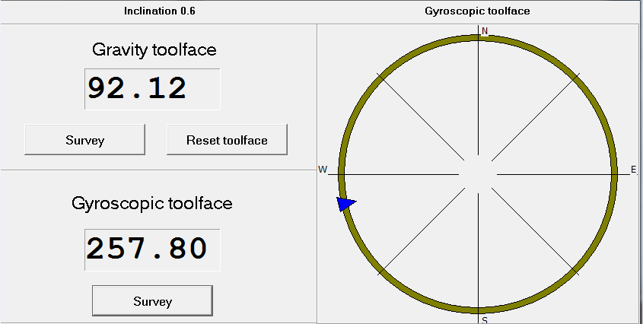
Survey | Time | Survey Comments
830m | 13:35:00 | First Survey: Gyroscopic tool face reading 257.8 Devation 0.6"

830m | 13:42:00 | Second Survey: Gyroscopic tool face reading 254.95 Devation 0.6"
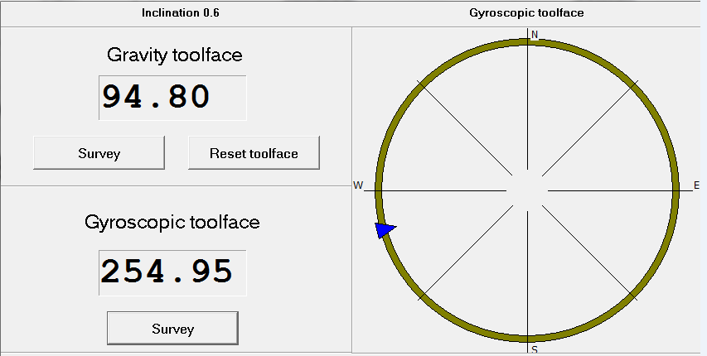

830m | 13:51:00 | Third Survey: Gyroscopic tool face reading 255.05 Devation 0.6"

