Gyro Orientation Survey
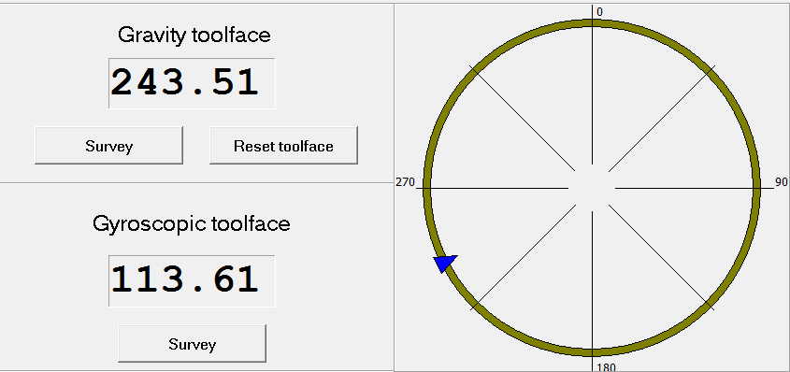
Gyro Orientation Survey
Well Information
Client |  | Well Name | Field | Country
Origin Energy |  | Durham Ranch 361 | Durham Ranch | Australia
State |  | Local Coordinates Referenced To | Latitude | Longitude
Queensland |  | Well Head | 25° 51' 13.89" S. | 149° 12' 31.6" E.
Map Northing |  | Map Easting | Datum | Zone
N 7,138,638.0 m |  | E 721,356.0 m | GDA94/MGA94 | 55
Survey Information
Ref Datum |  | Ground Level | Depth Reference | Depth Above Reference
Ground Level |  | 286.00 m | ORT | 4.30 m
Survey Date |  | Survey Instrument | Survey Reference | Grid Convergence
27-Oct-15 |  | North Seeking Gyro | True North | N/A
Company Rep |  | Survey Engineer | Conveyance Company | Tools SN
S. Fatah, H. Caskey |  | D. Slater | Schlumberger | 119
Comments

Survey | Time | Survey Comments
1137m | 11:12:00 | First Survey: Gyroscopic tool face reading 114.31 Devation 2.8"
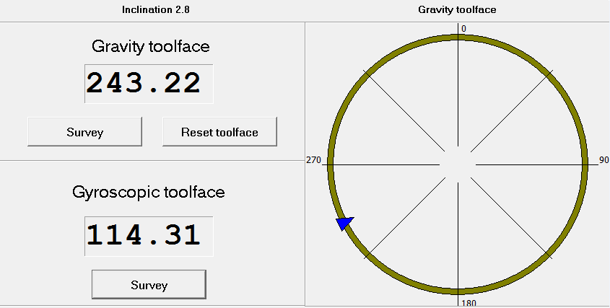

1137m | 11:19:00 | Second Survey: Gyroscopic tool face reading 113.77 Devation 2.8"
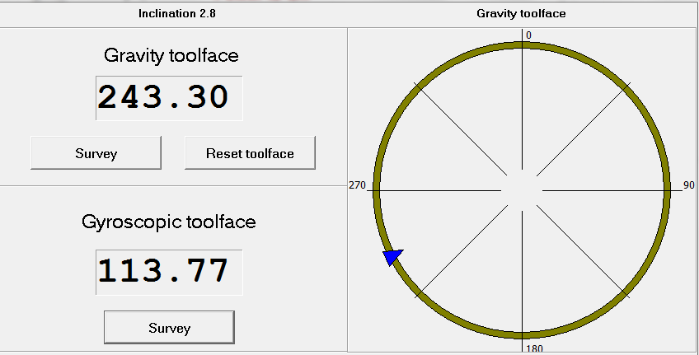

1137m | 11:19:00 | Third Survey: Gyroscopic tool face reading 113.61 Devation 2.8"

