Gyro Orientation Survey 117
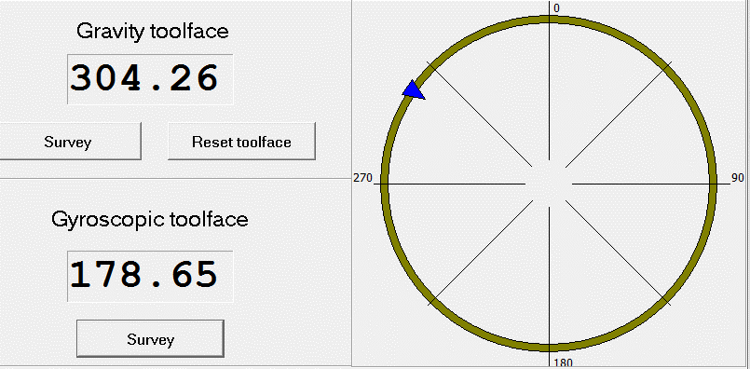
Gyro Orientation Survey
Well Information
Client |  | Well Name | Field | Country
Origin Energy |  | Durham Ranch 361-L1 | Durham Ranch | Australia
State |  | Local Coordinates Referenced To | Latitude | Longitude
Queensland |  | Well Head | 25° 51' 13.89" S. | 149° 12' 31.6" E.
Map Northing |  | Map Easting | Datum | Zone
N 7,138,638.0 m |  | E 721,356.0 m | GDA94/MGA94 | 55
Survey Information
Ref Datum |  | Ground Level | Depth Reference | Depth Above Reference
Ground Level |  | 286.00 m | RT | 3.86 m
Survey Date |  | Survey Instrument | Survey Reference | Grid Convergence
12-Nov-15 |  | North Seeking Gyro | True North | N/A
Company Rep |  | Survey Engineer | Conveyance Company | Tools SN
W. Kirkwood |  | D. Slater | Vause | 117
Comments

Survey | Time | Survey Comments
1125m | 4:00:00 | First survey taken above tag to see tool is orientating properly.

Gyro Orientation Survey 117
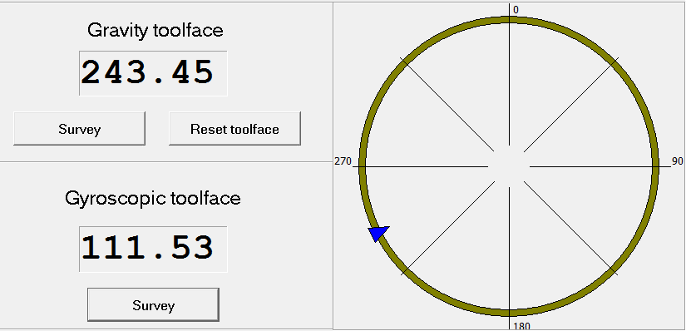
Gyro Orientation Survey
Well Information
Client |  | Well Name | Field | Country
Origin Energy |  | Durham Ranch 361-L1 | Durham Ranch | Australia
State |  | Local Coordinates Referenced To | Latitude | Longitude
Queensland |  | Well Head | 25° 51' 13.89" S. | 149° 12' 31.6" E.
Map Northing |  | Map Easting | Datum | Zone
N 7,138,638.0 m |  | E 721,356.0 m | GDA94/MGA94 | 55
Survey Information
Ref Datum |  | Ground Level | Depth Reference | Depth Above Reference
Ground Level |  | 286.00 m | RT | 3.86 m
Survey Date |  | Survey Instrument | Survey Reference | Grid Convergence
12-Nov-15 |  | North Seeking Gyro | True North | N/A
Company Rep |  | Survey Engineer | Conveyance Company | Tools SN
W. Kirkwood |  | D. Slater | Vause | 117
Comments

Survey | Time | Survey Comments
1136m | 4:07:00 | First Survey: Gyroscopic tool face reading 112.12 Devation 2.7"
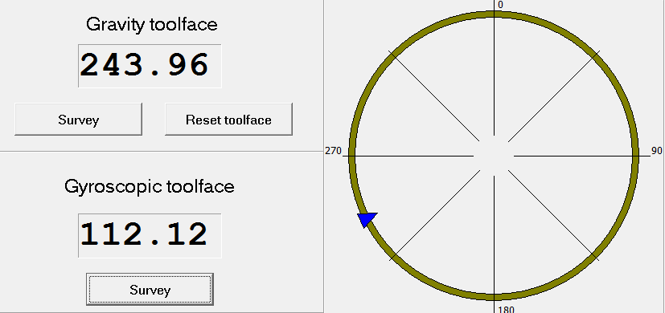

1136m | 4:17:00 | Second Survey: Gyroscopic tool face reading 111.69 Devation 2.7"
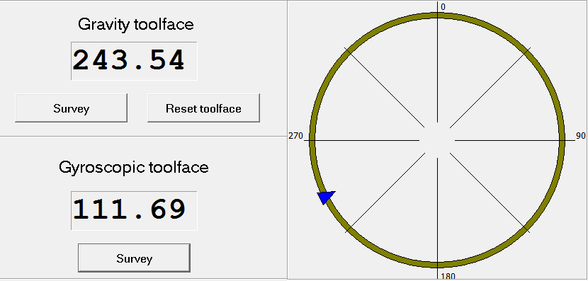

1136m | 4:27:00 | Third Survey: Gyroscopic tool face reading 111.53 Devation 2.7"

