PDM
HSE Management System Resource |  |  |  |  |  |  | Document No: HSE_LP_DROPSs Insp. Register-V2.0
Instructions: | 1 | During rig-up of equipment, conduct visual check of lifting items to ensure fit-for-purpose
 | 2 | The DROPs ID confirms entire lifting mechanism or a component within. For example, PDM01 is the main sheave. There may be inspection requirements for the individual components.
 | 3 | The Fastening Method column details the primary securing and secondary retention mechanisms which must be in place.
 | 4 | Inspect DROPs item in accordance with "How to Inspect" column beside each item
 | 5 | Record on Pre-Job Safety & Induction Record that DROPs inspection has been completed (tick box applicable)
 | 6 | Any item/s that fail the DROPs inspection is to be isolated / removed from service & then capture detail on hazard card
(Gauges) | DROPs ID | Description | Fastening Method | Condition | Comments | Insp. Freq. | How to Inspect
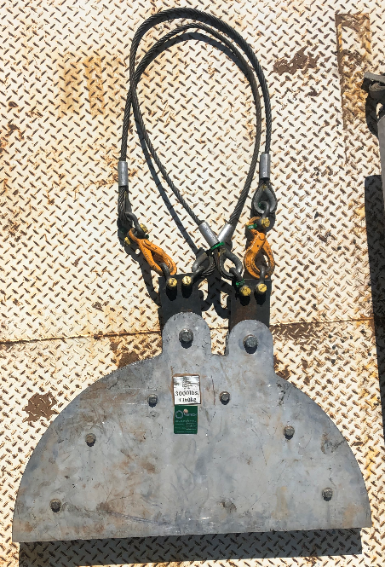 | PDM01 | TEC Cable Sheave | Primary and Secondary Methods for each components are as described below. | Pass | Lifting mechanism is assembled & disassembled prior to every lift. A suitably competent person shall inspect the DROPs components during rig-up & prior to lifting and indicate this action has been completed on the Pre-Job Safety Meeting & Induction Form | Rig-up | Competent person to perform inspection prior to lifting operations commence & record on relevant Pre-Job Safety Meeting & Induction Form
 | PDM01-1 | Primary Retention | Primary Securing: Use the Primary retention point and sling to secure sheave to the rig structure, structure must be suitably rated (3klbs). | Pass | Primary retention system us circled in green. | Rig-up | Check that hook closes and that sling does not get twisted during installation. Ensure the hook is closed and that hook returns to the Primary Retention point. Competent person to discuss with rig crew prior to installation and visual to be performed once sheave is in position, record on relevant Pre-Job Safety Meeting & Induction Form.
 | PDM01-2 | Secondary Retention | Secondary Retention: The secondary retention sling is longer than the primary retention system, and should be not be tight after installation. Use the Secondary retention point and sling to secure sheave to the rig structure, structure must be suitably rated (3klbs). | Pass | Secondary retention system us circled in green. | Rig-up | Check Shackle appropriate SWL for job. Check for signs of corrosion. Check Split Pin in good condition. Competent person to discuss with rig crew prior to installation and visual to be performed once sheave is in position, record on relevant Pre-Job Safety Meeting & Induction Form.
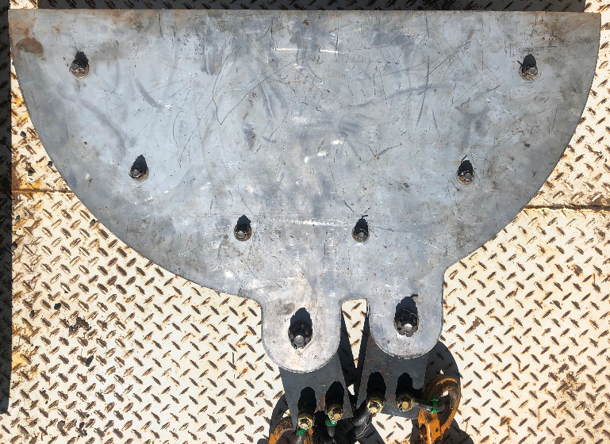 | PDM01-3 | Final Survey | Split Pins: Check axles and shackle split pins are in position prior to lifting sheave. | Pass | Ensure all equipment is in good condition prior to use. | Rig-up | Check Shackle appropriate SWL for job. Check for signs of corrosion. Check Split Pin in good condition. Competent person to perform inspection prior to lifting operations commence & record on relevant Pre-Job Safety Meeting & Induction Form
Document Owner | Document Approver |  | Document Number |  | Revision Date |  | Next Revision Date
M. Auld | J. Hollingworth |  | HSE_LP_DROPSs Insp. Register |  | 28-Aug-24 |  | 28-Aug-26

HSE Management System Resource |  |  |  |  |  |  | Document No: HSE_LP_DROPSs Insp. Register-V2.0
Instructions: | 1 | During rig-up of equipment, conduct visual check of lifting items to ensure fit-for-purpose
 | 2 | The DROPs ID confirms entire lifting mechanism or a component within. For example, PDM01 is the main sheave. There may be inspection requirements for the individual components.
 | 3 | The Fastening Method column details the primary securing and secondary retention mechanisms which must be in place.
 | 4 | Inspect DROPs item in accordance with "How to Inspect" column beside each item
 | 5 | Record on Pre-Job Safety & Induction Record that DROPs inspection has been completed (tick box applicable)
 | 6 | Any item/s that fail the DROPs inspection is to be isolated / removed from service & then capture detail on hazard card
(Wireline) | DROPs ID | Description | Fastening Method | Condition | Comments | Insp. Freq. | How to Inspect
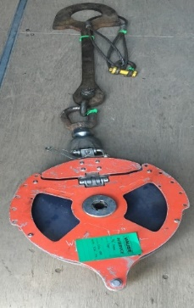 | WL01 | E-Line Rig up with Spade | Primary and Secondary Methods for each components are as described below. | Pass | Ensure all equipment is in good condition prior to use. | Rig-up | Competent person to perform inspection prior to lifting operations commence & record on relevant Pre-Job Safety Meeting & Induction Form
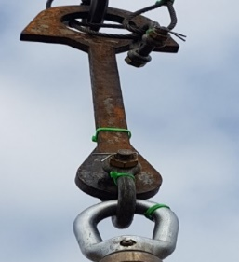 | WL01-1 | Spade | Primary Securing: Latched in Rig Elevators or Lifting Nubbin (if Rig does not have Elevators) Secondary Retention: Elevator Handles taped closed. Wire Sling through spade and Bale Arms with Shackle and split pin. | Pass | Ensure all equipment is in good condition prior to use. | Rig-up | Check Elevator latch properly closed. Elevator Handles taped closed. Check for signs of corrosion. Check SWL and integrity of safety sling. Check rig lifting nubbin is secured. Competent person to perform inspection prior to lifting operations commence & record on relevant Pre-Job Safety Meeting & Induction Form
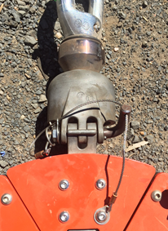 | WL01-2 | Sheave | Primary Securing: Shackled to Spade / Spreader bar. Attached to crane hook. Secondary Retention: Split Pin through Shackle Bolt. Safety latch / Spring latch on hook. | Pass | Ensure all equipment is in good condition prior to use. | Rig-up | Check Elevator latch properly closed. Elevator Handles taped closed. Check for signs of corrosion. Check SWL and integrity of safety sling. Check rig lifting nubbin is secured. Competent person to perform inspection prior to lifting operations commence & record on relevant Pre-Job Safety Meeting & Induction Form
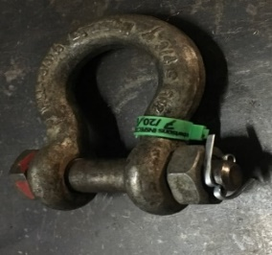 | WL01-3 | Four Piece Shackle | Primary Securing: Pin and nut through shackle. Secondary Retention: Split Pin through Shackle Bolt. | Pass | Ensure all equipment is in good condition prior to use. | Rig-up | Check ALL Shackles appropriate SWL for job. Check for signs of corrosion. Check Split Pin in good condition. Competent person to perform inspection prior to lifting operations commence & record on relevant Pre-Job Safety Meeting & Induction Form
Document Owner | Document Approver |  | Document Number |  | Revision Date |  | Next Revision Date
M. Auld | J. Hollingworth |  | HSE_LP_DROPSs Insp. Register |  | 28-Aug-24 |  | 28-Aug-26

Survey Report Example
Typical Dropped Object Survey Report

INSPECTION AREA A : TELESCOPIC GANGWAYS (Port and Starboard)
AREA SPECIFIC DESCRIPTION
ITEM | PHOTOGRAPH | REF | DESCRIPTION | FASTENING METHOD | CONDITION | COMMENTS | FREQUENCY | HOW TO INSPECT | NAME
1 | 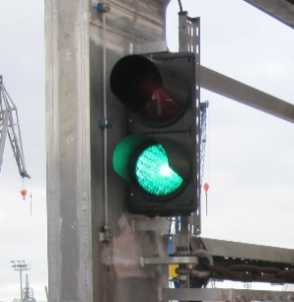 | GWL 001 | Gangway Access Control Lamps (Port and Stbd) | Primary Securing: Bolted to gangway structure on welded brackets. Secondary Retention: Lock Nuts fitted to bolts. | PASS | Securing wires could be attached to lamp housings fixed back to gangway structure. | 060 Days | Check all securing bolts/lock nuts are in place. Check for signs of corrosion. | AS
2 |  | GWPA 001 | Gangway PA System (Port and Stbd) | Primary Securing: Bolted to brackets. Brackets bolted to gangway structure. Secondary Retention: Lock Nuts fitted to bolts. | PASS | Satisfactory | 060 Days | Check all securing bolts/lock nuts are in place. Check for signs of corrosion. | JZ
3 | 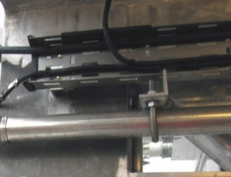 | GWCT 001 | Cable trays, Cable conduit pipe runs & cable clamps | Primary Securing: Cable trays with beam clamps to gangway structure. Secondary Retention: Plastic Tie wraps used on cable runs. | FAIL | Plastic tie wraps used on cable runs. Remove and replace with stainless tie wraps. | 120 Days | Check all securing bolts/lock nuts are in place on clamps. Check for signs of corrosion. Remove all debris. | JZ
4 |  | GWPIP 001 | Hydraulic and pneumatic piping (LP & HP) | Primary Securing: U-clamped to brackets. Brackets bolted to gangway structure. Secondary Retention: All bolts include lock washers. | PASS | Satisfactory | 090 Days | Check all securing bolts/lock nuts are in place. Check for signs of corrosion. Remove all debris. | AS
5 | 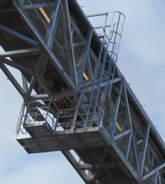 | GWAL 001 | Gangway Maintenance Platform | Primary Securing: Welded to gangway structure c/w bolts. Secondary Retention: Lock Nuts fitted to bolts. | PASS | Satisfactory | 030 Days | Check all securing bolts/lock nuts are in place. Check for signs of corrosion. Check hinges on access swing gate. Remove all debris. | DE
6 | 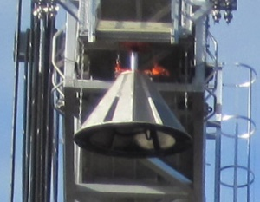 | GWLF 001 | Gangway Landing Foot | Primary Securing: Bolted to gangway structure c/w bolts. Secondary Retention: Lock Nuts fitted to bolts. Safety Chain fitted. | PASS | Satisfactory | 007 Days | Check all securing bolts/lock nuts are in place. Check for signs of corrosion. Check integrity of safety chain. Remove all debris. | JZ

