PC1-2 Pad Map
Well | Well (CE) |  | Planned DLS (Deg/30m) | Well Type | Highest Planned Inc (Deg) | Total Depth "TD" (m MD Ref:RT) As Drilled | Total Depth "TD" (m TVD ref:RT) As Drilled | Comments
P14 | CE902 | 2 | 3 | S | 20.41 | 1308 | 1281.77
P12 | CE903 | 2 | 3 | S | 20.15 | 1223.5 | 1192.44
P1 | CE904 |  | 3 | S | 19.03 | 1287.7 | 1277
P2 | CE905 |  | 3 | J | 20.34 | 1095 | 1062.92
P8 | CE906 |  | 3 | J | 19.2 | 1084 | 1073.12
P15 | CE907 | 1 | 3 | J | 22.44 | 1140.1 | 1076.33
P5 | CE908 |  | 3.5 | S -3D | 44.94 | 910.9 | 787.58 | Ongoing Fluid Losses
P11 | CE923 |  | 4 | S | 42.93 | 940.8 | 786.43 | 8.5in OH Cement Plug (PBTD: 870m)
P18 | CE924 |  | 3.8 | S-3D | 53.33 | 977.5 | 763 | Ongoing Fluid Losses, 8.5in OH Cement Plug (PBTD: 922m)
P4 | CE927 |  | 3 | S | 39.83 | 1343.48 | 1253.81
P10 | CE998 | 1 | 3 | J | 29.31 | 1183.7 | 1075.81

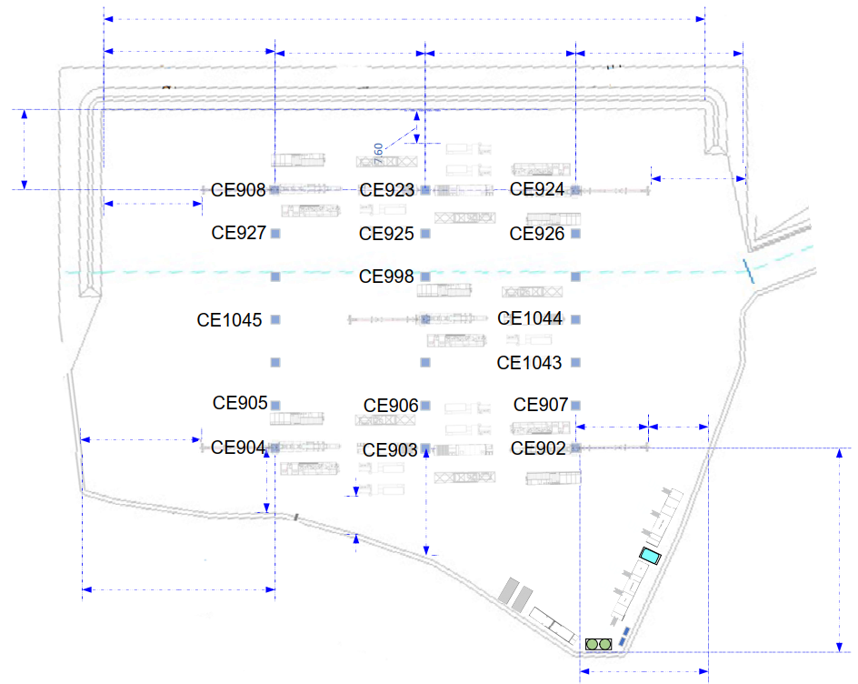
Sum
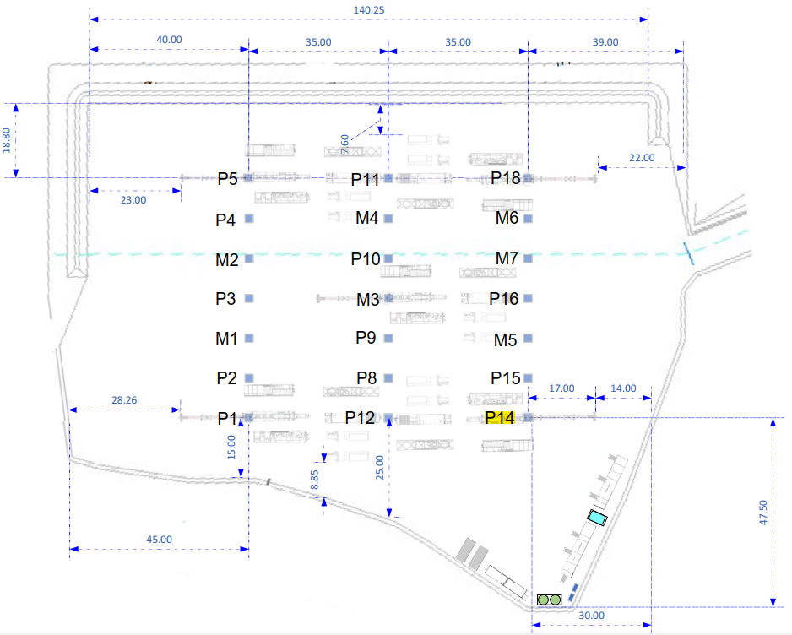
Average

CE902 Well Status
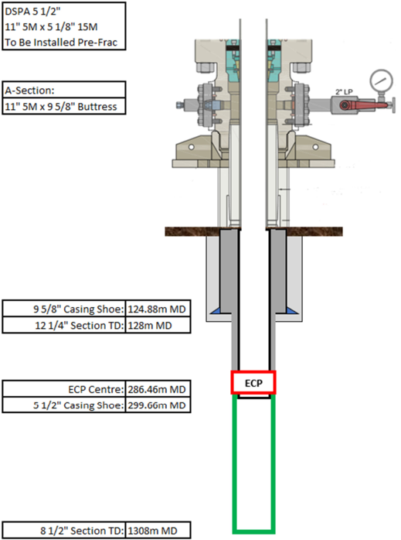

CE903 Well Status
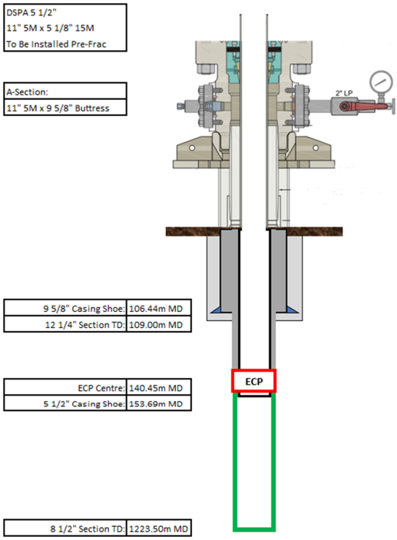

CE904 Well Status
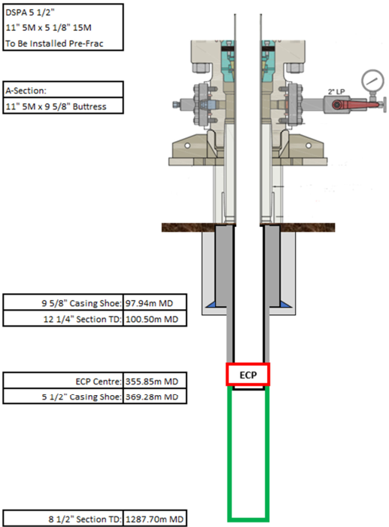

CE905 Well Status
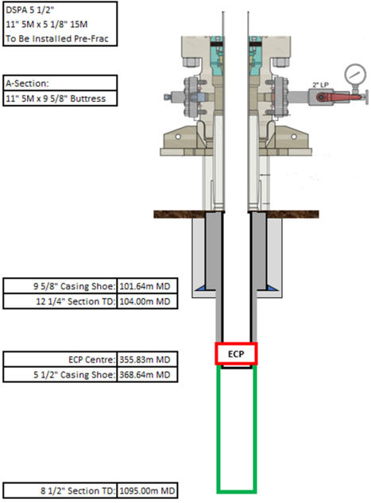

CE906 Well Status
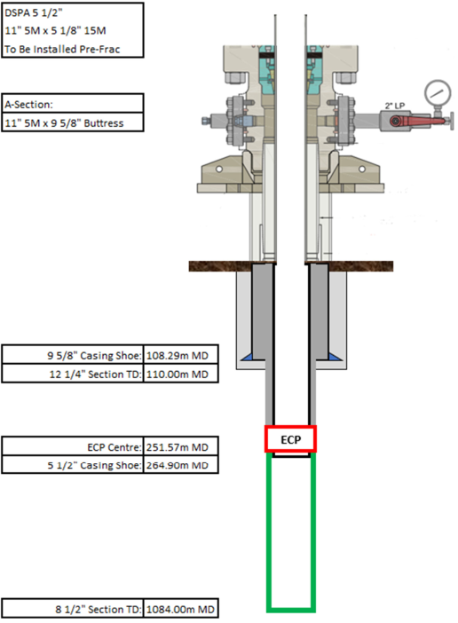

CE907 Well Status
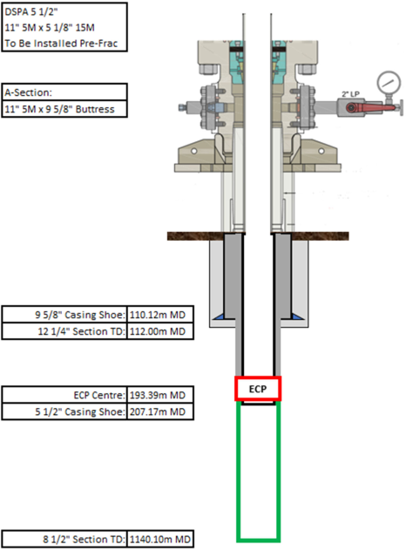

CE908 Well Status
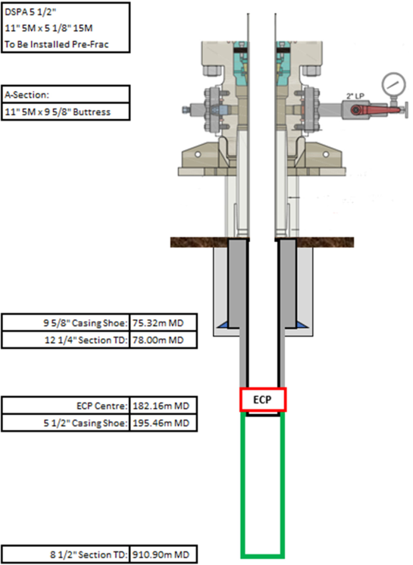

CE923 Well Status
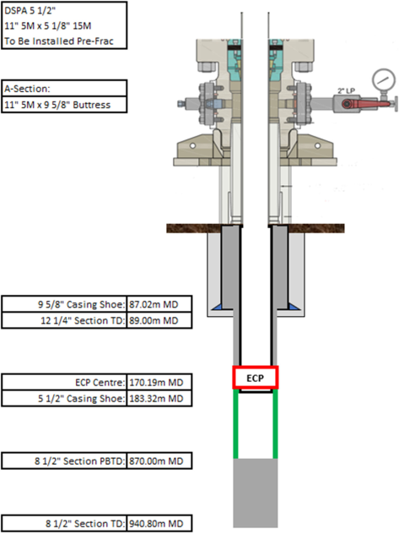

CE924 Well Status
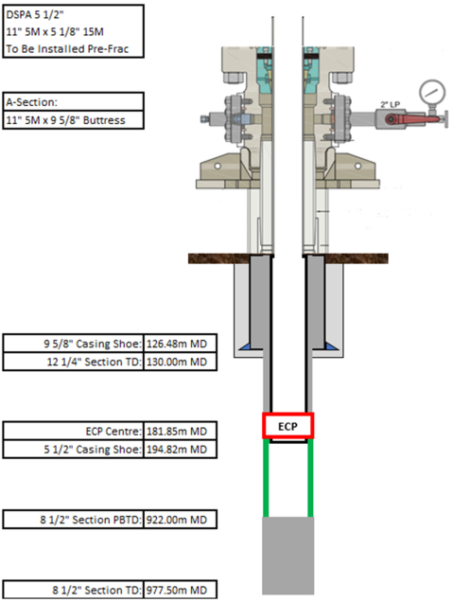

CE927 Well Status
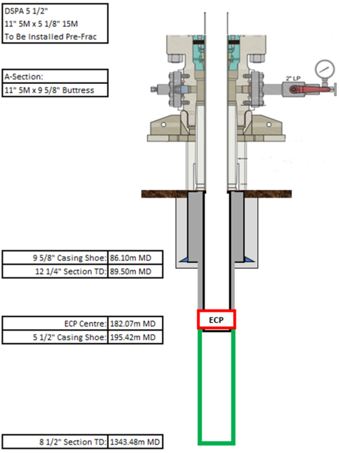

CE998 Well Status
