Driving
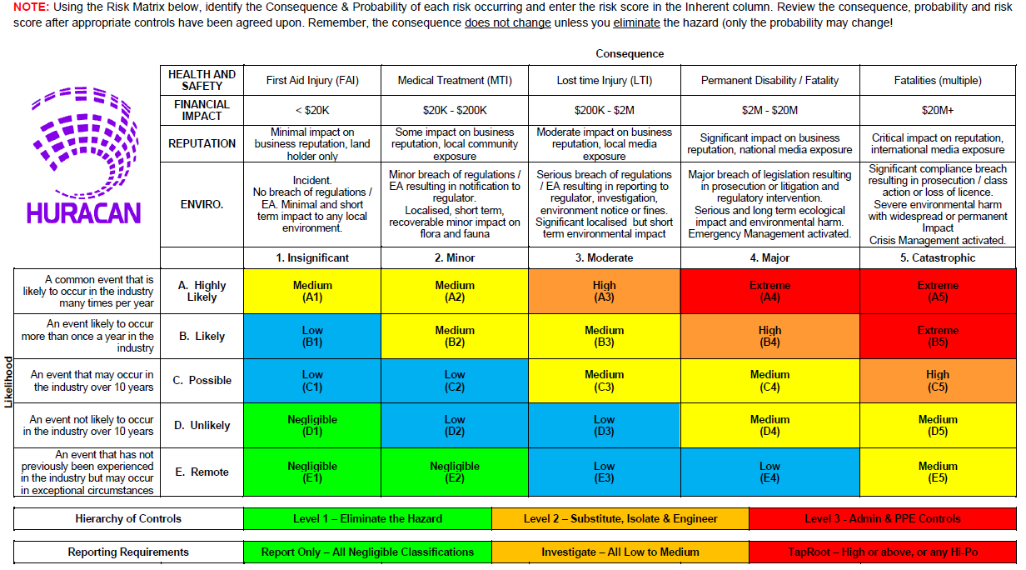
Hazard Risk Register - Driving
Work Activity | Unwanted Event | Initial Risk | Prevention and Mitigation Controls | Residual Risk | Reference Documentation | Responsible Party | Measurement of Control (Validation and Frequency)
Driving | • Significant Injury or Fatality to Personnel • Asset Damage and Financial Loss • Client Impact | High (C5) | • Regular vehicle servicing and maintenance • Regular vehicle checks • Use alternative public transport where practical • Driver 4WD training • Company provided information on local traffic conditions / hazards, road works, etc. • Personal risk assessment of route prior to departure • Follow local Journey Management Plan • Follow Huracan Drug and Alcohol Policy • Use seat belt • Airbag and safety features • Driving Laws and national speed limits adhered to. • Local emergency services • Roma - Emergency Response Plan • Ensure adequate rest prior to departure • Ensure to update JM every two hours and or if conditions change • Engage 4WD off-road • If dust is encountered ensure to keep a safe distance behind dust cloud, never drive through a dust cloud • Drive to conditions | Low (E4) | • Land Transport Management Standard • Local Journey Management Plan • Emergency Management Plan | • Operations Manager • Drivers | • Journey Management in HIRD • Monthly KPI drivers performance • Emergency Management Plan

