Ascend Membership
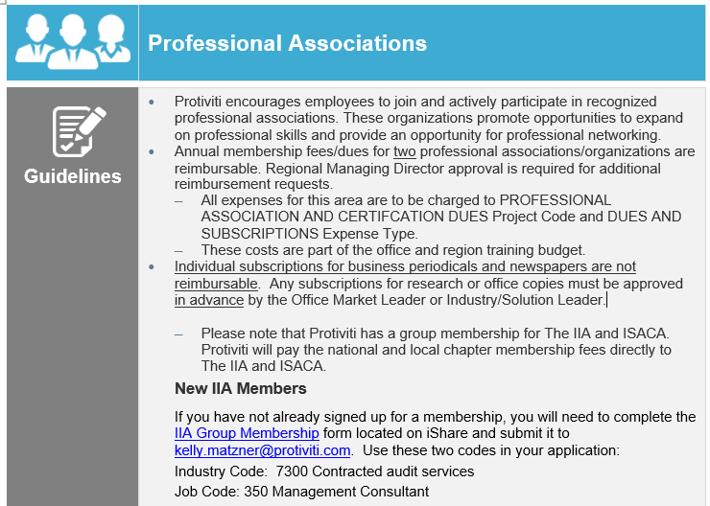
Instructions to Obtain Reimbursement:
1. Go to Membership — Ascend (ascendleadership.org)
2. Create an account or sign in.
3. Scroll to the bottom of the page and select "Professional".
4. On the membership selection screen, choose "Professional - 1 Year - $125.00".
5. Proceed to the following screens and input appropriate information accordingly. Input your own personal payment method and click submit.
6. Save the Invoice as a PDF.
---
7. Go to iTRAC and create a new expense sheet.
8. Input the required information and attach the invoice into the expense sheet:
Example justification: "Annual membership for Ascend, the largest AAPI professional nonprofit organization in the US and is sponsored by and partners with Protiviti."
Note: Do not forget to put the Expense Date as the same data in the invoice.
Do not forget to attach the invoice to the line.
9. Save & Submit.
If you have redeemed an Ascend membership in 2022, please input the information below. (Instructions are on the right)
 |  |  |  |  |  |  | Count
Name | Title | Office | How was the membership redeemed? | Date Redeemed | Ascend location redeemed | National Memberships Available
 |  |  |  |  |  | Total Redeemed | 0

