Table1 (cubic)
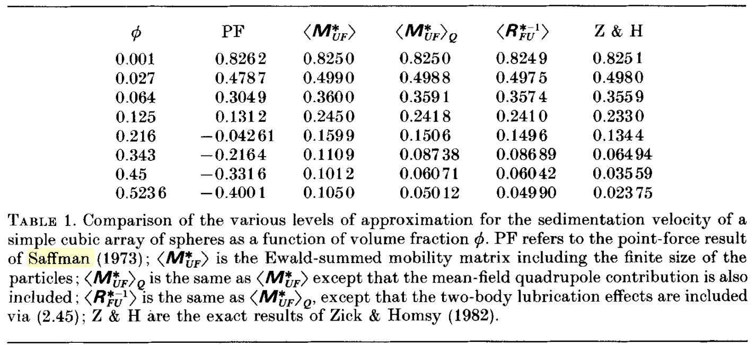
Vol Frac | Hashimoto | MUF
0.0010 | 0.8250 | 0.8250
0.0270 | 0.4990 | 0.4990
0.0640 | 0.3600 | 0.3600
0.1250 | 0.2449 | 0.2450
0.2160 | 0.1599 | 0.1599
0.3430 | 0.1109 | 0.1109
0.4500 | 0.1012 | 0.1012
0.5236 | 0.1050 | 0.1050

