Combinatorics
 |  |  |  |  |  |  |  |  |  |  | Distnct Hands |  | Suits per Hand |  |  | Dealt Specific Hand |  | Dealt Any Hand |  |  | Distinct Hands By Rank In Hand |  |  |  |  | Combos By Rank In Hand
# Starting Hands | 270,725 | Rank Type | Shapes | Distinct Hands | Combos | Prob | Odds | Rank Type | Hand Shape | Description | Deriv | Number | Deriv | Number | Combos | Prob | Odds | Prob | Odds (Against) | Seq. Shape | 1 rank | 2 ranks | 3 ranks | 4 ranks | Distinct Hands | 1 rank | 2 ranks | 3 ranks | 4 ranks | Combos | Prob | Odds (Against)
# Hand Shapes | 16 | XXXX::4K | 1 | 13 | 13 | 0.0% | 20824 : 1 | Four of Kind | XaXbXcXd | 4K::abcd | C(13,1) | 13 | C(4,4) | 1 | 13 | 0.0004% | 270724 : 1 | 0.005% | 20824 : 1 | 0 | 13 | 224 | 72 |  | 309 | 13 | 2,176 | 1,152 |  | 3,341 | 1.23% | 80 : 1
# Distinct Hands | 16,432 | XXXY::3K | 2 | 312 | 2,496 | 0.9% | 107.5 : 1 | Three of a Kind | XaXbXcYa | 3K::aabc | C(13,1)C(12,1) | 156 | C(4,3)C(3,1) | 12 | 1,872 | 0.0044% | 22559.4 : 1 | 0.691% | 143.6 : 1 | 1 |  | 112 | 468 |  | 580 |  | 1,088 | 7,488 |  | 8,576 | 3.17% | 30.6 : 1
 |  | XXYY::2P | 3 | 234 | 2,808 | 1.0% | 95.4 : 1 |  | XaXbXcYd | 3K::abcd | C(13,1)C(12,1) | 156 | C(4,3) | 4 | 624 | 0.0015% | 67680.3 : 1 | 0.230% | 432.9 : 1 | 2 |  | 91 | 1,314 | 240 | 1,645 |  | 884 | 21,024 | 4,096 | 26,004 | 9.61% | 9.4 : 1
 |  | XXYZ::1P | 5 | 5,148 | 82,368 | 30.4% | 2.3 : 1 | Two Pair | XaXbYaYb | 2P::aabb | C(13,2) | 78 | C(4,2) | 6 | 468 | 0.0022% | 45119.8 : 1 | 0.173% | 577.5 : 1 | 3 |  | 70 | 972 | 480 | 1,522 |  | 680 | 15,552 | 8,192 | 24,424 | 9.02% | 10.1 : 1
 |  | XYZR::NP | 5 | 10,725 | 183,040 | 67.6% | 0.5 : 1 |  | XaXbYaYc | 2P::aabc | C(13,2) | 78 | C(4,2)C(2,1)^2 | 24 | 1,872 | 0.0089% | 11279.2 : 1 | 0.691% | 143.6 : 1 | 4 |  | 49 | 1,278 | 1,290 | 2,617 |  | 476 | 20,448 | 22,016 | 42,940 | 15.86% | 5.3 : 1
 |  |  | 16 | 16,432 | 270,725 |  |  |  | XaXbYcYd | 2P::abcd | C(13,2) | 78 | C(4,2) | 6 | 468 | 0.0022% | 45119.8 : 1 | 0.173% | 577.5 : 1 | 5 |  |  | 108 | 1,980 | 2,088 |  |  | 1,728 | 33,792 | 35,520 | 13.12% | 6.6 : 1
 |  |  |  |  |  |  |  | One Pair | XaXbYaZa | 1P::aaab | C(13,1)C(12,2) | 858 | C(4,2)C(2,1) | 12 | 10,296 | 0.0044% | 22559.4 : 1 | 3.803% | 25.3 : 1 | 6 |  |  | 108 | 1,380 | 1,488 |  |  | 1,728 | 23,552 | 25,280 | 9.34% | 9.7 : 1
 |  | Suit Type | Shapes | Distinct Hands | Combos | Prob | Odds |  | XaXbYaZb | 1P::aabb | C(13,1)C(12,2) | 858 | C(4,2)C(2,1) | 12 | 10,296 | 0.0044% | 22559.4 : 1 | 3.803% | 25.3 : 1 | 7 |  |  | 396 | 1,320 | 1,716 |  |  | 6,336 | 22,528 | 28,864 | 10.66% | 8.4 : 1
 |  | aaaa | 1 | 715 | 2,860 | 1.1% | 93.7 : 1 |  | XaXbYaZc | 1P::aabc | C(13,1)C(12,2)C(2,1) | 1,716 | C(4,2)C(2,1)^2 | 24 | 41,184 | 0.0089% | 11279.2 : 1 | 15.212% | 5.6 : 1 | 8 |  |  | 72 | 885 | 957 |  |  | 1,152 | 15,104 | 16,256 | 6.00% | 15.7 : 1
 |  | aaab | 2 | 3,718 | 44,616 | 16.5% | 5.1 : 1 |  | XaXbYcZc | 1P::aabc | C(13,1)C(12,2) | 858 | C(4,2)C(2,1) | 12 | 10,296 | 0.0044% | 22559.4 : 1 | 3.803% | 25.3 : 1 | 9 |  |  | 216 | 870 | 1,086 |  |  | 3,456 | 14,848 | 18,304 | 6.76% | 13.8 : 1
 |  | aabb | 3 | 3,081 | 36,504 | 13.5% | 6.4 : 1 |  | XaXbYcZd | 1P::abcd | C(13,1)C(12,2) | 858 | C(4,2)*2! | 12 | 10,296 | 0.0044% | 22559.4 : 1 | 3.803% | 25.3 : 1 | 10 |  |  | 36 | 660 | 696 |  |  | 576 | 11,264 | 11,840 | 4.37% | 21.9 : 1
 |  | aabc | 5 | 7,098 | 158,184 | 58.4% | 0.7 : 1 | No Pair | XaYaZaRa | NP::aaaa | C(13,4) | 715 | C(4,1) | 4 | 2,860 | 0.0015% | 67680.3 : 1 | 1.056% | 93.7 : 1 | 11 |  |  | 108 | 720 | 828 |  |  | 1,728 | 12,288 | 14,016 | 5.18% | 18.3 : 1
 |  | abcd | 5 | 1,820 | 28,561 | 10.5% | 8.5 : 1 |  | XaYaZaRb | NP::aaab | C(13,4)*C(4,3) | 2,860 | C(4,1)C(3,1) | 12 | 34,320 | 0.0044% | 22559.4 : 1 | 12.677% | 6.9 : 1 | 12 |  |  |  | 375 | 375 |  |  |  | 6,400 | 6,400 | 2.36% | 41.3 : 1
 |  |  | 16 | 16,432 | 270,725 |  |  |  | XaYaZbRb | NP::aabb | C(13,4)*C(4,2)/2! | 2,145 | C(4,2)C(2,1) | 12 | 25,740 | 0.0044% | 22559.4 : 1 | 9.508% | 9.5 : 1 | 13 |  |  |  | 60 | 60 |  |  |  | 1,024 | 1,024 | 0.38% | 263.4 : 1
 |  |  |  |  |  |  |  |  | XaYaZbRc | NP::aabc | C(13,4)*C(4,2) | 4,290 | C(4,1)C(3,2)*2! | 24 | 102,960 | 0.0089% | 11279.2 : 1 | 38.031% | 1.6 : 1 | 14 |  |  |  | 30 | 30 |  |  |  | 512 | 512 | 0.19% | 527.8 : 1
 |  | Sequence shape == # of straights that can be made with a hand |  |  |  |  |  |  | XaYbZcRd | NP::abcd | C(13,4) | 715 | 4! | 24 | 17,160 | 0.0089% | 11279.2 : 1 | 6.339% | 14.8 : 1 | 15 |  |  |  | 30 | 30 |  |  |  | 512 | 512 | 0.19% | 527.8 : 1
 |  | # Ranks In Starting Hand | Shapes | Distinct Hands | Combos | Prob | Odds |  |  |  |  |  |  |  |  |  |  |  |  | 16 |  |  |  | 150 | 150 |  |  |  | 2,560 | 2,560 | 0.95% | 104.8 : 1
 |  | 1 | 1 | 13 | 13 | 0.0% | 20824 : 1 | Totals |  |  | Total Hands | 16,432 | Total Suits | 201 | 270,725 |  |  | 100.000% |  | 17 |  |  |  | 150 | 150 |  |  |  | 2,560 | 2,560 | 0.95% | 104.8 : 1
 |  | 2 | 5 | 546 | 5,304 | 2.0% | 50 : 1 |  |  |  |  |  |  |  |  |  |  |  |  | 18
 | Prob
4K::abcd | 4.8019207683E-05
3K::aabc | 0.0069147659064
3K::abcd | 0.0023049219688
2P::aabb | 0.0017286914766
2P::aabc | 0.0069147659064
2P::abcd | 0.0017286914766
1P::aaab | 0.038031212485
1P::aabb | 0.038031212485
1P::aabc | 0.15212484994
1P::aabc | 0.038031212485
1P::abcd | 0.038031212485
NP::aaaa | 0.01056422569
NP::aaab | 0.12677070828
NP::aabb | 0.095078031212
NP::aabc | 0.38031212485
NP::abcd | 0.063385354142
 |  | 3 | 12 | 5,148 | 82,368 | 30.4% | 2.3 : 1 |  |  |  |  |  |  |  |  |  |  |  |  | 19 |  |  |  | 30 | 30 |  |  |  | 512 | 512 | 0.19% | 527.8 : 1
 |  | 4 | 18 | 10,725 | 183,040 | 67.6% | 0.5 : 1 |  |  |  |  |  |  |  |  |  |  |  |  | 20 |  |  |  | 75 | 75 |  |  |  | 1,280 | 1,280 | 0.47% | 210.5 : 1
 |  |  | 36 | 16,432 | 270,725 | 1
 |  |  | Total != 20 b/c different ranks can yield the same shape |  |  |  |  |  |  |  |  |  |  |  |  |  |  |  |  | Totals | 13 | 546 | 5,148 | 10,725 | 16,432 | 13 | 5,304 | 82,368 | 183,040 | 270,725 | 100.00%

 | 0 1 2 3 4 5 6 7 8 9 10 11 12 13 14 15 16 17 18 19 20
 | 0.012340936375
 | 0.03167790193
 | 0.096053190507
 | 0.090217009881
 | 0.15861113676
 | 0.13120325053
 | 0.093378890018
 | 0.1066174162
 | 0.060046172315
 | 0.067611044418
 | 0.043734416844
 | 0.051772093453
 | 0.023640225321
 | 0.0037824360513
 | 0.0018912180257
 | 0.0018912180257
 | 0.0094560901284
 | 0.0094560901284
 | 0.0018912180257
 | 0.0047280450642

Flop Equity Curves
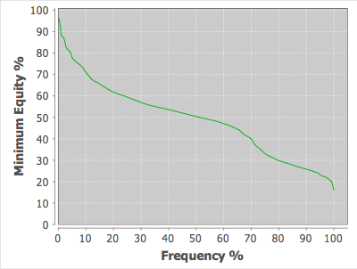
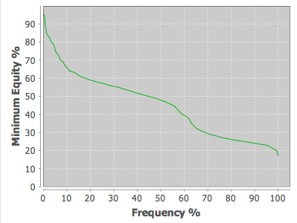
Note: These are broad ranges. Within a given range there will be variation in the equity distributions

AA**:xxyy!RRR vs. 30% range | KK[Q-2][Q-2]:xxyy vs. 30% range | QQ[J-2][J-2]:xxyy!RRR vs. 30% range | JJ[A-Q][A-Q]:(xxyy!RROO),JJ[T-8][T-8]:(xxyy!RROO) vs. 30% Range
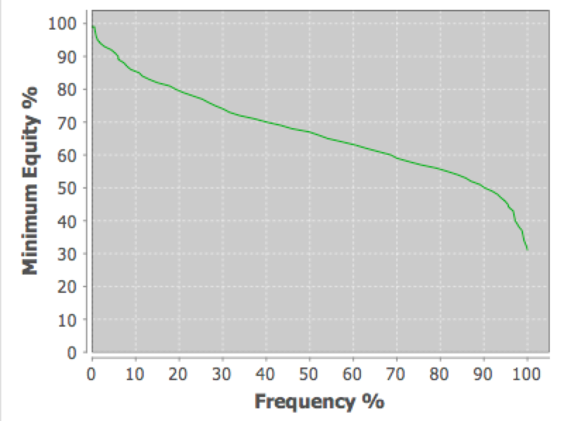
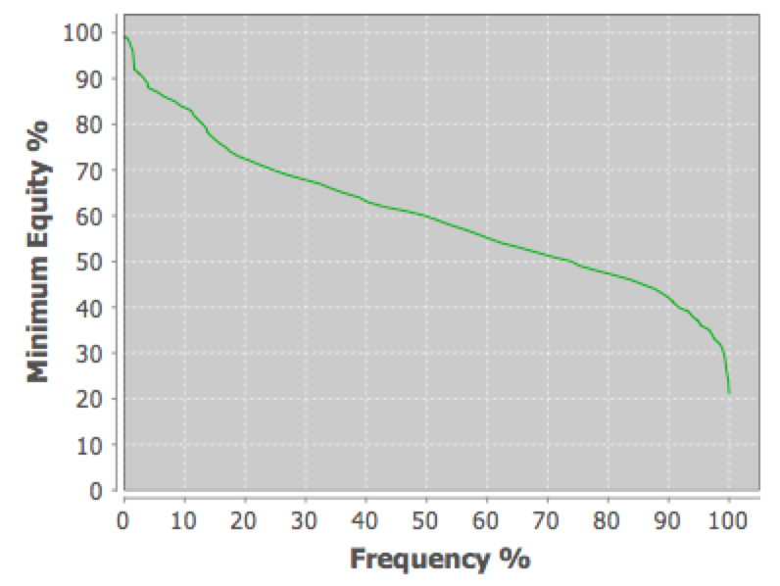
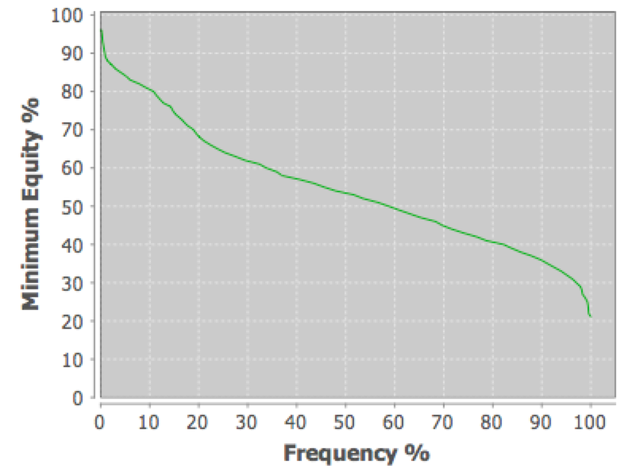
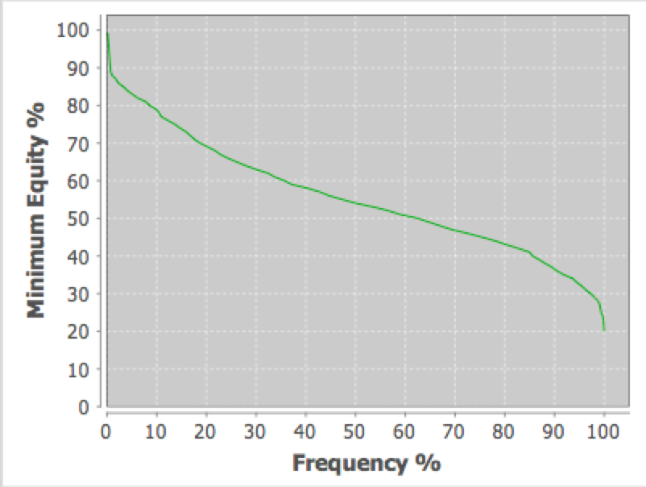

TT99:xxyy vs. 30% range | [9-5][9-5][9-5][9-5]:(xxyy,RROO) vs. 30% range
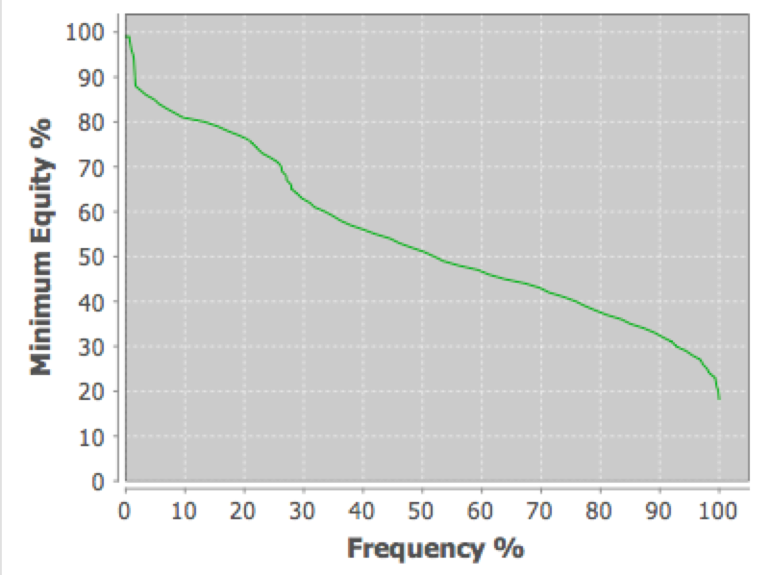
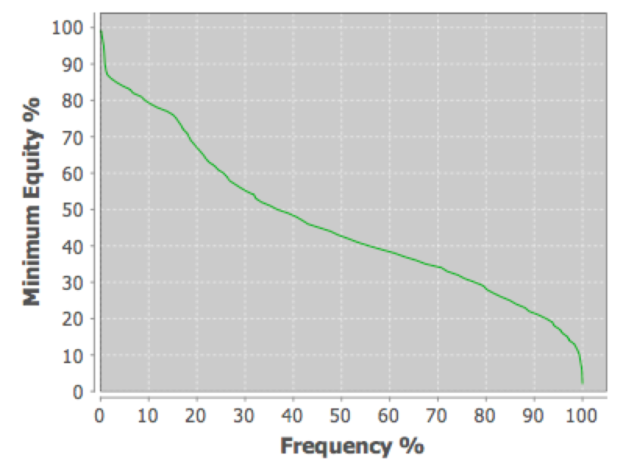

A[T-8][T-8][T-8]:(Ax*x!RR),A[9-7][9-7][9-7]:(Ax*x!RR),A[8-6][8-6][8-6]:(Ax*x!RR) vs. 30% range | A[K-T][K-T][K-T]:xxyy!RR:xx!RR vs. 30% range | AxKy[Q-2][Q-2]:xxyy!RR vs. 30% range
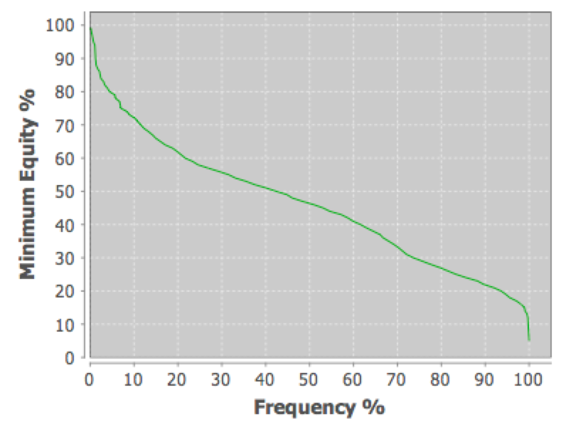
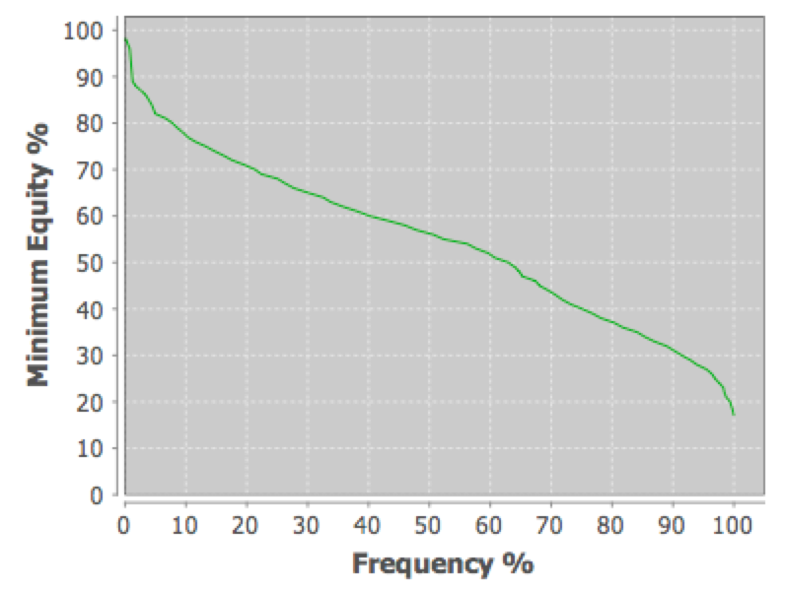
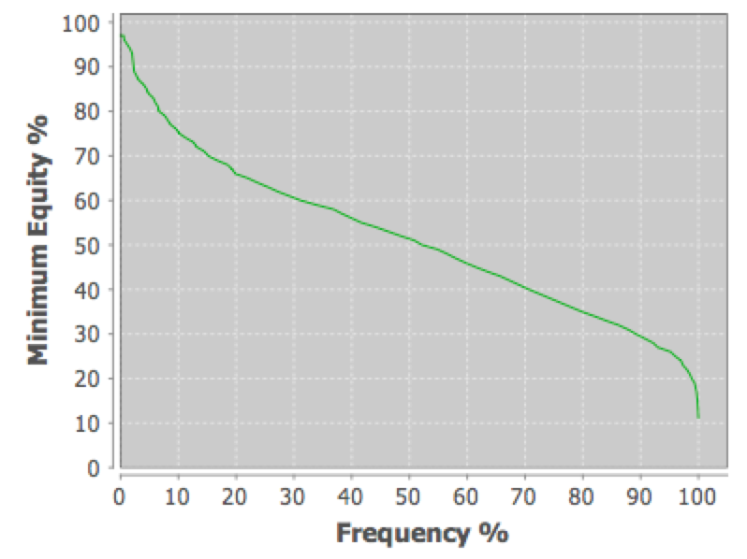

8765+:xxyy vs. 30% range | 8764+:xxyy vs. 30% range (bottom gap) | 8754+:xxyy vs. 30% range (middle gap) | 8654+:xxyy vs. 30% range (top gap)
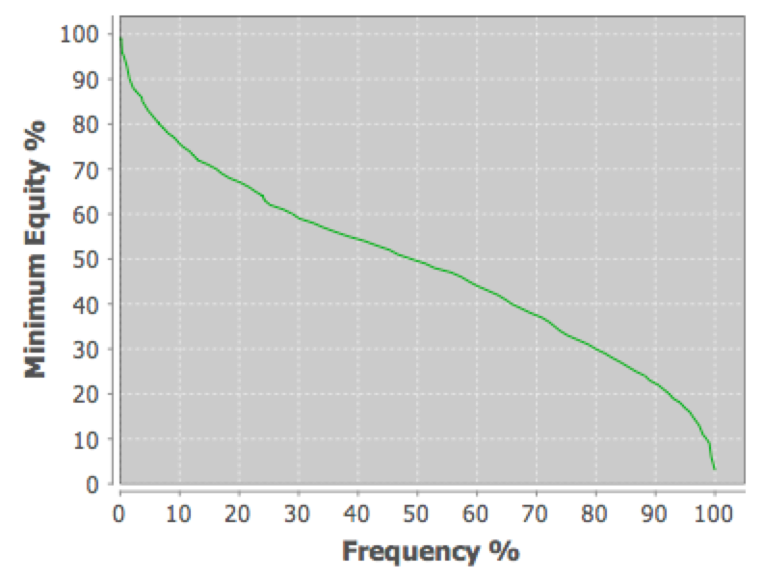
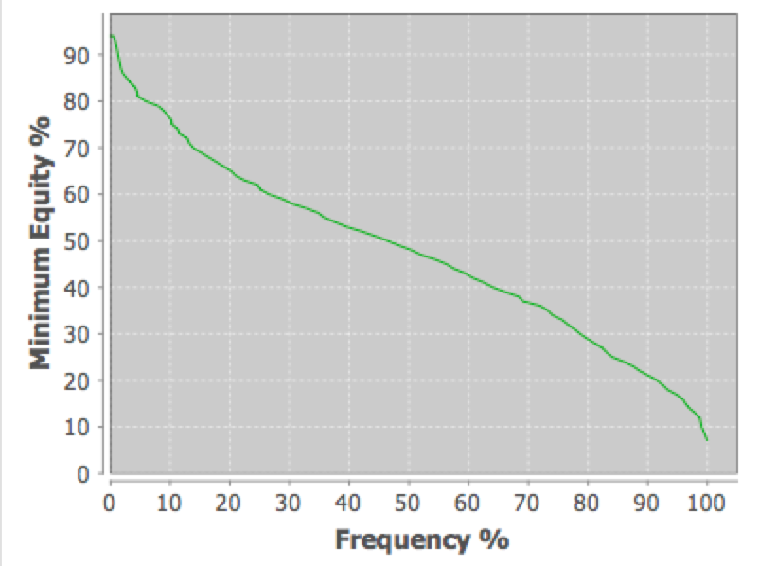
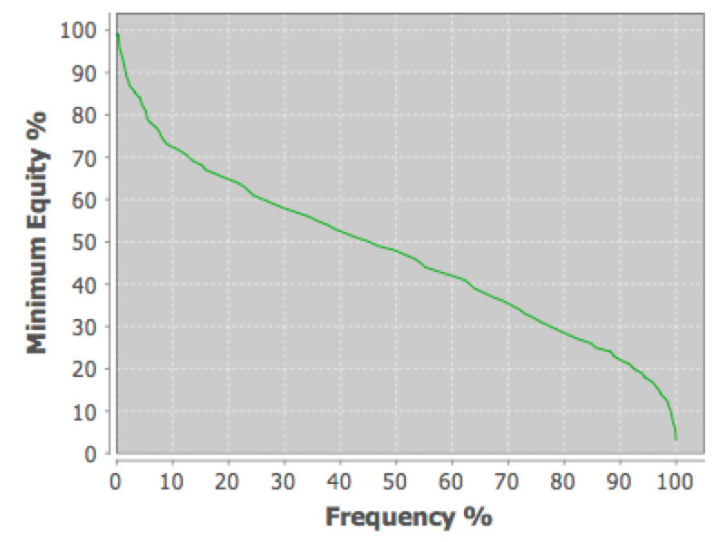
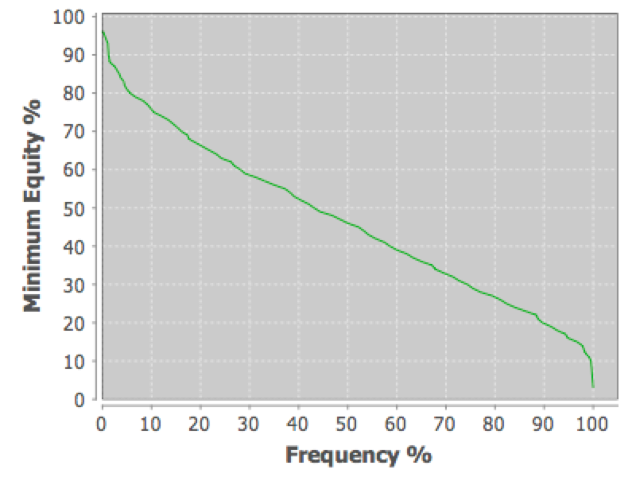

AJT9:xxxx vs. 30% range | AJT9:xyzw vs. 30% range

Polarized vs. Smooth
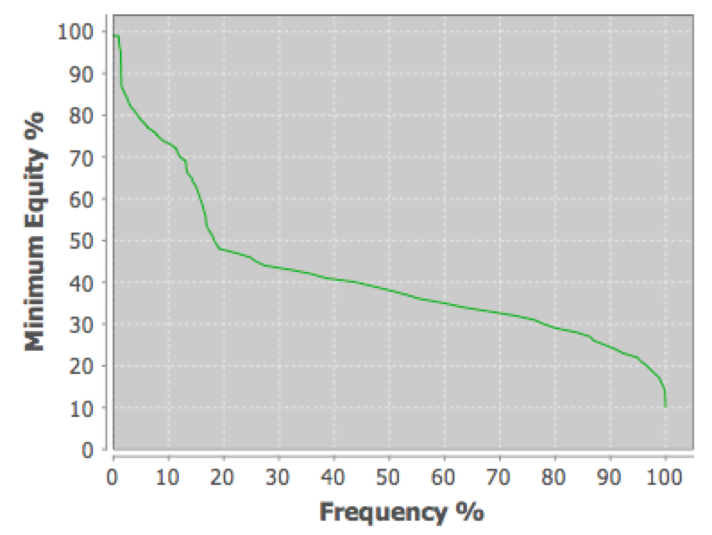
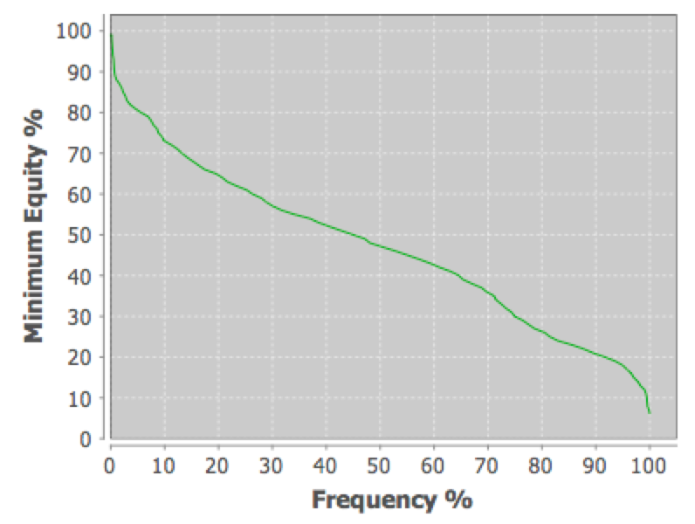
Polarized: JJ72!xx!xxyy vs. 30% range | Smooth: JT98:xxyy vs. 30% range

