Flop Equity Curves
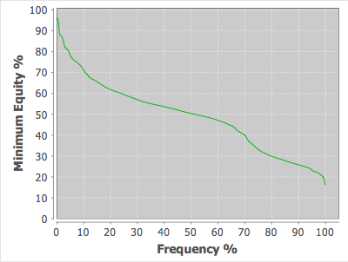
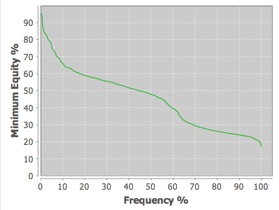
Note: These are broad ranges. Within a given range there will be variation in the equity distributions

AA**:xxyy!RRR vs. 30% range | KK[Q-2][Q-2]:xxyy vs. 30% range | QQ[J-2][J-2]:xxyy!RRR vs. 30% range | JJ[A-Q][A-Q]:(xxyy!RROO),JJ[T-8][T-8]:(xxyy!RROO) vs. 30% Range
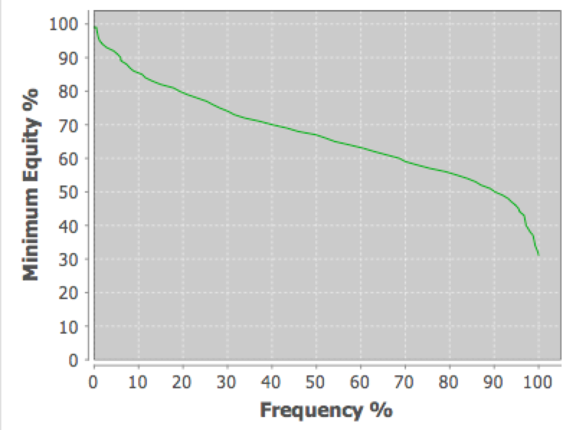
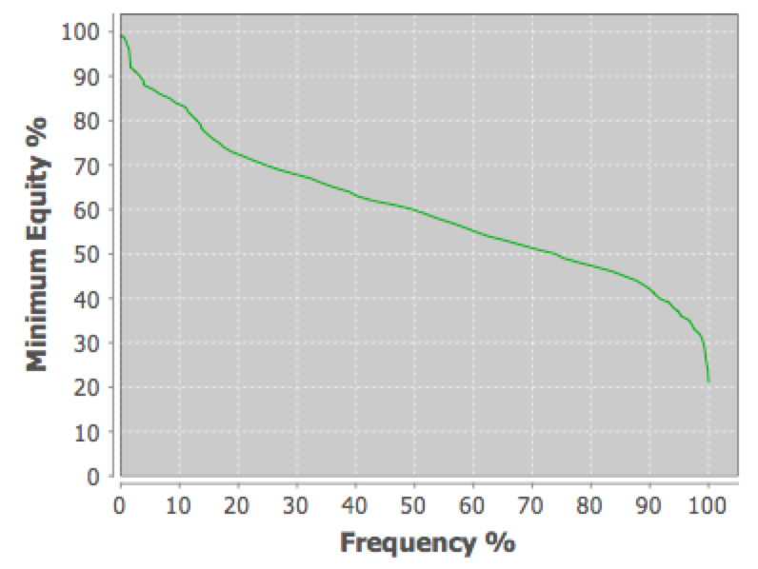
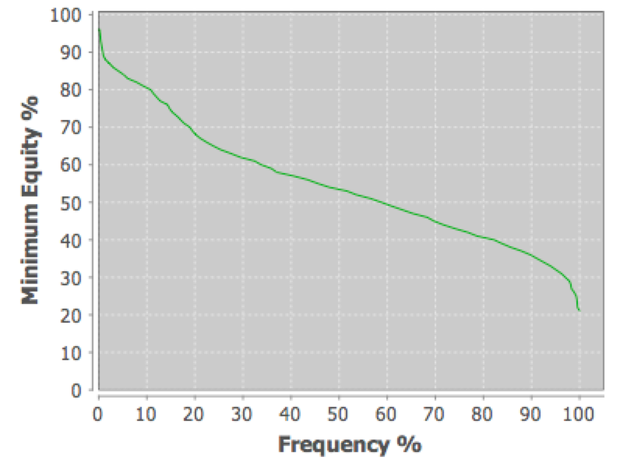
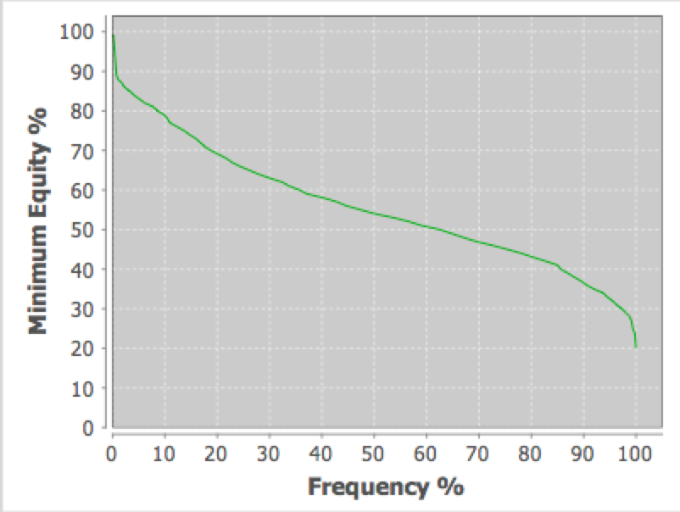

TT99:xxyy vs. 30% range | [9-5][9-5][9-5][9-5]:(xxyy,RROO) vs. 30% range
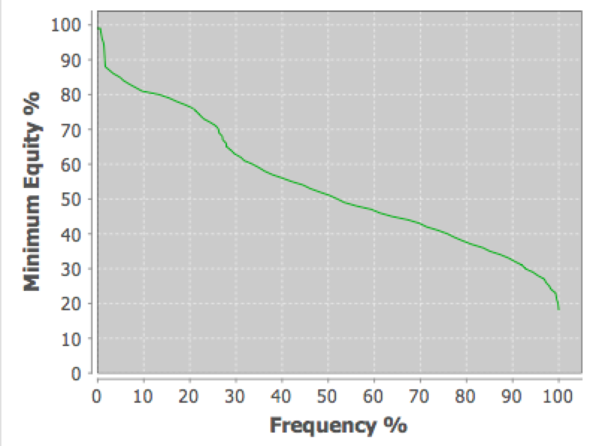
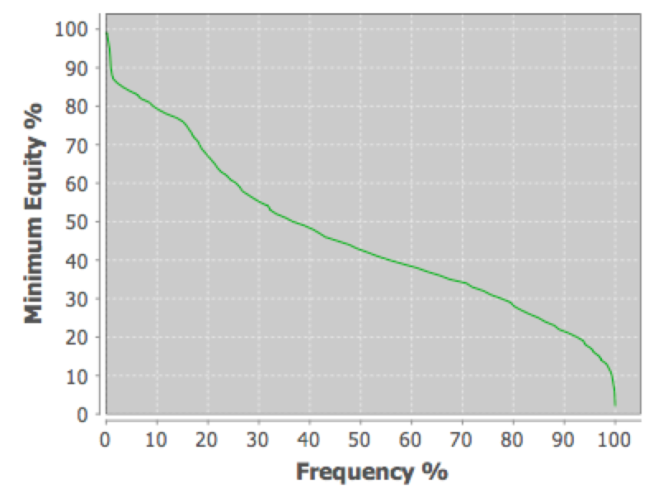

A[T-8][T-8][T-8]:(Ax*x!RR),A[9-7][9-7][9-7]:(Ax*x!RR),A[8-6][8-6][8-6]:(Ax*x!RR) vs. 30% range | A[K-T][K-T][K-T]:xxyy!RR:xx!RR vs. 30% range | AxKy[Q-2][Q-2]:xxyy!RR vs. 30% range
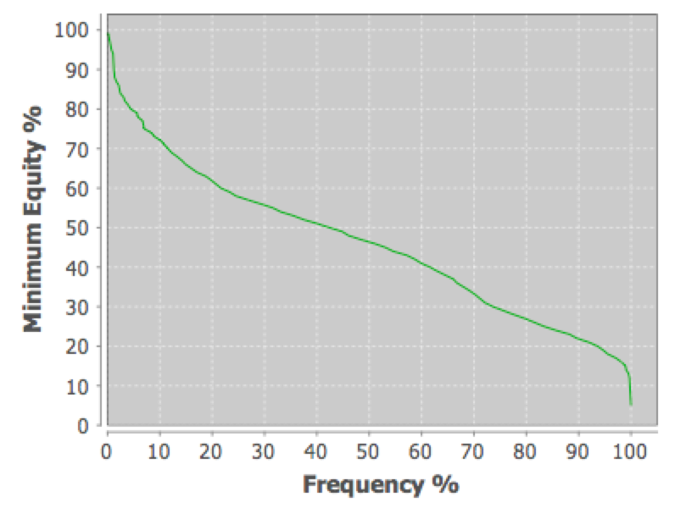
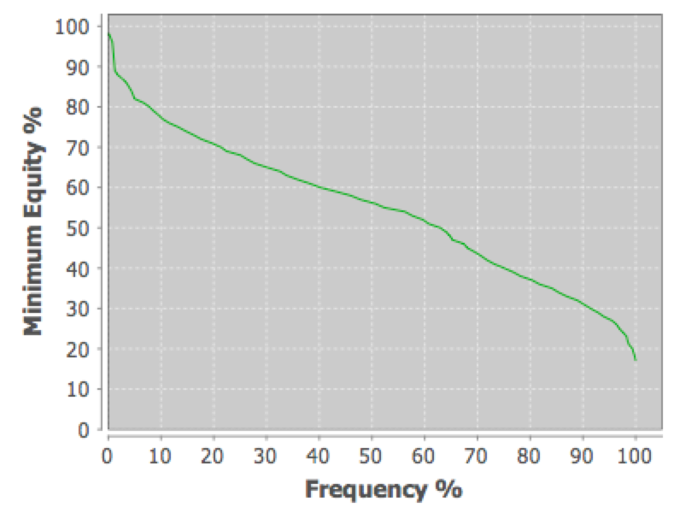
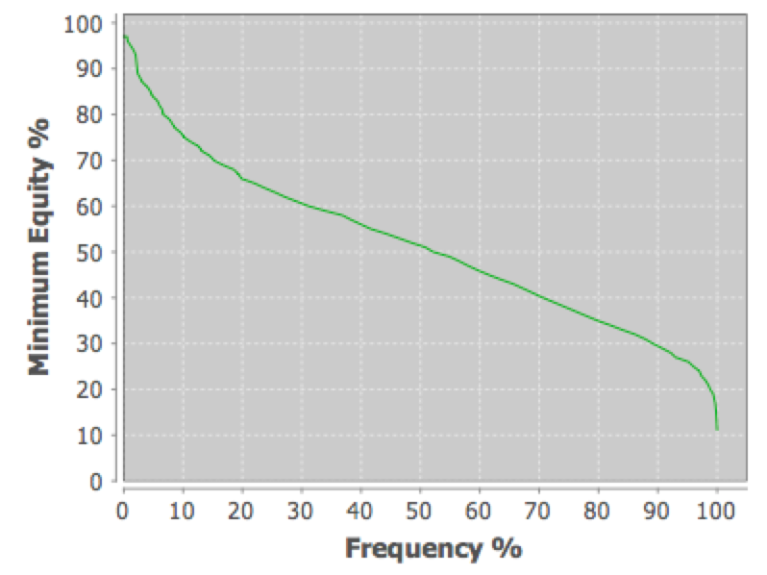

8765+:xxyy vs. 30% range | 8764+:xxyy vs. 30% range (bottom gap) | 8754+:xxyy vs. 30% range (middle gap) | 8654+:xxyy vs. 30% range (top gap)
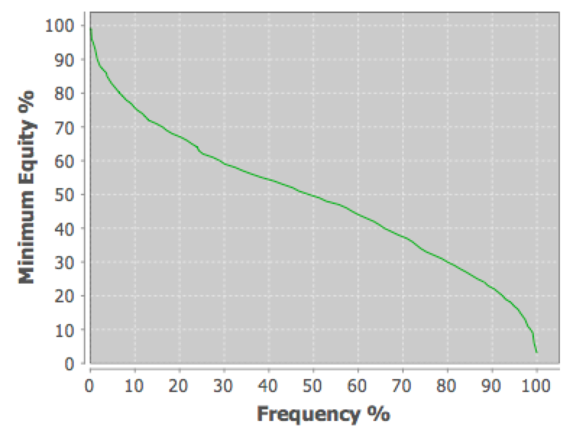
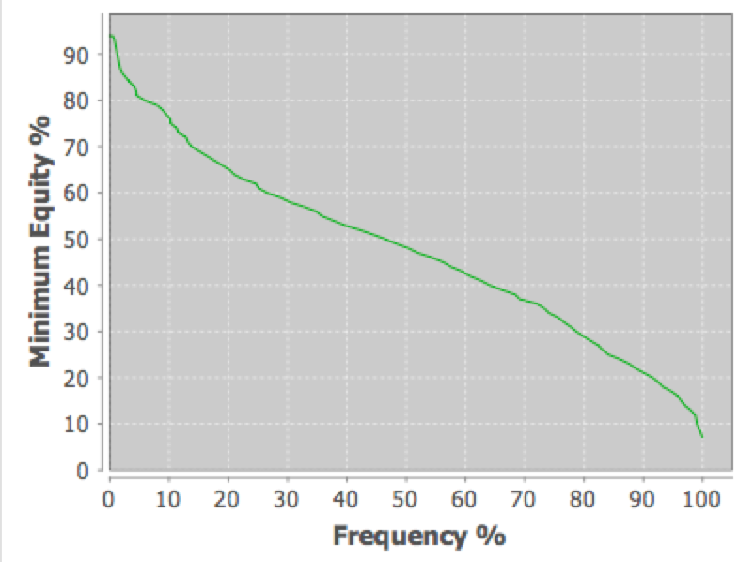
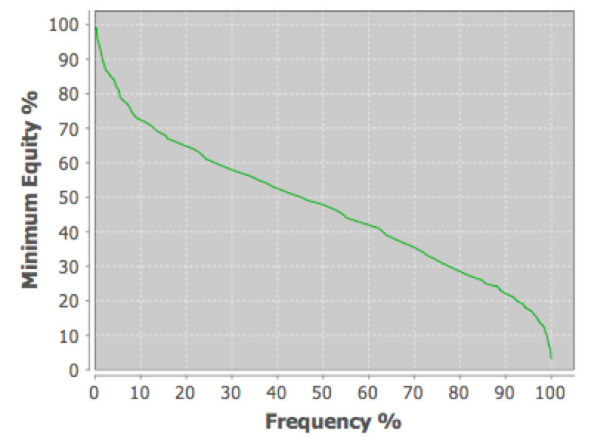
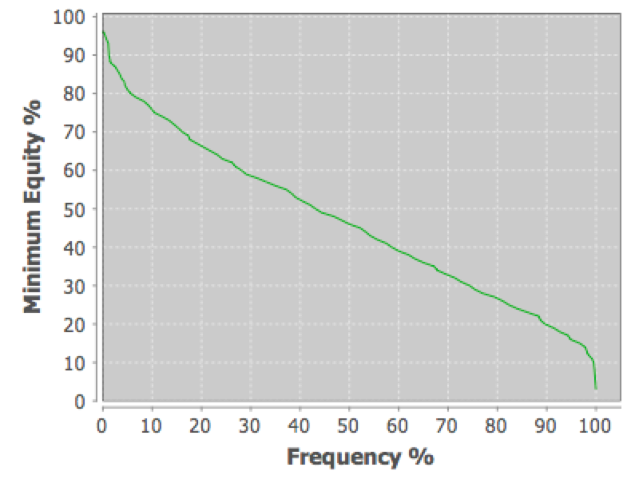

AJT9:xxxx vs. 30% range | AJT9:xyzw vs. 30% range

Polarized vs. Smooth
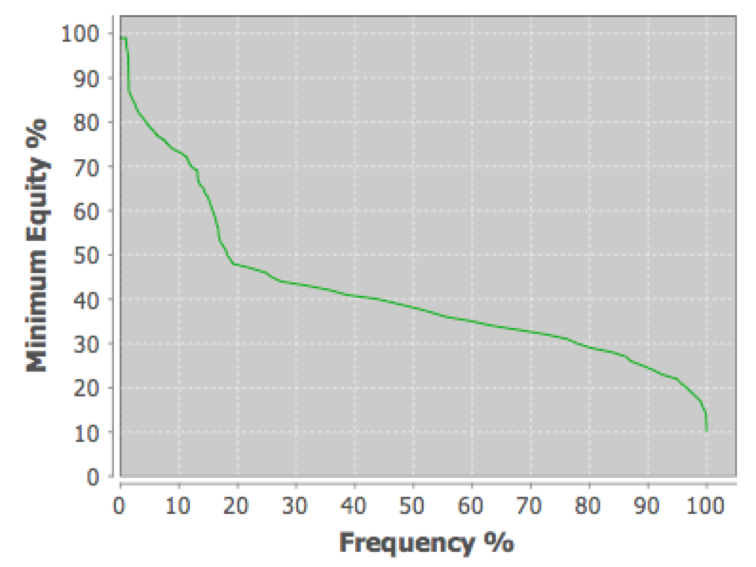
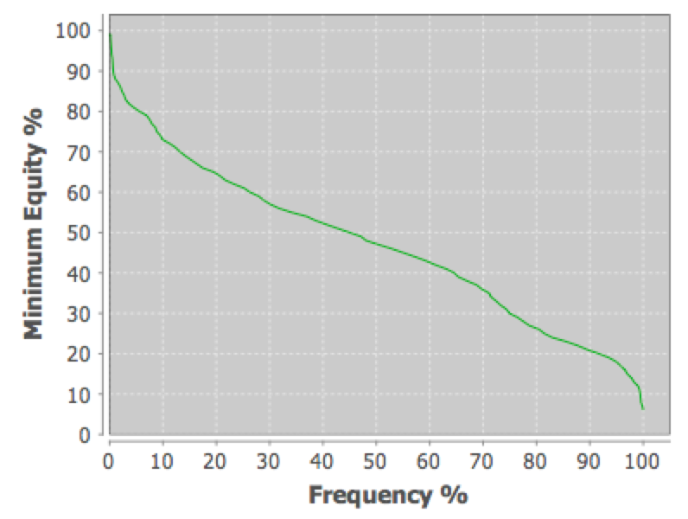
Polarized: JJ72!xx!xxyy vs. 30% range | Smooth: JT98:xxyy vs. 30% range

