Sim Data
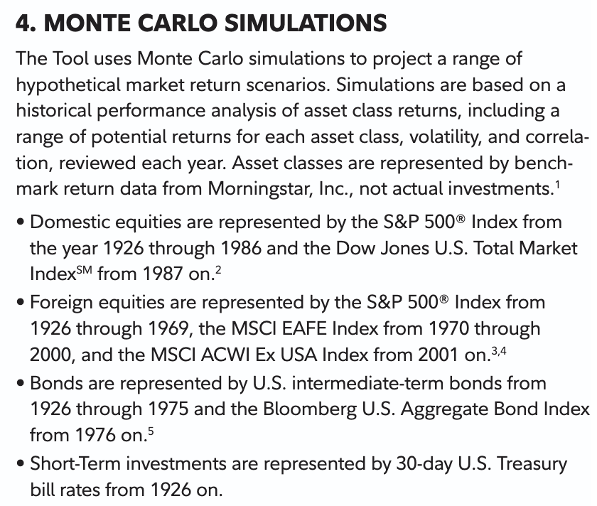
Year | SP&500 Index | DowJones US Total market Index | US intermediate-term bonds | Bloomberg US Aggregate Bond Index | US Equity | US Bond
1927 | 37.49 |  | 3.5 |  | 37.49 | 3.5
1928 | 43.61 |  | 4.2 |  | 43.61 | 4.2
1929 | -8.3 |  | 4 |  | -8.3 | 4
1930 | -24.9 |  | 3.8 |  | -24.9 | 3.8
1931 | -43.34 |  | 3.2 |  | -43.34 | 3.2
1932 | -8.19 |  | 4.4 |  | -8.19 | 4.4
1933 | 53.99 |  | 4.3 |  | 53.99 | 4.3
1934 | -1.44 |  | 2.8 |  | -1.44 | 2.8
1935 | 47.67 |  | 3.1 |  | 47.67 | 3.1
1936 | -10.46 |  | 3.2 |  | -10.46 | 3.2
1937 | -33.8 |  | 2.9 |  | -33.8 | 2.9
1938 | -35.03 |  | 3 |  | -35.03 | 3
1939 | -26.47 |  | 2.5 |  | -26.47 | 2.5
1940 | -11.59 |  | 2.8 |  | -11.59 | 2.8
1941 | -10.12 |  | 3 |  | -10.12 | 3
1942 | -8.19 |  | 3.3 |  | -8.19 | 3.3
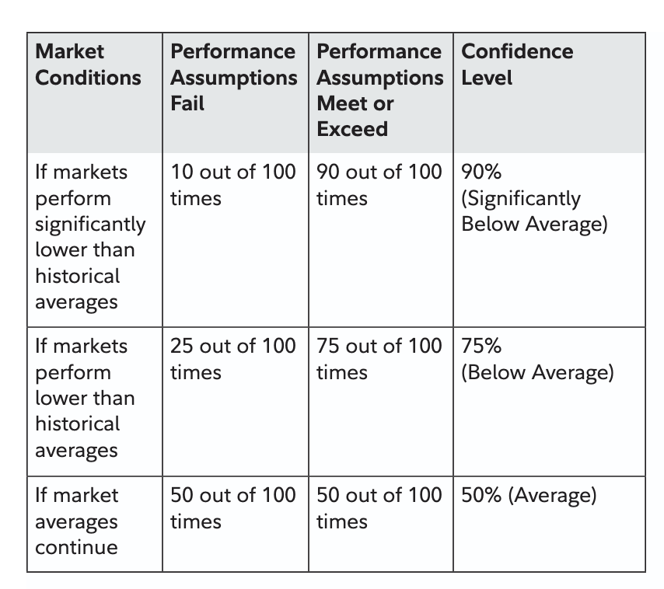
1943 | 23.13 |  | 3 |  | 23.13 | 3
1944 | 19.45 |  | 3.5 |  | 19.45 | 3.5
1945 | 35.82 |  | 3.9 |  | 35.82 | 3.9
1946 | 24.02 |  | 3.7 |  | 24.02 | 3.7
1947 | 5.71 |  | 4 |  | 5.71 | 4
1948 | 18.8 |  | 3.9 |  | 18.8 | 3.9
1949 | 31.71 |  | 4.2 |  | 31.71 | 4.2
1950 | -0.92 |  | 3.8 |  | -0.92 | 3.8
1951 | -10.5 |  | 4 |  | -10.5 | 4
1952 | 20.43 |  | 4.5 |  | 20.43 | 4.5
1953 | 36.28 |  | 4.6 |  | 36.28 | 4.6
1954 | 24.43 |  | 4.8 |  | 24.43 | 4.8
1955 | 2.62 |  | 4.3 |  | 2.62 | 4.3
1956 | 16.41 |  | 4.1 |  | 16.41 | 4.1
1957 | 12.06 |  | 3.9 |  | 12.06 | 3.9
1958 | 0.47 |  | 3.8 |  | 0.47 | 3.8
1959 | 23.13 |  | 3.7 |  | 23.13 | 3.7
1960 | 8.99 |  | 3.9 |  | 8.99 | 3.9
1961 | -1.95 |  | 4 |  | -1.95 | 4
1962 | 13.48 |  | 4.1 |  | 13.48 | 4.1
1963 | 19.15 |  | 4.2 |  | 19.15 | 4.2
1964 | 32.42 |  | 4.3 |  | 32.42 | 4.3
1965 | 6.56 |  | 4.5 |  | 6.56 | 4.5
1966 | 18.44 |  | 4.6 |  | 18.44 | 4.6
1967 | 31.55 |  | 4.7 |  | 31.55 | 4.7
1968 | 18.61 |  | 4.9 |  | 18.61 | 4.9
1969 | 5.23 |  | 5 |  | 5.23 | 5
1970 | 16.61 |  | 5.1 |  | 16.61 | 5.1
1971 | 31.73 |  | 5.3 |  | 31.73 | 5.3
1972 | -3.06 |  | 5.5 |  | -3.06 | 5.5
1973 | 30.23 |  | 5.4 |  | 30.23 | 5.4
1974 | 7.62 |  | 5.2 |  | 7.62 | 5.2
1975 | 10.08 |  | 5.3 |  | 10.08 | 5.3
1976 | 1.32 |  |  | 5.5 | 1.32 | 5.5
1977 | 37.2 |  |  | 5.6 | 37.2 | 5.6
1978 | 22.68 |  |  | 5.2 | 22.68 | 5.2
1979 | 33.36 |  |  | 5.3 | 33.36 | 5.3
1980 | 28.58 |  |  | 4.9 | 28.58 | 4.9
1981 | 21.55 |  |  | 4.9 | 21.55 | 4.9
1982 | -9.1 |  |  | 4.5 | -9.1 | 4.5
1983 | -11.89 |  |  | 4.5 | -11.89 | 4.5
1984 | -21.97 |  |  | 4.1 | -21.97 | 4.1
1985 | 28.36 |  |  | 4.1 | 28.36 | 4.1
1986 | 10.74 |  |  | 3.8 | 10.74 | 3.8
1987 |  | 5.33 |  | 3.8 | 5.33 | 3.8
1988 |  | 15.11 |  | 3.4 | 15.11 | 3.4
1989 |  | 5.98 |  | 3.4 | 5.98 | 3.4
1990 |  | 15.76 |  | 3 | 15.76 | 3
1991 |  | 31.51 |  | 3 | 31.51 | 3
1992 |  | 18.17 |  | 2.7 | 18.17 | 2.7
1993 |  | 5.99 |  | 2.7 | 5.99 | 2.7
1994 |  | 15.5 |  | 2.3 | 15.5 | 2.3
1995 |  | 32.89 |  | 2.4 | 32.89 | 2.4
1996 |  | 13.19 |  | 2.1 | 13.19 | 2.1
1997 |  | 1.88 |  | 2.1 | 1.88 | 2.1
1998 |  | 11.46 |  | 1.7 | 11.46 | 1.7
1999 |  | -21.6 |  | 1.8 | -21.6 | 1.8
2000 |  | 28.18 |  | 1.5 | 28.18 | 1.5
2001 |  | 11.38 |  | 1.6 | 11.38 | 1.6
2002 |  | 4.41 |  | 1.4 | 4.41 | 1.4
2003 |  | 16.29 |  | 1.9 | 16.29 | 1.9
2004 |  | 4.99 |  | 1.9 | 4.99 | 1.9
2005 |  | -36.5 |  | 2.4 | -36.5 | 2.4
2006 |  | 25.96 |  | 2.5 | 25.96 | 2.5
2007 |  | 15.56 |  | 3 | 15.56 | 3
2008 |  | 1.61 |  | 3 | 1.61 | 3
2009 |  | 16.5 |  | 3.3 | 16.5 | 3.3
2010 |  | 31.89 |  | 3.3 | 31.89 | 3.3
2011 |  | 14.19 |  | 3.8 | 14.19 | 3.8
2012 |  | 0.88 |  | 3.9 | 0.88 | 3.9
2013 |  | 12.46 |  | 4.3 | 12.46 | 4.3
2014 |  | -22.6 |  | 4.4 | -22.6 | 4.4
2015 |  | 29.18 |  | 4.9 | 29.18 | 4.9
2016 |  | 10.38 |  | 5 | 10.38 | 5
2017 |  | 5.41 |  | 5.5 | 5.41 | 5.5
2018 |  | 15.29 |  | 5.5 | 15.29 | 5.5
2019 |  | 5.99 |  | 5.9 | 5.99 | 5.9
2020 |  | -37.5 |  | 5.9 | -37.5 | 5.9
2021 |  | 26.96 |  | 6.3 | 26.96 | 6.3
2022 |  | 14.56 |  | 6.2 | 14.56 | 6.2
2023 |  | 2.61 |  | 6.6 | 2.61 | 6.6

 |  |  |  |  | 10.10 | 3.9020618557
 |  |  |  |  | 19.60 | 1.1663653458

Correct Data
Year | Total Return
2024 | 25.02
2023 | 26.29
Mean: 12.29
Median: 15.06
Std Dev: 19.57
2022 | -18.11
2021 | 28.71
2020 | 18.4
2019 | 31.49
Mean
2018 | -4.38
2017 | 21.83
2016 | 11.96
2015 | 1.38
0 %
2014 | 13.69
2013 | 32.39
2012 | 16
2011 | 2.11
2010 | 15.06
2009 | 26.46
2008 | -37
2007 | 5.49
2006 | 15.79
2005 | 4.91
2004 | 10.88
2003 | 28.68
2002 | -22.1
2001 | -11.89
2000 | -9.1
1999 | 21.04
1998 | 28.58
1997 | 33.36
1996 | 22.96
1995 | 37.58
1994 | 1.32
1993 | 10.08
1992 | 7.62
1991 | 30.47
1990 | -3.1
1989 | 31.69
1988 | 16.61
1987 | 5.25
1986 | 18.67
1985 | 31.73
1984 | 6.27
1983 | 22.56
1982 | 21.55
1981 | -4.91
1980 | 32.42
1979 | 18.44
1978 | 6.56
1977 | -7.18
1976 | 23.84
1975 | 37.2
1974 | -26.47
1973 | -14.66
1972 | 18.98
1971 | 14.31
1970 | 4.01
1969 | -8.5
1968 | 11.06
1967 | 23.98
1966 | -10.06
1965 | 12.45
1964 | 16.48
1963 | 22.8
1962 | -8.73
1961 | 26.89
1960 | 0.47
1959 | 11.96
1958 | 43.36
1957 | -10.78
1956 | 6.56
1955 | 31.56
1954 | 52.62
1953 | -0.99
1952 | 18.37
1951 | 24.02
1950 | 31.71
1949 | 18.79
1948 | 5.5
1947 | 5.71
1946 | -8.07
1945 | 36.44
1944 | 19.75
1943 | 25.9
1942 | 20.34
1941 | -11.59
1940 | -9.78
1939 | -0.41
1938 | 31.12
1937 | -35.03
1936 | 33.92
1935 | 47.67
1934 | -1.44
1933 | 53.99
1932 | -8.19
1931 | -43.34
1930 | -24.9
1929 | -8.42
1928 | 43.61
1927 | 37.49
1926 | 11.62

 | 15.06
 | 12.29
 | 19.57

