PXD007058-p30-0.99997
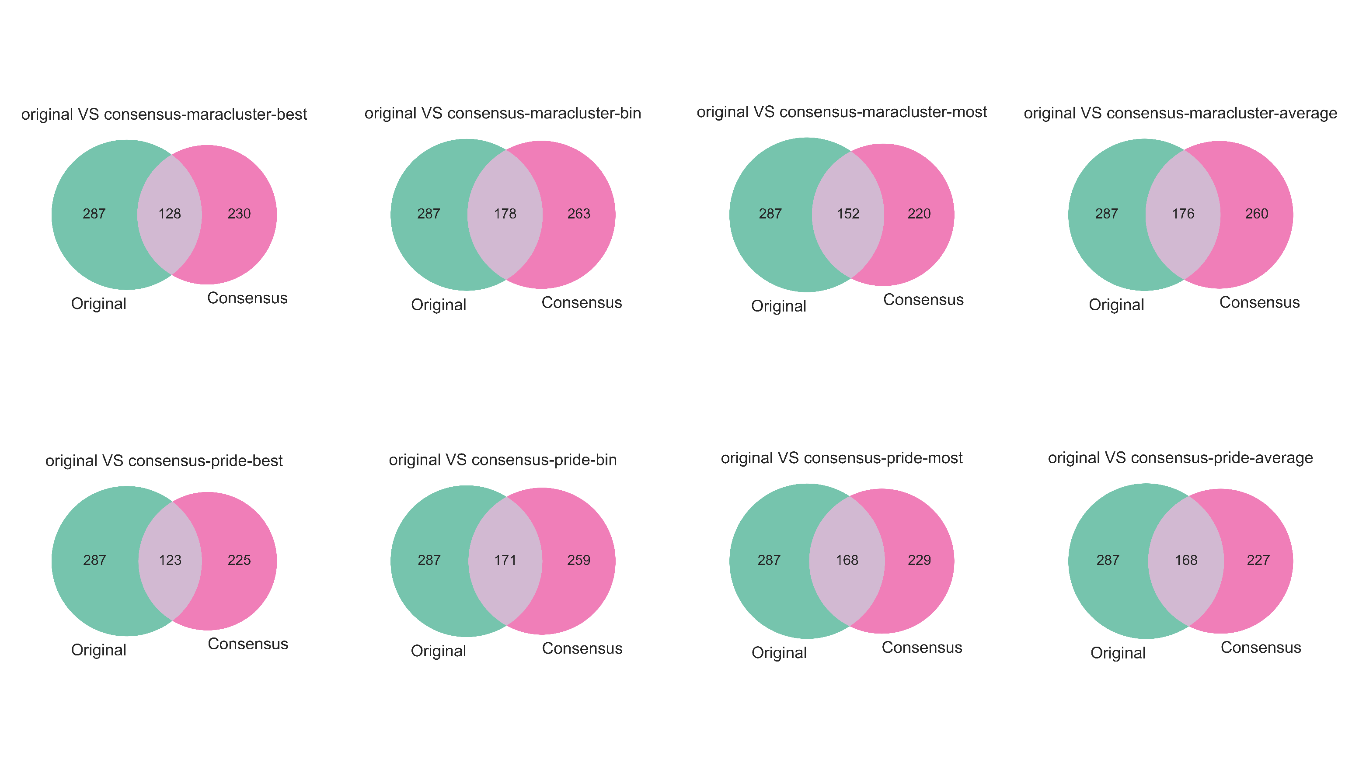
 | original MS | MARA-best | MARA-bin | MARA-most | MARA-average | PRIDE-best | PRIDE-bin | PRIDE-most | PRIDE-average
SF_200217_pPeptideLibrary_pool1_HCDOT_rep1
# MS | 7465 | 159 | 3081 | 3081 | 3081 | 151 | 3066 | 3066 | 3066
No. Unique Peptide Sequences [Regardless of modification] | 74 | 65 | 57 | 52 | 54 | 59 | 52 | 50 | 48
No. Unique Peptide Sequences-name [Consider modification] | 124 | 109 | 104 | 98 | 100 | 103 | 97 | 95 | 93
No. PSMs | 187 | 155 | 158 | 151 | 155 | 141 | 140 | 138 | 137
No. the peptides with phospho sites | 82 | 70 | 65 | 59 | 60 | 65 | 59 | 57 | 55
No. phospho sites[Assuming that there are two phosphorylation sites in a peptide, count twice] | 96 | 82 | 76 | 70 | 70 | 76 | 70 | 66 | 64
No.the same peptides with the same phospho (intersection) | # | 43 | 52 | 50 | 50 | 42 | 49 | 47 | 46
No.peptides except the intersection | # | 27 | 13 | 9 | 10 | 23 | 10 | 10 | 9
error rate | # | 0.38571428571 | 0.2 | 0.15254237288 | 0.16666666667 | 0.35384615385 | 0.16949152542 | 0.17543859649 | 0.16363636364
SF_200217_pPeptideLibrary_pool4_HCDnlEThcD_OT_rep1
# MS | 6971 | 209 | 2815 | 2815 | 2815 | 205 | 2804 | 2804 | 2804
No. Unique Peptide Sequences [Regardless of modification] | 90 | 80 | 83 | 96 | 89 | 83 | 99 | 64 | 66
No. Unique Peptide Sequences-name [Consider modification] | 164 | 136 | 155 | 167 | 160 | 136 | 167 | 133 | 135
No. PSMs | 288 | 191 | 226 | 239 | 234 | 188 | 239 | 193 | 203
No. the peptides with phospho sites | 121 | 99 | 108 | 117 | 112 | 100 | 119 | 90 | 92
No. phospho sites[Assuming that there are two phosphorylation sites in a peptide, count twice] | 165 | 119 | 140 | 153 | 147 | 125 | 159 | 115 | 119
No.the same peptides with the same phospho (intersection) | # | 48 | 69 | 70 | 71 | 46 | 70 | 65 | 67
No.peptides except the intersection | # | 51 | 39 | 47 | 41 | 54 | 49 | 25 | 25
error rate | # | 0.51515151515 | 0.36111111111 | 0.40170940171 | 0.36607142857 | 0.54 | 0.41176470588 | 0.27777777778 | 0.27173913043
SF_200217_pPeptideLibrary_pool3_HCDOT_rep1
# MS | 7524 | 142 | 3040 | 3040 | 3040 | 134 | 3028 | 3028 | 3028
No. Unique Peptide Sequences [Regardless of modification] | 75 | 54 | 78 | 45 | 78 | 54 | 71 | 75 | 72
No. Unique Peptide Sequences-name [Consider modification] | 134 | 101 | 138 | 63 | 138 | 100 | 129 | 132 | 129
No. PSMs | 205 | 142 | 198 | 76 | 197 | 134 | 178 | 183 | 179
No. the peptides with phospho sites | 84 | 61 | 90 | 44 | 88 | 60 | 81 | 82 | 80
No. phospho sites[Assuming that there are two phosphorylation sites in a peptide, count twice] | 103 | 69 | 110 | 50 | 105 | 68 | 96 | 100 | 98
No.the same peptides with the same phospho (intersection) | # | 37 | 57 | 32 | 55 | 35 | 52 | 56 | 55
No.peptides except the intersection | # | 24 | 33 | 12 | 33 | 25 | 29 | 26 | 25
error rate | # | 0.39344262295 | 0.36666666667 | 0.27272727273 | 0.375 | 0.41666666667 | 0.35802469136 | 0.31707317073 | 0.3125

summary
No. total peptides with the phospho | 287 | 230 | 263 | 220 | 260 | 225 | 259 | 229 | 227
No. total the same peptides with the same phospho (intersection) | # | 128 | 178 | 152 | 176 | 123 | 171 | 168 | 168
No. total peptides except the intersection | # | 102 | 85 | 68 | 84 | 102 | 88 | 61 | 59
error rate | # | 0.44347826087 | 0.32319391635 | 0.30909090909 | 0.32307692308 | 0.45333333333 | 0.33976833977 | 0.26637554585 | 0.25991189427
correct rate | # | 0.55652173913 | 0.67680608365 | 0.69090909091 | 0.67692307692 | 0.54666666667 | 0.66023166023 | 0.73362445415 | 0.74008810573

