ExecutionScreenShot
TC_06

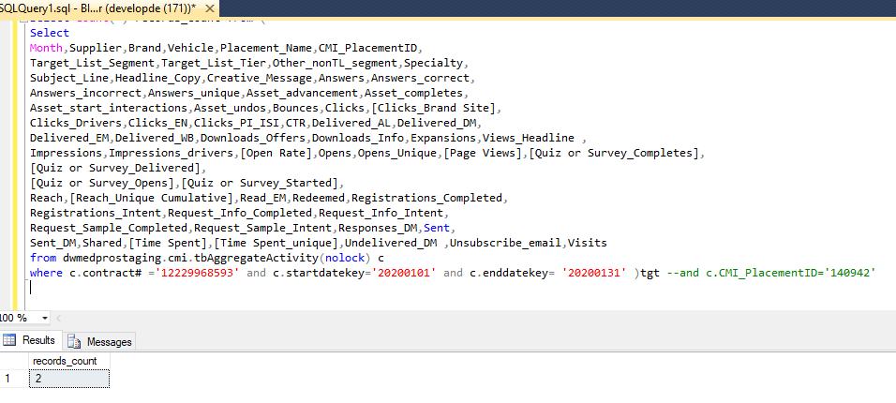

file count

TC_07

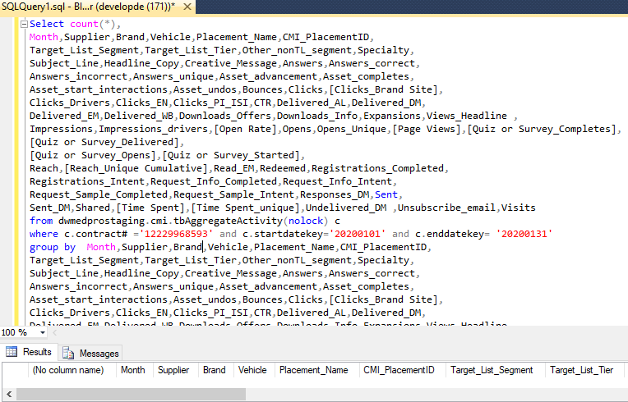

TC_08 | Observation: | CMI Data Specification shows field name as 'Placement Description' and special charcters are missing in feed file data. As '|' and ' ~ ' | Test Failed.
Feed Data
Placement_Name
CAD/PAD Condition Center 1342 engagements will be from CAD/PAD segment of client's list of 30,302 names 1.1.20 - 12.31.20
Brand Content Engagement 2941 100% engagements will be from Total Target list of 75000 targets

CMI Standard
Placement_Description
CAD/PAD Condition Center | 1342 engagements will be from CAD/PAD segment of client's list of 30,302 names | 1.1.20 - 12.31.20
Brand Content Engagement | 2941; 100% engagements will be from Total Target list of ~75,000 targets

TC_09 | Test Failed.

Placement Name header name is not displaye as pwe CMI standard its 'Placement Descritption'

CMI Standard

Feed

TC_12

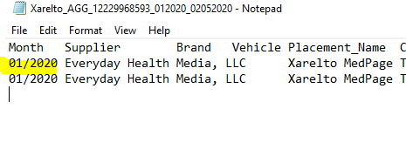

TC_13

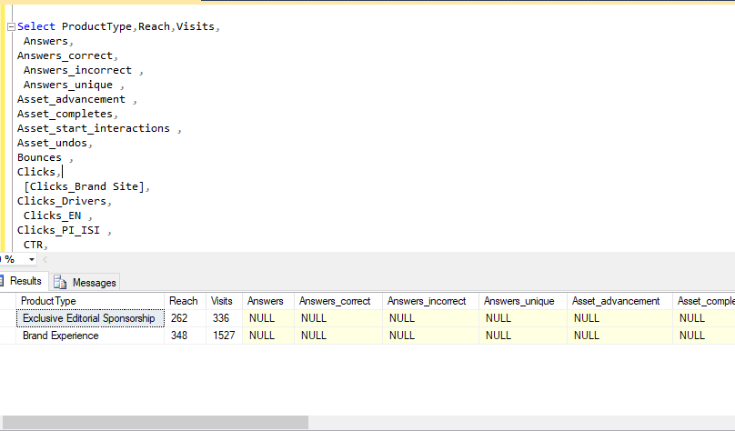

TC_14

Aggregate

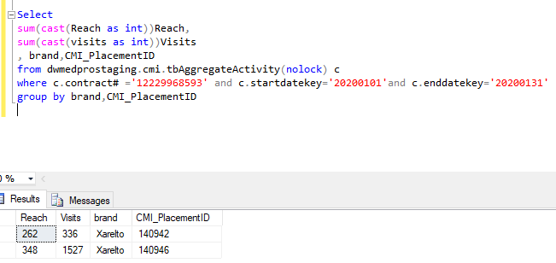

PLD:

140942 | passed

140946 | passed

