Queries
Sr No | Test Description | SQL | Actual Result | Expected Results | Status | Comments
1 | Verify the file naming convention of contact and response data. | Filename should be in below format, Contact - DSI_EDHL_ALL_PCONT_PPP_YYYYMMDDHHMISS_record count.txt Response- DSI_ EDHL _ALL_PPRSP_PPP_YYYYMMDDHHMISS_record count.txt | In place of ALL, brand name will be present. |  | Pass
2 | Verify source code , individual type code, email type. | select * from dsi.tbStageContactLayout(nolock) where [Source Code] <>'EDHL' select * from dsi.tbStageResponseLayout(nolock) where [Source Code] <>'EDHL' select * from dsi.tbStageContactLayout where [Individual type code] <>'H' select * from dsi.tbStageContactLayout where [Address Type] <>'W' | 0 | 0 | Pass
3 | Verify the drug list keys | select distinct Druglistkey from dsi.tbStageContactLayout select distinct Druglistkey from dsi.tbStageResponseLayout select * from dwmedpro.plma.tbdimdruglistmatch where Druglistmatchkey = 2383--2493 |  |  | Pass
4 | Verify duplicates in Contact table. | select [External ID], [Source Code], [Epsilon Individual Id], [Customer Master ID], [Transaction ID], [Individual Type Code], [Full Name], [Name Prefix], [First Name], [Middle Name], [Last Name], [Name Suffix], [Professional Designation], [Birth Date], [Age], [Gender Code], [Language Preference], [Price Sensitivity Flag], [Patient Assistance Flag], [Prescriber Indicator], [Provider Type Code], [Provider SubType Code], [Rep Name], [Individual Status], [Primary Telephone Type], [Primary Telephone Number], [Secondary Telephone Type], [Secondary Telephone Number], [Fax Number], [Email Address Type], [Email Address], [Email Format Preference], [Email Source], [Practice Name], [Practice Type], [AgilityKey], [Address Type], [Address 1], [Address 2], [City], [State Code], [Zip Code Base], [Zip Code Suffix], [Country Name], [Seasonal Start Date], [Seasonal End Date], [Address Quality Code], [Address Error Code], [Address Source Code], [Sample Eligibility Flag], [Specialty Code], [SpecialtyGroup], [SpecialtySubGroup], [SpecialtyAltSubGroup], [ME Identifier Code], [Medical Education #], [SHS Identifier Code], [SHS Number], [DEA Identifier Code], [DEA#], [DEA State], [DEA Status], [State License Identifier Code], [State License Number], [License State], [State License Status], [State License Effective Date], [State License Expire Date], [Suppression Code], [Suppression Active Flag], [Minnesota Licence Check Box], [Degree], [List_cd], [Record Date], [druglistkey], count(*) from dsi.tbStageContactLayout(nolock) group by [External ID], [Source Code], [Epsilon Individual Id], [Customer Master ID], [Transaction ID], [Individual Type Code], [Full Name], [Name Prefix], [First Name], [Middle Name], [Last Name], [Name Suffix], [Professional Designation], [Birth Date], [Age], [Gender Code], [Language Preference], [Price Sensitivity Flag], [Patient Assistance Flag], [Prescriber Indicator], | 0 | 0 | Pass
5 | Verify the length of zip code in contact. | select top 5 * from dsi.tbStageContactLayout where len([Zip code base]) >5 select top 5 * from dsi.tbStageContactLayout where len([Zip code base]) <5 | 0 | 0 | Pass
6 | Verify mandate columns for contact | select [External ID] , [Source Code] ,[Individual Type Code] ,[First Name] ,[Last Name] ,[Address Type], [Address 1] ,[City] , [State Code] , [Zip Code Base] from dsi.tbStageContactLayout where [External ID] is null or [Source Code] is null or [Individual Type Code] is null or [First Name] is null or [Last Name] is null or [Address Type] is null or [Address 1] is null or [City] is null or [State Code] is null or [Zip Code Base] is null or convert(date,[Record Date]) is null or [External ID] ='' or [Source Code] ='' or [Individual Type Code] ='' or [First Name] ='' or [Last Name] ='' or [Address Type] ='' or [Address 1] ='' or [City] ='' or [State Code] ='' or [Zip Code Base] ='' or convert(date,[Record Date]) ='' | 0 | 0 | Fail
7 | Verify condition for Email Address type. | select [Email Address type],[Email Address] from dsi.tbStageContactLayout where [Email Address] !='' and [Email Address type] <>'W' | 0 | 0 | Pass
8 | Verify condition for Address type. | select [Email Address type],[Email Address] from dsi.tbStageContactLayout where [Address 1] !='' and [Address type] <>'W' select top 10 * from dsi.tbStageContactLayout where [Address 1] <>'EVERYDAY HEALTH CAMPAIGN' | 0 | 0 | Pass
9 | Verify other address information for contat | select top 10 * from dsi.tbStageContactLayout where city <> 'wakefield' select top 10 * from dsi.tbStageContactLayout where [state code] <> 'MA' select top 10 * from dsi.tbStageContactLayout where [zip code base] <> '01880' | 0 | 0 | Pass
10 | Verify record date for contact. | select top 10 * from dsi.tbStageContactLayout where convert(date,[Record Date]) ='' or convert(date,[Record Date]) is null | 0 | 0 | Pass
11 | Verify the count of products CL-108, Welchol & Effient | select COUNT(*) from dsi.tbStageContactLayout where Druglistkey = '2493' --1357 | The count should match with contact files generated for these products. | 0 | Pass
12 | Verify duplicates in response table. | select [External ID], [Source Code], [Epsilon Individual Id], [Customer Master ID], [Transaction ID], [Response Date], [Response Source Code], [Treatment Code], [Media Origin Code], [Document Carrier], [Document Group], [Document Number], [Document Amount], [Vendor Name], [Batch Number], [Session Id], [Requester IP Address], [Service Request Id], [Call Start Time], [Call End Time], [Phone 800 Number], [Web Action Code], [Requested Quantity], druglistkey, COUNT(*) from dsi.tbStageResponseLayout group by [External ID], [Source Code], [Epsilon Individual Id], [Customer Master ID], [Transaction ID], [Response Date], [Response Source Code], [Treatment Code], [Media Origin Code], [Document Carrier], [Document Group], [Document Number], [Document Amount], [Vendor Name], [Batch Number], [Session Id], [Requester IP Address], [Service Request Id], [Call Start Time], [Call End Time], [Phone 800 Number], [Web Action Code], [Requested Quantity], druglistkey having COUNT(*)>1 | 0 | 0 | Pass
13 | Verify mandate columns in response | select * from dsi.tbStageResponseLayout where [External ID] is null or [External ID] ='' or [Source Code] is null or [Source Code]='' or convert(date,[Response Date]) is null or convert(date,[Response Date])='' or [Response Source Code] is null or [Response Source Code]='' or [Vendor Name] is null or [Vendor Name]='' | 0 | 0 | Pass
14 | Verify the record count in response as per products. | select [Source code],Druglistkey, COUNT(*) from dsi.tbStageResponseLayout where Druglistkey = '2493' and convert(date, [response date]) between '2018-01-01' and '2018-01-31' group by [Source code],Druglistkey order by 1 | it should match with the response files generated. | EDHL 2493 745 | Pass
15 | Verify Vendor name column. | select top 5 * from dsi.tbStageResponseLayout where [Vendor Name]<>'EDHL' | 0 | 0 | Pass
16 | Verify the response source code with FIA document. | select distinct [Source], [response source code] from dsi.tbStageResponseLayout order by 1 |  | EDHL R_EDHL_WEL_2016_UNQVISITOR EDHL R_EDHL_INR_PRC1_VIEW EDHL R_EDHL_EFF_2016_UNQVISITOR EDHL R_EDHL_CL1_2016_UNQVISITOR EDHL R_EDHL_MPB_EH1_VIEW | Pass
17 | Verify the mapping between contact and response | select top 5 * from dsi.tbStageContactLayout where [External ID] ='WEL_TRG15_100097' select top 5 * from dsi.tbStageResponseLayout where [External ID] ='WEL_TRG15_100097' | Druglistkey for both the external id's should match | match | Pass | verify the same for multiple records.
18 | Verify Source and final table count for contact. | select COUNT(*) from dsi.tbStageContactLayout where druglistkey = 1031 --60819 SELECT DISTINCT pre.ClientID, tr.masteruserid AS MasterUserID,Druglistkey INTO #precontact1 FROM dwmedpro.plma.tbDrugListPreMatch (NOLOCK) pre JOIN ( SELECT max(recid) recid,masteruserid FROM dwmedpro.plma.tbtargetmatchedemailhistory (NOLOCK) WHERE druglistkey = 1031 --AND LEN(email)>0 GROUP BY masteruserid )tr ON pre.RecID = tr.RecID WHERE pre.DrugListKey=1031 AND LEN(pre.ClientID)>0 --and pre.DrugListKey=1464 AND LEN(pre.ClientID)>0 --and pre.DrugListKey=1267 AND LEN(pre.ClientID)>0 --and pre.DrugListKey=1138 AND LEN(pre.ClientID)>0 select COUNT(*) from ( select distinct [External ID], 'EDHL'[Source Code], 'H'[Individual Type Code], a.[First Name], a.[Last Name], [Email Address Type]=CASE WHEN [Email Address]<>'' and [Email Address] IS NOT NULL THEN 'W' ELSE '0' END, [Email Address], 'W'[Address Type], 'EVERYDAY HEALTH CAMPAIGN'[Address 1], 'Wakefield'[City], 'MA'[State Code], '01880'[Zip Code Base], convert(date,getdate()) [Record Date], 1031 ff FROM dsi.tbStageTarget (NOLOCK) a JOIN #precontact1 b on a.[Exter | Both should match | match | NA | NA
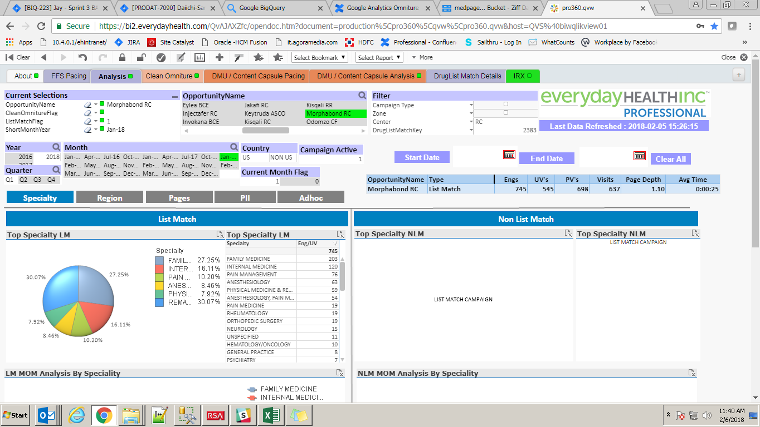
19 | Verify response date for external ids. | select [External id],[response date] from dsi.tbStageResponseLayout group by [External id],[response date] having COUNT(*)>1 | 0 | 0 | Pass

