Execution
TC_01

Passed

TC_02 |  | Failed

File Name is truncated
MedPage Today Condition Center |  |  |  | CMI ID =140942

TC_04

 | records are available in file

TC_05 | 1875 |  | Working as expect

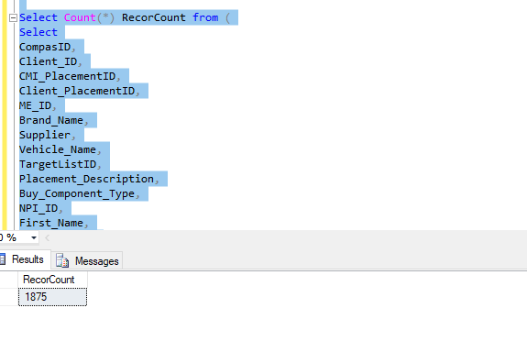

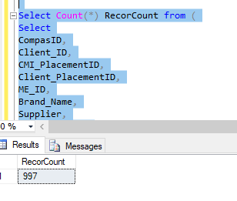
 |  |  |  |  |  | 997

TC_06

Duplicate record = 1

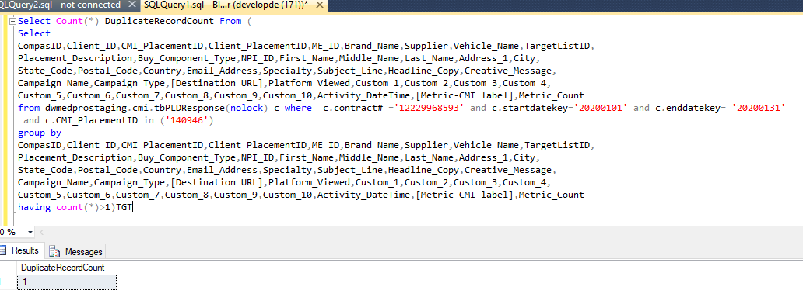

CompasID | Client_ID | CMI_PlacementID | Client_PlacementID | ME_ID | Brand_Name | Supplier | Vehicle_Name | TargetListID | Placement_Description | Buy_Component_Type | NPI_ID | First_Name | Middle_Name | Last_Name | Address_1 | City | State_Code | Postal_Code | Country | Email_Address | Specialty | Subject_Line | Headline_Copy | Creative_Message | Campaign_Name | Campaign_Type | Destination URL | Platform_Viewed | Custom_1 | Custom_2 | Custom_3 | Custom_4 | Custom_5 | Custom_6 | Custom_7 | Custom_8 | Custom_9 | Custom_10 | Activity_DateTime | Metric-CMI label | Metric_Count
1872249 | NULL | 140946 |  | NULL | Xarelto | Everyday Health Media, LLC | MedPage Today Online | f9ac0abb | Brand Content Engagement 2941 100% engagements will be from Total Target list of 75000 targets | Display | 1801862818 | Craig | NULL | January | 600 Highland Ave | Madison | WI | 53792 | NULL | NULL |  |  | NULL | NULL | XARELTO20 |  | NULL | NULL | NULL | NULL | NULL | NULL | NULL | NULL | NULL | NULL | NULL | Exposure | 1/21/20 | Visits | 1

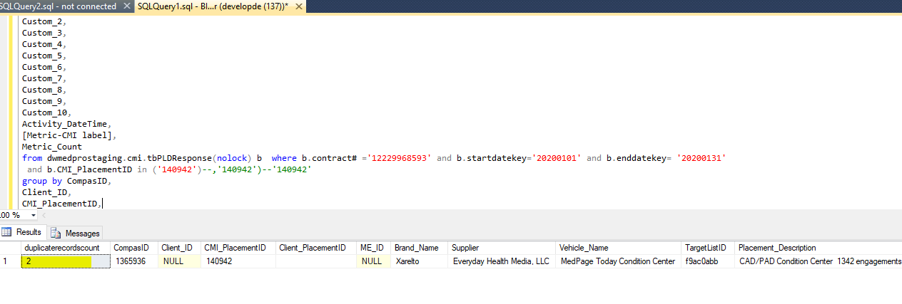

SQL | Select count(*)duplicaterecordscount, CompasID, Client_ID, CMI_PlacementID, Client_PlacementID, ME_ID, Brand_Name, Supplier, Vehicle_Name, TargetListID, Placement_Description, Buy_Component_Type, NPI_ID, First_Name, Middle_Name, Last_Name, Address_1, City, State_Code, Postal_Code, Country, Email_Address, Specialty, Subject_Line, Headline_Copy, Creative_Message, Campaign_Name, Campaign_Type, [Destination URL], Platform_Viewed, Custom_1, Custom_2, Custom_3, Custom_4, Custom_5, Custom_6, Custom_7, Custom_8, Custom_9, Custom_10, Activity_DateTime, [Metric-CMI label], Metric_Count from dwmedprostaging.cmi.tbPLDResponse(nolock) b where b.contract# ='12229968593' and b.startdatekey='20200101' and b.enddatekey= '20200131' and b.CMI_PlacementID in ('140942')--,'140942')--'140942' group by CompasID, Client_ID, CMI_PlacementID, Client_PlacementID, ME_ID, Brand_Name, Supplier, Vehicle_Name, TargetListID, Placement_Description, Buy_Component_Type, NPI_ID, First_Name, Middle_Name, Last_Name, Address_1, City, State_Code, Postal_Code, Country, Email_Address, Specialty, Subject_Line, Headline_Copy, Creative_Message, Campaign_Name, Campaign_Type, [Destination URL], Platform_Viewed, Custom_1, Custom_2, Custom_3, Custom_4, Custom_5, Custom_6, Custom_7, Custom_8, Custom_9, Custom_10, Activity_DateTime, [Metric-CMI label], Metric_Count having count(*) >1 | CompasId=1365636

TC_07

working as expected for CMI_PlacementID=140946

atributes are matched, working as expected for CMI_PlacementID=140942

TC_08

What are the mandatory fields need clarification
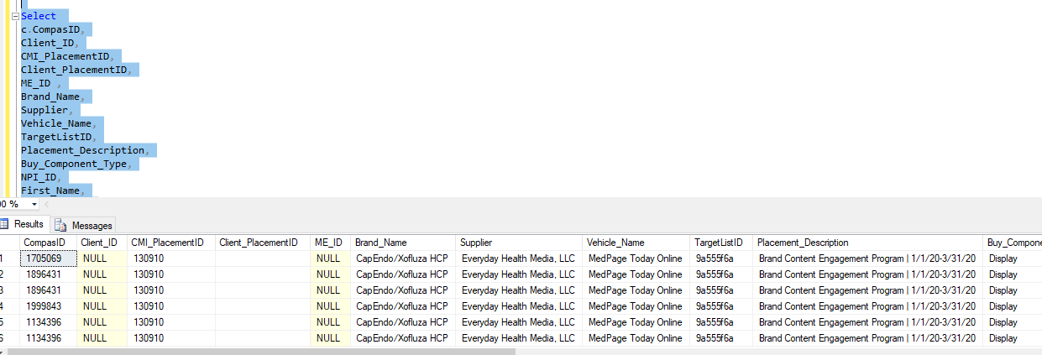

TC_09
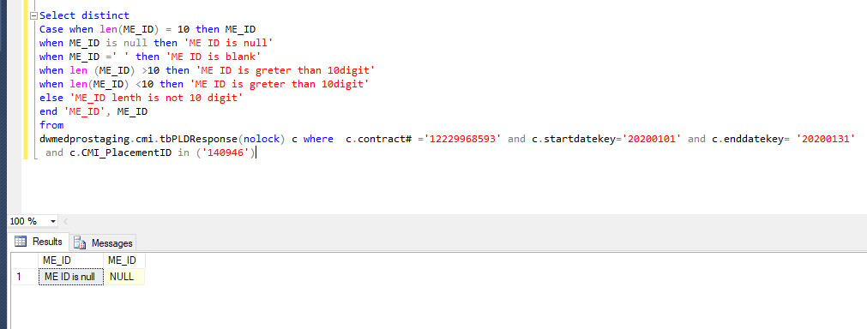

CMI_PlacementID=140942

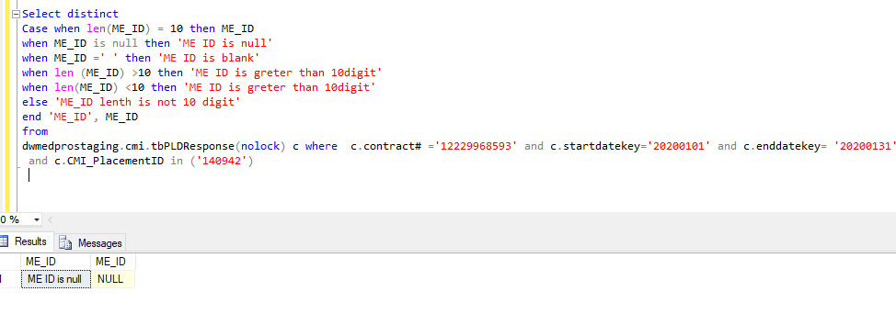

SQL | Select distinct Case when len(ME_ID) = 10 then ME_ID when ME_ID is null then 'ME ID is null' when ME_ID =' ' then 'ME ID is blank' when len (ME_ID) >10 then 'ME ID is greter than 10digit' when len(ME_ID) <10 then 'ME ID is greter than 10digit' else 'ME_ID lenth is not 10 digit' end 'ME_ID', ME_ID from dwmedprostaging.cmi.tbPLDResponse(nolock) c where c.contract# ='12229968593' and c.startdatekey='20200101' and c.enddatekey= '20200131' and c.CMI_PlacementID in ('140942')

TC_10

CMI_PlacementID=140942

TC_11

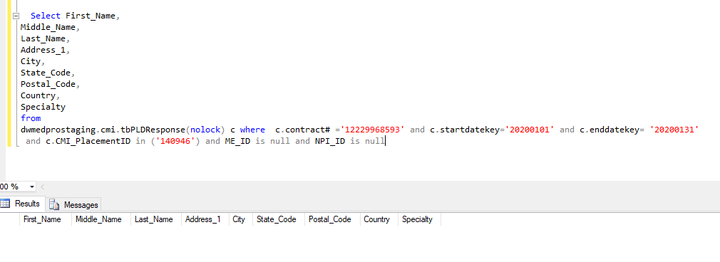

SQL: | Select distinct ME_ID , NPI_ID from dwmedprostaging.cmi.tbPLDResponse(nolock) c where c.contract# ='12229968593' and c.startdatekey='20200101' and c.enddatekey= '20200131' and c.CMI_PlacementID in ('140942') and ME_ID is null and NPI_ID is null

TC_12

CMI_PlacementID=140942 |  | CompasID=1365936

SQL | Select CompasID,Activity_DateTime,[Metric-CMI label],Count(*) from dwmedprostaging.cmi.tbPLDResponse(nolock) c where c.contract# ='12229968593' and c.startdatekey='20200101' and c.enddatekey= '20200131' and c.CMI_PlacementID in ('140942') group by compasid,Activity_DateTime,[Metric-CMI label] having count(*)>1

TC_13 | Middle Name, Country,Specialty fields not available in Target Cmi file.

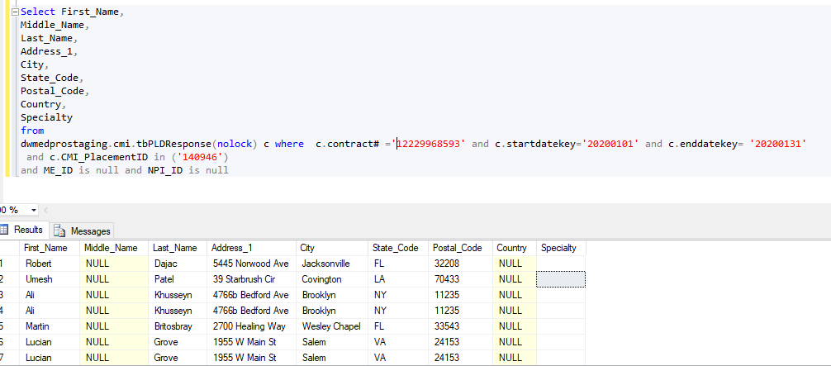

CMI_PlacementID='140942'
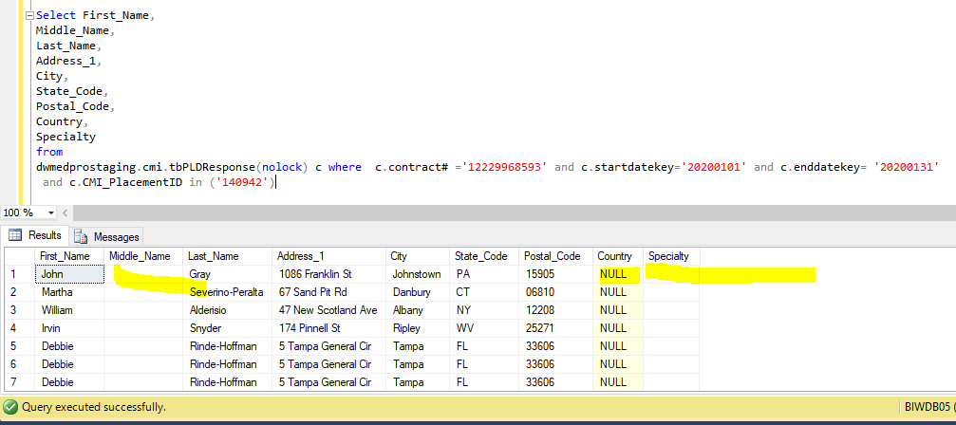

SQL | Select First_Name, Middle_Name, Last_Name, Address_1, City, State_Code, Postal_Code, Country, Specialty from dwmedprostaging.cmi.tbPLDResponse(nolock) c where c.contract# ='12229968593' and c.startdatekey='20200101' and c.enddatekey= '20200131' and c.CMI_PlacementID in ('140942')

TC_14
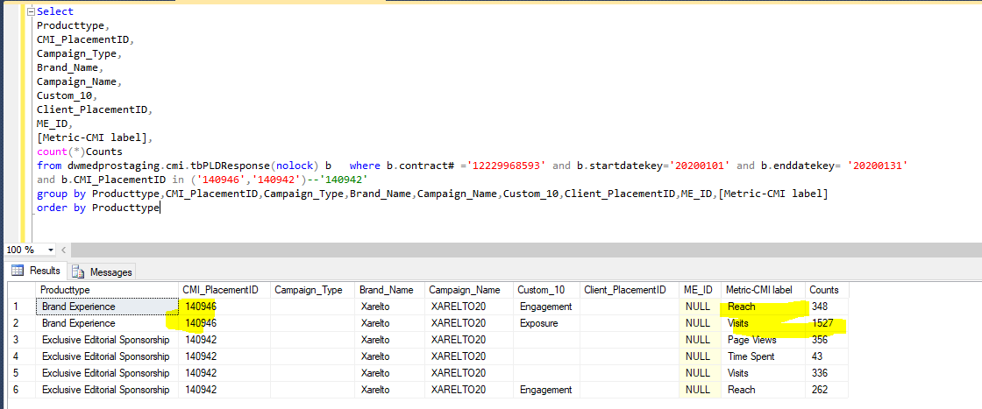

CMI_PlacementID=14092

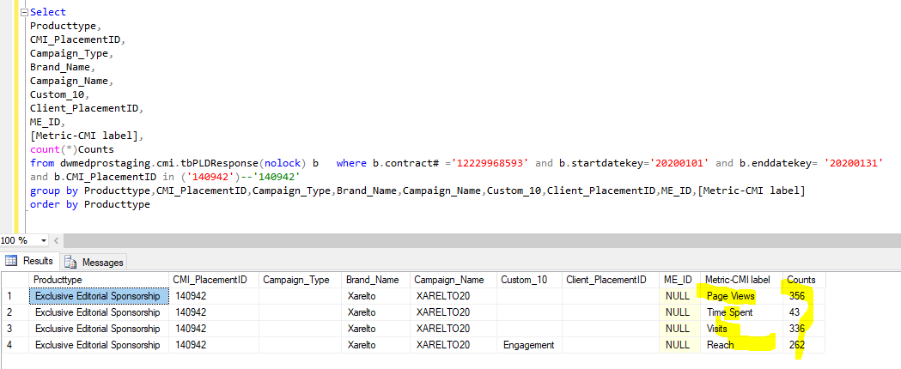

SQL | Select Producttype, CMI_PlacementID, Campaign_Type, Brand_Name, Campaign_Name, Custom_10, Client_PlacementID, ME_ID, [Metric-CMI label], count(*)Counts from dwmedprostaging.cmi.tbPLDResponse(nolock) b where b.contract# ='12229968593' and b.startdatekey='20200101' and b.enddatekey= '20200131' and b.CMI_PlacementID in ('140942')--'140942' group by Producttype,CMI_PlacementID,Campaign_Type,Brand_Name,Campaign_Name,Custom_10,Client_PlacementID,ME_ID,[Metric-CMI label] order by Producttype

140942

