Execution
TC_5 | record count | 1661 |  | Passed

merck.tbstageresponse(nolock)

SQL | Select Count(*) RecorCount from ( Select Cmpgn_ID, Tactic_ID, Prod_ID, Wave_ID, Party_ID, City, State, Zip, Vndr_Cust_ID, NPI, MedEd, Usr_Actn_DT, Usr_Actn_CD, Clicked_URL, Land_URL, Channel, Sub_Channel, Vndr_Job_ID, Alt_Job_ID, First_Nm, Last_Nm, Video_lngth, Video_Vw, Attrb_1, Attrb_2, Attrb_3 from DWMedProStaging.merck.tbstageresponse(nolock) where startdate='20200301' and enddate='20200315' and Druglistmatchkey='4693' )TGT

TC_6

SQL: | Select Count(*)DuplicateRecordCount, Cmpgn_ID, Tactic_ID, Prod_ID, Wave_ID, Party_ID, City, State, Zip, Vndr_Cust_ID, NPI, MedEd, Usr_Actn_DT, Usr_Actn_CD, Clicked_URL, Land_URL, Channel, Sub_Channel, Vndr_Job_ID, Alt_Job_ID, First_Nm, Last_Nm, Video_lngth, Video_Vw, Attrb_1, Attrb_2, Attrb_3 from merck.tbstageresponse(nolock) where startdate='20200301' and enddate='20200315' and Druglistmatchkey='4693' group by Cmpgn_ID, Tactic_ID, Prod_ID, Wave_ID, Party_ID, City, State, Zip, Vndr_Cust_ID, NPI, MedEd, Usr_Actn_DT, Usr_Actn_CD, Clicked_URL, Land_URL, Channel, Sub_Channel, Vndr_Job_ID, Alt_Job_ID, First_Nm, Last_Nm, Video_lngth, Video_Vw, Attrb_1, Attrb_2, Attrb_3 having count(*) >1

TC_07 | Underscore is missing | Failed

TC_08

Feed Data

merck.tbstageresponse

TC_8 | null record does not found

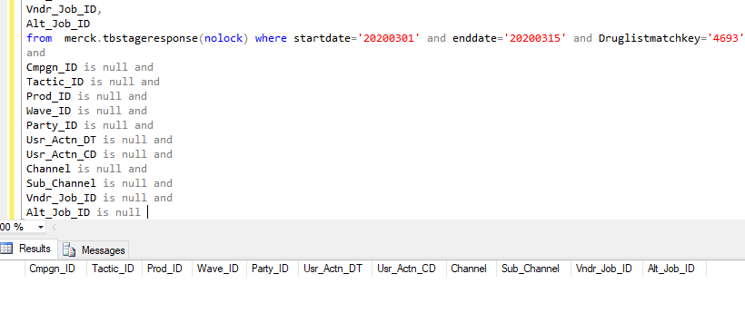

SQL : | Select Cmpgn_ID, Tactic_ID, Prod_ID, Wave_ID, Party_ID, Usr_Actn_DT, Usr_Actn_CD, Channel, Sub_Channel, Vndr_Job_ID, Alt_Job_ID from merck.tbstageresponse(nolock) where startdate='20200301' and enddate='20200315' and Druglistmatchkey='4693' and Cmpgn_ID is null and Tactic_ID is null and Prod_ID is null and Wave_ID is null and Party_ID is null and Usr_Actn_DT is null and Usr_Actn_CD is null and Channel is null and Sub_Channel is null and Vndr_Job_ID is null and Alt_Job_ID is null

Feed
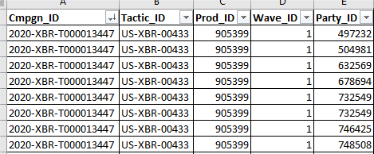

TC_10

TC_11

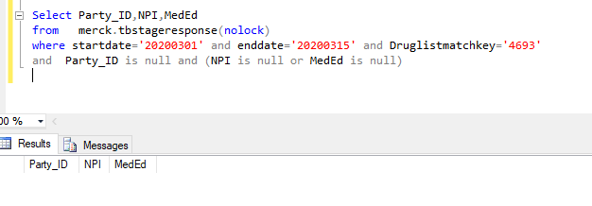

SQL | Select Party_ID,NPI,MedEd from merck.tbstageresponse(nolock) where startdate='20200301' and enddate='20200315' and Druglistmatchkey='4693' and Party_ID is null and (NPI is null or MedEd is null)

TC_12

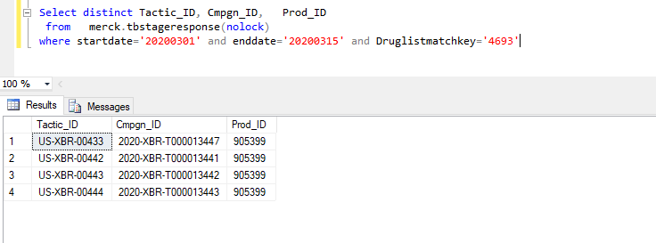

Identifiers | Asset | EDH_CustomSolutionID | EDH_BrandMessage | TacticID | CampaignID | ProductID | PacingFlag
Bridion BCE
/bce1-372 | OmniZone | a0M0z00000Pi7pn | N/A | US-XBR-00433 | 2020-XBR-T000013447 | 905399 | 1
Bridion1_DMU1_425_Dosing | OmniDMU600 | a0M0z00000Pi7pn | Dosing | US-XBR-00442 | 2020-XBR-T000013441 | 905399 | 1
Bridion1_DMU2_426_Efficacy | OmniDMU600 | a0M0z00000Pi7pn | Efficacy | US-XBR-00443 | 2020-XBR-T000013442 | 905399 | 1
Bridion1_DMU3_427_SpecialPatients | OmniDMU600 | a0M0z00000Pi7pn | SpecialPatients | US-XBR-00444 | 2020-XBR-T000013443 | 905399 | 1

Feed | Passed

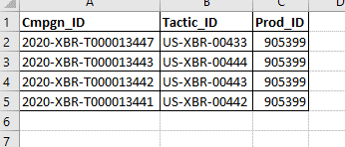

TC_15

SQL | Select * from DWMedProStaging.merck.tbstageresponse(nolock) where startdate='20200301' and enddate='20200315' and Druglistmatchkey='4693' and len(state)<>'2'

 | Select * from DWMedProStaging.merck.tbstageresponse(nolock) where startdate='20200301' and enddate='20200315' and Druglistmatchkey='4693' and Usr_Actn_CD='Viewed_BCC'

Summary

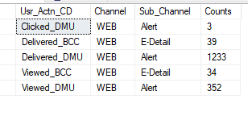

SQL | Select Usr_Actn_CD, Channel, Sub_Channel,Count(*) Counts from DWMedProStaging.merck.tbstageresponse(nolock) where startdate='20200301' and enddate='20200315' and Druglistmatchkey='4693' group by Usr_Actn_CD,Channel,Sub_Channel

SQL | Select Tactic_ID,Cmpgn_ID,alt_job_id, prod_id, wave_id, vndr_job_id, Broadcastname, Count(*) Counts from DWMedProStaging.merck.tbstageresponse(nolock) where startdate='20200301' and enddate='20200315' and Druglistmatchkey='4693' group by Tactic_ID,Cmpgn_ID,alt_job_id, prod_id, wave_id, vndr_job_id, Broadcastname

Dashboard

Broadcast

