Links
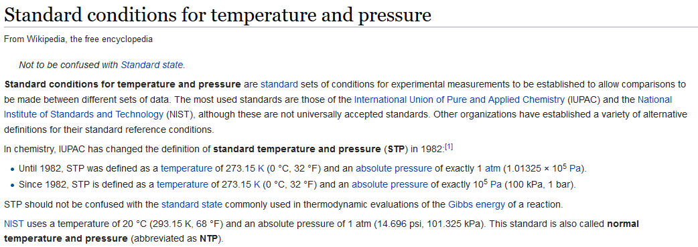
# | Link
1 | https://en.wikipedia.org/wiki/Standard_conditions_for_temperature_and_pressure
2 | http://renewableenergy.wikia.com/wiki/Molecular_weight_of_dry_air

