Class
Class | Description
Slalom | 3+ Cams; 7+ battens
FreeRace | 0-2 Cams; 6+Batten
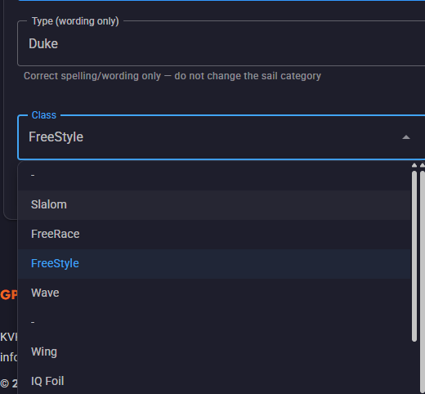
FreeStyle | Dedicated FS designs
Wave | Wave 5 or less battens
IQ Foil | The current Olympic class (since the 2024 Olympics)
Foil | Sails designed for Foil sailing
Windsurfer LT | A "one-design" class
Formula Raceboard | Designed for Ligthwind / Big board racing

Class | My interpretation
Slalom | 3+ cams; 7+ battens
FreeRace | 0–2 cams; 6–7 battens
Wave | Any sail with 5 or fewer battens
FreeStyle | Purpose-built freestyle designs
iQFOiL | The current Olympic class (since the 2024 Olympics)
Foil | Sails primarily designed for foil sailing
Windsurfer LT | The one-design longboard class
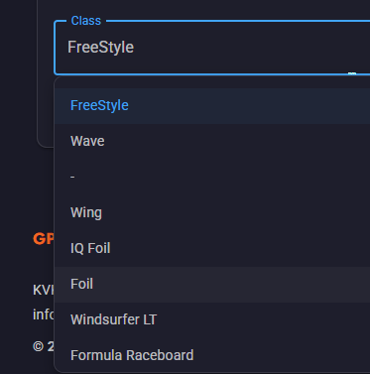
Formula Raceboard | Designed for light-wind / big-board racing

Temp-Berra-mall
ID | Brand | Type | Size | Year | Luff | Boom | Battens | Cams | Weight | Head | Mast | SDM/RDM
Create a table with the following column order:
Brand, Type, Size, Year, Luff, Boom, Battens, Cams, Weight, Head, Mast Length, Mast Type.
Brand = Duotone.
Type =X_PACE.
Year =2026.
The other data can be found in a table in this url:
https://www.duotonesports.com/en/products/duotone-x_pace-2027-14260-1212?variant=57715249774979

Prompt:
Task: Create a technical specification table for windsurfing equipment.
Data Source:https://www.duotonesports.com/en/products/duotone-x_pace-2027-14260-1212?variant=57715249774979
Output Format: Please generate a table with the columns in this exact order:
Brand (Value for all rows: "Duotone")
Type (Value for all rows: "X_PACE")
Size (Extract from source)
Year (Value for all rows: "2026")
Luff (Extract from source)
Boom (Extract from source)
Battens (Extract from source)
Cams (Extract from source)
Weight (Extract from source)
Head (Extract from source)
Mast Length (Extract from source)
SDM/RDM (Extract from source)

AI-Prompt Validate (2)
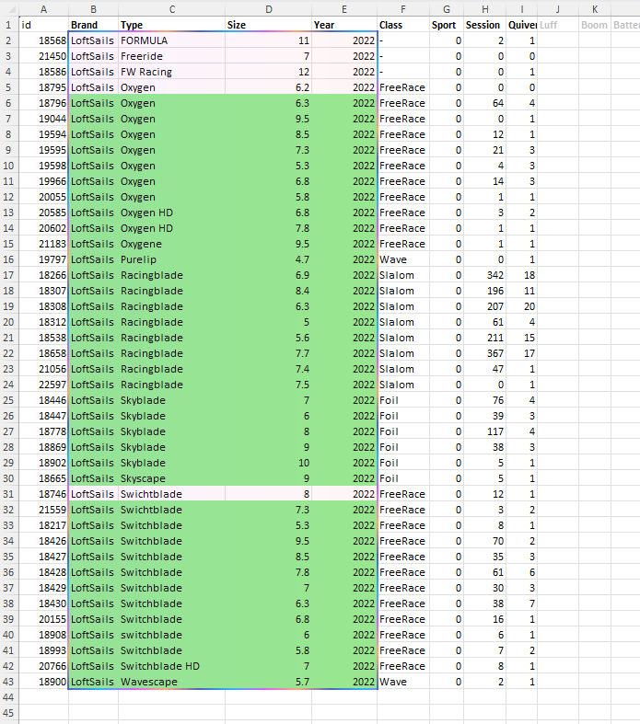
id | Brand | Type | Size | Year | Class | Sport | Session | Quiver | Luff | Boom | Battens | Cams | Weight | Head | Mast Length | SDM/RDM
18568 | LoftSails | FORMULA | 11 | 2022 | - | 0 | 2 | 1
21450 | LoftSails | Freeride | 7 | 2022 | - | 0 | 0 | 0
18586 | LoftSails | FW Racing | 12 | 2022 | - | 0 | 0 | 1
Data Sources: https://www.severnesails.com/2021-racing-program/
Data Source: https://www.loftsails.com/collections/2022
18795 | LoftSails | Oxygen | 6.2 | 2022 | FreeRace | 0 | 0 | 0
18796 | LoftSails | Oxygen | 6.3 | 2022 | FreeRace | 0 | 64 | 4
19044 | LoftSails | Oxygen | 9.5 | 2022 | FreeRace | 0 | 0 | 1
Task: Validate data in the selected cells. Confirm that Type in combination of size can be found in sources. Mark font red on duplicates. Make validated data cells/rows ligth green.
Ask for input (data sources)
Ask to select cells/Rage
Input Format:
Brand (The same value for all rows)
Type (The same value for all rows)
Size (Extract from source)
Year (The same value for all rows)
Luff (Extract from source)
Boom (Extract from source)
Battens (Extract from source)
Cams (Extract from source)
Weight (Extract from source)
Head (Extract from source)
Mast Length (Extract from source)
SDM/RDM (Extract from source)
19594 | LoftSails | Oxygen | 8.5 | 2022 | FreeRace | 0 | 12 | 1
19595 | LoftSails | Oxygen | 7.3 | 2022 | FreeRace | 0 | 21 | 3
19598 | LoftSails | Oxygen | 5.3 | 2022 | FreeRace | 0 | 4 | 3
19966 | LoftSails | Oxygen | 6.8 | 2022 | FreeRace | 0 | 14 | 3
20055 | LoftSails | Oxygen | 5.8 | 2022 | FreeRace | 0 | 1 | 1
20585 | LoftSails | Oxygen HD | 6.8 | 2022 | FreeRace | 0 | 3 | 2
20602 | LoftSails | Oxygen HD | 7.8 | 2022 | FreeRace | 0 | 1 | 1
21183 | LoftSails | Oxygene | 9.5 | 2022 | FreeRace | 0 | 1 | 1
19797 | LoftSails | Purelip | 4.7 | 2022 | Wave | 0 | 0 | 1
18266 | LoftSails | Racingblade | 6.9 | 2022 | Slalom | 0 | 342 | 18
18307 | LoftSails | Racingblade | 8.4 | 2022 | Slalom | 0 | 196 | 11
18308 | LoftSails | Racingblade | 6.3 | 2022 | Slalom | 0 | 207 | 20
18312 | LoftSails | Racingblade | 5 | 2022 | Slalom | 0 | 61 | 4
18538 | LoftSails | Racingblade | 5.6 | 2022 | Slalom | 0 | 211 | 15
18658 | LoftSails | Racingblade | 7.7 | 2022 | Slalom | 0 | 367 | 17
21056 | LoftSails | Racingblade | 7.4 | 2022 | Slalom | 0 | 47 | 1
22597 | LoftSails | Racingblade | 7.5 | 2022 | Slalom | 0 | 0 | 1
18446 | LoftSails | Skyblade | 7 | 2022 | Foil | 0 | 76 | 4
18447 | LoftSails | Skyblade | 6 | 2022 | Foil | 0 | 39 | 3
18778 | LoftSails | Skyblade | 8 | 2022 | Foil | 0 | 117 | 4
18869 | LoftSails | Skyblade | 9 | 2022 | Foil | 0 | 38 | 3
18902 | LoftSails | Skyblade | 10 | 2022 | Foil | 0 | 5 | 1
18665 | LoftSails | Skyscape | 9 | 2022 | Foil | 0 | 5 | 1
18746 | LoftSails | Swichtblade | 8 | 2022 | FreeRace | 0 | 12 | 1
21559 | LoftSails | Swichtblade | 7.3 | 2022 | FreeRace | 0 | 3 | 2
18217 | LoftSails | Switchblade | 5.3 | 2022 | FreeRace | 0 | 8 | 1
18426 | LoftSails | Switchblade | 9.5 | 2022 | FreeRace | 0 | 70 | 2
18427 | LoftSails | Switchblade | 8.5 | 2022 | FreeRace | 0 | 35 | 3
18428 | LoftSails | Switchblade | 7.8 | 2022 | FreeRace | 0 | 61 | 6
18429 | LoftSails | Switchblade | 7 | 2022 | FreeRace | 0 | 30 | 3
18430 | LoftSails | Switchblade | 6.3 | 2022 | FreeRace | 0 | 38 | 7
20155 | LoftSails | Switchblade | 6.8 | 2022 | FreeRace | 0 | 16 | 1
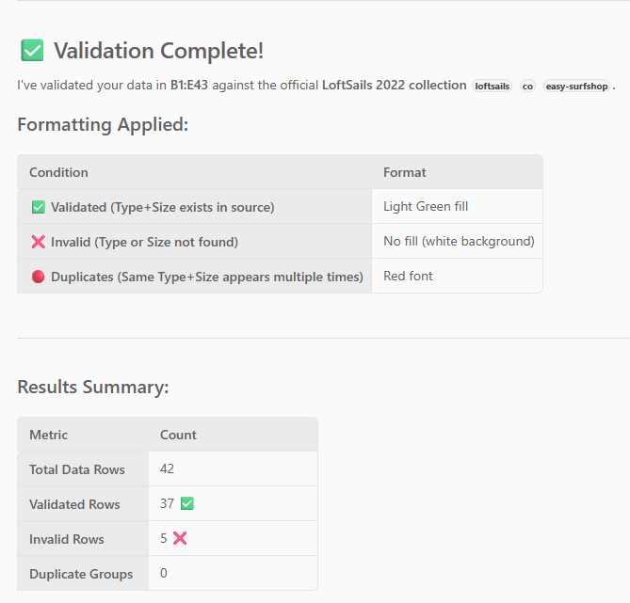
18908 | LoftSails | switchblade | 6 | 2022 | FreeRace | 0 | 6 | 1
18993 | LoftSails | Switchblade | 5.8 | 2022 | FreeRace | 0 | 7 | 2
20766 | LoftSails | Switchblade HD | 7 | 2022 | FreeRace | 0 | 8 | 1
18900 | LoftSails | Wavescape | 5.7 | 2022 | Wave | 0 | 2 | 1

AI-Prompt
Data Sources: https://www.patrikinternational.com/en/shop/windsurfing/windsurf-sails/
Brand: PATRIK
Year: 2026
Type: Race LA Gen2
Task: Create a technical specification table for windsurfing sails. No links nor explanation should be inluced. Only output the table. Copy the table into a new sheet named by the Type
Reapeat to ask for input (data sources, Brand, year Sail type / Model)
Output Format: Please generate a table with the columns in this exact order:
Brand (The same value for all rows)
Type (The same value for all rows)
Size (Extract from source)
Year (The same value for all rows)
Luff (Extract from source)
Boom (Extract from source)
Battens (Extract from source)
Cams (Extract from source)
Weight (Extract from source)
Head (Extract from source)
Mast Length (Extract from source)
SDM/RDM (Extract from source)
Brand | Type | Size | Year | Luff | Boom | Battens | Cams | Weight | Head | Mast Length | SDM/RDM
Duotone | X_PACE | 5.4 | 2026 | 412 | 172 | 7 | 0 | 3.8 | Fixed | 400 | RDM
Duotone | X_PACE | 5.8 | 2026 | 424 | 178 | 7 | 0 | 3.9 | Fixed | 400 | RDM
Duotone | X_PACE | 6.2 | 2026 | 446 | 186 | 7 | 0 | 4.1 | Fixed | 430 | RDM
Duotone | X_PACE | 6.6 | 2026 | 458 | 194 | 7 | 0 | 4.2 | Fixed | 430 | RDM/SDM
Duotone | X_PACE | 7.3 | 2026 | 482 | 204 | 7 | 0 | 4.4 | Fixed | 460 | RDM/SDM
Duotone | X_PACE | 7.8 | 2026 | 494 | 210 | 7 | 0 | 4.6 | Fixed | 460 | SDM/RDM

Data Sources: https://www.duotonesports.com/en/windsurfing/sails
Brand: Dutone
Year: 2026
Type: X_PACE

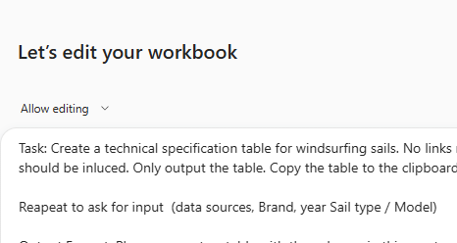

Data Sources: https://www.duotonesports.com/en/windsurfing/sails
Brand: Dutone
Year: 2026
Type: E_PACE

Data Sources: https://www.patrikinternational.com/en/shop/windsurfing/windsurf-sails/patrik-race-ha-gen2.html
Brand: PATRIK
Year: 2026
Type: Race HA Gen2

Data Sources: https://www.duotonesports.com/en/uk/products/duotone-s_pace-2026-14260-1213?color=C05%3Awhite%2Fviolet
Brand: Dutone
Year: 2026
Type: S_PACE

AI-Prompt Validate
Data Sources: https://www.severnesails.com/2021-racing-program/
Brand | Type | Size | Year | Luff | Boom | Battens | Cams | Weight | Head | Mast Length | SDM/RDM
Severne | Blade | 3.7 | 2021
Severne | Blade | 4 | 2021
Severne | Blade | 5 | 2021
Severne | Blade | 4.7 | 2021
Severne | Blade | 5.7 | 2021
Severne | Convert | 8.5 | 2021
Severne | Crossover | 6.5 | 2021
Task: Validate data in the selected cells. Confirm that Type in combination of size can be found in sources. Make validated data cells/rows ligth green.
Ask for input (data sources)
Input Format:
Brand (The same value for all rows)
Type (The same value for all rows)
Size (Extract from source)
Year (The same value for all rows)
Luff (Extract from source)
Boom (Extract from source)
Battens (Extract from source)
Cams (Extract from source)
Weight (Extract from source)
Head (Extract from source)
Mast Length (Extract from source)
SDM/RDM (Extract from source)
Severne | FoilGlide 2 | 7 | 2021
Severne | FoilGlide 2 | 8 | 2021
Severne | FoilGlide 2 | 5 | 2021
Severne | FoilGlide 2 | 6 | 2021
Severne | Freek | 5.2 | 2021
Severne | Freek | 3.6 | 2021
Severne | Freek | 4 | 2021
Severne | Freek | 3.3 | 2021
Severne | Freek | 4.8 | 2021
Severne | FreeRace | 8.5 | 2021
Severne | freeride | 5.7 | 2021
Severne | Gator | 7 | 2021
Severne | Gator | 5.5 | 2021
Severne | Gator | 4.7 | 2021
Severne | Gator | 6 | 2021
Severne | Gator | 5 | 2021
Severne | Gator | 4 | 2021
Severne | HyperGlide 4 | 6 | 2021
Severne | HyperGlide 4 | 7 | 2021
Severne | HyperGlide 4 | 8 | 2021
Severne | HyperGlide 4 | 9 | 2021
Severne | HyperGlide Olympic | 10 | 2021
Severne | HyperGlide Olympic | 8 | 2021
Severne | HyperGlide Olympic | 9 | 2021
Severne | HyperGlide Olympic | 9.5 | 2021
Severne | Mach 4 | 7 | 2021
Severne | Mach 4 | 5 | 2021
Severne | Mach 4 | 7.8 | 2021
Severne | Mach 4 | 5.5 | 2021
Severne | Mach 4 | 9.4 | 2021
Severne | Mach 4 | 6 | 2021
Severne | Mach 4 | 6.2 | 2021
Severne | Mach 4 | 8.6 | 2021
Severne | NCX | 6.5 | 2021
Severne | NCX | 7.5 | 2021
Severne | NCX | 5.5 | 2021
Severne | NCX | 8.5 | 2021
Severne | NCX | 7 | 2021
Severne | NCX 6.5 , 2021 | 6.5 | 2021
Severne | Overdrive M4 | 7 | 2021
Severne | Overdrive M4 | 8.6 | 2021
Severne | Overdrive M4 | 4.6 | 2021
Severne | Overdrive M4 | 7.8 | 2021
Severne | Overdrive M4 | 5.5 | 2021
Severne | Race | 7.8 | 2021
Severne | Redback | 3.8 | 2021
Severne | S-1 | 4.4 | 2021
Severne | S-1 | 5.2 | 2021
Severne | Slalom | 6.2 | 2021
Severne | Speed Proto | 5.2 | 2021
Severne | Turbo | 5.5 | 2021
Severne | Turbo | 6 | 2021
Severne | Turbo | 6.5 | 2021
Severne | Turbo | 9.2 | 2021
Severne | Turbo | 7.5 | 2021
Severne | Wave | 5.7 | 2021
Severne | Wave | 3.7 | 2021

Temp-Berra2-NP
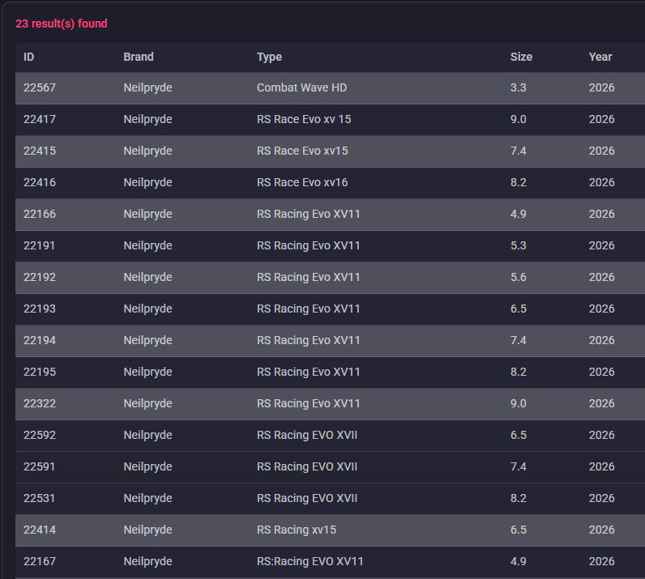
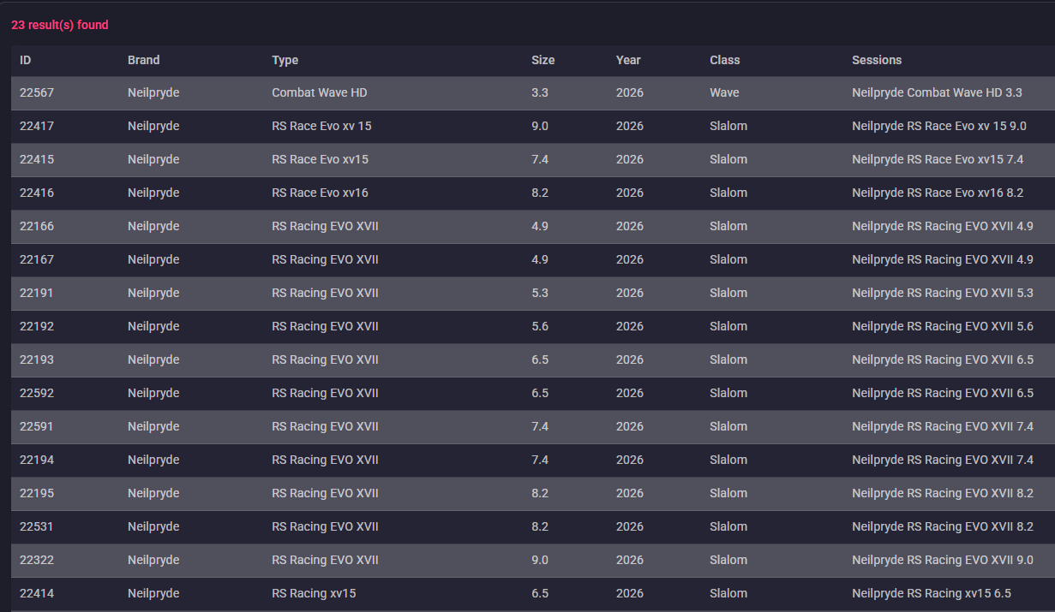
ID | Brand | Type | Size | Year | Luff | Boom | Battens | Cams | Weight | Head | Mast | SDM/RDM
 |  |  | Size (m²) |  | Luff (cm) | Boom (cm) | Battens | Cams | Weight (kg)
 | Neilpryde | Racing EVO XVII | 4.9 | 2026 | 396 | 166–172 | 7 | 4 | 4.7 | Fixed | 370 | RDM
 | Neilpryde | Racing EVO XVII | 5.3 | 2026 | 416 | 168–174 | 7 | 4 | 4.9 | Fixed | 400 | RDM
 | Neilpryde | Racing EVO XVII | 5.6 | 2026 | 426 | 174–180 | 7 | 4 | 5 | Fixed | 400 | RDM
 | Neilpryde | Racing EVO XVII | 5.7 | 2026 | 432 | 172–174 | 7 | 4 | 5.1 | Fixed | 400 | RDM
 | Neilpryde | Racing EVO XVII | 6.5 | 2026 | 458 | 186–192 | 7 | 4 | 5.3 | Fixed | 430 | MDM
 | Neilpryde | Racing EVO XVII | 7.4 | 2026 | 486 | 200–206 | 7 | 4 | 5.5 | Fixed | 460 | SDM
 | Neilpryde | Racing EVO XVII | 8.2 | 2026 | 512 | 210–216 | 7 | 4 | 6.1 | Fixed | 490 | SDM
 | Neilpryde | Racing EVO XVII | 9.0 | 2026 | 538 | 220–226 | 7 | 4 | 6.4 | Fixed | 520 | SDM

Temp-Berra-3-Loftsails
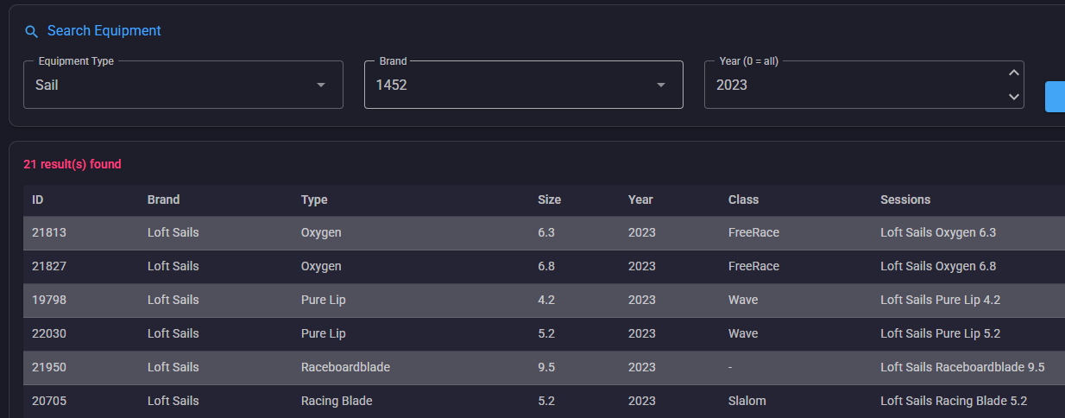
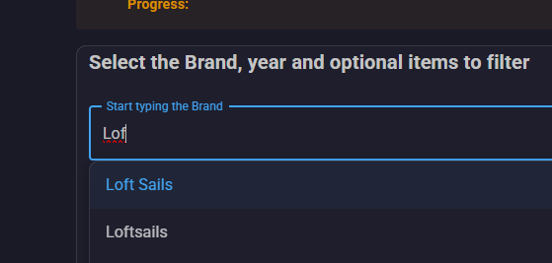
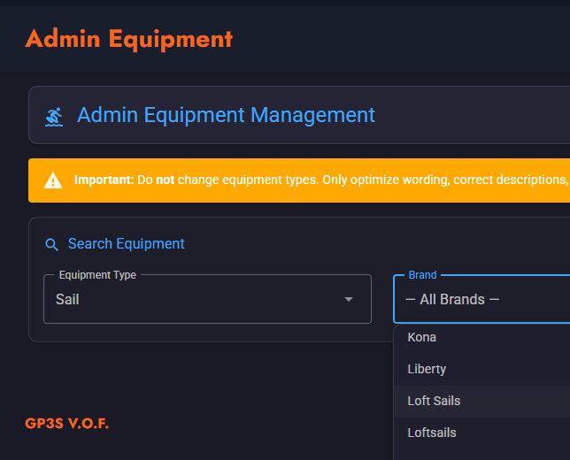
ID | Brand | Type | Size | Year | Luff | Boom | Battens | Cams | Weight | Head | Mast | SDM/RDM
 |  |  |  |  |  |  |  |  |  |  |  |  | BQ | https://www.gps-speedsurfing.com/sessions/userequipment?userid=2558
 |  |  | Size |  | Luff |  | Battens | Cambers | Weight |  |  |  |  | https://www.gps-speedsurfing.com/sessions/userequipment?userid=2558
 | Loftsails | Racingblade | 5.2 | 2026 | 418 | 172 | 7 | 3 | 4,86 | Fixed | 400 | RDM |  |  | Size | Luff | Boom | Head | Extension | Battens | Cambers | Weight | Rec. Mast
 | Loftsails | Racingblade | 5.8 | 2026 | 436 | 184 | 7 | 3 | 5,15 | Fixed | 400 | RDM |  |  | 5.2 | 418 | 170/172 | Fixed | 18 | 7 | 3 | 4,86 | Team Edition 400 RDM
 | Loftsails | Racingblade | 6.6 | 2026 | 456 | 200 | 7 | 3 | 5,47 | Fixed | 430 | SDM |  |  | 5.8 | 436 | 182/184 | Fixed | 36 | 7 | 3 | 5,15 | Team Edition 400 RDM
 | Loftsails | Racingblade | 7.4 | 2026 | 492 | 208 | 7 | 3 | 5,78 | Fixed | 460 | SDM |  |  | 6.6 | 456 | 198/200 | Fixed | 26 | 7 | 3 | 5,47 | Team Edition 430 SDM
 | Loftsails | Racingblade | 8.2 | 2026 | 514 | 218 | 7 | 3 | 6,10 | Fixed | 490 | SDM |  |  | 7.4 | 492 | 206/208 | Fixed | 32 | 7 | 3 | 5,78 | Team Edition 460 SDM
 |  |  |  |  |  |  |  |  |  |  |  |  |  |  | 8.2 | 514 | 216/218 | Fixed | 24 | 7 | 3 | 6,10 | Team Edition 490 SDM

Temp-Berra-Simmer
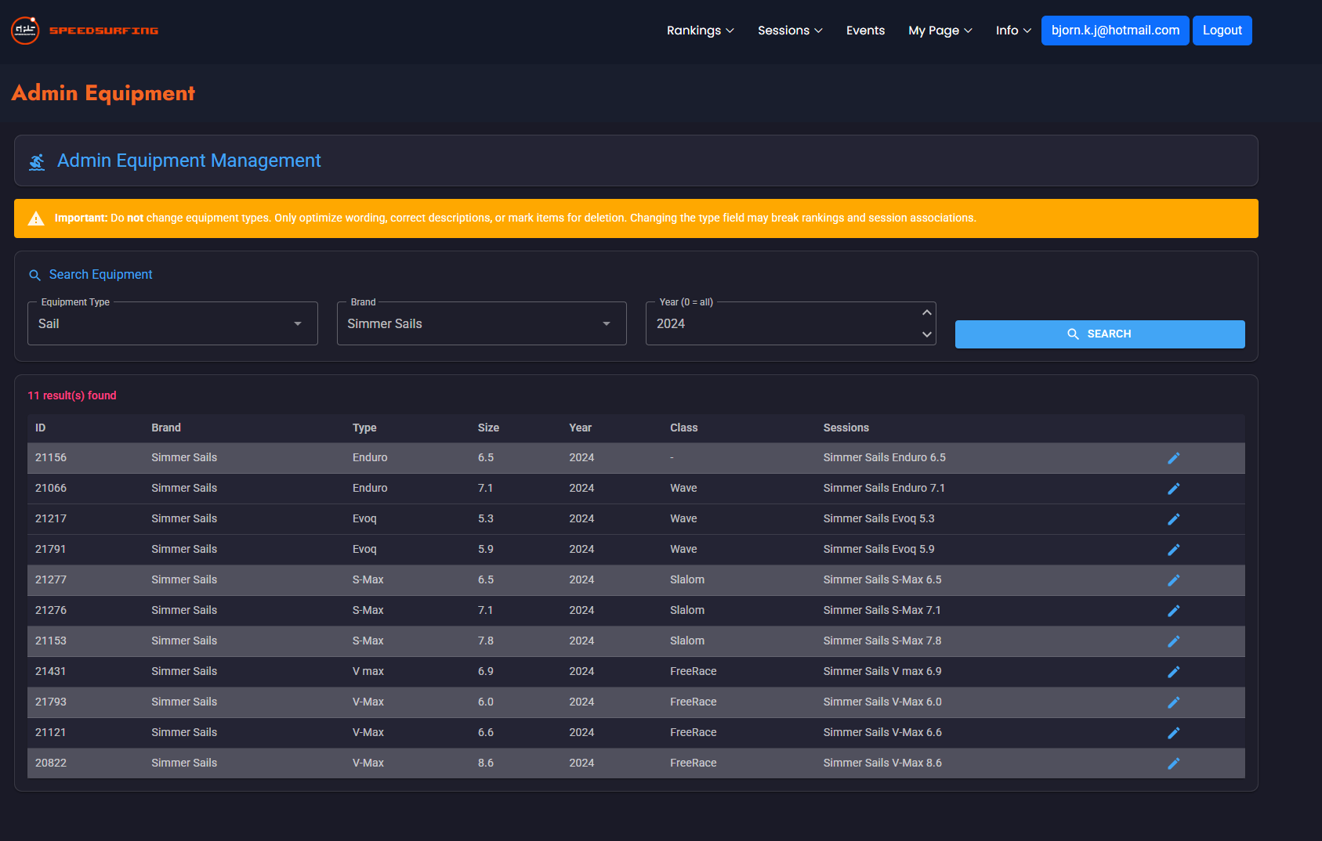
ID | Brand | Type | Size | Year | Luff | Boom | Battens | Cams | Weight | Head | Mast | SDM/RDM
 | Simmer Sails | S-Max | 5.5 | 2025 | 417 | 178 | 6 | 2 | 4.4 | Adjustable | 400 | RDM/SDM | SX8 RDM/SDM
 | Simmer Sails | S-Max | 6.0 | 2025 | 430 | 184 | 6 | 2 | 4.5 | Fixed | 430 | RDM/SDM | SX8 RDM/SDM
 | Simmer Sails | S-Max | 6.5 | 2025 | 442 | 192 | 6 | 2 | 4.6 | Fixed | 430 | RDM/SDM | SX8 RDM/SDM
 | Simmer Sails | S-Max | 7.1 | 2025 | 457 | 203 | 6 | 2 | 4.8 | Fixed | 430 | RDM/SDM | SX8 RDM/SDM
 | Simmer Sails | S-Max | 7.8 | 2025 | 465 | 215 | 6 | 2 | 5.1 | Fixed | 460 | SDM | SX8 SDM
 | Simmer Sails | S-Max | 8.5 | 2025 | 494 | 225 | 6 | 2 | 5.3 | Fixed | 490 | SDM | SX8 SDM
 | Simmer Sails | V-Max | 4.8 | 2025 | 399 | 162 | 6 | 0 | 3.8 | Adjustable | 400 | RDM/SDM
 | Simmer Sails | V-Max | 5.4 | 2025 | 416 | 164 | 6 | 0 | 4 | Adjustable | 400 | RDM/SDM
 | Simmer Sails | V-Max | 6 | 2025 | 431 | 175 | 6 | 0 | 4.2 | Fixed | 430 | RDM/SDM
 | Simmer Sails | V-Max | 6.6 | 2025 | 439 | 191 | 6 | 0 | 4.4 | Fixed | 430 | RDM/SDM
 | Simmer Sails | V-Max | 7.2 | 2025 | 455 | 204 | 6 | 0 | 4.6 | Fixed | 430 | RDM/SDM
 | Simmer Sails | V-Max | 7.9 | 2025 | 466 | 222 | 6 | 0 | 4.9 | Fixed | 460 | SDM
 | Simmer Sails | V-Max | 8.6 | 2025 | 484 | 232 | 6 | 0 | 5.2 | Fixed | 460 | SDM
 | Simmer Sails | V-Max | 4.8 | 2024 | 399 | 162 | 6 | 0 | 3.8 | Adjustable | 400 | RDM/SDM
 | Simmer Sails | V-Max | 5.4 | 2024 | 416 | 164 | 6 | 0 | 4 | Adjustable | 400 | RDM/SDM
 | Simmer Sails | V-Max | 6 | 2024 | 431 | 175 | 6 | 0 | 4.2 | Fixed | 430 | RDM/SDM
 | Simmer Sails | V-Max | 6.6 | 2024 | 439 | 191 | 6 | 0 | 4.4 | Fixed | 430 | RDM/SDM
 | Simmer Sails | V-Max | 7.2 | 2024 | 455 | 204 | 6 | 0 | 4.6 | Fixed | 430 | RDM/SDM
 | Simmer Sails | V-Max | 7.9 | 2024 | 466 | 222 | 6 | 0 | 4.9 | Fixed | 460 | SDM
 | Simmer Sails | V-Max | 8.6 | 2024 | 484 | 232 | 6 | 0 | 5.2 | Fixed | 460 | SDM
 | Simmer Sails | S-Max | 5.5 | 2024 | 417 | 178 | 6 | 2 | 4.4 | Adjustable | 400 | RDM/SDM
 | Simmer Sails | S-Max | 6 | 2024 | 430 | 184 | 6 | 2 | 4.5 | Fixed | 430 | RDM/SDM
 | Simmer Sails | S-Max | 6.5 | 2024 | 442 | 192 | 6 | 2 | 4.6 | Fixed | 430 | RDM/SDM
 | Simmer Sails | S-Max | 7.1 | 2024 | 457 | 203 | 6 | 2 | 4.8 | Fixed | 430 | RDM/SDM
 | Simmer Sails | S-Max | 7.8 | 2024 | 465 | 215 | 6 | 2 | 5.1 | Fixed | 460 | SDM
 | Simmer Sails | S-Max | 8.5 | 2024 | 494 | 225 | 6 | 2 | 5.3 | Fixed | 490 | SDM
 | Simmer Sails | Enduro | 4.9 | 2024 | 398 | 163 | 5 | 0 | 3.6 | Adjustable | 400 | RDM/SDM
 | Simmer Sails | Enduro | 5.4 | 2024 | 416 | 168 | 5 | 0 | 3.7 | Adjustable | 400/430 | RDM/SDM
 | Simmer Sails | Enduro | 5.9 | 2024 | 431 | 177 | 5 | 0 | 3.9 | Fixed | 430 | RDM/SDM
 | Simmer Sails | Enduro | 6.5 | 2024 | 443 | 190 | 5 | 0 | 4.1 | Fixed | 430 | RDM/SDM
 | Simmer Sails | Enduro | 7.1 | 2024 | 457 | 202 | 5 | 0 | 4.3 | Fixed | 430 | RDM/SDM
 | Simmer Sails | Enduro | 7.8 | 2024 | 475 | 215 | 5 | 0 | 4.6 | Fixed | 460 | RDM/SDM
 | Simmer Sails | Icon | 3.7 | 2023 | 370 | 146 | 5 | 0 | — | Fixed | 370 | RDM
 | Simmer Sails | Icon | 4.2 | 2023 | 388 | 150 | 5 | 0 | — | Fixed | 370 | RDM
 | Simmer Sails | Icon | 4.7 | 2023 | 406 | 156 | 5 | 0 | — | Fixed | 400 | RDM
 | Simmer Sails | Icon | 5.2 | 2023 | 424 | 162 | 5 | 0 | — | Fixed | 400 | RDM
 | Simmer Sails | Icon | 5.7 | 2023 | 442 | 170 | 5 | 0 | — | Fixed | 430 | RDM
 | Simmer Sails | Icon | 6.2 | 2023 | 460 | 178 | 5 | 0 | — | Fixed | 430 | RDM
 | Simmer Sails | Blacktip | 3.4 | 2023 | 360 | 140 | 4 | 0 | — | Fixed | 340 | RDM
 | Simmer Sails | Blacktip | 3.7 | 2023 | 372 | 144 | 4 | 0 | — | Fixed | 370 | RDM
 | Simmer Sails | Blacktip | 4.2 | 2023 | 390 | 150 | 4 | 0 | — | Fixed | 370 | RDM
 | Simmer Sails | Blacktip | 4.7 | 2023 | 408 | 156 | 4 | 0 | — | Fixed | 400 | RDM
 | Simmer Sails | Blacktip | 5.2 | 2023 | 426 | 162 | 4 | 0 | — | Fixed | 400 | RDM
 | Simmer Sails | Blacktip | 5.7 | 2023 | 444 | 170 | 4 | 0 | — | Fixed | 430 | RDM
 | Simmer Sails | Enduro | 5.4 | 2023 | 420 | 176 | 5 | 0 | — | Adjustable | 400 | RDM/SDM
 | Simmer Sails | V-Max | 4.8 | 2023 | 402 | 167 | 6 | 0 | — | Adjustable | 400 | RDM/SDM
 | Simmer Sails | V-Max | 5.4 | 2023 | 420 | 170 | 6 | 0 | — | Adjustable | 400 | RDM/SDM
 | Simmer Sails | S-Max | 5.5 | 2023 | 419 | 180 | 6 | 2 | — | Adjustable | 400 | RDM/SDM
 | Simmer Sails | Enduro | 5.9 | 2023 | 431 | 184 | 5 | 0 | — | Fixed | 430 | RDM/SDM
 | Simmer Sails | V-Max | 6 | 2023 | 431 | 183 | 6 | 0 | — | Fixed | 430 | RDM/SDM
 | Simmer Sails | S-Max | 6 | 2023 | 432 | 186 | 6 | 2 | — | Fixed | 430 | RDM/SDM
 | Simmer Sails | Enduro | 6.5 | 2023 | 446 | 197 | 5 | 0 | — | Fixed | 430 | RDM/SDM
 | Simmer Sails | S-Max | 6.5 | 2023 | 444 | 198 | 6 | 2 | — | Fixed | 430 | RDM/SDM
 | Simmer Sails | V-Max | 6.6 | 2023 | 440 | 198 | 6 | 0 | — | Fixed | 430 | RDM/SDM
 | Simmer Sails | Enduro | 7.1 | 2023 | 456 | 210 | 5 | 0 | — | Fixed | 430 | RDM/SDM
 | Simmer Sails | S-Max | 7.1 | 2023 | 458 | 210 | 6 | 2 | — | Fixed | 430 | RDM/SDM
 | Simmer Sails | V-Max | 7.2 | 2023 | 456 | 221 | 6 | 0 | — | Fixed | 430 | RDM/SDM
 | Simmer Sails | Enduro | 7.8 | 2023 | 476 | 224 | 5 | 0 | — | Fixed | 460 | RDM/SDM
 | Simmer Sails | S-Max | 7.8 | 2023 | 477 | 219 | 6 | 2 | — | Fixed | 460 | SDM
 | Simmer Sails | V-Max | 7.9 | 2023 | 469 | 229 | 6 | 0 | — | Fixed | 460 | SDM
 | Simmer Sails | S-Max | 8.5 | 2023 | 498 | 227 | 6 | 2 | — | Fixed | 490 | SDM
 | Simmer Sails | V-Max | 8.6 | 2023 | 486 | 243 | 6 | 0 | — | Fixed | 460 | SDM

