AI Prompt
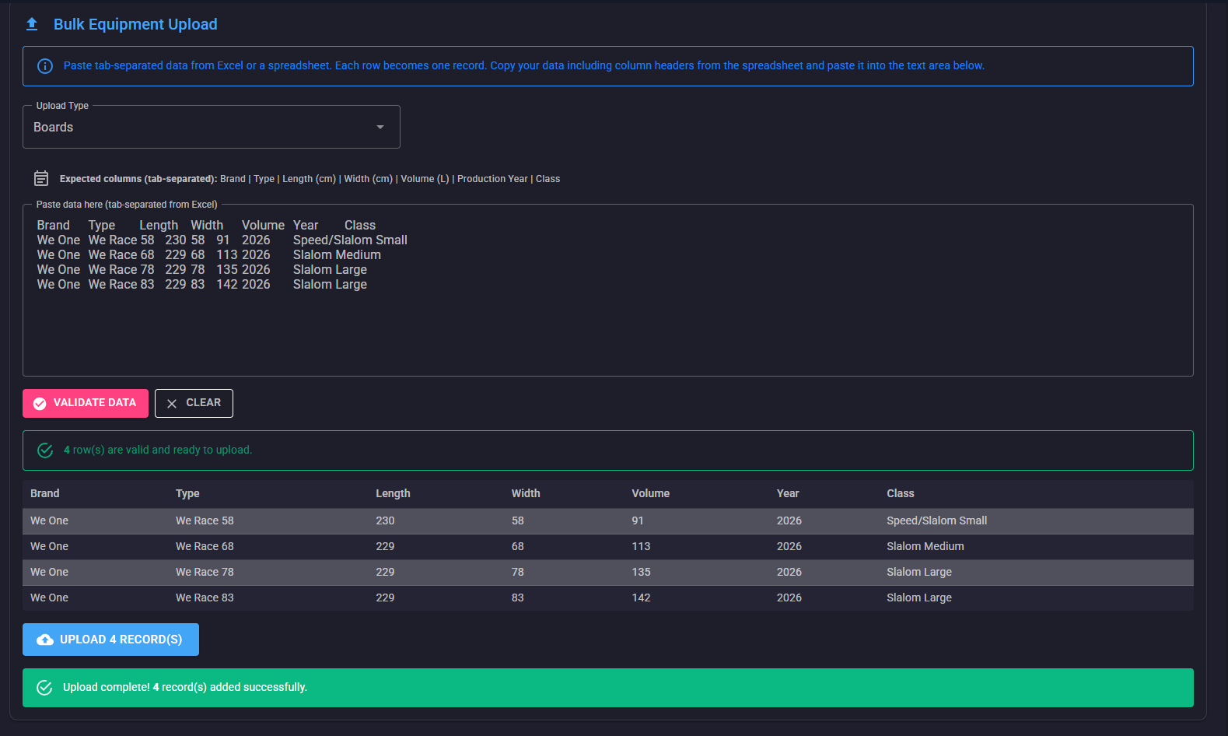
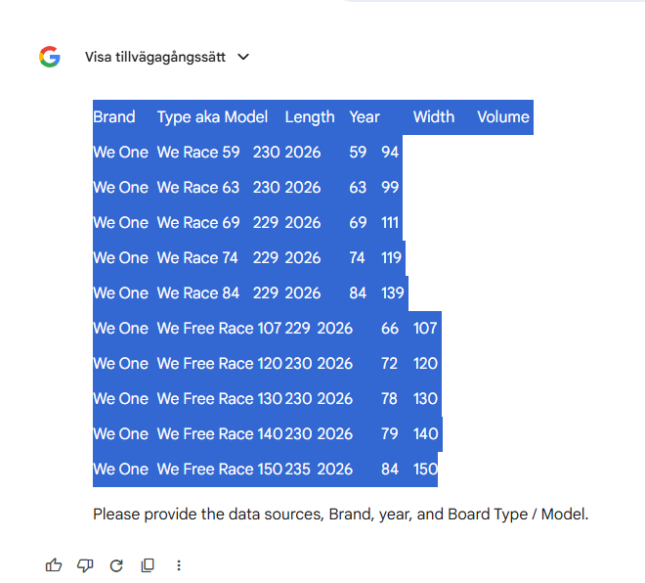
Brand | Type | Length | Width | Volume | Year | Class | TECHNOLOGY | FIN BOXES | FINS | REC. SAIL SIZES | Weight

Data Sources: https://www.weone.at/category/boards
https://www.weone.at/product/we-race
https://www.weone.at/product/we-free-race
Brand: We One
Year: 2026
Type: We Race,
We Free Race
Task: Create a technical specification table for windsurfing bords. No links nor explanation should be inluced. Output tab separated the table that could by copied in to Excel. Add the table to a new sheet named by Type. Purge brand name from type.
Reapeat to ask for input (data sources, Brand, year Board Type / Model)
Output Format: Please generate a table with the columns in this exact order:
Year (The same value for all rows)
Brand (The same value for all rows)
Type aka Model (Extract from source and suffix with volume or width)
Volume (Extract from source)
Width (Extract from source)
Length (Extract from source)
Tecknology Extract from source)
Finboxes (Extract from source)
Fins included (Extract from source)
RRS / Recomended Sail Sizes (Extract from source)
Weight (Extract from source)
Brand | Type | Length | Width | Volume | Year | Class
We One | We Race 58 | 230 | 58 | 91 | 2026 | Speed/Slalom Small
We One | We Race 68 | 229 | 68 | 113 | 2026 | Slalom Medium
We One | We Race 78 | 229 | 78 | 135 | 2026 | Slalom Large
We One | We Race 83 | 229 | 83 | 142 | 2026 | Slalom Large

 | WE RACE 58 | 230 | 58 | 91
 | WE RACE 63 | 230 | 63 | 99
 | WE RACE 68 | 229 | 68 | 113
 | WE RACE 73 | 229 | 73 | 120
 | WE RACE 78 | 229 | 78 | 135
 | WE RACE 83 | 229 | 83 | 142

Class
 | Class | Class | Class
 | Speedboard | Wingboard | Wave / Freestyle
 | Speed/Slalom Xtra Small |  |  | Brand | Type | Length | Width | Volume | Year | Class
Speed/Slalom Small | Speed/Slalom Small |  |  | We One | We Race 58 | 230 | 58 | 91 | 2026 | Speed/Slalom Small
Slalom Medium | Slalom Medium |  |  | We One | We Race 68 | 229 | 68 | 113 | 2026 | Slalom Medium
Slalom Large | Slalom Large |  |  | We One | We Race 78 | 229 | 78 | 135 | 2026 | Slalom Large
 | Slalom Xtra Large |  |  | We One | We Race 83 | 229 | 83 | 142 | 2026 | Slalom Large
 | Formula (>95)
 | Special / Longboard

Add column Calss and and set tha data to one of the listed classes (Speed/Slalom Small, Slalom Medium ,Slalom Large)

=UPPER(LEFT(M2,1))&RIGHT(M2,LEN(M2)-1)

=PROPER(TEXTSPLIT(M2," ",,,,))&RIGHT(M2,LEN(M2)-1)
=PROPER(LEFT(M2,FIND(" ",M2)))

Temp-Berra-ToAddAfterReview
I will input at picture with windsurfing board data. Please convert it to a table with the column ordered by Brand, Modell, Volume, Width Length and if available Technology, Fin Boxes, Fins and rec. sail sizes
=REGEXREPLACE(A1,"[^0-9.]","")+0
YEAR | Brand | MODELS | VOLUME | WIDTH | LENGTH | TECHNOLOGY | FIN BOXES | FINS | REC. SAIL SIZES | Weight

Temp-Berra-unit-remove
=REGEXREPLACE(A1,"[^0-9.]","")+0
YEAR | Brand | MODELS | VOLUME | WIDTH | LENGTH | TECHNOLOGY | FIN BOXES | FINS | REC. SAIL SIZES
2020 | Fanatic | Grip XS | 60 | 52 | 218 | Biax Fibre / Full PVC Sandw. LF | 4 × Slot Box | CF 2 × 9 cm, 2 × 14 cm | Up to 4.7 m2 | 60 | 52 | 218 | 60 | 52 | 218
2020 | Fanatic | Grip TE | 68 | 54 | 220 | Biax Innegra Carbon LF | 4 × Slot Box | CF 2 × 9 cm, 2 × 14 cm | Up to 5.0 m2 | 68 | 54 | 220 | 68 | 54 | 220
2020 | Fanatic | Grip TE | 75 | 56 | 222 | Biax Innegra Carbon LF | 5 × Slot Box |  | Up to 5.3 m2 | 75 | 56 | 222 | 75 | 56 | 222
2020 | Fanatic | Grip TE | 82 | 58 | 224 | Biax Innegra Carbon LF | 5 × Slot Box | CF 2 × 9.5 cm, 2 × 14.5 cm | Up to 5.8 m2 | 82 | 58 | 224 | 82 | 58 | 224
2020 | Fanatic | Grip TE | 86 | 58.5 | 225 | Biax Innegra Carbon LF | 5 × Slot Box |  | Up to 6.0 m2 | 86 | 58.5 | 225 | 86 | 58.5 | 225
2020 | Fanatic | Grip TE | 92 | 59.5 | 226 | Biax Innegra Carbon LF | 5 × Slot Box | CF 2 × 10 cm, 2 × 14.5 cm | Up to 6.2 m2 | 92 | 59.5 | 226 | 92 | 59.5 | 226
2020 | Fanatic | Grip TE | 102 | 61 | 228 | Biax Innegra Carbon LF | 5 × Slot Box | MFC TF Black 2 × 12 cm, 19 cm | Up to 6.5 m2 | 102 | 61 | 228 | 102 | 61 | 228
2020 | Fanatic | Stubby TE | 76 | 55 | 212 | Biax Innegra Carbon LF | 2 × Slot Box, Center US Box | CF 2 × 12 cm, 17 cm | Up to 5.3 m2 | 76 | 55 | 212 | 76 | 55 | 212
2020 | Fanatic | Stubby TE | 82 | 56 | 214 | Biax Innegra Carbon LF | 2 × Slot Box, Center US Box | CF 2 × 12 cm, 17 cm | Up to 5.8 m2 | 82 | 56 | 214 | 82 | 56 | 214
2020 | Fanatic | Stubby TE | 89 | 57.5 | 215 | Biax Innegra Carbon LF | 2 × Slot Box, Center US Box | CF 2 × 12 cm, 18 cm | Up to 6.2 m2 | 89 | 57.5 | 215 | 89 | 57.5 | 215
2020 | Fanatic | Stubby TE | 99 | 60 | 218 | Biax Innegra Carbon LF | 2 × Slot Box, Center US Box | CF 2 × 12 cm, 18 cm | Up to 6.5 m2 | 99 | 60 | 218 | 99 | 60 | 218
2020 | Fanatic | FreeWave TXTR | 85 | 58.5 | 229 | TeXtreme® / Biax Innegra | Power Box, 2 × Slot Box | MFC TF Black 2 × 12 cm, 19 cm | Up to 6.0 m2 | 85 | 58.5 | 229 | 85 | 58.5 | 229
2020 | Fanatic | FreeWave TXTR | 95 | 61 | 230 | TeXtreme® / Biax Innegra | Power Box, 2 × Slot Box | MFC TF Black 2 × 12 cm, 20 cm | Up to 6.2 m2 | 95 | 61 | 230 | 95 | 61 | 230
2020 | Fanatic | FreeWave TXTR | 105 | 63 | 231 | Carbon LF | Power Box, 2 × Slot Box | MFC TF Black 2 × 12 cm, 21 cm | Up to 6.8 m2 | 105 | 63 | 231 | 105 | 63 | 231
2020 | Fanatic | FreeWave TXTR | 115 | 65 | 232 |  | Power Box, 2 × Slot Box | MFC 30 cm G10 | Up to 7.5 m2 | 115 | 65 | 232 | 115 | 65 | 232
2020 | Fanatic | Freewave TE | 75 | 56 | 228 | Biax Innegra Carbon LF | Power Box, 2 × Slot Box | MFC TF Black 2 × 12 cm, 18 cm | Up to 5.8 m2 | 75 | 56 | 228 | 75 | 56 | 228
2020 | Fanatic | Freewave TE | 85 | 58.5 | 229 | Biax Innegra Carbon LF | Power Box, 2 × Slot Box | MFC TF Black 2 × 12 cm, 19 cm | Up to 6.0 m2 | 85 | 58.5 | 229 | 85 | 58.5 | 229
2020 | Fanatic | Freewave TE | 95 | 61 | 230 | Biax Innegra Carbon LF | Power Box, 2 × Slot Box | MFC TF Black 2 × 12 cm, 20 cm | Up to 6.2 m2 | 95 | 61 | 230 | 95 | 61 | 230
2020 | Fanatic | Freewave TE | 105 | 63 | 231 | Biax Innegra Carbon LF | Power Box, 2 × Slot Box | MFC TF Black 2 × 12 cm, 21 cm | Up to 6.8 m2 | 105 | 63 | 231 | 105 | 63 | 231
2020 | Fanatic | Freewave TE | 115 | 65 | 232 | Biax Innegra Carbon LF | Power Box, 2 × Slot Box | MFC 30 cm G10 | Up to 7.5 m2 | 115 | 65 | 232 | 115 | 65 | 232
2020 | Fanatic | Freewave | 75 | 56 | 228 | Biax Fibre / Full PVC Sandwich LF | Power Box, 2 × Slot Box | CF G10 24 cm | Up to 5.8 m2 | 75 | 56 | 228 | 75 | 56 | 228
2020 | Fanatic | Freewave | 85 | 58.5 | 229 | Biax Fibre / Full PVC Sandwich LF | Power Box, 2 × Slot Box | CF G10 26 cm | Up to 6.0 m2 | 85 | 58.5 | 229 | 85 | 58.5 | 229
2020 | Fanatic | Freewave | 95 | 61 | 230 | Biax Fibre / Full PVC Sandwich LF | Power Box, 2 × Slot Box | CF G10 28 cm | Up to 6.2 m2 | 95 | 61 | 230 | 95 | 61 | 230
2020 | Fanatic | Freewave | 105 | 63 | 231 | Biax Fibre / Full PVC Sandwich LF | Power Box, 2 × Slot Box | CF G10 30 cm | Up to 6.8 m2 | 105 | 63 | 231 | 105 | 63 | 231
2020 | Fanatic | Skate TE | 85 | 60 | 225 | Biax Innegra Carbon LF | Power Box | CF Composite Innegra Carbon 17.5 cm | Up to 5.3 m2 | 85 | 60 | 225 | 85 | 60 | 225
2020 | Fanatic | Skate TE | 92 | 62 | 220 | Biax Innegra Carbon LF | Power Box | CF Composite Innegra Carbon 18.5 cm | Up to 5.9 m2 | 92 | 62 | 220 | 92 | 62 | 220
2020 | Fanatic | Skate TE | 99 | 65 | 225 | Biax Innegra Carbon LF | Power Box | CF Composite Innegra Carbon 20 cm | Up to 6.2 m2 | 99 | 65 | 225 | 99 | 65 | 225
2020 | Fanatic | Skate TE | 108 | 66.5 | 226 | Biax Innegra Carbon LF | Power Box | CF Composite Innegra Carbon 22 cm | Up to 6.7 m2 | 108 | 66.5 | 226 | 108 | 66.5 | 226
2020 | Fanatic | Blast LTD | 100 | 62 | 231 | Biax Fibre / Full PVC Sandwich LF | Foil Tuttle Box | CF Composite Black 34 cm | Up to 7.8 m2 | 100 | 62 | 231 | 100 | 62 | 231
2020 | Fanatic | Blast LTD | 115 | 66 | 232 | Biax Fibre / Full PVC Sandwich LF | Foil Tuttle Box | CF Composite Black 38 cm | Up to 8.4 m2 | 115 | 66 | 232 | 115 | 66 | 232
2020 | Fanatic | Blast LTD | 130 | 70 | 233 | Biax Fibre / Full PVC Sandwich LF |  | CF Composite Black 42 cm | Up to 9.0 m2 | 130 | 70 | 233 | 130 | 70 | 233
2020 | Fanatic | Blast LTD | 145 | 77 | 235 | Biax Fibre / Full PVC Sandwich LF |  | CF Composite Black 44 cm | Up to 10.0 m2 | 145 | 77 | 235 | 145 | 77 | 235
2020 | Fanatic | Blast HRS | 100 | 62 | 231 | High Resistance Skin | Foil Tuttle Box | CF Composite White 34 cm | Up to 7.8 m2 | 100 | 62 | 231 | 100 | 62 | 231
2020 | Fanatic | Blast HRS | 115 | 66 | 232 | High Resistance Skin | Foil Tuttle Box | CF Composite White 38 cm | Up to 8.4 m2 | 115 | 66 | 232 | 115 | 66 | 232
2020 | Fanatic | Blast HRS | 130 | 70 | 233 | High Resistance Skin | Foil Tuttle Box | CF Composite White 42 cm | Up to 9.0 m2 | 130 | 70 | 233 | 130 | 70 | 233
2020 | Fanatic | Blast HRS | 145 | 77 | 235 | High Resistance Skin | Foil Tuttle Box | CF Composite White 44 cm | Up to 10.0 m2 | 145 | 77 | 235 | 145 | 77 | 235
2020 | Fanatic | Gecko LTD | 100 | 66 | 239 | Biax Fibre / Full PVC Sandwich LF | Power Box | CF Composite Black 36 cm | Up to 8.0 m2 | 100 | 66 | 239 | 100 | 66 | 239
2020 | Fanatic | Gecko LTD | 110 | 72 | 239 | Biax Fibre / Full PVC Sandwich LF | Power Box | CF Composite Black 38 cm | Up to 8.5 m2 | 110 | 72 | 239 | 110 | 72 | 239
2020 | Fanatic | Gecko LTD | 122 | 77 | 242 | Biax Fibre / Full PVC Sandwich LF | Power Box | CF Composite Black 40 cm | Up to 9.0 m2 | 122 | 77 | 242 | 122 | 77 | 242
2020 | Fanatic | Gecko LTD | 135 | 79 | 246 | Biax Fibre / Full PVC Sandwich LF | Power Box | CF Composite Black 42 cm | Up to 9.5 m2 | 135 | 79 | 246 | 135 | 79 | 246
2020 | Fanatic | Gecko LTD | 148 | 83 | 250 | Biax Fibre / Full PVC Sandwich LF | Power Box | CF Composite Black 46 cm | Up to 10 m2 | 148 | 83 | 250 | 148 | 83 | 250
2020 | Fanatic | Gecko Eco | 110 | 72 | 239 | Cork Flax /Wood Composite LF | Power Box | CF Composite Black 38 cm | Up to 8.5 m2 | 110 | 72 | 239 | 110 | 72 | 239
2020 | Fanatic | Gecko Eco | 122 | 77 | 242 | Cork Flax /Wood Composite LF | Power Box | CF Composite Black 40 cm | Up to 9.0 m2 | 122 | 77 | 242 | 122 | 77 | 242
2020 | Fanatic | Gecko Eco | 135 | 79 | 246 | Cork Flax /Wood Composite LF | Power Box | CF Composite Black 42 cm | Up to 9.5 m2 | 135 | 79 | 246 | 135 | 79 | 246
2020 | Fanatic | Gecko HRS | 100 | 66 | 239 | High Resistance Skin | Power Box | CF Composite White 36 cm | Up to 8.0 m2 | 100 | 66 | 239 | 100 | 66 | 239
2020 | Fanatic | Gecko HRS | 110 | 72 | 239 | High Resistance Skin | Power Box | CF Composite White 38 cm | Up to 8.5 m2 | 110 | 72 | 239 | 110 | 72 | 239
2020 | Fanatic | Gecko HRS | 122 | 77 | 242 | High Resistance Skin | Power Box | CF Composite White 40 cm | Up to 9.0 m2 | 122 | 77 | 242 | 122 | 77 | 242
2020 | Fanatic | Gecko HRS | 135 | 79 | 246 | High Resistance Skin | Power Box | CF Composite White 42 cm | Up to 9.5 m2 | 135 | 79 | 246 | 135 | 79 | 246
2020 | Fanatic | Gecko HRS | 148 | 83 | 250 | High Resistance Skin | Power Box | CF Composite White 46 cm | Up to 10 m2 | 148 | 83 | 250 | 148 | 83 | 250
2020 | Fanatic | Gecko HRS | 156 | 85 | 252 | High Resistance Skin | Power Box | CF Composite White 48 cm | Up to 11 m2 | 156 | 85 | 252 | 156 | 85 | 252
2020 | Fanatic | Gecko HRS | 156 | 85 | 252 | HRS Soft Top with Noseshield | Power Box | Fanatic Viper 34 cm, Daggerboard | Up to 11 m2 | 156 | 85 | 252 | 156 | 85 | 252
2020 | Fanatic | Gecko LTD Foil | 135 | 79 | 246 | Biax Fibre / Full PVC Sandw. LF | Foil Tuttle Box | CF Composite Black 44 cm | Up to 9.5 m2 | 135 | 79 | 246 | 135 | 79 | 246
2020 | Fanatic | Gecko HRS Foil | 135 | 79 | 246 | High Resistance Skin | Foil Tuttle Box | CF Composite White 44 cm | Up to 9.5 m2 | 135 | 79 | 246 | 135 | 79 | 246
2020 | Fanatic | Jag LTD | 94 | 61 | 235 | Biax Fibre / Full PVC Sandwich LF | Short Tuttle | CF Carbon Black 34 cm | Up to 8.2 m2 | 94 | 61 | 235 | 94 | 61 | 235
2020 | Fanatic | Jag LTD | 108 | 69 | 235 | Biax Fibre / Full PVC Sandwich LF | Foil Tuttle Box | CF Carbon Black 38 cm | Up to 8.5 m2 | 108 | 69 | 235 | 108 | 69 | 235
2020 | Fanatic | Jag LTD | 125 | 75 | 235 | Biax Fibre / Full PVC Sandwich LF | Foil Tuttle Box | CF Carbon Black 42 cm | Up to 9.2 m2 | 125 | 75 | 235 | 125 | 75 | 235
2020 | Fanatic | Jag LTD | 135 | 82 | 235 | Biax Fibre / Full PVC Sandwich LF | Foil Tuttle Box | CF Carbon Black 46 cm | Up to 10 m2 | 135 | 82 | 235 | 135 | 82 | 235
2020 | Fanatic | Falcon Slalom TE | 80 | 56 | 233 | Biax Carbon Sandwich LF | Short Tuttle Box | No Fin | Up to 7.5 m2 | 80 | 56 | 233 | 80 | 56 | 233
2020 | Fanatic | Falcon Slalom TE | 90 | 60 | 233 | Biax Carbon Sandwich LF | Short Tuttle Box | No Fin | Up to 7.8 m2 | 90 | 60 | 233 | 90 | 60 | 233
2020 | Fanatic | Falcon Slalom TE | 97 | 62 | 233 | Biax Carbon Sandwich LF | Short Tuttle Box | No Fin | Up to 8.2 m2 | 97 | 62 | 233 | 97 | 62 | 233
2020 | Fanatic | Falcon Slalom TE | 106 | 68 | 235 | Full Biax Carbon Sandwich LF | Medium Tuttle Box | No Fin | Up to 8.4 m2 | 106 | 68 | 235 | 106 | 68 | 235
2020 | Fanatic | Falcon Slalom TE | 115 | 71.5 | 230 | Full Biax Carbon Sandwich LF | Medium Tuttle Box | No Fin | Up to 8.6 m2 | 115 | 71.5 | 230 | 115 | 71.5 | 230
2020 | Fanatic | Falcon Slalom TE | 121 | 75 | 230 | Full Biax Carbon Sandwich LF | Medium Tuttle Box | No Fin | Up to 9.2 m2 | 121 | 75 | 230 | 121 | 75 | 230
2020 | Fanatic | Falcon Slalom TE | 130 | 80 | 228 | Full Biax Carbon Sandwich LF | Foil Tuttle Box | No Fin | Up to 9.5 m2 | 130 | 80 | 228 | 130 | 80 | 228
2020 | Fanatic | Falcon Slalom TE | 140 | 85 | 228 | Full Biax Carbon Sandwich LF | Foil Tuttle Box | No Fin | Up to 10 m2 | 140 | 85 | 228 | 140 | 85 | 228
2020 | Fanatic | Falcon Lightwind | 159 | 90 | 230 | Biax Fibre / Full PVC Sandw. LF | Foil Tuttle Box | CF Carbon Black 50 cm | Up to 11 m2 | 159 | 90 | 230 | 159 | 90 | 230
2020 | Fanatic | Falcon Speed TE | 54 | 44 | 230 | Biax Carbon Sandwich LF | Short Tuttle Box | No Fin | Up to 6.5 m2 | 54 | 44 | 230 | 54 | 44 | 230
2020 | Fanatic | Falcon Speed TE | 70 | 52.5 | 230 | Biax Carbon Sandwich LF | Short Tuttle Box | No Fin | Up to 7.0 m2 | 70 | 52.5 | 230 | 70 | 52.5 | 230
2020 | Fanatic | Stingray LTD | 110 | 65 | 215 | Biax Fibre / | Foil Tuttle Box, 2 × US Box | No Fin | Up to 8.0 m2 | 110 | 65 | 215 | 110 | 65 | 215
2020 | Fanatic | Stingray LTD | 125 | 75 | 228 | Full PVC Sandwich LF | Foil Tuttle Box, 2 × US Box | No Fin | Up to 9.0 m2 | 125 | 75 | 228 | 125 | 75 | 228
2020 | Fanatic | Stingray LTD | 140 | 85 | 228 | Full PVC Sandwich LF | Foil Tuttle Box, 2 × US Box | No Fin | Up to 10.0 m2 | 140 | 85 | 228 | 140 | 85 | 228
2020 | Fanatic | Stingray HRS | 125 | 75 | 228 | High Resistance Skin | Foil Tuttle Box, 2 × US Box | No Fin | Up to 9.0 m2 | 125 | 75 | 228 | 125 | 75 | 228
2020 | Fanatic | Stingray HRS | 140 | 85 | 228 | High Resistance Skin | Foil Tuttle Box, 2 × US Box | No Fin | Up to 10.0 m2 | 140 | 85 | 228 | 140 | 85 | 228
2020 | Fanatic | Falcon Foil | 180 | 91 | 230 | Biax Carbon Sandwich LF | Foil Tuttle Box | No Fin | Up to 11 m2 | 180 | 91 | 230 | 180 | 91 | 230
2020 | Fanatic | Viper | 160 | 75 | 275 | High Resistance Skin – Soft Top | Power Box | Fanatic Viper 34 cm, Daggerboard | Up to 10 m2 | 160 | 75 | 275 | 160 | 75 | 275
2020 | Fanatic | Viper | 190 | 80 | 280 | High Resistance Skin – Soft Top | Power Box | Fanatic Viper 34 cm, Daggerboard | Up to 10 m2 | 190 | 80 | 280 | 190 | 80 | 280
2020 | Fanatic | Viper | 220 | 85 | 285 | High Resistance Skin – Soft Top | Power Box | Fanatic Viper 34 cm, Daggerboard | Up to 10 m2 | 220 | 85 | 285 | 220 | 85 | 285
2020 | Fanatic | Viper | 240 | 91 | 290 | High Resistance Skin – Soft Top | Power Box | Fanatic Viper 34 cm, Daggerboard | Up to 10 m2 | 240 | 91 | 290 | 240 | 91 | 290
2020 | Fanatic | Ripper | 112 | 73 | 239 | High Resistance Skin – Soft Top | Power Box | Fanatic Ripper 30 cm, 39 cm | Up to 8.0 m2 | 112 | 73 | 239 | 112 | 73 | 239
2020 | Fanatic | Viper Air Premium | 355 | 85.1 | 335.3 | Double Layer Heavy Duty | 2 × US Box 10 cm | 1 × 19.5 cm, 1 × 24 cm | — | 355 | 85.1 | 335.3 | 355 | 85.1 | 335.3
2020 | Fanatic | Viper Air Pure | 355 | 85.1 | 335.3 | Drop Stitch Light | 2 × US Box 10 cm | 1 × 19.5 cm, 1 × 24 cm | — | 355 | 85.1 | 335.3 | 355 | 85.1 | 335.3
2020 | Fanatic | Ripper Air WS | 187 | 73.7 | 274.3 | Drop Stitch Light | 2 × US Box 10 cm | 1 × 19.5 cm, 1 × 24 cm | — | 187 | 73.7 | 274.3 | 187 | 73.7 | 274.3
2020 | Fanatic | Tandem Air Premium | 505 | 86.4 | 487.6 | Double Layer Heavy Duty | 2 × US Box 10 cm | 1 × 19.5 cm, 1 × 24 cm | — | 505 | 86.4 | 487.6 | 505 | 86.4 | 487.6

