Guide
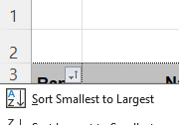
Step
1 | Got to "Day Rank - speed" | e.g

2 | mark data then Ctrl+ C

3 | Go ot Resuts of the day tab and paste ("match destination format") copied date to the end of the table



4 | Remove header row and add date in column B
 |  | # |  | Naam | Avg | Run | 2 sec | 500 | Alpha
 |  | 1 | 2025-06-09 | Peter Modéer | 34.68 | 35.17 | 36.6 | 33.52 | 20.75
 |  | 2 | 2025-06-09 | Anders Bjorkqvist | 34.47 | 35.26 | 36.87 | 30.38 | 0
 |  | 3 | 2025-06-09 | Kim Born | 33.73 | 34.46 | 35.13 | 28.18 | 0
 |  | 4 | 2025-06-09 | Jonas Bergström | 33.62 | 33.83 | 34.74 | 31.19 | 0
 |  | 5 | 2025-06-09 | Erik Larsson | 32.88 | 34.09 | 34.8 | 33.72 | 0
 |  | 6 | 2025-06-09 | Daniel E.A. Gustafsson | 32.64 | 33.52 | 34.42 | 29.72 | 0
 |  | 7 | 2025-06-09 | Per Högberg | 32.07 | 33.15 | 34.3 | 27.16 | 16.62
 |  | 8 | 2025-06-09 | Daniel Tobiasson | 31.96 | 33.65 | 35.36 | 25 | 0
 |  | 9 | 2025-06-09 | Rickard Fossum | 30.72 | 31.36 | 33.41 | 29.11 | 20.22

5 | Go to Resultat tab and add more rows above "Radical Ronald" if needed.

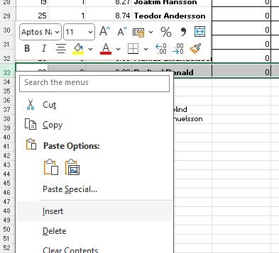

6 | Add date in 1st row
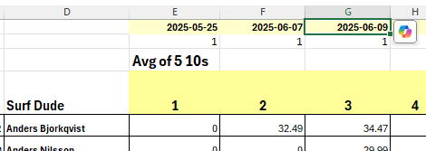

7 | Open Total tab and add date in 3rd row

8 | Sort by Rank in Column A

Rules
Nbr of KoF Rounds | Nbr of Excluded Rounds | Comment
1 | 0 | 1-2 rounds, no round is excluded
2 | 0
Note!
DNS points are based on the total number of competitors plus one across the entire competition. As a result, DNS points from earlier rounds may increase if additional competitors join the competition later.
3 | 1 | 3 rounds, 1 round is excluded
4 | 2 | 4-6 rounds, 2 rounds are excluded
5 | 2
6 | 2
7 | 3 | 7-8 rounds, 3 rounds are excluded
8 | 3
9 | 4 | 9-11, 4 excluded
10 | 4
11 | 4
12 | 5 | 12-14, 5 excluded
13 | 5
14 | 5
15 | 6 | 15-16, 6 excluded
16 | 6
17 | 7 | 17-19, 7 excluded
18 | 7
19 | 7
20 | 8 | 20-22, 8 excluded
22 | 8
23 | 9 | 23+, 9 excluded
24 | 9
25 | 9
26 | 9
27 | 9
28 | 9
29 | 9
30 | 9

