Temp-Berra2-NP
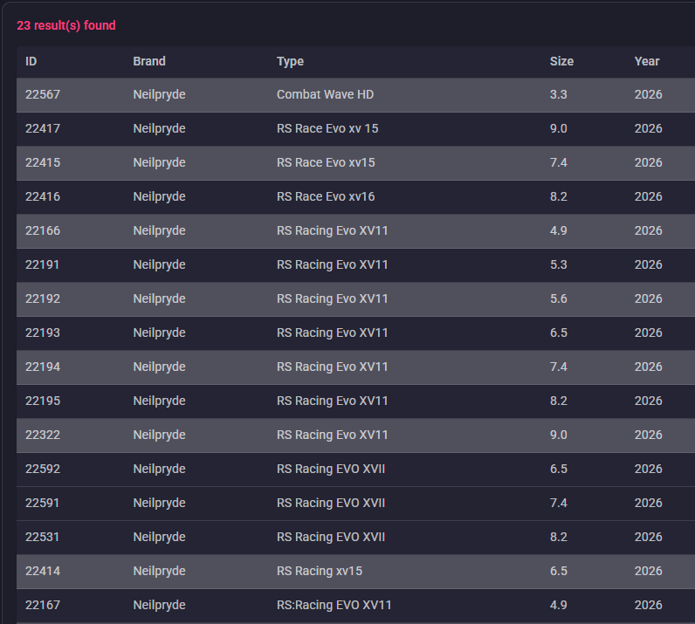
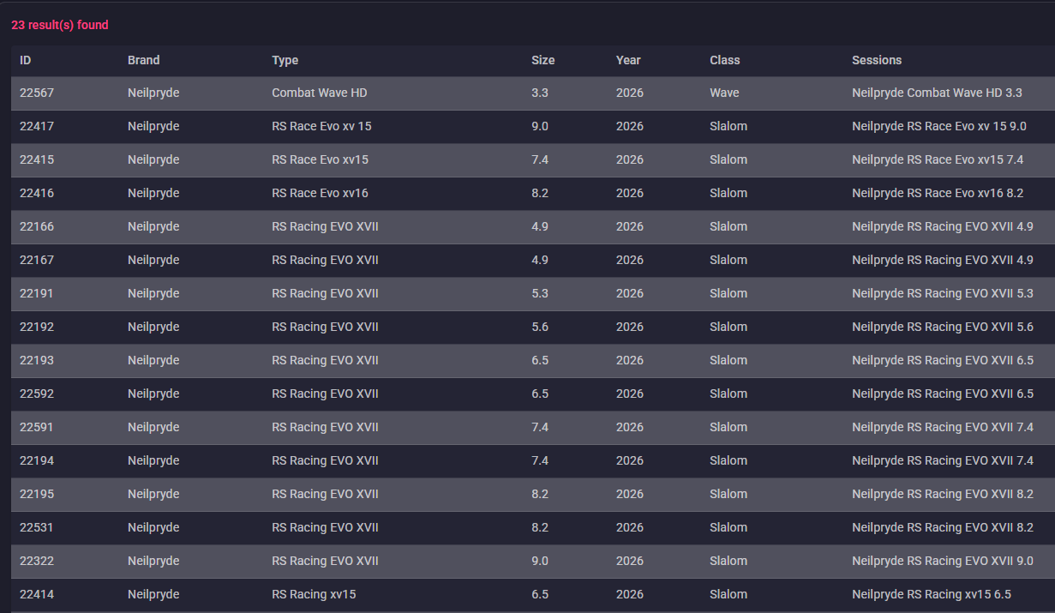
ID | Brand | Type | Size | Year | Luff | Boom | Battens | Cams | Weight | Head | Mast | SDM/RDM
 |  |  | Size (m²) |  | Luff (cm) | Boom (cm) | Battens | Cams | Weight (kg)
 | Neilpryde | Racing EVO XVII | 4.9 | 2026 | 396 | 166–172 | 7 | 4 | 4.7 | Fixed | 370 | RDM
 | Neilpryde | Racing EVO XVII | 5.3 | 2026 | 416 | 168–174 | 7 | 4 | 4.9 | Fixed | 400 | RDM
 | Neilpryde | Racing EVO XVII | 5.6 | 2026 | 426 | 174–180 | 7 | 4 | 5 | Fixed | 400 | RDM
 | Neilpryde | Racing EVO XVII | 5.7 | 2026 | 432 | 172–174 | 7 | 4 | 5.1 | Fixed | 400 | RDM
 | Neilpryde | Racing EVO XVII | 6.5 | 2026 | 458 | 186–192 | 7 | 4 | 5.3 | Fixed | 430 | MDM
 | Neilpryde | Racing EVO XVII | 7.4 | 2026 | 486 | 200–206 | 7 | 4 | 5.5 | Fixed | 460 | SDM
 | Neilpryde | Racing EVO XVII | 8.2 | 2026 | 512 | 210–216 | 7 | 4 | 6.1 | Fixed | 490 | SDM
 | Neilpryde | Racing EVO XVII | 9.0 | 2026 | 538 | 220–226 | 7 | 4 | 6.4 | Fixed | 520 | SDM

Temp-Berra-3-Loftsails
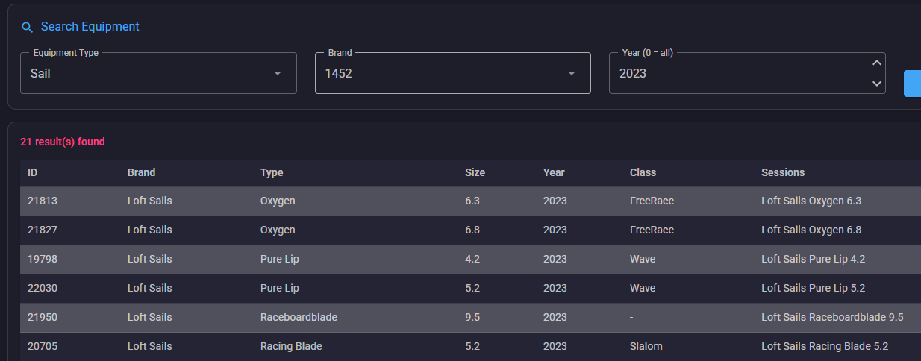

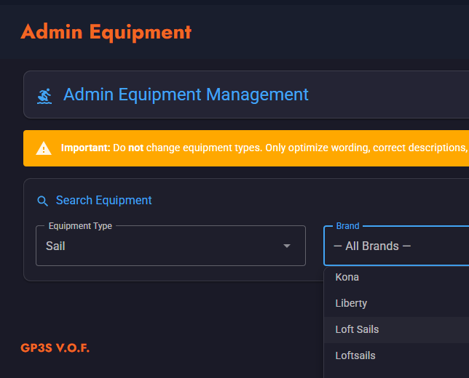
ID | Brand | Type | Size | Year | Luff | Boom | Battens | Cams | Weight | Head | Mast | SDM/RDM
 |  |  |  |  |  |  |  |  |  |  |  |  | BQ | https://www.gps-speedsurfing.com/sessions/userequipment?userid=2558
 |  |  | Size |  | Luff |  | Battens | Cambers | Weight |  |  |  |  | https://www.gps-speedsurfing.com/sessions/userequipment?userid=2558
 | Loftsails | Racingblade | 5.2 | 2026 | 418 | 172 | 7 | 3 | 4,86 | Fixed | 400 | RDM |  |  | Size | Luff | Boom | Head | Extension | Battens | Cambers | Weight | Rec. Mast
 | Loftsails | Racingblade | 5.8 | 2026 | 436 | 184 | 7 | 3 | 5,15 | Fixed | 400 | RDM |  |  | 5.2 | 418 | 170/172 | Fixed | 18 | 7 | 3 | 4,86 | Team Edition 400 RDM
 | Loftsails | Racingblade | 6.6 | 2026 | 456 | 200 | 7 | 3 | 5,47 | Fixed | 430 | SDM |  |  | 5.8 | 436 | 182/184 | Fixed | 36 | 7 | 3 | 5,15 | Team Edition 400 RDM
 | Loftsails | Racingblade | 7.4 | 2026 | 492 | 208 | 7 | 3 | 5,78 | Fixed | 460 | SDM |  |  | 6.6 | 456 | 198/200 | Fixed | 26 | 7 | 3 | 5,47 | Team Edition 430 SDM
 | Loftsails | Racingblade | 8.2 | 2026 | 514 | 218 | 7 | 3 | 6,10 | Fixed | 490 | SDM |  |  | 7.4 | 492 | 206/208 | Fixed | 32 | 7 | 3 | 5,78 | Team Edition 460 SDM
 |  |  |  |  |  |  |  |  |  |  |  |  |  |  | 8.2 | 514 | 216/218 | Fixed | 24 | 7 | 3 | 6,10 | Team Edition 490 SDM

Temp-Berra-Simmer
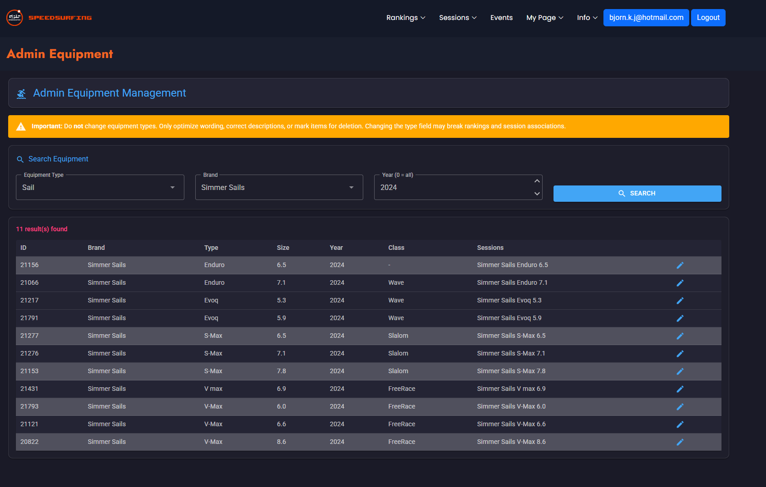
ID | Brand | Type | Size | Year | Luff | Boom | Battens | Cams | Weight | Head | Mast | SDM/RDM
 | Simmer Sails | S-Max | 5.5 | 2025 | 417 | 178 | 6 | 2 | 4.4 | Adjustable | 400 | RDM/SDM | SX8 RDM/SDM
 | Simmer Sails | S-Max | 6.0 | 2025 | 430 | 184 | 6 | 2 | 4.5 | Fixed | 430 | RDM/SDM | SX8 RDM/SDM
 | Simmer Sails | S-Max | 6.5 | 2025 | 442 | 192 | 6 | 2 | 4.6 | Fixed | 430 | RDM/SDM | SX8 RDM/SDM
 | Simmer Sails | S-Max | 7.1 | 2025 | 457 | 203 | 6 | 2 | 4.8 | Fixed | 430 | RDM/SDM | SX8 RDM/SDM
 | Simmer Sails | S-Max | 7.8 | 2025 | 465 | 215 | 6 | 2 | 5.1 | Fixed | 460 | SDM | SX8 SDM
 | Simmer Sails | S-Max | 8.5 | 2025 | 494 | 225 | 6 | 2 | 5.3 | Fixed | 490 | SDM | SX8 SDM
 | Simmer Sails | V-Max | 4.8 | 2025 | 399 | 162 | 6 | 0 | 3.8 | Adjustable | 400 | RDM/SDM
 | Simmer Sails | V-Max | 5.4 | 2025 | 416 | 164 | 6 | 0 | 4 | Adjustable | 400 | RDM/SDM
 | Simmer Sails | V-Max | 6 | 2025 | 431 | 175 | 6 | 0 | 4.2 | Fixed | 430 | RDM/SDM
 | Simmer Sails | V-Max | 6.6 | 2025 | 439 | 191 | 6 | 0 | 4.4 | Fixed | 430 | RDM/SDM
 | Simmer Sails | V-Max | 7.2 | 2025 | 455 | 204 | 6 | 0 | 4.6 | Fixed | 430 | RDM/SDM
 | Simmer Sails | V-Max | 7.9 | 2025 | 466 | 222 | 6 | 0 | 4.9 | Fixed | 460 | SDM
 | Simmer Sails | V-Max | 8.6 | 2025 | 484 | 232 | 6 | 0 | 5.2 | Fixed | 460 | SDM
 | Simmer Sails | V-Max | 4.8 | 2024 | 399 | 162 | 6 | 0 | 3.8 | Adjustable | 400 | RDM/SDM
 | Simmer Sails | V-Max | 5.4 | 2024 | 416 | 164 | 6 | 0 | 4 | Adjustable | 400 | RDM/SDM
 | Simmer Sails | V-Max | 6 | 2024 | 431 | 175 | 6 | 0 | 4.2 | Fixed | 430 | RDM/SDM
 | Simmer Sails | V-Max | 6.6 | 2024 | 439 | 191 | 6 | 0 | 4.4 | Fixed | 430 | RDM/SDM
 | Simmer Sails | V-Max | 7.2 | 2024 | 455 | 204 | 6 | 0 | 4.6 | Fixed | 430 | RDM/SDM
 | Simmer Sails | V-Max | 7.9 | 2024 | 466 | 222 | 6 | 0 | 4.9 | Fixed | 460 | SDM
 | Simmer Sails | V-Max | 8.6 | 2024 | 484 | 232 | 6 | 0 | 5.2 | Fixed | 460 | SDM
 | Simmer Sails | S-Max | 5.5 | 2024 | 417 | 178 | 6 | 2 | 4.4 | Adjustable | 400 | RDM/SDM
 | Simmer Sails | S-Max | 6 | 2024 | 430 | 184 | 6 | 2 | 4.5 | Fixed | 430 | RDM/SDM
 | Simmer Sails | S-Max | 6.5 | 2024 | 442 | 192 | 6 | 2 | 4.6 | Fixed | 430 | RDM/SDM
 | Simmer Sails | S-Max | 7.1 | 2024 | 457 | 203 | 6 | 2 | 4.8 | Fixed | 430 | RDM/SDM
 | Simmer Sails | S-Max | 7.8 | 2024 | 465 | 215 | 6 | 2 | 5.1 | Fixed | 460 | SDM
 | Simmer Sails | S-Max | 8.5 | 2024 | 494 | 225 | 6 | 2 | 5.3 | Fixed | 490 | SDM
 | Simmer Sails | Enduro | 4.9 | 2024 | 398 | 163 | 5 | 0 | 3.6 | Adjustable | 400 | RDM/SDM
 | Simmer Sails | Enduro | 5.4 | 2024 | 416 | 168 | 5 | 0 | 3.7 | Adjustable | 400/430 | RDM/SDM
 | Simmer Sails | Enduro | 5.9 | 2024 | 431 | 177 | 5 | 0 | 3.9 | Fixed | 430 | RDM/SDM
 | Simmer Sails | Enduro | 6.5 | 2024 | 443 | 190 | 5 | 0 | 4.1 | Fixed | 430 | RDM/SDM
 | Simmer Sails | Enduro | 7.1 | 2024 | 457 | 202 | 5 | 0 | 4.3 | Fixed | 430 | RDM/SDM
 | Simmer Sails | Enduro | 7.8 | 2024 | 475 | 215 | 5 | 0 | 4.6 | Fixed | 460 | RDM/SDM
 | Simmer Sails | Icon | 3.7 | 2023 | 370 | 146 | 5 | 0 | — | Fixed | 370 | RDM
 | Simmer Sails | Icon | 4.2 | 2023 | 388 | 150 | 5 | 0 | — | Fixed | 370 | RDM
 | Simmer Sails | Icon | 4.7 | 2023 | 406 | 156 | 5 | 0 | — | Fixed | 400 | RDM
 | Simmer Sails | Icon | 5.2 | 2023 | 424 | 162 | 5 | 0 | — | Fixed | 400 | RDM
 | Simmer Sails | Icon | 5.7 | 2023 | 442 | 170 | 5 | 0 | — | Fixed | 430 | RDM
 | Simmer Sails | Icon | 6.2 | 2023 | 460 | 178 | 5 | 0 | — | Fixed | 430 | RDM
 | Simmer Sails | Blacktip | 3.4 | 2023 | 360 | 140 | 4 | 0 | — | Fixed | 340 | RDM
 | Simmer Sails | Blacktip | 3.7 | 2023 | 372 | 144 | 4 | 0 | — | Fixed | 370 | RDM
 | Simmer Sails | Blacktip | 4.2 | 2023 | 390 | 150 | 4 | 0 | — | Fixed | 370 | RDM
 | Simmer Sails | Blacktip | 4.7 | 2023 | 408 | 156 | 4 | 0 | — | Fixed | 400 | RDM
 | Simmer Sails | Blacktip | 5.2 | 2023 | 426 | 162 | 4 | 0 | — | Fixed | 400 | RDM
 | Simmer Sails | Blacktip | 5.7 | 2023 | 444 | 170 | 4 | 0 | — | Fixed | 430 | RDM
 | Simmer Sails | Enduro | 5.4 | 2023 | 420 | 176 | 5 | 0 | — | Adjustable | 400 | RDM/SDM
 | Simmer Sails | V-Max | 4.8 | 2023 | 402 | 167 | 6 | 0 | — | Adjustable | 400 | RDM/SDM
 | Simmer Sails | V-Max | 5.4 | 2023 | 420 | 170 | 6 | 0 | — | Adjustable | 400 | RDM/SDM
 | Simmer Sails | S-Max | 5.5 | 2023 | 419 | 180 | 6 | 2 | — | Adjustable | 400 | RDM/SDM
 | Simmer Sails | Enduro | 5.9 | 2023 | 431 | 184 | 5 | 0 | — | Fixed | 430 | RDM/SDM
 | Simmer Sails | V-Max | 6 | 2023 | 431 | 183 | 6 | 0 | — | Fixed | 430 | RDM/SDM
 | Simmer Sails | S-Max | 6 | 2023 | 432 | 186 | 6 | 2 | — | Fixed | 430 | RDM/SDM
 | Simmer Sails | Enduro | 6.5 | 2023 | 446 | 197 | 5 | 0 | — | Fixed | 430 | RDM/SDM
 | Simmer Sails | S-Max | 6.5 | 2023 | 444 | 198 | 6 | 2 | — | Fixed | 430 | RDM/SDM
 | Simmer Sails | V-Max | 6.6 | 2023 | 440 | 198 | 6 | 0 | — | Fixed | 430 | RDM/SDM
 | Simmer Sails | Enduro | 7.1 | 2023 | 456 | 210 | 5 | 0 | — | Fixed | 430 | RDM/SDM
 | Simmer Sails | S-Max | 7.1 | 2023 | 458 | 210 | 6 | 2 | — | Fixed | 430 | RDM/SDM
 | Simmer Sails | V-Max | 7.2 | 2023 | 456 | 221 | 6 | 0 | — | Fixed | 430 | RDM/SDM
 | Simmer Sails | Enduro | 7.8 | 2023 | 476 | 224 | 5 | 0 | — | Fixed | 460 | RDM/SDM
 | Simmer Sails | S-Max | 7.8 | 2023 | 477 | 219 | 6 | 2 | — | Fixed | 460 | SDM
 | Simmer Sails | V-Max | 7.9 | 2023 | 469 | 229 | 6 | 0 | — | Fixed | 460 | SDM
 | Simmer Sails | S-Max | 8.5 | 2023 | 498 | 227 | 6 | 2 | — | Fixed | 490 | SDM
 | Simmer Sails | V-Max | 8.6 | 2023 | 486 | 243 | 6 | 0 | — | Fixed | 460 | SDM

