Sheet1
 | Client Command Table for A7

 | Use this table to help you design your program. Add rows as needed. |  | Use this column to describe when and what your LCD display changes to for rows like DISPLAY_ROW_CONNECTION | Use this column to denote if BT stack events cause your state machine to advance, you can put an X in the cell to note this. Drawing a bubble diagram of your state machine might also be a good idea 👍. |  | Commands that may be useful: sl_bt_gatt_discover_primary_services_by_uuid() sl_bt_gatt_discover_characteristics_by_uuid() sl_bt_gatt_set_characteristic_notification() sl_bt_gatt_send_characteristic_confirmation()

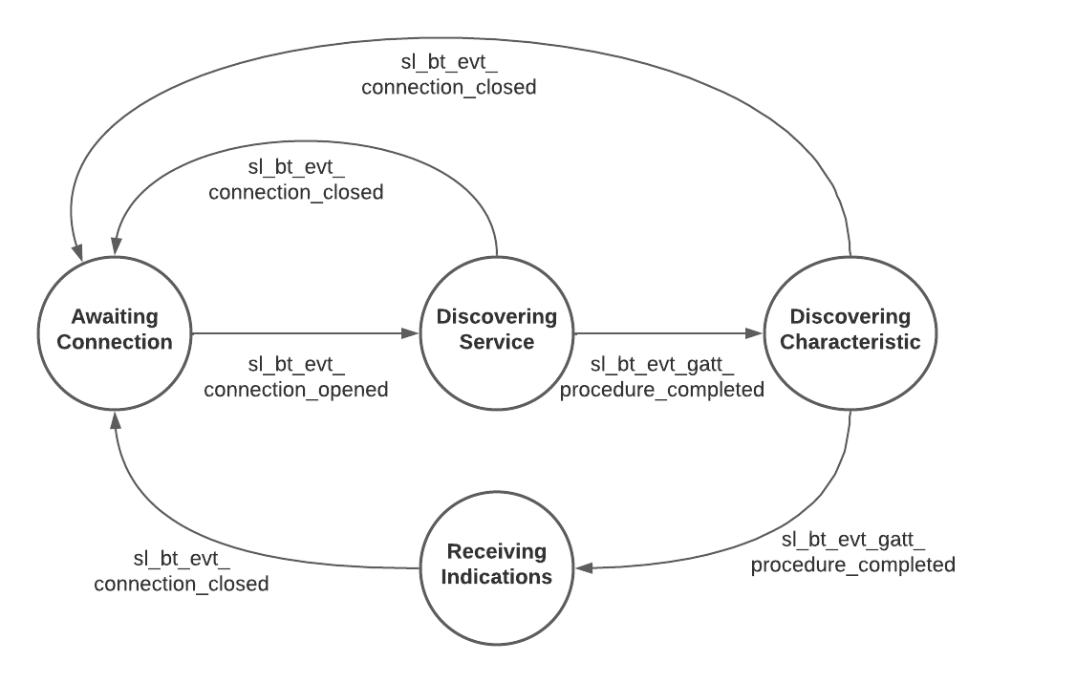
 | Event | Description | LCD Display State | Advances State Machine | Values to Save | Commands called in response to event | Notes
Events Common to Slaves/Clients
 | sl_bt_evt_system_boot_id | This event is generated on stack boot up. This event indicates the device has started and the radio is ready. | DISPLAY_ROW_CONNECTION - discovering, DISPLAY_ROW_NAME - client, DISPLAY_ROW_BTADDR - client address, DISPLAY_ROW_ASSIGNMENT - A7 | NO |  |  | Various API calls to initialize the client
 |  | Set the scan mode on the specified PHYs. |  |  |  | sl_bt_scanner_set_mode()
 |  | Set the scanning timing parameters on the specified PHYs. |  |  | scan interval, scan window | sl_bt_scanner_set_timing()
 |  | Set the default Bluetooth connection parameters. |  |  | min/max interval, latency, timeout | sl_bt_connection_set_default_parameters()
 |  | Start the GAP discovery procedure to scan for advertising devices on the specified scanning PHY or to perform a device discovery. |  |  |  | sl_bt_scanner_start() | You should start and stop scanning just like you did with advertising for a Server.

 | sl_bt_evt_connection_opened_id | This event indicates that a new connection was opened. | DISPLAY_ROW_CONNECTION - connected, DISPLAY_ROW_BTADDR2 - server address | YES | connection handle (sl_bt_evt_connection_opened->connection) |  | Advance state machine to discovering service state, call sl_bt_gatt_discover_primary_services_by_uuid() before doing so
 |  | Request a change in the connection parameters of a Bluetooth connection. |  |  |  | sl_bt_connection_set_parameters()
 |  | Discover primary services with the specified UUID in a remote GATT database. Looking for temperature service in this case |  |  |  | sl_bt_gatt_discover_primary_services_by_uuid()

 | sl_bt_evt_connection_closed_id | This event indicates that a connection was closed. |  | YES
 |  |  |  |  |  | sl_bt_scanner_start() | Return to awaiting connection state

 | sl_bt_evt_system_soft_timer_id | This event is triggered by the 1 second soft timer for toggling the EXTCOMIN signal of the LCD display, to avoid buildup of static charge. |  | NO |  | None

Events only for Masters/Clients
 | sl_bt_evt_scanner_scan_report_id | Received for advertising or scan response packets generated by: sl_bt_scanner_start(). Is the bd_addr, packet_type and address_type what we expect for our Server? If yes: sl_bt_scanner_stop() sl_bt_connection_open() |  | NO | packet type, address, address type
 |  | Stop scanning for advertising devices. |  |  |  | sl_bt_scanner_stop()
 |  | Connect to an advertising device with the specified initiating PHY on which connectable advertisements on primary advertising channels are received. |  |  |  | sl_bt_connection_open() | Pass in saved address and address type parameters

 | sl_bt_evt_gatt_procedure_completed_id | We get this event when it’s ok to call the next GATT command. It’s a good idea to check for returned error codes. This would be a great event to use to sequence your new state machine. |  | YES |  |  | Do not build your state machine into your handle_ble_event() function! Instead build a new state machine for A7.
 |  | Discover all characteristics of a GATT service in a remote GATT database having the specified UUID. |  |  |  | sl_bt_gatt_discover_characteristics_by_uuid() | Case 1: When service matching UUID is found (in discovering service state), call sl_bt_gatt_discover_characteristics_by_uuid() and advance state machine to discovering characteristic state
 |  |  | DISPLAY_ROW_CONNECTION - handling indications |  |  | sl_bt_gatt_set_characteristic_notification() | Case 2: When characteristic matching UUID is found (in discovering characteristic state), call sl_bt_gatt_set_characteristic_notification() and advance state machine to receiving indications state
 |  |  |  |  |  |  | Case 3: When in receiving indications state, do nothing (keep receiving indications)

 | sl_bt_evt_gatt_service_id | A GATT service in the remote GATT database was discovered |  | NO | service handle (sl_bt_evt_gatt_service->service)

 | sl_bt_evt_gatt_characteristic_id | A GATT characteristic in the remote GATT database was discovered |  | NO | characteristic handle (sl_bt_evt_gatt_characteristic->characteristic)

 | sl_bt_evt_gatt_characteristic_value_id | If an indication or notification has been enabled for a characteristic, this event is triggered whenever an indication or notification is received from the remote GATT server. Is the characteristic handle and att_opcode we expect? If yes: sl_bt_gatt_send_characteristic_confirmation() | DISPLAY_ROW_TEMPVALUE - temp value | NO | characteristic value (sl_bt_evt_gatt_characteristic_value->value) | sl_bt_gatt_send_characteristic_confirmation() | If indication is from temperature service, call LCD display function to show latest temp value

