Sheet1
Connector | Pin | GPIO | Function | Hardware | Connector | Pin | Function
J3 | 1 |  | 5V |  | J2 | 1 | Vin (6-30V)
J3 | 2 |  | 5V |  | J2 | 2 | Gnd
J3 | 3 |  | 5V
J3 | 4 |  | 5V
J4 | 1 |  | 5V
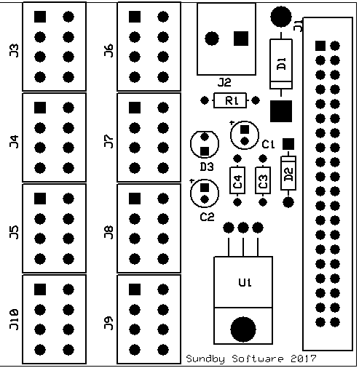
J4 | 2 |  | 5V
J4 | 3 |  | Gnd
J4 | 4 |  | Gnd
J5 | 1 |  | Gnd
J5 | 2 |  | Gnd
J5 | 3 |  | Gnd
J5 | 4 |  | Gnd
J6 | 1 | 2 | SDA1(I2C) | LE SDA
J6 | 2 | 3 | SCL1(I2C) | LE SCL
J6 | 3 | 4 | GCLK
J6 | 4 | 14 | TXD0
J7 | 1 | 15 | RXD0
J7 | 2 | 17 | GEN0 | ST1
J7 | 3 | 18 | GEN1 | NP
J7 | 4 | 27 | GEN2 | ST2
J8 | 1 | 22 | GEN3 | ST3
J8 | 2 | 23 | GEN4 | ST4
J8 | 3 | 24 | GEN5 | HS
J8 | 4 | 10 | MOSI(SPI)
J9 | 1 | 9 | MISO(SPI)
J9 | 2 | 25 | GEN6
J9 | 3 | 11 | SCLK(SPI)
J9 | 4 | 8 | CE0_N(SPI) |  |  |  |  | Hardware devices
J10 | 1 | 7 | CE1_N(SPI) |  |  |  |  | LE | RGB leds
J10 | 2 | 5 |  |  |  |  |  | ST | Stepper motor
J10 | 3 | 6 |  |  |  |  |  | NP | Neopixel leds
J10 | 4 | 12 |  |  |  | All hardware devices require both 5V and Gnd |  | HS | Hall sensor

