2.2 UN WPP Proj. by Age
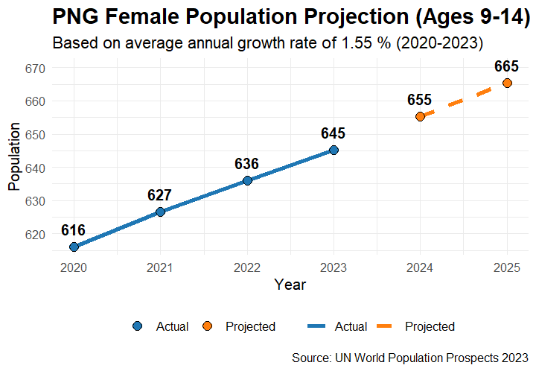
PNG HPVv Target Population Sizing Model
2.2 UN WPP Population Projections by Age

Projections (2024 and 2025) by Age based on UN WPP YoY Annual Growth Rate (2020-2023)

Age | 2024 | 2025
9 | 113,036 | 114,788
10 | 111,576 | 113,305
11 | 110,063 | 111,769
12 | 108,702 | 110,387
13 | 107,054 | 108,713
14 | 104,777 | 106,401
Total | 655,209 | 665,364

nso_2025+_Projections
Age | 2025 Projected Population | Notes
5 to 9 | 762120
9_yr olds | 152424 | Assuming uniform distribution across ages in 5 to 9 group | Source: | https://png.unfpa.org/en/publications/population-projections-2024-2050
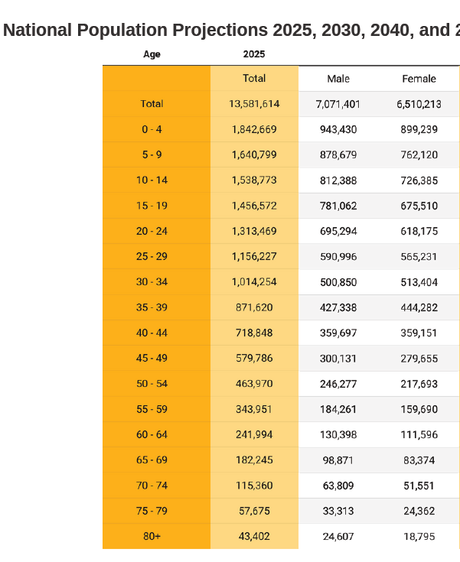
10 to 14 | 726385

