Ligand
Data description | Ligand Search |  | https://sugarbind.expasy.org/ligands?n=203
Search the ligands by systematic name, abbreviated name, synonyms or IUPAC encoding
SNFG, Text, Oxford
Show All Ligands
Ligand Names | Glycoconjugate Type | Ligand Types | Glycan | Cartoon

Unnamed | - | Sialylated | NeuGc(a2-3)Gal(b1-4)GlcNAc
2'-fluorine-3′-sialyl-N-acetyllactosamine | - | Fluorinated | NeuAc(a2-3)(2F)Gal(b1-4)GlcNAc | No cartoon for structure 174
2'F-3'SiaLacNAc(1-4) |  | Sialylated
2'F-3'SiaLacNAc(1-3) | - | Fluorinated | NeuAc(a2-3)(2F)Gal(b1-3)GlcNAc | No cartoon for structure 173
2'-fluorine-3′-sialyl-N-acetyllactosamine |  | Sialylated
3'SLN | - | Sialylated | NeuAc(a2-3)Gal(b1-4)GlcNAc(b | 
3′-sialyl-N-acetyllactosamine
3'SLN | - | Sialylated | NeuAc(a2-3)Gal(b1-4)GlcNAc | 
3′-sialyl-N-acetyllactosamine
3'SiaLacNAc(1-4)
3'SLN | - | Sialylated | NeuAc(a2-3)Gal(b1-3)GlcNAc | 
3'SiaLacNAc(1-3)
3′-sialyl-N-acetyllactosamine(1-3)
6′-sialyl-N-acetyllactosamine | - | Sialylated | NeuAc(a2-6)Gal(b1-4)GlcNAc | 
6'SLN
6'SiaLacNAc(1-4)
Su-SaiLec | - | Lewis blood group | NeuAc(a2-3)Gal(b1-3)[HSO3(-6)]GlcNAc(b | 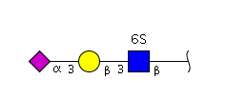
6-sulfo sialyl Lewis c |  | Glycotope
Su-SLec |  | Sulfated
 |  | Sialylated
Su-SaiLex | - | Lewis blood group | NeuAc(a2-3)Gal(b1-4)[Fuc(a1-3)][HSO3(-6)]GlcNAc(b | 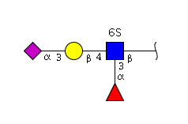
Su-SLex |  | Glycotope
6-sulfo sialyl Lewis x |  | Sulfated
 |  | Fucosylated
 |  | Sialylated
A-Galactosylparagloboside | Glycosphingolipid | - | Gal(a1-3)Gal(b1-4)GlcNAc(b1-3)Gal(b1-4)Glc(b1-1)
A-galactosylparagloboside
A Leb | - | ABH blood group | GalNAc(a1-3)[Fuc(a1-2)]Gal(b1-3)[Fuc(a1-4)]GlcNAc | 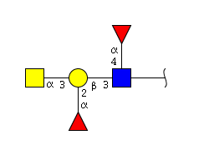
A Lewis b |  | Lewis blood group
 |  | Fucosylated
dimannoside | N-linked glycoprotein | High-mannose | Man(a1-2)Man | 
alpha-oligomannoside

alpha-oligomannoside | N-linked glycoprotein | - | Man(a1-6)Man

alpha-oligomannoside | N-linked glycoprotein | - | Man(a1-3)Man
Antigen A | - | ABH blood group | GalNAc(a1-3)[Fuc(a1-2)]Gal(b1-3)GlcNAc | 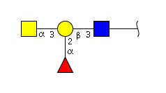
 |  | Fucosylated
Antigen H | - | ABH blood group | Fuc(a1-2)Gal(b1-3)GlcNAc | 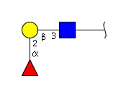
H1 (tri-) |  | Fucosylated
A type 1 A Lewis b | - | ABH blood group | GalNAc(a1-3)[Fuc(a1-2)]Gal(b1-3)[Fuc(a1-4)]GlcNAc(b1-3)Gal | 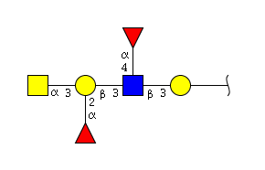
A type 1 A Leb |  | Lewis blood group
 |  | Fucosylated
B Lewis b | - | ABH blood group | Gal(a1-3)[Fuc(a1-2)]Gal(b1-3)[Fuc(a1-4)]GlcNAc | 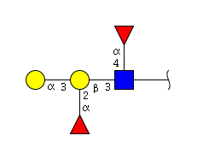
B Leb |  | Lewis blood group
 |  | Fucosylated
Blood group A type 2 tetrasaccharide | - | ABH blood group | GalNAc(a1-3)[Fuc(a1-2)]Gal(b1-4)GlcNAc | 
 |  | Fucosylated
B type 1 B Lewis b | - | ABH blood group | Gal(a1-3)[Fuc(a1-2)]Gal(b1-3)[Fuc(a1-4)]GlcNAc(b1-3)Gal | 
B type 1 B Leb |  | Lewis blood group
 |  | Fucosylated

Chitobios | Glycoprotein | Glycotope | GlcNAc(b1-4)GlcNAc
Disialogangliotetraosylceramide | Glycosphingolipid | Sialylated | NeuAc(a2-3)Gal(b1-3)GalNAc(b1-4)[NeuAc(a2-3)]Gal(b1-4)Glc(b1-1) | 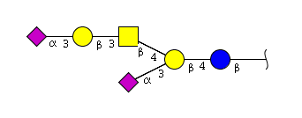
GD1a
NeuAc-GD1b | Glycosphingolipid | Sialylated | Gal(b1-3)GalNAc(b1-4)[NeuAc(a2-8)NeuAc(a2-3)]Gal(b1-4)Glc(b1-1) | 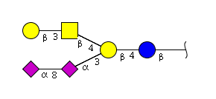
Disialogangliotetraosylceramide
Disialoganglioside
GD1b
Disialosyl galactosyl globoside | Glycosphingolipid | Sialylated | NeuAc(a2-3)Gal(b1-3)[NeuAc(a2-6)]GalNAc(b1-3)Gal(a1-4)Gal(b1-4)Glc(b1-1) | 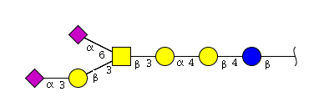
DSGG
DiSai | - | Glycotope | NeuAc(a2-8)NeuAc(2-3) | 
Disialylactose |  | Sialylated
Fuc-gangliotetraosylceramide | Glycosphingolipid | Fucosylated | Fuc(a1-2)Gal(b1-3)GalNAc(b1-4)Gal(b1-4)Glc(b1-1) | 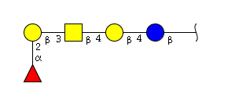
H-5-ganglio
Fuc-GgO4
Fuc | - | Glycotope | Fuc | 
L-Fucose |  | Fucosylated
Fucose
Galabiose | - | Glycotope | Gal(a1-4)Gal | 
Digalactoside
Ga2

Galabiosylceramide | Glycosphingolipid | Glycotope | Gal(a1-4)Gal(b1-1)
Galabiosylceramide | Glycosphingolipid | - | Gal(a1-4)Gal(b1-1)
Digalactosylceramide
Gal | - | Glycotope | Gal | 
Galactose
Gal | - | Glycotope | Gal(b | 
Galactose
Galactose beta1 | - | Glycotope | Gal(b1
Gal beta1
LC | Glycosphingolipid | - | Gal(b1-1)
Galactosylceramide
GalCer
SSEA-3 | Glycosphingolipid | - | Gal(b1-3)GalNAc(b1-3)Gal(a1-4)Gal(b1-4)Glc(b1-1)
Stage-specific embryonic antigen-3
Gal(b1-3) globoside
Asialo-GM1 | Glycosphingolipid | - | Gal(b1-3)GalNAc(b1-4)Gal(b1-4)Glc(b1-1)
GgO4
Gg4
GA1
Gangliotetraosylceramide
Asialo-GM1a
Gg4 | Glycosphingolipid | - | Gal(b1-4)GalNAc(b1-4)Gal(b1-4)Glc(b1-1)
Gangliotetraosylceramide
Gg3 | Glycosphingolipid | - | GalNAc(b1-4)Gal(b1-4)Glc(b1-1) | 
Asialo-GM2
GA2
Gangliotriaosylceramide
Asialo-GM2a
Gg4Cer II3-sulfate | Glycosphingolipid | Sulfated | Gal(b1-3)GalNAc(b1-4)[SU-3]Gal(b1-4)Glc(b1-1) | 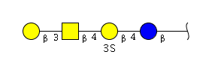
SM1a

Globotetraosylceramide | - | - | Gal(b1-3)GlcNAc
Globotetraosylceramide | Glycosphingolipid | - | GalNAc(b1-3)Gal(a1-4)Gal(b1-4)Glc(b1-1)
Globoside
Gb4
Globotriaosylceramide | Glycosphingolipid | - | Gal(a1-4)Gal(b1-4)Glc(b1-1) | 
CTH
Gb3
Trihexosylceramide
D-Glucose | - | Glycotope | Glc | 
Glucose
Glc
Ceramide monohexoside | Glycosphingolipid | - | Glc(b1-1) | 
Glucosylceramide
GlcCer
CMH
H type 1 Leb | - | ABH blood group | Fuc(a1-2)Gal(b1-3)[Fuc(a1-4)]GlcNAc(b1-3)Gal | 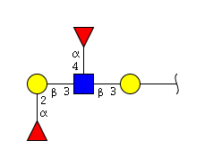
H type 1 Lewis b |  | Lewis blood group
 |  | Fucosylated
I-active ganglioside | Glycosphingolipid | Sialylated | NeuAc(a2-3)Gal(b1-4)GlcNAc(b1-3)Gal(b1-4)GlcNAc(b1-3)Gal(b1-4)Glc(b1-1)
NeuAca3-nLc6
NeuAca2-3i
I-Active ganglioside | Glycosphingolipid | Sialylated | NeuAc(a2-3)Gal(b1-4)GlcNAc(b1-6)[NeuAc(a2-3)Gal(b1-4)GlcNAc(b1-3)]Gal(b1-4)GlcNAc(b1-3)Gal(b1-4)Glc(b1-1)
NeuAc-G-10
NeuAca2-3I
NeuGc-GM1 | Glycosphingolipid | Sialylated | Gal(b1-3)GalNAc(b1-4)[NeuGc(a2-3)]Gal(b1-4)Glc(b1-1) | 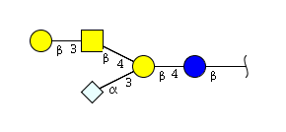
II3Neu5GcGg4Cer, GM1(Gc)
Isoglobotri | Glycosphingolipid | - | Gal(a1-3)Gal(b1-4)Glc(b1-1) | 
Isoglobotriaosylceramide
IGb3
Lactosylceramide | Glycosphingolipid | - | Gal(a1-4)Glc(b1-1) | 
LacCer
Lactosylceramide | Glycosphingolipid | - | Gal(b1-4)Glc(b1-1) | 
CDH
LacCer
Lc2
LNT | - | - | Gal(b1-3)GlcNAc(b1-3)Gal(b1-4)Glc
Lactotetraose
Lacto-N-tetraose
Lactotetraosylceramide | Glycosphingolipid | - | Gal(b1-3)GlcNAc(b1-3)Gal(b1-4)Glc(b1-1)
Lc4
Lactotriaosylceramide | Glycosphingolipid | - | GlcNAc(b1-3)Gal(b1-4)Glc(b1-1) | 
Lc3
CD45 | Glycoprotein | Sialylated | NeuAc(a2-3) | 
Leukocyte common antigen
LCA | Glycoprotein | Glycotope | Gal(b1-3)GalNAc | 
CD45
Leukocyte common antigen
Sialophorin and SPN | Glycoprotein | Sialylated | NeuAc(a2-3)
Leukosialin
CD43
SPN | Glycoprotein | Glycotope | Gal(b1-3)GalNAc
Sialophorin
Leukosialin
CD43
Lewis a | Glycosphingolipid | Lewis blood group | Gal(b1-3)[Fuc(a1-4)]GlcNAc(b1-3)Gal(b1-4)Glc(b1-1) | 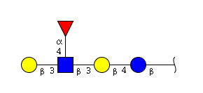
Lea-5 |  | Fucosylated
Lea-3 | - | Lewis blood group | Gal(b1-3)[Fuc(a1-4)]GlcNAc | 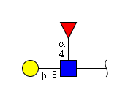
Lewis a |  | Fucosylated
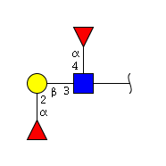
Lewis b | - | Lewis blood group | Fuc(a1-2)Gal(b1-3)[Fuc(a1-4)]GlcNAc
Leb-4 |  | Fucosylated
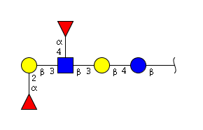
Lewis b | Glycosphingolipid | Lewis blood group | Fuc(a1-2)Gal(b1-3)[Fuc(a1-4)]GlcNAc(b1-3)Gal(b1-4)Glc(b1-1)
Leb-6 |  | Fucosylated
Lewis x | Glycosphingolipid | Fucosylated | Gal(b1-3)[Fuc(a1-3)]GlcNAc(b1-3)Gal(b1-4)Glc(b1-1) | 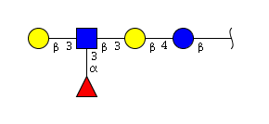
Lex-5 |  | Lewis blood group
Lewis x | - | Lewis blood group | Gal(b1-4)[Fuc(a1-3)]GlcNAc | 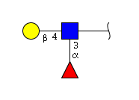
Lex-3 |  | Fucosylated
Lewis y | - | ABH blood group | Fuc(a1-2)Gal(b1-4)[Fuc(a1-3)]GlcNAc | 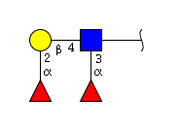
Ley-4 |  | Fucosylated
Lewis y | Glycosphingolipid | Lewis blood group | Fuc(a1-2)Gal(b1-4)[Fuc(a1-3)]GlcNAc(b1-3)Gal(b1-4)Glc(b1-1) | 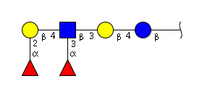
Ley-6 |  | Fucosylated
LSTc pentasaccharide | - | Sialylated | NeuAc(a2-6)Gal(b1-4)GlcNAc(b1-3)Gal(b1-4)Glc
Mannose | - | Glycotope | Man | 
Man
Mannose | - | - | Man(a)
Man
Alpha-linked mannose
Monosialodihexosylganglioside | Glycosphingolipid | Sialylated | NeuAc(a2-3)Gal(b1-4)Glc(b1-1) | 
II3NeuAc LacCer
Hematoside
GM3
Monosialogangliotetraosylceramide | Glycosphingolipid | Sialylated | Gal(b1-3)GalNAc(b1-4)[NeuAc(a2-3)]Gal(b1-4)Glc(b1-1) | 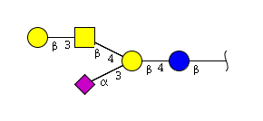
Monosialoganglioside
NeuAc-GM1
GM1a
GM1
N-acetyl-D-galactosamine | - | Glycotope | GalNAc(b | 
GalNAc
N-acetylgalactosamine | - | Glycotope | GalNAc | 
GalNAc
N-acetylglucosamine | Glycoprotein | Glycotope | GlcNAc | 
GlcNAc
NANA | - | Glycotope | NeuAc | 
Sialic acid |  | Sialylated
NeuAc
N-acetylneuraminic acid
NeuAc | Glycoprotein | Glycotope | NeuAc(a2-8)
N-acetylneuraminic acid |  | Sialylated
NeuAc | - | Sialylated | NeuAc(a2-3)
N-acetylneuraminic acid
Neolactohexosylceramide | Glycosphingolipid | - | Gal(b1-4)GlcNAc(b1-3)Gal(b1-4)GlcNAc(b1-3)Gal(b1-4)Glc(b1-1)
NLc6
Neolactotetraosylceramide | Glycosphingolipid | - | Gal(b1-4)GlcNAc(b1-3)Gal(b1-4)Glc(b1-1)
NLc4
Paragloboside
Neolactotetrose | - | - | Gal(b1-4)GlcNAc(b1-3)Gal(b1-4)Glc
LNnT
Lacto-N-neotetraose
3a,6a-mannopentaose | N-linked glycoprotein | - | Man(a1-3)[Man(a1-6)]Man(b1-4)GlcNAc(b1-4)GlcNAc | 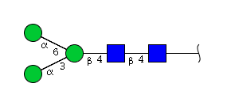
Pentasaccharide N-linked glycan core
Precusor Lewis a | - | Glycotope | Gal(b1-3)GlcNAc(b1-3)Gal | 
Precusor Lea
Sialosyl gal-globoside | Glycosphingolipid | Sialylated | NeuAc(a2-3)Gal(b1-3)GalNAc(b1-3)Gal(a1-4)Gal(b1-4)Glc(b1-1)
SGG
Sialosyl galactosyl globoside
S3P | Glycosphingolipid | Sialylated | NeuAc(a2-3)Gal(b1-4)GlcNAc(b1-3)Gal(b1-4)Glc(b1-1)
NeuAca3SPG
IV3(NeuAc)nLc4Cer
Sialosylparagloboside
Sial pg
NeuAca2-3PG
S-3-PG
Sialyl-3-lactose | - | Sialylated | NeuAc(a2-3)Gal(b1-4)Glc | 
3'SL
Alpha 2-3 sialyllactose | - | Sialylated | NeuAc(a2-3)Gal(b1-4)Glc(b1-1)
Sialyl-3-lactose
3'SL
Sai-LNnT | Glycosphingolipid | Sulfated | NeuAc(a2-3)Gal(b1-4)[Fuc(a1-3][HSO3(-6)]GlcNAc(b1-3)[HSO3(-6)]Gal(b1-4)Glc(b1-1) | 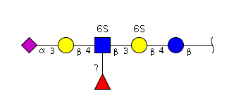
Sialyllacto-N-neotetraose |  | Fucosylated
 |  | Sialylated
Sialyllacto-N-tetraose b | Glycosphingolipid | Sialylated | Gal(b1-4)[NeuAc(a2-6)]GlcNAc(b1-3)Gal(b1-4)Glc | 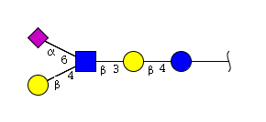
LSTb
Sialyl Lewis a | - | Lewis blood group | NeuAc(a2-3)Gal(b1-3)[Fuc(a1-4)]GlcNAc(b1-3)Gal(b1-4)Glc | 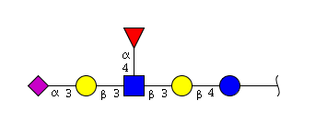
SLea |  | Fucosylated
 |  | Sialylated
Sialyl Lewis a | Glycosphingolipid | Lewis blood group | NeuAc(a2-3)Gal(b1-3)[Fuc(a1-4)]GlcNAc(b1-3)Gal(b1-4)Glc(b1-1) | 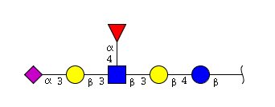
NeuAca3-Lea |  | Fucosylated
 |  | Sialylated
SLec | - | Lewis blood group | NeuAc(a2-3)Gal(b1-3)GlcNAc(b | 
Sialyl Lewis c |  | Glycotope
SaiLec |  | Sialylated
Sialyl Lewis x | Glycosphingolipid | Lewis blood group | NeuAc(a2-3)Gal(b1-4)[Fuc(a1-3)]GlcNAc(b1-3)Gal(b1-4)Glc(b1-1) | 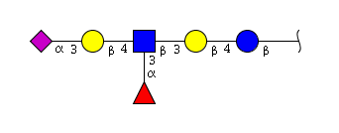
SLex |  | Fucosylated
NeuAca3-Lex |  | Sialylated
Sialyl Lewis x | - | Lewis blood group | NeuAc(a2-3)Gal(b1-4)[Fuc(a1-3)]GlcNAc(b | 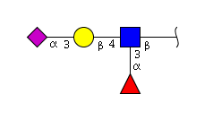
SLex |  | Glycotope
SaiLex |  | Fucosylated
 |  | Sialylated
NeuAca3-dimer-Lex | Glycosphingolipid | Lewis blood group | NeuAc(a2-3)Gal(b1-4)[Fuc(a1-3)]GlcNAc(b1-3)Gal(b1-4)[Fuc(a1-3)]GlcNAc(b1-3)Gal(b1-4)Glc(b1-1)
Sialyl Lewis x Lewis x |  | Fucosylated
SDLex |  | Sialylated
NeuAca2-6PG | Glycosphingolipid | Sialylated | NeuAc(a2-6)Gal(b1-4)GlcNAc(b1-3)Gal(b1-4)Glc(b1-1)
IV6(NeuAc)nLc4Cer
Sialylparagloboside
Su-3'SLN | - | Glycotope | NeuAc(a2-3)Gal(b1-4)[HSO3(-6)]GlcNAc(b | 
Sulfated trisaccharide |  | Sulfated
Sulfated sialyl-3-N-acetyllactosamine |  | Sialylated
NeuAc-GT1b | Glycosphingolipid | Sialylated | NeuAc(a2-3)Gal(b1-3)GalNAc(b1-4)[NeuAc(a2-8)NeuAc(a2-3)]Gal(b1-4)Glc(b1-1) | 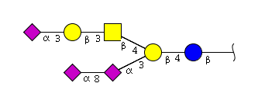
Trisialogangliotetraosylceramide
GT1b
Tetraosylceramide | Glycosphingolipid | - | GalNAc(a1-3)GalNAc(b1-3)Gal(b1-4)Glc(b1-1)
Hexaosylceramide | Glycosphingolipid | - | GalNAc(a1-3)GalNAc(b1-3)Gal(b1-4)GlcNAc(b1-3)Gal(b1-4)Glc(b1-1)
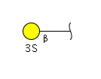
Sulfatide | Glycosphingolipid | Sulfated | SO3(-3)Gal(b1-1)
Beta-linked galactose | - | Glycotope | Gal(b
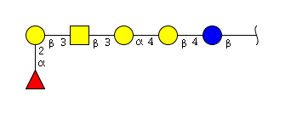
Globo-H | Glycosphingolipid | Fucosylated | Fuc(a1-2)Gal(b1-3)GalNAc(b1-3)Gal(a1-4)Gal(b1-4)Glc(b1-1)
Globo-A | Glycosphingolipid | ABH blood group | GalNAc(a1-3)[Fuc(a1-2)]Gal(b1-3)GalNAc(b1-3)Gal(a1-4)Gal(b1-4)Glc(b1-1) | 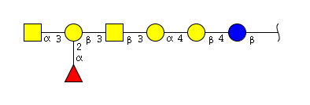
 |  | Fucosylated
Forssman | Glycosphingolipid | - | GalNAc(a1-3)Gal(b1-3)GalNAc(b1-3)Gal(a1-4)Gal(b1-4)Glc(b1-1)
NeuGc-GM3 | Glycosphingolipid | Sialylated | NeuGc(a2-3)Gal(b1-4)Glc(b1-1) | 
GM3gc
NeuGc-GM2 | Glycosphingolipid | Sialylated | NeuGc(a2-3)[GalNAc(b1-4)]Gal(b1-4)Glc(b1-1) | 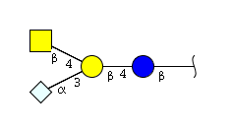
GM2gc
Gb5 | Glycosphingolipid | - | GalNAc(a1-3)GalNAc(b1-3)Gal(a1-4)Gal(b1-4)
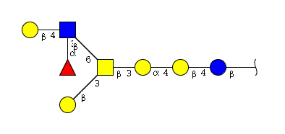
GL-III | Glycosphingolipid | Fucosylated | Gal(b1-4)[Fuc(a1-3)]GlcNAc(b1-6)[Gal(b1-3)]GalNAc(b1-3)Gal(a1-4)Gal(b1-4)Glc(b1-1)
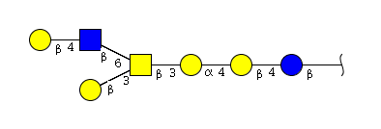
GL-II | Glycosphingolipid | - | Gal(b1-4)GlcNAc(b1-6)[Gal(b1-3)]GalNAc(b1-3)Gal(a1-4)Gal(b1-4)Glc(b1-1)
Forssman glycolipid | Glycosphingolipid | - | GalNAc(a1-3)GalNAc(b1-3)Gal(a1-4)Gal(b1-4)Glc(b1-1)
GD2 | Glycosphingolipid | Sialylated | GalNAc(b1-4)[NeuAc(a2-8)NeuAc(a2-3)]Gal(b1-4)Glc(b1-1) | 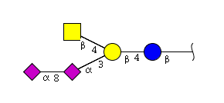
NeuAc-GD2
G9-B | Glycosphingolipid | ABH blood group | Gal(a1-3)[Fuc(a1-2)]Gal(b1-4)GlcNAc(b1-6)[NeuAc(a2-3)Gal(b1-4)GlcNAc(b1-3)]Gal(b1-4)GlcNAc(b1-3)Gal(b1-4)Glc(b1-1) | 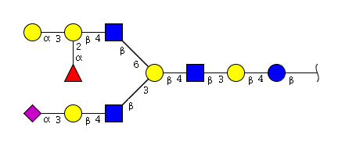
 |  | Fucosylated
 |  | Sialylated
VIM-2 | Glycosphingolipid | Fucosylated | NeuAc(a2-3)Gal(b1-4)GlcNAc(b1-3)Gal(b1-4)[Fuc(a1-3)]GlcNAc(b1-3)Gal(b1-4)Glc(b1-1)
 |  | Sialylated
NeuAca3-nLc8 | Glycosphingolipid | Sialylated | NeuAc(a2-3)Gal(b1-4)GlcNAc(b1-3)Gal(b1-4)GlcNAc(b1-3)Gal(b1-4)GlcNAc(b1-3)Gal(b1-4)Glc(b1-1)
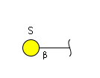
Sulfatide | Glycosphingolipid | Sulfated | SO3Gal(b1-1)
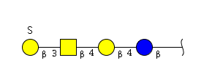
Sulf-gangliotetraosyl ceramide | Glycosphingolipid | Sulfated | SO3Gal(b1-3)GalNAc(b1-4)Gal(b1-4)Glc(b1-1)
SSEA-4 | - | Sialylated | NeuAc(a2-3)Gal(b1-3)GalNAc(b1-3)Gal(a1-4)Gal(b1-4)Glc(b1-1)
Stage specific embryonic antigen-4
Sialyllactotetraosylceramide | Glycosphingolipid | Sialylated | NeuAc(a2-6)Gal(b1-3)GlcNAc(b1-4)Gal(b1-4)Glc(b1-1)
LSTa | - | Sialylated | NeuAc(a2-3)Gal(b1-3)GlcNAc(b1-3)Gal(b1-4)Glc
LSTc | - | Sialylated | NeuAc(a2-6)Gal(b1-3)GlcNAc(b1-3)Gal(b1-4)Glc
Sialyllactotetraosylceramide | Glycosphingolipid | Sialylated | NeuAc(a2-3)Gal(b1-3)GlcNAc(b1-3)Gal(b1-4)Glc(b1-1)
I-active ganglioside | Glycosphingolipid | Sialylated | Gal(a1-3)Gal(b1-4)GlcNAc(b1-6)[NeuAc(a2-3)Gal(b1-4)Glc(b1-3)]Gal(b1-4)GlcNAc(b1-3)Gal(b1-4)Glc(b1-1)

Unnamed | - | Glycotope | Gal(b1-4)Glc
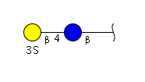
Sulf-lactosylceramide | Glycosphingolipid | Sulfated | SO3(-3)Gal(b1-4)Glc(b1-1)
GD3 | Glycosphingolipid | Sialylated | NeuAc(a2-8)NeuAc(a2-3)Gal(b1-4)Glc(b1-1)
GM1 | Glycosphingolipid | Sialylated | NeuAc(a2-3)Gal(b1-3)GalNAc(b1-4)Gal(b1-4)Glc(b1-1)
LNFP II | - | Lewis blood group | Gal(b1-3)[Fuc(a1-4)]GlcNAc(b1-3)Gal(b1-4)Glc | 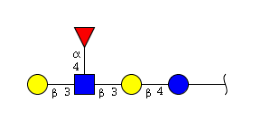
 |  | Fucosylated
Lacto-N-fucopentose | - | Lewis blood group | Gal(b1-3)[Fuc(a1-4)]GlcNAc(b1-3)Gal(b1-4)Glc
 |  | Fucosylated

Melibiose | - | Glycotope | Gal(a1-6)Gal
Seminolipid | Glyceroglycolipid | Sulfated | SO4(-3)Gal(b1-3)
Unnamed | - | Glycotope | Gal(b1-3)GalNAc
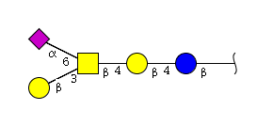
Unnamed | Glycosphingolipid | Sialylated | Gal(b1-3)[NeuAc(a2-6)]GalNAc(b1-4)Gal(b1-4)Glc(b1-1)
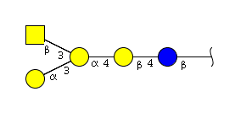
Unnamed | Glycosphingolipid | - | GalNAc(b1-3)[Gal(a1-3)]Gal(a1-4)Gal(b1-4)Glc(b1-1)
Unnamed | Glycosphingolipid | - | GalNAc(b1-3)Gal(a1-3)Gal(b1-4)Glc(b1-1)
Unnamed | Glycosphingolipid | - | GalNAc(b1-3)GalNAc(b1-3)Gal(a1-4)Gal(b1-4)Glc(b1-1)

Unnamed | - | Glycotope | GalNAc(b1-3)Gal

Unnamed | - | Glycotope | GalNAc(b1-4)Gal

Unnamed | - | Glycotope | Gal(a1-3)Gal(b1-4)GlcNAc(b

Unnamed | - | - | Gal(b1-4)GalNAc
Unnamed | Glycosphingolipid | - | Gal(a1-3)Gal(a1-3)Gal(b1-4)Glc(b1-1)
Unnamed | - | Glycotope | Gal(a1-4)Gal(b

Unnamed | - | Sialylated | NeuAc(a2-3)Gal(b1-4)
Unnamed | Glycosphingolipid | Sialylated | NeuGc(a2-3)Gal(b1-4)GlcNAc(b1-3)Gal(b1-4)GlcNAc(b1-3)Gal(b1-4)Glc(b1-1)
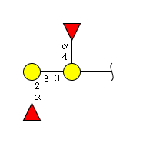
Unnamed | Glycoprotein | Fucosylated | Fuc(a1-2)Gal(b1-3)[Fuc(a1-4)]Gal

Unnamed | - | Sialylated | NeuAc(a2-6)Gal
Unnamed | - | - | Man(a1-2)Man

Unnamed | - | Glycotope | GalNAc(b1-4)Gal(b1-4)Glc

Unnamed | - | Glycotope | GlcNAc(b1-3)Gal(b1-4)Glc
Unnamed | Glycosphingolipid | - | Gal(a1-3)Gal(a1-4)Gal(b1-4)Glc(b1-1)
Unnamed | Glycosphingolipid | - | Gal(a1-4)Gal(b1-4)GlcNAc(b1-3)Gal(b1-4)Glc(b1-1)

Unnamed | - | - | GlcNAc(b1-3)Gal

Unnamed | - | Glycotope | Gal(a1-4)Gal(b1-1)Glc

Unnamed | - | Glycotope | Gal(a1-4)Gal(b1-4)GlcNAc

Unnamed | - | Glycotope | Gal(a1-4)Gal(b1-4)Glc
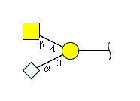
Unnamed | O-linked glycoprotein | Sialylated | GalNAc(b1-4)[NeuGc(a2-3)]Gal(B
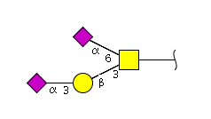
Unnamed | O-linked glycoprotein | Sialylated | NeuAc(a2-3)Gal(b1-3)[NeuAc(a2-6)]GalNAc
Unnamed | - | Glycotope | Gal(b1-3)GlcNAc

Unnamed | - | Glycotope | Gal(b1-4)GlcNAc

Unnamed | Glycoprotein | Fucosylated | Fuc(a1-2)Gal(b1-4)GlcNAc

Unnamed | - | Sialylated | NeuGc(a2-3)Gal(b1-4)Glc
Unnamed | - | Glycotope | NeuAc(a2-3)Gal(b1-3)GalNAc | 
 |  | Sialylated
Unnamed | - | - | Man(high)
Unnamed | Glycoprotein | Glycotope | GlcNAc(b1-4)GlcNAc

Unnamed | - | Glycotope | Gal(a1-3)Gal
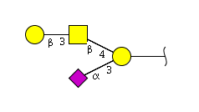
Unnamed | - | Sialylated | Gal(b1-3)GalNAc(b1-4)[NeuAc(a2-3)]Gal
Unnamed | - | Glycotope | NeuAc(a2-3)Gal(b1-4)GalNAc | 
 |  | Sialylated
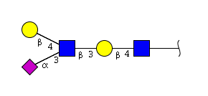
Unnamed | Glycoprotein | Sialylated | NeuAc(a2-3)[Gal(b1-4)]GlcNAc(b1-3)Gal(b1-4)GlcNAc
Unnamed | - | - | Gal(b1-3)GalNAc(b1-4)Gal(b1-4)Glc
Unnamed | - | Glycotope | Gal(b1-3)
Unnamed | - | Glycotope | Gal(b1-4)
Unnamed | - | Glycotope | Gal(a1-4)Gal(b1-4)Glc(b

Glycoprotein 1 | Glycoprotein | High-mannose | Man(a1-3)[Man(a1-6)]Man(a1-6)Man(a1-3)Man

Glycoprotein 3 | Glycoprotein | - | Man(a1-3)Man(a1-4)GlcNAc

Glycoprotein 2 | Glycoprotein | High-mannose | Man(a1-3)[Man(a1-6)]Man(a1-6)[Man(a1-2)Man(a1-3)]Man
A6 type 1 | Glycosphingolipid | ABH blood group | GalNAc(a1-3)[Fuc(a1-2)]Gal(b1-3)GlcNAc(b1-3)Gal(b1-4)Glc(b1-1) | 
 |  | Fucosylated
A8 type 1 | Glycosphingolipid | ABH blood group | GalNAc(a1-3)[Fuc(a1-2)]Gal(b1-3)GlcNAc(b1-3)Gal(b1-3)GlcNAc(b1-3)Gal(b1-4)Glc(b1-1)
 |  | Fucosylated
A7 type 4 | Glycosphingolipid | ABH blood group | GalNAc(a1-3)[Fuc(a1-2)]Gal(b1-3)GalNAc(b1-3)Gal(a1-4)Gal(b1-4)Glc(b1-1)
 |  | Fucosylated
A9 type 1 | Glycosphingolipid | ABH blood group | GalNAc(a1-3)[Fuc(a1-2)]Gal(b1-3)GalNAc(a1-3)[Fuc(a1-2)]GlcNAc(b1-3)Gal(b1-4)Glc(b1-1) | 
 |  | Fucosylated
A7 type 1 | Glycosphingolipid | ABH blood group | GalNAc(a1-3)[Fuc(a1-2)]Gal(b1-3)[Fuc(a1-4)]GlcNAc(b1-3)Gal(b1-4)Glc(b1-1) | 
 |  | Lewis blood group
 |  | Fucosylated
B6 type 1 | Glycosphingolipid | ABH blood group | Gal(a1-3)[Fuc(a1-2)]Gal(b1-3)GlcNAc(b1-3)Gal(b1-4)Glc(b1-1) | 
 |  | Fucosylated
B Lewis b(7) | Glycosphingolipid | ABH blood group | Gal(a1-3)[Fuc(a1-2)]Gal(b1-3)[Fuc(a1-4)]GlcNAc(b1-3)Gal(b1-4)Glc(b1-1) | 
B7 type 1 |  | Lewis blood group
 |  | Fucosylated
H5 type 1 | Glycosphingolipid | ABH blood group | Fuc(a1-2)Gal(b1-3)GlcNAc(b1-3)Gal(b1-4)Glc(b1-1) | 
 |  | Fucosylated
NeuAc-GM2 | Glycosphingolipid | Sialylated | GalNAc(b1-4)[NeuAc(a2-3)]Gal(b1-4)Glc(b1-1) | 
GM2
Sai2-3Gal | - | Glycotope | NeuAc(a2-3)Gal | 
 |  | Sialylated
NeuAc-GQ1b | Glycosphingolipid | Sialylated | NeuAc(a2-8)NeuAc(a2-3)Gal(b1-3)GalNAc(b1-4)[NeuAc(a2-8)NeuAc(a2-3)]Gal(b1-4)Glc(b1-1) | 
GQ1b
Sulfatide | Glycosphingolipid | Sulfated | SO4(-3)Gal(b1-1)
Lactosylsulfatide | Glycosphingolipid | Sulfated | SO4(-3)Gal(b1-4)Glc(b1-1)

Sulfatide | Glycosphingolipid | Sulfated | SO4(-6)Gal(b1-1)
B antigen(tri-) | - | ABH blood group | Gal(a1-3)[Fuc(a1-2)]Gal | 
 |  | Fucosylated
A antigen(tri-) | - | ABH blood group | GalNAc(a1-3)[Fuc(a1-2)]Gal | 
 |  | Fucosylated
H type 1 | - | ABH blood group | Fuc(a1-2)Gal(b1-3)GlcNAc(b1-3)Gal | 
 |  | Fucosylated
H3 (di-) | - | ABH blood group | Fuc(a1-2)Gal | 
 |  | Fucosylated
NeuGca2-3I | Glycosphingolipid | Sialylated | Gal(b1-3)Gal(b1-4)GlcNAc(b1-6)[NeuGc(a2-3)Gal(b1-4)GlcNAc(b1-3)]Gal(b1-4)GlcNAc(b1-3)Gal(b1-4)Glc(b1-1)
NeuAca2-6I | Glycosphingolipid | Sialylated | Gal(b1-4)GlcNAc(b1-6)[NeuAc(a2-6)Gal(b1-4)GlcNAc(b1-3)]Gal(b1-4)GlcNAc(b1-3)Gal(b1-4)Glc(b1-1)

N-glycan | N-linked glycoprotein | Fucosylated | NeuAc(a2-3)Gal(b1-4)GlcNAc(b1-2)Man(a1-3)[NeuAc(a2-3)Gal(b1-4)GlcNAc(b1-2)Man(a1-6)]Man(b1-4)GlcNAc(b1-4)[Fuc(a1-6)]GlcNAc
 |  | Sialylated

N-glycan | N-linked glycoprotein | Sialylated | NeuAc(a2-3)Gal(b1-4)GlcNAc(b1-4)[NeuAc(a2-6)Gal(b1-4)GlcNAc(b1-2)]Man(a1-3)[NeuAc(a2-3)Gal(b1-4)GlcNAc(b1-2)Man(a1-6)]Man(b1-4)GlcNAc(b1-4)GlcNAc

NA2F | - | Fucosylated | Gal(b1-4)GlcNAc(b1-2)Man(a1-3)[Gal(b1-4)GlcNAc(b1-2)Man(a1-6)]Man(b1-4)GlcNAc(b1-4)[Fuc(a1-6)]GlcNAc

Mannotriose | - | - | Man(a1-2)Man(a1-6)Man(a1-6)
B-GM1 | Glycosphingolipid | ABH blood group | Gal(a1-3)[Fuc(a1-2)]Gal(b1-3)GalNAc(b1-4)[NeuAc(a2-3)]Gal(b1-4)Glc(b1-1) | 
 |  | Fucosylated
 |  | Sialylated

Extended GM1 | Glycosphingolipid | Sialylated | Gal(b1-3)GalNAc(b1-4)[NeuAc(a2-3)]Gal(b1-3)GalNAc(b1-4)Gal(b1-4)Glc(b1-1)
Sai2-3Gal | - | Sialylated | NeuAc(a2-3)Gal(b

Mannotriose | - | - | Man(a1-3)[Man(1-6)]Man

Mannotriose | - | - | Man(a1-3)Man(a1-6)Man
← Previous
Displaying 1 to 203 of 203
Next →

Show 50 per page
SugarBind

Supported by Swiss National Science Foundation (SNSF) | SIB

