Sheet1
Homework 2 Generating ROC Curve
Assign prediction probabilities randomly between 0 and 1.
If the prediction probabilties assigned by any two students are the same, it will be considered as plagiarism.
 |  |  | Predicted Labels at Different Thresholds
Sample ID | Actual Class Labels | Prediction Probability | Threshold = 0 | Threshold = 0.1 | Threshold = 0.2 | Threshold = 0.3 | Threshold = 0.4 | Threshold = 0.5 | Threshold = 0.6 | Threshold = 0.7 | Threshold = 0.8 | Threshold = 0.9 | Threshold = 1 | Threshold | TP | FP | TN | FN | TPR | FPR
S1 | P | 0.32 | P | P | P | P | N | N | N | N | N | N | N | 0 | 10 | 10 | 0 | 0 | 1 | 1
S2 | P | 0.15 | P | P | N | N | N | N | N | N | N | N | N | 0.1 | 7 | 8 | 2 | 3 | 0.7 | 0.8
S3 | P | 0.65 | P | P | P | P | P | P | P | N | N | N | N | 0.2 | 6 | 7 | 3 | 4 | 0.6 | 0.7
S4 | P | 0.07 | P | N | N | N | N | N | N | N | N | N | N | 0.3 | 6 | 6 | 4 | 4 | 0.6 | 0.6
S5 | P | 0.54 | P | P | P | P | P | P | N | N | N | N | N | 0.4 | 4 | 5 | 5 | 6 | 0.4 | 0.5
S6 | P | 0.37 | P | P | P | P | N | N | N | N | N | N | N | 0.5 | 3 | 4 | 6 | 7 | 0.3 | 0.4
S7 | P | 0.06 | P | N | N | N | N | N | N | N | N | N | N | 0.6 | 1 | 3 | 7 | 9 | 0.1 | 0.3
S8 | P | 0.51 | P | P | P | P | P | P | N | N | N | N | N | 0.7 | 0 | 2 | 8 | 10 | 0 | 0.2
S9 | P | 0.04 | P | N | N | N | N | N | N | N | N | N | N | 0.8 | 0 | 2 | 8 | 10 | 0 | 0.2
S10 | P | 0.43 | P | P | P | P | P | N | N | N | N | N | N | 0.9 | 0 | 1 | 9 | 10 | 0 | 0.1
S11 | N | 0.07 | P | N | N | N | N | N | N | N | N | N | N | 1 | 0 | 0 | 10 | 10 | 0 | 0
S12 | N | 0.09 | P | N | N | N | N | N | N | N | N | N | N
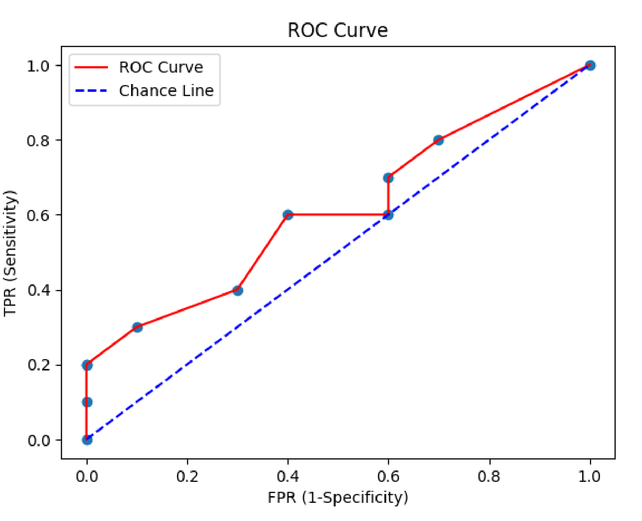
S13 | N | 0.42 | P | P | P | P | P | N | N | N | N | N | N
S14 | N | 0.83 | P | P | P | P | P | P | P | P | P | N | N
S15 | N | 0.12 | P | P | N | N | N | N | N | N | N | N | N
S16 | N | 0.22 | P | P | P | N | N | N | N | N | N | N | N
S17 | N | 0.63 | P | P | P | P | P | P | P | N | N | N | N
S18 | N | 0.95 | P | P | P | P | P | P | P | P | P | P | N
S19 | N | 0.58 | P | P | P | P | P | P | N | N | N | N | N
S20 | N | 0.4 | P | P | P | P | N | N | N | N | N | N | N

