Character Review
Bipedal Character Review — 25 Variations
Use the Like and Dislike dropdowns to switch ☐ to ☑. Add notes about proportions, pose, hair, palette, outline, or equipment.
Liked | 0 | Disliked | 0 | Unreviewed | 25 | Conflicts | 0

ID | Preview | Character | Variation | Like | Dislike | Notes | Status
01 | 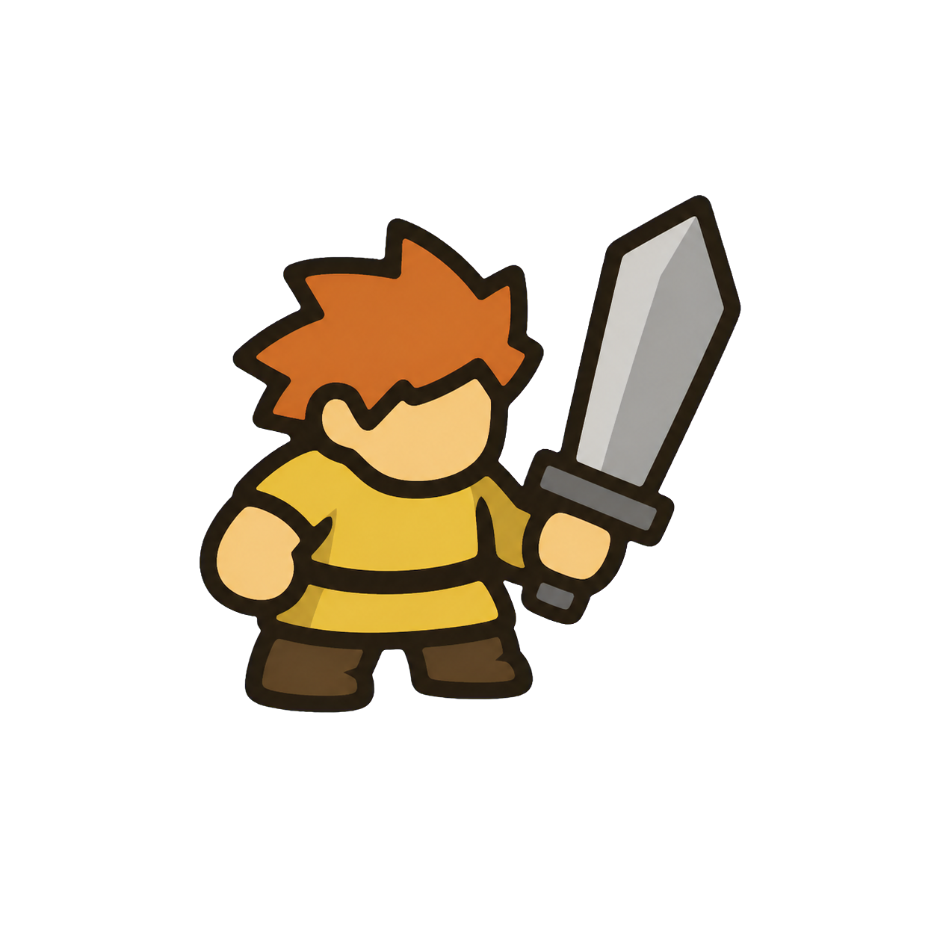 | Sword Recruit | Average build · short sword · rust spiked hair | ☐ | ☐ |  | UNREVIEWED
02 | 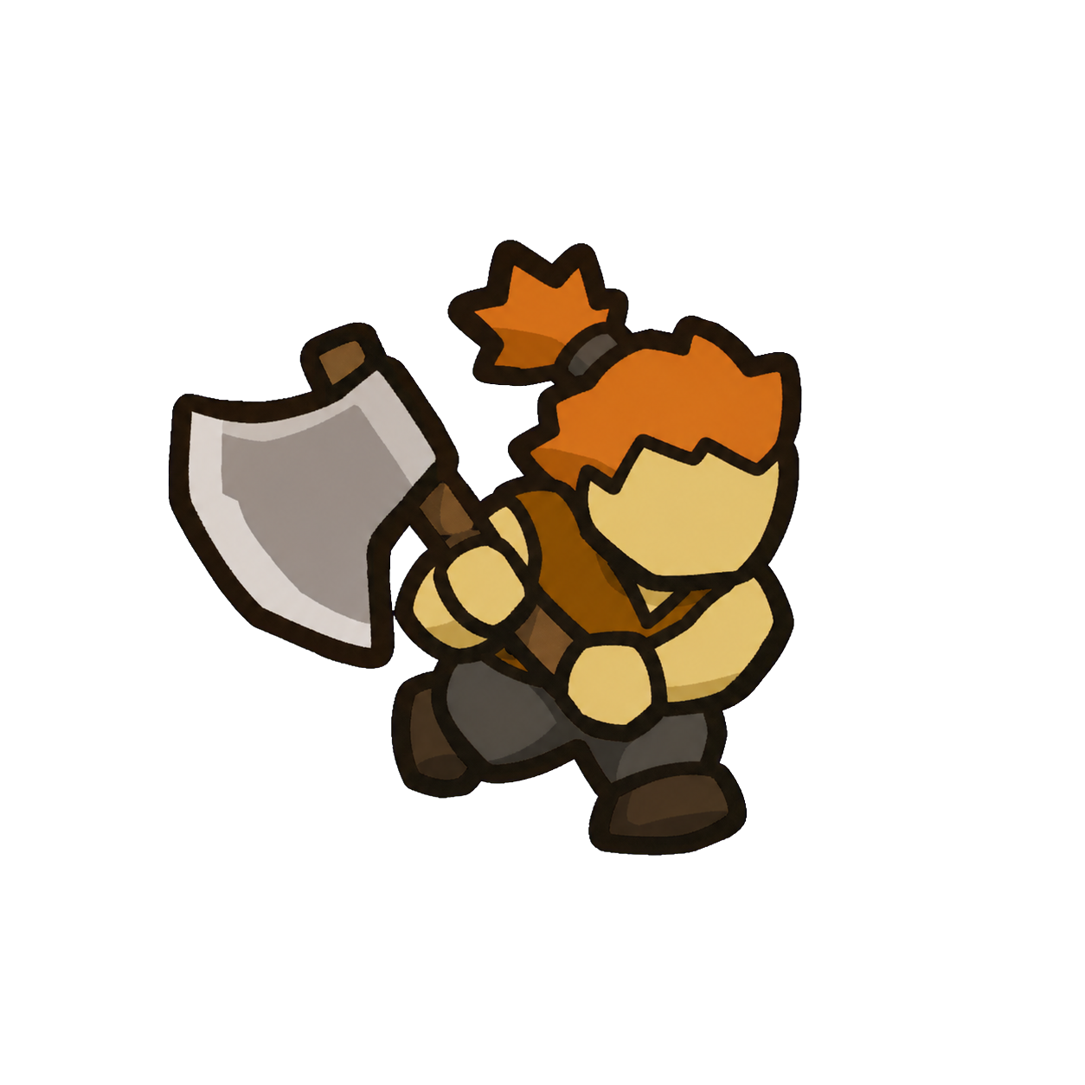 | Axe Runner | Lean running pose · broad axe · orange topknot | ☐ | ☐ |  | UNREVIEWED
03 | 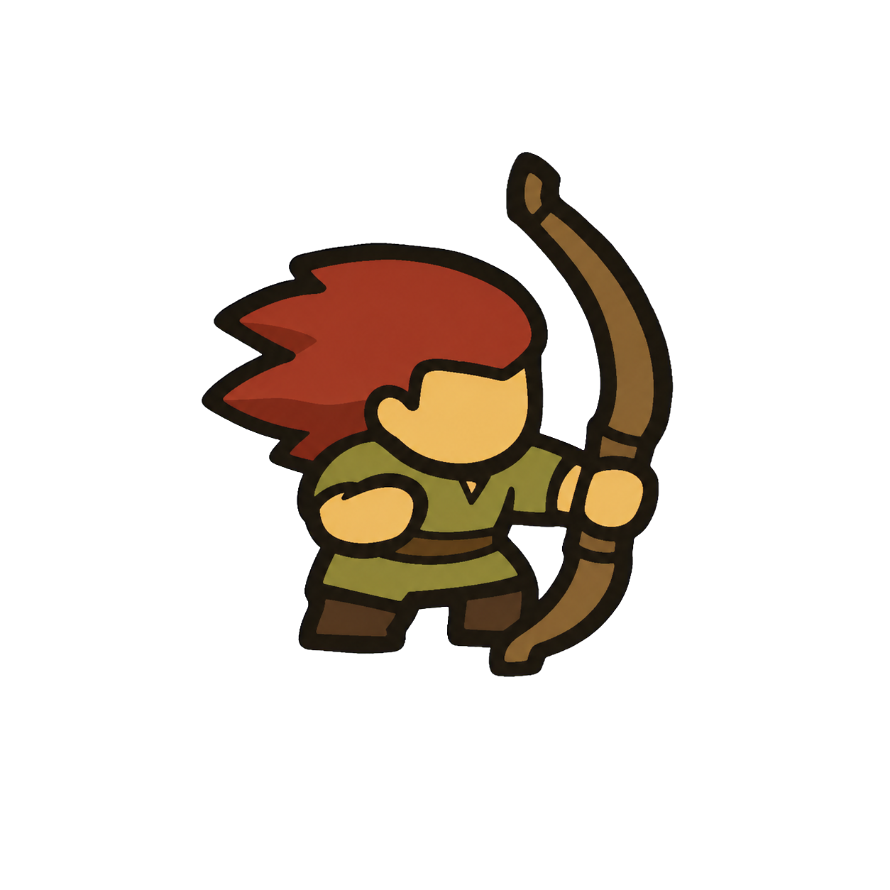 | Archer | Balanced stance · curved bow · swept red hair | ☐ | ☐ |  | UNREVIEWED
04 | 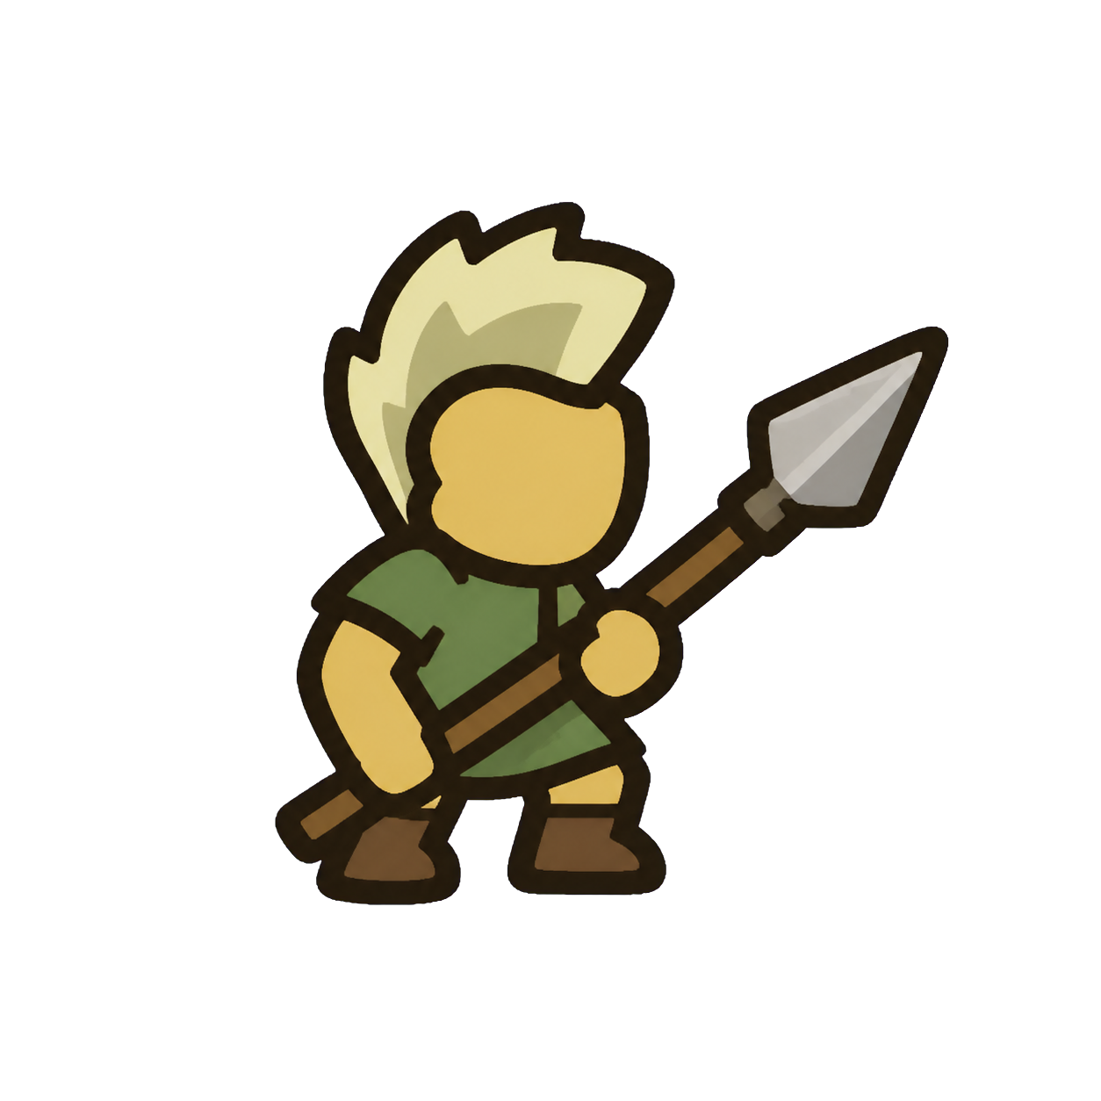 | Spear Scout | Tall narrow build · diagonal spear · blond mohawk | ☐ | ☐ |  | UNREVIEWED
05 | 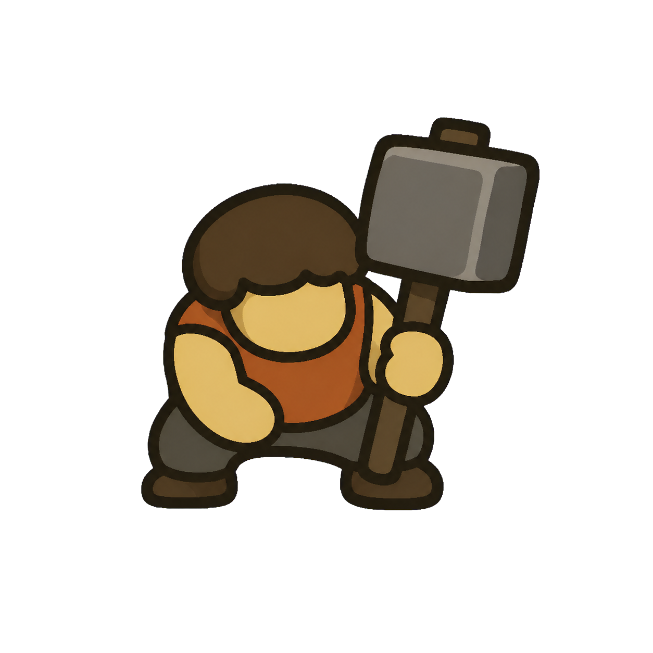 | Hammer Guard | Wide braced build · square hammer · bowl cut | ☐ | ☐ |  | UNREVIEWED
06 | 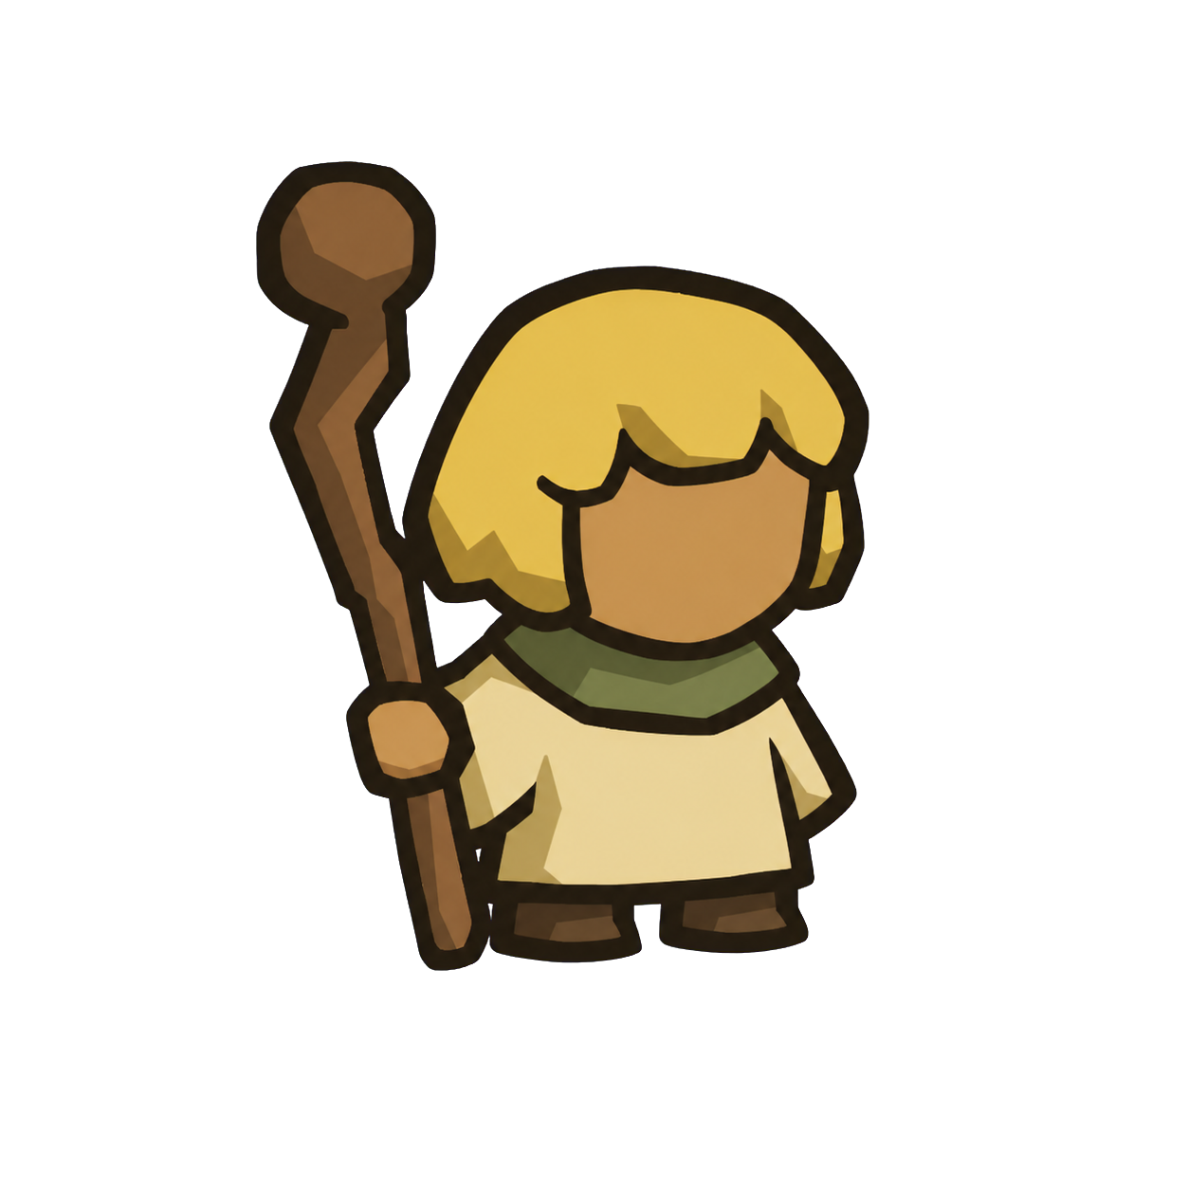 | Healer | Soft upright shape · crooked staff · blond bob | ☐ | ☐ |  | UNREVIEWED
07 | 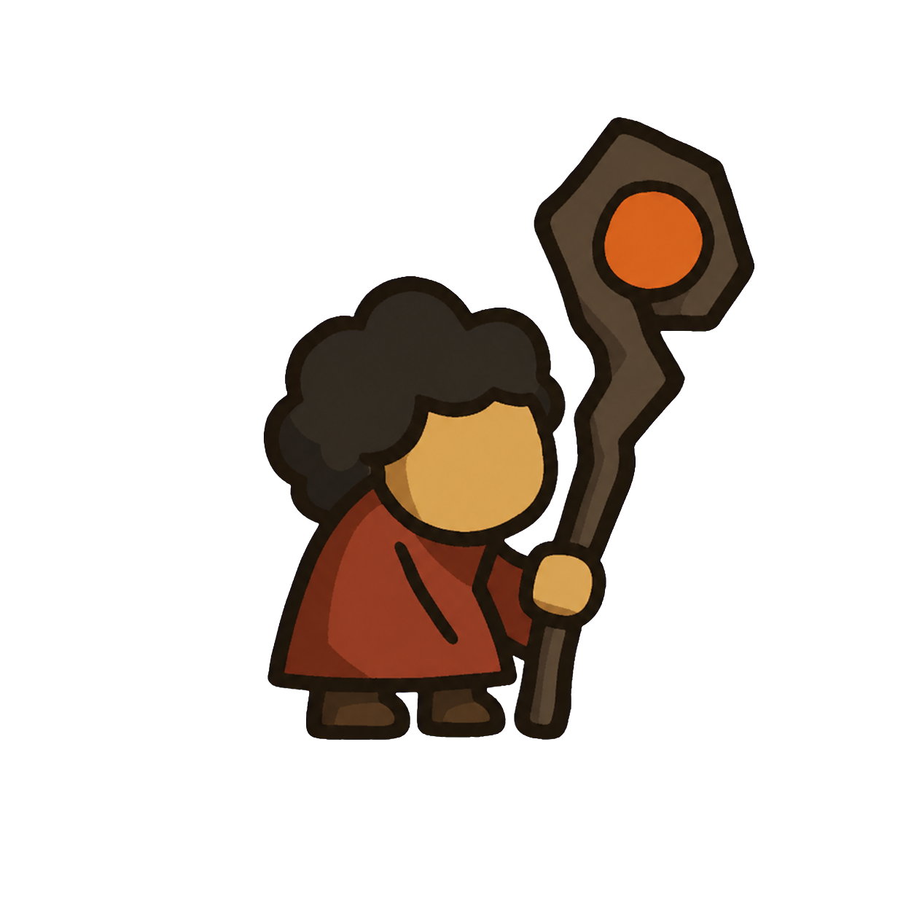 | Ember Mage | Narrow hunched shape · disk staff · black puff hair | ☐ | ☐ |  | UNREVIEWED
08 | 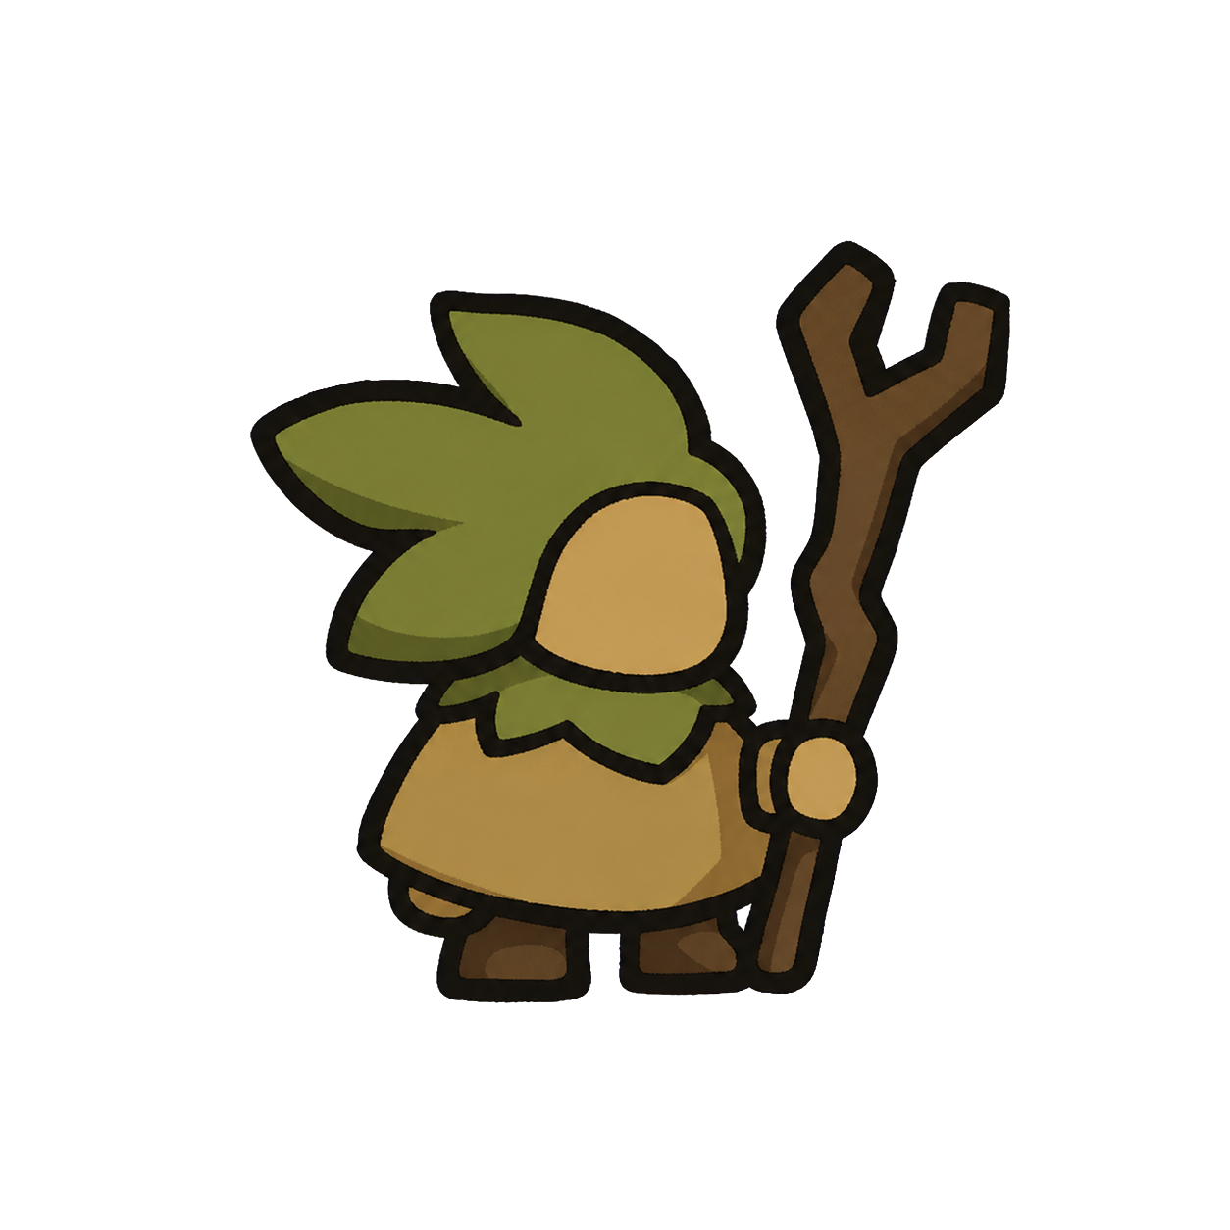 | Grove Druid | Round poncho shape · forked staff · leaf-like hair | ☐ | ☐ |  | UNREVIEWED
09 | 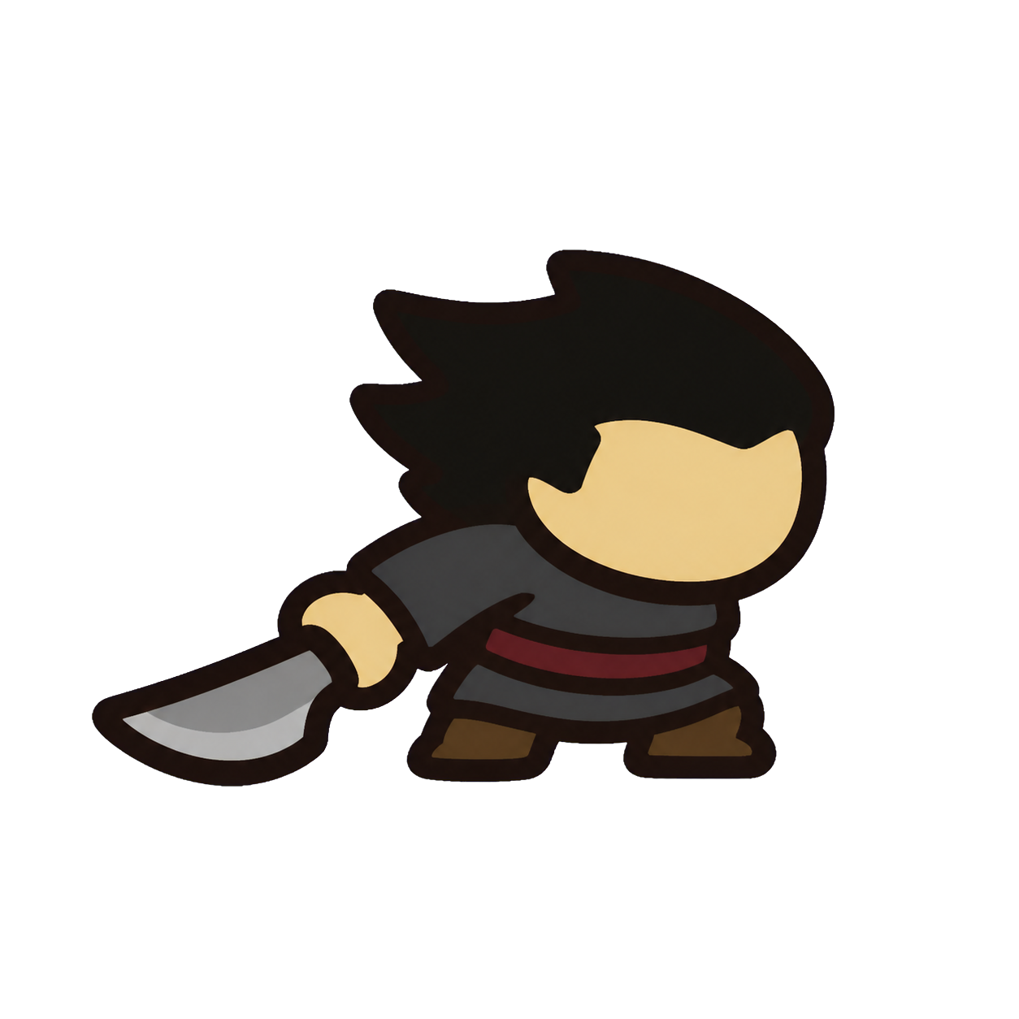 | Knife Rogue | Low crouch · curved knife · swept black hair | ☐ | ☐ |  | UNREVIEWED
10 | 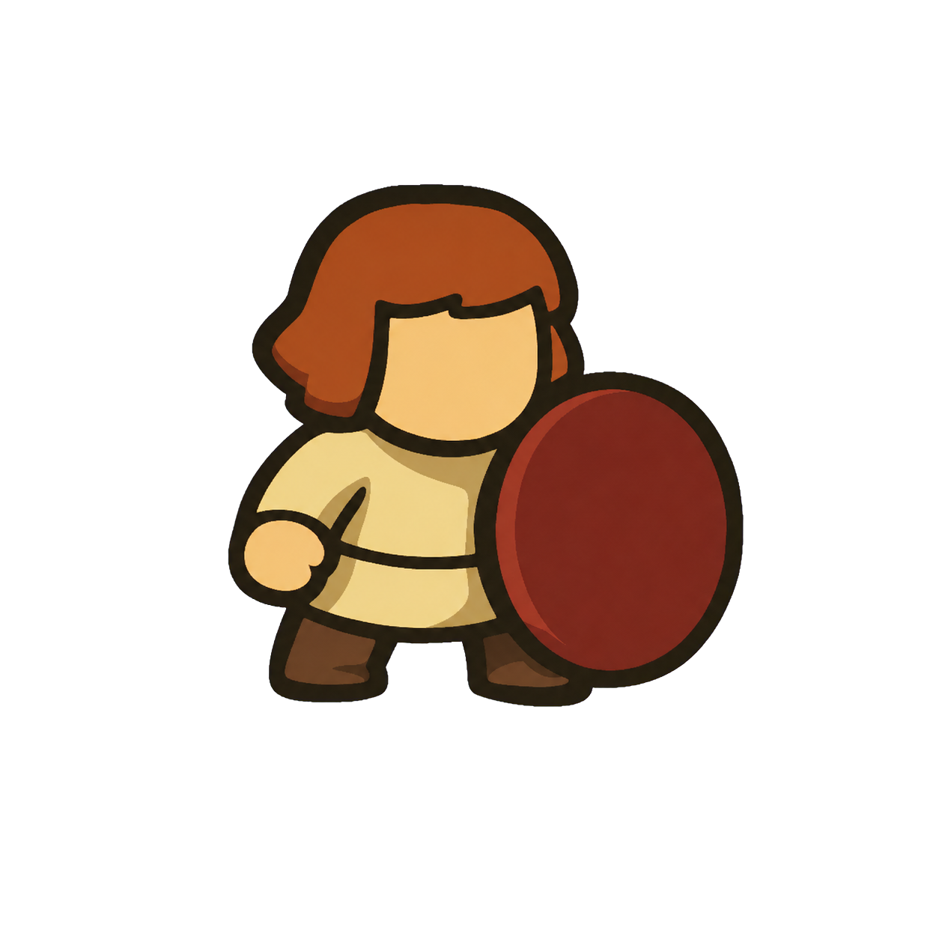 | Shield Bearer | Broad defensive stance · round shield · auburn bob | ☐ | ☐ |  | UNREVIEWED
11 | 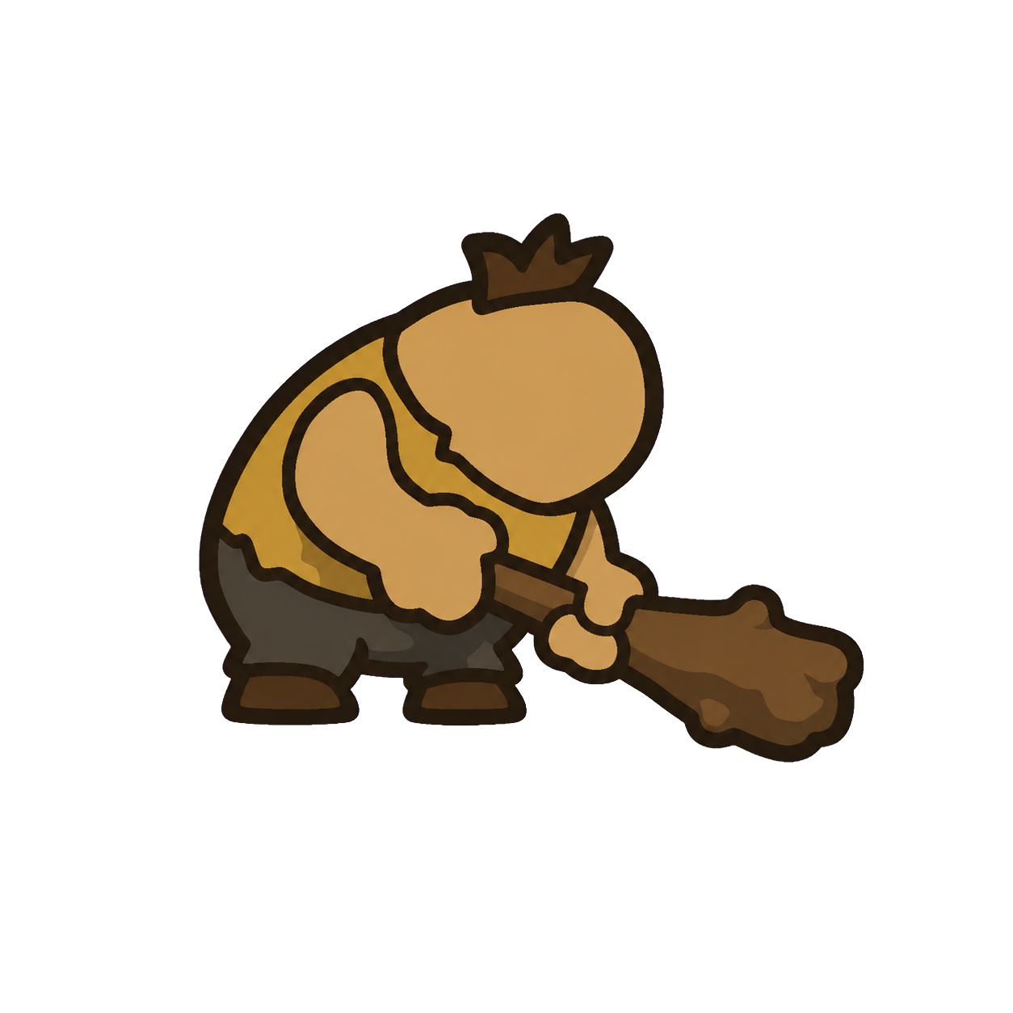 | Club Brute | Extreme pear shape · dragging club · tiny hair tuft | ☐ | ☐ |  | UNREVIEWED
12 | 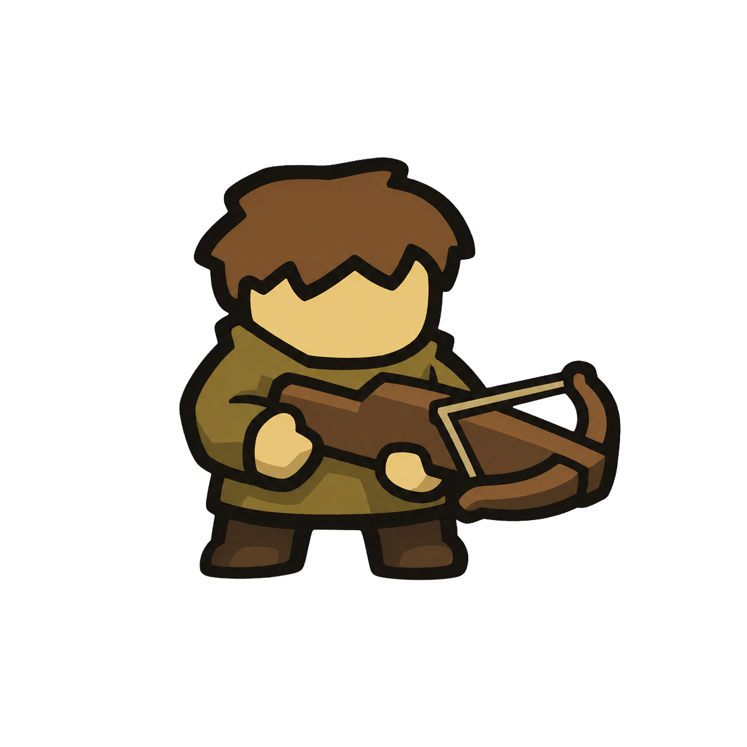 | Crossbowman | Square body · horizontal crossbow · chestnut fringe | ☐ | ☐ |  | UNREVIEWED
13 | 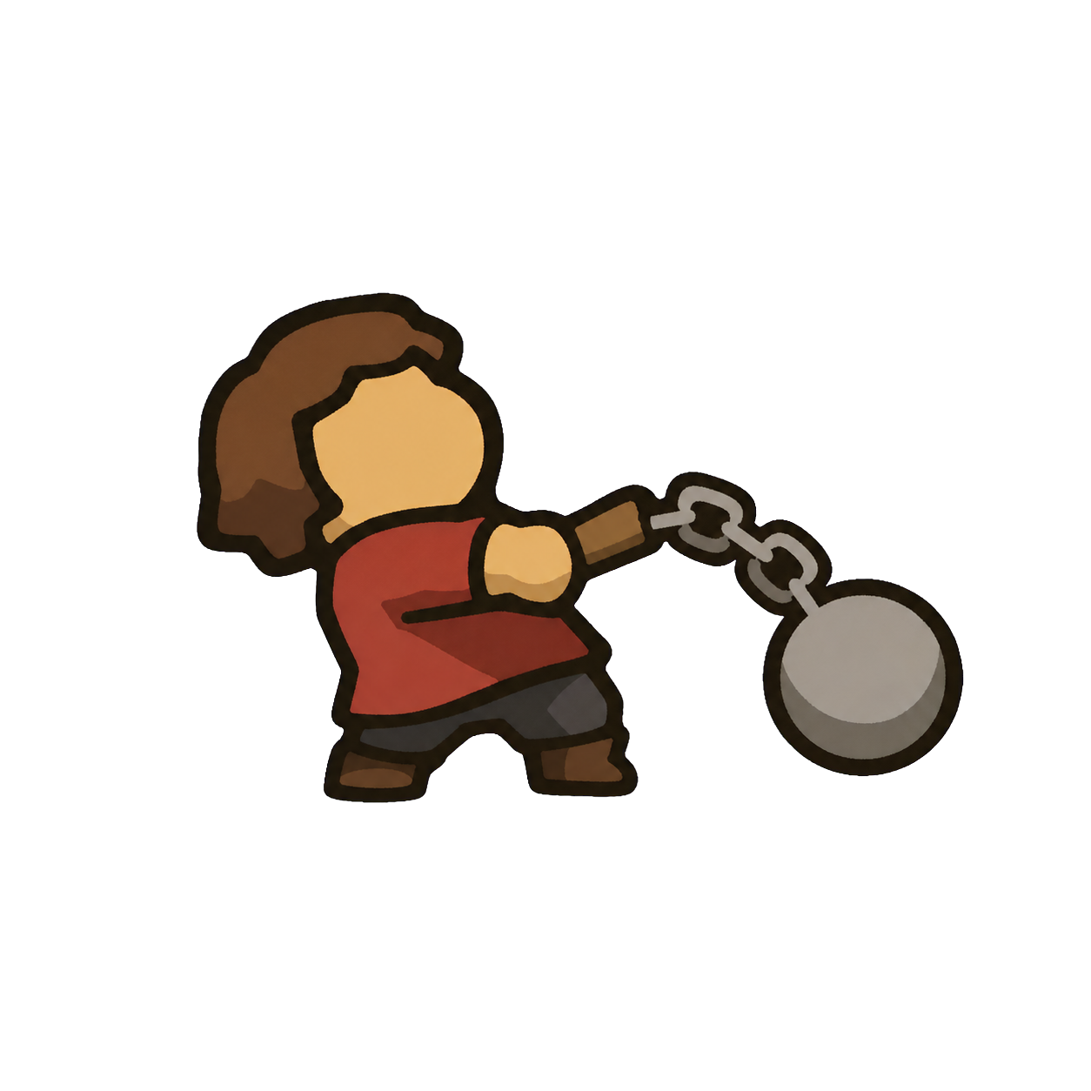 | Flail Fighter | Backward lean · smooth ball flail · dark bob | ☐ | ☐ |  | UNREVIEWED
14 | 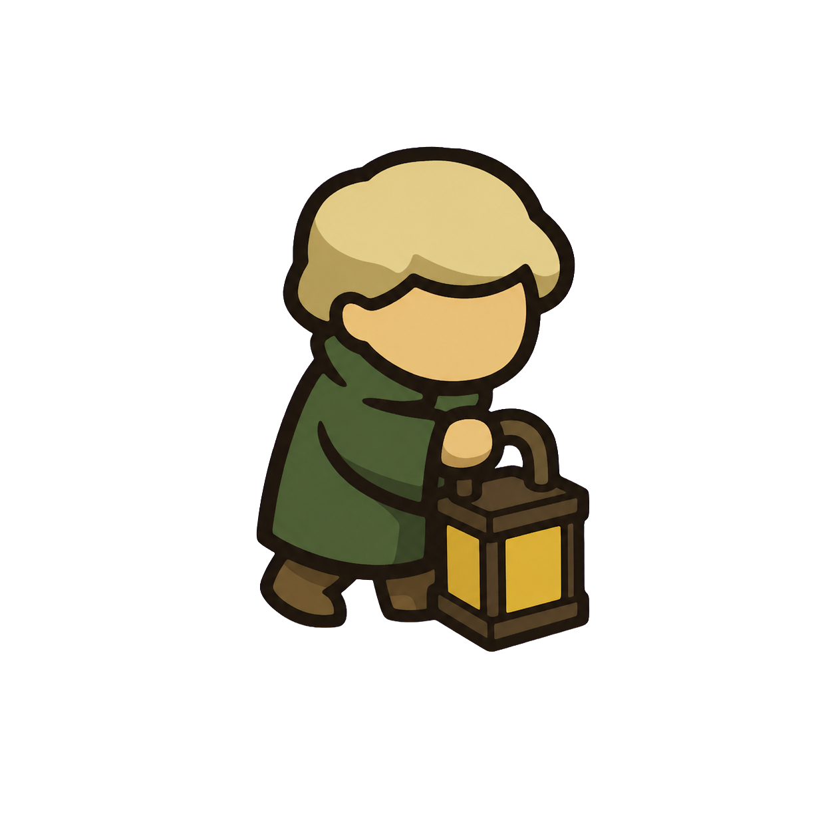 | Lantern Keeper | Thin walking pose · box lantern · blond cap hair | ☐ | ☐ |  | UNREVIEWED
15 | 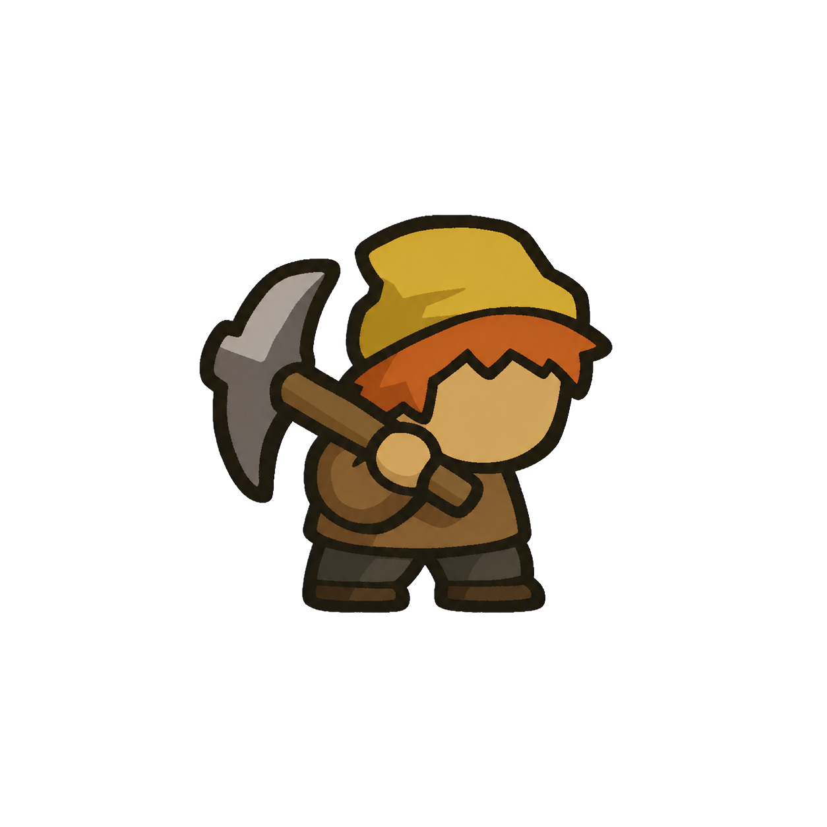 | Miner | Compact worker · pickaxe · orange fringe and soft cap | ☐ | ☐ |  | UNREVIEWED
16 | 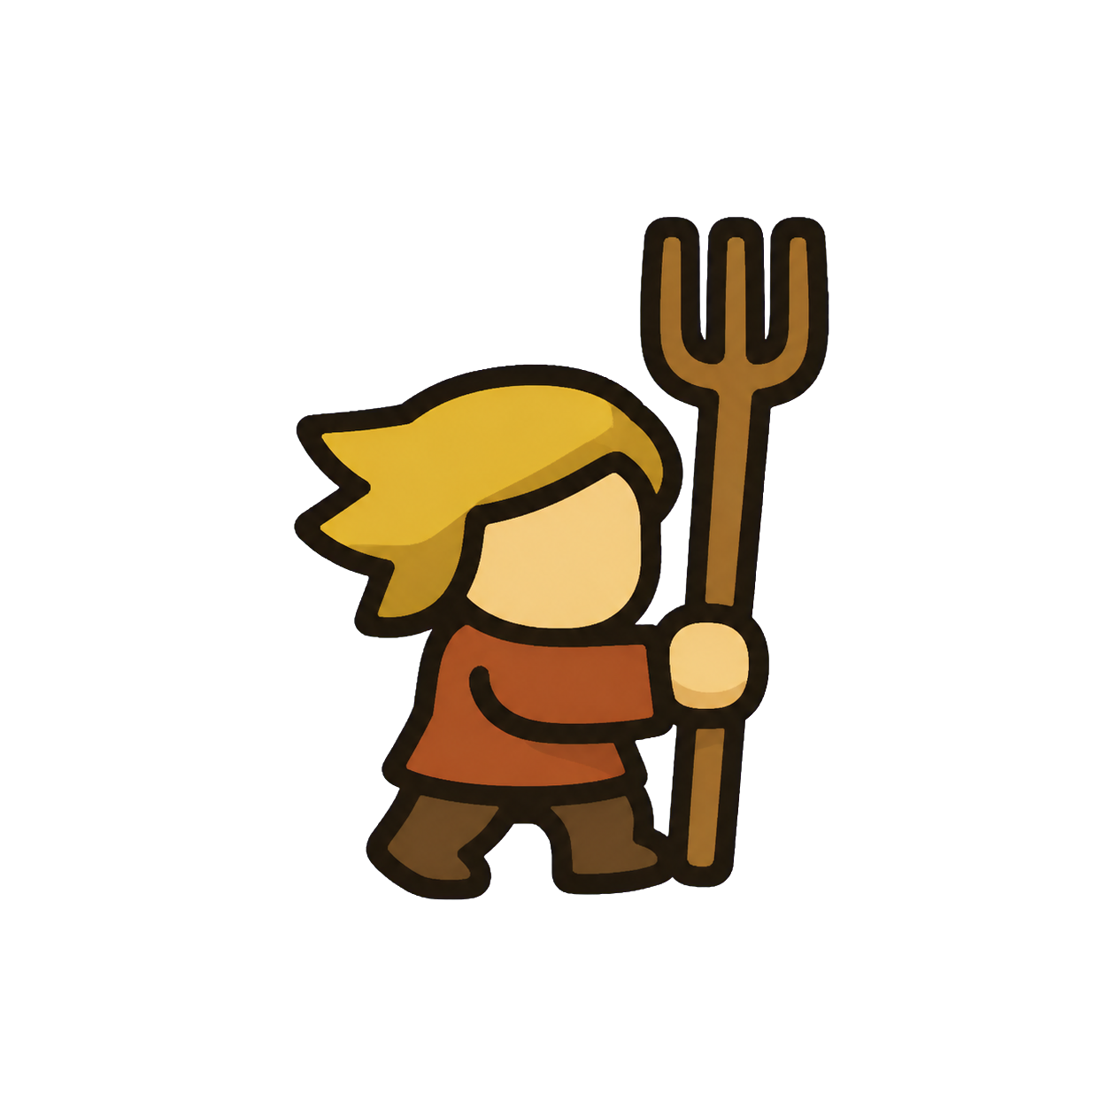 | Field Worker | Lean side step · pitchfork · straw swept hair | ☐ | ☐ |  | UNREVIEWED
17 | 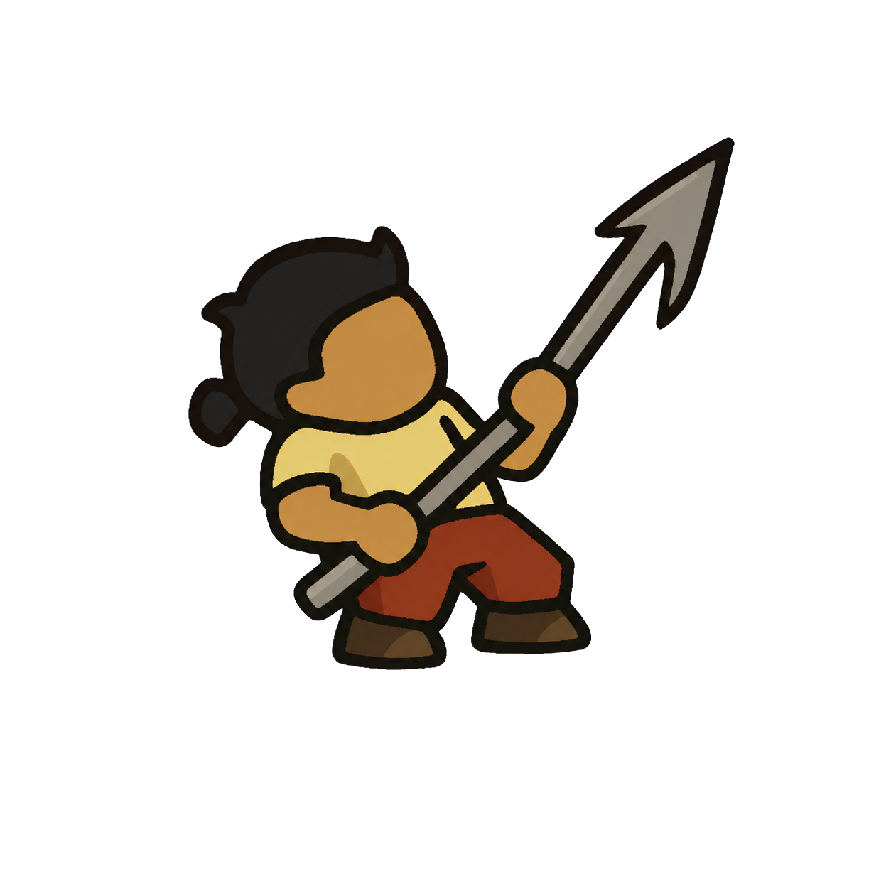 | Harpooner | Broad pulling pose · harpoon · black rear knot | ☐ | ☐ |  | UNREVIEWED
18 | 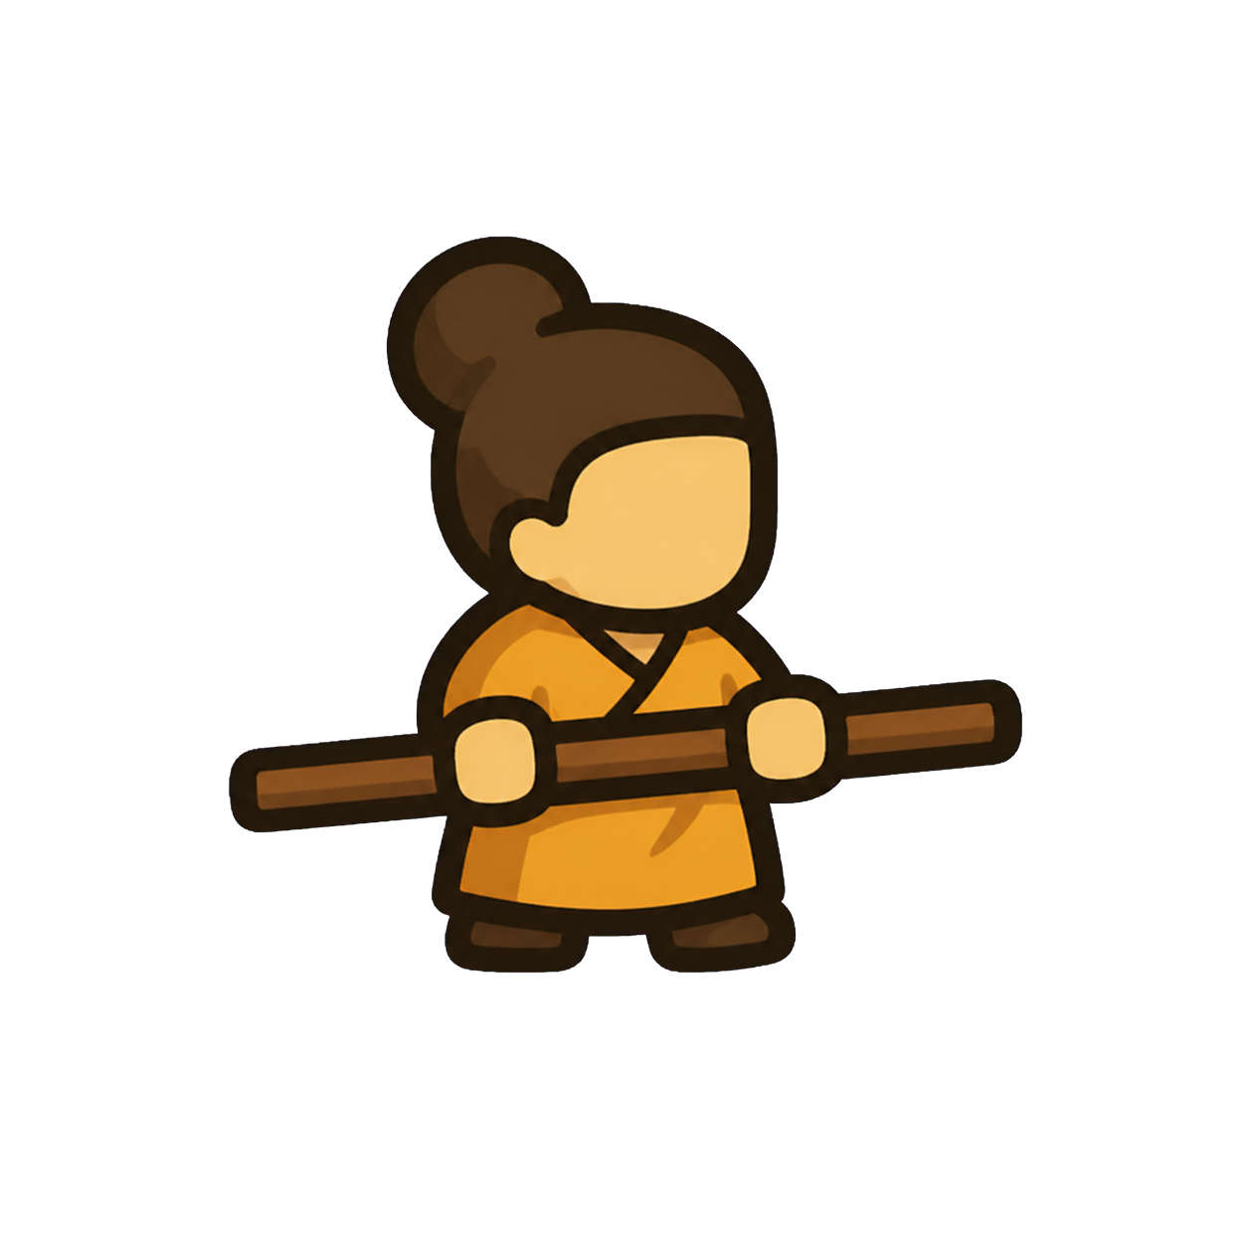 | Staff Monk | Balanced upright pose · horizontal staff · hair bun | ☐ | ☐ |  | UNREVIEWED
19 | 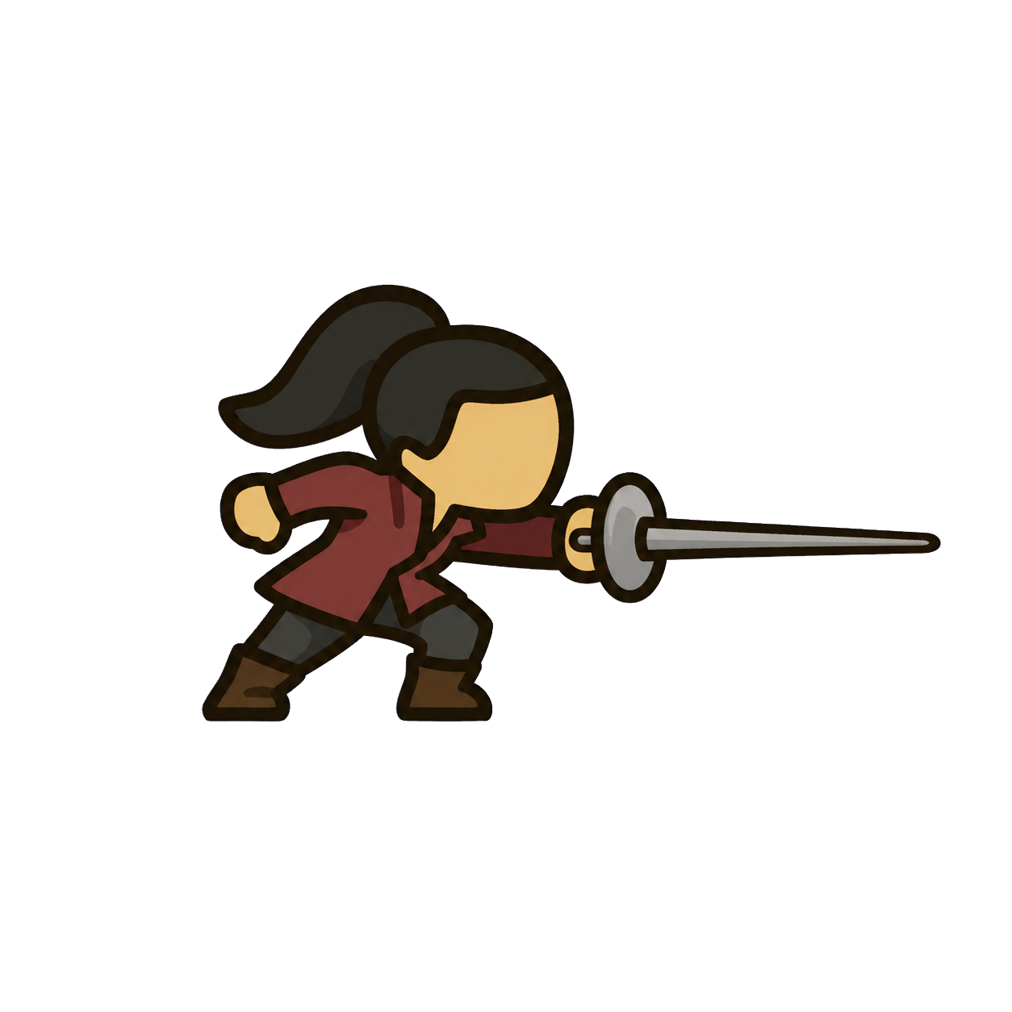 | Duelist | Long forward lunge · rapier · black ponytail | ☐ | ☐ |  | UNREVIEWED
20 | 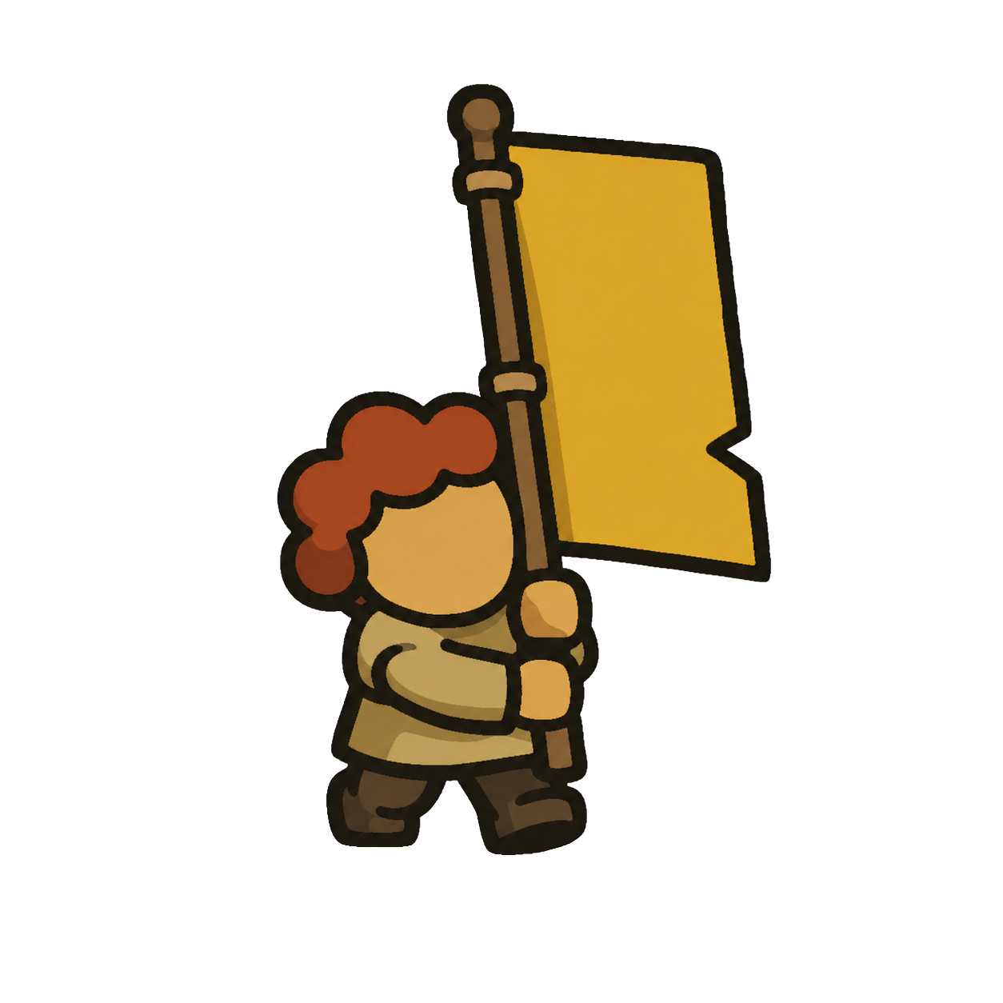 | Banner Carrier | Upright march · plain banner · red curls | ☐ | ☐ |  | UNREVIEWED
21 | 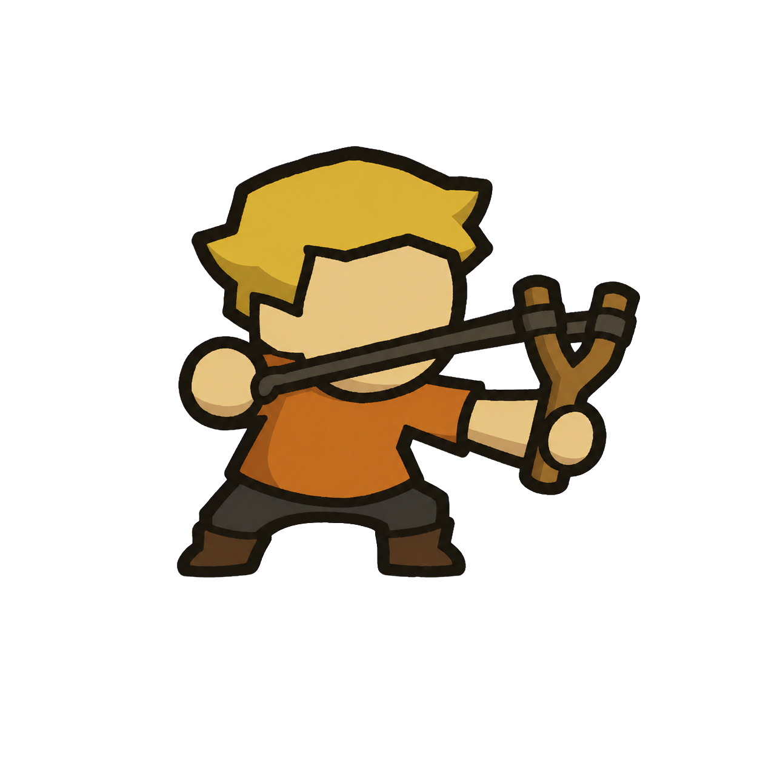 | Sling Scout | Twisted action pose · slingshot · blond crop | ☐ | ☐ |  | UNREVIEWED
22 | 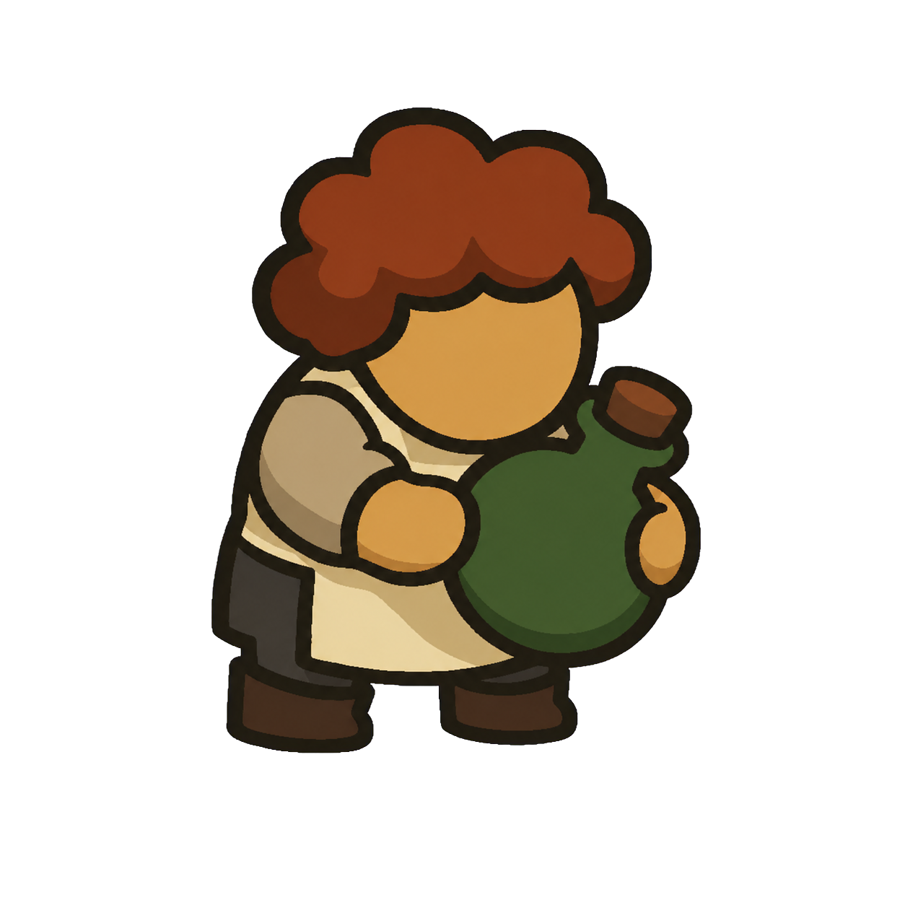 | Alchemist | Round careful pose · opaque flask · auburn curls | ☐ | ☐ |  | UNREVIEWED
23 | 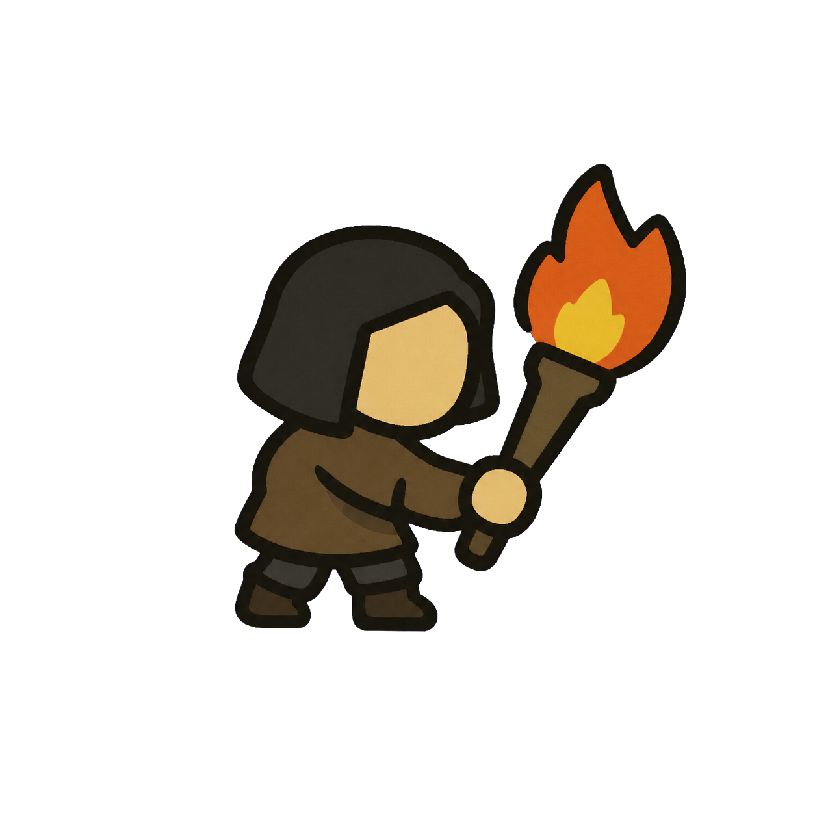 | Torch Bearer | Thin cautious pose · flat flame torch · black bob | ☐ | ☐ |  | UNREVIEWED
24 | 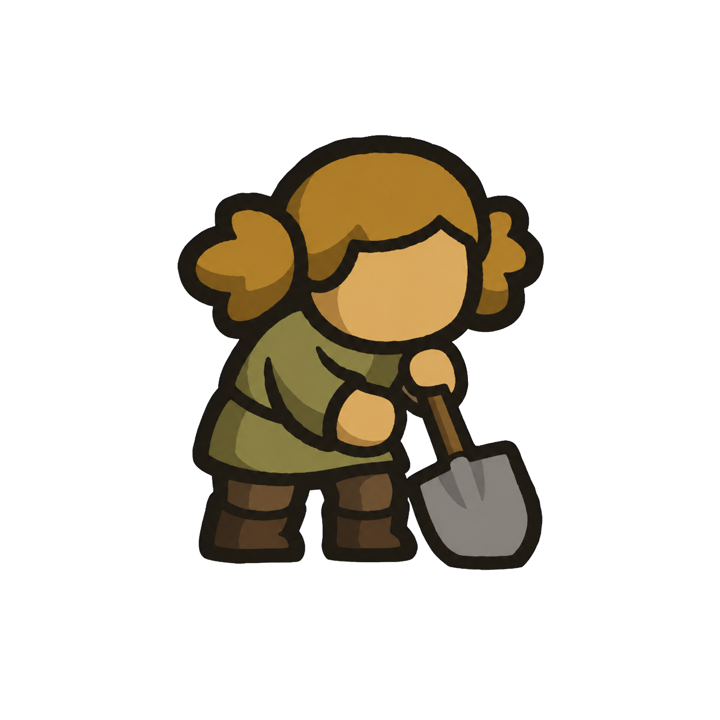 | Shovel Worker | Low sturdy worker · shovel · blond side knots | ☐ | ☐ |  | UNREVIEWED
25 | 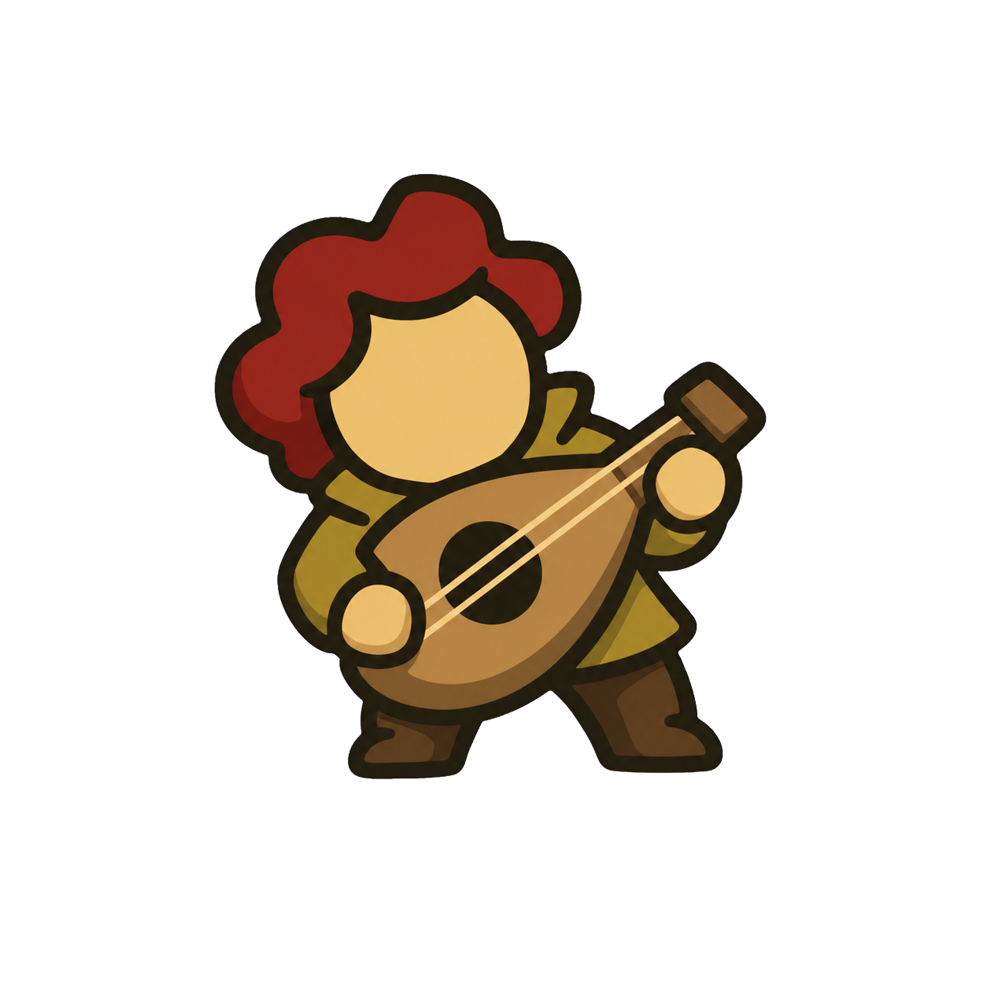 | Minstrel | Rounded playful pose · lute · dark-red waves | ☐ | ☐ |  | UNREVIEWED

