Quadruped Review
Quadruped Character Review — 10 Variations
Use the Like and Dislike dropdowns to switch ☐ to ☑. Add notes about silhouette, proportions, feature size, outline, palette, or shading.
Liked | 0 | Disliked | 0 | Unreviewed | 10 | Conflicts | 0

ID | Preview | Quadruped | Variation | Like | Dislike | Notes | Status
01 |  | Wolf Scout | Low canine · oversized ears and tail · simple collar | ☐ | ☐ |  | UNREVIEWED
02 |  | Armored Boar | Heavy boar · giant tusks · armor and saddle | ☐ | ☐ |  | UNREVIEWED
03 | 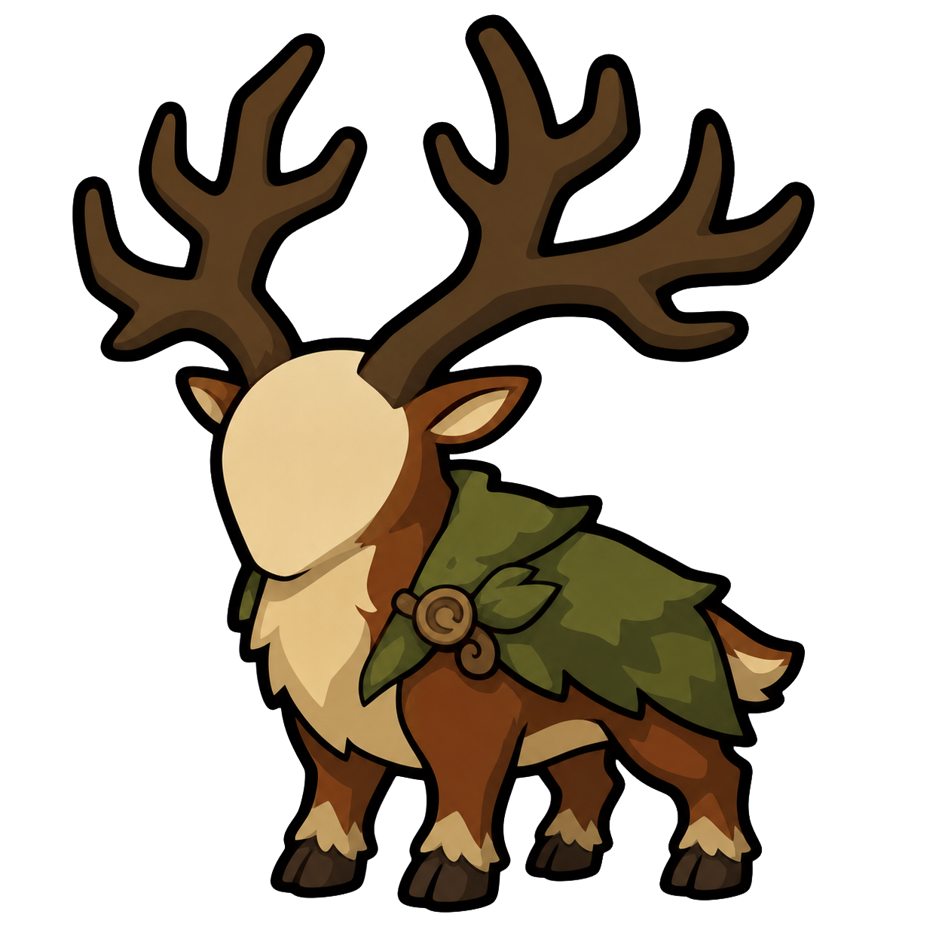 | Forest Stag | Upright stag · giant antlers · leaf mantle | ☐ | ☐ |  | UNREVIEWED
04 | 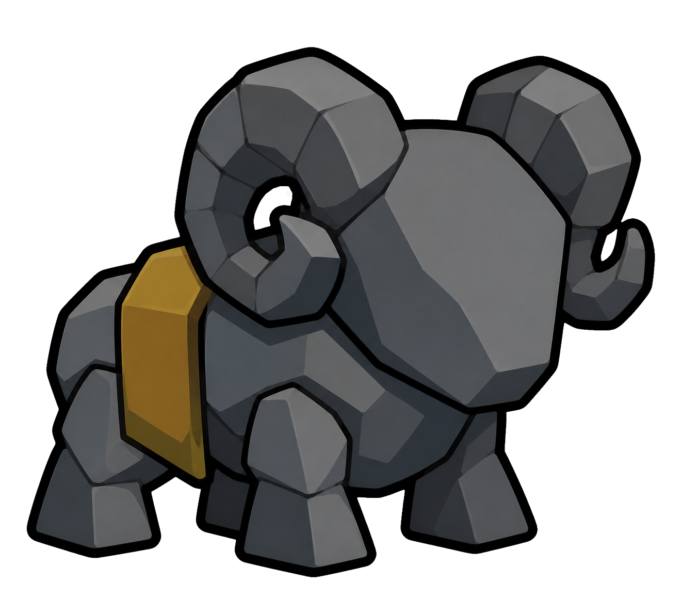 | Stone Ram | Blocky ram · stone plates · curled horns | ☐ | ☐ |  | UNREVIEWED
05 |  | Swamp Lizard | Long low lizard · back plates · leaf tail | ☐ | ☐ |  | UNREVIEWED
06 | 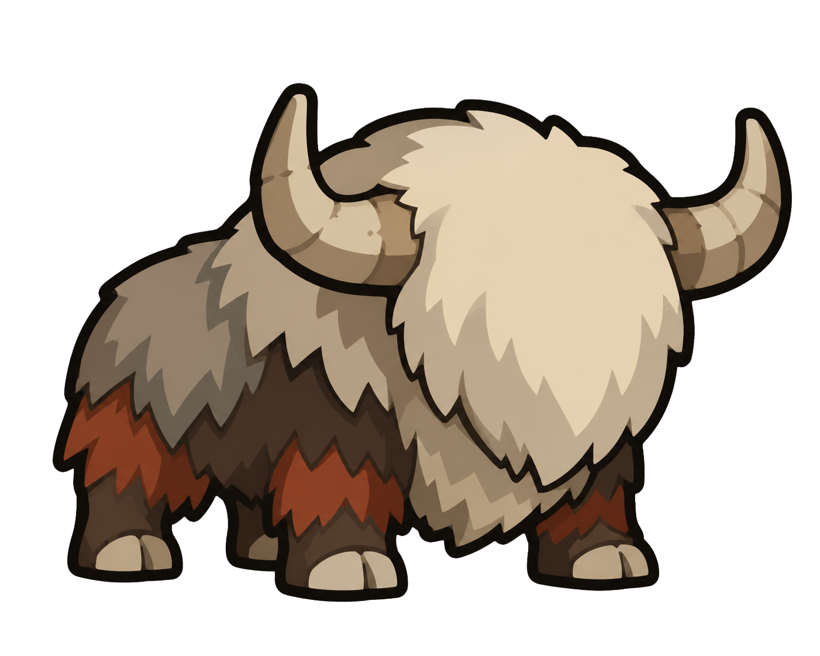 | Frost Yak | Heavy yak · single fringe mass · wide horns | ☐ | ☐ |  | UNREVIEWED
07 |  | Shadow Panther | Low feline · long curved tail · shoulder wrap | ☐ | ☐ |  | UNREVIEWED
08 |  | Hyena Raider | Sloped hyena · large ears · mane and pouch | ☐ | ☐ |  | UNREVIEWED
09 | 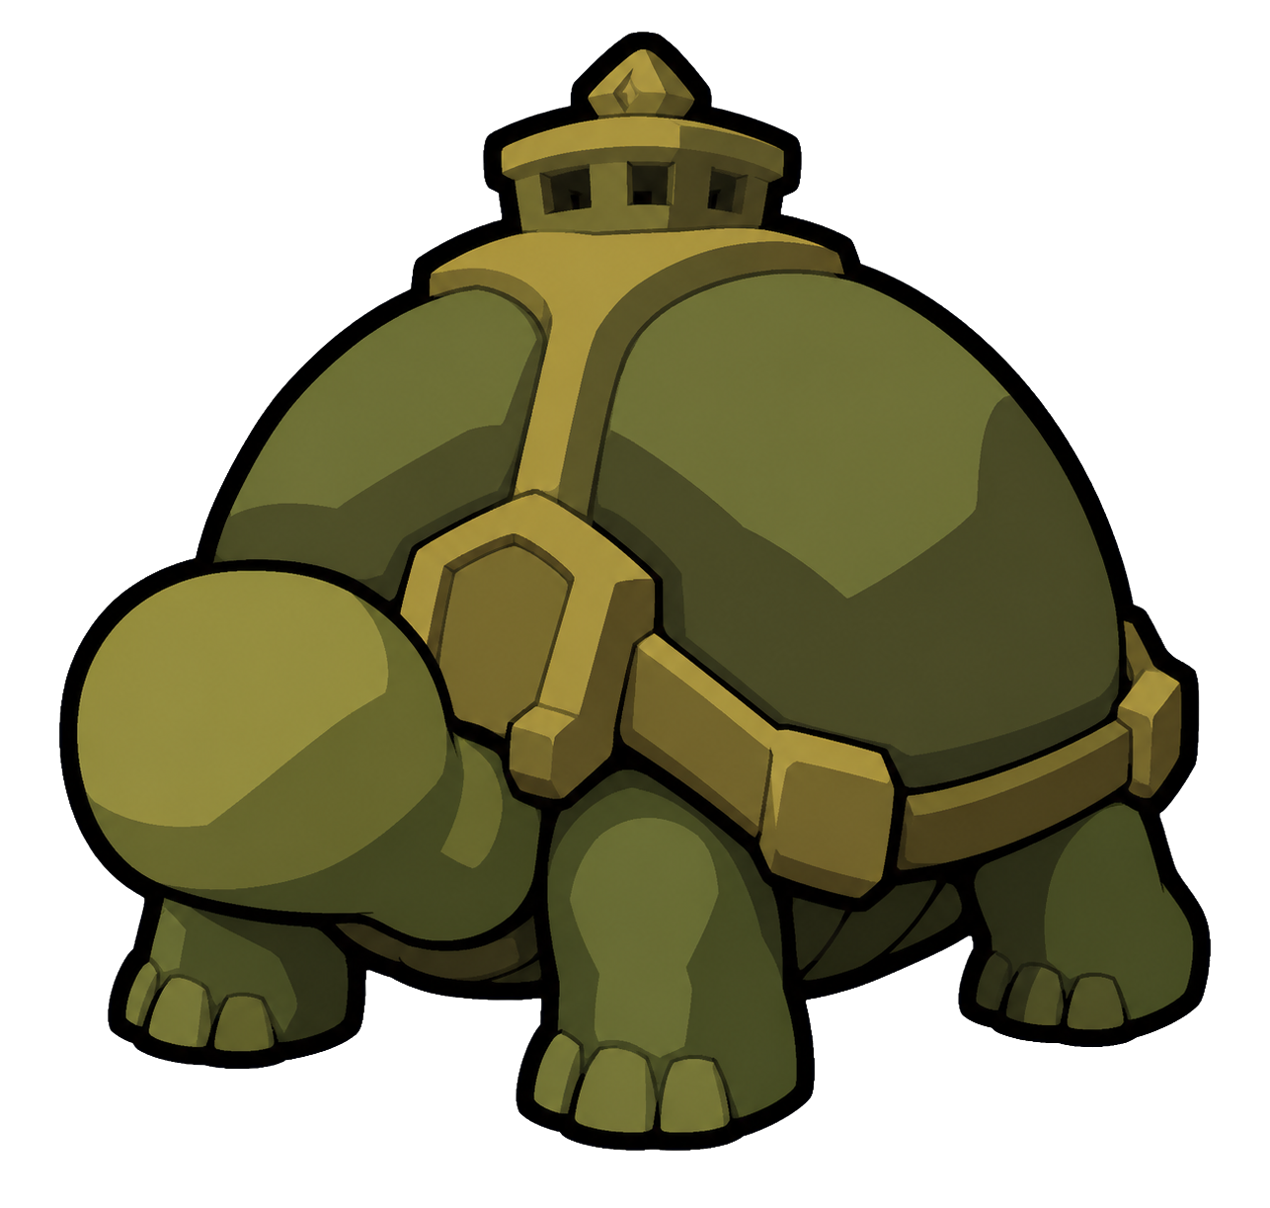 | Shellback Tortoise | Wide tortoise · huge shell · fortified harness | ☐ | ☐ |  | UNREVIEWED
10 |  | Ember Salamander | Long salamander · three back fins · flame tail | ☐ | ☐ |  | UNREVIEWED

