NYISO Strip Auction Price
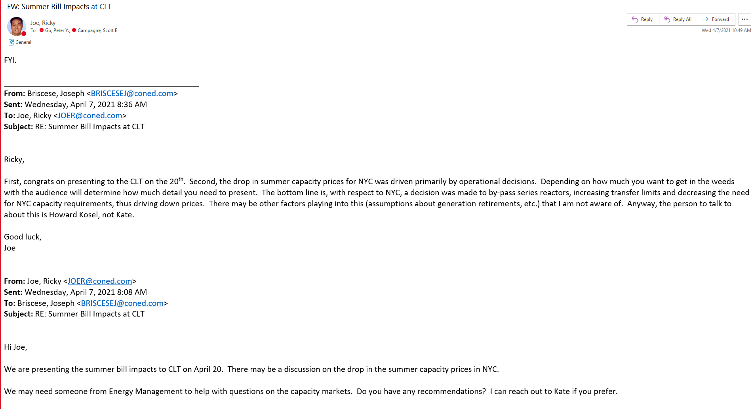
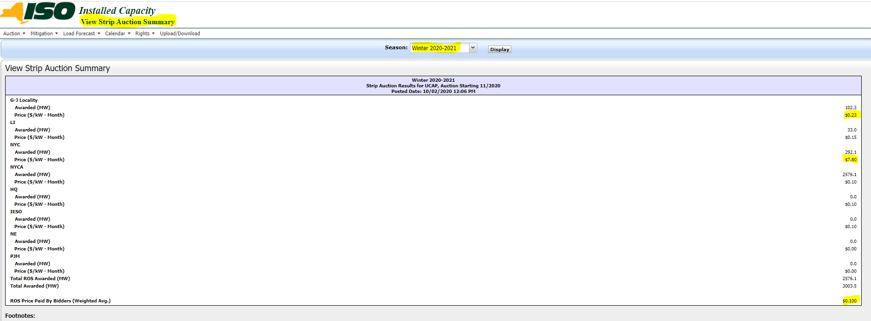
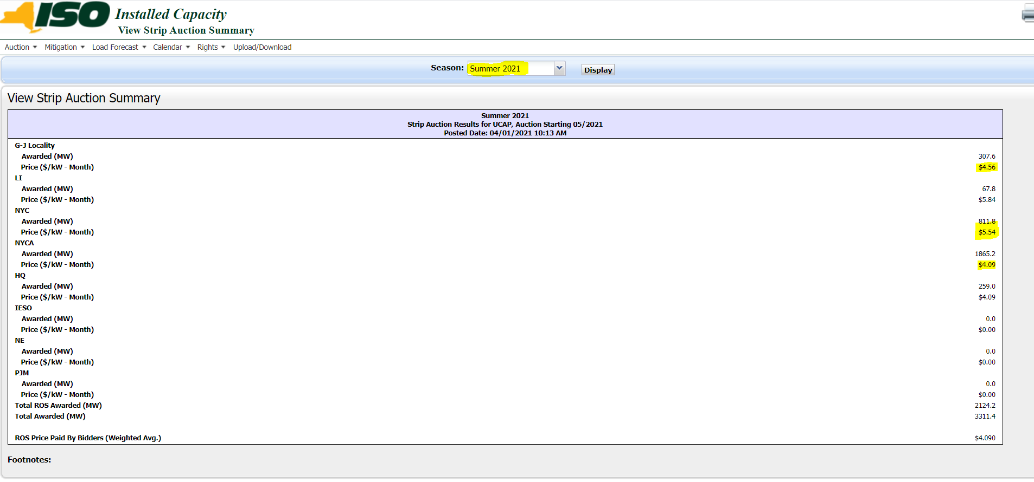
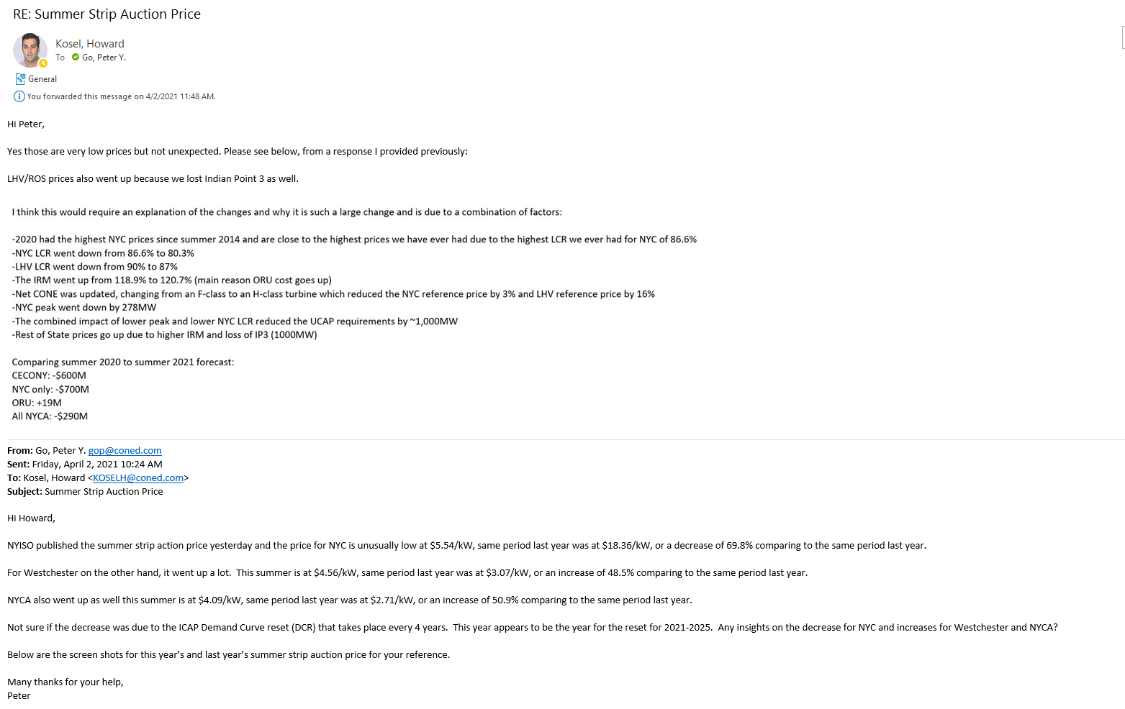

Winter 2020 - 2021 |  |  | Summer 2021 |  | Including Derating Factor
G-J Locality | $0.23 |  | G-J Locality | $4.56 | 4.40

NYC | $7.80 |  | NYC | $5.54 | 5.39

ROS | $0.10 |  | ROS | $4.09 | 3.73

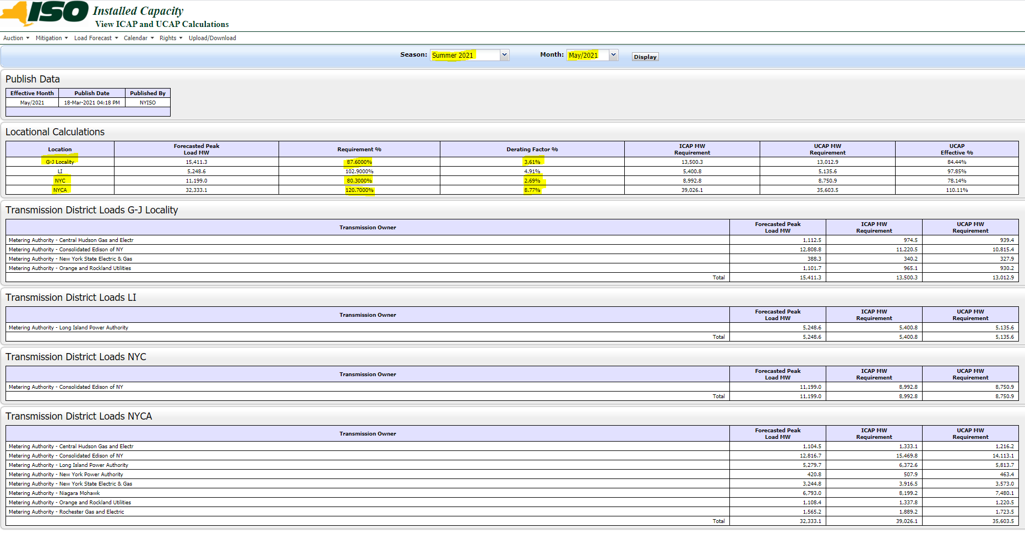
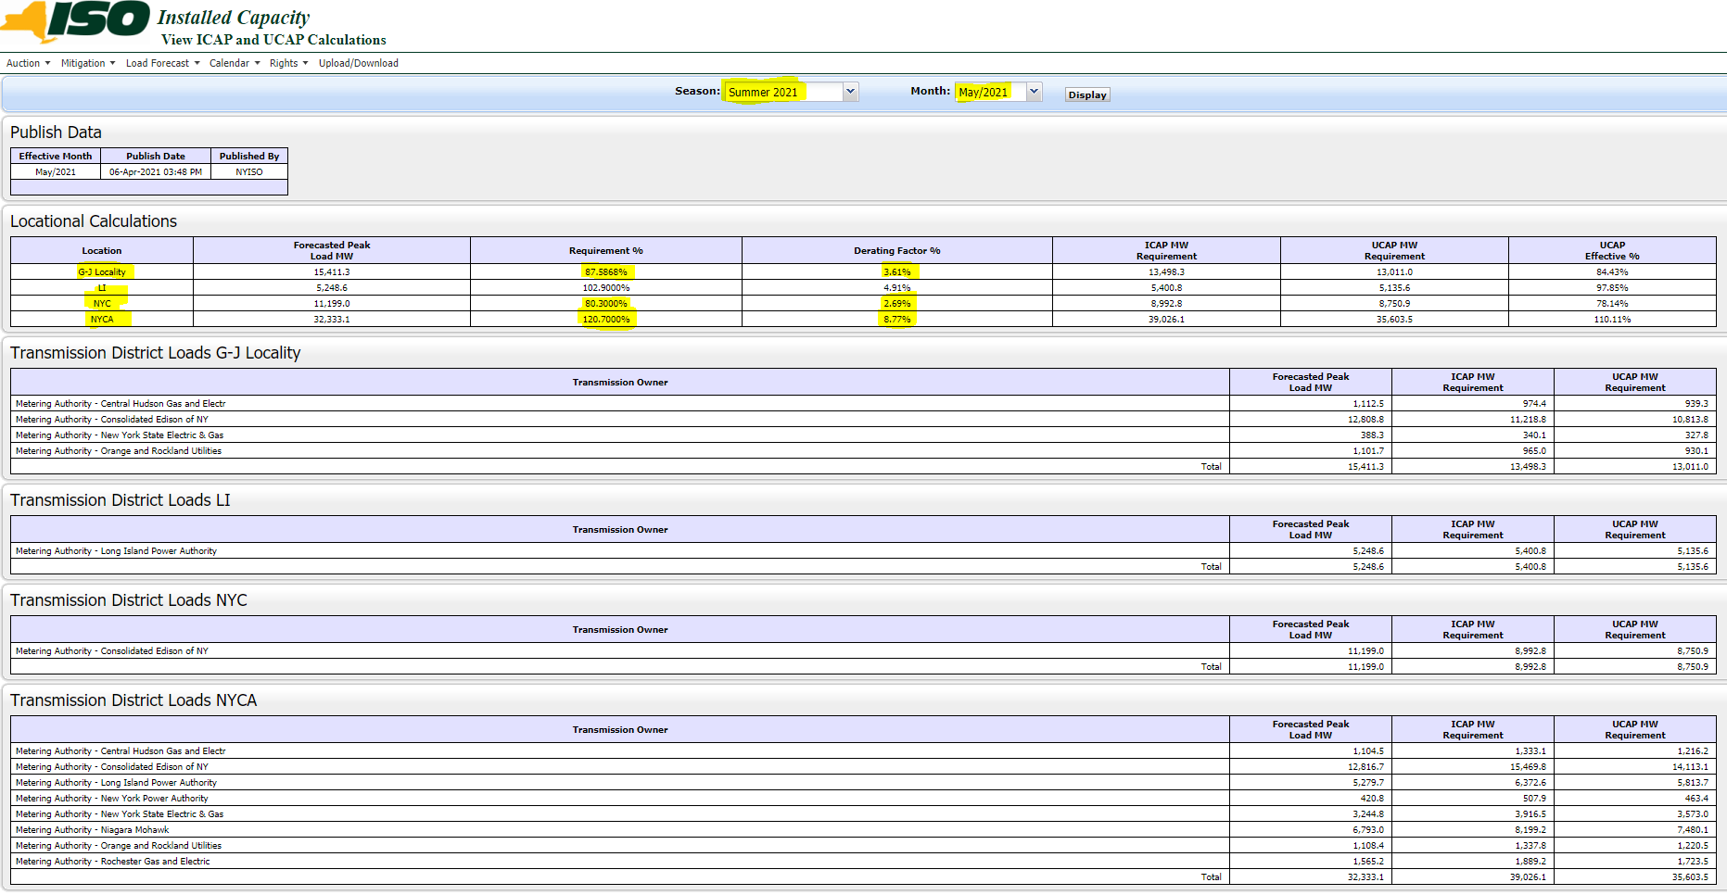
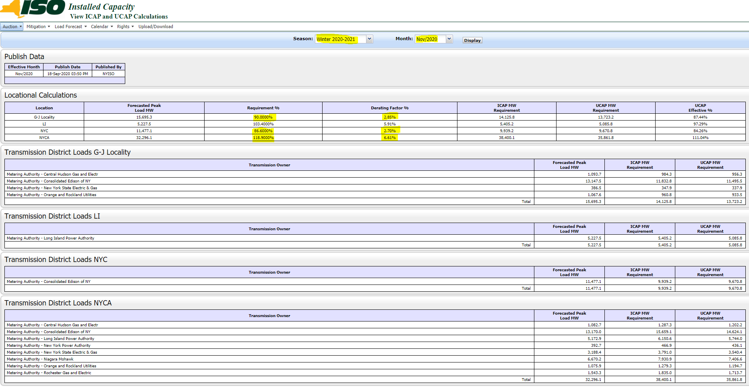

 |  |  |  |  |  | Summer 2021
 |  |  |  |  |  |  | Derating Factor | Reserved Margin
 | Derating Factor | Reserved Margin |  |  |  | G-L Locality | 3.61% | 87.59%
G-L Locality | 2.85% | 90.00% |  |  |  | NYC | 2.69% | 80.30%
NYC | 2.70% | 86.60% |  |  |  | NYCA | 8.77% | 120.70%
NYCA | 6.61% | 118.90%

